(Flow example)
Example |  | System Name |  | Sub System Name |  |  | Screen ID |  |  |  |  |  |  | Screen Name |  |  | Page
 |  | Purchase Process Managerment |  | PR Management |  |  | PR003 |  |  |  |  |  |  | AddNewPR

 | Flow Symbol |  | Name |  | Description

 |  |  | 開始/終了(Begin / End) |  | フローチャートの最初と最後に使用

 |  |  | 処理 (Process) |  | 計算や代入，入力や出力など

 |  |  | ループの開始 (Start Loop)

 |  |  |  |  |  | ２つの部分からなり、ループの始めと終わりです
 |  |  | ループの終了(Stop Loop)

 |  |  | 判断 (If...Else) |  | 条件によって分岐
 |  |  |  |  | （if文等）

 |  |  | 入出力 (Input / Output)

 |  |  | 関数 (Function / Procedure) |  | 関数の呼び出し処理

 |  |  | Try…Catch
 |  |  |  |  |  | エラーをキャッチする
 |  |  |  |  |  | 3つの部分からなり、Try, CatchとEnd Tryです
 |  |  | End Try

 |  |  | Databases

 |  |  | 書類 (Document)

 |  |  | 複数書類 (Documents)

 | Example
Begin
1. Read File Equipment (Excel)
2. Read File Successfully
2.1. Call Function F010
End
Try
Catch
End Try
4. Close Screen
3. Error Process
2.2. Call Function F020
No
Yes

 |  |  |  |  |  |  |  | 1. | Read file excel
 |  |  |  |  |  |  |  |  | Path: \\Document\Equipment\Equipment.xlsx

Click then refer to sheet F010
 |  |  |  |  |  |  |  | 2. | If read file successfully then
 |  |  |  |  |  |  |  |  | EquipmentDataTable = Content of Equipment File
 |  |  |  |  |  |  |  |  | 2.1. |  | Call function F010 - Insert Equipment
 |  |  |  |  |  |  |  |  |  | Call Function F010
 |  |  |  |  |  |  |  |  |  | Class |  | Equipment
 |  |  |  |  |  |  |  |  |  | Method |  | InsertEquipment
 |  |  |  |  |  |  |  |  |  | Parameter |  | Data table |  |  | In | EquipmentDataTable (Get from [2])
 |  |  |  |  |  |  |  |  |  | Return |  | -

 |  |  |  |  |  |  |  |  | 2.2. |  | Call function F020 - Open Insert Equipment Screen
 |  |  |  |  |  |  |  |  |  | Call Function F020
 |  |  |  |  |  |  |  |  |  | Class |  | Equipment
 |  |  |  |  |  |  |  |  |  | Method |  | OpenInsertEquipmentScreen
 |  |  |  |  |  |  |  |  |  | Parameter |  | - |  |  | - | -
 |  |  |  |  |  |  |  |  |  | Return |  | -

 |  |  |  |  |  |  |  | 3. | Error Process
 |  |  |  |  |  |  |  |  | Display error message
 |  |  |  |  |  |  |  |  |  | Background-color message |  |  | Red
 |  |  |  |  |  |  |  |  |  | Message Color |  |  | White
 |  |  |  |  |  |  |  |  |  | Message ID |  |  | M0001
 |  |  |  |  |  |  |  |  |  | Fill up |  |  | %1＝User Name
 |  |  |  |  |  |  |  |  |  | Message Content |  |  | Hi %1! We are sorry an error has occurred

 |  |  |  |  |  |  |  | 4. | Close current screen

Screen Design
Screen design |  |  |  |  | System Name |  | Sub System Name |  | Screen ID |  |  |  |  | Screen Name |  |  | Page
 |  |  |  |  | Purchase Process Managerment |  | PR Management |  | PR003 |  |  |  |  | AddNewPR

 | 1. | Mockup Screen
 | 1.1. Main Screen
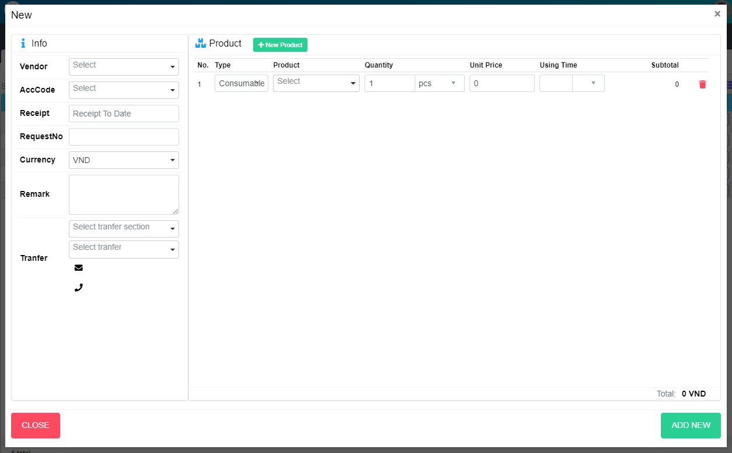
M01
Search name...
M13
M14
IT
M02
M15
M17
M18
M20
M21
M22
M23
M03
SEARCH
M25
Option 1
Option 2

M04
M24
M26
M27
M29
M30
M31
M32
M33
M34
M35
Checkbox 1
Checkbox 2
V

M06
Naming Rule:
- Controls of Main Screen: M01, M02, M03...
- Controls of List (Data Table): L01, L02, L03...
M07

M05

M09
M10

M08
M11
M12

M37
M36

M39
M38

 | Main Screen
 | No |  | Item Name |  |  | Label |  | Item Type | Input Regulation | Tab Index | I/O | Required | Default Text |  | Length | Note
 | M01 |  |  |  |  | New |  | Label | Cannot Edit | - | O | - | - |  | - | -
 | M02 |  |  |  |  | Info |  | Label | Cannot Edit | - | O | - | - |  | - | -
 | M03 |  |  |  |  | Vendor |  | ComboBox | - | - | I | - | - |  | - | Choose vendor
 | M04 |  |  |  |  | Receipt Date |  | DateTime | - | - | I | - | - |  | - | -
 | M05 |  |  |  |  | Remark |  | TextBox | FullAndhalf | - | I | - | - |  | - | -
 | M06 |  |  |  |  | RequestNo |  | TextBox | HalfOnly | - | I | - | - |  | - | -
 | M07 |  |  |  |  | Curency |  | ComboBox | - | - | I | - | - |  | - | Choose currency
 | M08 |  |  |  |  | Tranfer |  | Label | Cannot Edit | - | O | - | - |  | -
 | M09 |  |  |  |  |  |  | ComboBox | - | - | I | - | - |  | - | Select section of receiver
 | M10 |  |  |  |  |  |  | ComboBox | - | - | I | - | - |  | - | Select receiver
 | M11 |  |  |  |  |  |  | Label | Cannot Edit | - | O | - | - |  | - | Mail of receiver
 | M12 |  |  |  |  |  |  | Label | Cannot Edit | - | O | - | - |  | - | Phone of reciever
 | M13 |  |  |  |  | Product |  | Label | Cannot Edit | - | O | - | - |  | - | -
 | M14 |  |  |  |  | New Product |  | Button | Cannot Edit | - | O | - | - |  | - | Create new product
 | M15 |  |  |  |  | No |  | Label | Cannot Edit | - | O | - | - |  | - | -
 | M16 |  |  |  |  | AccCode |  | Label | Cannot Edit | - | O | - | - |  | - | -
 | M17 |  |  |  |  | Type |  | Label | Cannot Edit | - | O | - | - |  | - | -
 | M18 |  |  |  |  | Product |  | Label | Cannot Edit | - | O | - | - |  | - | -
 | M19 |  |  |  |  | Description |  | Label | Cannot Edit | - | O | - | - |  | - | -
 | M20 |  |  |  |  | Quantity |  | Label | Cannot Edit | - | O | - | - |  | - | -
 | M21 |  |  |  |  | Unit Price |  | Label | Cannot Edit | - | O | - | - |  | - | -
 | M22 |  |  |  |  | Using Time |  | Label | Cannot Edit | - | O | - | - |  | - | -
 | M23 |  |  |  |  | Subtotal |  | Label | Cannot Edit | - | O | - | - |  | - | -
 | M24 |  |  |  |  |  |  | Label | Cannot Edit | - | O | - | - |  | - | No
 | M25 |  |  |  |  |  |  | ComboBox | Cannot Edit | - | I | - | - |  | - | Choose Account Code
 | M26 |  |  |  |  |  |  | ComboBox | Cannot Edit | - | I | - | - |  | - | Choose Product Type
 | M27 |  |  |  |  |  |  | ComboBox | Cannot Edit | - | I | - | - |  | - | Choose Product
 | M28 |  |  |  |  |  |  | Label | Cannot Edit | - | O | - | - |  | - | Product Description
 | M29 |  |  |  |  |  |  | TextBox | Cannot Edit | - | I | - | - |  | - | Input quantity
 | M30 |  |  |  |  |  |  | ComboBox | Cannot Edit | - | I | - | - |  | - | Choose Unit
 | M31 |  |  |  |  |  |  | TextBox | Cannot Edit | - | I | - | - |  | - | Input Unit Price
 | M32 |  |  |  |  |  |  | TextBox | HalfOnly | - | I | - | - |  | - | Choose Using Time
 | M33 |  |  |  |  |  |  | ComboBox | - | - | I | - | - |  | - | Choose Using Type
 | M34 |  |  |  |  |  |  | Label | Cannot Edit | - | O | - | - |  | - | Sub Total
 | M35 |  |  |  |  |  |  | Button | - | - | O | - | - |  | - | Button Delete Item
 | M36 |  |  |  |  | Total |  | Label | Cannot Edit | - | O | - | - |  | -
 | M37 |  |  |  |  | Total + Currency |  | Label | Cannot Edit | - | O | - | - |  | -
 | M38 |  |  |  |  | CLOSE |  | Button | - | - | O | - | - |  | - | Button Close
 | M39 |  |  |  |  | ADD NEW |  | Button | - | - | O | - | - |  | - | Button Save

 | 2. | Description
 |  | 2.1. | Select product combobox (M27):
 |  |  | Add one more row in product list
 |  |  | Auto fill data in Description label (M28)

 |  | 2.2 | Click button (M35)
 |  |  | Remove row from product list

 |  | 2.3. | Click button "CLOSE" (M38):
 |  |  | Close pop-up Add New PR (Main Screen)

 |  | 2.4. | Click button "ADD NEW" (M39):
 |  |  | ・ | Create new PR
 |  |  | ・ | Close pop-up Add New PR (Main Screen)
 |  |  | ・ | Re-load PR List
 |  |  | ・ | Show message "Add New Item Successfully"

 |  | 2.5. | Click button "Add Product" (M14):
 |  |  | Open pop-up Add New Product (P002)

Event List
Event List |  |  | System Name |  | Sub System Name | Screen ID |  |  | Screen Name |  | Page
 |  |  | Purchase Process Managerment |  | PR Management | PR003 |  |  | AddNewPR

Naming Rule:
- FC: Front end Component
- FS: Front end Service
- BS: Back end Service
- BS: Back en Controller
- Step: 10 unit
 | Front - End
 |  | Event List (Component)
 |  | Event ID |  | Function Name |  |  | Event |  |  | Note
 |  | FC000 |  | ngOnInit |  |  |  |  |  |  |  | FC000
 |  | FC010 |  | onLoadDataForm |  |  |  |  |  |  |  | FC010
 |  | FC020 |  | onGenerateProductNo |  |  | Generate product code |  |  |  |  | FC020
 |  | FC030 |  | onChangeProductCode |  |  |  |  |  |  |  | FC030
 |  | FC040 |  | acceptBtnModalClicked |  |  | Create new product |  |  |  |  | FC040
 |  | FC050 |  |  |  |  |  |  |  |  |  | FC050
 |  | FC060 |  |  |  |  |  |  |  |  |  | FC060
 |  | FC070 |  |  |  |  |  |  |  |  |  | FC070
 |  | FC080 |  |  |  |  |  |  |  |  |  | FC080
 |  | FC090 |  |  |  |  |  |  |  |  |  | FC090
 |  | FC100 |  |  |  |  |  |  |  |  |  | FC100
 |  | FC110 |  |  |  |  |  |  |  | - |  | FC110

 |  | Function List (Service)
 |  | Function ID |  | Function Name |  |  |  | Note
 |  | FS000 |  | DataForm_ProductItemCreate |  |  |  |  |  |  |  | FS000
 |  | FS010 |  | GenerateProductNo |  |  |  |  |  |  |  | FS010
 |  | FS020 |  | ProductItem_Create |  |  |  |  |  |  |  | FS020
 |  | FS030 |  |  |  |  |  |  |  |  |  | FS030
 |  | FS040 |  |  |  |  |  |  |  |  |  | FS040
 |  | FS050 |  |  |  |  |  |  |  |  |  | FS050
 |  | FS060 |  |  |  |  |  |  |  |  |  | FS060
 |  | FS070 |  |  |  |  |  |  |  |  |  | FS070
 |  | FS080 |  |  |  |  |  |  |  |  |  | FS080
 |  | FS090 |  |  |  |  |  |  |  |  |  | FS090
 |  | FS100 |  |  |  |  |  |  |  |  |  | FS100

 | Back - End
 |  | Function List (Controller)
 |  | Function ID |  | Function Name |  |  |  | Note
 |  | BC000 |  | GetDataFormProductItemCreate |  |  |  |  |  |  |  | BC000
 |  | BC010 |  | GenerateProductNo |  |  |  |  |  |  |  | BC010
 |  | BC020 |  | ProductItem_Create |  |  |  |  |  |  |  | BC020
 |  | BC030 |  |  |  |  |  |  |  |  |  | BC030
 |  | BC040 |  |  |  |  |  |  |  |  |  | BC040
 |  | BC050 |  |  |  |  |  |  |  |  |  | BC050
 |  | BC060 |  |  |  |  |  |  |  |  |  | BC060
 |  | BC070 |  |  |  |  |  |  |  |  |  | BC070
 |  | BC080 |  |  |  |  |  |  |  |  |  | BC080
 |  | BC090 |  |  |  |  |  |  |  |  |  | BC090
 |  | BC100 |  |  |  |  |  |  |  |  |  | BC100

 |  | Function List (Service)
 |  | Function ID |  | Function Name |  |  |  | Note
 |  | BS000 |  | GetDataFormProductItemCreate |  |  |  |  |  |  |  | BS000
 |  | BS010 |  | GenerateProductNo |  |  |  |  |  |  |  | BS010
 |  | BS020 |  | ProductItem_Create |  |  |  |  |  |  |  | BS020
 |  | BS030 |  |  |  |  |  |  |  |  |  | BS030
 |  | BS040 |  |  |  |  |  |  |  |  |  | BS040
 |  | BS050 |  |  |  |  |  |  |  |  |  | BS050
 |  | BS060 |  |  |  |  |  |  |  |  |  | BS060
 |  | BS070 |  |  |  |  |  |  |  |  |  | BS070
 |  | BS080 |  |  |  |  |  |  |  |  |  | BS080
 |  | BS090 |  |  |  |  |  |  |  |  |  | BS090
 |  | BS100 |  |  |  |  |  |  |  |  |  | BS100

