(Flow example)
Example |  | System Name |  | Sub System Name |  |  | Screen ID |  |  |  |  |  |  | Screen Name |  |  | Page
 |  | Purchase Process Managerment |  | PR Check |  |  | PRC002 |  |  |  |  |  |  | DetailPR

 | Flow Symbol |  | Name |  | Description

 |  |  | 開始/終了(Begin / End) |  | フローチャートの最初と最後に使用

 |  |  | 処理 (Process) |  | 計算や代入，入力や出力など

 |  |  | ループの開始 (Start Loop)

 |  |  |  |  |  | ２つの部分からなり、ループの始めと終わりです
 |  |  | ループの終了(Stop Loop)

 |  |  | 判断 (If...Else) |  | 条件によって分岐
 |  |  |  |  | （if文等）

 |  |  | 入出力 (Input / Output)

 |  |  | 関数 (Function / Procedure) |  | 関数の呼び出し処理

 |  |  | Try…Catch
 |  |  |  |  |  | エラーをキャッチする
 |  |  |  |  |  | 3つの部分からなり、Try, CatchとEnd Tryです
 |  |  | End Try

 |  |  | Databases

 |  |  | 書類 (Document)

 |  |  | 複数書類 (Documents)

 | Example
Begin
1. Read File Equipment (Excel)
2. Read File Successfully
2.1. Call Function F010
End
Try
Catch
End Try
4. Close Screen
3. Error Process
2.2. Call Function F020
No
Yes

 |  |  |  |  |  |  |  | 1. | Read file excel
 |  |  |  |  |  |  |  |  | Path: \\Document\Equipment\Equipment.xlsx

Click then refer to sheet F010
 |  |  |  |  |  |  |  | 2. | If read file successfully then
 |  |  |  |  |  |  |  |  | EquipmentDataTable = Content of Equipment File
 |  |  |  |  |  |  |  |  | 2.1. |  | Call function F010 - Insert Equipment
 |  |  |  |  |  |  |  |  |  | Call Function F010
 |  |  |  |  |  |  |  |  |  | Class |  | Equipment
 |  |  |  |  |  |  |  |  |  | Method |  | InsertEquipment
 |  |  |  |  |  |  |  |  |  | Parameter |  | Data table |  |  | In | EquipmentDataTable (Get from [2])
 |  |  |  |  |  |  |  |  |  | Return |  | -

 |  |  |  |  |  |  |  |  | 2.2. |  | Call function F020 - Open Insert Equipment Screen
 |  |  |  |  |  |  |  |  |  | Call Function F020
 |  |  |  |  |  |  |  |  |  | Class |  | Equipment
 |  |  |  |  |  |  |  |  |  | Method |  | OpenInsertEquipmentScreen
 |  |  |  |  |  |  |  |  |  | Parameter |  | - |  |  | - | -
 |  |  |  |  |  |  |  |  |  | Return |  | -

 |  |  |  |  |  |  |  | 3. | Error Process
 |  |  |  |  |  |  |  |  | Display error message
 |  |  |  |  |  |  |  |  |  | Background-color message |  |  | Red
 |  |  |  |  |  |  |  |  |  | Message Color |  |  | White
 |  |  |  |  |  |  |  |  |  | Message ID |  |  | M0001
 |  |  |  |  |  |  |  |  |  | Fill up |  |  | %1＝User Name
 |  |  |  |  |  |  |  |  |  | Message Content |  |  | Hi %1! We are sorry an error has occurred

 |  |  |  |  |  |  |  | 4. | Close current screen

Screen Design
Screen design |  |  |  | System Name |  | Sub System Name |  | Screen ID |  |  |  |  | Screen Name |  |  | Page
 |  |  |  | Purchase Process Managerment |  | PR Check |  | PRC002 |  |  |  |  | Screen Design

 | 1. | Mockup Screen
 | 1.1. Main Screen
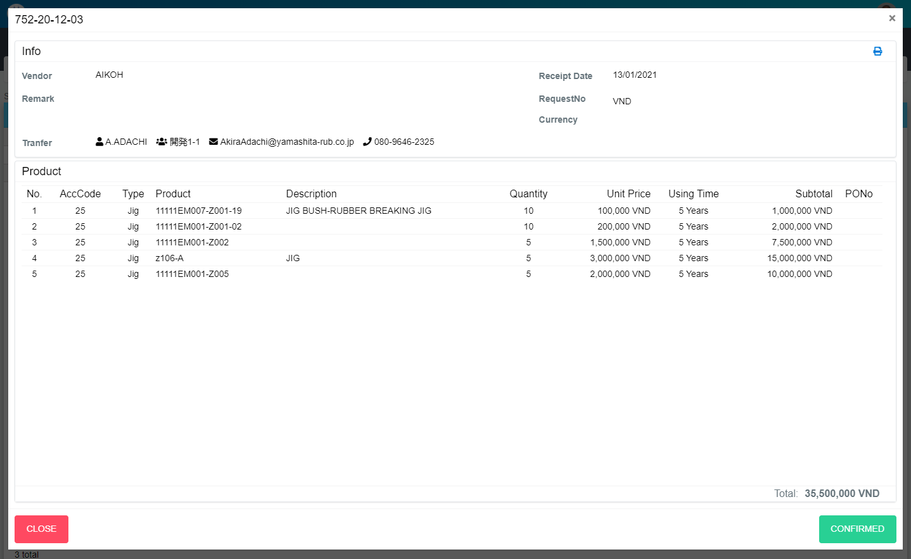
M01
Search name...

M03
IT
M02
M04
M05
SEARCH
M06
M07
Option 1
Option 2

M09
M10
M11
M12
M13
M08
Checkbox 1
Checkbox 2
V

M14
M15
M16
M17
M18
M21
M22
M23
M24
Naming Rule:
- Controls of Main Screen: M01, M02, M03...
- Controls of List (Data Table): L01, L02, L03...
M19
M20

M25
M26

M28
M27

 | Main Screen
 | No |  | Item Name |  | Label |  | Item Type | Input Regulation | Tab Index | I/O | Required | Default Text |  | Length | Note
 | M01 |  | - |  | New |  | Label | Cannot Edit | - | O | - | - |  | - | -
 | M02 |  | - |  | Info |  | Label | Cannot Edit | - | O | - | - |  | - | -
 | M03 |  | - |  |  |  | Button | - | - | I | - | - |  | - | Button Print PR
 | M04 |  | - |  | Vendor |  | Label | Cannot Edit | - | O | - | - |  | - | -
 | M05 |  | - |  | Receipt Date |  | Label | Cannot Edit | - | O | - | - |  | - | -
 | M06 |  | - |  | RequestNo |  | Label | Cannot Edit | - | O | - | - |  | - | -
 | M07 |  | - |  | Remark |  | Label | Cannot Edit | - | O | - | - |  | - | -
 | M08 |  | - |  | Currency |  | Label | Cannot Edit | - | O | - | - |  | - | -
 | M09 |  | - |  | Tranfer |  | Label | Cannot Edit | - | O | - | - |  | - | -
 | M10 |  | - |  |  |  | Label | Cannot Edit | - | O | - | - |  | - | Section of receiver
 | M11 |  | - |  |  |  | Label | Cannot Edit | - | O | - | - |  | - | Receiver
 | M12 |  |  |  |  |  | Label | Cannot Edit | - | O | - | - |  | - | Mail of receiver
 | M13 |  |  |  |  |  | Label | Cannot Edit | - | O | - | - |  | - | Phone of receiver
 | M14 |  | - |  | Product |  | Label | Cannot Edit | - | O | - | - |  | - | -
 | M15 |  | - |  | No |  | Label | Cannot Edit | - | O | - | - |  | - | -
 | M16 |  | - |  | AccCode |  | Label | Cannot Edit | - | O | - | - |  | - | -
 | M17 |  | - |  | Type |  | Label | Cannot Edit | - | O | - | - |  | - | -
 | M18 |  | - |  | Product |  | Label | Cannot Edit | - | O | - | - |  | - | -
 | M19 |  | - |  | Description |  | Label | Cannot Edit | - | O | - | - |  | - | -
 | M20 |  | - |  | Quantity |  | Label | Cannot Edit | - | O | - | - |  | - | -
 | M21 |  | - |  | Unit Price |  | Label | Cannot Edit | - | O | - | - |  | - | -
 | M22 |  | - |  | Using Time |  | Label | Cannot Edit | - | O | - | - |  | - | -
 | M23 |  | - |  | Subtotal |  | Label | Cannot Edit | - | O | - | - |  | - | -
 | M24 |  | - |  | PONo |  | Label | Cannot Edit | - | O | - | - |  | - | -
 | M25 |  | - |  | Total |  | Label | Cannot Edit | - | O | - | - |  | - | -
 | M26 |  | - |  |  |  | Label | - | - | O | - | - |  | - | -
 | M27 |  | - |  | CLOSE |  | Button | - | - | O | - | - |  | - | Button Close
 | M28 |  | - |  | CONFIRMED |  | Button | - | - | O | - | - |  | - | Button Confirmed

Event List
Event List |  |  | System Name |  | Sub System Name | Screen ID |  |  | Screen Name |  | Page
 |  |  | Purchase Process Managerment |  | PR Check | PRC002 |  |  | DetailPR

Naming Rule:
- FC: Front end Component
- FS: Front end Service
- BS: Back end Service
- BS: Back en Controller
- Step: 10 unit
 | Front - End
 |  | Event List (Component)
 |  | Event ID |  | Function Name |  |  | Event |  |  | Note
 |  | FC000 |  | ngOnInit |  |  |  |  |  |  |  | FC000
 |  | FC010 |  | onLoadData |  |  |  |  |  |  |  | FC010
 |  | FC020 |  | onLoadPRItemList |  |  |  |  |  |  |  | FC020
 |  | FC030 |  | onConfirm |  |  |  |  |  |  |  | FC030
 |  | FC040 |  | onReturn |  |  |  |  |  |  |  | FC040
 |  | FC050 |  | formatMoney |  |  |  |  |  |  |  | FC050
 |  | FC060 |  | countTotal |  |  |  |  |  |  |  | FC060
 |  | FC070 |  | onPrint |  |  |  |  |  |  |  | FC070
 |  | FC080 |  |  |  |  |  |  |  |  |  | FC080
 |  | FC090 |  |  |  |  |  |  |  |  |  | FC090
 |  | FC100 |  |  |  |  |  |  |  |  |  | FC100
 |  | FC110 |  |  |  |  |  |  |  | - |  | FC110

 |  | Function List (Service)
 |  | Function ID |  | Function Name |  |  |  | Note
 |  | FS000 |  | PRMaster_GetByID |  |  |  |  |  |  |  | FS000
 |  | FS010 |  | PRItem_GetList_ByPR |  |  |  |  |  |  |  | FS010
 |  | FS020 |  | PRMaster_Confirm |  |  |  |  |  |  |  | FS020
 |  | FS030 |  | PRMaster_Return |  |  |  |  |  |  |  | FS030
 |  | FS040 |  |  |  |  |  |  |  |  |  | FS040
 |  | FS050 |  |  |  |  |  |  |  |  |  | FS050
 |  | FS060 |  |  |  |  |  |  |  |  |  | FS060
 |  | FS070 |  |  |  |  |  |  |  |  |  | FS070
 |  | FS080 |  |  |  |  |  |  |  |  |  | FS080
 |  | FS090 |  |  |  |  |  |  |  |  |  | FS090
 |  | FS100 |  |  |  |  |  |  |  |  |  | FS100

 | Back - End
 |  | Function List (Controller)
 |  | Function ID |  | Function Name |  |  |  | Note
 |  | BC000 |  | PRMaster_GetByID |  |  |  |  |  |  |  | BC000
 |  | BC010 |  | PRItem_GetList_ByPR |  |  |  |  |  |  |  | BC010
 |  | BC020 |  | PRMaster_Confirm |  |  |  |  |  |  |  | BC020
 |  | BC030 |  | PRMaster_Return |  |  |  |  |  |  |  | BC030
 |  | BC040 |  |  |  |  |  |  |  |  |  | BC040
 |  | BC050 |  |  |  |  |  |  |  |  |  | BC050
 |  | BC060 |  |  |  |  |  |  |  |  |  | BC060
 |  | BC070 |  |  |  |  |  |  |  |  |  | BC070
 |  | BC080 |  |  |  |  |  |  |  |  |  | BC080
 |  | BC090 |  |  |  |  |  |  |  |  |  | BC090
 |  | BC100 |  |  |  |  |  |  |  |  |  | BC100

 |  | Function List (Service)
 |  | Function ID |  | Function Name |  |  |  | Note
 |  | BS000 |  | PRMaster_GetByID |  |  |  |  |  |  |  | BS000
 |  | BS010 |  | PRItem_GetList_ByPR |  |  |  |  |  |  |  | BS010
 |  | BS020 |  | PRMaster_Confirm |  |  |  |  |  |  |  | BS020
 |  | BS030 |  | PRMaster_Return |  |  |  |  |  |  |  | BS030
 |  | BS040 |  |  |  |  |  |  |  |  |  | BS040
 |  | BS050 |  |  |  |  |  |  |  |  |  | BS050
 |  | BS060 |  |  |  |  |  |  |  |  |  | BS060
 |  | BS070 |  |  |  |  |  |  |  |  |  | BS070
 |  | BS080 |  |  |  |  |  |  |  |  |  | BS080
 |  | BS090 |  |  |  |  |  |  |  |  |  | BS090
 |  | BS100 |  |  |  |  |  |  |  |  |  | BS100

