Screen Design
Screen design |  |  | System Name |  | Sub System Name |  | Screen ID |  |  |  |  | Screen Name |  |  | Page
 |  |  | Purchase Processing Managerment |  | Supplier Check Management |  | SC002~SC003 |  |  |  |  | Add New Supplier Check ~ Update Supplier Check

Naming Rule:
- Controls of Main Screen: M01, M02, M03...
- Controls of List (Data Table): L01, L02, L03...
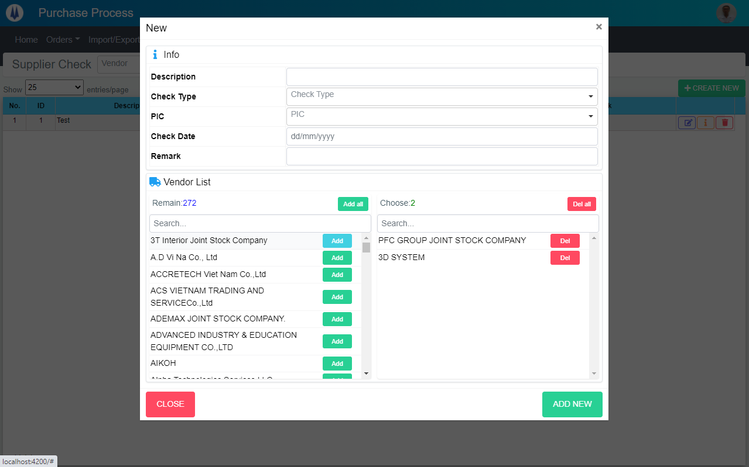
M03
M04
M05
M06
M07
M01
M02
M09
M10
M11
M12
M13
M14
M16
M18
M19
M20

M08

M15
M17

 | Main Screen
 | No | Item Name |  | Label |  | Item Type | Input Regulation | Tab Index | I/O | Required | Default Text |  | Length | Note
 | M01 | - |  | New |  | Label | Cannot Edit | - | O | - | - |  | - | -
 | M02 | - |  | Info |  | Label | Cannot Edit | - | O | - | - |  | - | -
 | M03 | - |  | Description |  | TextBox | FullAndhalf | - | I | - | - |  | - | -
 | M04 | - |  | Check Type |  | ComboBox | - | - | I | - | - |  | - | Choose check type
 | M05 | - |  | PIC |  | ComboBox | - | - | I | - | - |  | - | Choose PIC
 | M06 | - |  | Check Date |  | DateTime | - | - | I | - | - |  | - | -
 | M07 | - |  | Remark |  | TextBox | - | - | I | - | - |  | - | -
 | M08 | - |  | Vendor List |  | Label | Cannot Edit | - | O | - | - |  | - | -
 | M09 | - |  | Remain |  | Label | Cannot Edit | - | O | - | - |  | - | -
 | M10 | - |  | Add all |  | Button | - | - | O | - | - |  | - | Button add all
 | M11 | - |  | Choose |  | Label | Cannot Edit | - | O | - | - |  | - | -
 | M12 | - |  | Del all |  | Button | - | - | O | - | - |  | - | Button del all
 | M13 | - |  |  |  | TextBox | FullAndhalf | - | I | - | - |  | - | Filter vendor in remain list
 | M14 | - |  |  |  | TextBox | FullAndhalf | - | I | - | - |  | - | Filter vendor in choose list
 | M15 | - |  |  |  | List | - | - | O | - | - |  | - | Remain list
 | M16 | - |  |  |  | List | - | - | O | - | - |  | - | Choose list
 | M17 | - |  | Add |  | Button | - | - | O | - | - |  | - | Button add item
 | M18 | - |  | Del |  | Button | - | - | O | - | - |  | - | Button remove item
 | M19 | - |  | CLOSE |  | Button | - | - | O | - | - |  | - | Button Close
 | M20 | - |  | ADD NEW |  | Button | - | - | O | - | - |  | - | Button Add New

Update
M03
M04
M05
M06
M07
M01
M02
M09
M10
M11
M12
M13
M14
M16
M18
M19
M20

M08

M15
M17

UPDATE

 | Main Screen
 | No | Item Name |  | Label |  | Item Type | Input Regulation | Tab Index | I/O | Required | Default Text |  | Length | Note
 | M01 | - |  | Update |  | Label | Cannot Edit | - | O | - | - |  | - | -
 | M02 | - |  | Info |  | Label | Cannot Edit | - | O | - | - |  | - | -
 | M03 | - |  | Description |  | TextBox | FullAndhalf | - | I | - | - |  | - | -
 | M04 | - |  | Check Type |  | ComboBox | - | - | I | - | - |  | - | Choose check type
 | M05 | - |  | PIC |  | ComboBox | - | - | I | - | - |  | - | Choose PIC
 | M06 | - |  | Check Date |  | DateTime | - | - | I | - | - |  | - | -
 | M07 | - |  | Remark |  | TextBox | - | - | I | - | - |  | - | -
 | M08 | - |  | Vendor List |  | Label | Cannot Edit | - | O | - | - |  | - | -
 | M09 | - |  | Remain |  | Label | Cannot Edit | - | O | - | - |  | - | -
 | M10 | - |  | Add all |  | Button | - | - | O | - | - |  | - | Button add all
 | M11 | - |  | Choose |  | Label | Cannot Edit | - | O | - | - |  | - | -
 | M12 | - |  | Del all |  | Button | - | - | O | - | - |  | - | Button del all
 | M13 | - |  |  |  | TextBox | FullAndhalf | - | I | - | - |  | - | Filter vendor in remain list
 | M14 | - |  |  |  | TextBox | FullAndhalf | - | I | - | - |  | - | Filter vendor in choose list
 | M15 | - |  |  |  | List | - | - | O | - | - |  | - | Remain list
 | M16 | - |  |  |  | List | - | - | O | - | - |  | - | Choose list
 | M17 | - |  | Add |  | Button | - | - | O | - | - |  | - | Button add item
 | M18 | - |  | Del |  | Button | - | - | O | - | - |  | - | Button remove item
 | M19 | - |  | CLOSE |  | Button | - | - | O | - | - |  | - | Button Close
 | M20 | - |  | UPDATE |  | Button | - | - | O | - | - |  | - | Button Update

DB Diagram
Detail Function |  | System Name | Sub System Name | Screen ID | Screen Name | Page
 |  | Purchase Processing Managerment | Supplier Check Management | SC002~SC003 | Add New Supplier Check ~ Update Supplier Check

 | Diagram

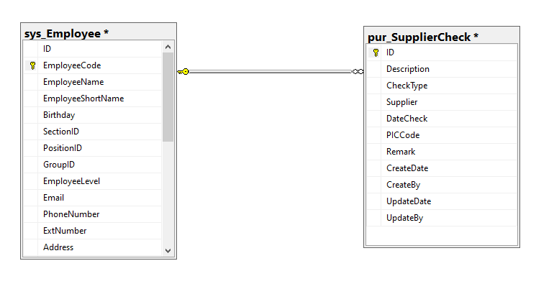

pur_SupplierCheck. PICCode
sys_Employee.EmployeeCode

