Screen Design
Screen design |  |  |  | System Name |  | Sub System Name |  | Screen ID |  |  |  |  | Screen Name |  |  | Page
 |  |  |  | Purchase Processing Managerment |  | Supplier Check Management |  | SC004 |  |  |  |  | Screen Design

 | 1. | Mockup Screen
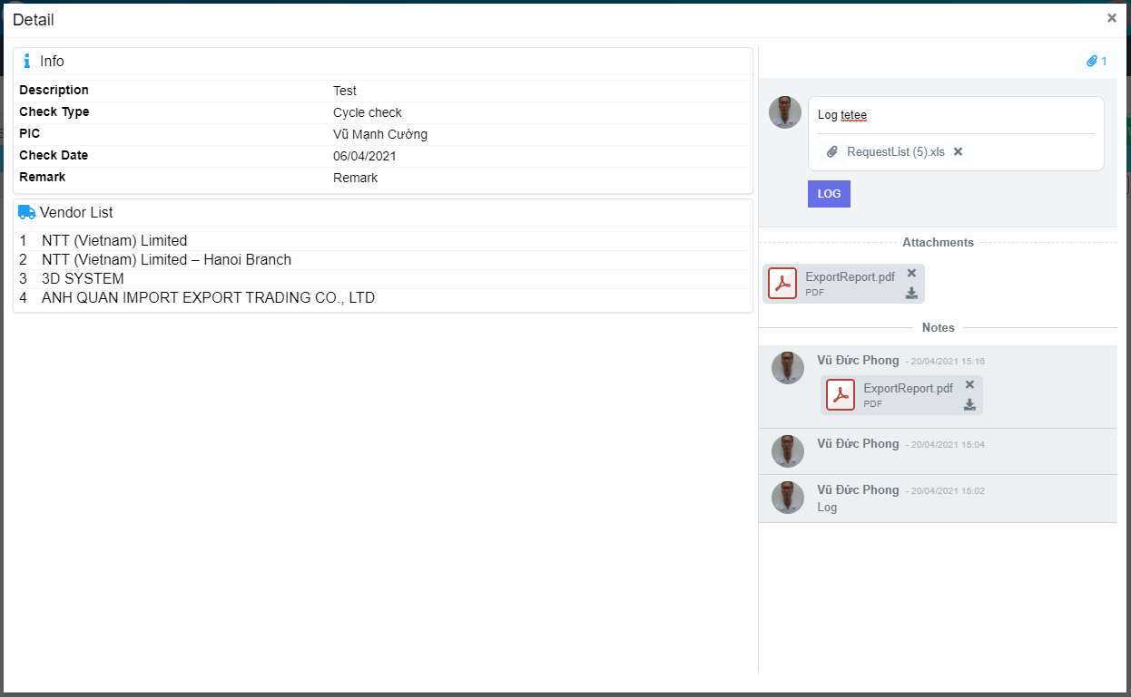
M01
Search name...
M12
M02
IT

M03
SEARCH
M04
M13
Option 1
Option 2
M05
M15
M06
M14
Checkbox 1
Checkbox 2
V
M07
M16
M08
M09
Naming Rule:
- Controls of Main Screen: M01, M02, M03...
- Controls of List (Data Table): L01, L02, L03...
M17

M18
M19

M10
M11
M20

M21
M22

M23

 | Main Screen
 | No |  | Item Name |  | Label |  | Item Type | Input Regulation | Tab Index | I/O | Required | Default Text |  | Length | Note
 | M01 |  | - |  | Detail |  | Label | Cannot Edit | - | O | - | - |  | - | -
 | M02 |  | - |  | Info |  | Label | Cannot Edit | - | O | - | - |  | - | -
 | M03 |  | - |  | Description |  | Label | Cannot Edit | - | O | - | - |  | - | -
 | M04 |  | - |  | Check Type |  | Label | Cannot Edit | - | O | - | - |  | - | -
 | M05 |  | - |  | PIC |  | Label | Cannot Edit | - | O | - | - |  | - | -
 | M06 |  | - |  | Check Date |  | Label | Cannot Edit | - | O | - | - |  | - | -
 | M07 |  | - |  | Remark |  | Label | Cannot Edit | - | O | - | - |  | - | -
 | M08 |  | - |  | Vendor List |  | Label | Cannot Edit | - | O | - | - |  | - | -
 | M09 |  | - |  |  |  | List | Cannot Edit | - | O | - | - |  | - | Vendor list
 | M10 |  | - |  |  |  | Label | Cannot Edit | - | O | - | - |  | - | No.
 | M11 |  | - |  |  |  | Label | Cannot Edit | - | O | - | - |  | - | Vendor name
 | M12 |  | - |  |  |  | Button | - | - | O | - | - |  | - | Button Attachments
 | M13 |  | - |  |  |  | TextBox | - | - | I | - | Log and internal log |  | -
 | M14 |  | - |  |  |  | Button | - | - | O | - | - |  | - | Button attachment file
 | M15 |  | - |  |  |  | Button | - | - | O | - | - |  | - | Button remove attachment file
 | M16 |  | - |  | LOG |  | Button | - | - | O | - | - |  | - | Button log
 | M17 |  | - |  | Attachments |  | Label | Cannot Edit | - | I | - | - |  | - | -
 | M18 |  | - |  | - |  | Button | - | - | O | - | - |  | - | Button delete file
 | M19 |  | - |  | - |  | Button | - | - | O | - | - |  | - | Button download file
 | M20 |  | - |  | Notes |  | Label | - | - | I | - | - |  | - | -
 | M21 |  | - |  | - |  | Label | Cannot Edit | - | I | - | - |  | - | Creater name
 | M22 |  | - |  | - |  | Label | Cannot Edit | - | I | - | - |  | - | Create Date
 | M23 |  | - |  | - |  | Label | Cannot Edit | - | I | - | - |  | - | Comment

DB Diagram
Detail Function |  | System Name | Sub System Name | Screen ID | Screen Name | Page
 |  | Purchase Processing Managerment | Supplier Check Management | SC004 | Detail Supplier Check

 | Diagram

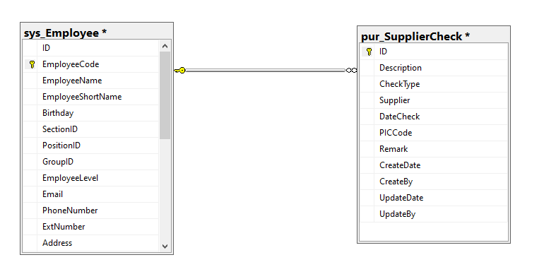

pur_SupplierCheck. PICCode
sys_Employee.EmployeeCode

