Screen Design
Screen design |  |  | System Name |  | Sub System Name |  | Screen ID |  |  |  |  | Screen Name |  |  | Page
 |  |  | Purchase Processing Managerment |  | Tag Management |  | TM001 |  |  |  |  | Tag List

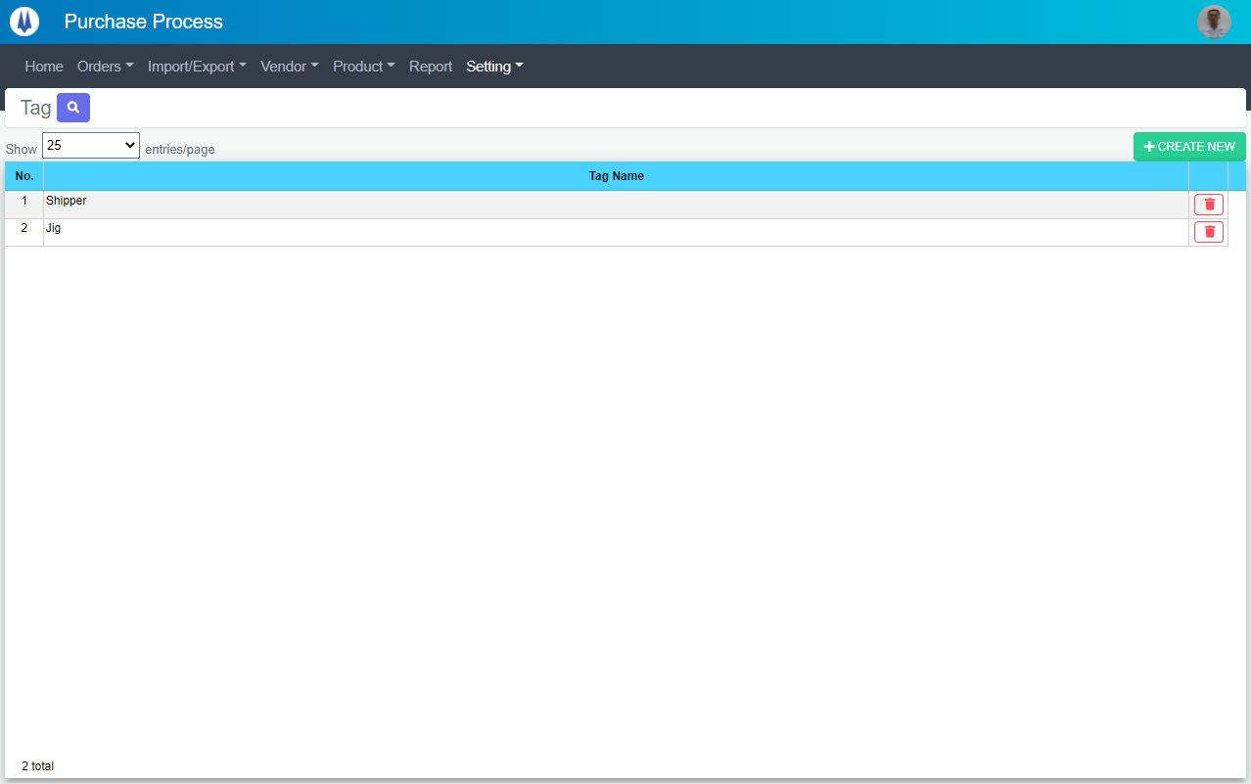
Naming Rule:
- Controls of Main Screen: M01, M02, M03...
- Controls of List (Data Table): L01, L02, L03...

M01
M03
L01
L02
L03
M02

M04

 | Main Screen
 | No | Item Name |  | Label |  | Item Type | Input Regulation | Tab Index | I/O | Required | Default Text |  | Length | Note
 | M01 | - |  | Tag |  | Label | Cannot Edit | - | O | - | - |  | - | -
 | M02 | - |  | Show | entries/page |  | ComboBox | - | - | I | - |  |  | - | -
 | M03 | - |  | + CREATE NEW |  | Button | - | - | O | - |  |  | - | Button Create New
 | M04 | - |  | - |  | List | - | - | O | - | - |  | - | -

 | List Equipment Item
 | No | Item Name |  | Label |  | Item Type | Input Regulation | Tab Index | I/O | Required | Default Value |  | Length | Note
 | L01 | - |  | No. |  | Label | Cannot Edit | - | O | - | - |  | - | -
 | L02 | - |  | Tag Name |  | Label | Cannot Edit | - | O | - | - |  | - | -
 | L03 | - |  | - |  | Button | - | - | O | - | - |  | - | Button Delete

DB Diagram
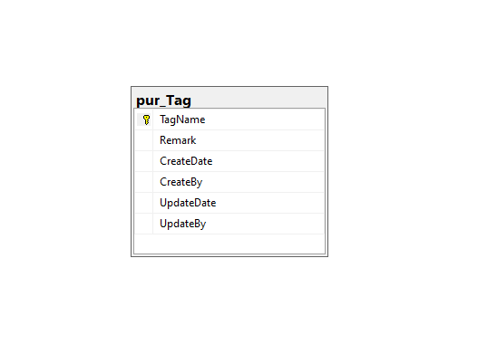
Detail Function |  | System Name | Sub System Name | Screen ID | Screen Name | Page
 |  | Purchase Processing Managerment | Tag Management | TM001 | Tag List

 | Diagram

