(Flow example)
...
 | 書類 (Document)

 | 複数書類 (Documents)

Example
Begin
1. Read File Equipment (Excel)
2. Read File Successfully
2.1. Call Function F010
End
Try
Catch
End Try
4. Close Screen
3. Error Process
2.2. Call Function F020
No
Yes

 |  | 1. | Read file excel
 |  |  | Path: \\Document\Equipment\Equipment.xlsx

Click then refer to sheet F010
 |  | 2. | If read file successfully then
 |  |  | EquipmentDataTable = Content of Equipment File
 |  |  | 2.1. |  | Call function F010 - Insert Equipment
 |  |  |  | Call Function F010
 |  |  |  | Class |  | Equipment
 |  |  |  | Method |  | InsertEquipment
 |  |  |  | Parameter |  | Data table | In | EquipmentDataTable (Get from [2])
 |  |  |  | Return |  | -

 |  |  | 2.2. |  | Call function F020 - Open Insert Equipment Screen
 |  |  |  | Call Function F020
 |  |  |  | Class |  | Equipment
 |  |  |  | Method |  | OpenInsertEquipmentScreen
 |  |  |  | Parameter |  | - | - | -
 |  |  |  | Return

 |  | 3. | Error Process
 |  |  | Display error message
 |  |  |  | Background-color message
 |  |  |  | Message Color
 |  |  |  | Message ID
 |  |  |  | Fill up
 |  |  |  | Message Content

 |  | 4. | Close current screen

Screen Design
Screen design |  |  |  | System Name |  | Sub System Name |  | Screen ID |  |  |  |  | Screen Name |  |  | Page
 |  |  |  | Purchase Process Managerment |  | Unit Management |  | U001 |  |  |  |  | Screen Design

Search name...
 | 1. | Mockup Screen
 | 1.1. Main Screen
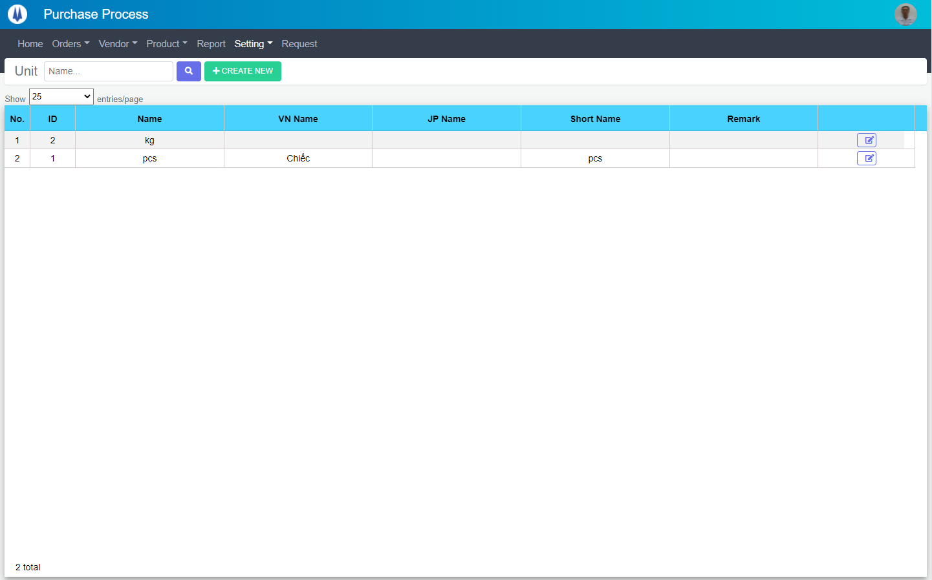
IT
M01
M02
M03
M04
L01
L02
L03
L04
L05
M05
SEARCH
M06
Option 1
Option 2

Checkbox 1
Checkbox 2
V

L06
L07
L08
Naming Rule:
- Controls of Main Screen: M01, M02, M03...
- Controls of List (Data Table): L01, L02, L03...

 | Main Screen
 | No |  | Item Name |  | Label |  | Item Type | Input Regulation | Tab Index | I/O | Required | Default Text |  | Length | Note
 | M01 |  | - |  | Unit |  | Label | Cannot Edit | - | O | - | - |  | - | -
 | M02 |  | - |  | - |  | TextBox | - | - | I | - | Name |  | - | -
 | M03 |  | - |  | - |  | Button | - | - | O | - |  |  | - | Button Search
 | M04 |  | - |  | + CREATE NEW |  | Button | - | - | O | - |  |  | - | Button Create New
 | M05 |  | - |  | Show | entries/page |  | ComboBox | - | - | I | - |  |  | - | -
 | M06 |  | - |  | - |  | List | - | - | O | - | - |  | - | -
...

Event List
Page
...
Naming Rule:
- FC: Front end Component
- FS: Front end Service
- BS: Back end Service
- BS: Back en Controller
- Step: 10 unit
...

FC010
Detail Function |  | System Name |  | Sub System Name |  | Screen ID
 |  | Purchase Process Managerment |  | Unit Management |  | U001

 | Event/Function ID |  | Function Name |  | Event
 | FC010 |  | loadPermission() |  | -

 | Parameter |  |  |  | Type
 | - |  |  |  | -

 | Flow Process |  |  |  |  | Detail Process
Begin
data.IsPer = True
End
Yes
No
1. Call Function CheckPermission
1.1
1.2

 |  |  |  |  |  |  | 1.
...

FC020
...
Event/Function ID | Function Name | Event
FC020 | onLoadData() | Load Data

Parameter |  | Type
paging |  | boolean

Flow Process

Begin
1. paging = True
End
Yes
No
1.1.
3. Set values
2. Call Function Unit_GetAll
...

FC040
...
Event/Function ID | Function Name | Event
FC040 | setPage() | pgPage Click

Parameter |  | Type
pageInfo |  | any

Flow Process |  |  | Detail Process

Begin
1. pageInfo.count != null
End
No
Yes
1.1.
2. Call Function onLoadData (FC020)

 |  |  |  | 1.
...
 |  |  |  | 2.
...

FC080
...
Event/Function ID | Function Name | Event
FC080 | triggerEnter() | Enter Key Press

Parameter |  | Type
event |  | any

Flow Process |  |  | Detail Process

Begin
1. event.key ==
"Enter"
End
No
Yes
1.1. Call Function onLoadData (FC020)

 |  |  |  | 1.
...

FC090
...
Event/Function ID | Function Name | Event
FC090 | openPopupCreate() | btnCreate Click

Parameter |  | Type
template |  | TemplateRef<any>

Flow Process |  |  | Detail Process

Begin
2. 【Global Variable】. hasChanged ==
True
End
No
Yes
2.1.
1. Call Function openModal

 |  |  |  | 1.
...
 |  |  |  | 2.
...

FC100
...
Event/Function ID | Function Name | Event
FC100 | openPopupEdit() | btnUpdate Click

Parameter |  | Type
template |  | TemplateRef<any>
id |  | string

Flow Process |  |  | Detail Process

Begin
3. 【Global Variable】. hasChanged ==
True
End
No
Yes
3.1.
2. Call Function openModal
1. Set ID

 |  |  |  | 1.

 |  |  |  | 2.
...
 |  |  |  | 3.
...

FC110
...
Event/Function ID | Function Name | Event
FC110 | onAcceptBtnModalClick() | After Create, Update or Delete

Parameter |  | Type
data |  | any

Flow Process |  |  | Detail Process

Begin
2. data.ErrorCode
== "00"
End
No
Yes
2.1.
1. Set value

 |  |  |  | 1.

 |  |  |  | 2.
...

FC090-
...
Event/Function ID | Function Name | Event
FC090- | - | -

Parameter |  | Type
selected |  | any

Flow Process |  |  | Detail Process

Begin
3.【For Element】. PackageNo != null
End
No
Yes
3.1. Add PackageNo to List
1. Clear deleteData.ListID
ForEach 【Global Variable】.selected
End For
2. Insert value in array

 |  |  |  | 1.

 |  |  |  | 2.

 |  |  |  | 3.
...

FC100-
...
Event/Function ID | Function Name | Event
FC100- | - | -

Parameter |  | Type
- |  | -

Flow Process |  |  | Detail Process

Begin
No
Yes
1.Display warning message
2. Call Function DeletePackage
Data.ErrorCode != "00"
2.1.
2.2.
End

 |  |  |  | 1. | Display warning message
 |  |  |  |  | Title
 |  |  |  |  | Text
 |  |  |  |  | Type
 |  |  |  |  | Button
...
 |  |  |  | 2. | Call Function packageService.DeletePackage
 |  |  |  |  | Class
 |  |  |  |  | Method
 |  |  |  |  | Parameter
 |  |  |  |  | Return

 |  |  |  |  | 2.1. | If Data.ErrorCode != "00"
 |  |  |  |  |  | Display Message
 |  |  |  |  |  | Text
 |  |  |  |  |  | Type

 |  |  |  |  | 2.2. | If Data.ErrorCode == "00"
 |  |  |  |  |  | Display Message
 |  |  |  |  |  | Text
 |  |  |  |  |  | Type

 |  |  |  |  |  | Call Function onLoadData (FC020)
 |  |  |  |  |  | Class
 |  |  |  |  |  | Method
 |  |  |  |  |  | Parameter
 |  |  |  |  |  | Return

BC010
...
Event/Function ID | Event | Function Name
BC010 | - | Unit_GetAll

Parameter |  | Type
- |  | -

Flow Process |  |  | Detail Process

3. Set Value
Try
Catch
5. Error Process
4. Set Value
Try
Catch
7. Error Process
6. Set Value
8. Set Value
Begin
End
2. Get Parameter
13. Return
1. Init listModel
12. Call Function
GetPackageByPaging

 |  |  |  | 1. | Init listModel
 |  |  |  |  | var listModel = new UnitPagingModel()

 |  |  |  | 2. | Get parameter
 |  |  |  |  | var db = GetParamsFromQueryString()

 |  |  |  | 3. | listModel.Name = db["Name"]

 |  |  |  | 4. | listModel.CurrentPage = int.Parse(db["PageIndex"])

 |  |  |  | 5. | listModel.CurrentPage = 1

 |  |  |  | 6. | listModel.ItemsPerPage = int.Parse(db["ItemsPerPage"])

 |  |  |  | 7. | listModel.ItemsPerPage = 0

 |  |  |  | 8. | Set value
 |  |  |  |  | listModel.SortColumn = db["SortColumn"]
 |  |  |  |  | listModel.SortColumnDir = db["SortColumnDir"]

 |  |  |  | 9. | Call function Unit_GetAll
 |  |  |  |  | Class
 |  |  |  |  | Method
 |  |  |  |  | Parameter
 |  |  |  |  | Return

 |  |  |  | 10. | Return 【9】.UnitPagingModel

BS000
...
Event/Function ID | Event | Function Name
BS000 | - | CheckPermission

Parameter |  | Type
ListID |  | string[]

Flow Process |  |  | Detail Process

3.1.
Begin
End
3. Package == null
Yes
Try
Catch
No
3.2. Remove Item
6. Return data
7. Error Process
ForEach 【Parameter】.ListID
1. Using New
Transaction
2. Get Package by ID
End For
4. Commit Transaction
5. Set Message
 |  |  |  | Table: pro_WorkingProcessPermission

 |  |  |  | 1. | Using New Transaction
 |  |  |  |  | using (var transScope = new TransactionScope())

 |  |  |  | 2. | Get Package by ID
 |  |  |  |  | var item = db.pro_MAT_PackageInfo.Find(ID)

 |  |  |  | 3. | Check Package
 |  |  |  |  | 3.1. |  | If item == null
 |  |  |  |  |  |  | throw new BaseException(Resource.ResourceManager.GetString
 |  |  |  |  |  |  |  | ("M00004", CultureInfo.GetCultureInfo(CommonConst.CULTUREINFO)))
 |  |  |  |  | 3.2. |  | Remove item
 |  |  |  |  |  |  | db.pro_MAT_PackageInfo.Remove(item)
 |  |  |  |  |  |  | db.SaveChanges()

 |  |  |  | 4. | Commit Transaction
 |  |  |  |  | transScope.Complete()

 |  |  |  | 5. | Set Message
 |  |  |  |  | modelReturn.Message = Resource.ResourceManager.GetString
 |  |  |  |  |  | ("M00011", CultureInfo.GetCultureInfo(CommonConst.CULTUREINFO))

 |  |  |  | 6. | Return data
 |  |  |  |  | return modelReturn

 |  |  |  | 7. | Error Process
 |  |  |  |  | var baseEx = ex.GetException()
 |  |  |  |  | modelReturn.ErrorCode = baseEx.ErrorCode
 |  |  |  |  | modelReturn.Message = baseEx.Message
 |  |  |  |  | return modelReturn

BS001
...
Event/Function ID | Event | Function Name
BS001 | - | -

Parameter |  | Type
listModel |  | PackagePagingModel

Flow Process |  |  | Detail Process

2.1.
Begin
End
1. Call View
View_MAT_GetAllPackage
2. Check PackageNo
Yes
Try
Catch
No
3.1.
3. Check TestPlanNo
Yes
No
4.1.
4. Check SortColumn, SortColumnDir
Yes
No
4.2.
5. Set TotalItems
6. Set Data to listModel
7. Return
listModel
8. Error Process
 |  |  |  | Table: pur_Unit

 |  |  |  | 1. | var query = dbContext.pur_Unit.AsQueryable()

 |  |  |  | 2. | If (!string.IsNullOrEmpty(listModel.PackageNo) && listModel.PackageNo != "null")
 |  |  |  |  | 2.1. |  | query = query.Where(x => x.PackageNo.Contains(listModel.PackageNo))

 |  |  |  | 3. | If (!string.IsNullOrEmpty(listModel.TestPlanNo) && listModel.TestPlanNo != "null")
 |  |  |  |  | 3.1. |  | query = query.Where(x => x.TestPlanNo.Contains(listModel.TestPlanNo))

 |  |  |  | 4. | If (!(string.IsNullOrEmpty(listModel.SortColumn) &&
 |  |  |  |  |  | string.IsNullOrEmpty(listModel.SortColumnDir)))
 |  |  |  |  | 4.1. |  | query = query.OrderBy(listModel.SortColumn + " " + listModel.SortColumnDir)
 |  |  |  |  | 4.2. |  | query = query.OrderByDescending(gr => gr.ID)

 |  |  |  | 5. | Set TotalItems
 |  |  |  |  | listModel.TotalItems = query.Count()

 |  |  |  | 6. | Get data from pur_Unit
 |  |  |  |  | Set Data to listModel.

 |  |  |  | 7. | Return listModel

 |  |  |  | 8. | Error Process
 |  |  |  |  | var baseEx = ex.GetException()
 |  |  |  |  | listModel.ErrorCode = baseEx.ErrorCode
 |  |  |  |  | listModel.Message = baseEx.Message
 |  |  |  |  | Return listModel

