(Flow example)
Example |  | System Name |  | Sub System Name |  |  | Screen ID |  |  |  |  |  |  | Screen Name |  |  | Page
 |  | Purchase Process Managerment |  | Vendor Management |  |  | V002-V003 |  |  |  |  |  |  | AddNewVendor-UpdateVendor

 | Flow Symbol |  | Name |  | Description

 |  |  | 開始/終了(Begin / End) |  | フローチャートの最初と最後に使用

 |  |  | 処理 (Process) |  | 計算や代入，入力や出力など

 |  |  | ループの開始 (Start Loop)

 |  |  |  |  |  | ２つの部分からなり、ループの始めと終わりです
 |  |  | ループの終了(Stop Loop)

 |  |  | 判断 (If...Else) |  | 条件によって分岐
 |  |  |  |  | （if文等）

 |  |  | 入出力 (Input / Output)

 |  |  | 関数 (Function / Procedure) |  | 関数の呼び出し処理

 |  |  | Try…Catch
 |  |  |  |  |  | エラーをキャッチする
 |  |  |  |  |  | 3つの部分からなり、Try, CatchとEnd Tryです
 |  |  | End Try

 |  |  | Databases

 |  |  | 書類 (Document)

 |  |  | 複数書類 (Documents)

 | Example
Begin
1. Read File Equipment (Excel)
2. Read File Successfully
2.1. Call Function F010
End
Try
Catch
End Try
4. Close Screen
3. Error Process
2.2. Call Function F020
No
Yes

 |  |  |  |  |  |  |  | 1. | Read file excel
 |  |  |  |  |  |  |  |  | Path: \\Document\Equipment\Equipment.xlsx

Click then refer to sheet F010
 |  |  |  |  |  |  |  | 2. | If read file successfully then
 |  |  |  |  |  |  |  |  | EquipmentDataTable = Content of Equipment File
 |  |  |  |  |  |  |  |  | 2.1. |  | Call function F010 - Insert Equipment
 |  |  |  |  |  |  |  |  |  | Call Function F010
 |  |  |  |  |  |  |  |  |  | Class |  | Equipment
 |  |  |  |  |  |  |  |  |  | Method |  | InsertEquipment
 |  |  |  |  |  |  |  |  |  | Parameter |  | Data table |  |  | In | EquipmentDataTable (Get from [2])
 |  |  |  |  |  |  |  |  |  | Return |  | -

 |  |  |  |  |  |  |  |  | 2.2. |  | Call function F020 - Open Insert Equipment Screen
 |  |  |  |  |  |  |  |  |  | Call Function F020
 |  |  |  |  |  |  |  |  |  | Class |  | Equipment
 |  |  |  |  |  |  |  |  |  | Method |  | OpenInsertEquipmentScreen
 |  |  |  |  |  |  |  |  |  | Parameter |  | - |  |  | - | -
 |  |  |  |  |  |  |  |  |  | Return |  | -

 |  |  |  |  |  |  |  | 3. | Error Process
 |  |  |  |  |  |  |  |  | Display error message
 |  |  |  |  |  |  |  |  |  | Background-color message |  |  | Red
 |  |  |  |  |  |  |  |  |  | Message Color |  |  | White
 |  |  |  |  |  |  |  |  |  | Message ID |  |  | M0001
 |  |  |  |  |  |  |  |  |  | Fill up |  |  | %1＝User Name
 |  |  |  |  |  |  |  |  |  | Message Content |  |  | Hi %1! We are sorry an error has occurred

 |  |  |  |  |  |  |  | 4. | Close current screen

Screen Design
Screen design |  |  |  | System Name |  | Sub System Name |  | Screen ID |  |  |  |  | Screen Name |  |  | Page
 |  |  |  | Purchase Process Managerment |  | Vendor Management |  | V002 |  |  |  |  | Screen Design

 | 1. | Mockup Screen
 | 1.1. Main Screen
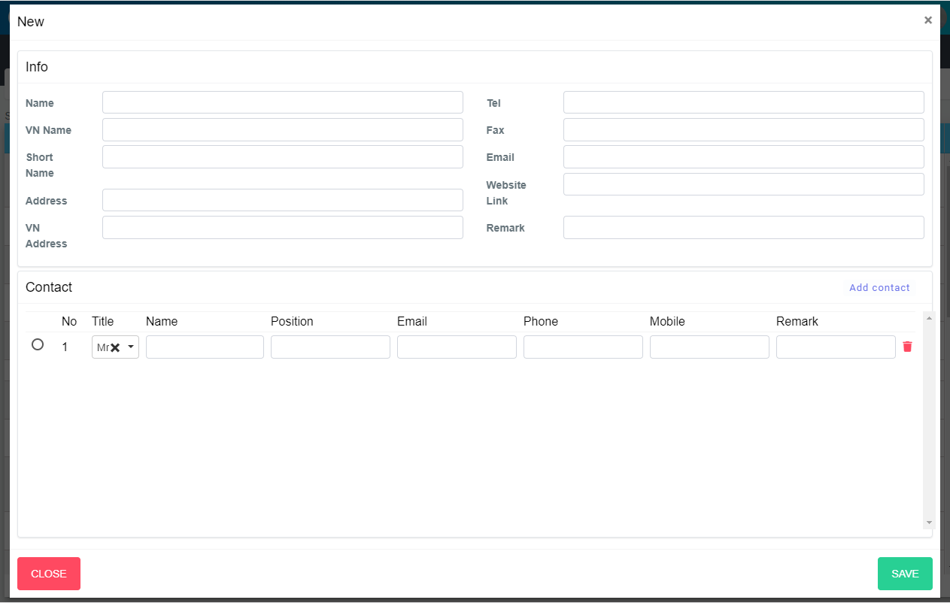
M25
M24
M26
M27
M28
M29
M30
M31
M32
M34
M03
M04
M05
M08
M06
M16
M17
M07
M09
M11
M14
M10
M12
M15
M19
M18
M20
M21
M22
M23
M33
M01
M02
M13
Search name...

IT

SEARCH
Option 1
Option 2

Checkbox 1
Checkbox 2
V

Naming Rule:
- Controls of Main Screen: M01, M02, M03...
- Controls of List (Data Table): L01, L02, L03...

ADD NEW

 | Main Screen
 | No |  | Item Name |  | Label |  | Item Type | Input Regulation | Tab Index | I/O | Required | Default Text |  | Length | Note
 | M01 |  | - |  | New |  | Label | Cannot Edit | - | O | - | - |  | - | -
 | M02 |  | - |  | Info |  | Label | Cannot Edit | - | O | - | - |  | - | -
 | M03 |  | - |  | Name |  | TextBox | FullAndhalf | - | I | O | - |  | - | -
 | M04 |  | - |  | VN Name |  | TextBox | FullAndhalf | - | I | - | - |  | - | -
 | M05 |  | - |  | Short Name |  | TextBox | FullAndhalf | - | I | - | - |  | - | -
 | M06 |  | - |  | Address |  | TextBox | FullAndhalf | - | I | - | - |  | - | -
 | M07 |  | - |  | Vn Address |  | TextBox | FullAndhalf | - | I | - | - |  | - | -
 | M08 |  | - |  | Tel |  | TextBox | HalfOnly | - | I | - | - |  | - | -
 | M09 |  | - |  | Fax |  | TextBox | HalfOnly | - | I | - | - |  | - | -
 | M10 |  | - |  | Email |  | TextBox | HalfOnly | - | I | - | dd/MM/yyyy |  | - | -
 | M11 |  | - |  | Website Link |  | TextBox | HalfOnly | - | I | - | - |  | - | -
 | M12 |  | - |  | Remark |  | TextBox | FullAndhalf | - | I | - | - |  | - | -
 | M13 |  | - |  | Contact |  | Label | Cannot Edit | - | I | - | - |  | - | -
 | M14 |  | - |  | Add contact |  | Button | - | - | I | - | - |  | - | Button Add contact
 | M15 |  | - |  | No |  | Label | Cannot Edit | - | O | - | - |  | - | -
 | M16 |  | - |  | Title |  | Label | Cannot Edit | - | O | - | - |  | - | -
 | M17 |  | - |  | Name |  | Label | Cannot Edit | - | O | - | - |  | - | -
 | M18 |  | - |  | Position |  | Label | Cannot Edit | - | O | - | - |  | - | -
 | M19 |  | - |  | Email |  | Label | Cannot Edit | - | O | - | - |  | - | -
 | M20 |  | - |  | Phone |  | Label | Cannot Edit | - | O | - | - |  | - | -
 | M21 |  | - |  | Mobile |  | Label | Cannot Edit | - | O | - | - |  | - | -
 | M22 |  | - |  | Remark |  | Label | Cannot Edit | - | O | - | - |  | - | -
 | M23 |  | - |  |  |  | RadioButton | - | - | O |  |  |  |  | Choose main contact
 | M24 |  | - |  |  |  | Label | Cannot Edit | - | O
 | M25 |  | - |  |  |  | ComboBox |  | - | I |  |  |  |  | Choose title
 | M26 |  | - |  |  |  | TextBox |  | - | I
 | M27 |  | - |  |  |  | TextBox |  | - | I
 | M28 |  | - |  |  |  | TextBox |  | - | I
 | M29 |  | - |  |  |  | TextBox |  | - | I
 | M30 |  | - |  |  |  | TextBox |  | - | I
 | M31 |  | - |  |  |  | TextBox |  | - | I
 | M32 |  | - |  |  |  | Button | - | - | I |  |  |  |  | Button remove contact
 | M33 |  | - |  | CLOSE |  | Button | - | - | O | - | - |  | - | Button Close
 | M34 |  | - |  | ADD NEW |  | Button | - | - | O | - | - |  | - | Button Save

Event List
Event List |  |  | System Name |  | Sub System Name | Screen ID |  |  | Screen Name |  | Page
 |  |  | Purchase Process Managerment |  | Vendor Management | V002-V003 |  |  | AddNewVendor-UpdateVendor

Naming Rule:
- FC: Front end Component
- FS: Front end Service
- BS: Back end Service
- BS: Back en Controller
- Step: 10 unit
 | Front - End
 |  | Event List (Component)
 |  | Event ID |  | Function Name |  |  | Event |  |  | Note
 |  | FC000 |  | ngOnInit |  |  |  |  |  |  |  | FC000
 |  | FC010 |  | onLoadDataForm |  |  |  |  |  |  |  | FC010
 |  | FC020 |  | onLoadData |  |  |  |  |  |  |  | FC020
 |  | FC030 |  | onLoadContactList |  |  |  |  |  |  |  | FC030
 |  | FC040 |  | acceptBtnModalClicked |  |  |  |  |  |  |  | FC040
 |  | FC050 |  | onCreateContactItem |  |  |  |  |  |  |  | FC050
 |  | FC060 |  | onDeleteContactItem |  |  |  |  |  |  |  | FC060
 |  | FC070 |  |  |  |  |  |  |  |  |  | FC070
 |  | FC080 |  |  |  |  |  |  |  |  |  | FC080
 |  | FC090 |  |  |  |  |  |  |  |  |  | FC090
 |  | FC100 |  |  |  |  |  |  |  |  |  | FC100
 |  | FC110 |  |  |  |  |  |  |  | - |  | FC110

 |  | Function List (Service)
 |  | Function ID |  | Function Name |  |  |  | Note
 |  | FS000 |  | DataForm_SupplierCreate |  |  |  |  |  |  |  | FS000
 |  | FS010 |  | Supplier_GetByID |  |  |  |  |  |  |  | FS010
 |  | FS020 |  | Supplier_Create |  |  |  |  |  |  |  | FS020
 |  | FS030 |  | Contact_GetList |  |  |  |  |  |  |  | FS030
 |  | FS040 |  | Supplier_Edit |  |  |  |  |  |  |  | FS040
 |  | FS050 |  |  |  |  |  |  |  |  |  | FS050
 |  | FS060 |  |  |  |  |  |  |  |  |  | FS060
 |  | FS070 |  |  |  |  |  |  |  |  |  | FS070
 |  | FS080 |  |  |  |  |  |  |  |  |  | FS080
 |  | FS090 |  |  |  |  |  |  |  |  |  | FS090
 |  | FS100 |  |  |  |  |  |  |  |  |  | FS100

 | Back - End
 |  | Function List (Controller)
 |  | Function ID |  | Function Name |  |  |  | Note
 |  | BC000 |  | GetDataFormSupplierCreate |  |  |  |  |  |  |  | BC000
 |  | BC010 |  | Supplier_GetByID |  |  |  |  |  |  |  | BC010
 |  | BC020 |  | Supplier_Create |  |  |  |  |  |  |  | BC020
 |  | BC030 |  | Contact_GetList |  |  |  |  |  |  |  | BC030
 |  | BC040 |  | Contact_Edit |  |  |  |  |  |  |  | BC040
 |  | BC050 |  |  |  |  |  |  |  |  |  | BC050
 |  | BC060 |  |  |  |  |  |  |  |  |  | BC060
 |  | BC070 |  |  |  |  |  |  |  |  |  | BC070
 |  | BC080 |  |  |  |  |  |  |  |  |  | BC080
 |  | BC090 |  |  |  |  |  |  |  |  |  | BC090
 |  | BC100 |  |  |  |  |  |  |  |  |  | BC100

 |  | Function List (Service)
 |  | Function ID |  | Function Name |  |  |  | Note
 |  | BS000 |  | GetDataFormSupplierCreate |  |  |  |  |  |  |  | BS000
 |  | BS010 |  | Supplier_GetByID |  |  |  |  |  |  |  | BS010
 |  | BS020 |  | Supplier_Create |  |  |  |  |  |  |  | BS020
 |  | BS030 |  | Contact_GetList |  |  |  |  |  |  |  | BS030
 |  | BS040 |  | Contact_Edit |  |  |  |  |  |  |  | BS040
 |  | BS050 |  |  |  |  |  |  |  |  |  | BS050
 |  | BS060 |  |  |  |  |  |  |  |  |  | BS060
 |  | BS070 |  |  |  |  |  |  |  |  |  | BS070
 |  | BS080 |  |  |  |  |  |  |  |  |  | BS080
 |  | BS090 |  |  |  |  |  |  |  |  |  | BS090
 |  | BS100 |  |  |  |  |  |  |  |  |  | BS100

