Screen Design
Screen design |  |  | System Name |  | Sub System Name |  | Screen ID |  |  |  |  | Screen Name |  |  | Page
 |  |  | Purchase Processing Managerment |  | Vendor Claim Management |  | VC001 |  |  |  |  | Vendor Claim List

Naming Rule:
- Controls of Main Screen: M01, M02, M03...
- Controls of List (Data Table): L01, L02, L03...
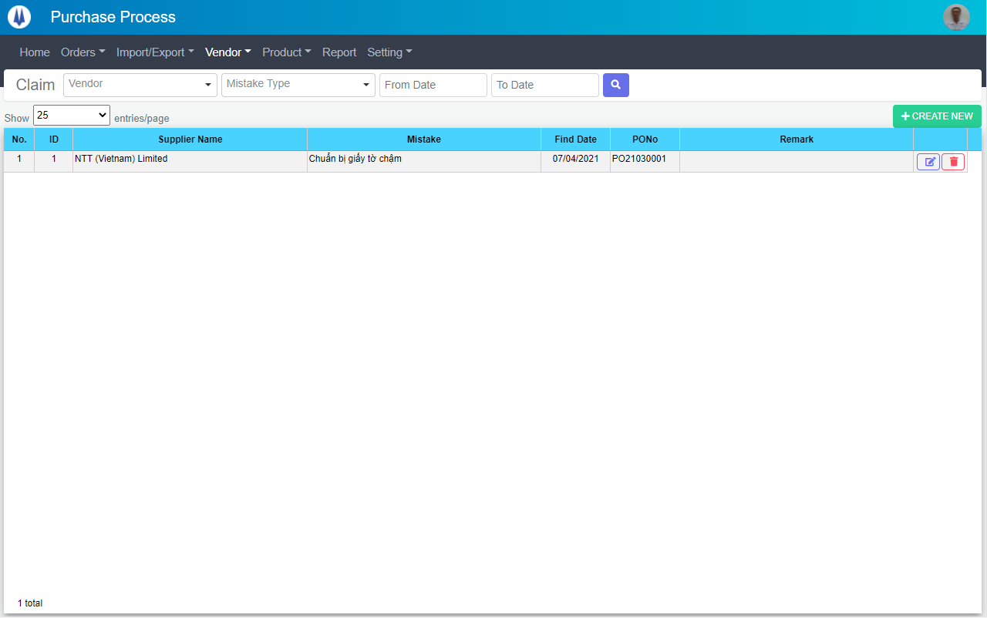
M01
M02
M08
L01
L02
L03
L09
M07
M09
M03
M04
M05
M06
L04
L05
L06
L07
L08

 | Main Screen
 | No | Item Name |  | Label |  | Item Type | Input Regulation | Tab Index | I/O | Required | Default Text |  | Length | Note
 | M01 | - |  | Claim |  | Label | Cannot Edit | - | O | - | - |  | - | -
 | M02 | - |  | Vendor |  | ComboBox | - | - | I | - | - |  | - | -
 | M03 | - |  | Mistake Type |  | ComboBox | - | - | I | - | - |  | - | -
 | M04 | - |  | From Date |  | DateTime | FullAndhalf | - | I | - | - |  | - | -
 | M05 | - |  | To Date |  | DateTime | FullAndhalf | - | I | - | - |  | - | -
 | M06 | - |  | - |  | Button | - | - | O | - | - |  | - | Button Search
 | M07 | - |  | Show | entries/page |  | ComboBox | - | - | I | - | - |  | - | -
 | M08 | - |  | + CREATE NEW |  | Button | - | - | O | - | - |  | - | Button Create New
 | M09 | - |  | - |  | List | - | - | O | - | - |  | - | -

 | List Item
 | No | Item Name |  | Label |  | Item Type | Input Regulation | Tab Index | I/O | Required | Default Value |  | Length | Note
 | L01 | - |  | No. |  | Label | Cannot Edit | - | O | - | - |  | - | -
 | L02 | - |  | ID |  | Label | Cannot Edit | - | O | - | - |  | - | -
 | L03 | - |  | Supplier Name |  | Label | Cannot Edit | - | O | - | - |  | - | -
 | L04 | - |  | Mistake |  | Label | Cannot Edit | - | O | - | - |  | - | -
 | L05 | - |  | Find Date |  | Label | Cannot Edit | - | O | - | - |  | - | -
 | L06 | - |  | PONo |  | Label | Cannot Edit | - | O | - | - |  | - | -
 | L07 | - |  | Remark |  | Label | Cannot Edit | - | O | - | - |  | - | -
 | L08 | - |  | - |  | Button | - | - | O | - | - |  | - | Button Update
 | L09 | - |  | - |  | Button | - | - | O | - | - |  | - | Button Delete

DB Diagram
Detail Function |  | System Name | Sub System Name | Screen ID | Screen Name | Page
 |  | Purchase Processing Managerment | Vendor Claim Management | VC001 | Vendor Claim List

 | Diagram

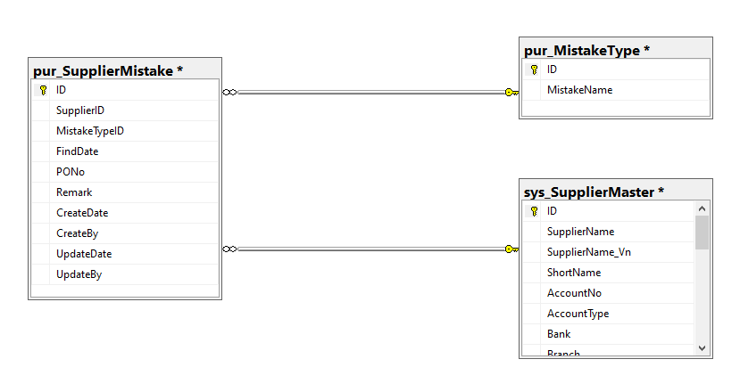

pur_MistakeType. ID
pur_SupplierMistake. MistakeTypeID

sys_SupplierMaster. ID
pur_SupplierMistake. SupplierID

