TE01
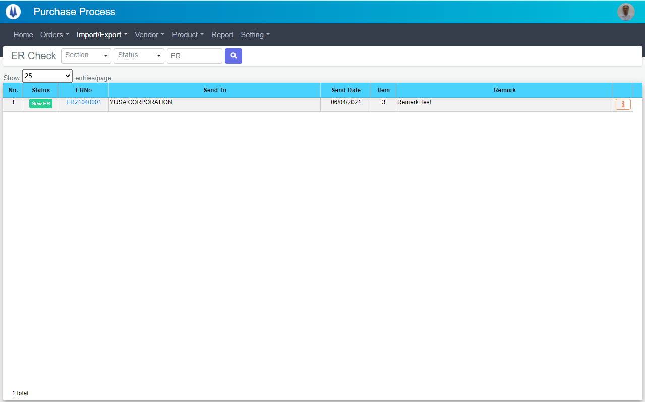
Current Screen
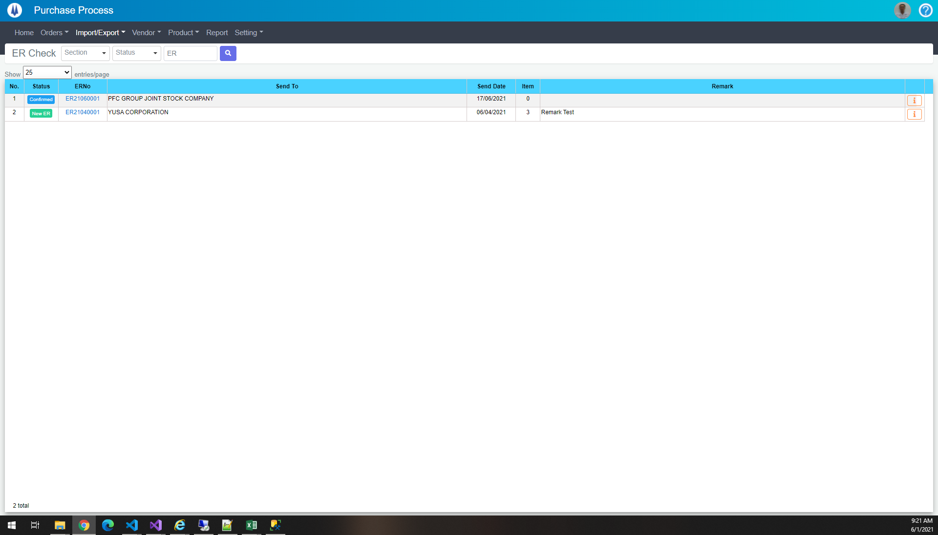

Mockup Screen

TE02
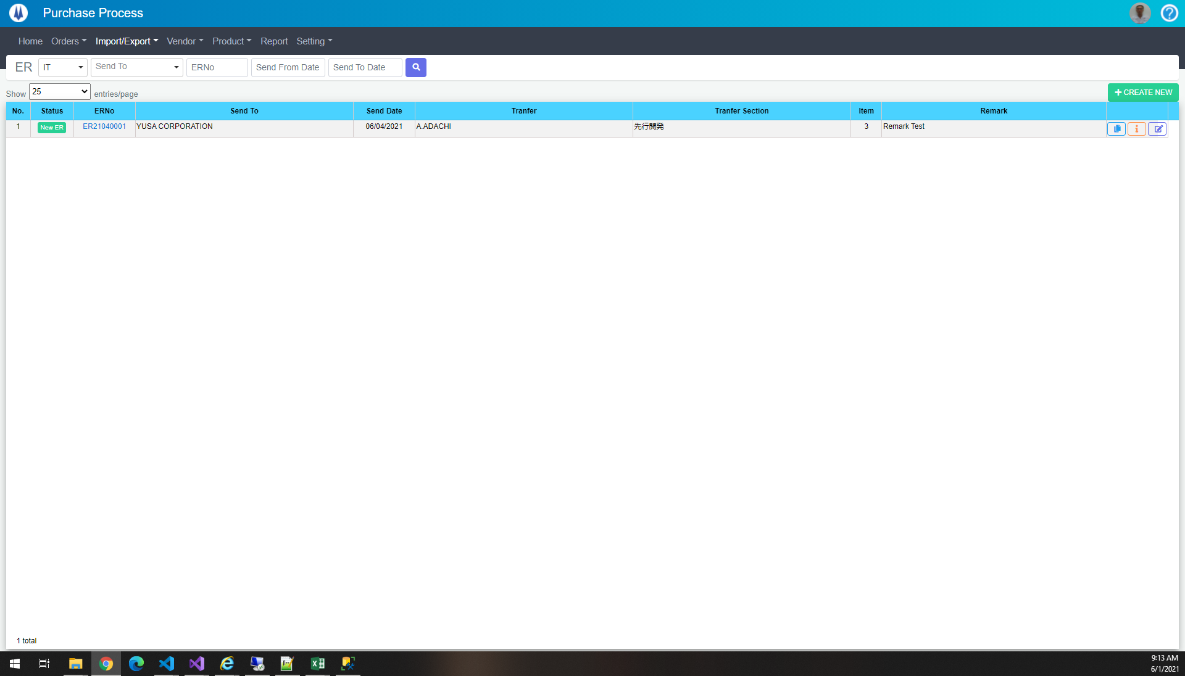

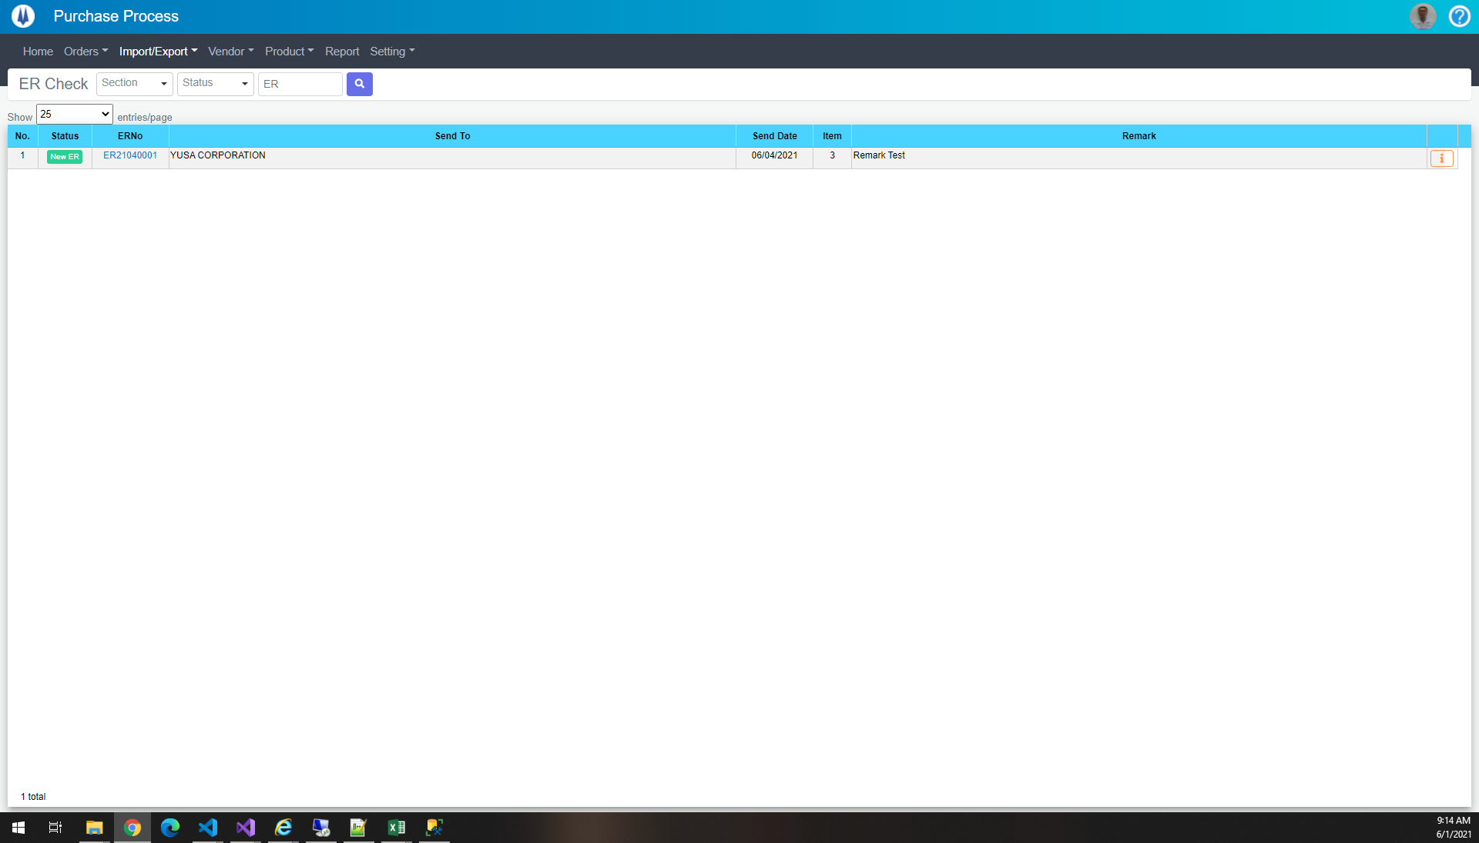

TE03
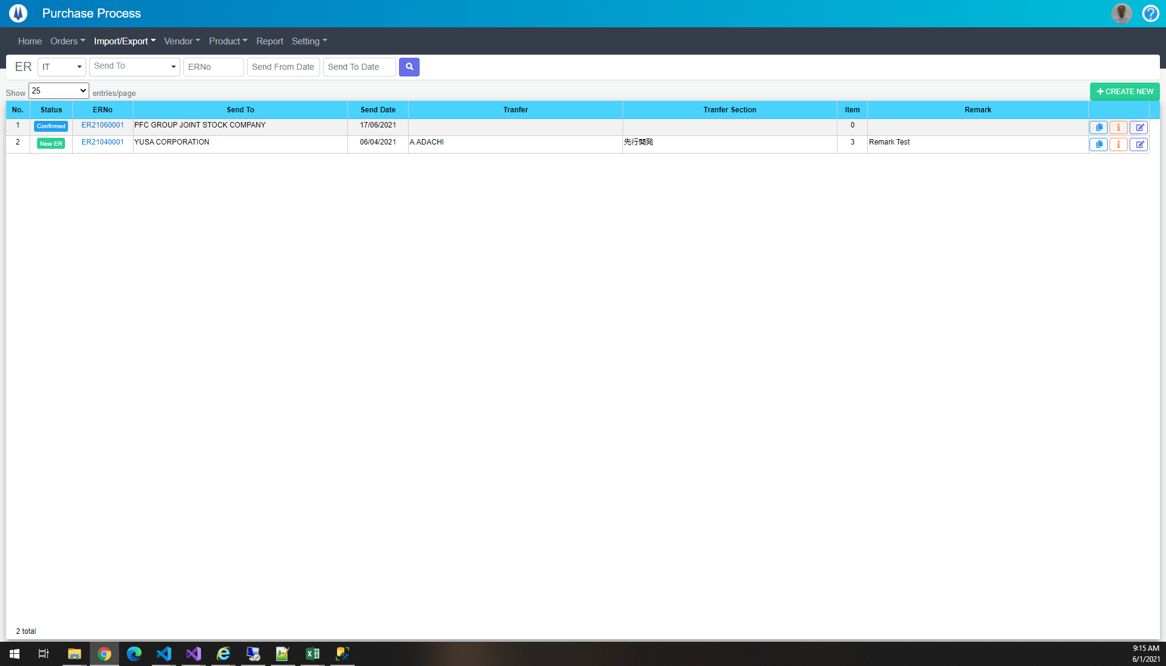



TE04




select *
from pur_ERMaster
where PICGroup = 3 and ERNo = 'ER21040001'

DataBase
ERNo | PICGroup | SupplierID | SendDate | Status | Currency | TranferID | TranferSectionID | ShipmentBy | Purpose | ERType | ShipmentType | PaymentType | TotalWeight | Dimension | Remark | CreateDate | CreateBy | UpdateDate | UpdateBy
ER21040001 | 3 | 183 | 2021-04-06 | 1148 | USD | 1 | 1 | 1 | 2 | 1 | 1900-01-01 00:00:00 | 1 | 1900-01-15 00:00:00 | 450x250x180 | Remark Test | 44308.537636 | 18026 | 44326.449871 | 18026

TE05


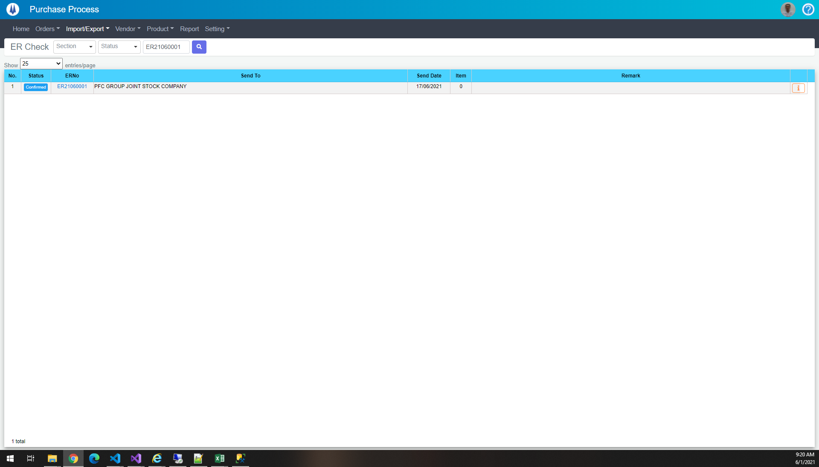

select *
from pur_ERMaster
where ERNo = 'ER21060001'

DataBase
ERNo | PICGroup | SupplierID | SendDate | Status | Currency | TranferID | TranferSectionID | ShipmentBy | Purpose | ERType | ShipmentType | PaymentType | TotalWeight | Dimension | Remark | CreateDate | CreateBy | UpdateDate | UpdateBy
ER21060001 | 3 | 205 | 2021-06-17 | 1149 | VND | NULL | NULL | 1 | 1 | 1 | 1900-01-01 00:00:00 | 1 | NULL | xx | NULL | 44348.385665 | 18026 | NULL | NULL

TE06


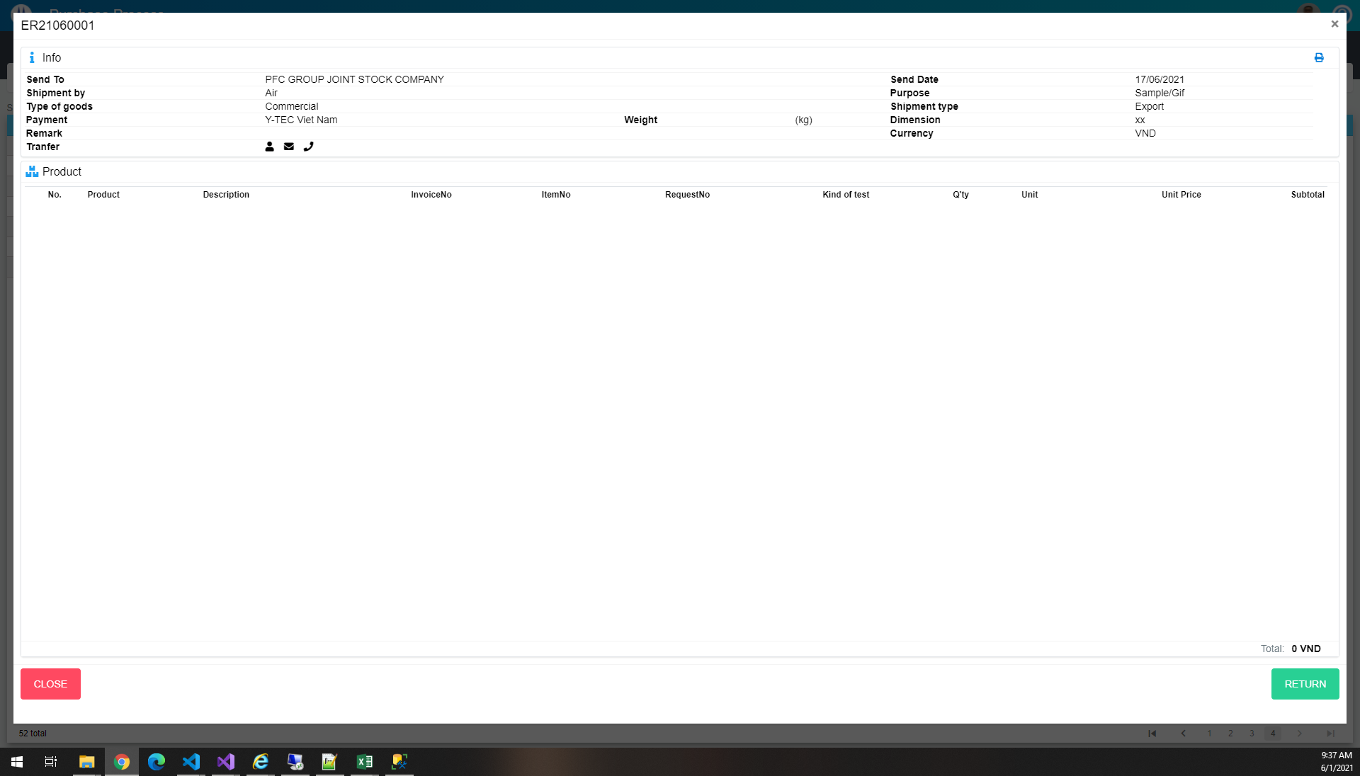

TE07
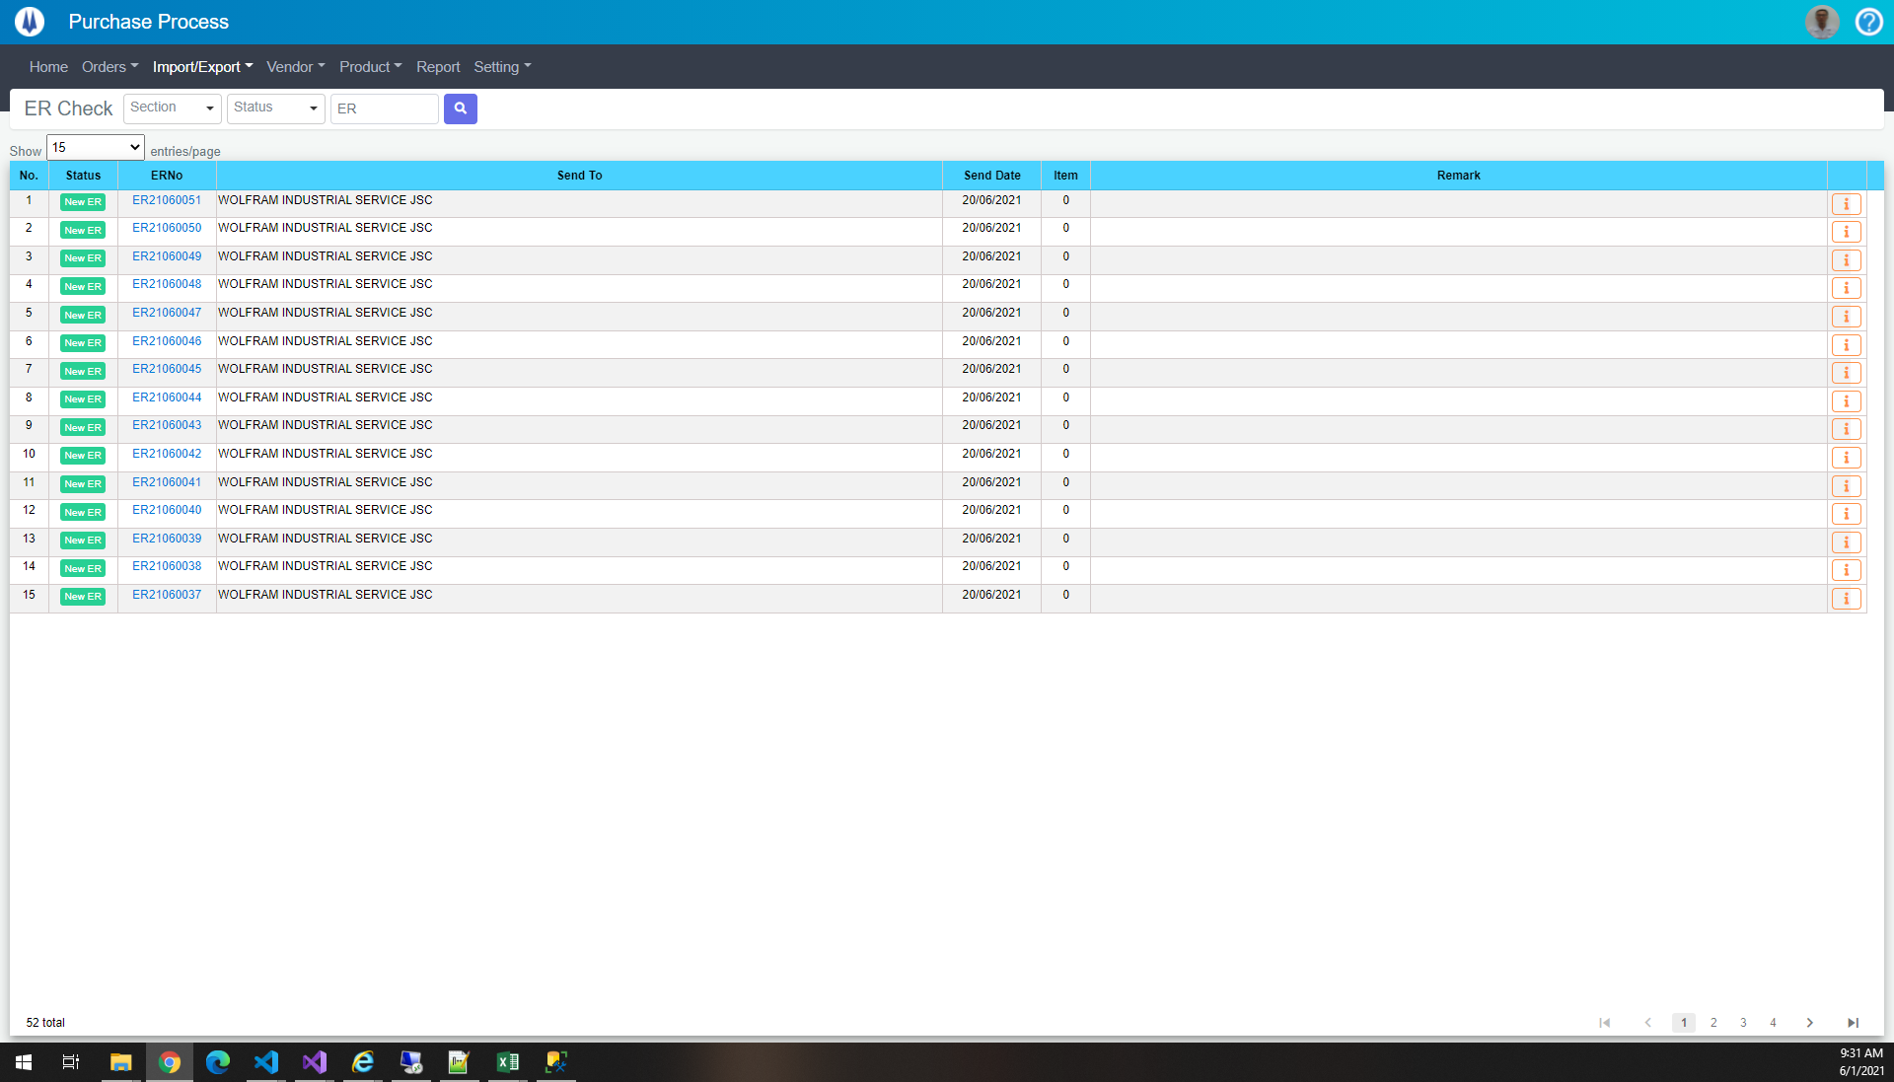

TE08
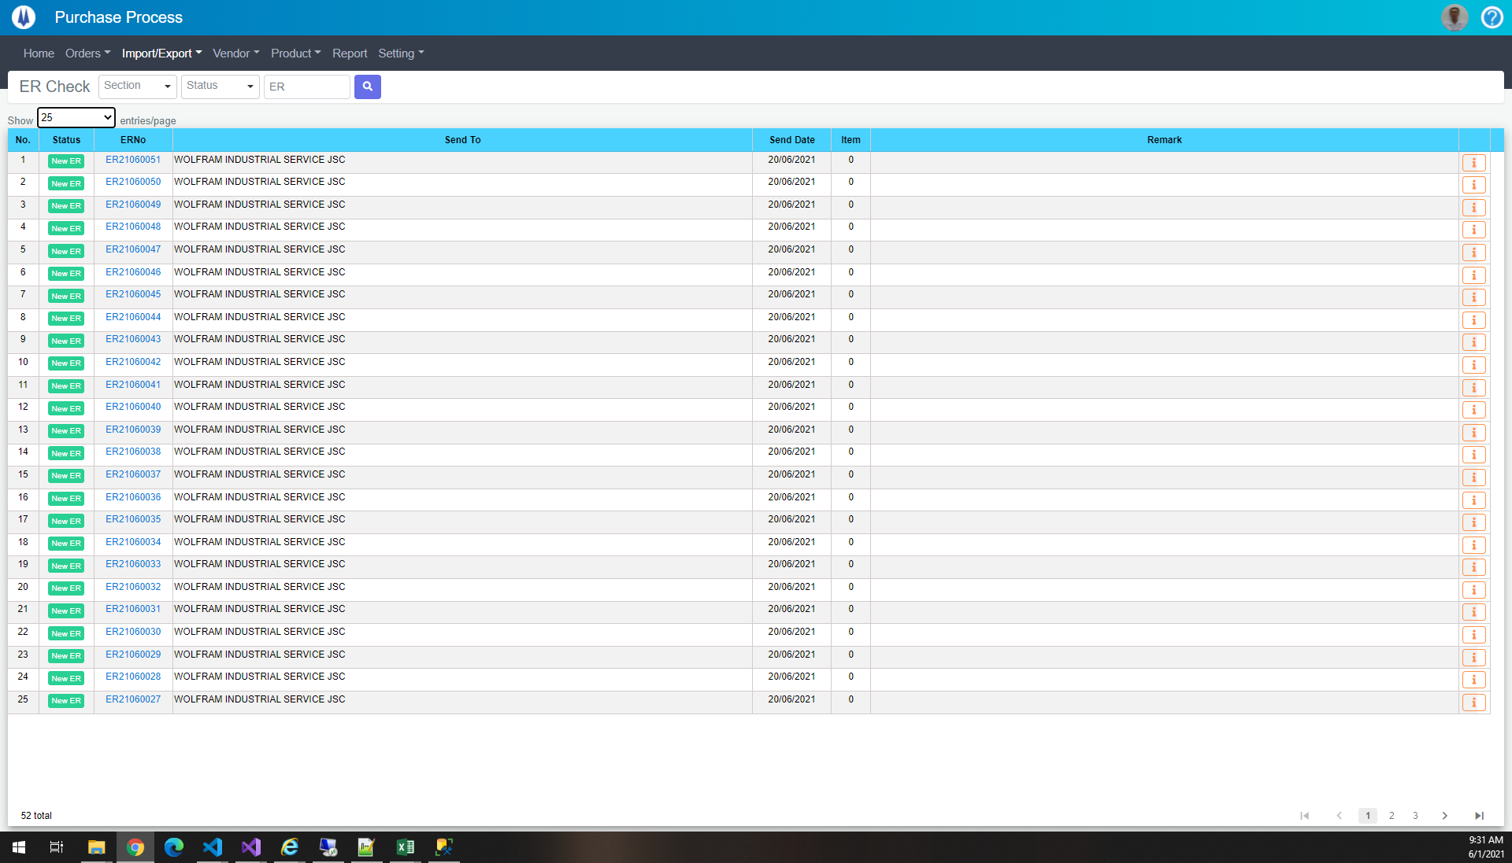

TE09
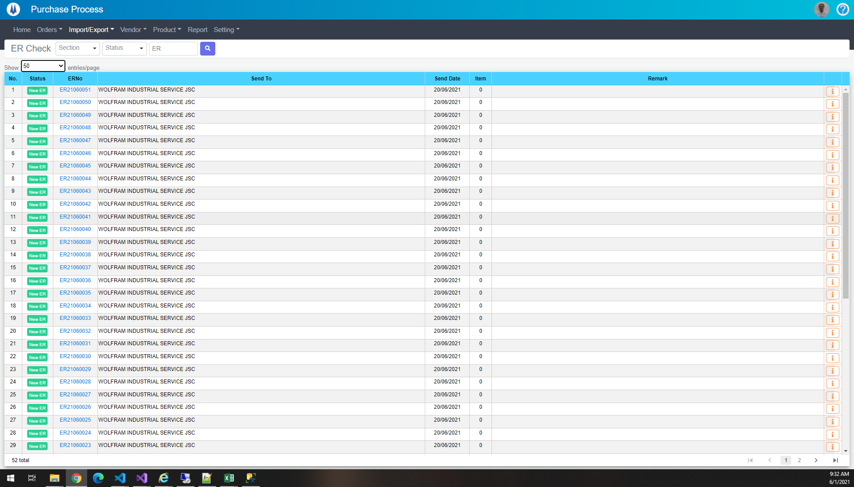

TE10
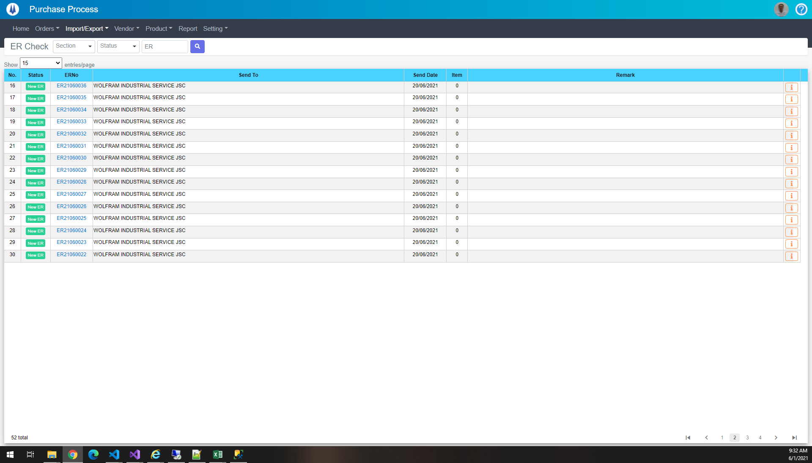

TE11
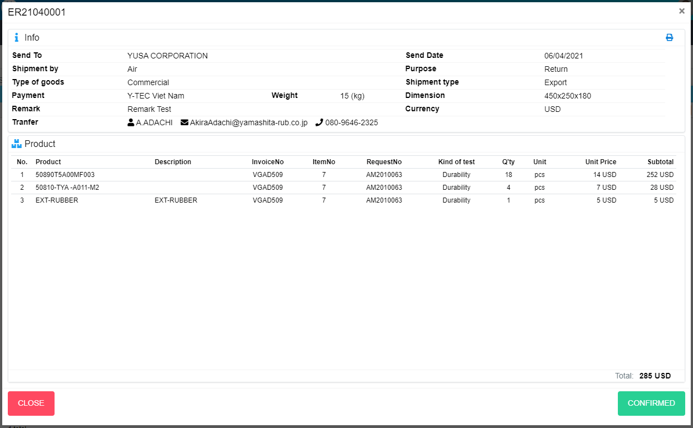
Current Screen

Mockup Screen

TE12
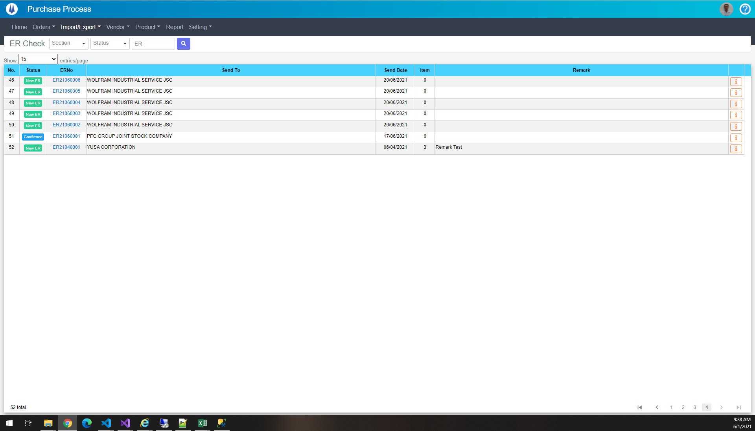

TE13
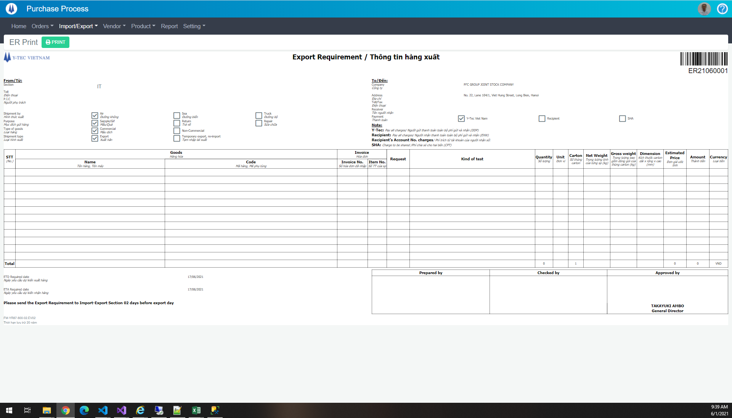

TE14
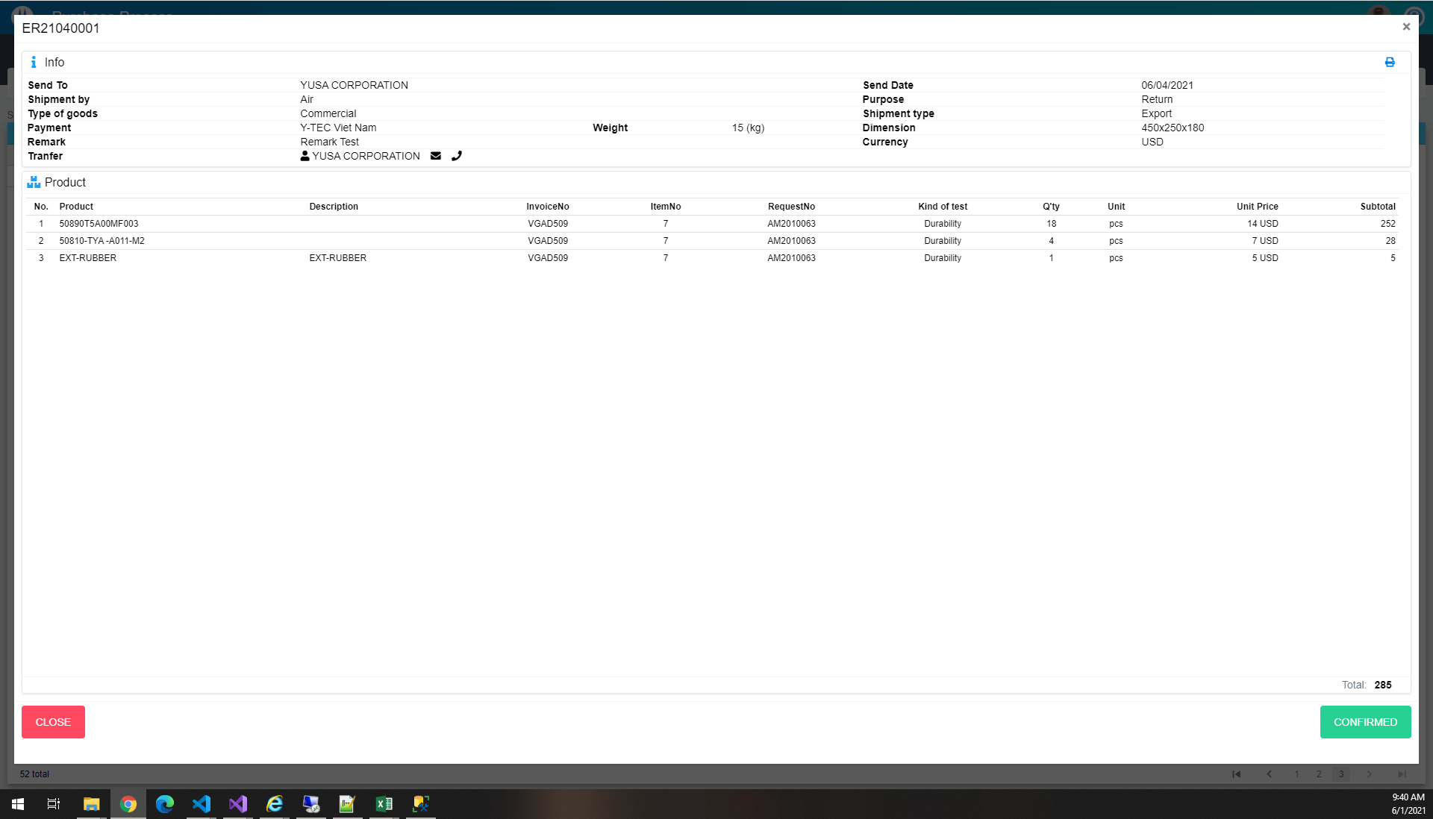

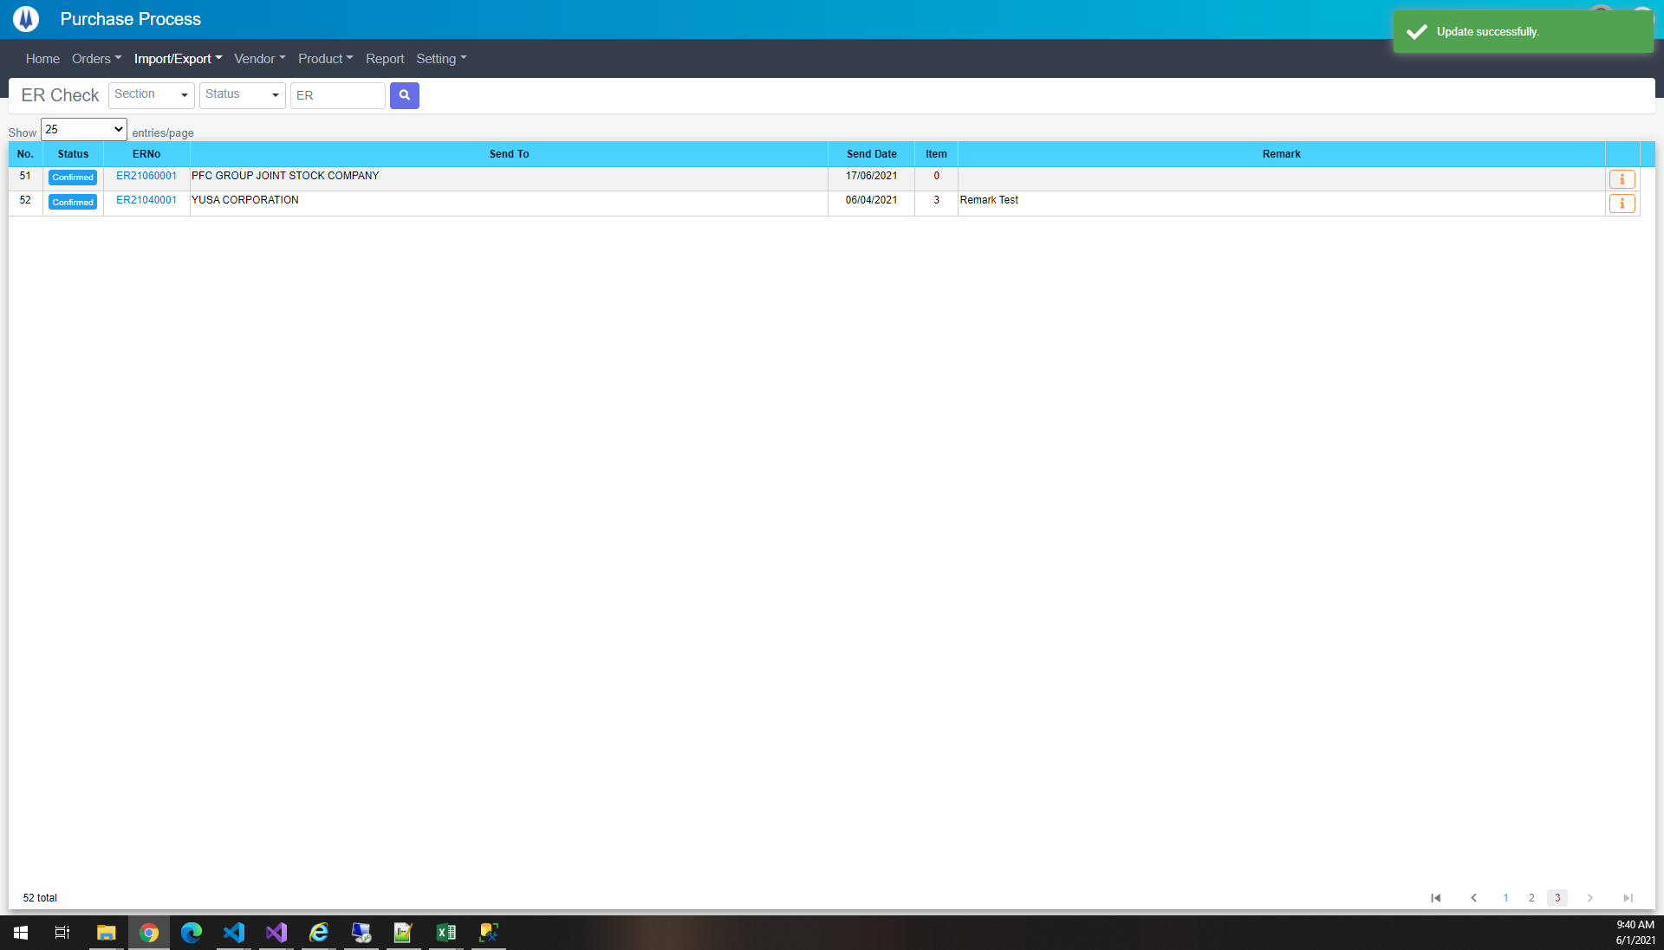

TE15
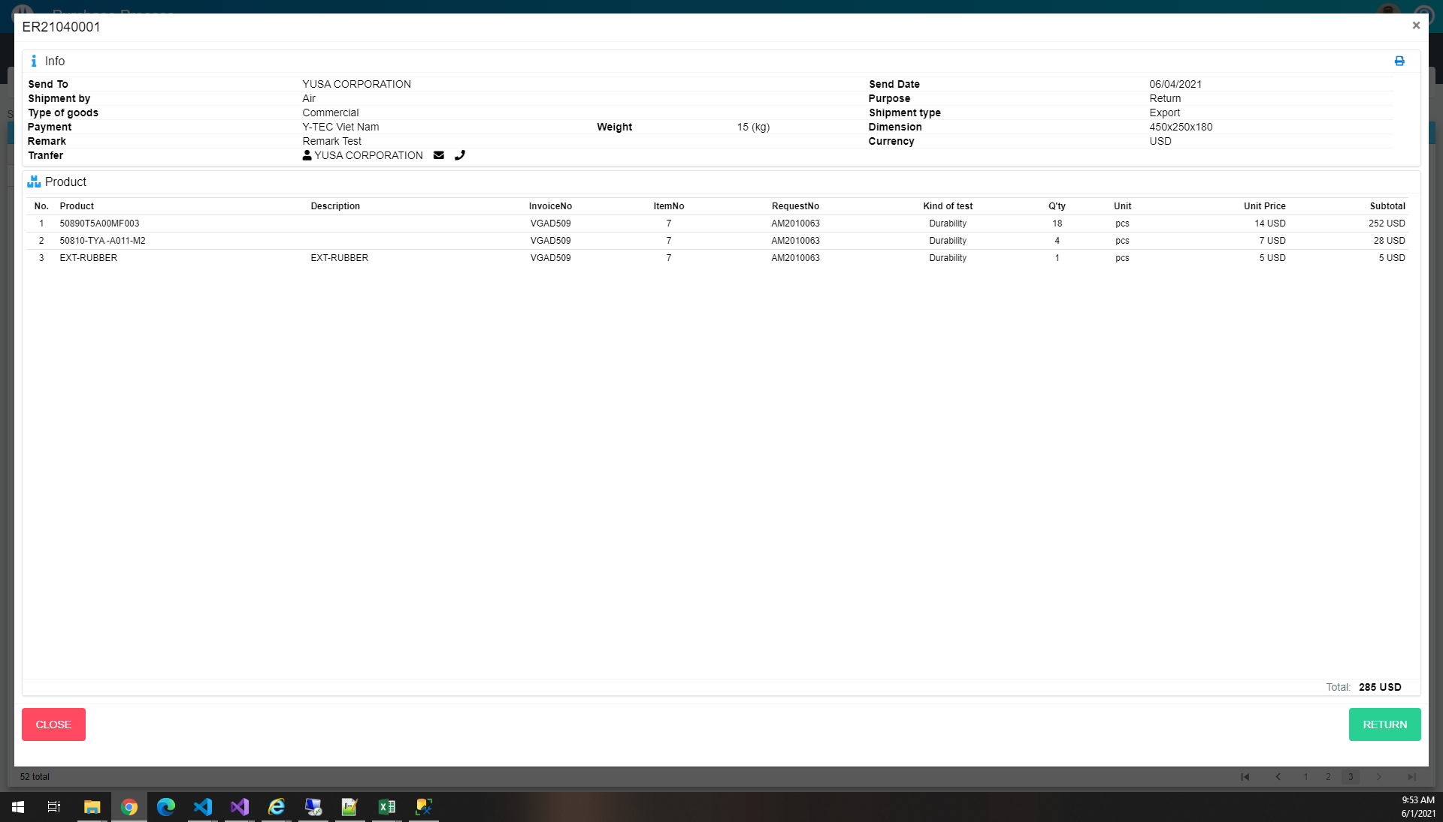

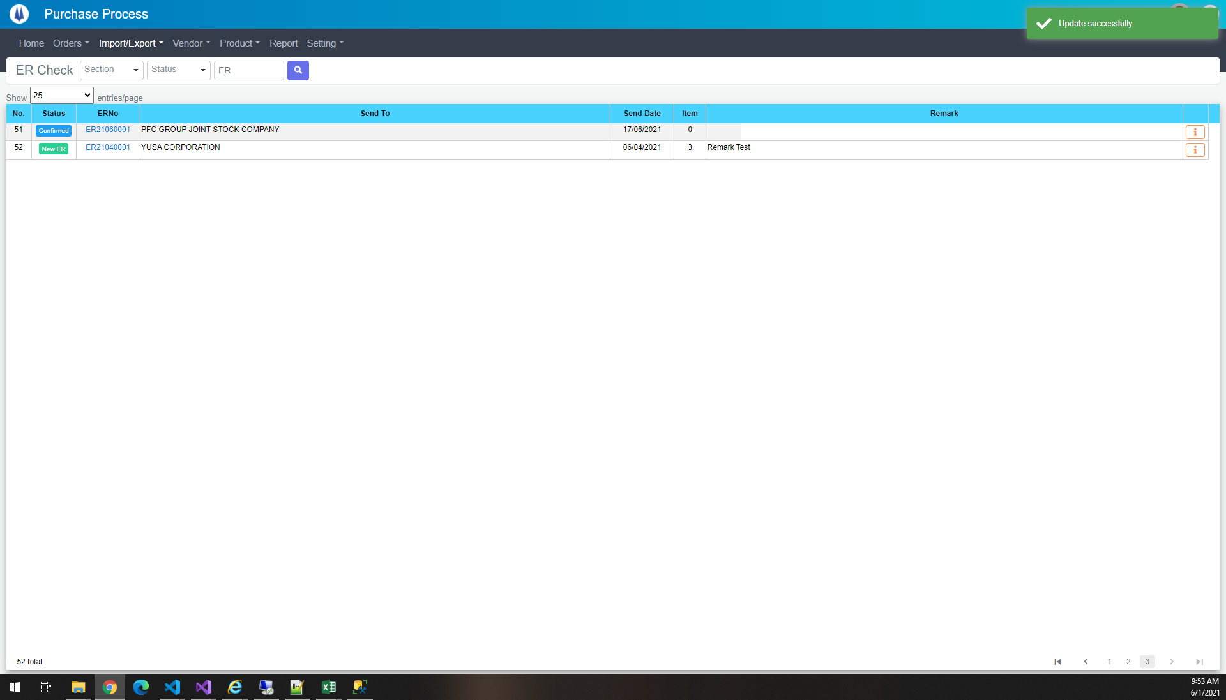

TE16
