TE01
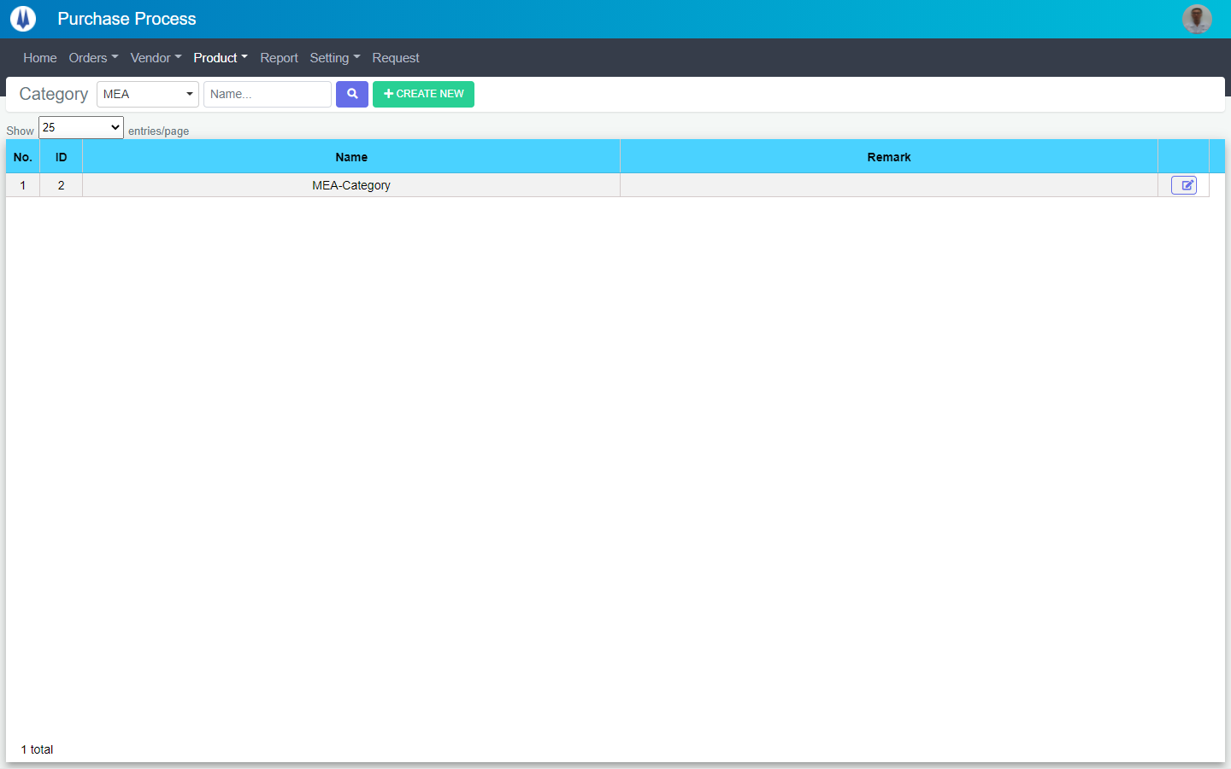
Current Screen
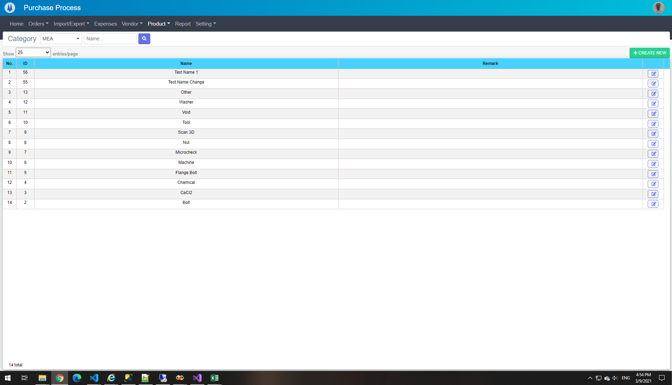

Mockup Screen

TE02
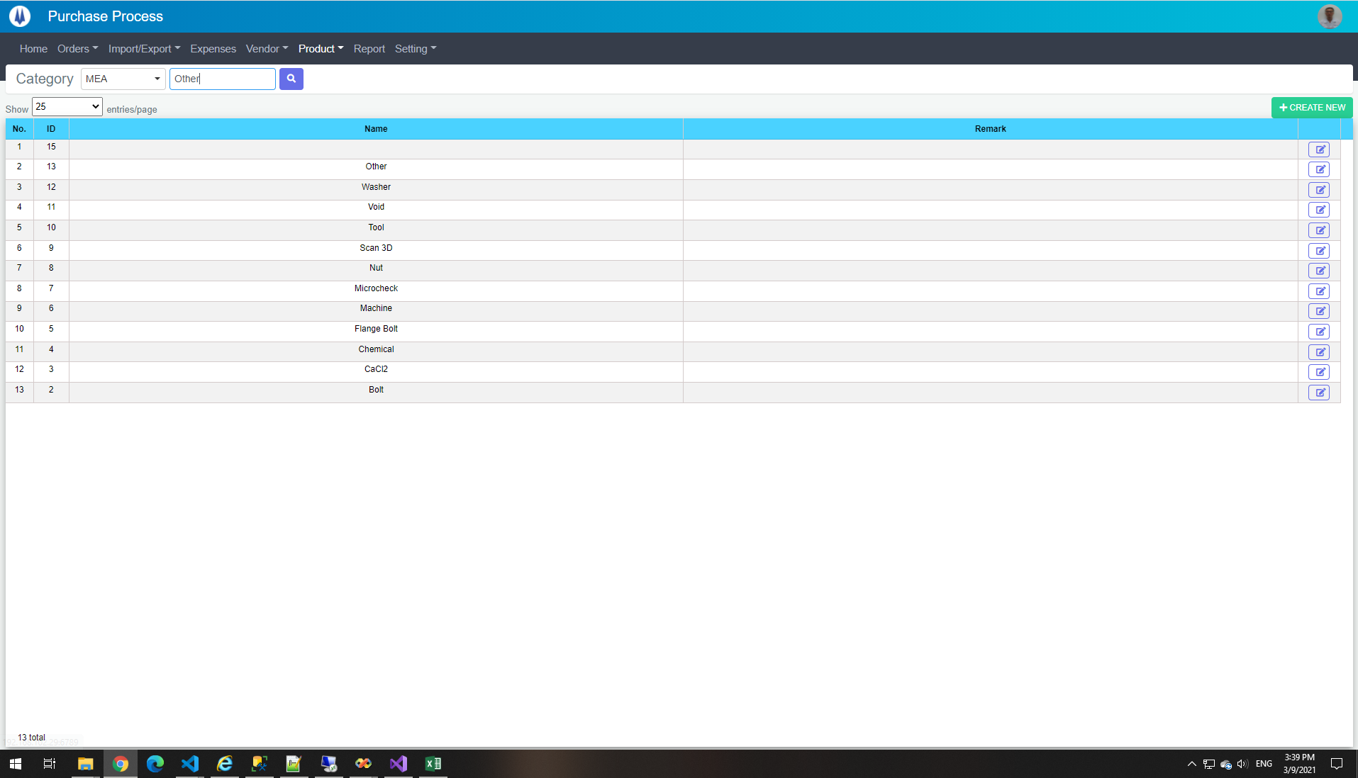

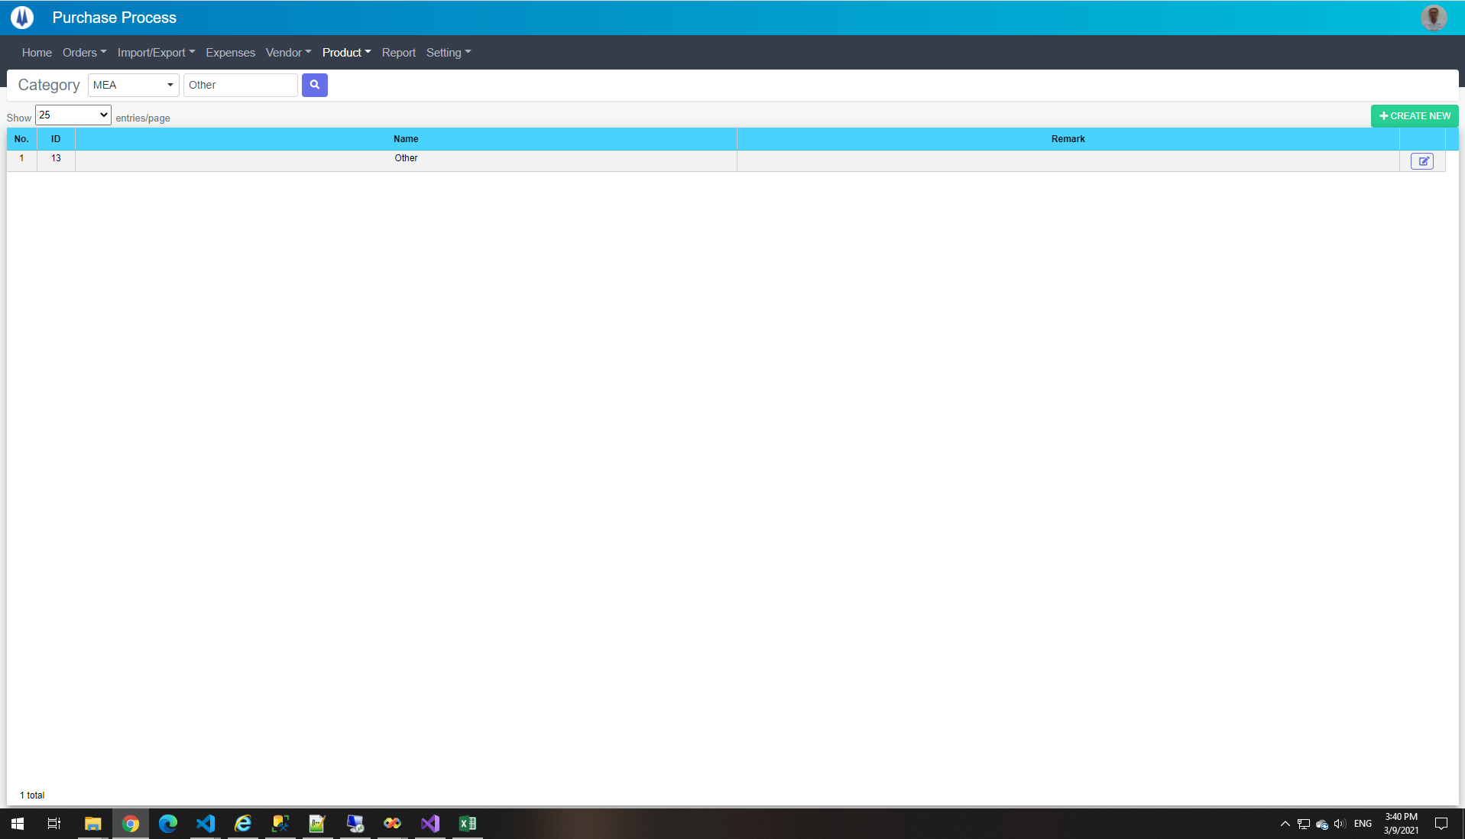

select *
from pur_ProductCategory
where ProductCategoryName like '%Other%' and PICGroupID = 1
Database
ID | PICGroupID | ProductCategoryName | Remark | CreateDate | CreateBy | UpdateDate | UpdateBy
13 | 1 | Other |  | 2021-02-05 08:52:31 | 18026 | NULL | NULL

TE03
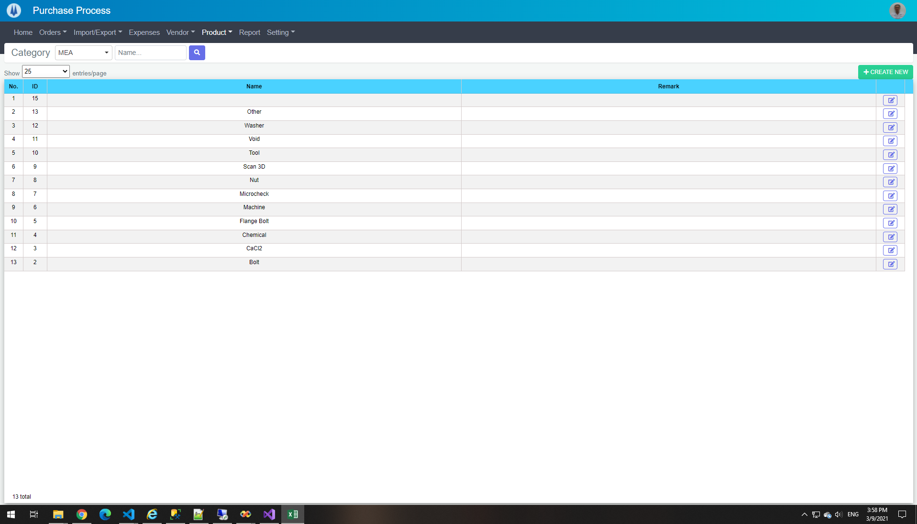

select *
from pur_ProductCategory
where PICGroupID = 1
Database
ID | PICGroupID | ProductCategoryName | Remark | CreateDate | CreateBy | UpdateDate | UpdateBy
2 | 1 | Bolt |  | 2020-11-27 14:00:12 | 18026 | 2021-02-05 16:17:00 | 18026
3 | 1 | CaCl2 |  | 2021-02-05 08:50:54 | 18026 | NULL | NULL
4 | 1 | Chemical |  | 2021-02-05 08:51:04 | 18026 | NULL | NULL
5 | 1 | Flange Bolt |  | 2021-02-05 08:51:21 | 18026 | 2021-02-05 16:16:56 | 18026
6 | 1 | Machine |  | 2021-02-05 08:51:30 | 18026 | NULL | NULL
7 | 1 | Microcheck |  | 2021-02-05 08:51:40 | 18026 | NULL | NULL
8 | 1 | Nut |  | 2021-02-05 08:51:49 | 18026 | NULL | NULL
9 | 1 | Scan 3D |  | 2021-02-05 08:52:01 | 18026 | NULL | NULL
10 | 1 | Tool |  | 2021-02-05 08:52:09 | 18026 | NULL | NULL
11 | 1 | Void |  | 2021-02-05 08:52:17 | 18026 | NULL | NULL
12 | 1 | Washer |  | 2021-02-05 08:52:27 | 18026 | NULL | NULL
13 | 1 | Other |  | 2021-02-05 08:52:31 | 18026 | NULL | NULL
15 | 1 |  |  | 2021-03-09 11:15:04 | 20012 | NULL | NULL

TE04
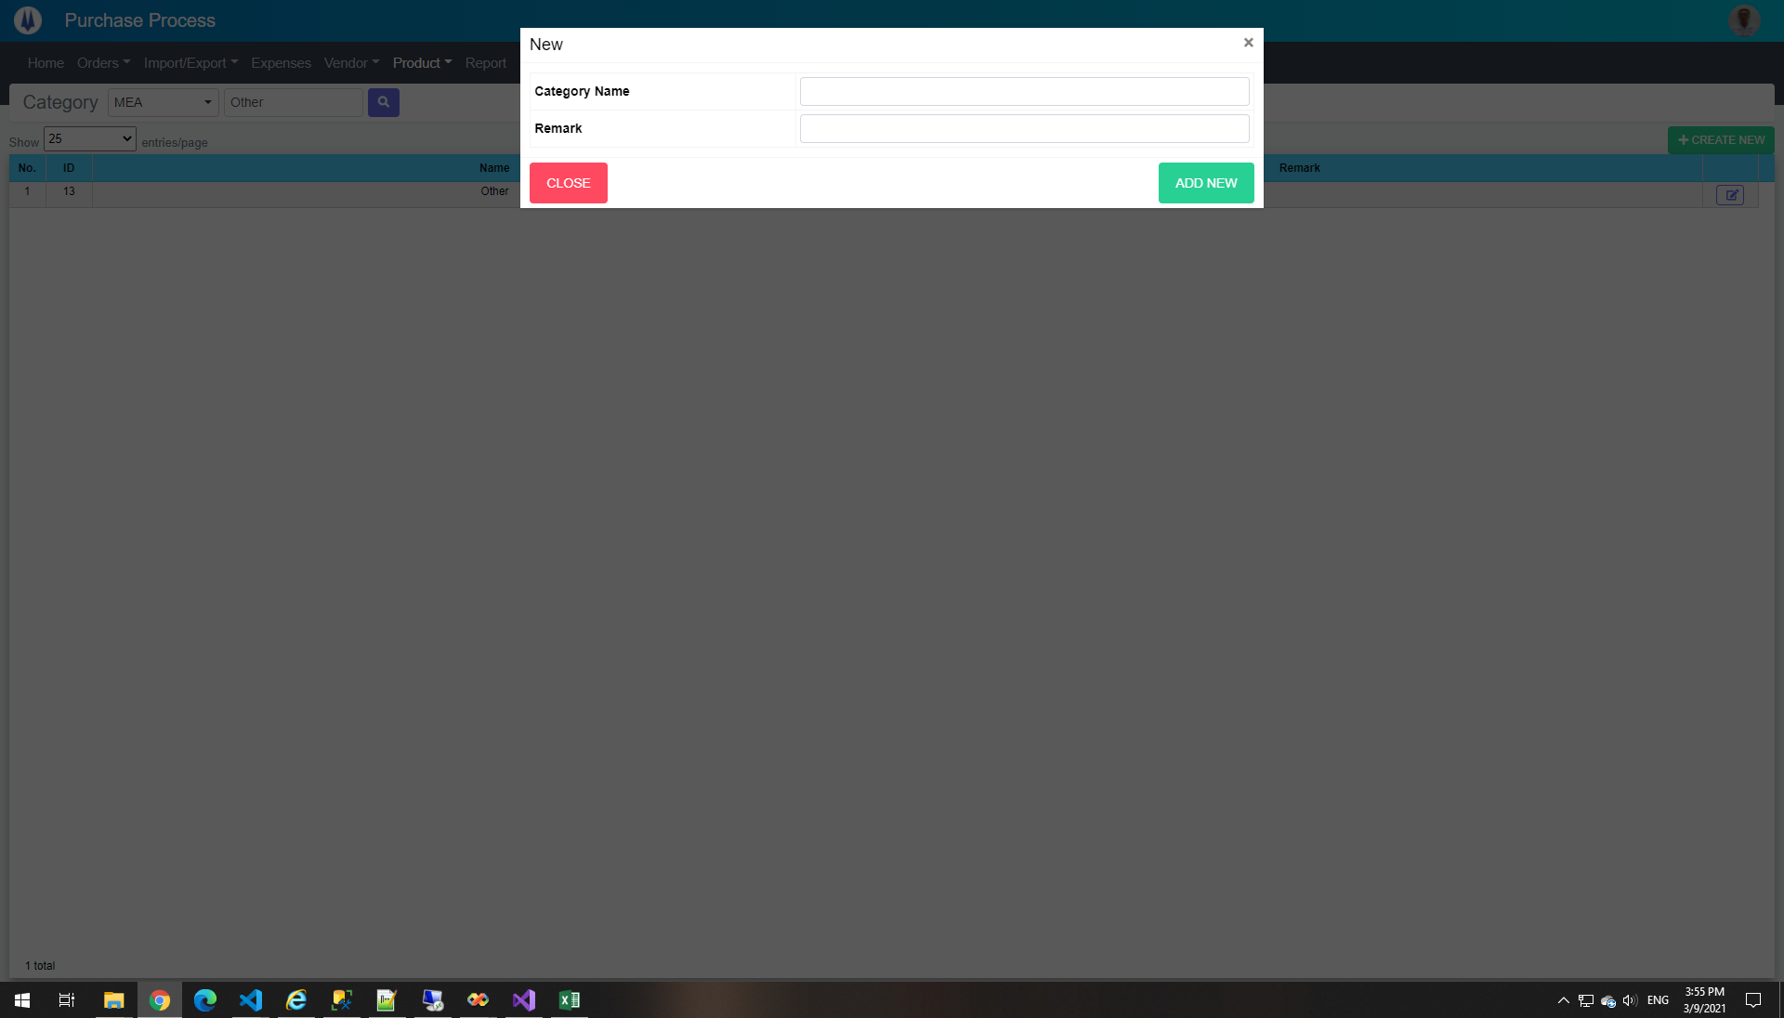

TE05
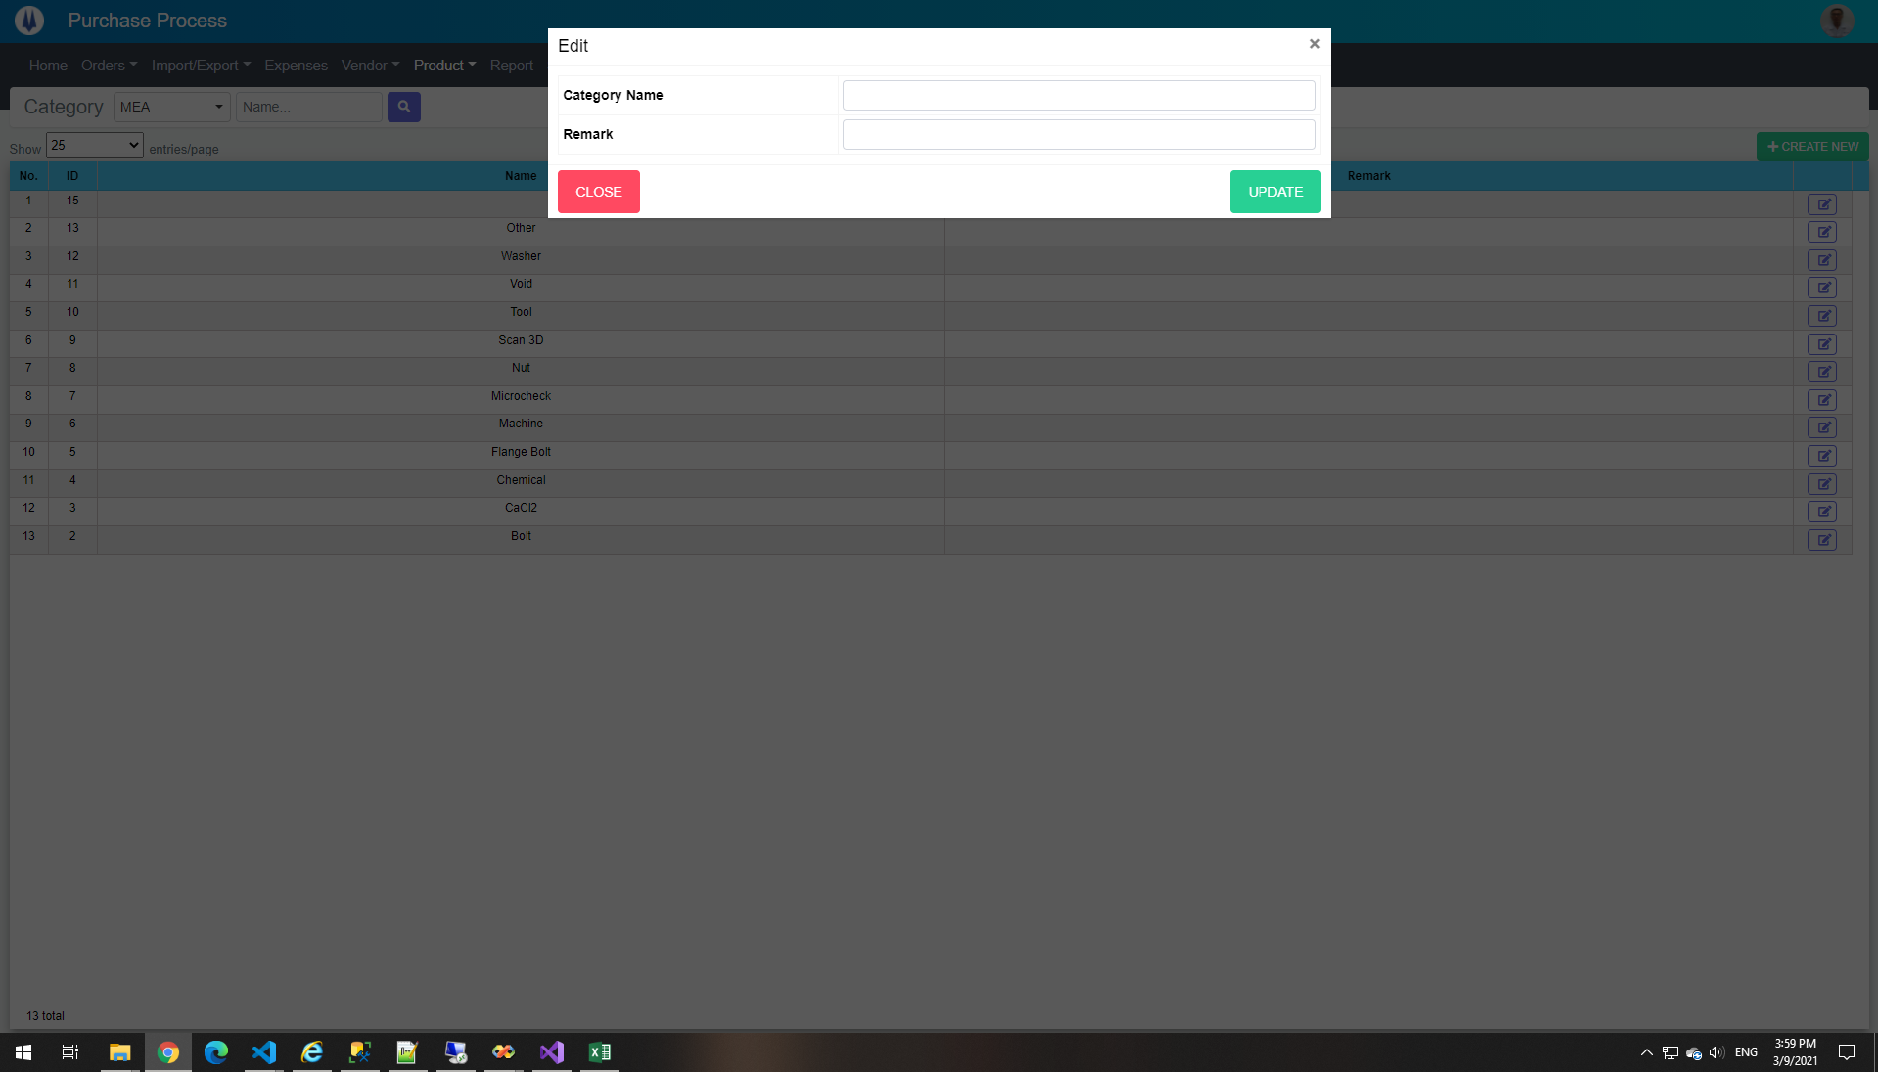

TE06
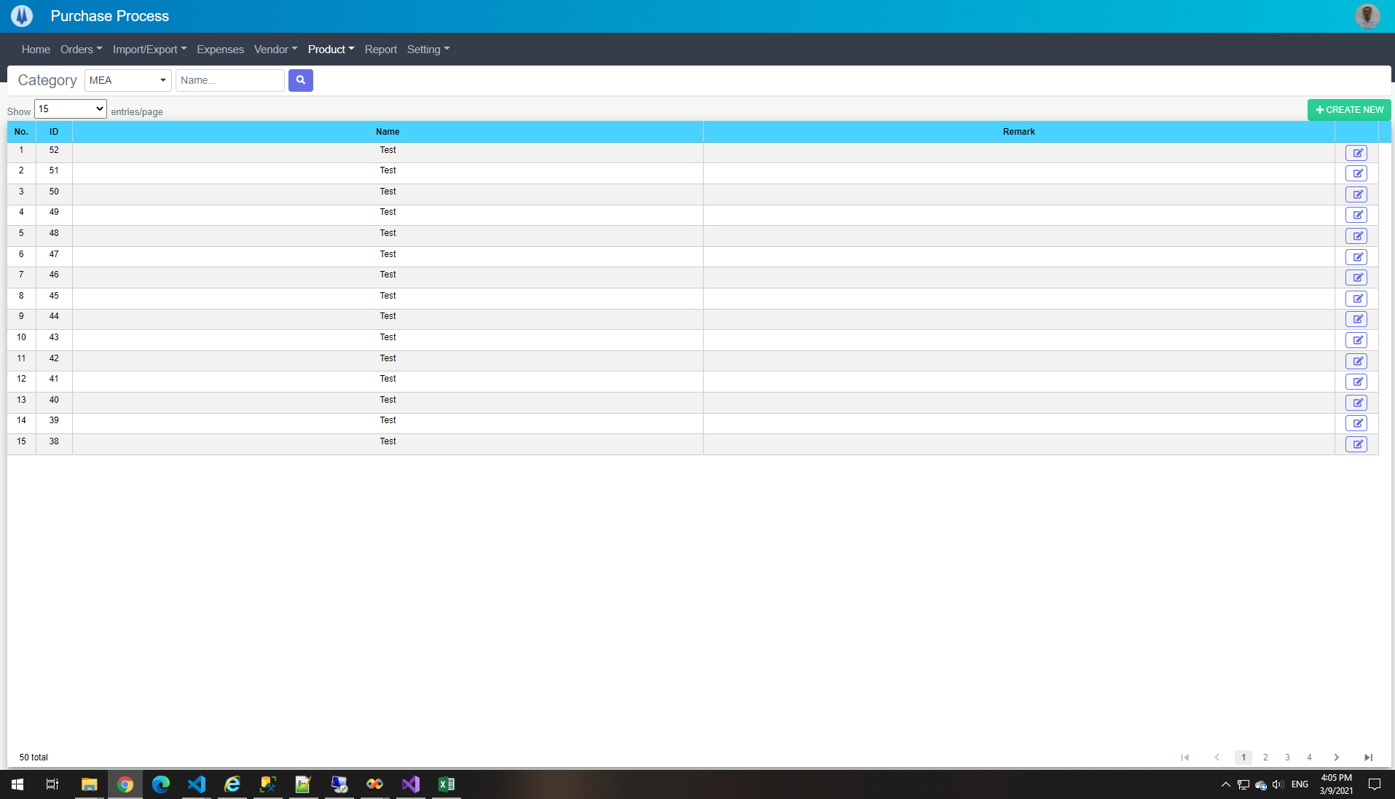

TE07
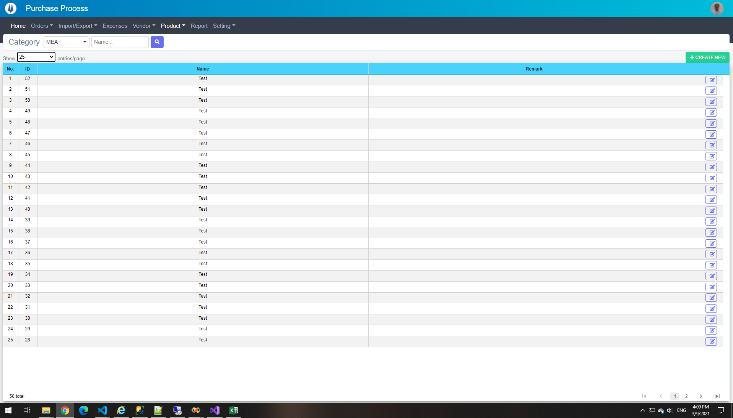

TE08
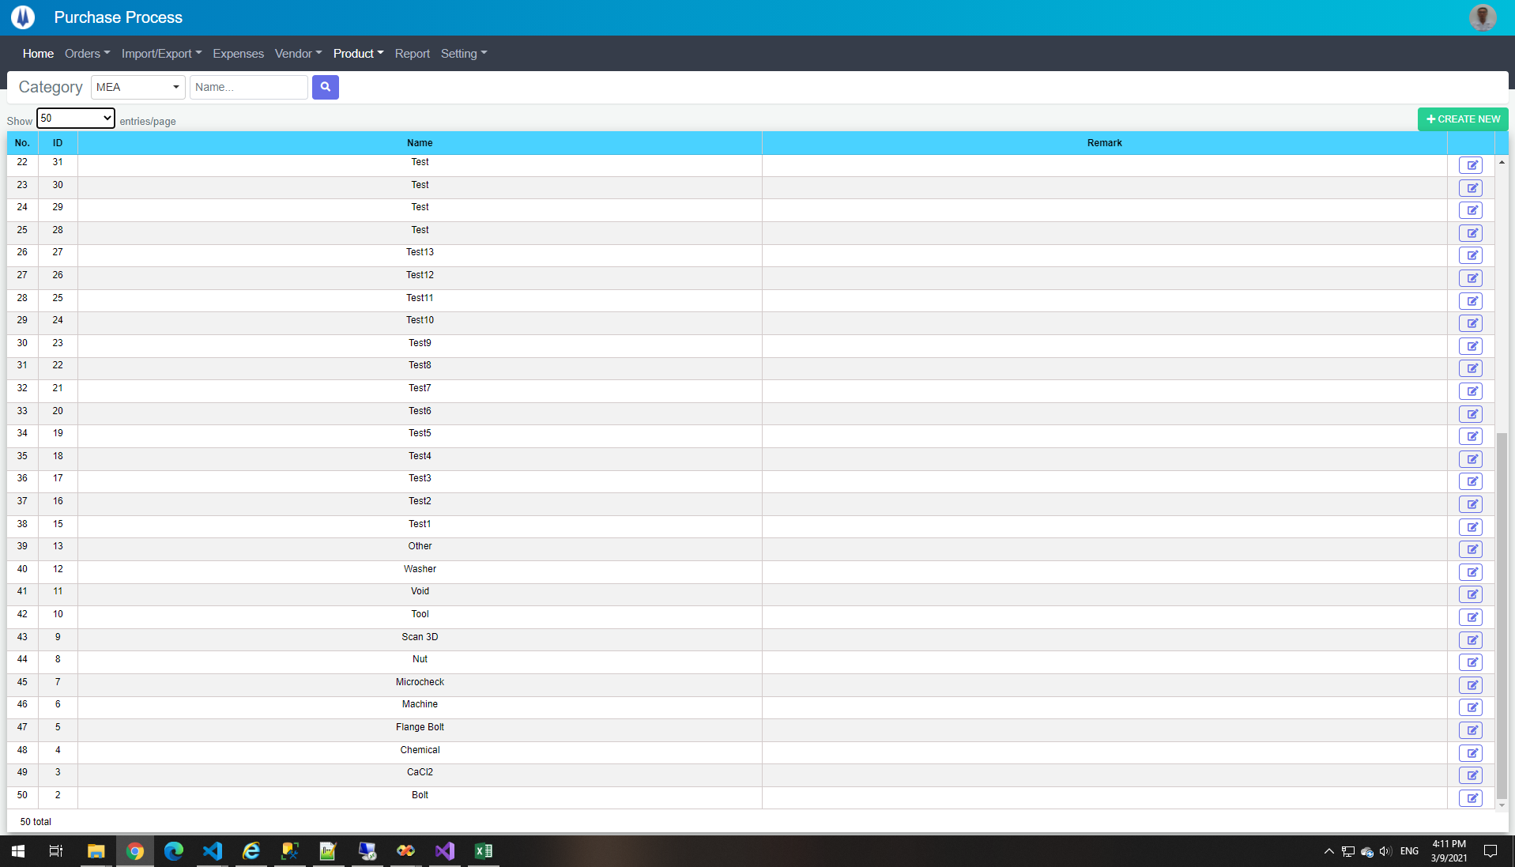

TE09
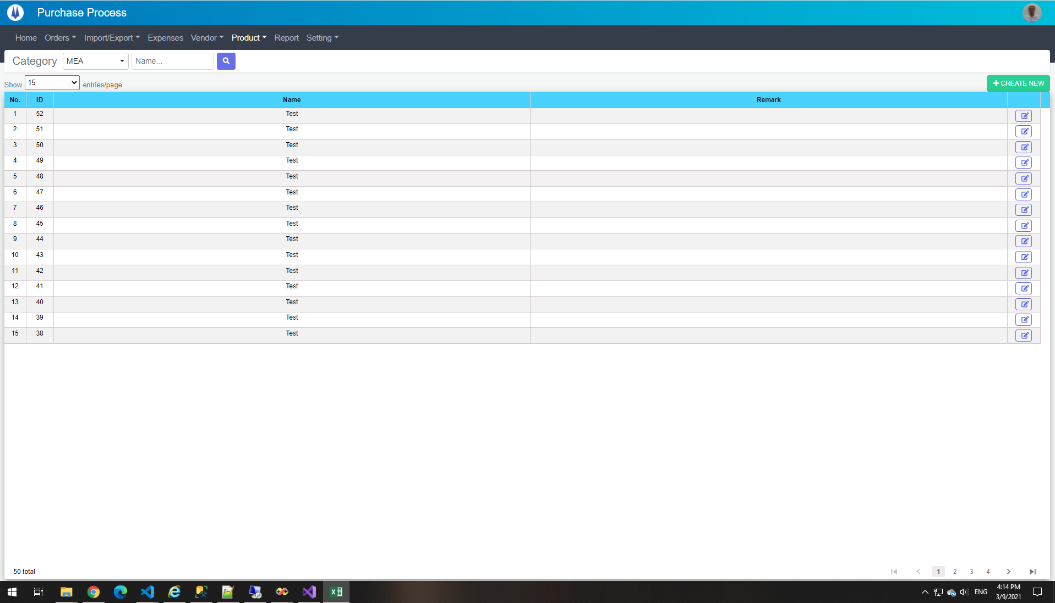

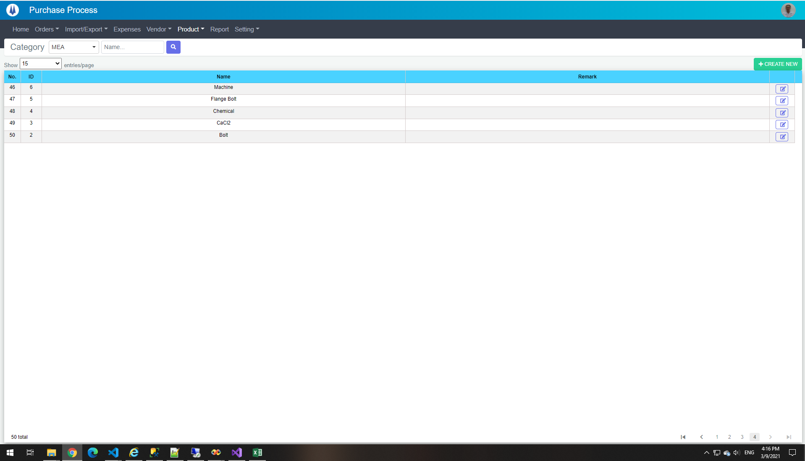

TE10
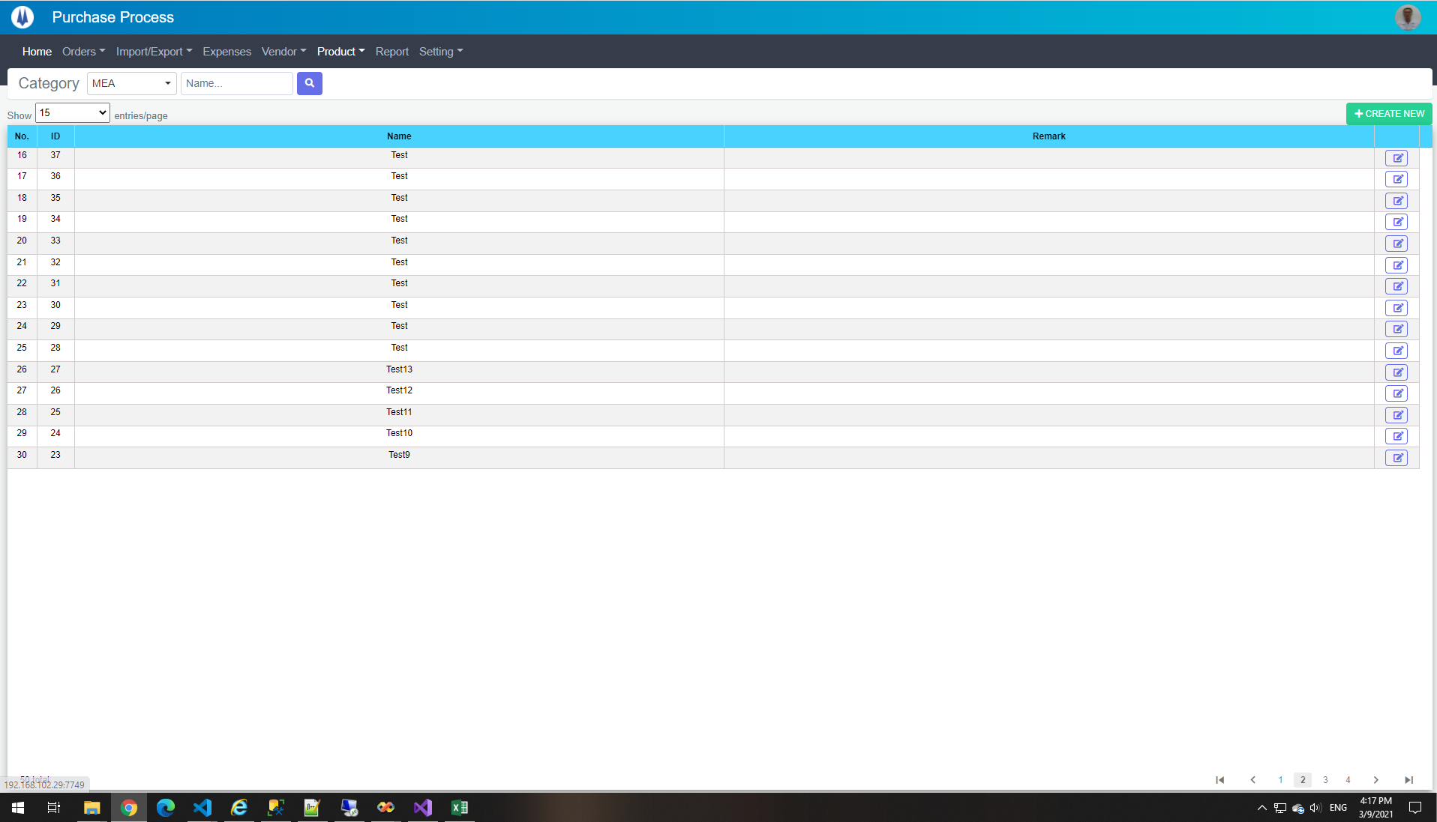

TE14
Current Screen
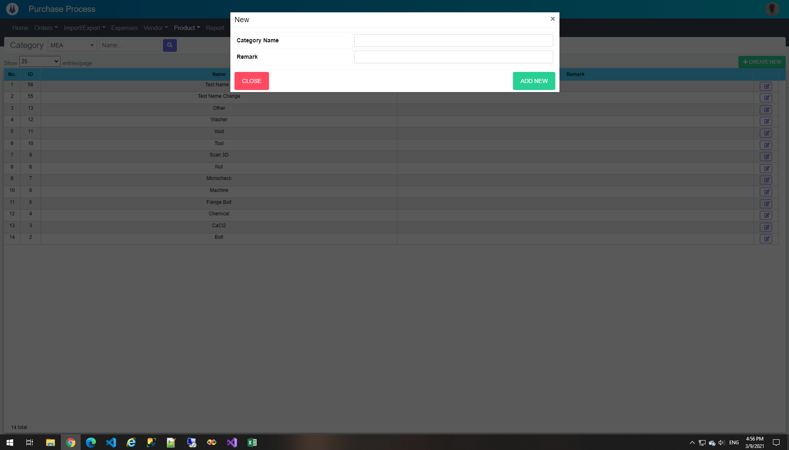

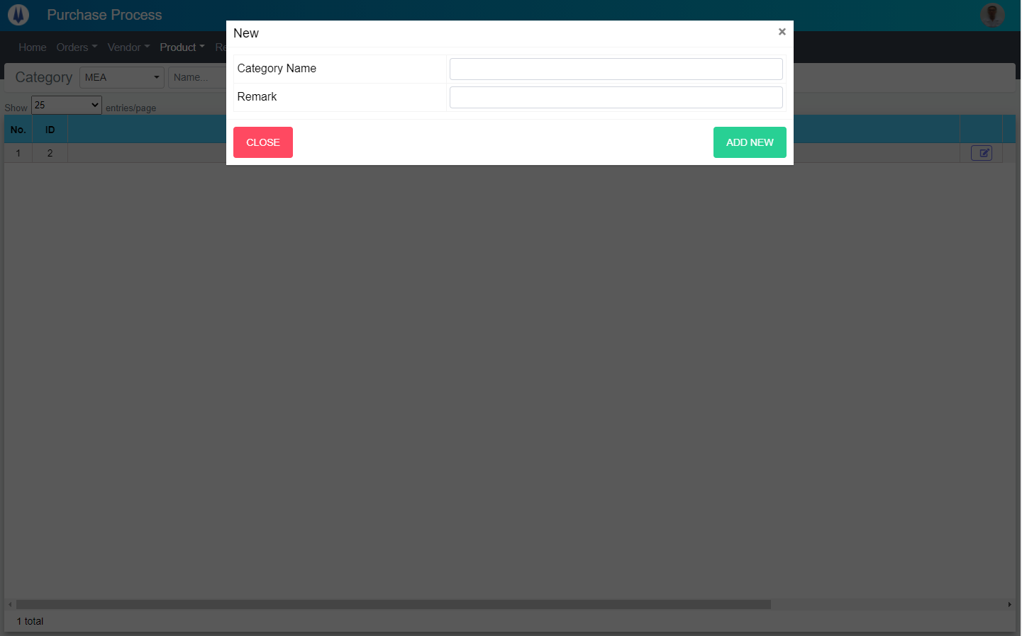
Mockup Screen

TE15
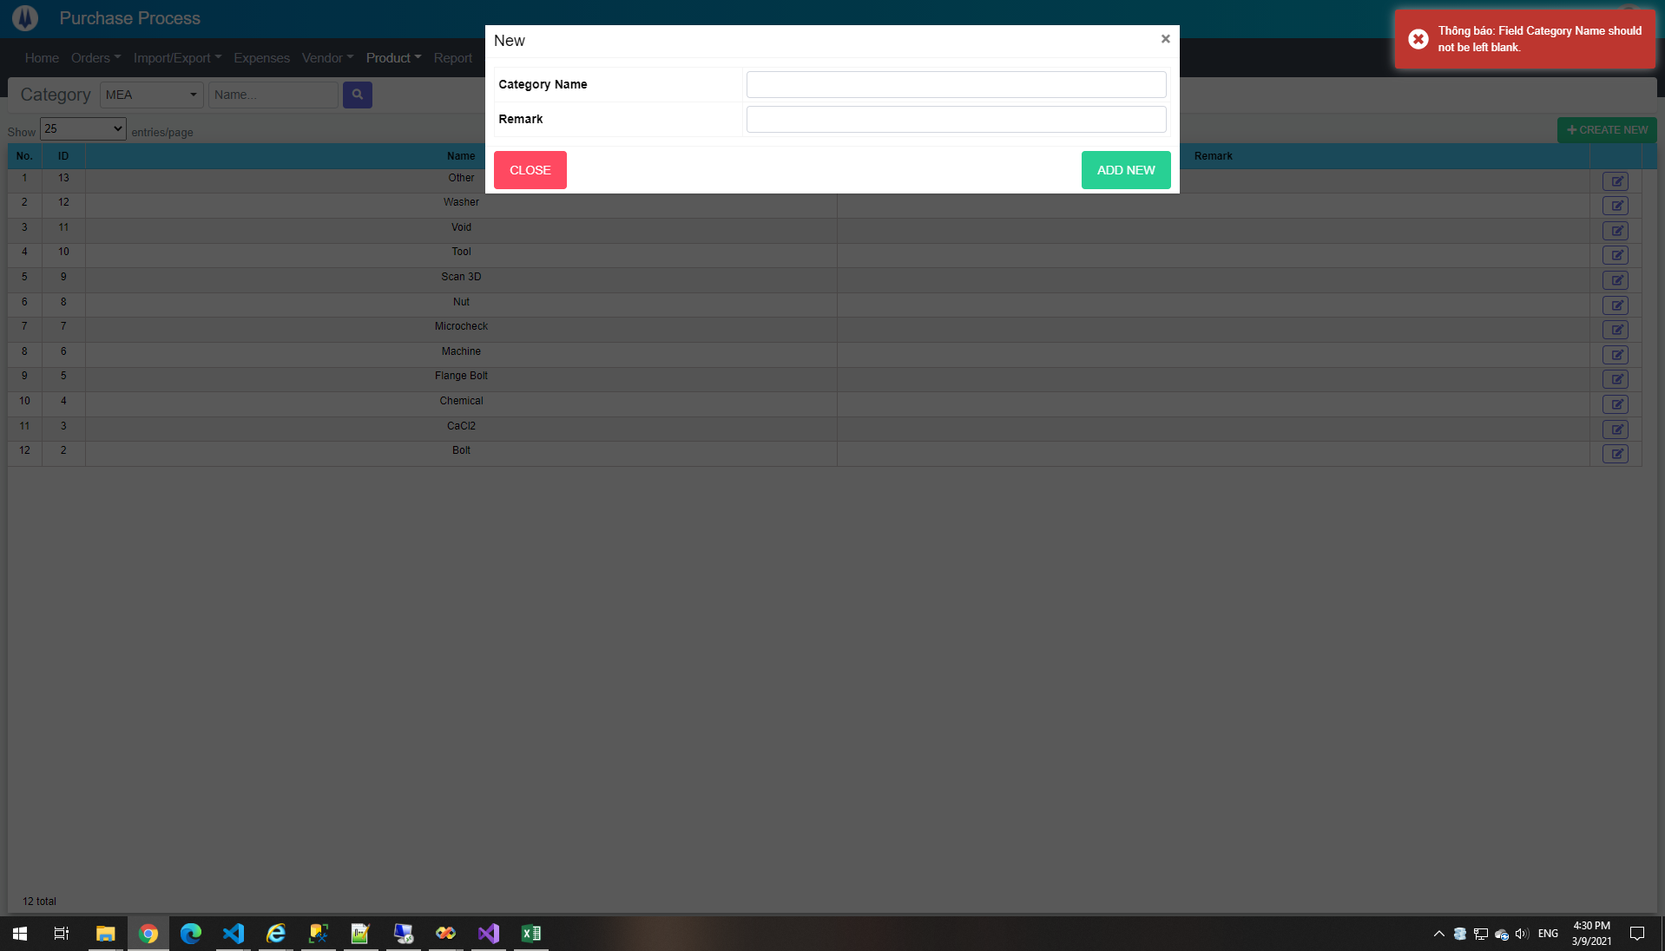

TE17
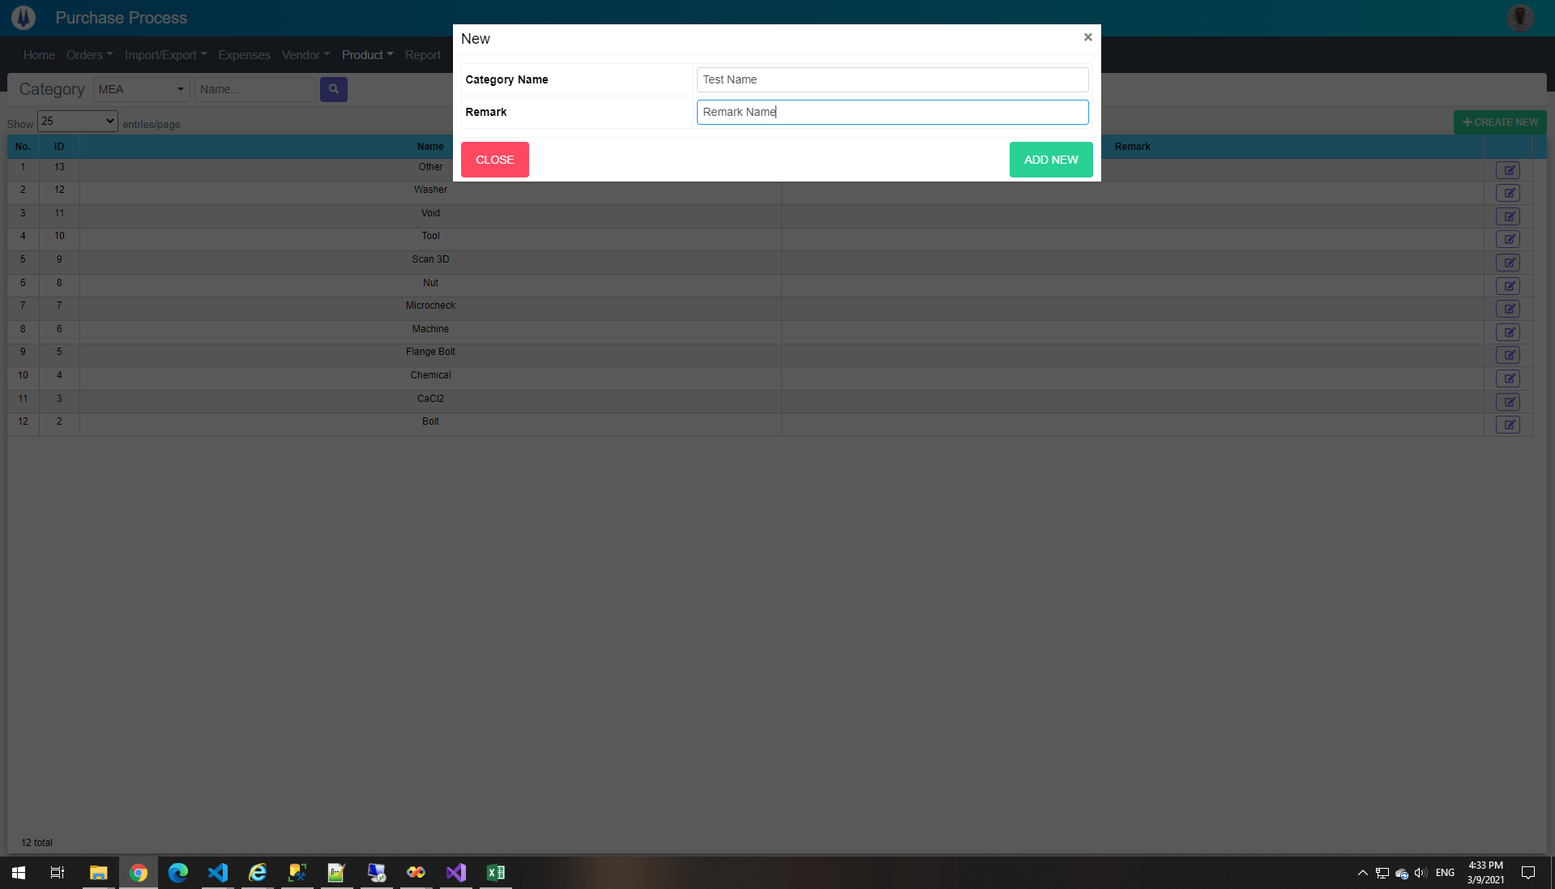

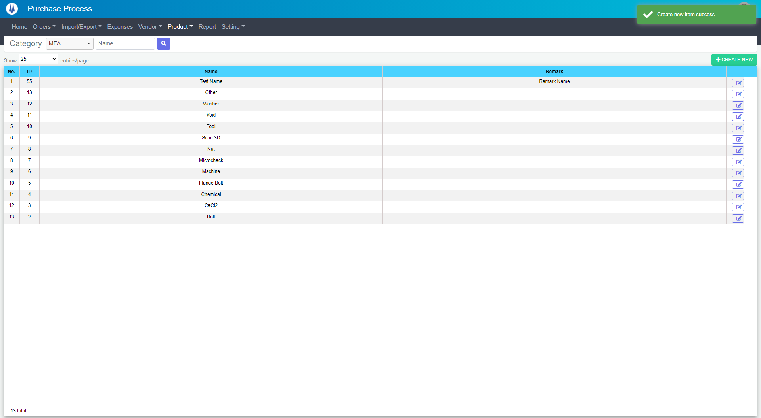

DataBase Before
ID | PICGroupID | ProductCategoryName | Remark | CreateDate | CreateBy | UpdateDate | UpdateBy
2 | 1 | Bolt |  | 2020-11-27 14:00:12 | 18026 | 2021-02-05 16:17:00 | 18026
3 | 1 | CaCl2 |  | 2021-02-05 08:50:54 | 18026 | NULL | NULL
4 | 1 | Chemical |  | 2021-02-05 08:51:04 | 18026 | NULL | NULL
5 | 1 | Flange Bolt |  | 2021-02-05 08:51:21 | 18026 | 2021-02-05 16:16:56 | 18026
6 | 1 | Machine |  | 2021-02-05 08:51:30 | 18026 | NULL | NULL
7 | 1 | Microcheck |  | 2021-02-05 08:51:40 | 18026 | NULL | NULL
8 | 1 | Nut |  | 2021-02-05 08:51:49 | 18026 | NULL | NULL
9 | 1 | Scan 3D |  | 2021-02-05 08:52:01 | 18026 | NULL | NULL
10 | 1 | Tool |  | 2021-02-05 08:52:09 | 18026 | NULL | NULL
11 | 1 | Void |  | 2021-02-05 08:52:17 | 18026 | NULL | NULL
12 | 1 | Washer |  | 2021-02-05 08:52:27 | 18026 | NULL | NULL
13 | 1 | Other |  | 2021-02-05 08:52:31 | 18026 | NULL | NULL

DataBase After
ID | PICGroupID | ProductCategoryName | Remark | CreateDate | CreateBy | UpdateDate | UpdateBy
2 | 1 | Bolt |  | 2020-11-27 14:00:12 | 18026 | 2021-02-05 16:17:00 | 18026
3 | 1 | CaCl2 |  | 2021-02-05 08:50:54 | 18026 | NULL | NULL
4 | 1 | Chemical |  | 2021-02-05 08:51:04 | 18026 | NULL | NULL
5 | 1 | Flange Bolt |  | 2021-02-05 08:51:21 | 18026 | 2021-02-05 16:16:56 | 18026
6 | 1 | Machine |  | 2021-02-05 08:51:30 | 18026 | NULL | NULL
7 | 1 | Microcheck |  | 2021-02-05 08:51:40 | 18026 | NULL | NULL
8 | 1 | Nut |  | 2021-02-05 08:51:49 | 18026 | NULL | NULL
9 | 1 | Scan 3D |  | 2021-02-05 08:52:01 | 18026 | NULL | NULL
10 | 1 | Tool |  | 2021-02-05 08:52:09 | 18026 | NULL | NULL
11 | 1 | Void |  | 2021-02-05 08:52:17 | 18026 | NULL | NULL
12 | 1 | Washer |  | 2021-02-05 08:52:27 | 18026 | NULL | NULL
13 | 1 | Other |  | 2021-02-05 08:52:31 | 18026 | NULL | NULL
55 | 1 | Test Name | Remark Name | 2021-03-09 16:34:27 | 18026 | NULL | NULL

TE18
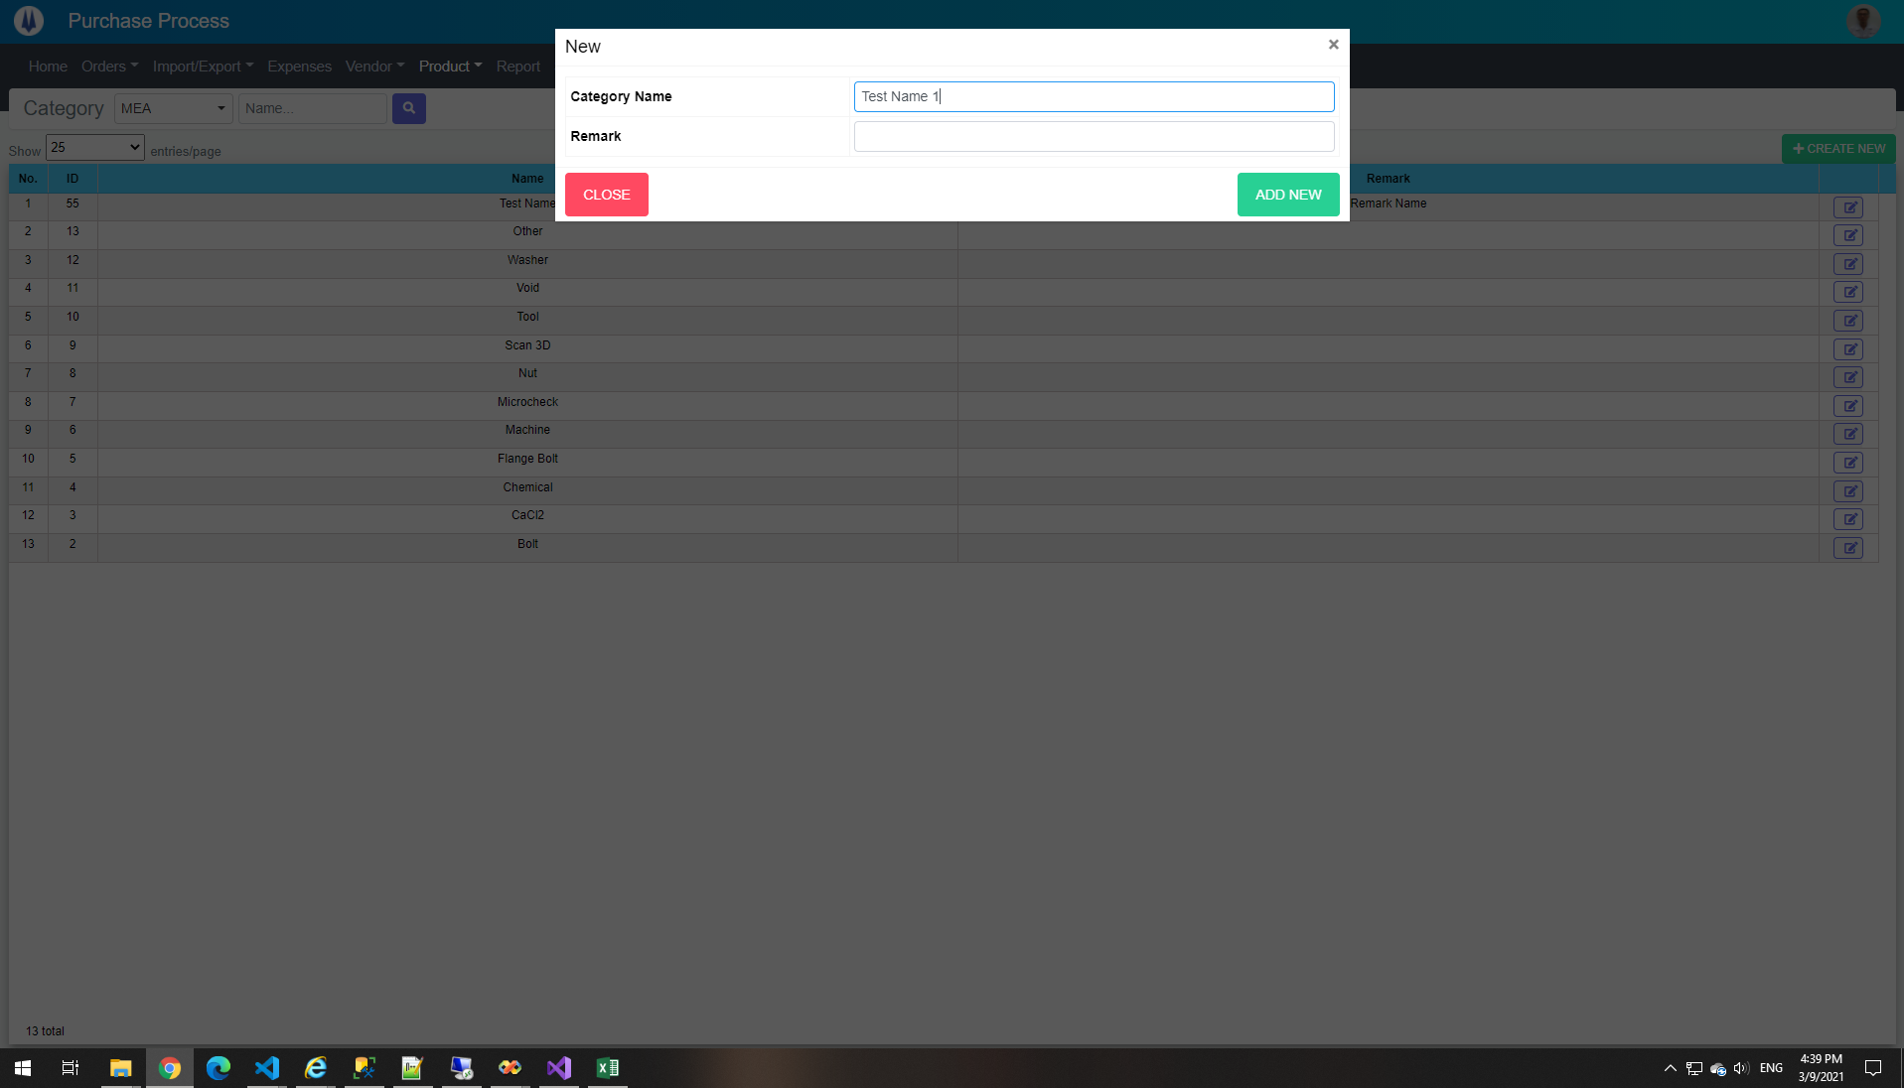

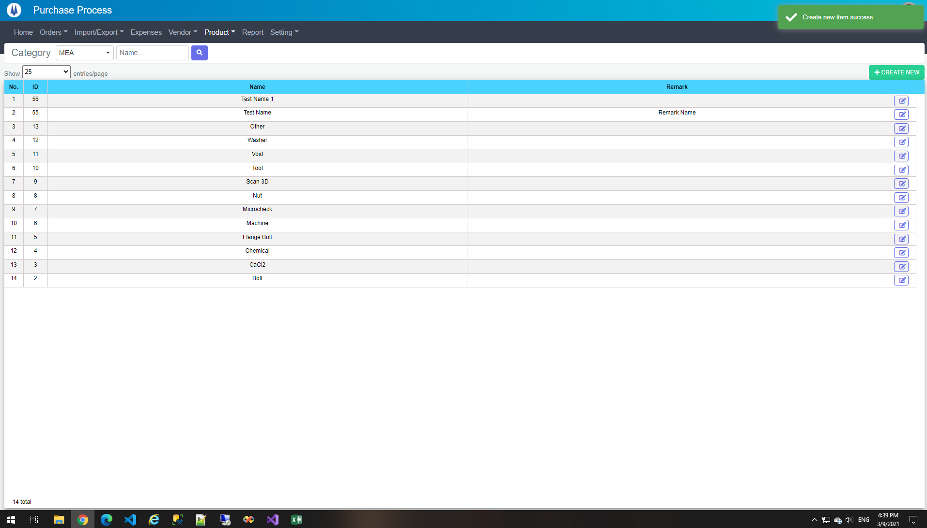

DataBase Before
ID | PICGroupID | ProductCategoryName | Remark | CreateDate | CreateBy | UpdateDate | UpdateBy
2 | 1 | Bolt |  | 2020-11-27 14:00:12 | 18026 | 2021-02-05 16:17:00 | 18026
3 | 1 | CaCl2 |  | 2021-02-05 08:50:54 | 18026 | NULL | NULL
4 | 1 | Chemical |  | 2021-02-05 08:51:04 | 18026 | NULL | NULL
5 | 1 | Flange Bolt |  | 2021-02-05 08:51:21 | 18026 | 2021-02-05 16:16:56 | 18026
6 | 1 | Machine |  | 2021-02-05 08:51:30 | 18026 | NULL | NULL
7 | 1 | Microcheck |  | 2021-02-05 08:51:40 | 18026 | NULL | NULL
8 | 1 | Nut |  | 2021-02-05 08:51:49 | 18026 | NULL | NULL
9 | 1 | Scan 3D |  | 2021-02-05 08:52:01 | 18026 | NULL | NULL
10 | 1 | Tool |  | 2021-02-05 08:52:09 | 18026 | NULL | NULL
11 | 1 | Void |  | 2021-02-05 08:52:17 | 18026 | NULL | NULL
12 | 1 | Washer |  | 2021-02-05 08:52:27 | 18026 | NULL | NULL
13 | 1 | Other |  | 2021-02-05 08:52:31 | 18026 | NULL | NULL
55 | 1 | Test Name | Remark Name | 2021-03-09 16:34:27 | 18026 | NULL | NULL

DataBase After
ID | PICGroupID | ProductCategoryName | Remark | CreateDate | CreateBy | UpdateDate | UpdateBy
2 | 1 | Bolt |  | 2020-11-27 14:00:12 | 18026 | 2021-02-05 16:17:00 | 18026
3 | 1 | CaCl2 |  | 2021-02-05 08:50:54 | 18026 | NULL | NULL
4 | 1 | Chemical |  | 2021-02-05 08:51:04 | 18026 | NULL | NULL
5 | 1 | Flange Bolt |  | 2021-02-05 08:51:21 | 18026 | 2021-02-05 16:16:56 | 18026
6 | 1 | Machine |  | 2021-02-05 08:51:30 | 18026 | NULL | NULL
7 | 1 | Microcheck |  | 2021-02-05 08:51:40 | 18026 | NULL | NULL
8 | 1 | Nut |  | 2021-02-05 08:51:49 | 18026 | NULL | NULL
9 | 1 | Scan 3D |  | 2021-02-05 08:52:01 | 18026 | NULL | NULL
10 | 1 | Tool |  | 2021-02-05 08:52:09 | 18026 | NULL | NULL
11 | 1 | Void |  | 2021-02-05 08:52:17 | 18026 | NULL | NULL
12 | 1 | Washer |  | 2021-02-05 08:52:27 | 18026 | NULL | NULL
13 | 1 | Other |  | 2021-02-05 08:52:31 | 18026 | NULL | NULL
55 | 1 | Test Name | Remark Name | 2021-03-09 16:34:27 | 18026 | NULL | NULL
56 | 1 | Test Name 1 |  | 2021-03-09 16:39:36 | 18026 | NULL | NULL

TE19
Current Screen
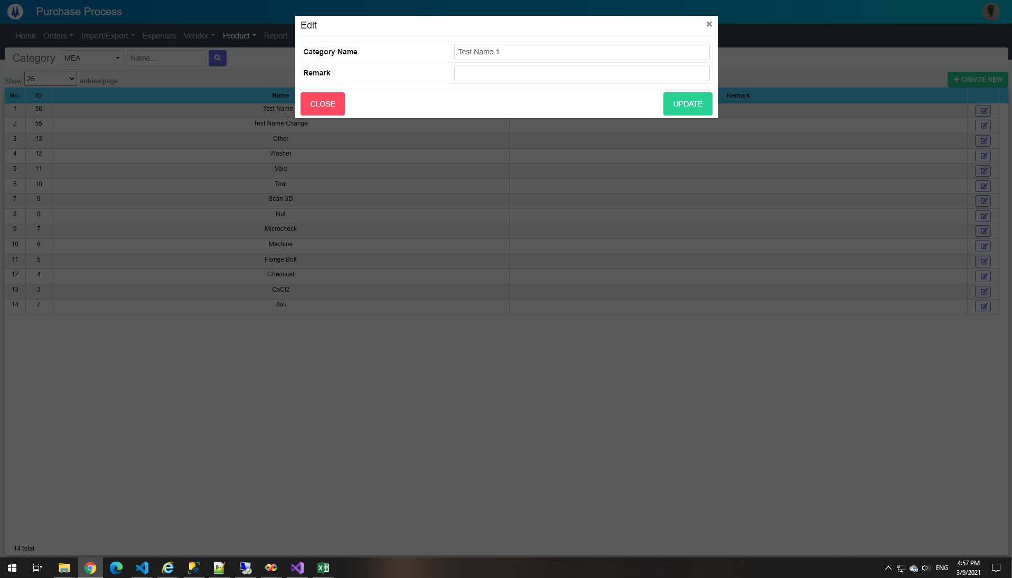

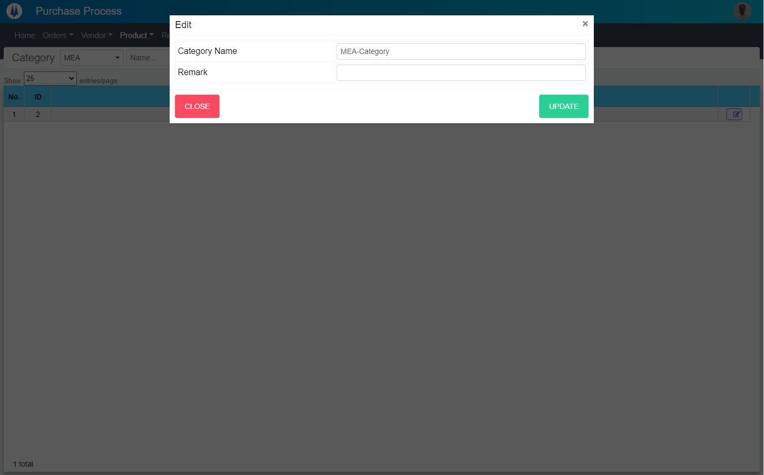
Mockup Screen

TE20




TE22


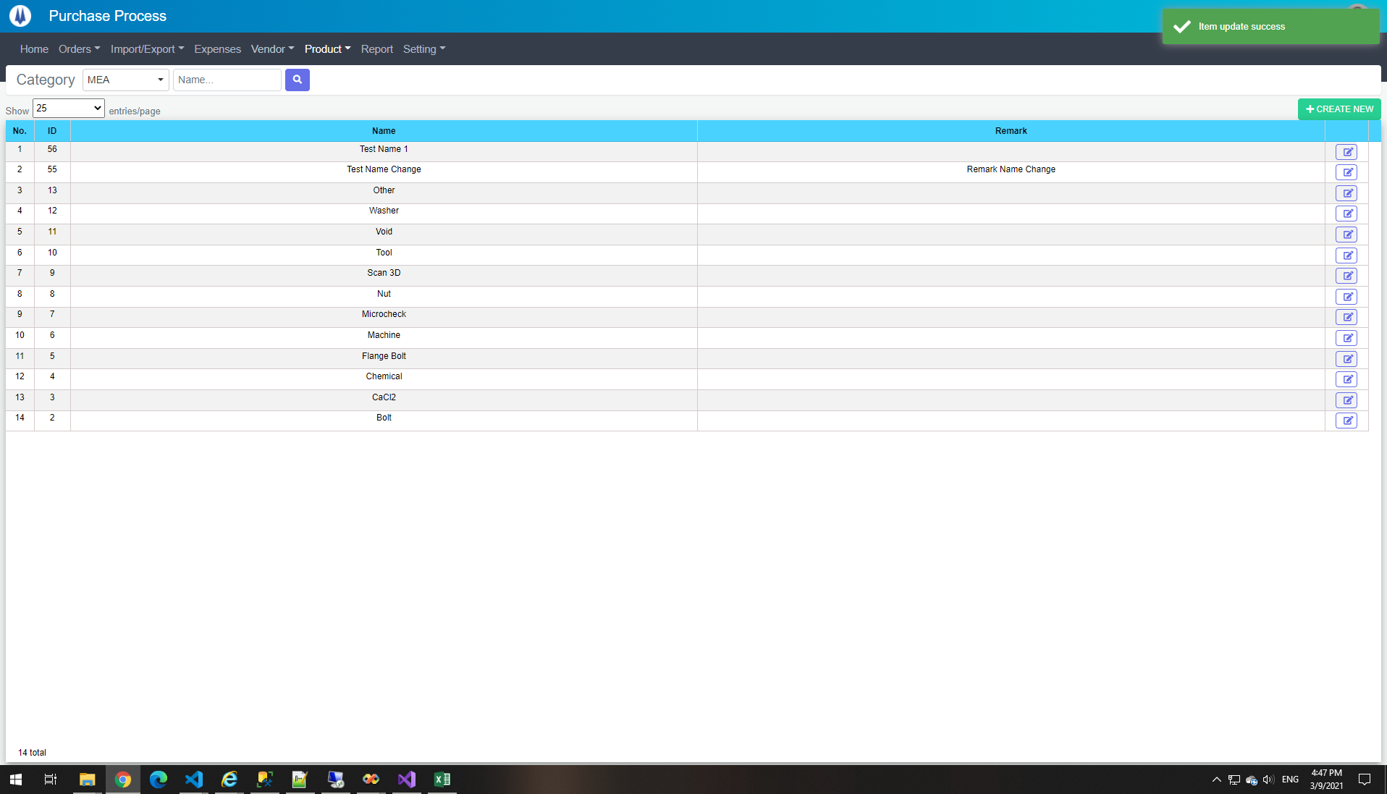

DataBase Before
ID | PICGroupID | ProductCategoryName | Remark | CreateDate | CreateBy | UpdateDate | UpdateBy
55 | 1 | Test Name | Remark Name | 2021-03-09 16:34:27 | 18026 | 2021-03-09 16:47:21 | 18026

DataBase After
ID | PICGroupID | ProductCategoryName | Remark | CreateDate | CreateBy | UpdateDate | UpdateBy
55 | 1 | Test Name Change | Remark Name Change | 2021-03-09 16:34:27 | 18026 | 2021-03-09 16:47:21 | 18026

TE23


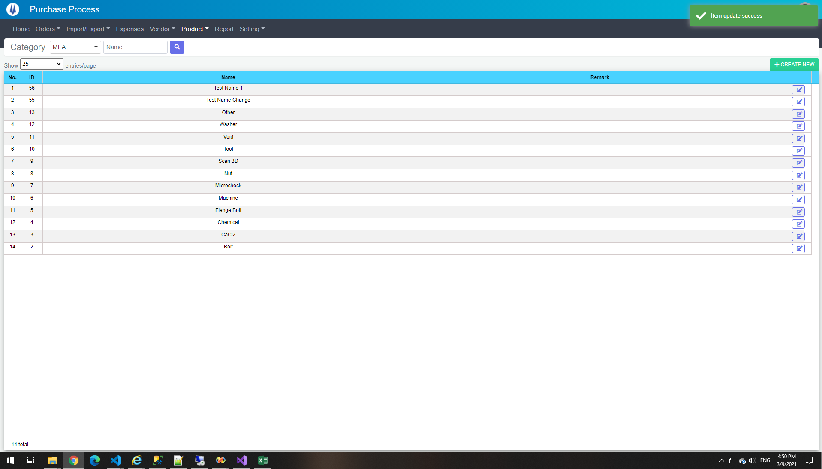

DataBase Before
ID | PICGroupID | ProductCategoryName | Remark | CreateDate | CreateBy | UpdateDate | UpdateBy
55 | 1 | Test Name Change | Remark Name Change | 2021-03-09 16:34:27 | 18026 | 2021-03-09 16:47:21 | 18026

DataBase After
ID | PICGroupID | ProductCategoryName | Remark | CreateDate | CreateBy | UpdateDate | UpdateBy
55 | 1 | Test Name Change |  | 2021-03-09 16:34:27 | 18026 | 2021-03-09 16:47:21 | 18026

