TE01
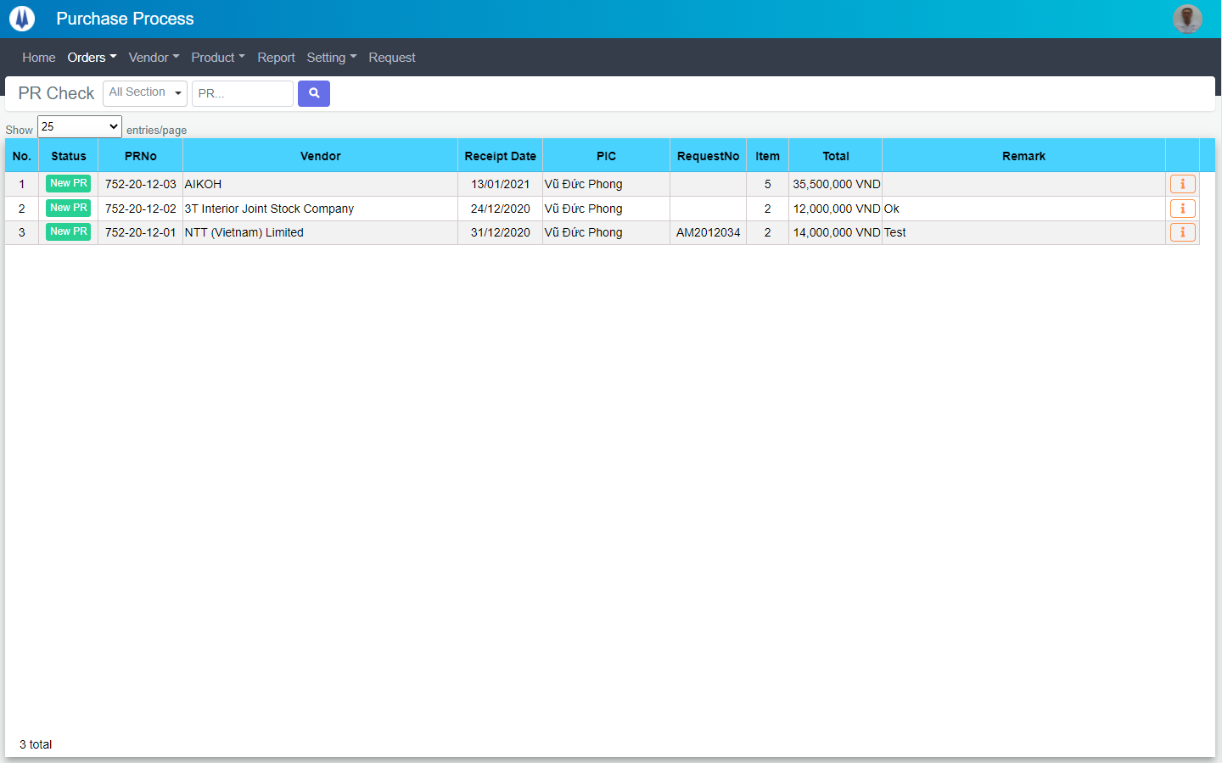
Current Screen
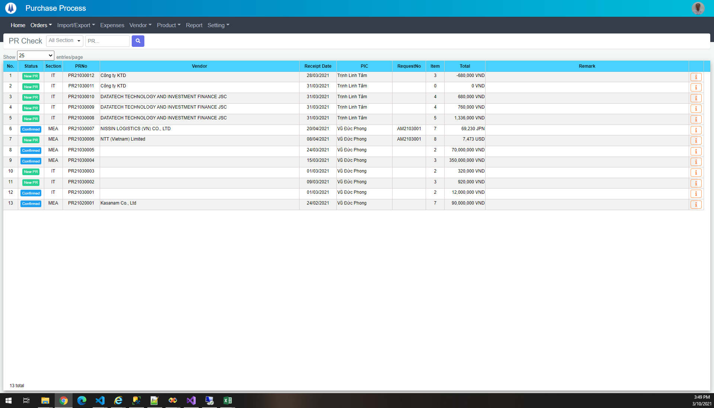

Mockup Screen

TE02
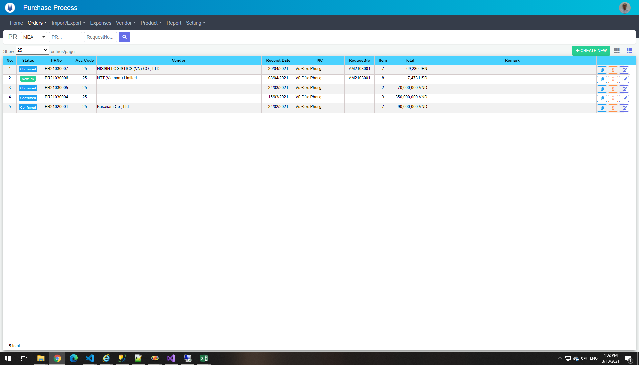

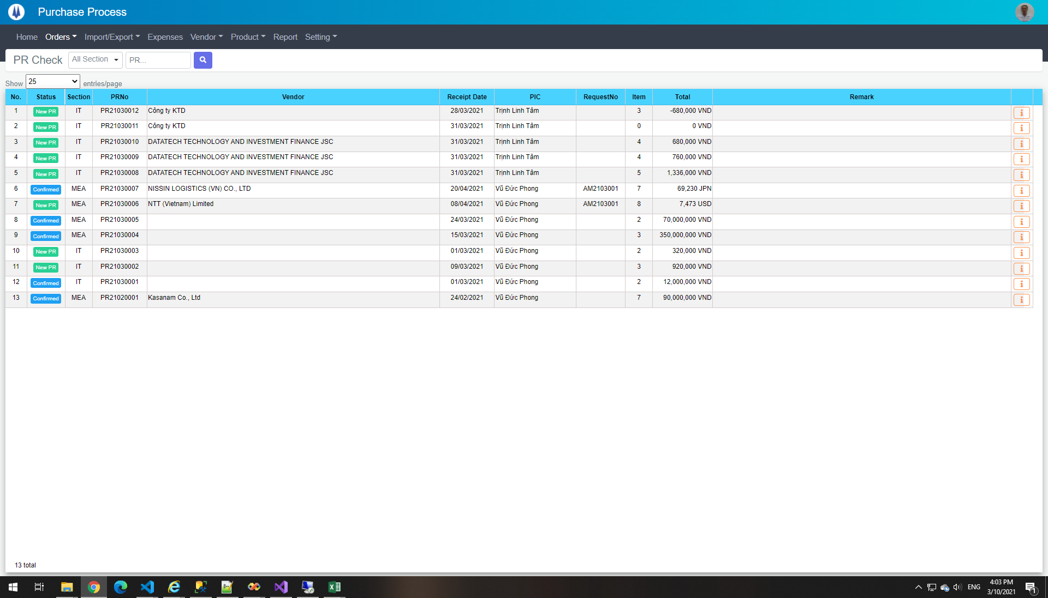

TE04
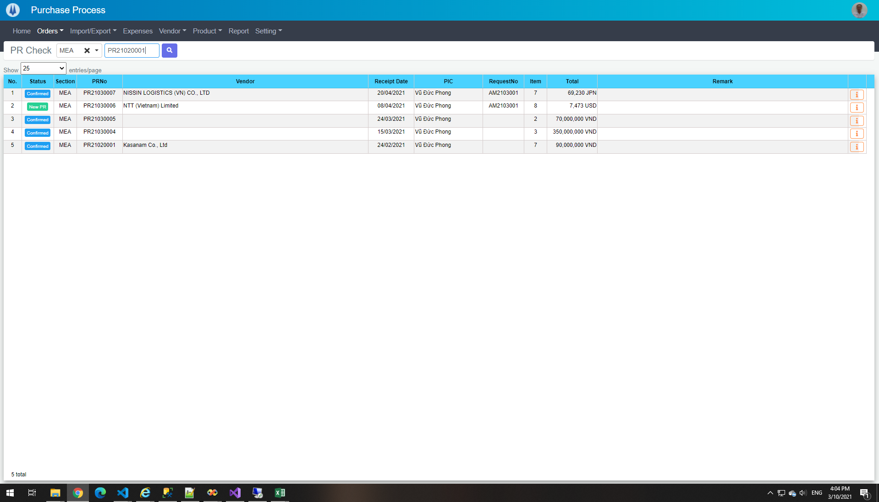

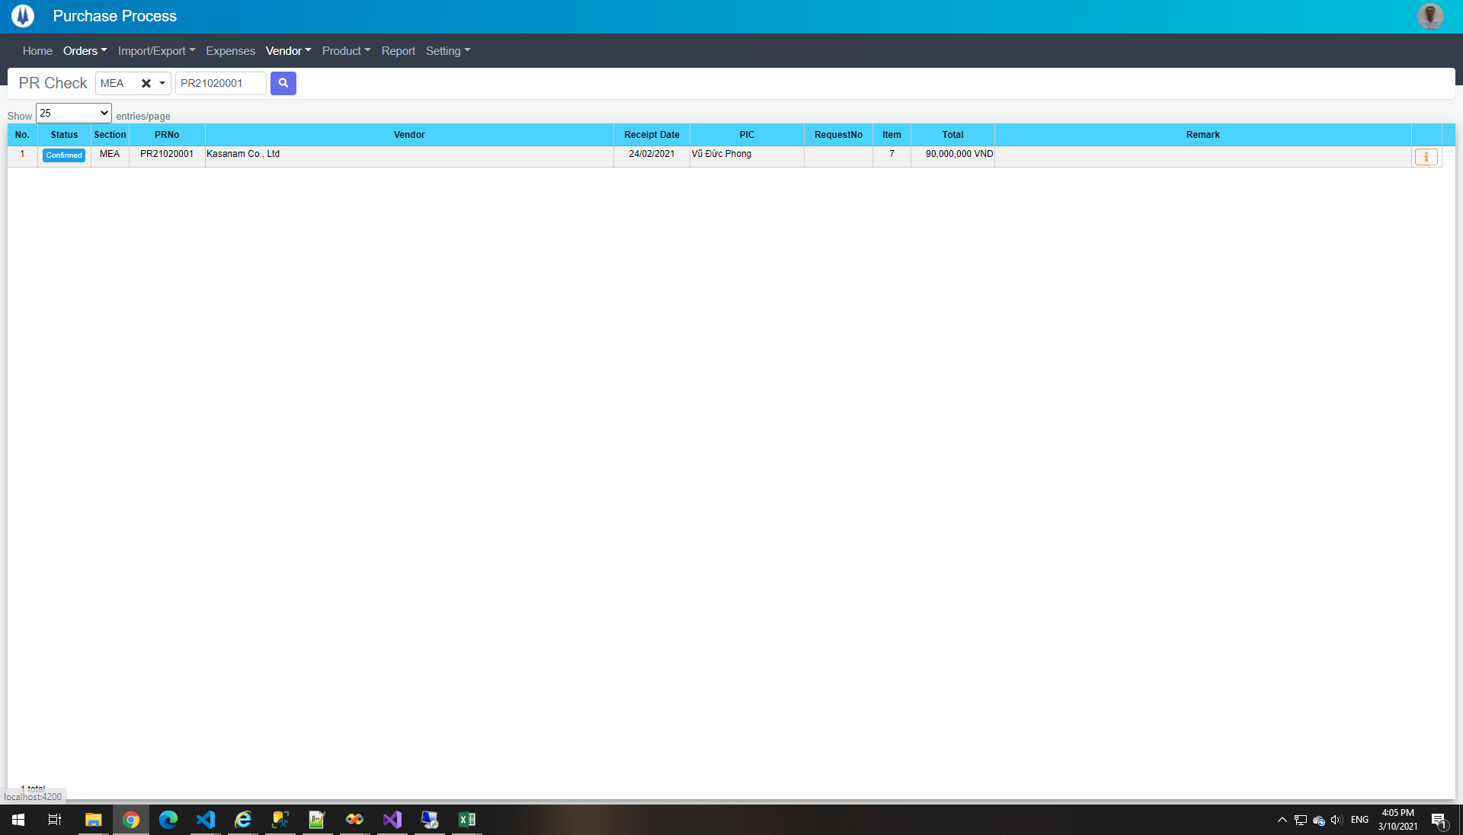

select *
from pur_PRMaster
where PICGroup = 1 and PRNo like '%PR21020001%'
DataBase
PRNo | PICGroup | SupplierID | ReceiptDate | AccCode | RequestNo | Remark | Currency | Status | TranferID | TranferSectionID | CreateDate | CreateBy | UpdateDate | UpdateBy
PR21020001 | 1 | 120 | 2021-02-24 | 25 |  |  | VND | 1145 | NULL | NULL | 2021-02-18 09:07:07 | 18026 | 2021-02-25 15:54:26 | 18026

TE05


select *
from pur_PRMaster
DataBase
PRNo | PICGroup | SupplierID | ReceiptDate | AccCode | RequestNo | Remark | Currency | Status | TranferID | TranferSectionID | CreateDate | CreateBy | UpdateDate | UpdateBy
PR21020001 | 1 | 120 | 2021-02-24 | 25 |  |  | VND | 1145 | NULL | NULL | 2021-02-18 09:07:07 | 18026 | 2021-02-25 15:54:26 | 18026
PR21030001 | 3 | NULL | 2021-03-01 | 25 |  |  | VND | 1145 | NULL | NULL | 2021-03-04 08:55:13 | 18026 | 2021-03-04 09:46:36 | 18026
PR21030002 | 3 | NULL | 2021-03-09 | 25 |  |  | VND | 1144 | NULL | NULL | 2021-03-04 09:18:35 | 18026 | 2021-03-05 15:35:01 | 18026
PR21030003 | 3 | NULL | 2021-03-01 | 25 |  |  | VND | 1144 | NULL | NULL | 2021-03-04 09:20:03 | 18026 | 2021-03-05 14:54:33 | 18026
PR21030004 | 1 | NULL | 2021-03-15 | 25 |  |  | VND | 1145 | NULL | NULL | 2021-03-04 10:11:35 | 18026 | NULL | NULL
PR21030005 | 1 | NULL | 2021-03-24 | 25 |  |  | VND | 1145 | NULL | NULL | 2021-03-04 10:12:18 | 18026 | NULL | NULL
PR21030006 | 1 | 55 | 2021-04-08 | 25 | AM2103001 |  | USD | 1144 | NULL | NULL | 2021-03-04 14:31:54 | 18026 | 2021-03-05 14:59:26 | 18026
PR21030007 | 1 | 105 | 2021-04-20 | 25 | AM2103001 |  | JPN | 1145 | NULL | NULL | 2021-03-04 14:32:26 | 18026 | 2021-03-04 14:34:04 | 18026
PR21030008 | 3 | 132 | 2021-03-31 | 25 |  |  | VND | 1144 | NULL | NULL | 2021-03-05 10:40:05 | 20007 | 2021-03-05 15:39:13 | 18026
PR21030009 | 3 | 132 | 2021-03-31 | 25 |  |  | VND | 1144 | NULL | NULL | 2021-03-09 11:44:22 | 20007 | NULL | NULL
PR21030010 | 3 | 132 | 2021-03-31 | 25 |  |  | VND | 1144 | NULL | NULL | 2021-03-09 11:45:28 | 20007 | NULL | NULL
PR21030011 | 3 | 58 | 2021-03-31 | 25 |  |  | VND | 1144 | NULL | NULL | 2021-03-09 11:45:47 | 20007 | 2021-03-09 11:50:03 | 20007
PR21030012 | 3 | 58 | 2021-03-28 | 25 |  |  | VND | 1144 | NULL | NULL | 2021-03-09 11:47:47 | 20007 | 2021-03-09 11:49:30 | 20007

TE06
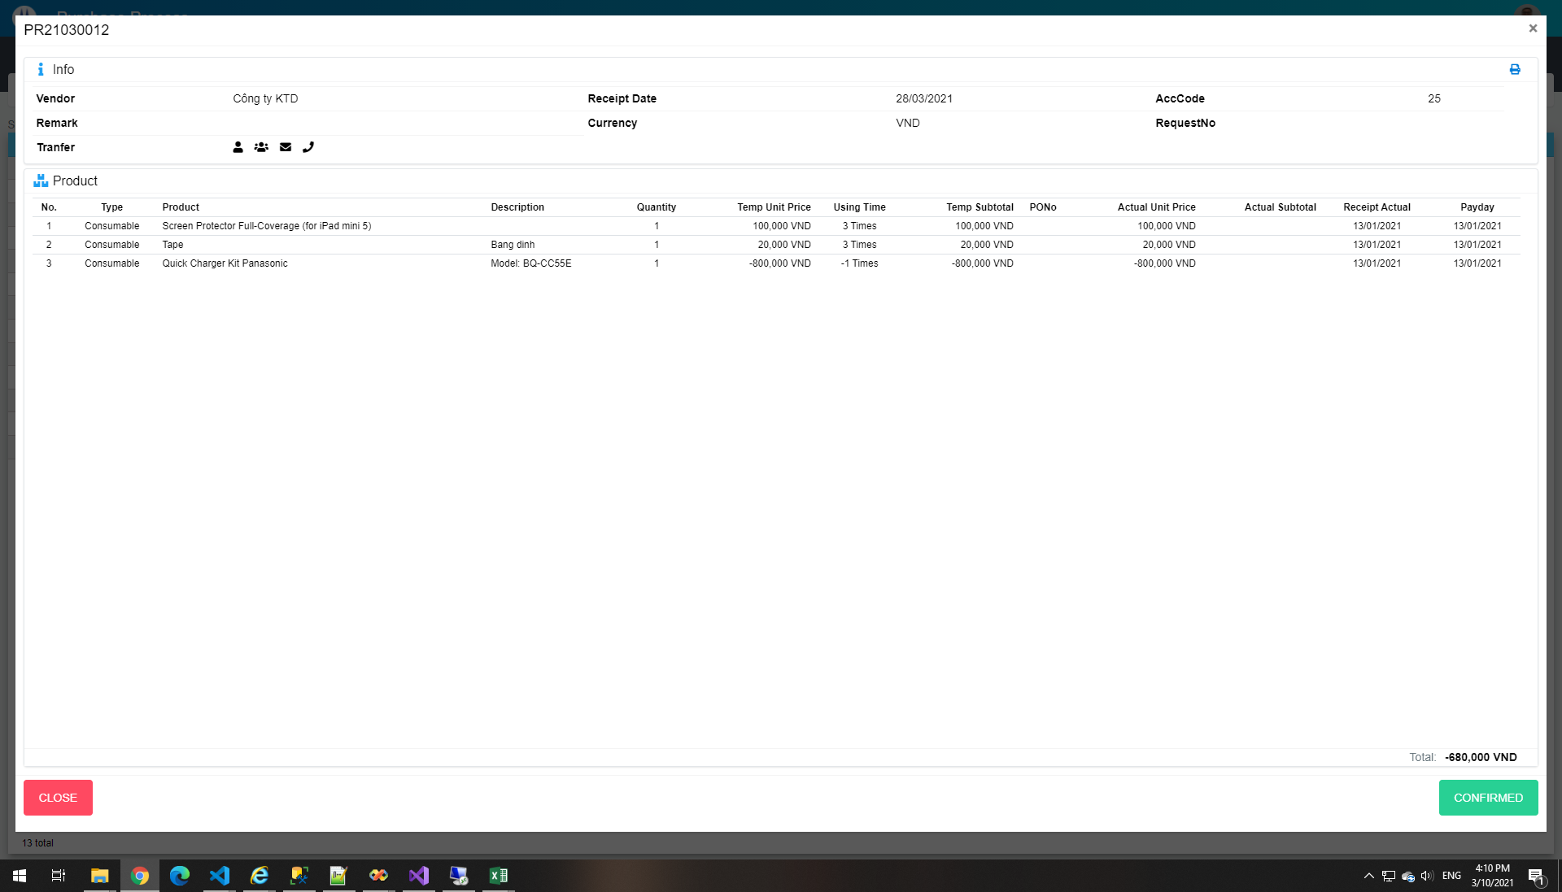

TE07
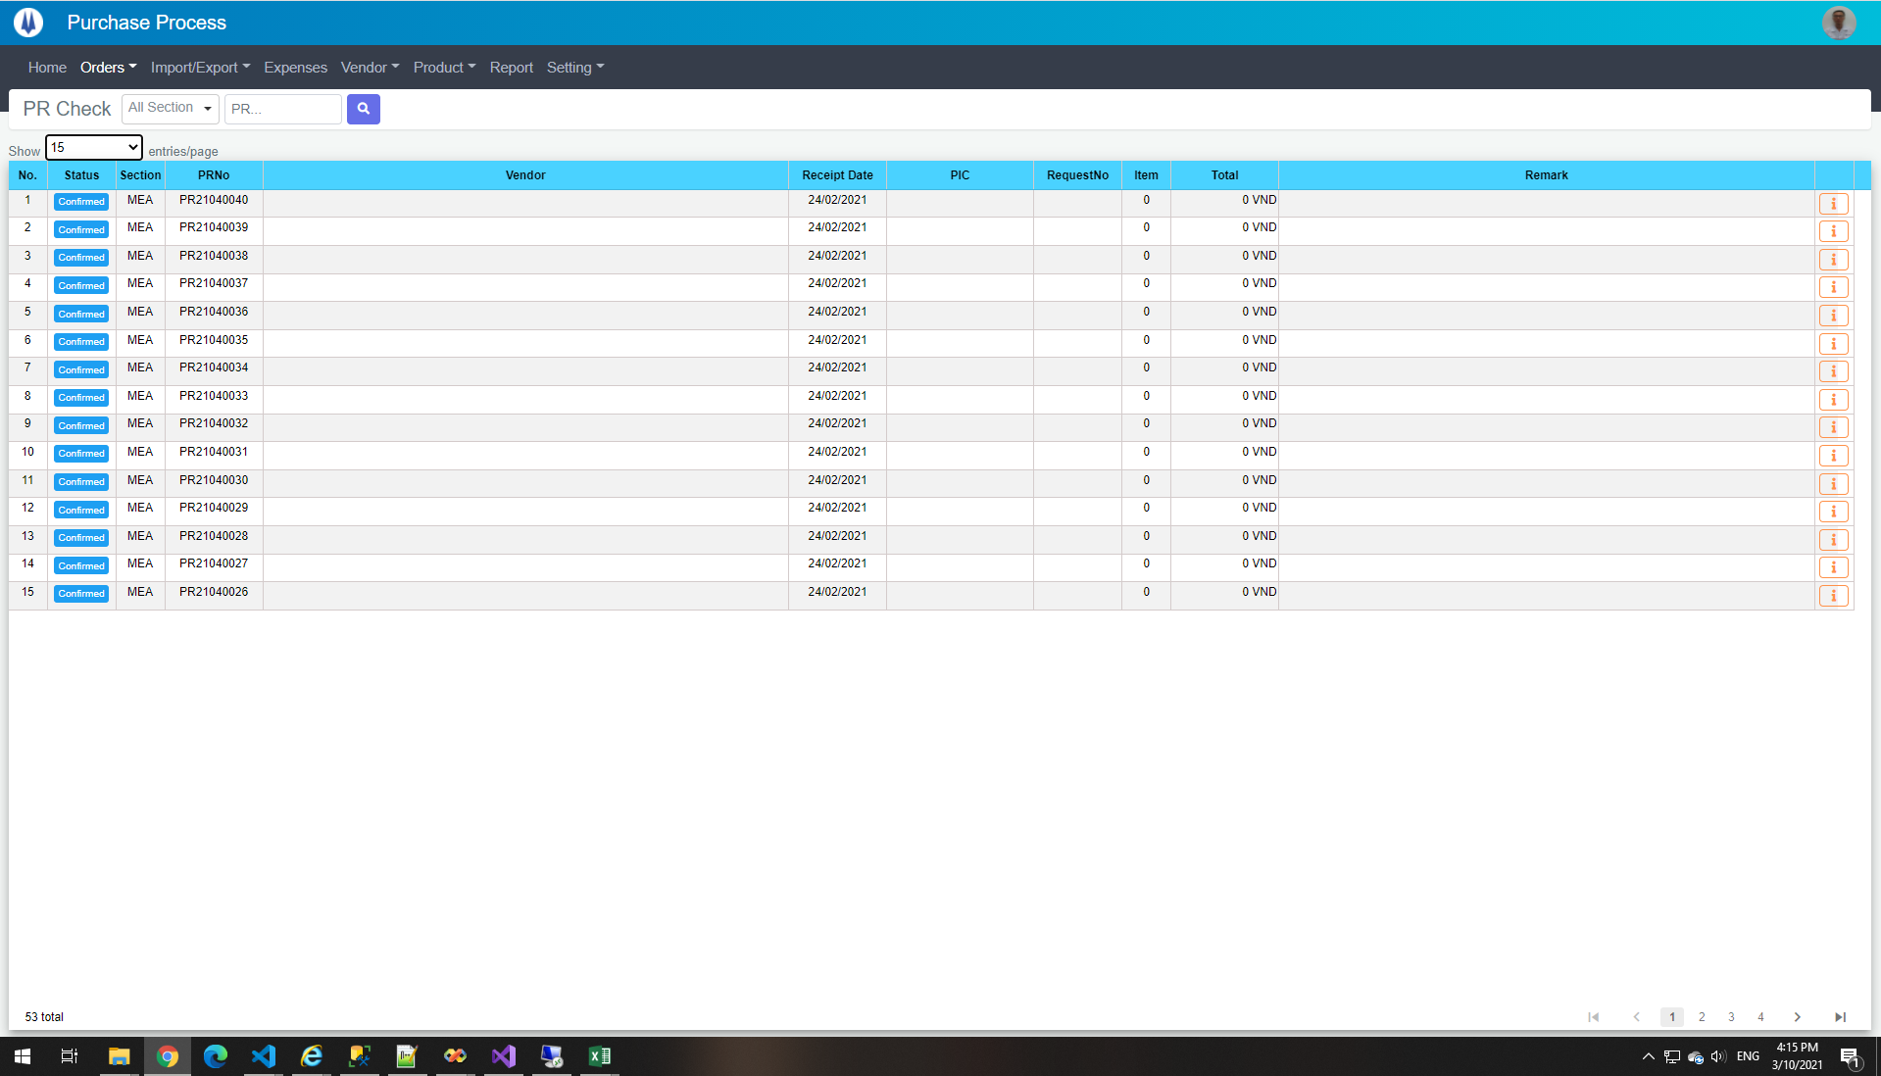

TE08
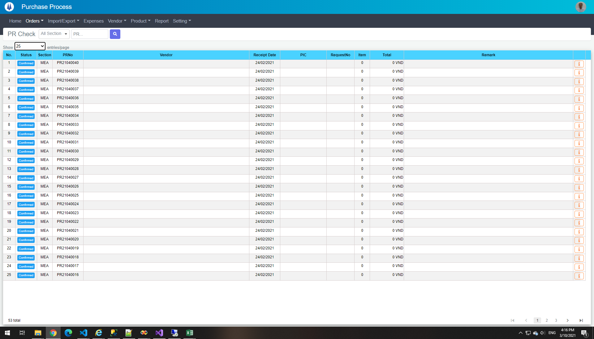

TE09
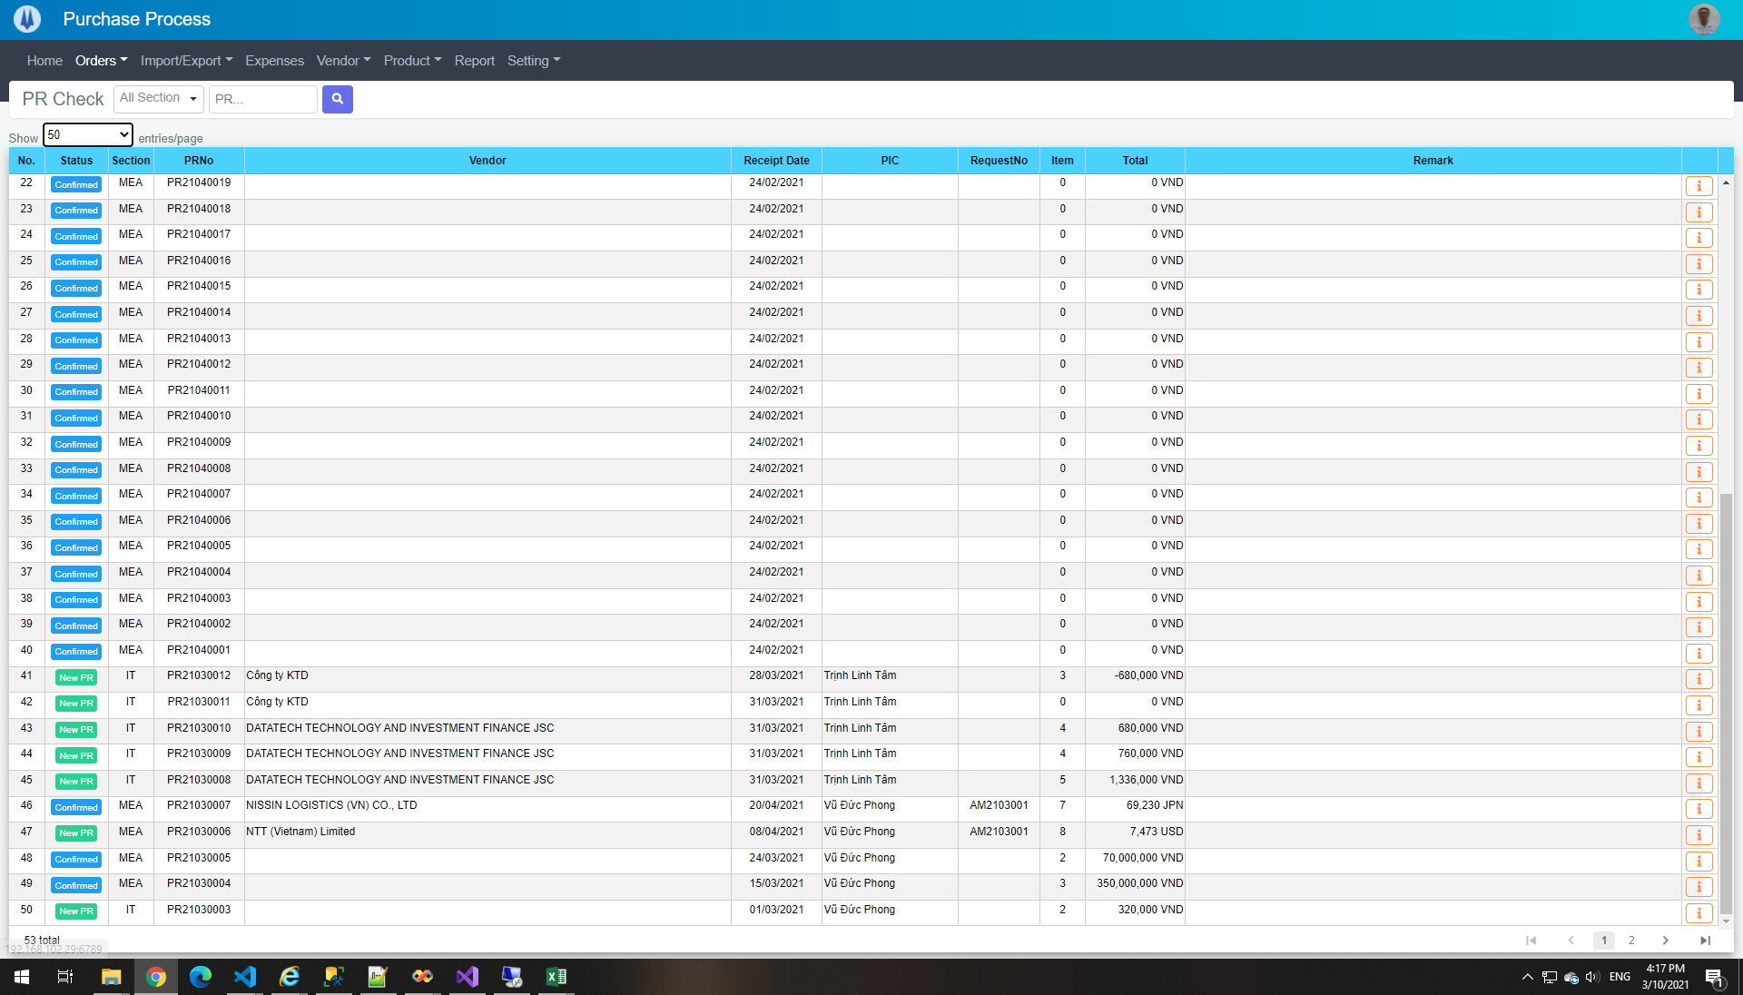

TE10


TE13
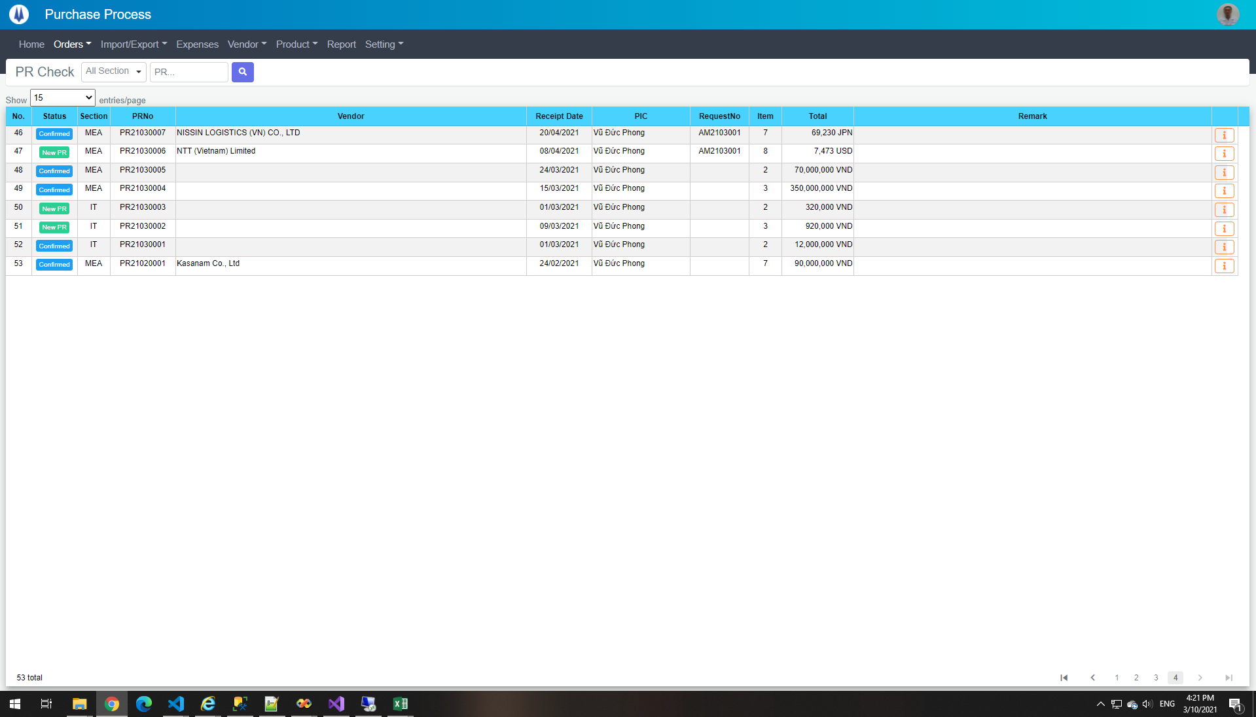

TE15
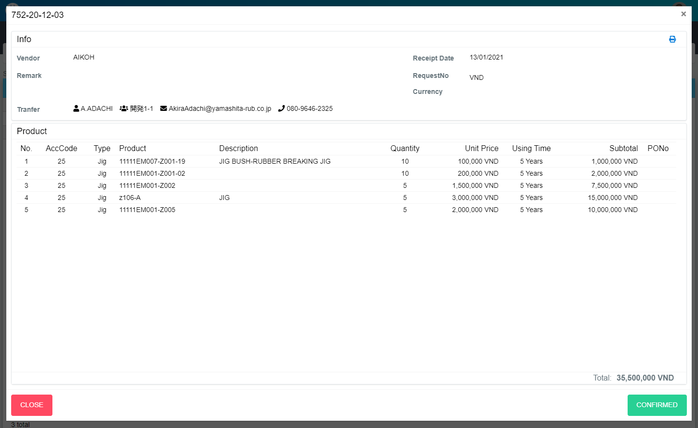
Current Screen
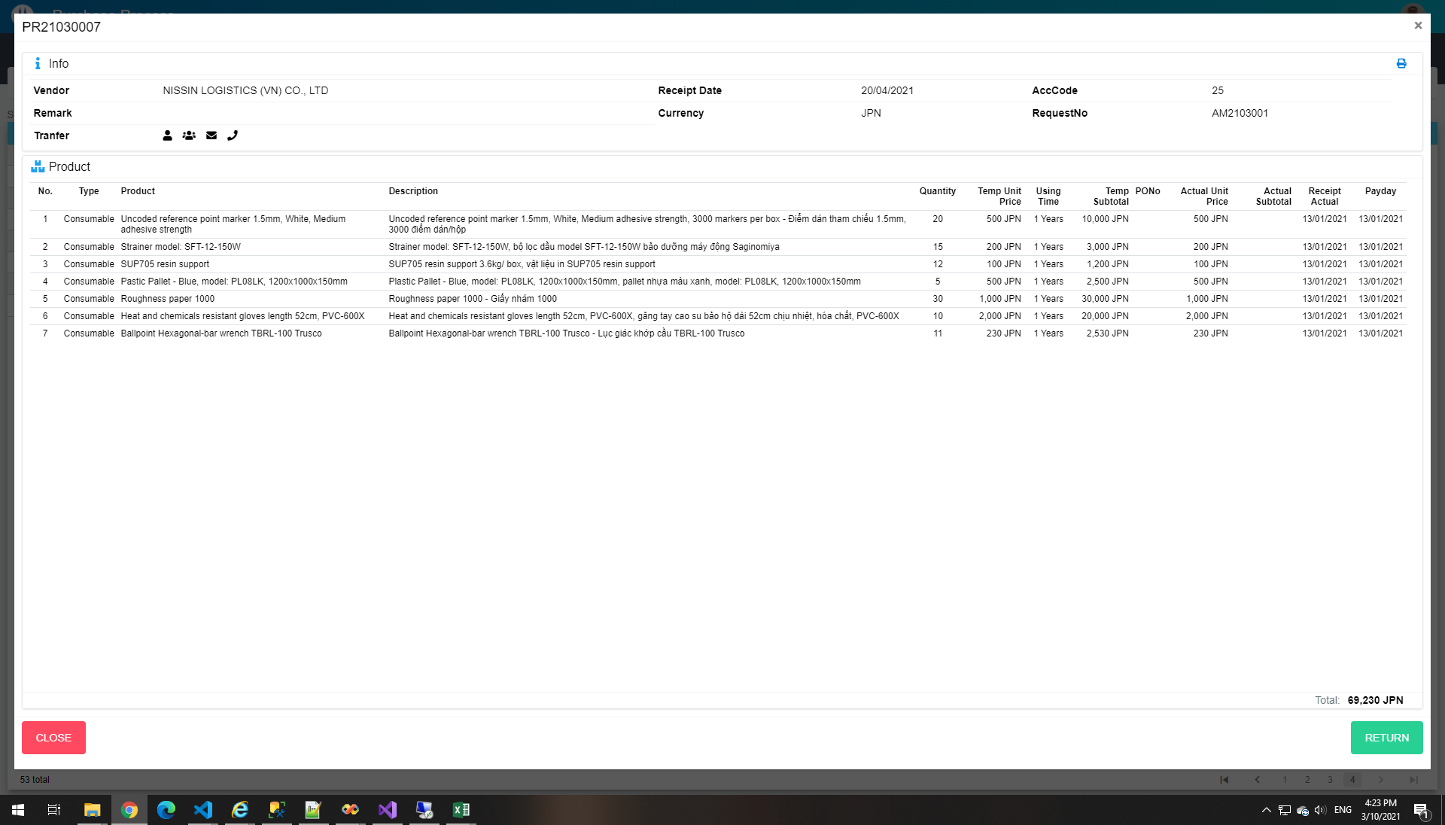

Mockup Screen

TE17
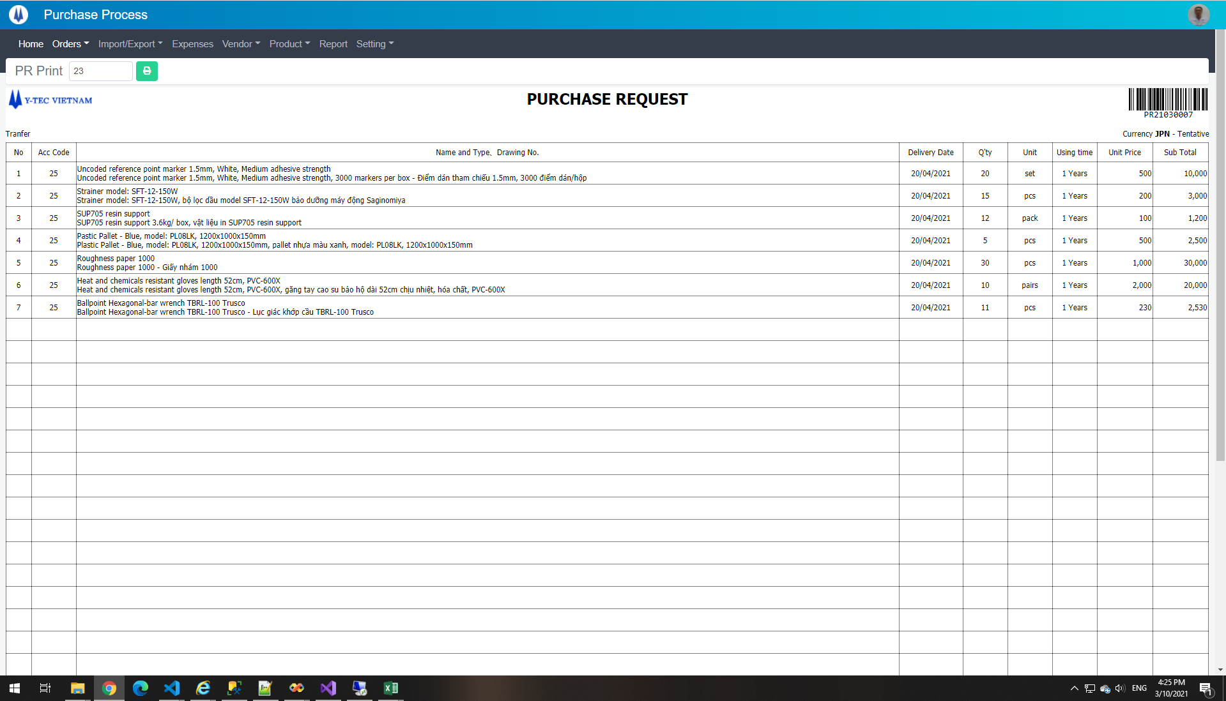

TE18
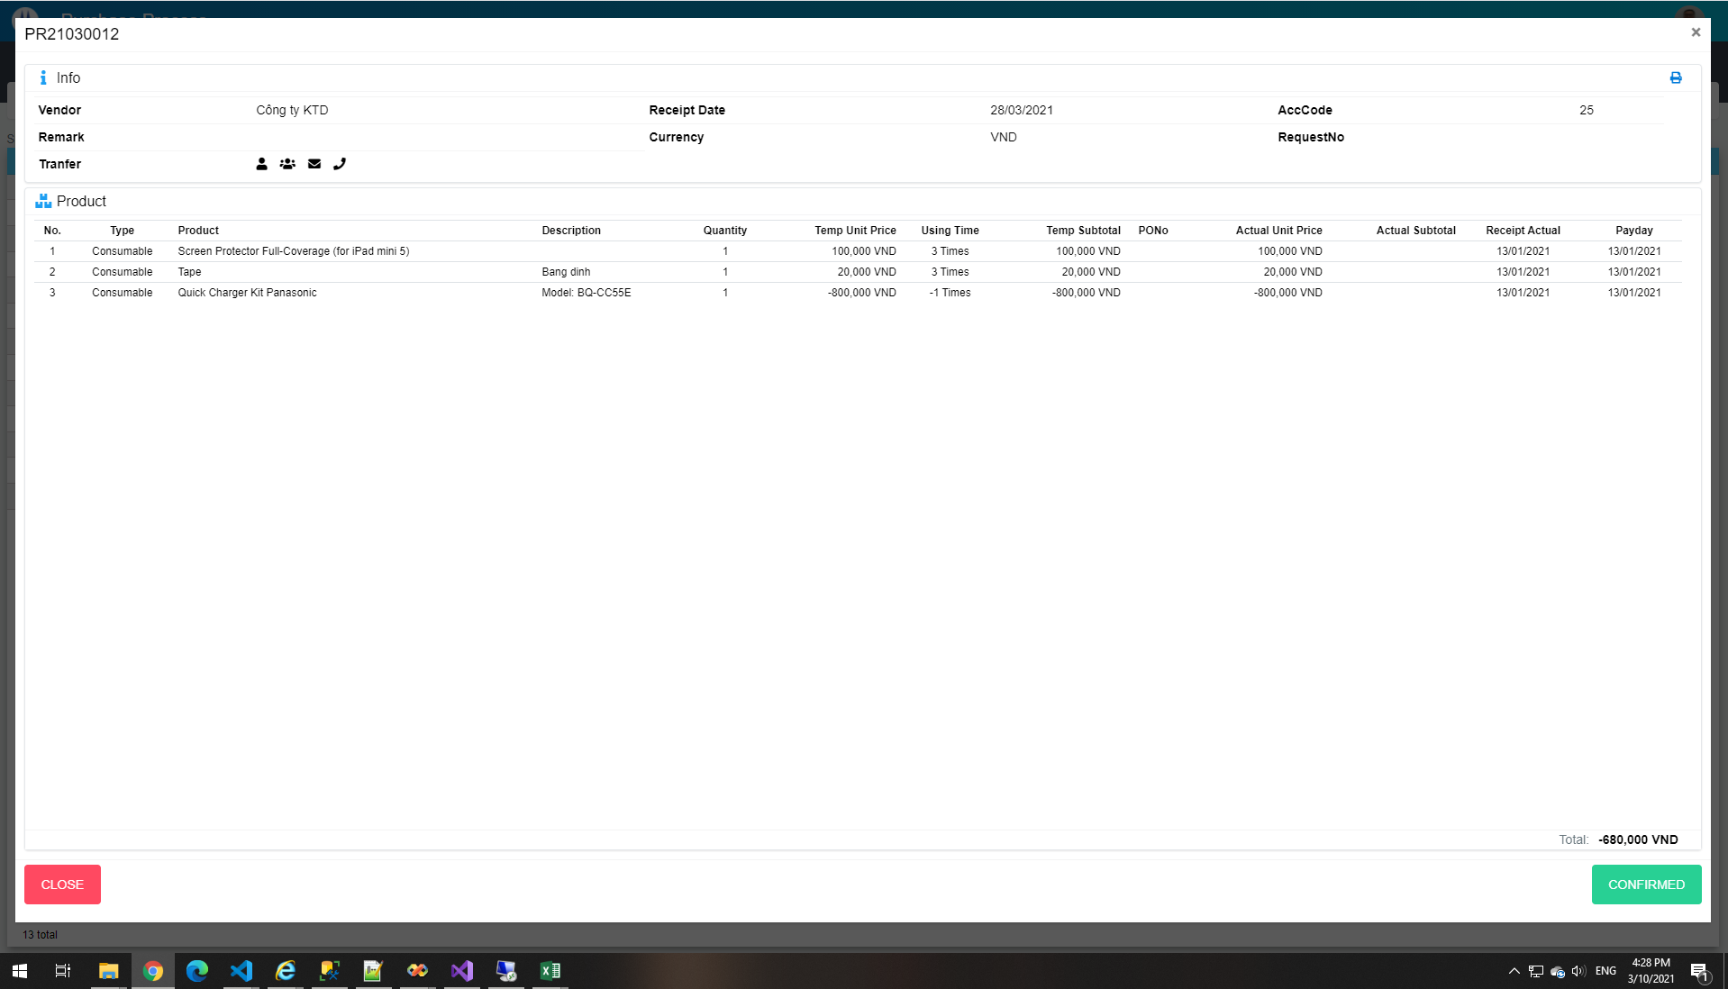

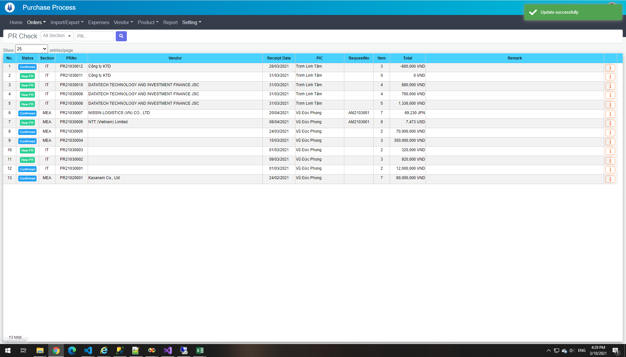

TE19
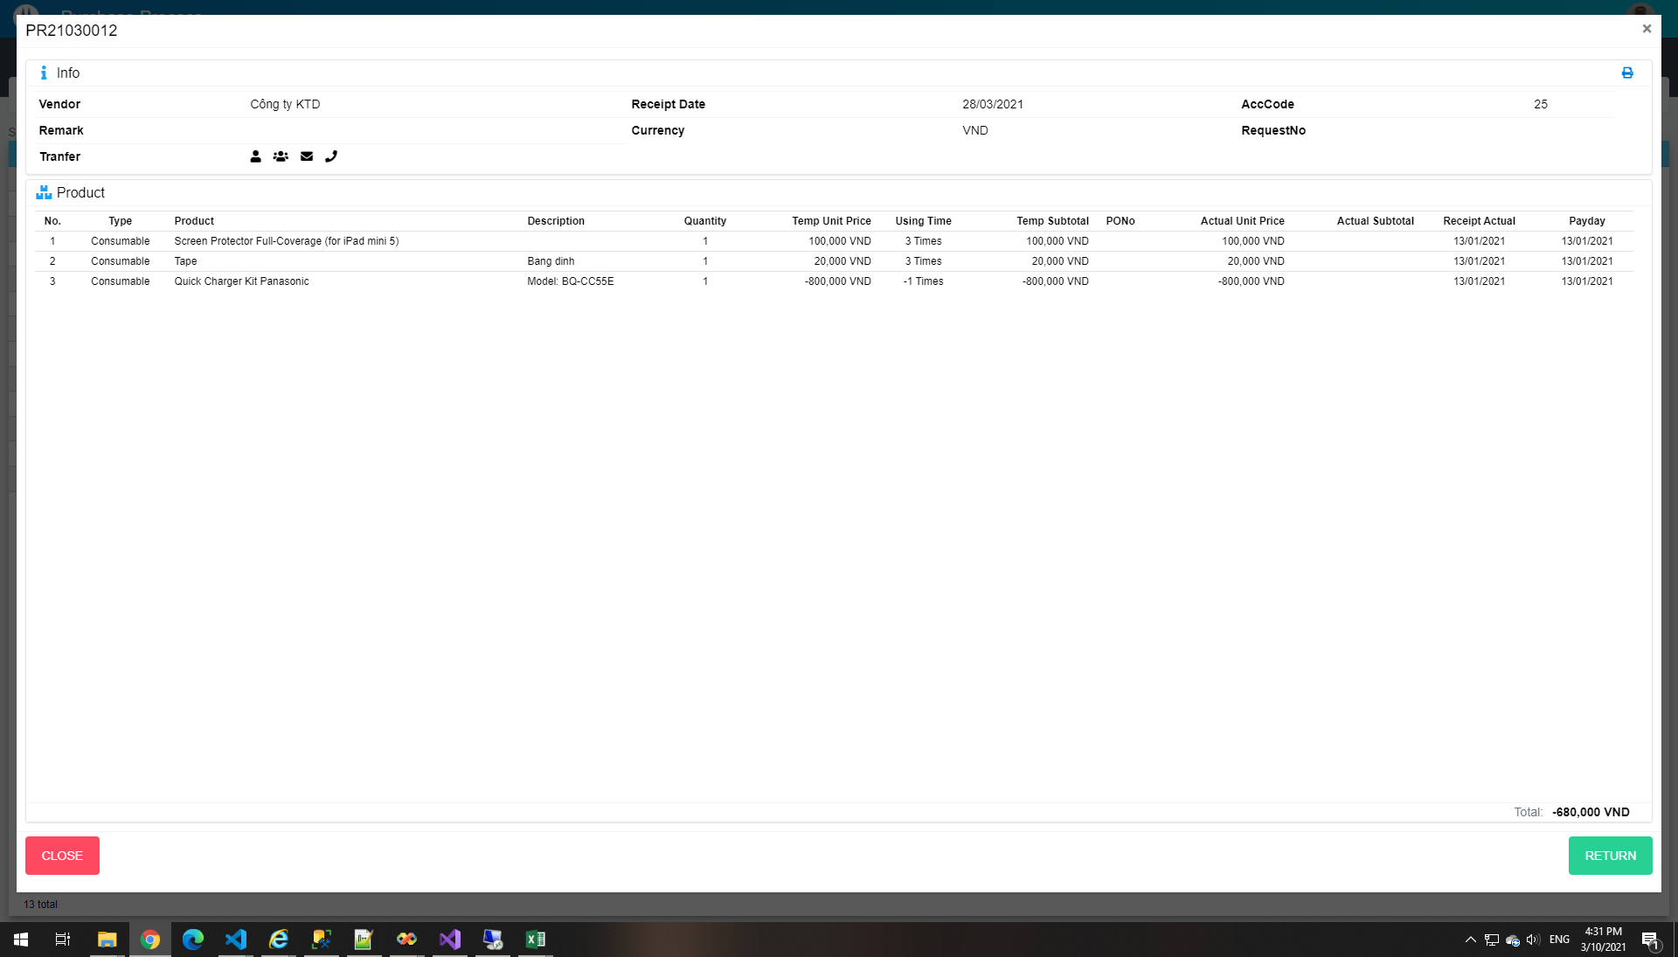

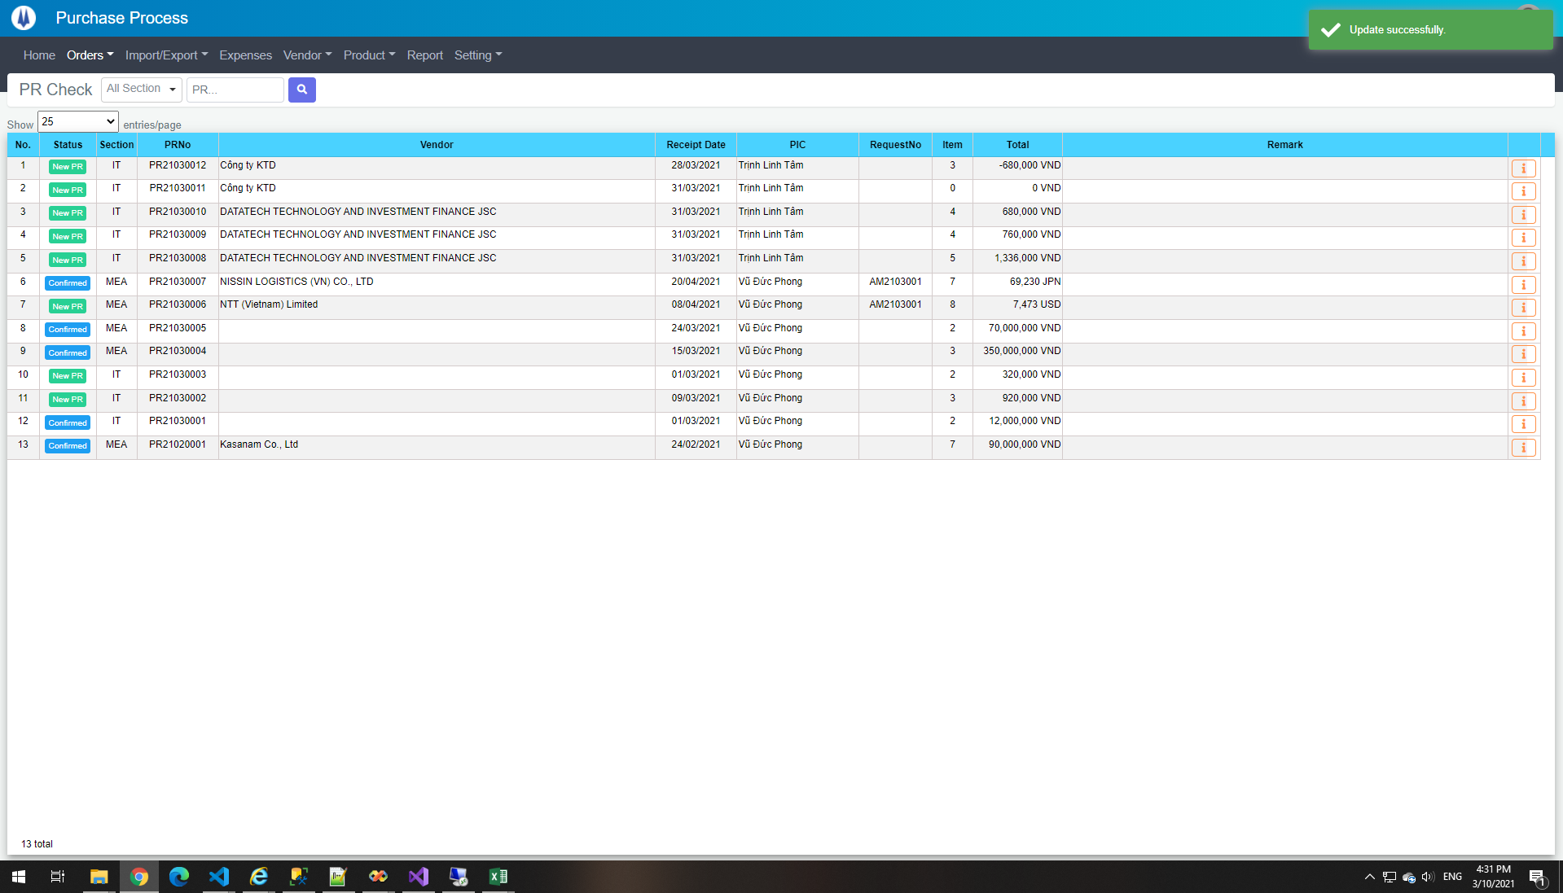

TE20
