Overview
🕵AmideSearch |  |  |  |  |  |  |  | Species: | Taxid: | Query checklist 🔎 |  |  |  |  | Summary
A comprehensive analysis of putative neuropeptide precursors in the proteome database. |  |  |  |  |  |  |  | A. rubens | 7604 | Position 1 | KK | KR | RK | RR | Total entries: |  |  | 80
 |  |  |  |  |  |  |  |  |  | A |  |  |  |  | Signal Peptides (Hits): |  |  | #REF! |  | #REF!
To submit a query and download the necessary data, go to: |  |  | NIH BLASTP Suite |  |  |  |  |  |  | R |  |  |  |  | Known NPs found: |  |  | 80 |  | (22 without duplicates)
Query architechture: | 1 | 2 | 3 | 4 |  | Sequence colour scheme: |  |  |  | N |  |  |  |  |  | KK |  | KR |  | RK |  | RR |  | All
e.g., FGRR | Any | G / Gly | Dibasic cleavage site |  |  | Signal Peptide |  | Candidate NP (Cys) |  | D |  |  |  |  | Position 1 | Total | Hits | Total | Hits | Total | Hits | Total | Hits | Total | Hits | Hit rate
 |  | (Amidation) | (e.g. KR) |  |  | Amidated G |  | Basic Cleavage Site |  | C |  |  |  |  | A | 1 | #REF! | 1 | #REF! | 1 | #REF! | 1 | #REF! | 4 | #REF! | #REF!
 |  |  |  |  |  |  |  |  |  | Q |  |  |  |  | R | 1 | #REF! | 1 | #REF! | 1 | #REF! | 1 | #REF! | 4 | #REF! | #REF!
Parameters: |  |  | Files needed: |  |  |  |  |  |  | E |  |  |  |  | N | 1 | #REF! | 1 | #REF! | 1 | #REF! | 1 | #REF! | 4 | #REF! | #REF!
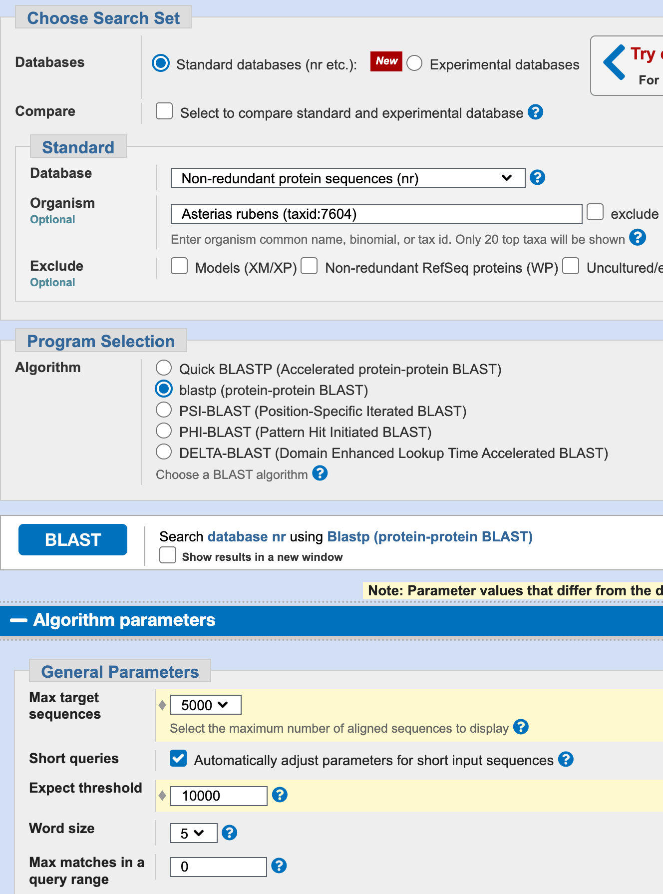
 |  |  | Sort results by Acc. Length, and select all below your threshold. |  |  |  |  |  |  | G |  |  |  |  | D | 1 | #REF! | 1 | #REF! | 1 | #REF! | 1 | #REF! | 4 | #REF! | #REF!
 |  |  | Threshold length: 350 a.a. |  |  |  |  |  |  | H |  |  |  |  | C | 1 | #REF! | 1 | #REF! | 1 | #REF! | 1 | #REF! | 4 | #REF! | #REF!
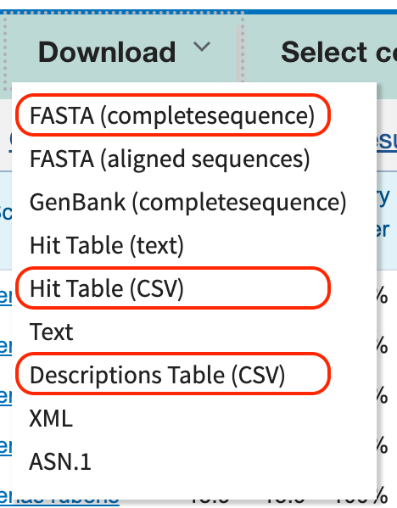
 |  |  | Then download the 3 output file formats: |  |  |  |  |  |  | I |  |  |  |  | Q | 1 | #REF! | 1 | #REF! | 1 | #REF! | 1 | #REF! | 4 | #REF! | #REF!
 |  |  |  |  |  |  |  |  |  | L |  |  |  |  | E | 1 | #REF! | 1 | #REF! | 1 | #REF! | 1 | #REF! | 4 | #REF! | #REF!
 |  |  |  |  |  | Data processing: |  |  |  | K |  |  |  |  | G | 1 | #REF! | 1 | #REF! | 1 | #REF! | 1 | #REF! | 4 | #REF! | #REF!
 |  |  |  |  | 1 | Add the query to the front of each file name. |  |  |  | M |  |  |  |  | H | 1 | #REF! | 1 | #REF! | 1 | #REF! | 1 | #REF! | 4 | #REF! | #REF!
 |  |  |  |  |  | E.g., "seqdump.txt" > "FGRR_seqdump.txt" |  |  |  | F |  |  |  |  | I | 1 | #REF! | 1 | #REF! | 1 | #REF! | 1 | #REF! | 4 | #REF! | #REF!
 |  |  |  |  | 2 | Move these files into the AmideSearch file |  |  |  | P |  |  |  |  | L | 1 | #REF! | 1 | #REF! | 1 | #REF! | 1 | #REF! | 4 | #REF! | #REF!
 |  |  |  |  | 3 | Open AmideSearch.ipynb Jupyter Notebook |  |  |  | S |  |  |  |  | K | 1 | #REF! | 1 | #REF! | 1 | #REF! | 1 | #REF! | 4 | #REF! | #REF!
 |  |  |  |  | 4 | Input each file name, with the .csv/txt, when prompted |  |  |  | T |  |  |  |  | M | 1 | #REF! | 1 | #REF! | 1 | #REF! | 1 | #REF! | 4 | #REF! | #REF!
 |  |  |  |  | 5 | The results should be automatically added to this spreadsheet |  |  |  | W |  |  |  |  | F | 1 | #REF! | 1 | #REF! | 1 | #REF! | 1 | #REF! | 4 | #REF! | #REF!
 |  |  |  |  |  |  |  |  |  | Y |  |  |  |  | P | 1 | #REF! | 1 | #REF! | 1 | #REF! | 1 | #REF! | 4 | #REF! | #REF!
 |  |  |  |  | 6 | Submit seqdump file to SignalP, and fill in P-values |  |  |  | V |  |  |  |  | S | 1 | #REF! | 1 | #REF! | 1 | #REF! | 1 | #REF! | 4 | #REF! | #REF!
 |  |  |  |  |  |  |  |  |  |  |  |  |  |  | T | 1 | #REF! | 1 | #REF! | 1 | #REF! | 1 | #REF! | 4 | #REF! | #REF!
 |  |  |  |  |  |  |  |  |  |  |  |  |  |  | W | 1 | #REF! | 1 | #REF! | 1 | #REF! | 1 | #REF! | 4 | #REF! | #REF!
 |  |  | File |  |  | Raw file name |  |  |  |  |  |  |  |  | Y | 1 | #REF! | 1 | #REF! | 1 | #REF! | 1 | #REF! | 4 | #REF! | #REF!
 |  |  | FASTA (completesequence) = |  |  | "seqdump.txt" |  |  |  |  |  |  |  |  | V | 1 | #REF! | 1 | #REF! | 1 | #REF! | 1 | #REF! | 4 | #REF! | #REF!
 |  |  | Hit Table (CSV) = |  |  | "M73U4E2Z01N-Alignment-HitTable.csv"
 |  |  | Descriptions Table (CSV) = |  |  | "M73U4E2Z01N-Alignment-Descriptions.csv"
 |  |  |  |  |  | ^String will be unique for each query

 |  |  |  |  |  | Created by | AJ Martin – Elphick Group
 |  |  |  |  |  |  | School of Biological and Behavioural Sciences
 |  |  |  |  |  |  | Queen Mary Univerisity of London, London UK

