Main
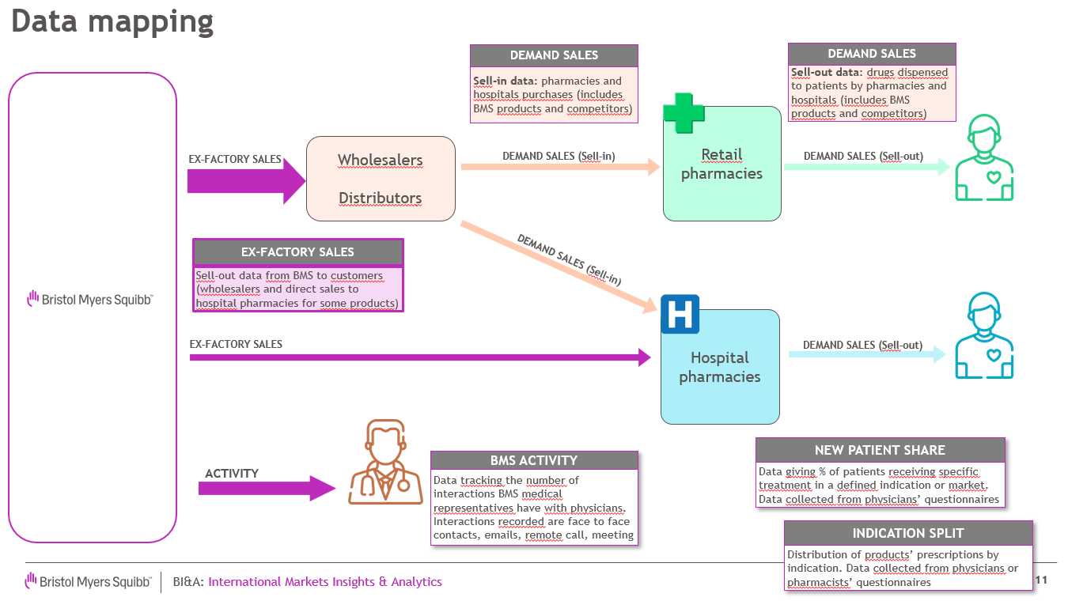
Dataset name | INNOVIX_Floresland
Market overview | INNOVIX is a product promoted by BMS available in Floresland. Main competitor is YREX. INNOVIX and YREX are used for multiple indications (diseases). Promotion is done through multiple channels (face to face discussion with clinicians, emails, remote calls, meetings) Ex-factory volumes are only available at total level not by indication however market research study provides estimates of patient on INNOVIX and YREX by indication (indication split tab)

DATASET CONTENT

 | Ex-factory volumes | Forecast volumes | Demand volumes | Activity | Share of voice | New patient share | Indication split
Definition | Sell-out sales from BMS to customers (wholesalers, hospitals) Main data to forecast | Volume forecast output from different trending models | Sell-in data: pharmacies or hospitals purchases (includes BMS products and competitors) | Internal BMS data tracking the number of interactions BMS medical representatives have with physicians | Percentage of total activity that a brand or company holds within its market compared to its competitors | Percentage of new patients receiving a specific drug within a defined market or indication | Distribution of patients or sales by indication
Time period | From Jan'18 to Oct'24 | Nov'24 to Dec'25 | Aug'20 to Jul'24 | May’18-Jul’24 | Jan'20 to Jul'24 | Aug'19-Sept'24 | Jan’20-Jul’24
Metric | Volumes sales of INNOVIX in milligrams | Volume forecast of INNOVIX in milligrams | Volumes sales of BMS INNOVIX and key competitor in mg and month of treatment | Number of interactions BMS medical representatives with clinicians by communication channel and indication | Share in % of each product based upon their company activity by indication | Share in % of each product | % of patients prescribed a specific Product by indication and sub-indication
Add. info |  | Forecast run based on actual ex-factory volume sales till Oct'24 Trending algorithms used: XG Boost, ARIMA, ETS, TBATS, TSLMx | Month of treatment is used to compare products as milligrams is not an appropriate measure for comparison since each product have different dosing regimen |  | Purchased data from third party collecting activity of pharma companies by product and indication | Purchased data from third party, based on surveys filled by physicians and tracking treatment prescribed to new patients | Purchased data from third party, based on surveys filled by hospital pharmacists and tracking treatment dispensed to patients by indication

For data anonymization, countries, product and indications have been replaced by fictional names

