Main
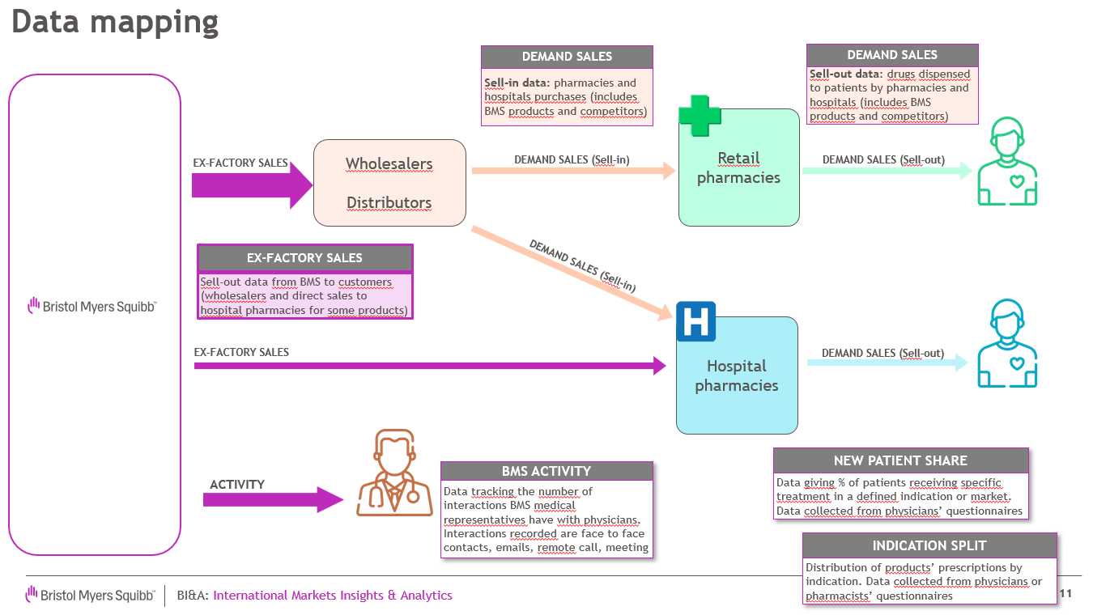
Dataset name | BRISTOR_Zegoland
Market overview | BRISTOR is a product promoted by BMS available in Zegoland. Market is crowded and includes multiple competitors (for the sake of this exercise, they are all grouped under competitors). BRISTOR is used for 2 different indications (diseases). Promotion is done through multiple channels (face to face discussion with clinicians, emails, remote calls, meetings) Ex-factory volumes are only available at total level not by indication however market research study provides estimates of patients on BRISTOR by indication

DATASET CONTENT

 | Ex-factory volumes | Forecast volumes | Demand volumes | Patient numbers | Activity | Share of voice
Definition | Sell-out data from BMS to customers (wholesalers, hospitals) Main data to forecast | Volume forecast output from different trending models | Sell-in data: pharmacies or hospitals purchases (includes BMS products and competitors) | Number of patients receiving BRISTOR and competitors each month by indication | Internal BMS data tracking the number of interactions BMS medical representatives have with physicians | Percentage of total activity that a brand or company holds within its market compared to its competitors
Time period | From Aug'20 to Oct'24 | Nov'24 to Dec'25 | Sept'20 to Jun'24 | Jan'21 to Aug'24 | Jul'20 to Oct’24 | Feb'21 to May'24
Metric | Volumes sales of BRISTOR in milligrams of product | Volume forecast of BRISTOR in mg | Volumes sales of BRISTOR and competitors in days of treatment by indication | Patient number and share. Data available by indication, for new patients (newly diagnosed and treated) vs total patient (new +continuing patients) | Number of interactions BMS medical representatives with clinicians by communication channel | Share in % of BRISTOR and competitors upon the company activity
Add. info |  | Forecast run based on actual ex-factory volume sales till Oct'24 Trending algorithms used: XG Boost, ARIMA, ETS, TBATS, TSLMx | Months or days of treatment are preferred unit of measure for comparing products sales | Sourced from database providing anonymized patient related prescription information covering >80% of all submitted statutory health insurance prescriptions |  | Purchased data from third party collecting activity of pharma companies by product and indication

For data anonymization, countries, product and indications have been replaced by fictional names

