Main
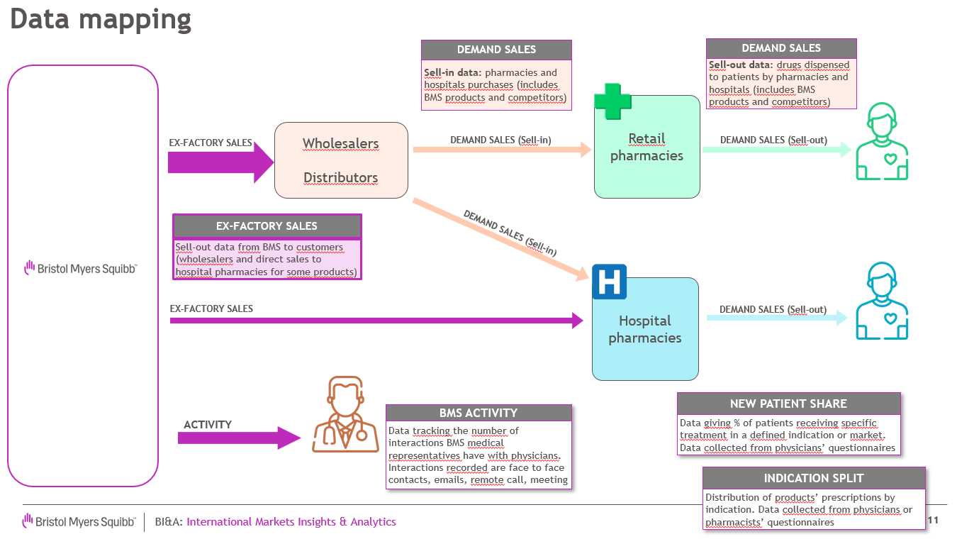
Dataset name | INNOVIX_Elbonie
Market overview | Innovix is a product promoted by BMS available in Elbonie. Its main competitor is Yrex. Innovix and Yrex are used for multiple indications (diseases). Promotion is done through multiple channels (face to face discussion with clinicians, emails, remote calls, meetings) Ex-factory volumes are only available at total level not by indication however market research study provides estimates of patient on INNOVIX by indication

DATASET CONTENT

 | Ex-factory volumes | Forecast volumes | Demand volumes | Indication split | Activity
Definition | Sell-out data from BMS to customers (wholesalers, hospitals) Main data to forecast | Not available | Sell-in sales: pharmacies or hospitals purchases (includes BMS product and key competitor) | Distribution of patients by indication | Data tracking the number of interactions of BMS medical representatives with physicians by channel as well as key competitor YREX
Time period | Jan'18 to Oct'24 |  | Jan'18 to Oct'24 | Jan'18 to Sept'24 | Oct'22 to Oct'24
Metric | Volume sales of INNOVIX in mg |  | Volumes sales of INNOVIX and YREX in mg | % of patients prescribed a specific Product by indication | Number of interactions by communication channel and by indication
Add. info | For this country, BRISTOR ex-factory and demand volumes are similar |  |  | Purchased data from third party, based on surveys filled by hospital pharmacists and tracking treatment dispensed to patients by indication

For data anonymization, countries, product and indications have been replaced by fictional names

