Overview
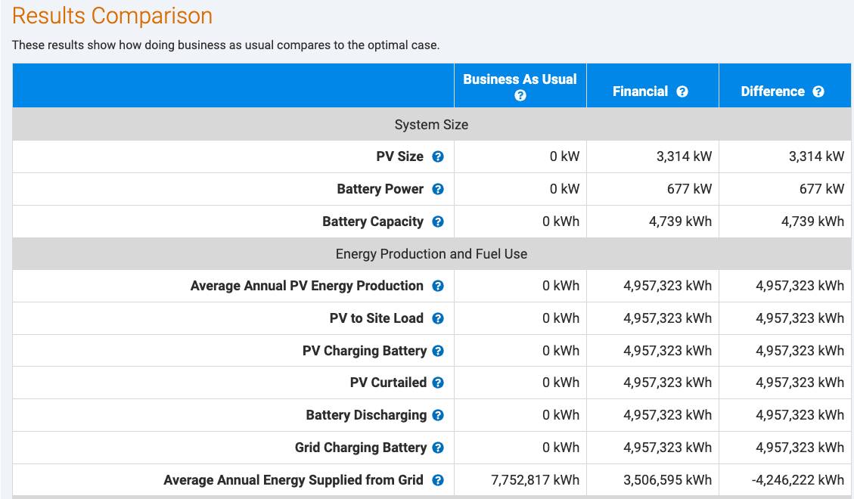
Summary of Scope of Work for Webtool Results Table Update Project Overview: This document outlines the proposed updates to the webtool results table as part of the upcoming project with the Industrial Efficiency & Decarbonization Office (IEDO). The primary objective is to revise the table to meet the specific requirements of IEDO, with a focus on enhancing the "Energy Production and Fuel Use" section. Integration of REopt Variables: The updated table will include a detailed mapping to the REopt variables, which will be activated based on the technology selected by the user. Timeline: The goal is to have these updates incorporated by the end of January. Next Steps: Finalization of the updated table and mapping (Total of 36 results if all of the technologies are selected)

