Sheet1
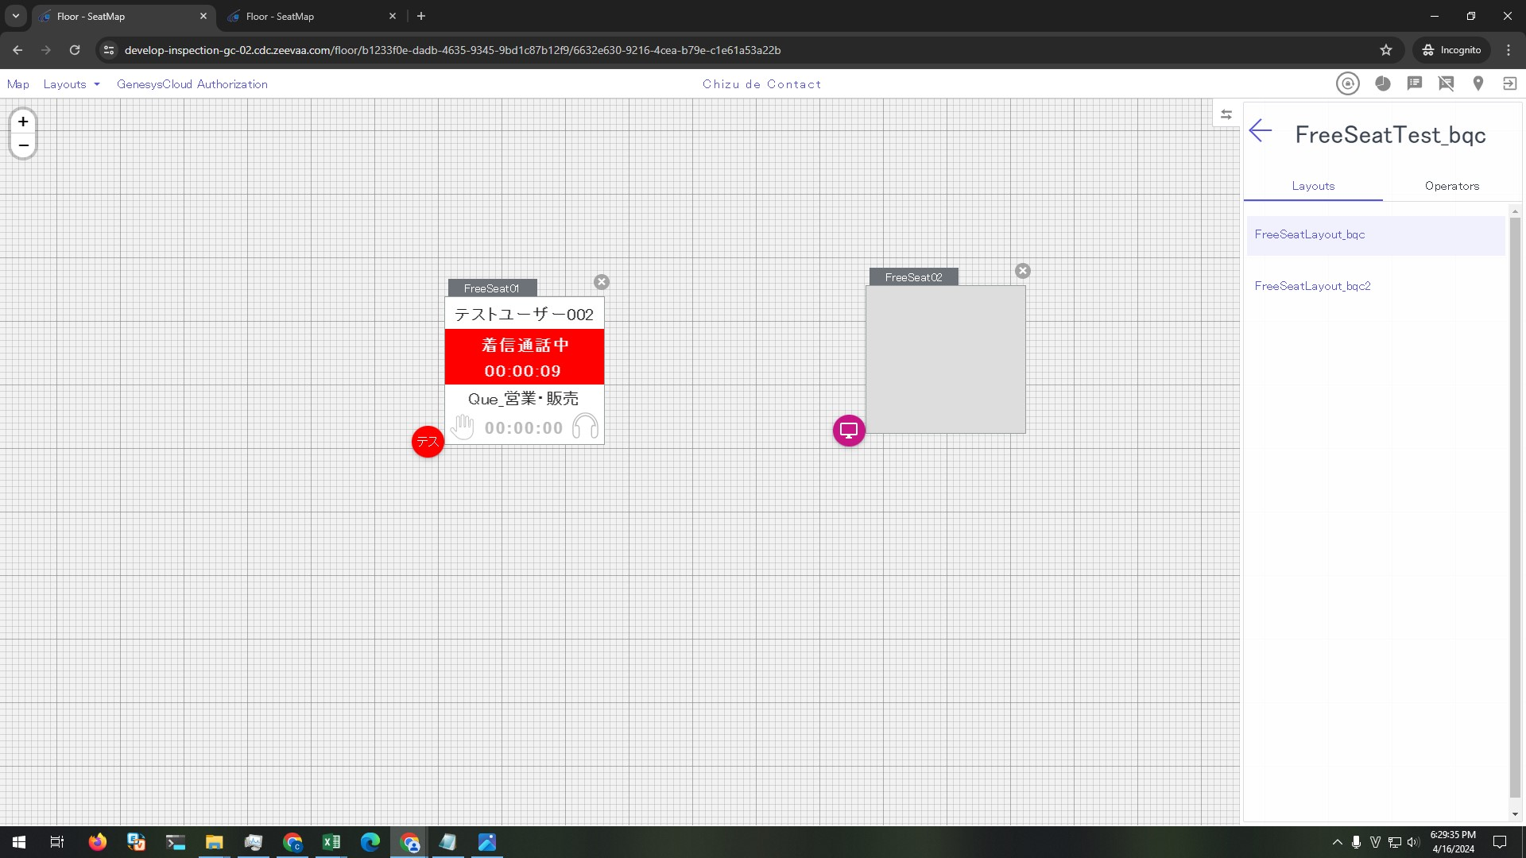
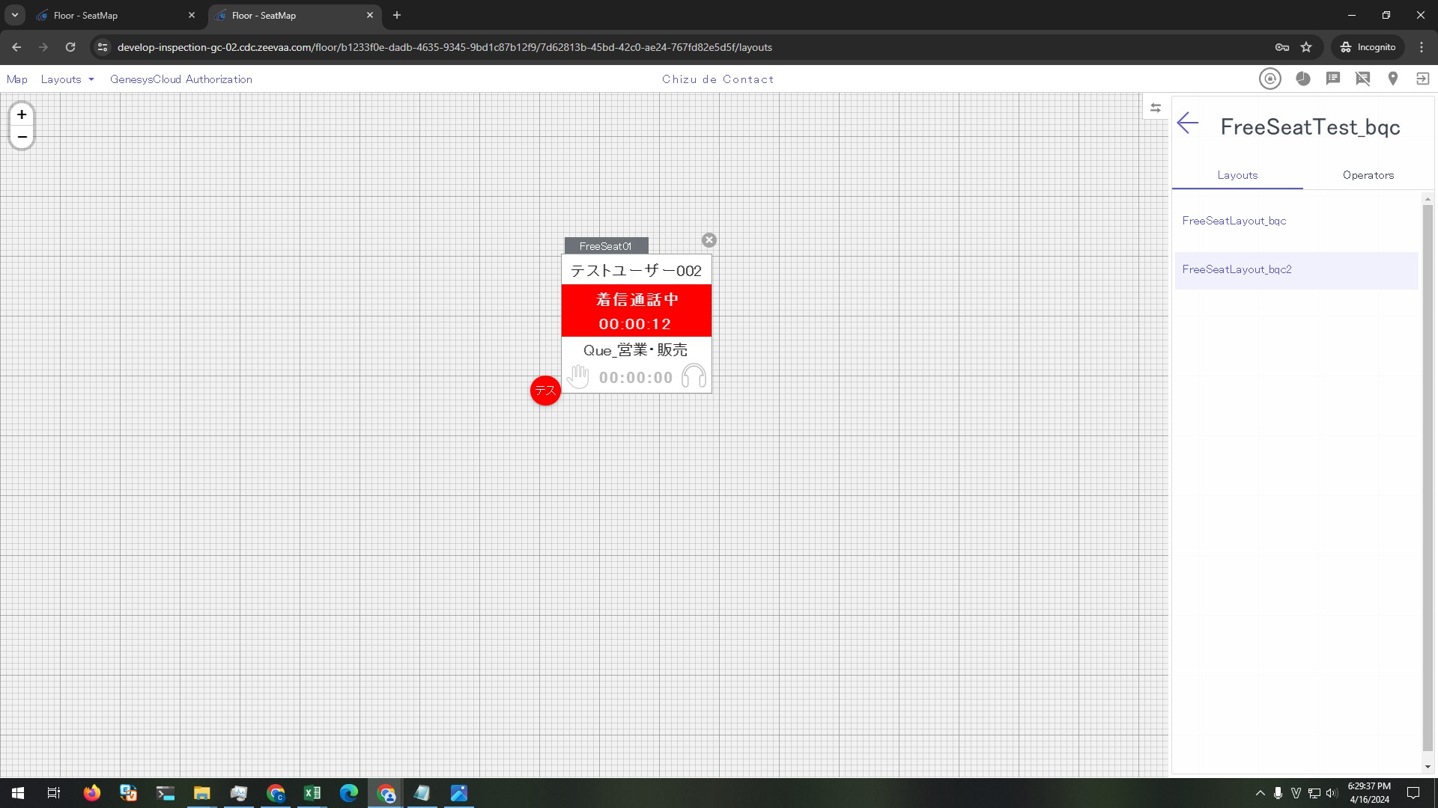
Preconditions

 | 1. Continue with IT-SS-4-5-2

Steps

 | 1. On GC answer an incoming external call

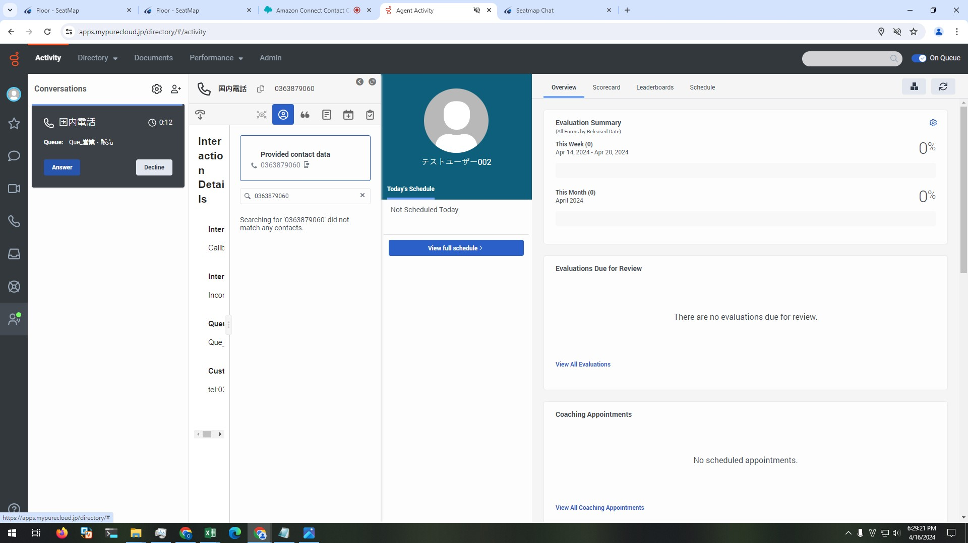

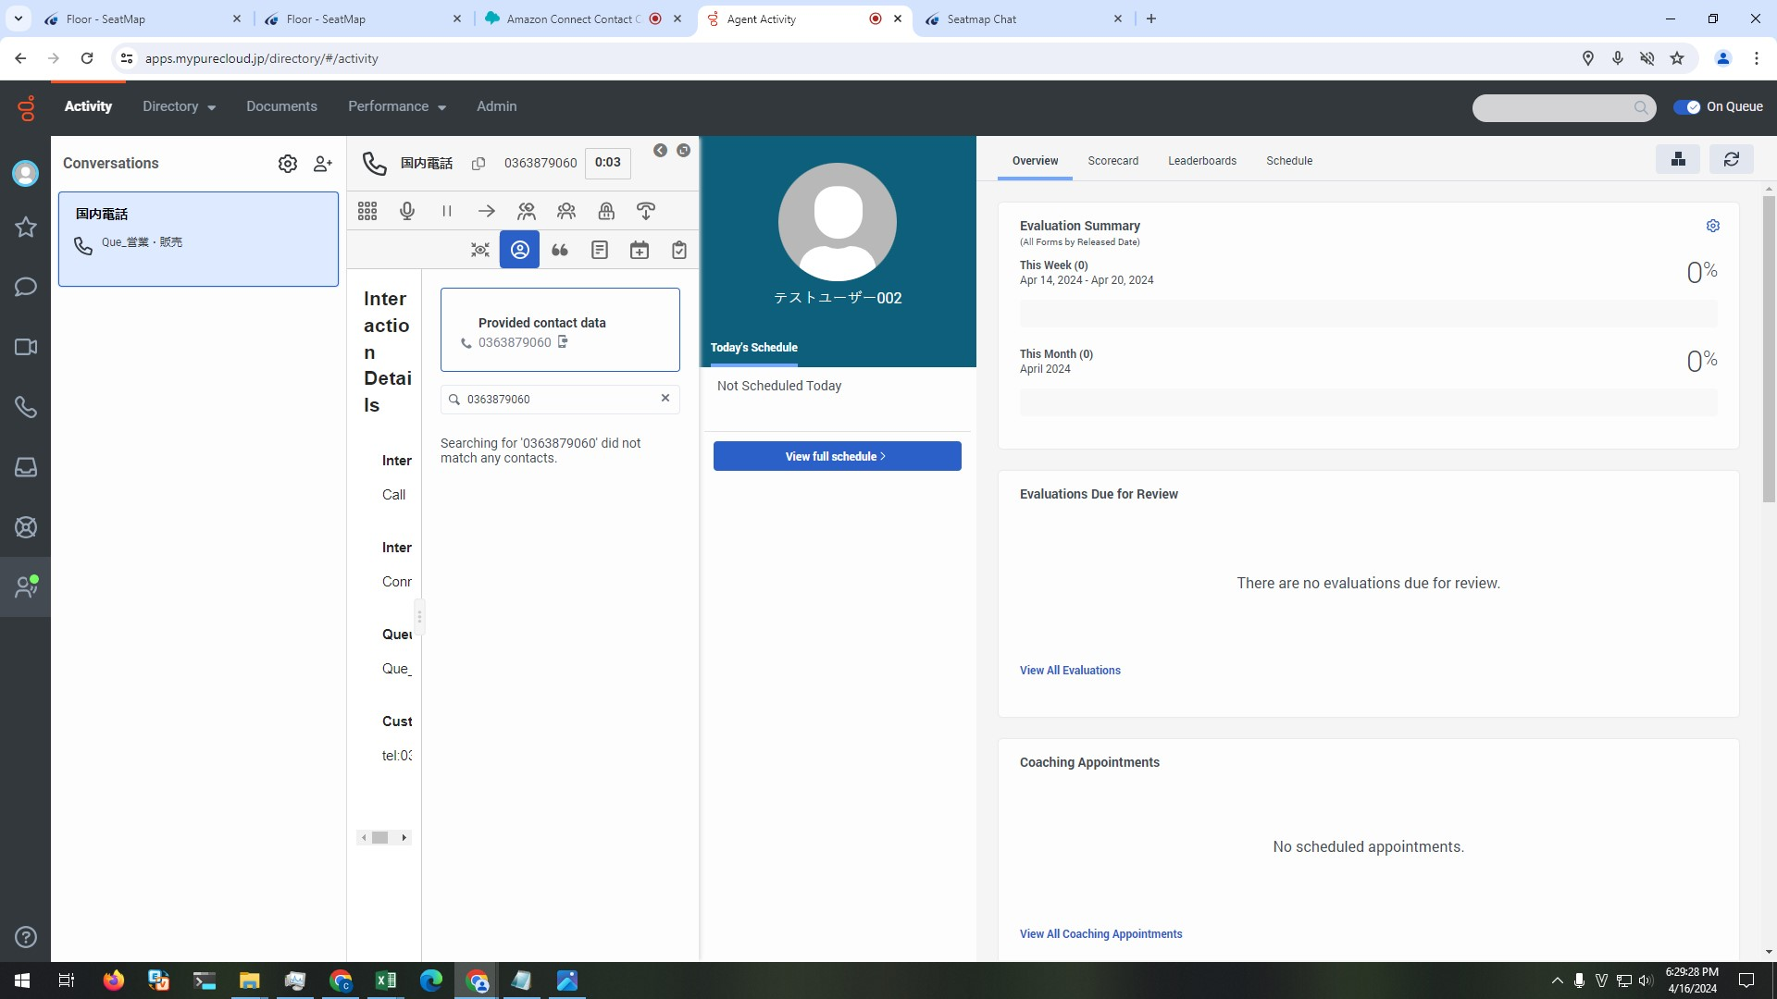

 | 2. View FreeSeat01 in FreeSeatLayout_bqc and FreeSeatLayout_bqc2

 |  | 2.1.Control's text is shown as below:
 |  | - Seat number: SeatName
 |  | - User name: テストユーザー002
 |  | - Status: 着信通話中
 |  | - Time: total time from answer an incoming external call timing (format: HH:MM:ss)
 |  | 2.2 Background is red

