Sheet1
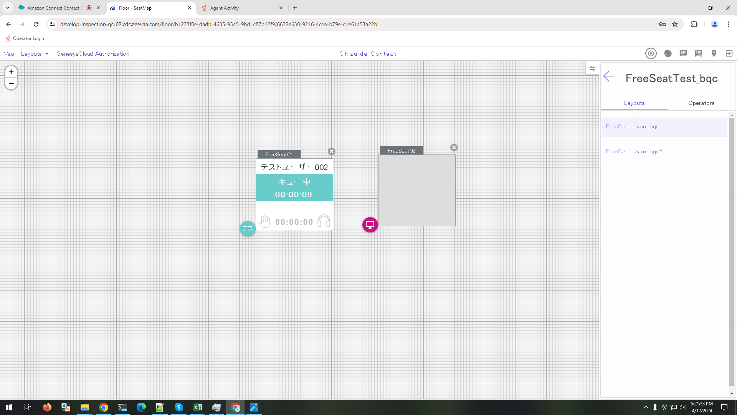
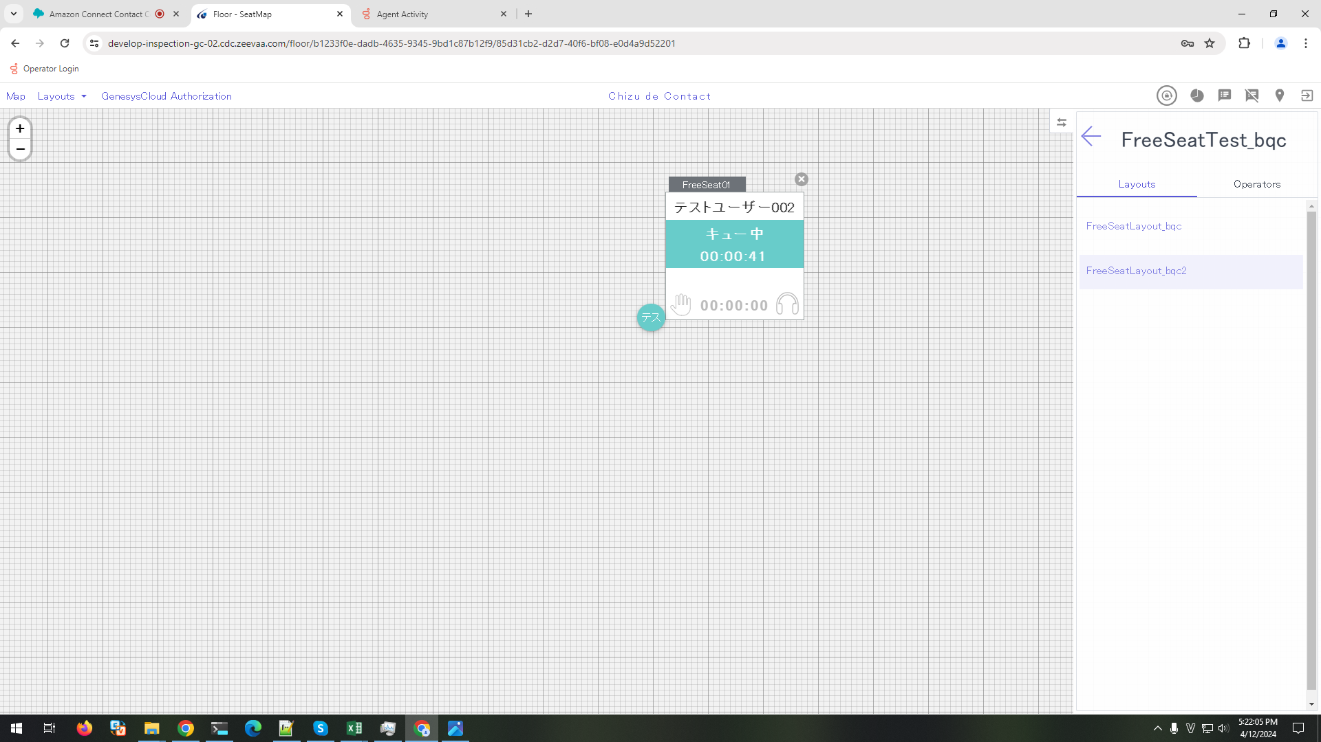
Preconditions

 | 1. The following FreeSeat has been set on seatmap
 | ・Site Name: FreeSeatTest_bqc
 | ・Layout: FreeSeatLayout_bqc
 | ・FreeSeat:
 | - FreeSeat01
 | - FreeSeat02

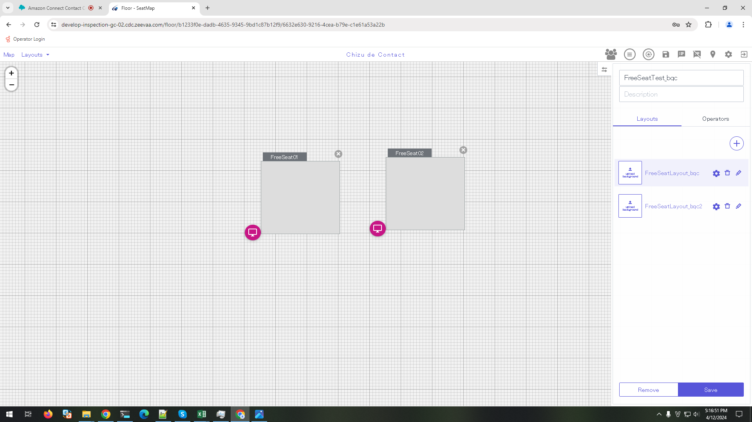

 | ・Site Name: FreeSeatTest_bqc
 | ・Layout: FreeSeatLayout_bqc2
 | ・FreeSeat:
 | - FreeSeat01

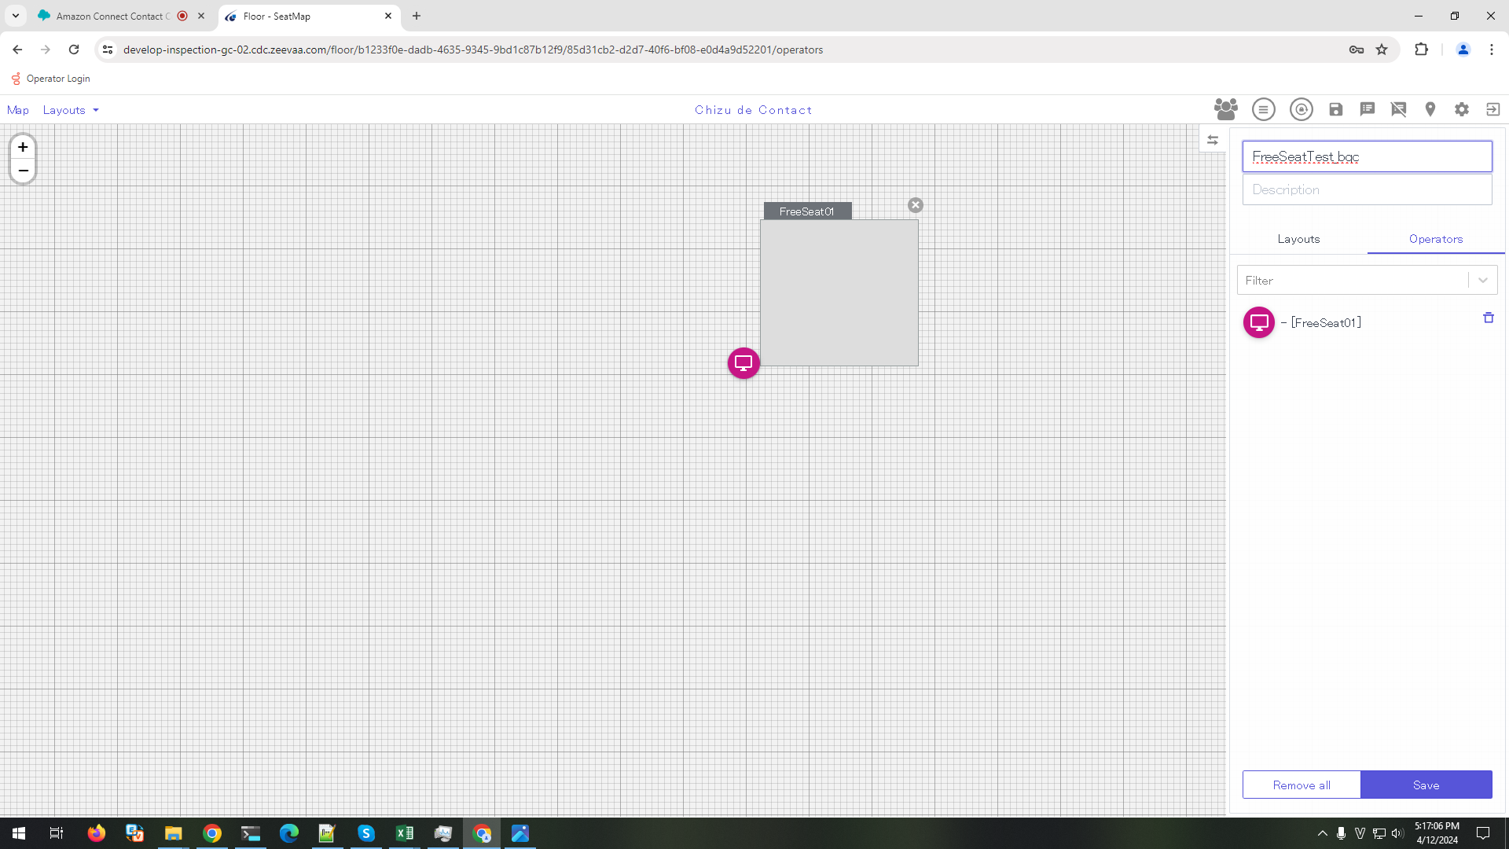

 | 2. Create Group [group-test]

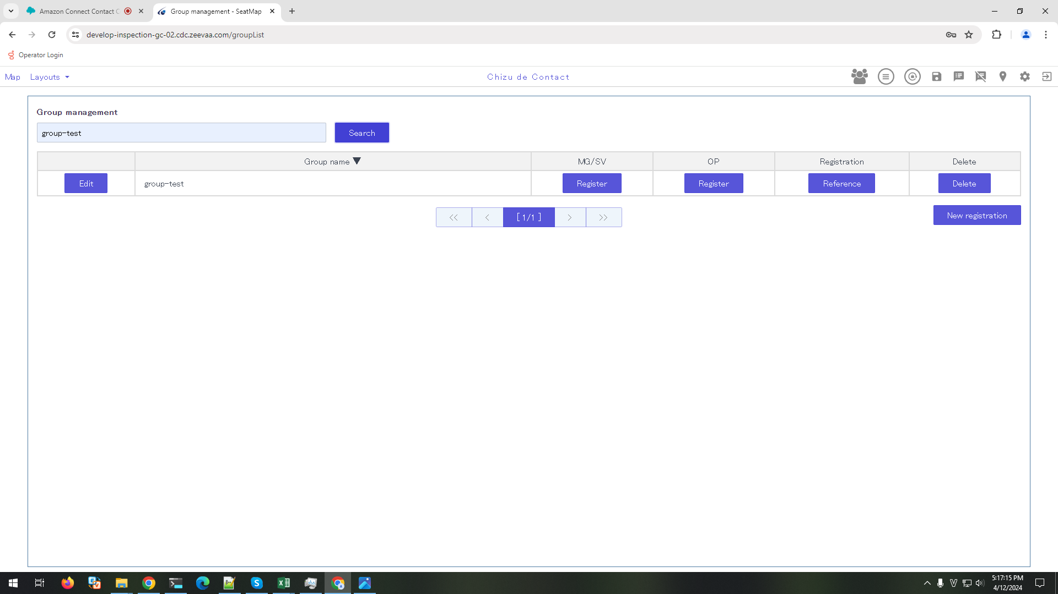

 | 3. Setting Manager/ SV and OP as below
 | Manager/SV: supervisor

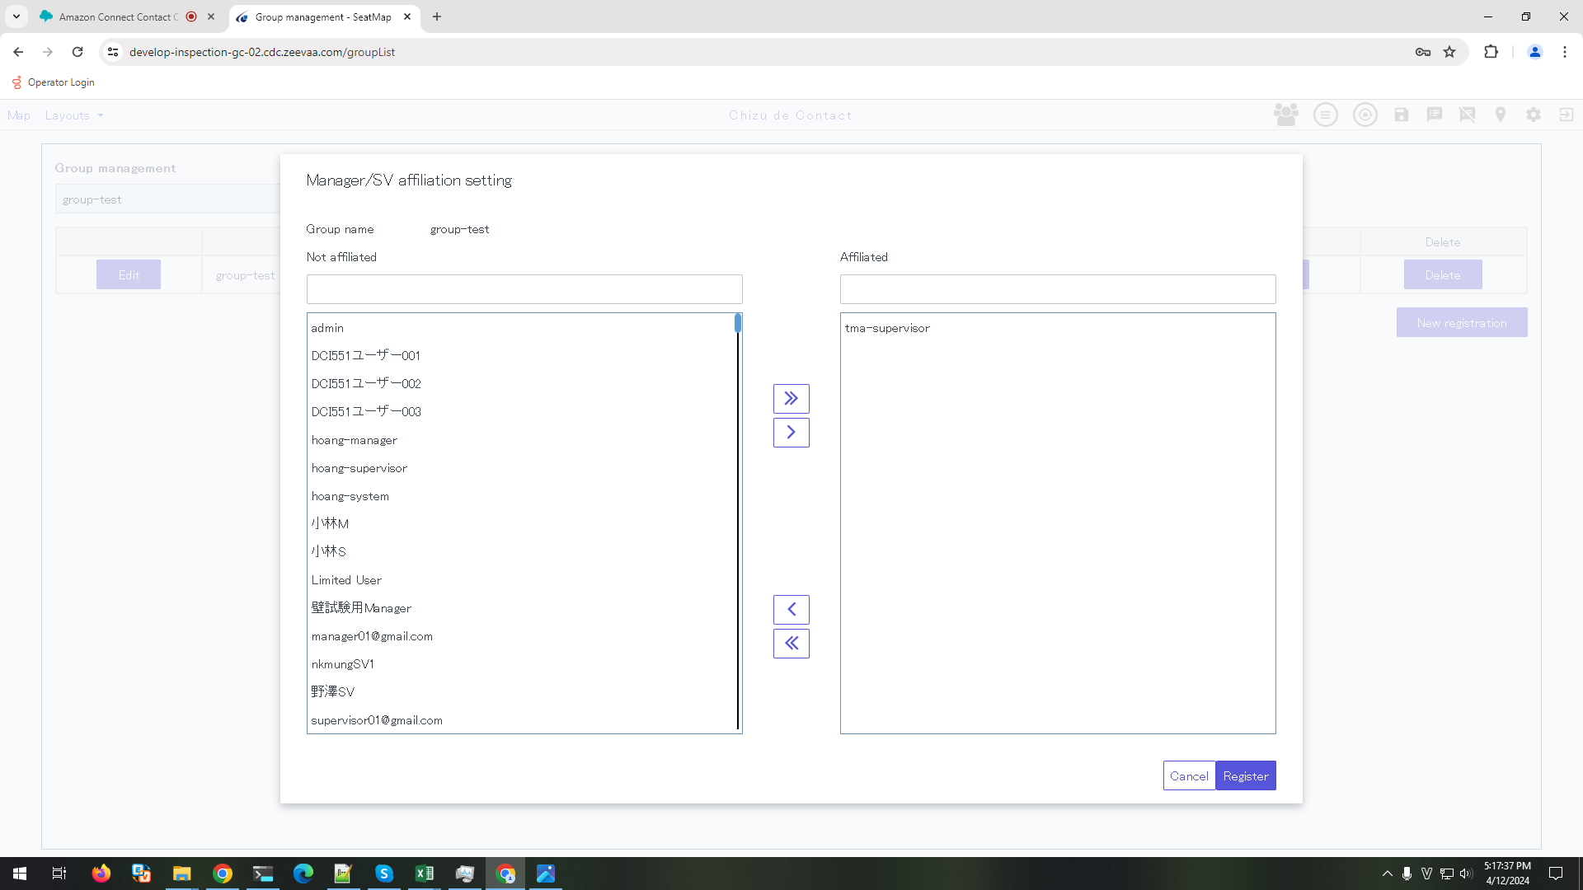

 | OP: テストユーザー002

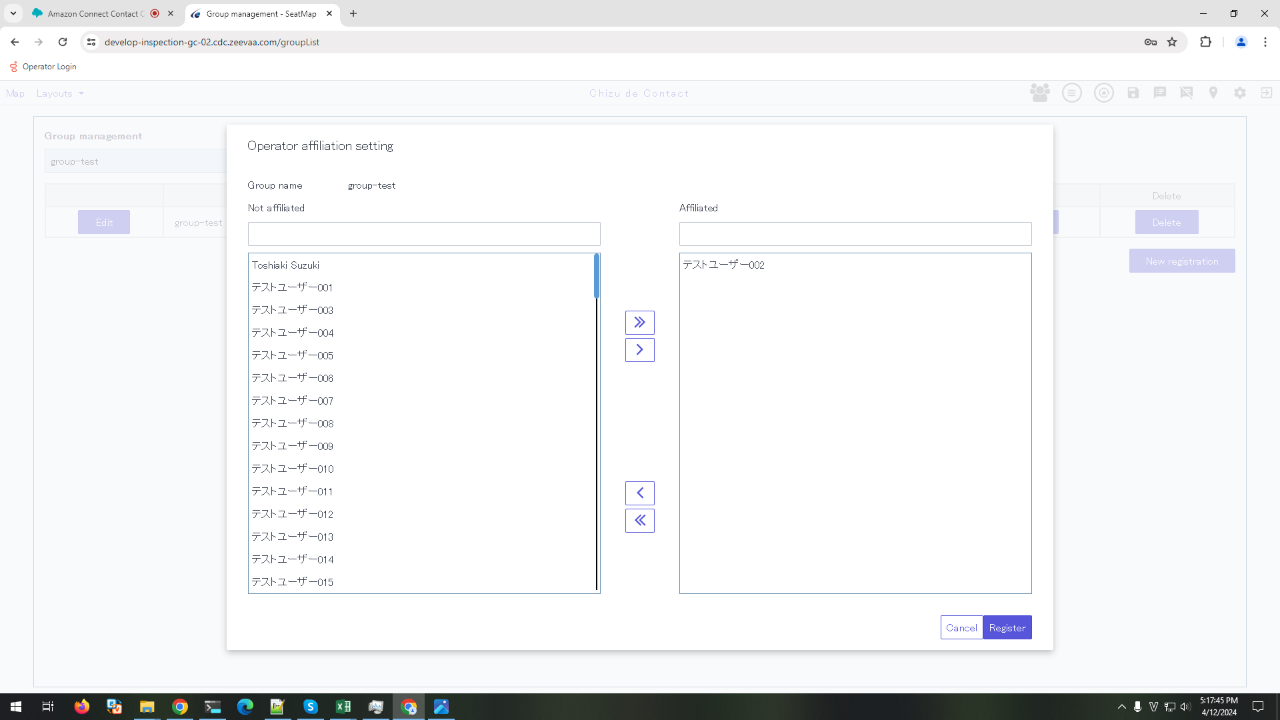

 | 4. Mapping FreeSeat Layout with group [group-test]

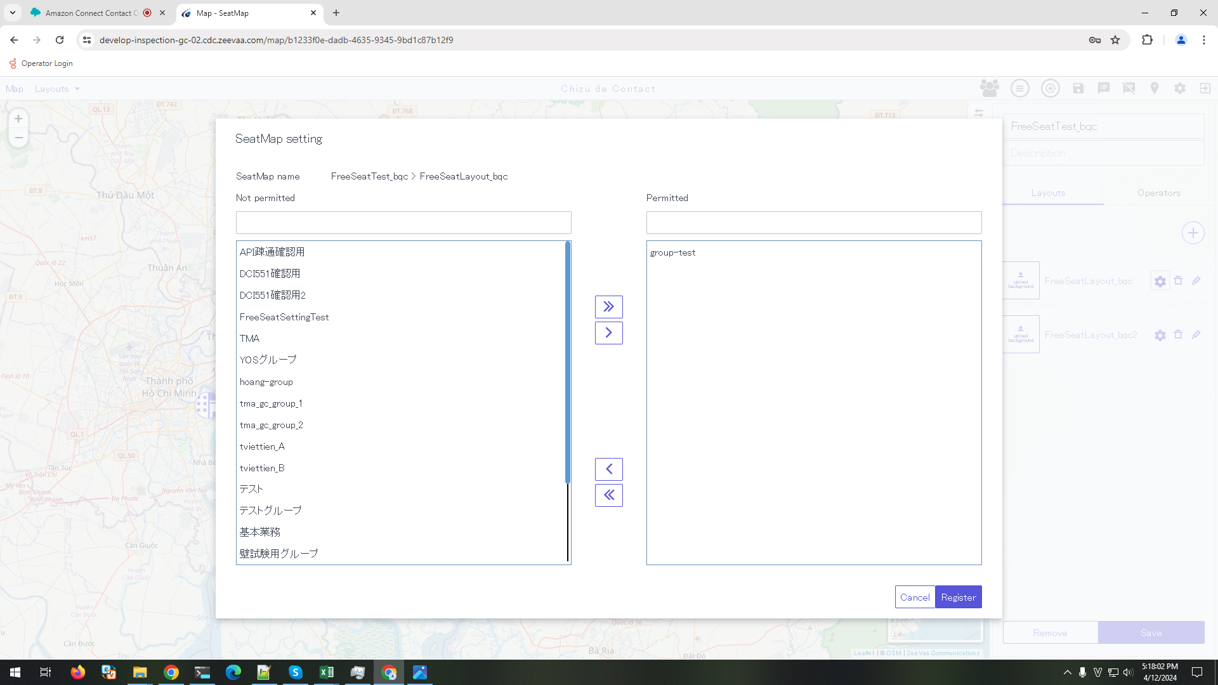



 | 5. Logged in Map successfully by using supervisor account

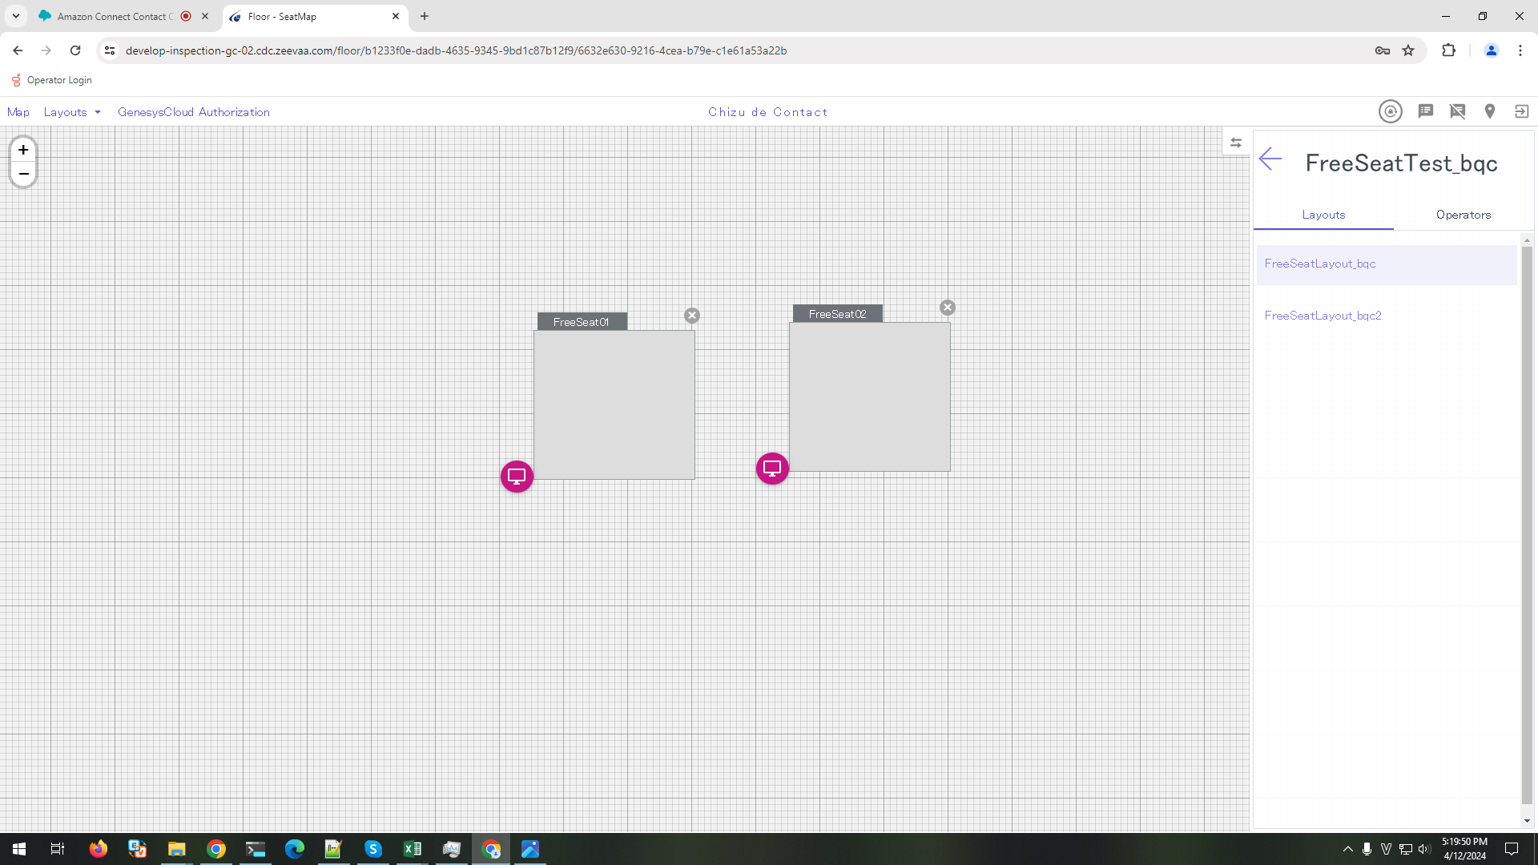

 | 6. On Operator Client login screen select [FreeSeatTest_bqc > All layouts > FreeSeat01] and logged in successfully by テストユーザー002 account

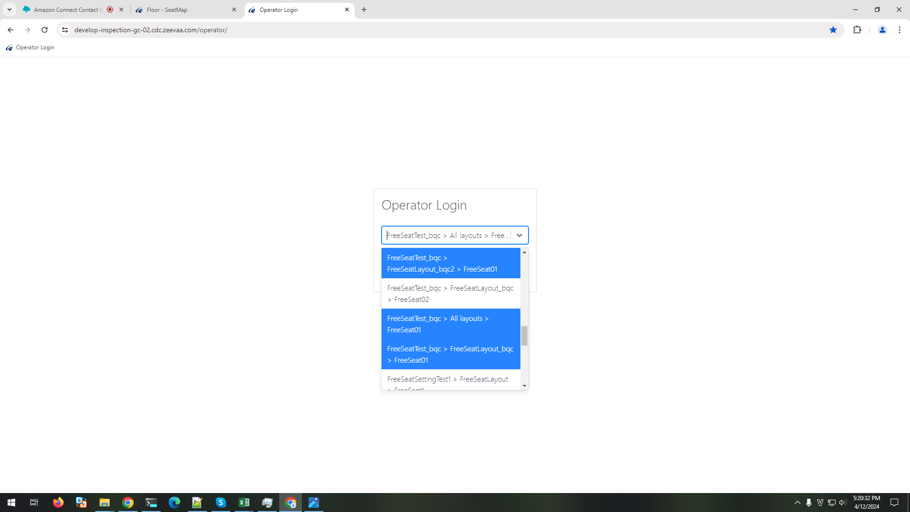

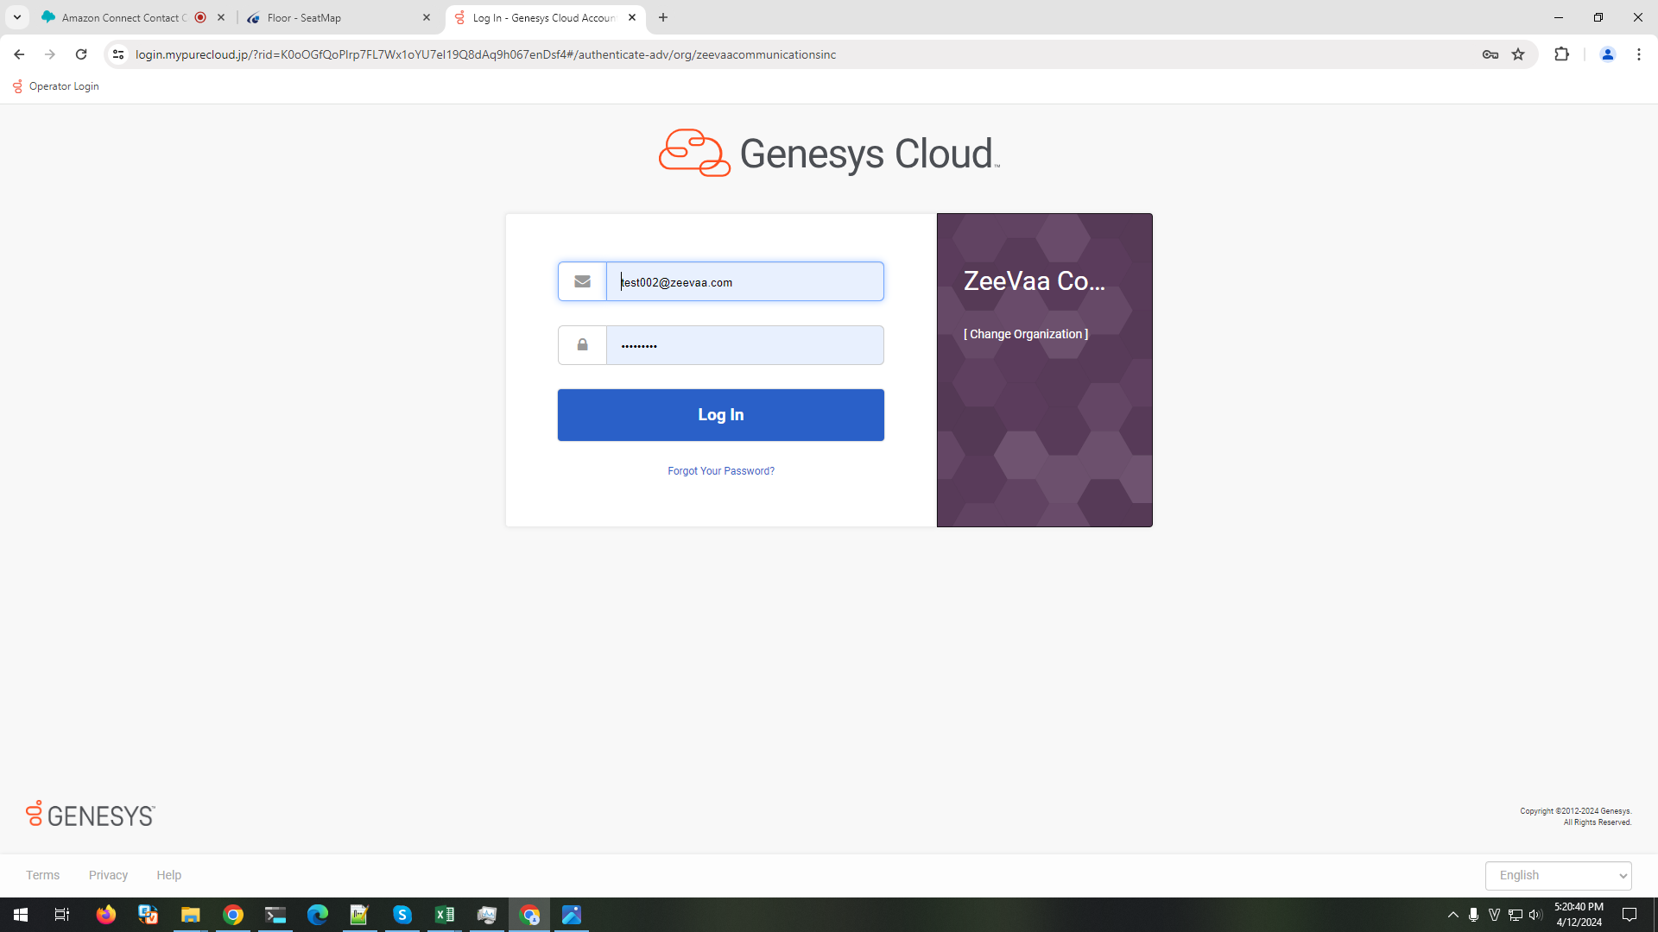

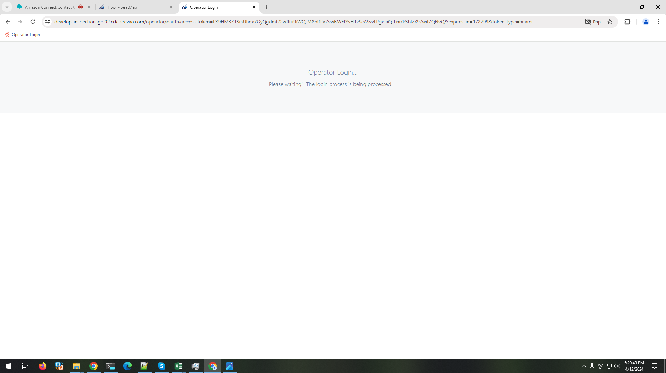

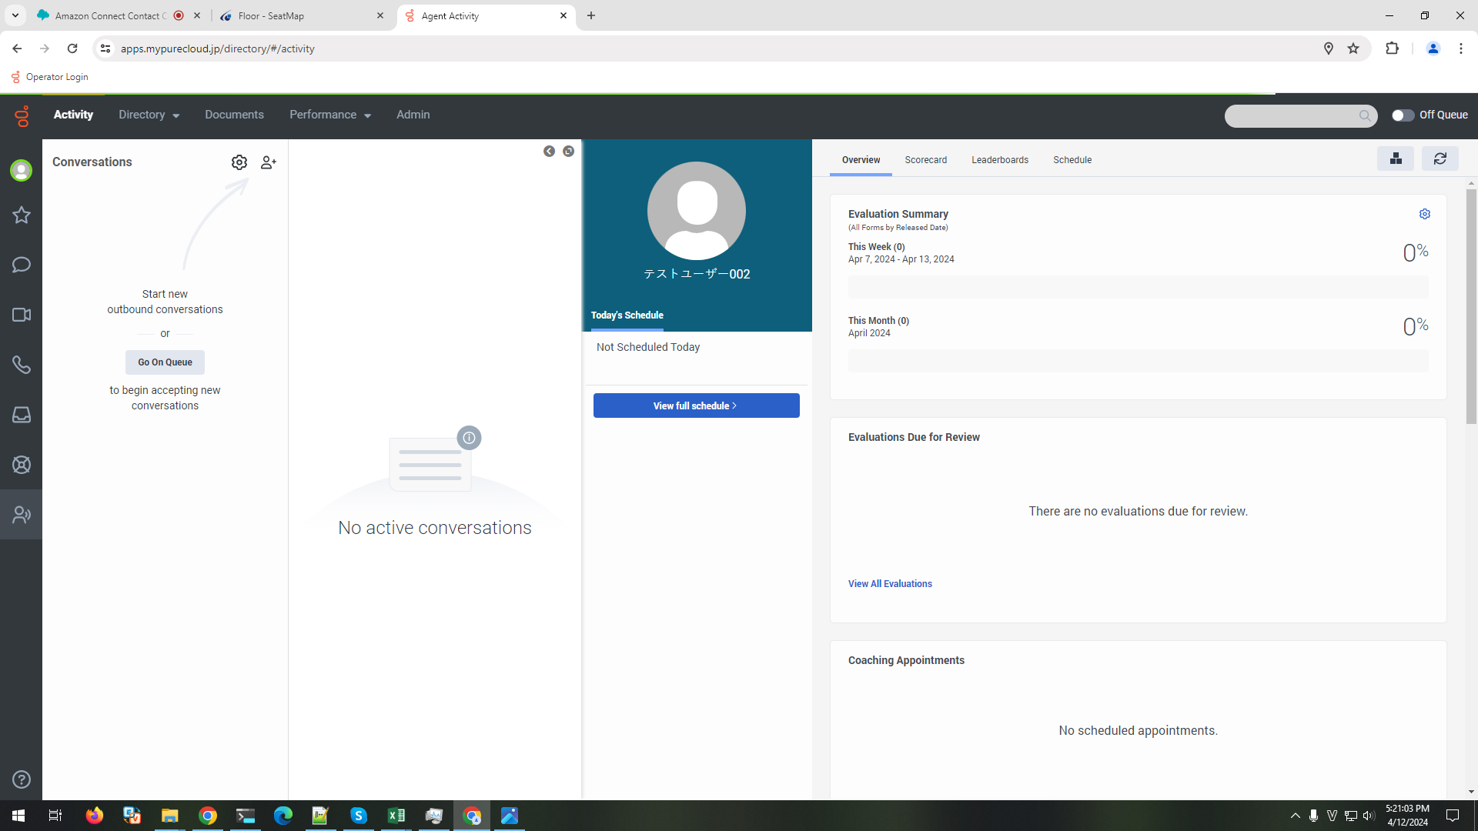

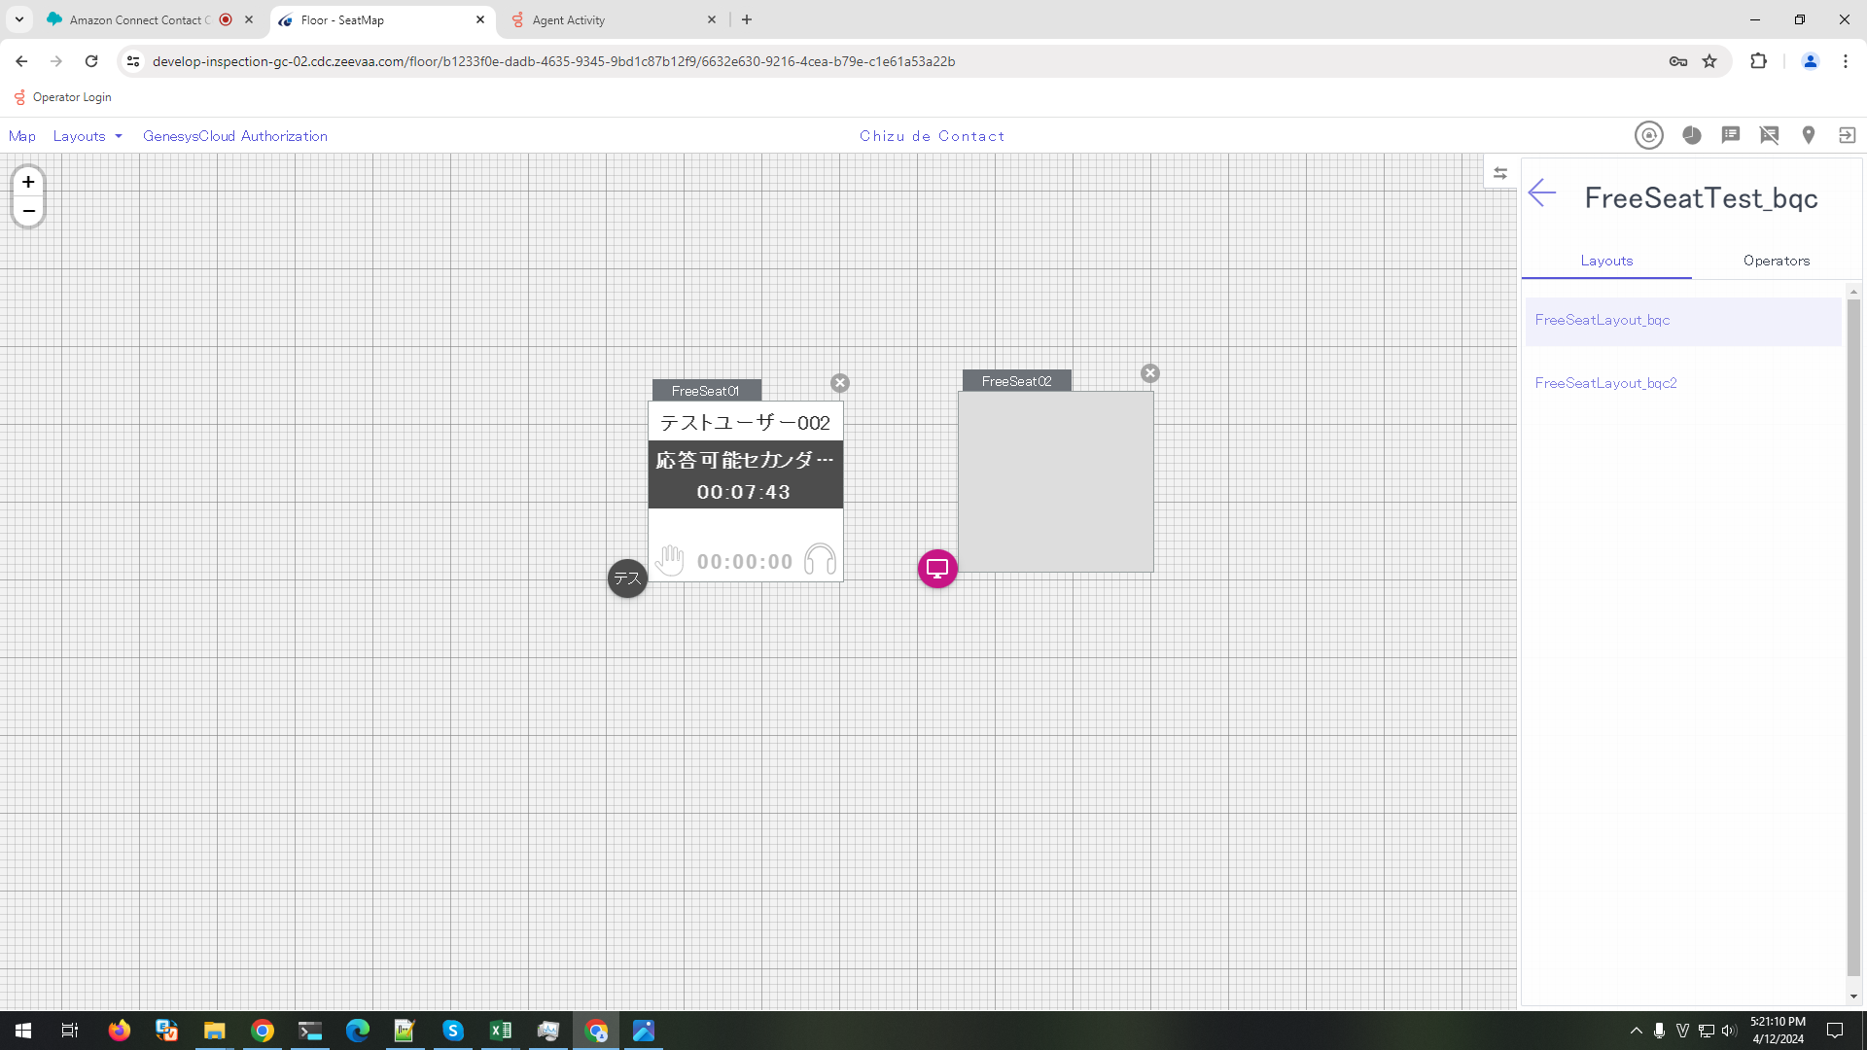

Steps
 | 1. On GC, set status to On Queue

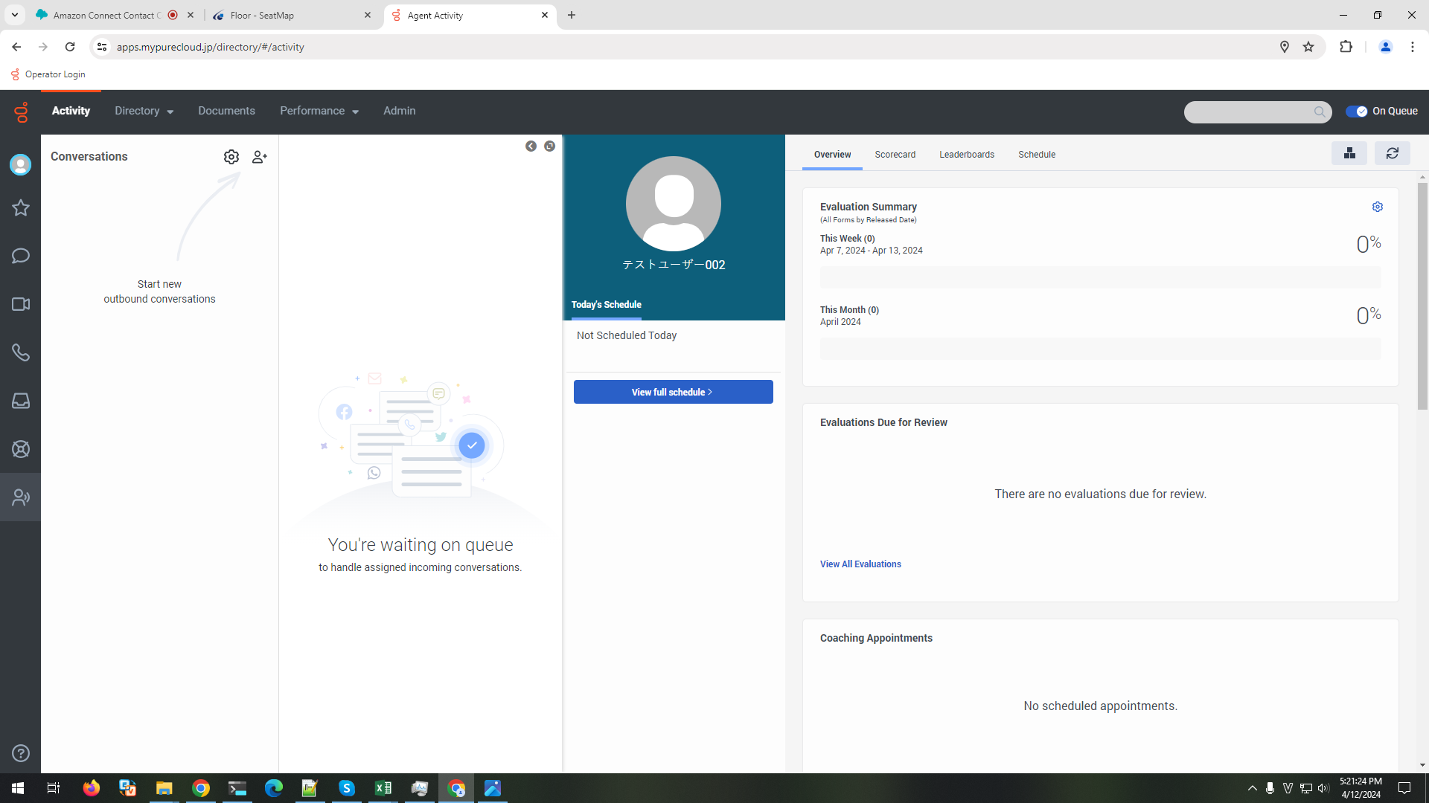

 | 2. View FreeSeat1 in Layout1 and Layout2

 |  | 2.1.Control's text is shown as below:
 |  | - Seat number: SeatName
 |  | - User name: テストユーザー002
 |  | - Status: キュー中
 |  | - Time: total Time from logged in timing (format: HH:MM:ss)
 |  | 2.2 Background is light green

