Sheet1
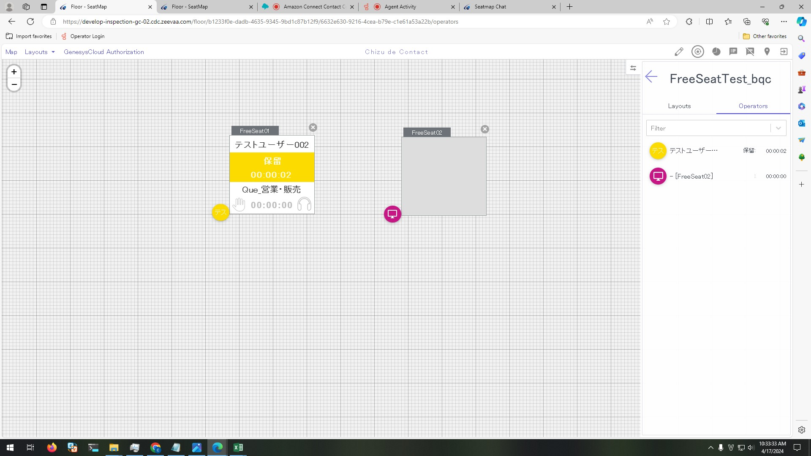
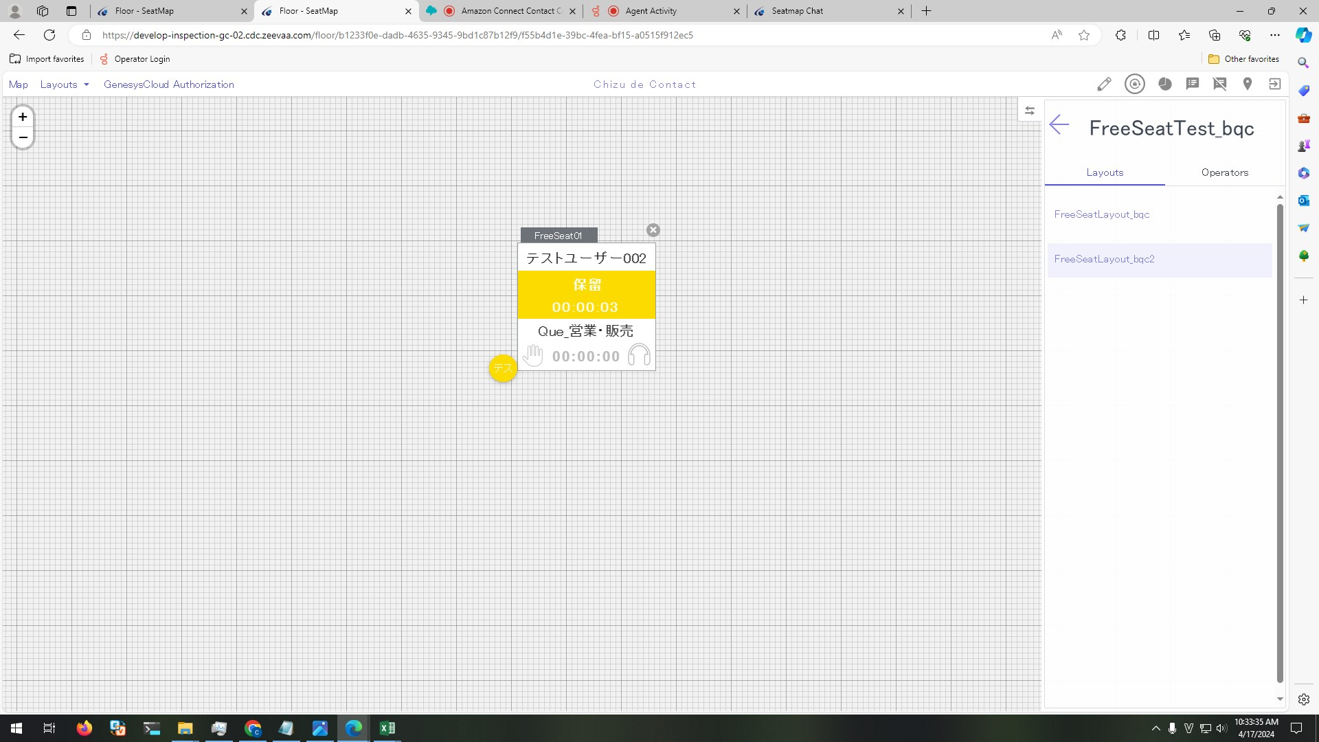
Preconditions

 | 1. Continue with IT-SS-4-4-3

Steps

 | 1. On GC click「保留」 button

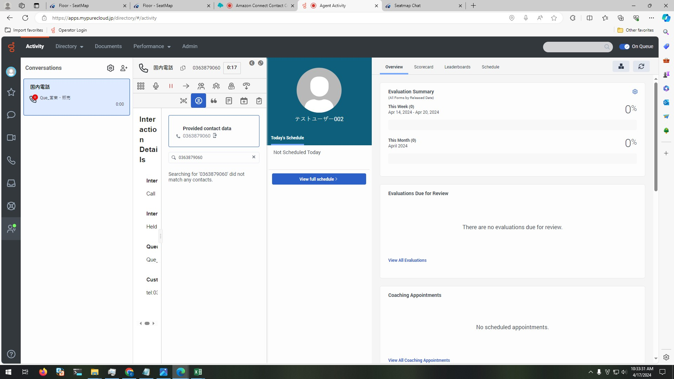

 | 2. View FreeSeat01 in FreeSeatLayout_bqc and FreeSeatLayout_bqc2

 |  | 2.1.Control's text is shown as below:
 |  | - Seat number: SeatName
 |  | - User name: テストユーザー002
 |  | - Status: 保留
 |  | - Time: total time from click 「保留」 button timing (format: HH:MM:ss)
 |  | 2.2 Background is yellow

