Sheet1
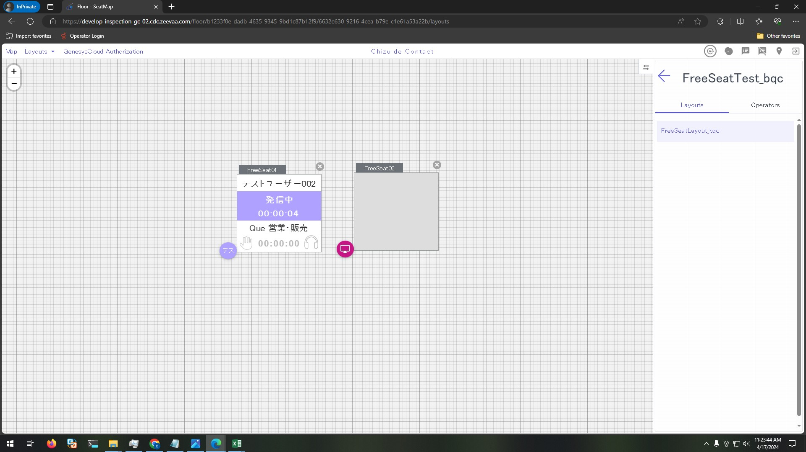
Preconditions

 | 1. The following FreeSeat has been set on seatmap
 | ・Site Name: FreeSeatTest_bqc
 | ・Layout: FreeSeatLayout_bqc
 | ・FreeSeat:
 | - FreeSeat01
 | - FreeSeat02

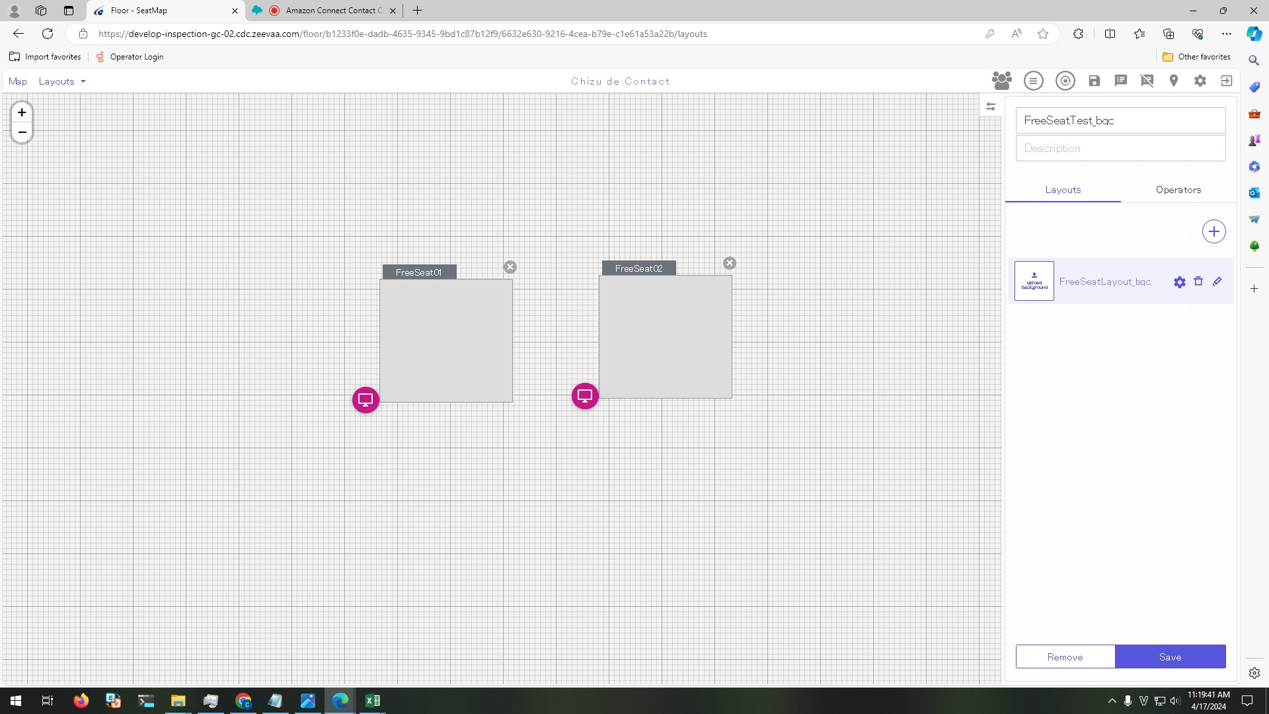

 | 2. Create Group [group-test]

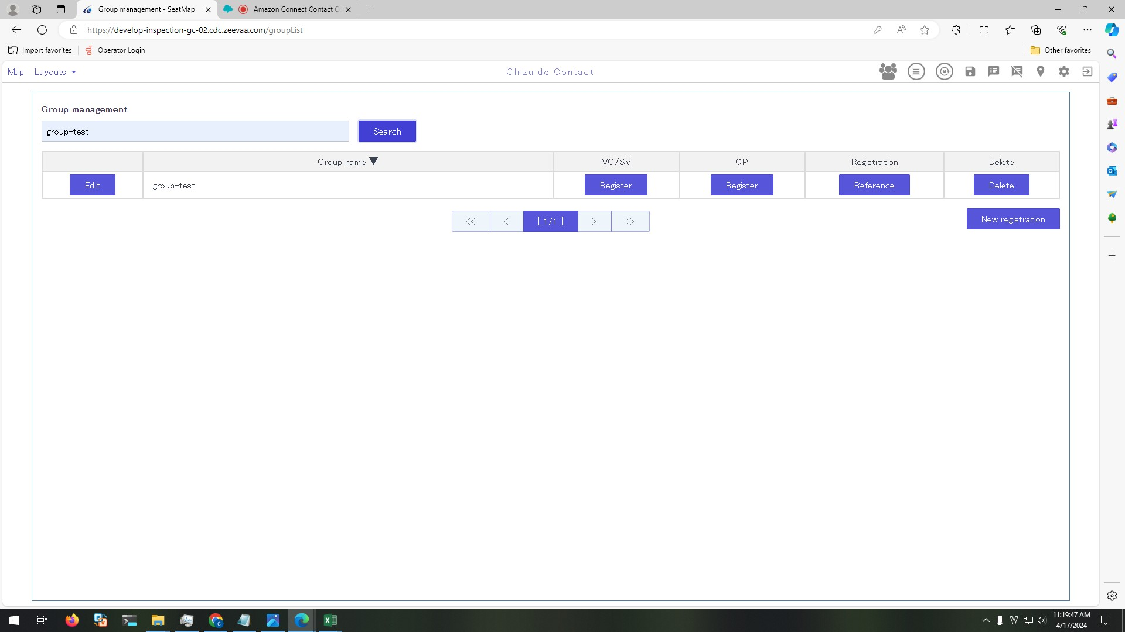

 | 3. Setting Manager/ SV and OP as below
 | Manager/SV: supervisor account

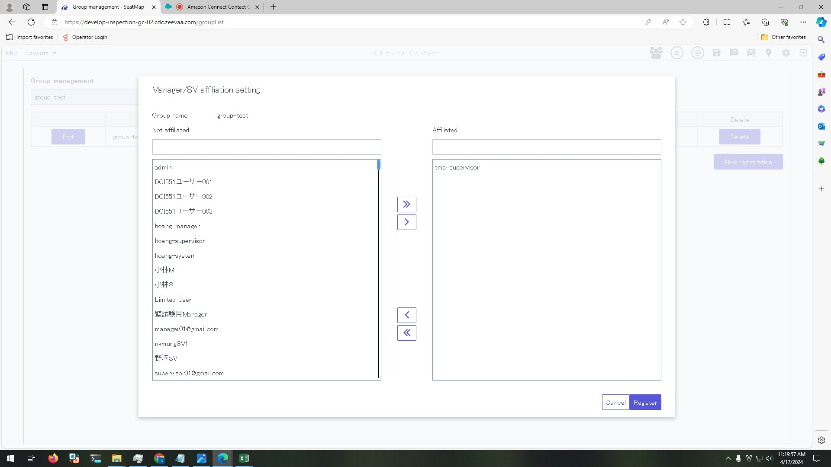

 | OP: テストユーザー002

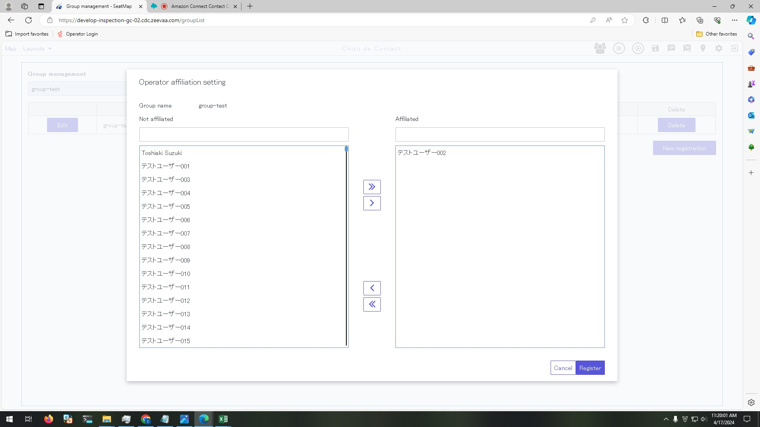

 | 4. Mapping FreeSeat Layout with group [group-test]

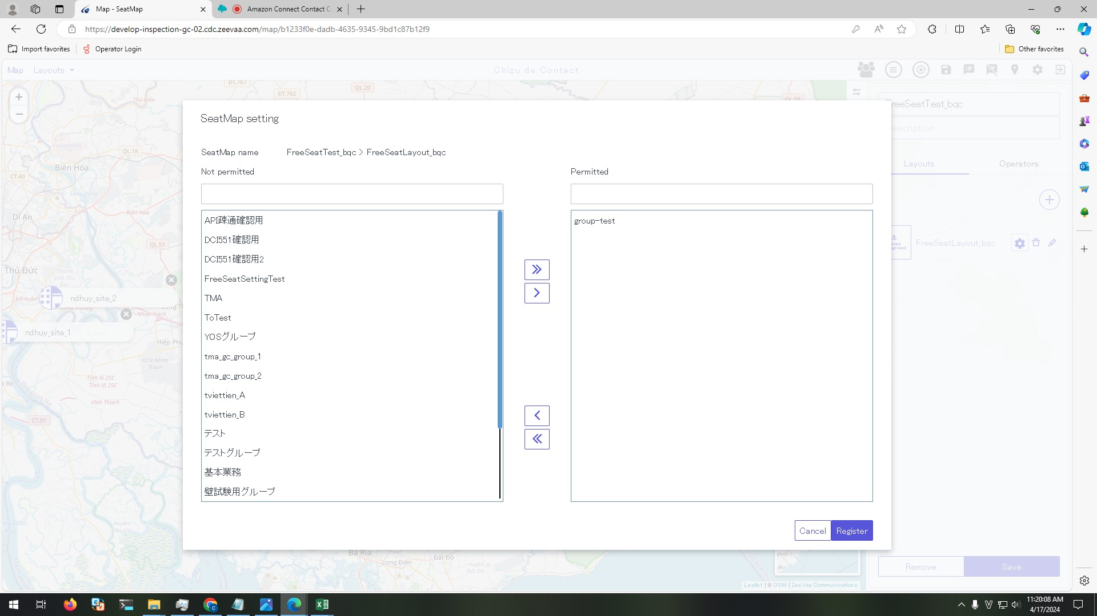

 | 5. Logged in Map successfully by using supervisor account

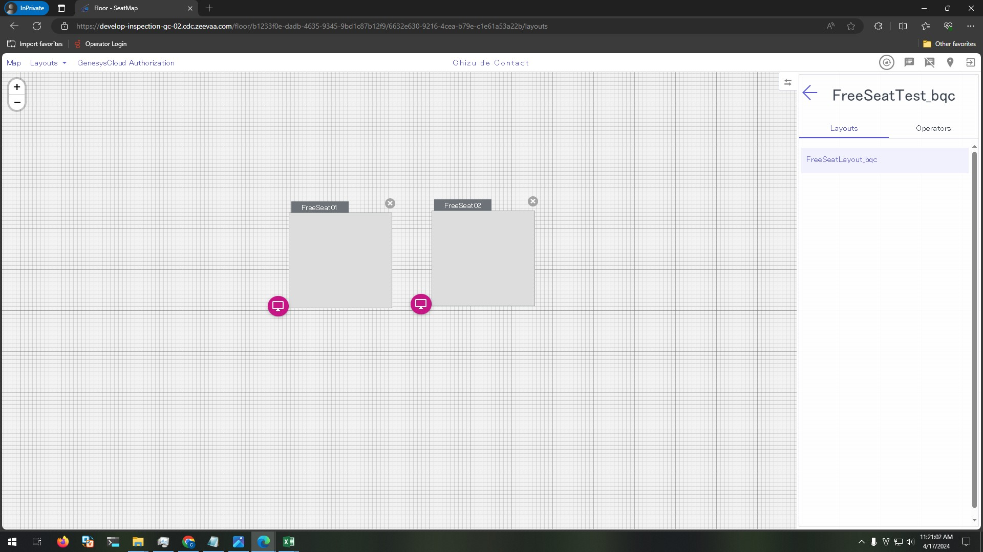

 | 6. On Operator Client login screen select [FreeSeatTest_bqc > FreeSeatLayout_bqc > FreeSeat01] and logged in successfully by テストユーザー002 account

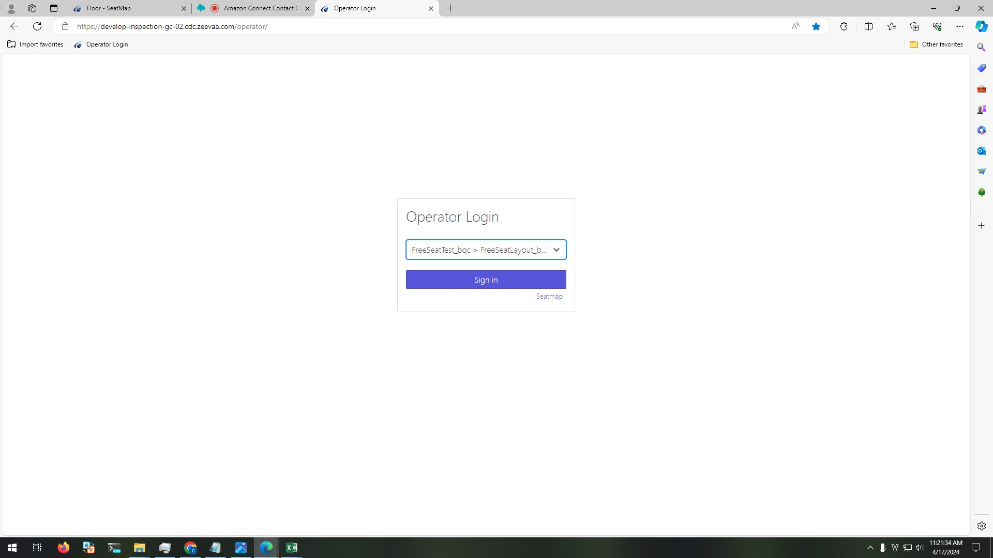

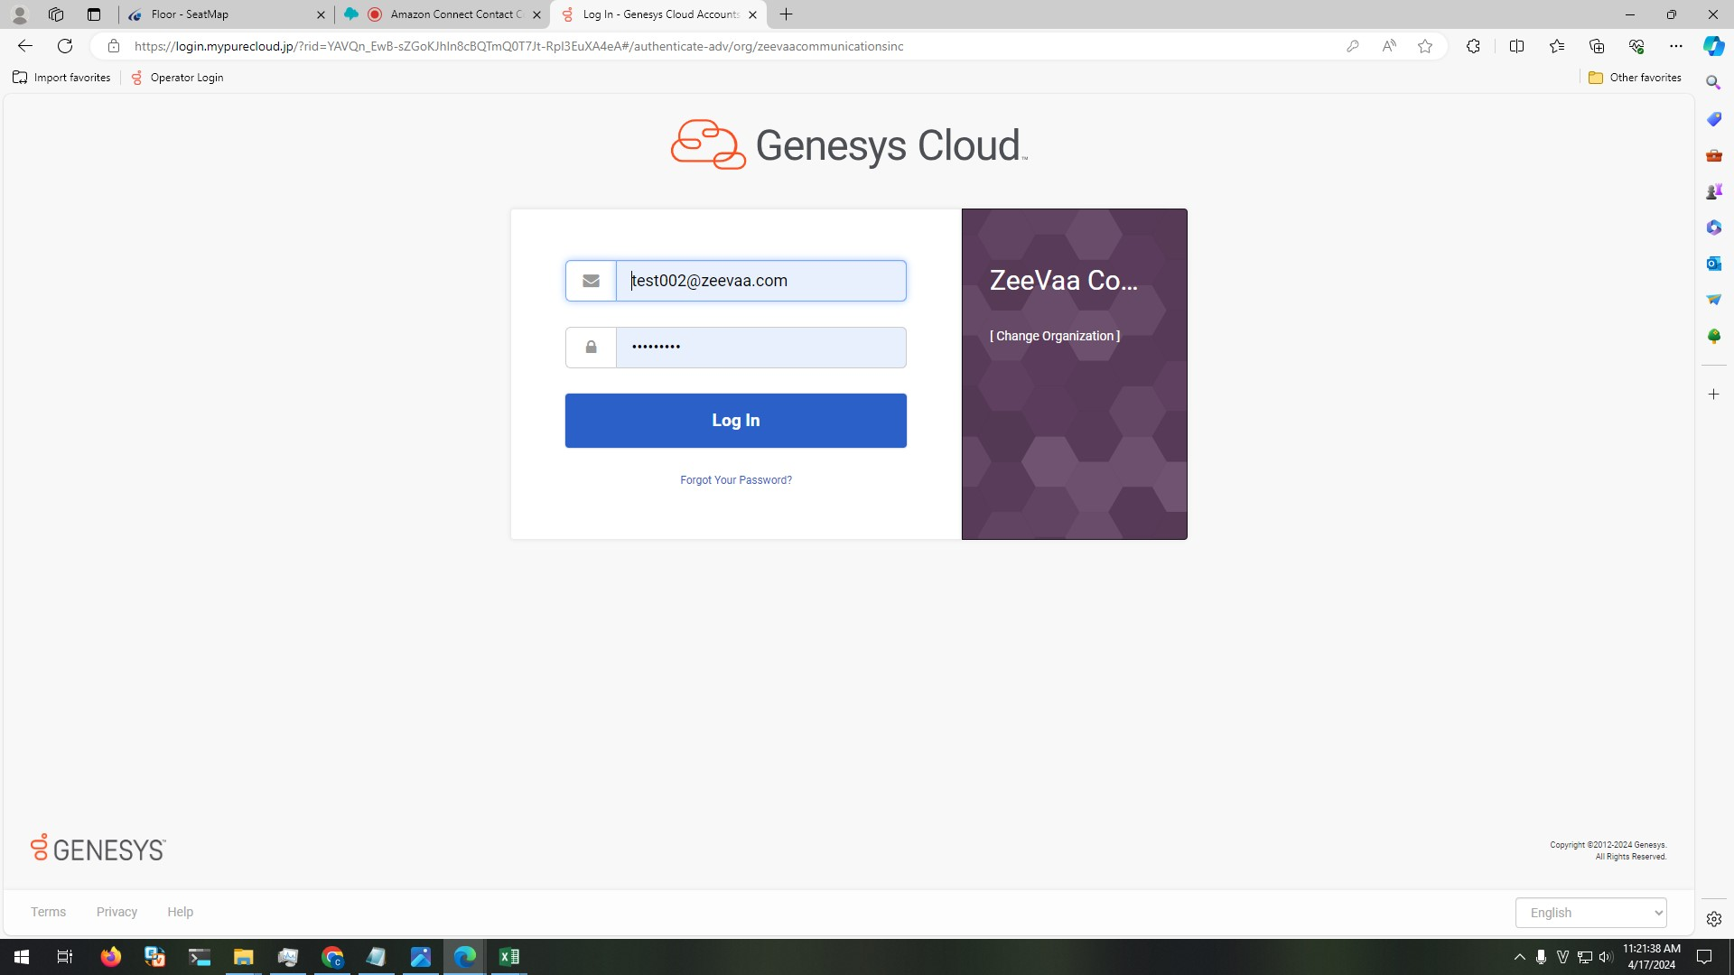

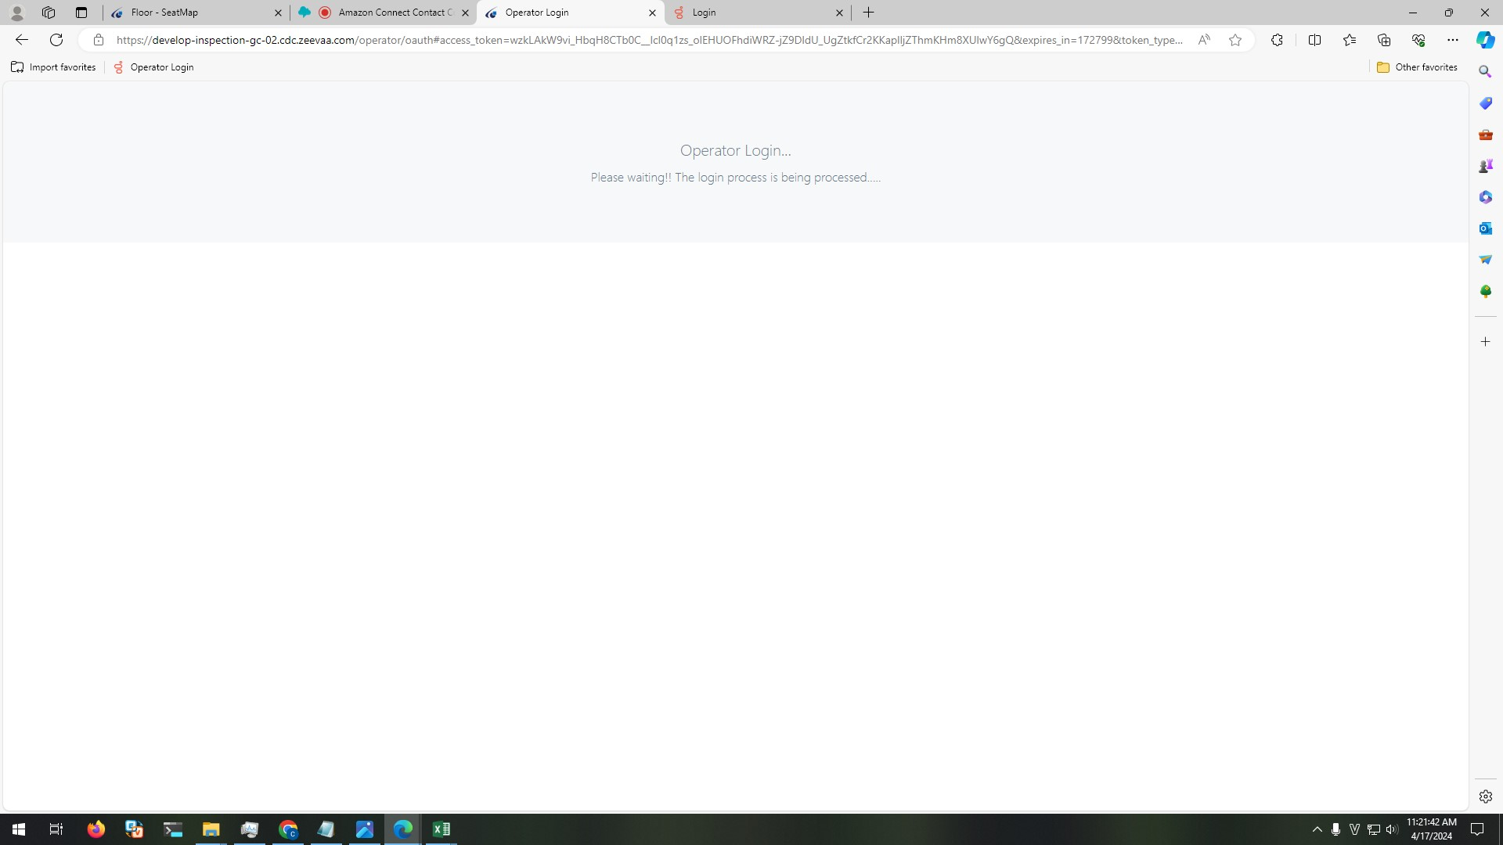

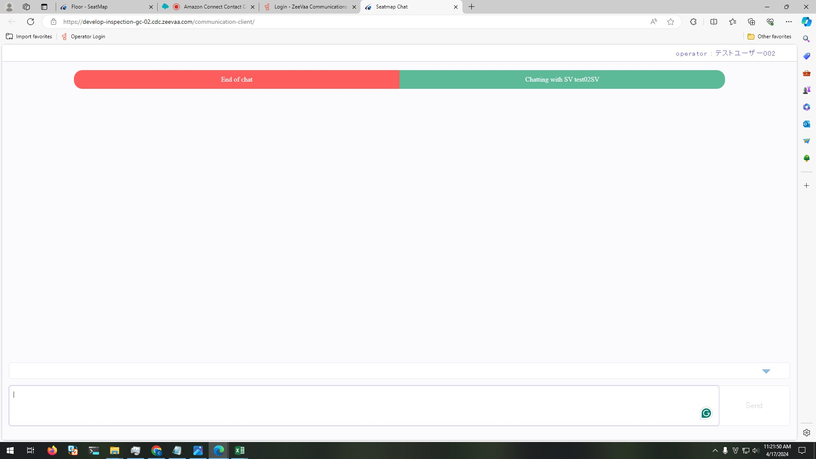

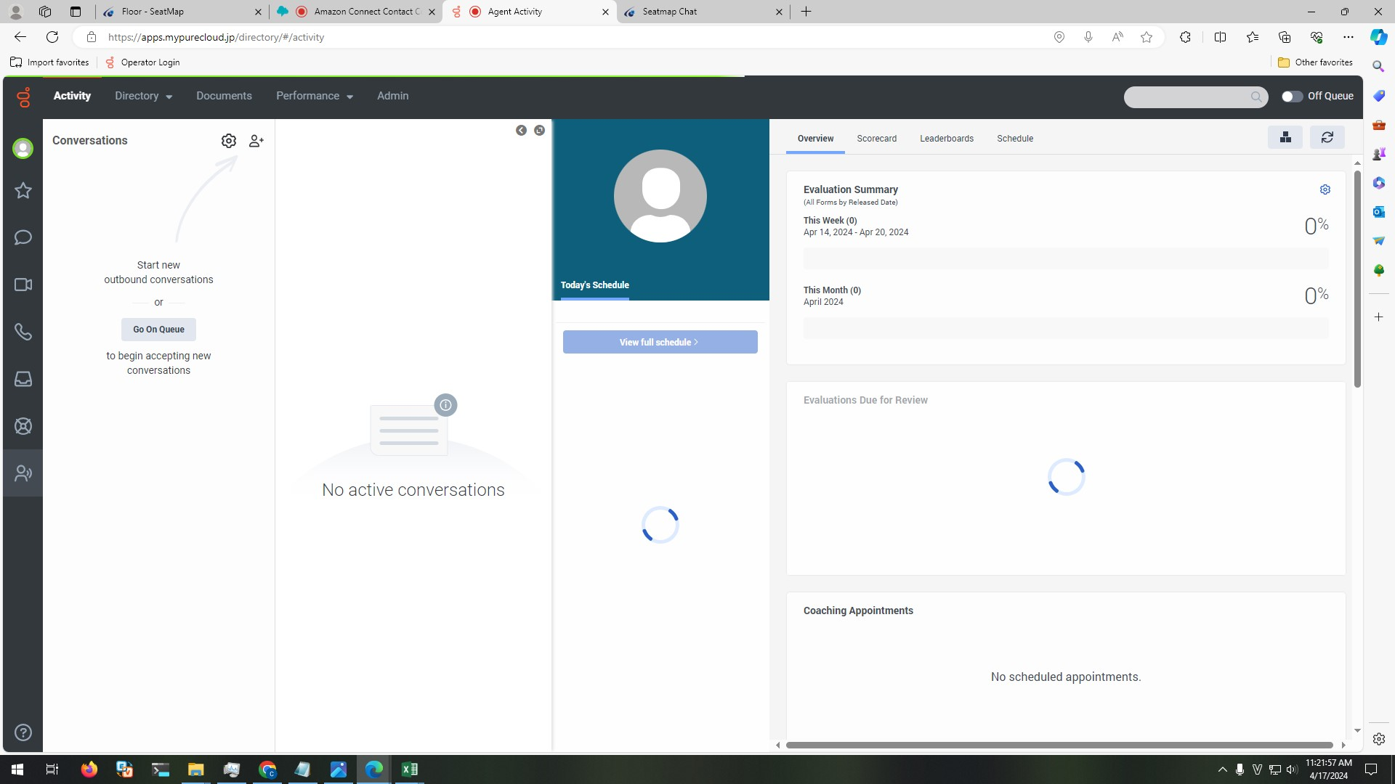

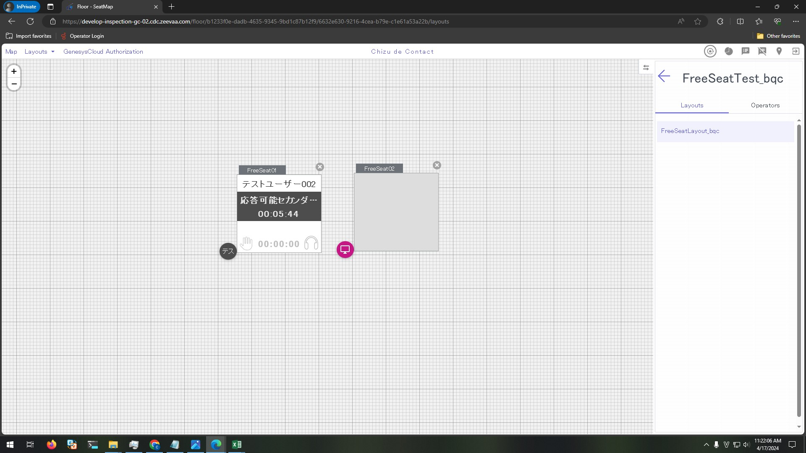

Steps
 | 1. On GC, set status to On Queue

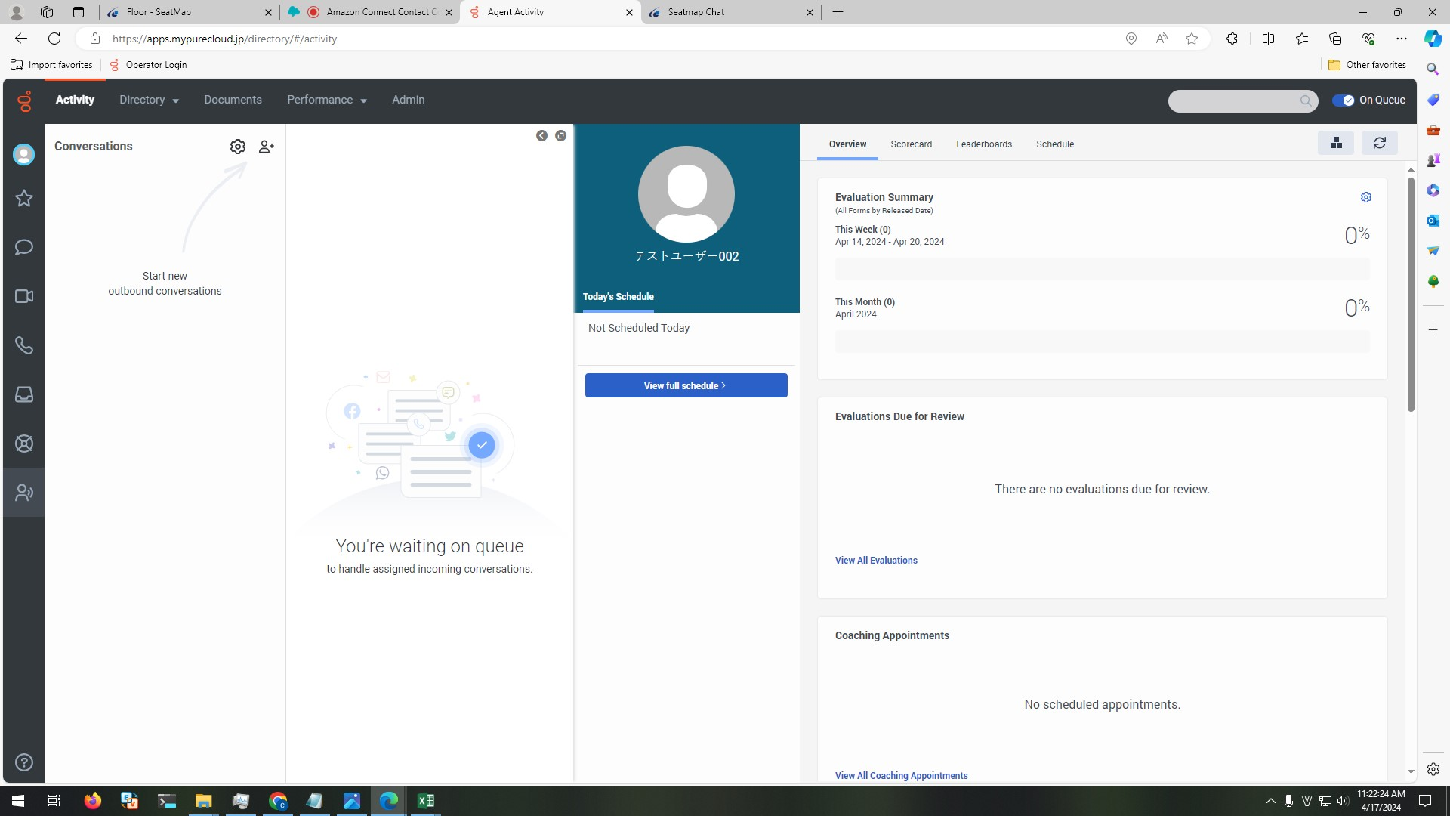

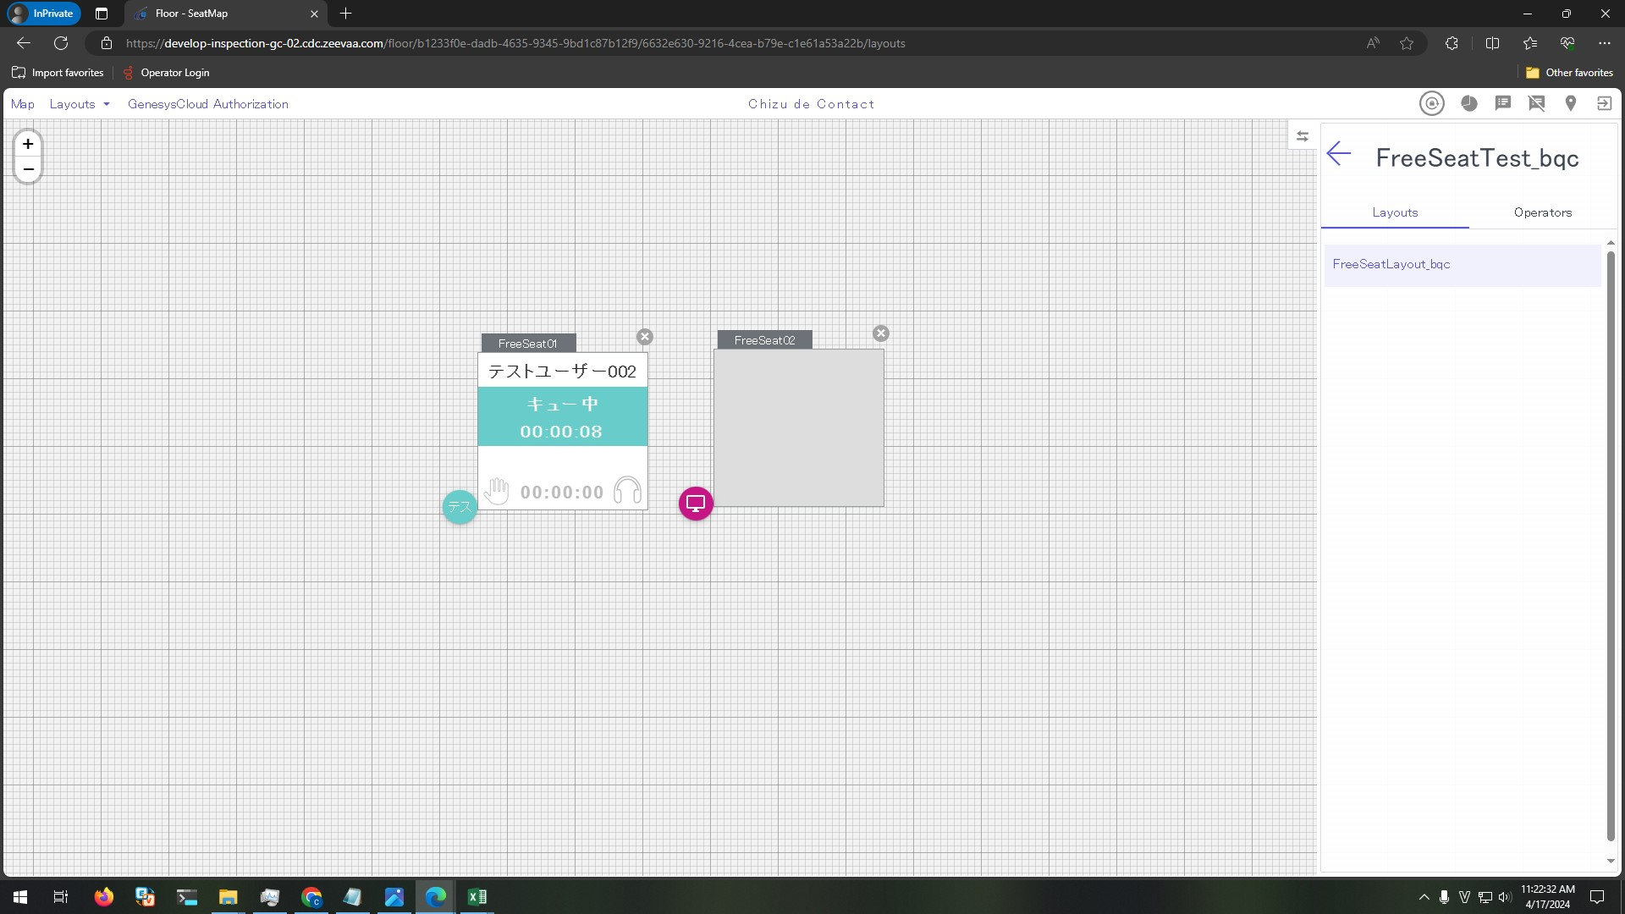

 | 2. On GC call outside

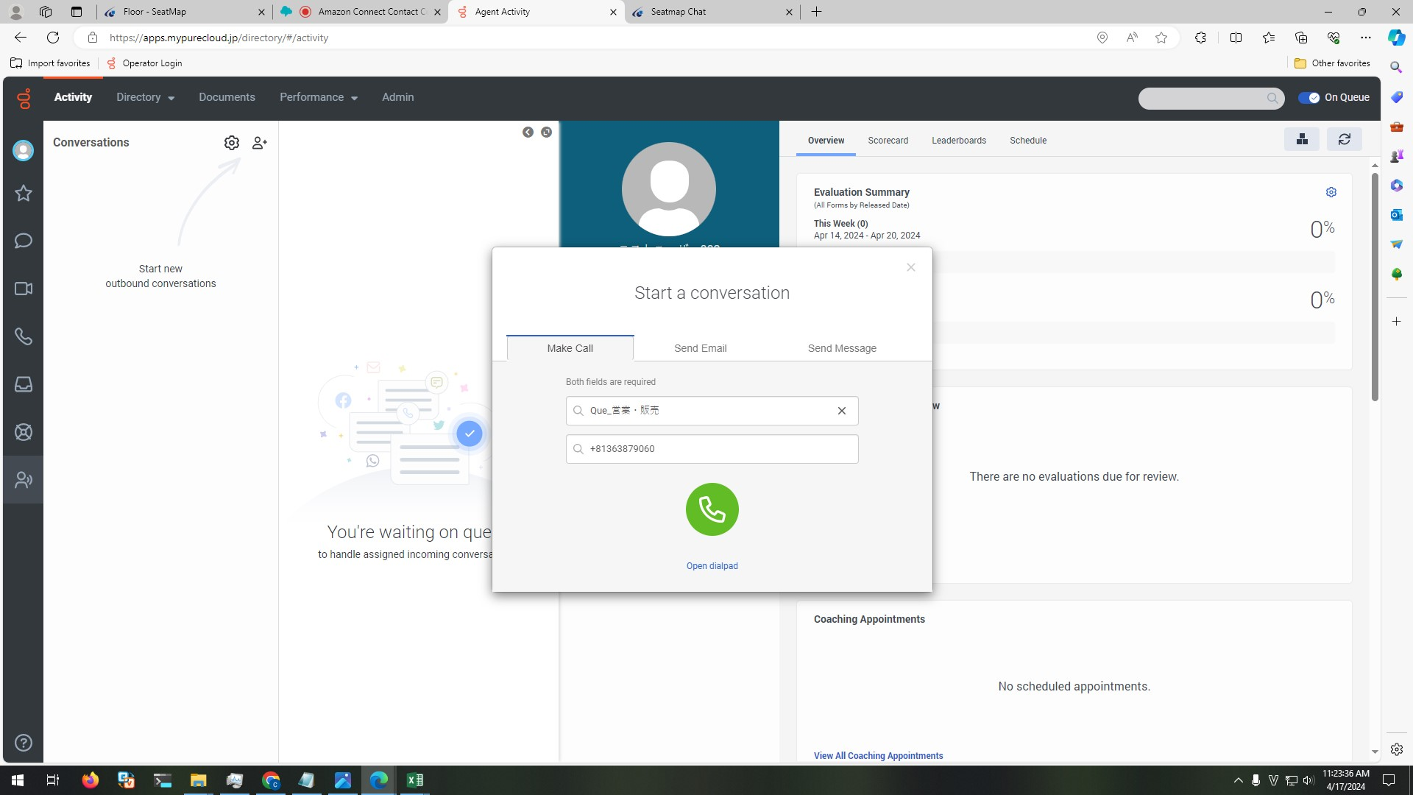

 | 3. View FreeSeat01 in FreeSeatLayout_bqc

 |  | 2.1.Control's text is shown as below:
 |  | - Seat number: SeatName
 |  | - User name: テストユーザー002
 |  | - Status: 発信中
 |  | - Time: total time from OP call to customer (format: HH:MM:ss)
 |  | 2.2 Background is light purple

