Sheet1
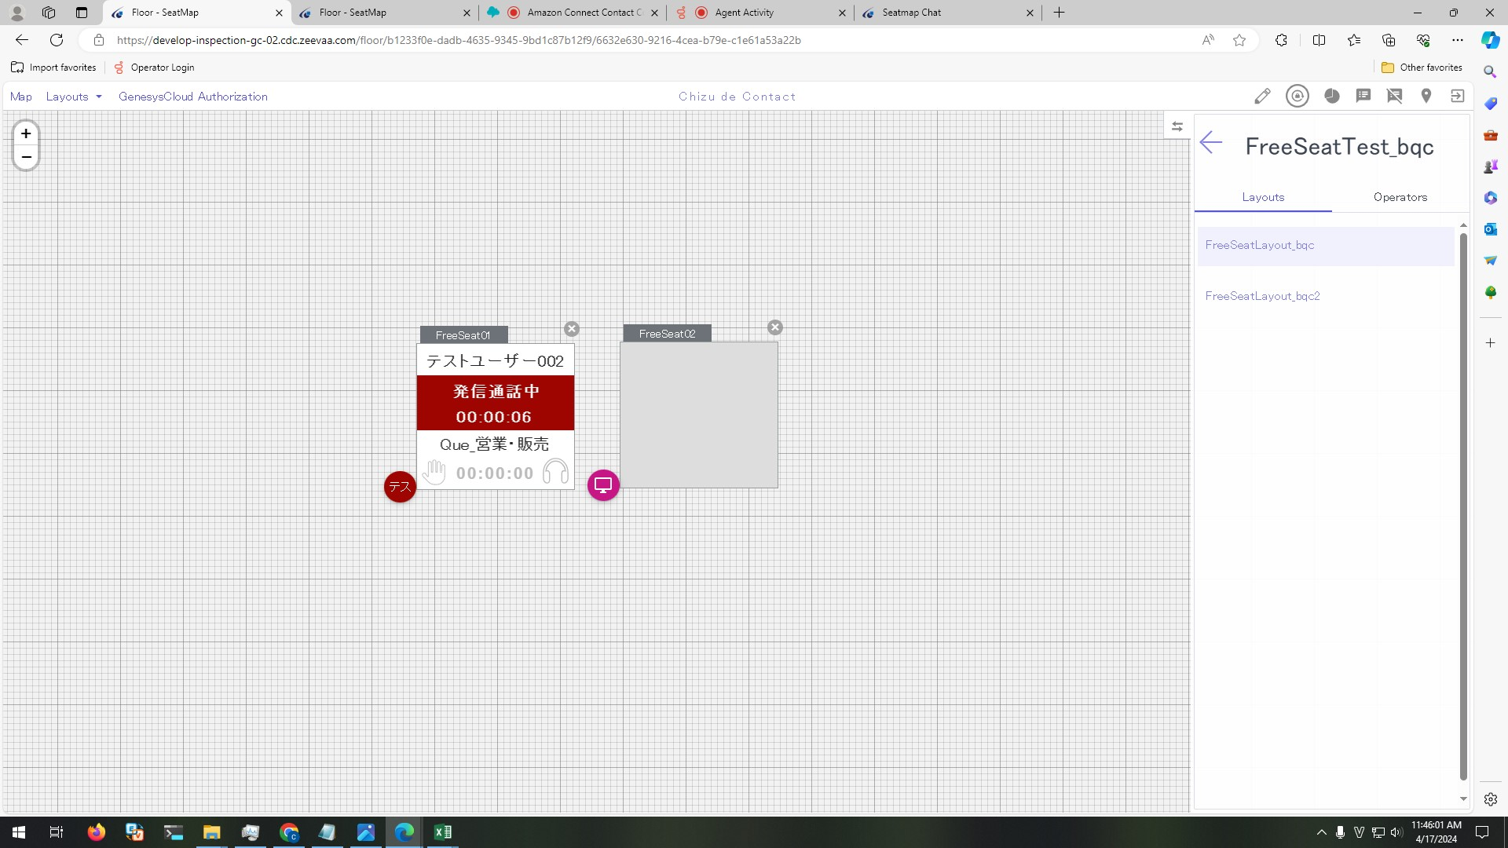
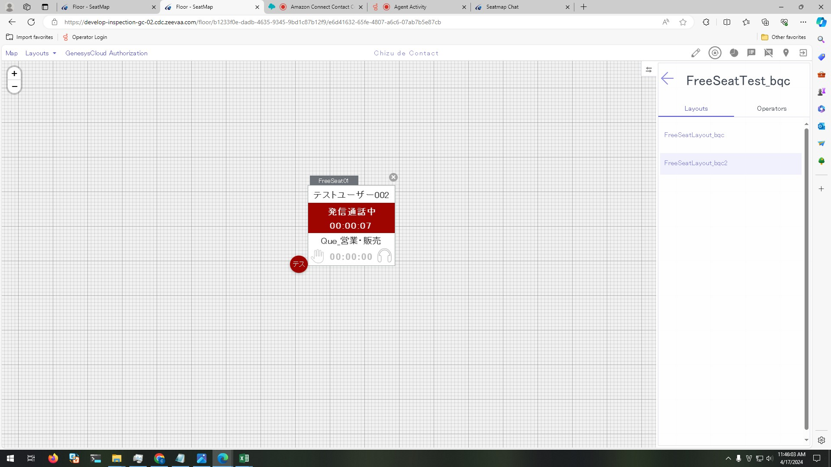
Preconditions

 | 1. Continue with IT-SS-4-8-1

Steps

Because we use Amazon Connect, the alerting time is very small
Memo Time = clock time - 発信通話中 time
 | 1. Customer accept the call
 | Memo Time = clock time - 発信通話中 time

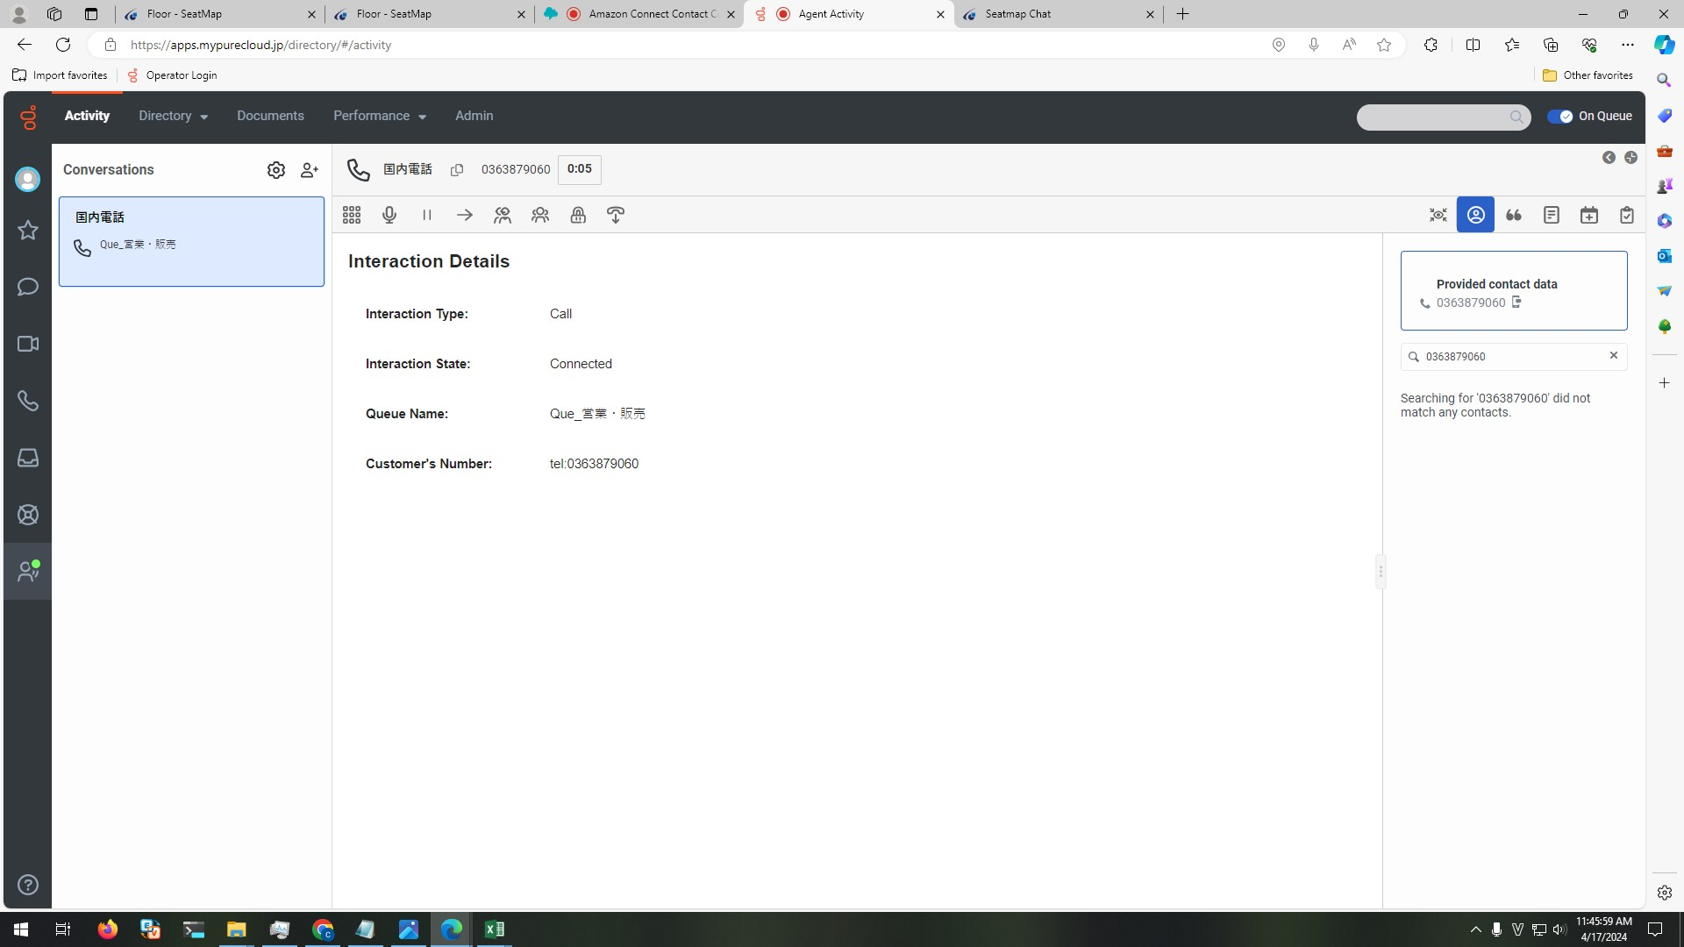

 | 2. View FreeSeat01 in FreeSeatLayout_bqc and FreeSeatLayout_bqc2

 |  | 2.1.Control's text is shown as below:
 |  | - Seat number: SeatName
 |  | - User name: テストユーザー002
 |  | - Status: 発信通話中
 |  | - Time: total time from Customer accept the call (format: HH:MM:ss)
 |  | 2.2 Background is red

