2 Test Cancer
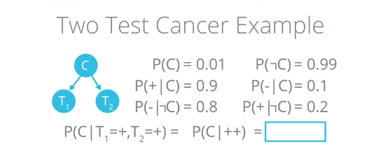

P(C ) | 0.01
P(~C) | 0.99
P(+ | C) | 0.9
P(- | C) | 0.1
P(- | ~C) | 0.8
P(+ | ~C) | 0.2
P(C | ++) = P(++ | C) * P(C ) / P(++)
Tests 1 & Test 2 are independent if we know C
Computing P(++) is hard so will ignore it and compute total probability of numerator instead
P(++ | C) = P(+ | C) * P(+ | C)
P(++ | C) | 0.81
P(~C | ++) = P(++ | ~C) * P(~C) / P(++) = 1 - P(C | ++)
P(++ | ~C) = P(+ | ~C) * P(+ | ~C) since knowing ~C means P(+1) and P(+2) are independent
P(++ | ~C) | 0.04
P(++ | C) * P(C ) | 0.0081
P(++ | ~C) * P(~C) | 0.0396
P(C | ++) = P(++ | C) * P(C ) / (P(++ | C) * P(C ) + P(++ | ~C) * P(~C))
P(C | ++) | 0.16981132075

Cond. Indep. 2
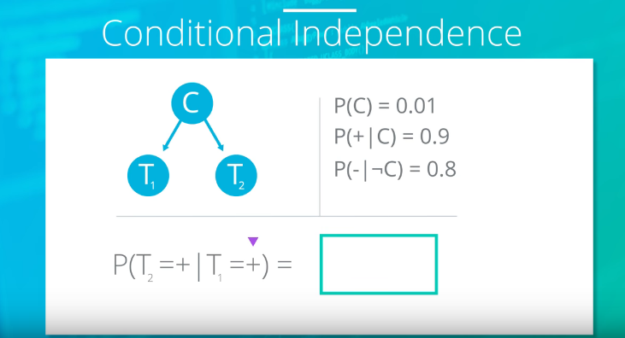

P(+2 | +1) = P(+2 | +1, C) * P(C | +1) + P(+2 | +1, ~C) * P(~C | +1) |  | Need to know how to derive this
P(C ) | 0.01
P(+ | C) | 0.9
P(- | ~C) | 0.8
P(+ | ~C) | 0.2
P(C | +1) | 0.043 | Calculated before
P(~C | +1) | 0.957 | 1 - 0.043
P(+2 | +1, C) = P(+2 | C) = P(+ | C) |  | since +1 gives no new info due to conditional independence
P(+2 | +1, ~C) = P(+2 | C) = P(+ | ~C)
P(+2 | +1) | 0.2301

Explain Away
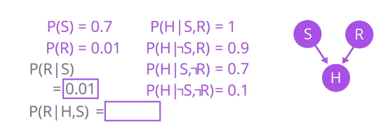

Known Probabilities
P(S) | 0.7
P(R) | 0.01
P(H|S,R) | 1
P(H|~S, R) | 0.9
P(H|S, ~R) | 0.7
P(H|~S, ~R) | 0.1
P(S,R) | 0.007
P(~S, R) | 0.003
P(S, ~R) | 0.693
P(~S, ~R) | 0.297
Derived Probabilities
P(H) = P(H|S, R) * P(S, R) + P(H|~S,R)* P(~S, R) + P(H|S, ~R) * P(S, ~R) + P(H|~S , ~R) * P(~S, ~R)
P(H) | 0.5245
P(H, S) = P(H, S | R) * P(R ) + P(H, S | ~R)*P(~R)
P(R | H, S) = P(H, S | R) * P(R) / P(H, S) |  | Even though seems verbatim use of Bayes Rule, is wrong, or is equiv. to below
P(R | H, S) = P(H | S, R) * P(R | S) / P(H | S) |  | Find out how to derive this!
P(R | S) = P(R ) since R & S are independent
P(H | S) = P(H | S, R) * P(R ) + P(H | S, ~R) * P(~R)
P(H | S) | 0.703
P(R | H, S) | 0.014224751067

Explain Away 2
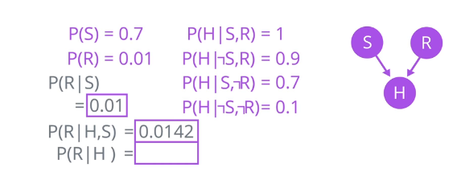

Known Probabilities
P(S) | 0.7
P(R) | 0.01
P(H|S,R) | 1
P(H|~S, R) | 0.9
P(H|S, ~R) | 0.7
P(H|~S, ~R) | 0.1
P(S,R) | 0.007
P(~S, R) | 0.003
P(S, ~R) | 0.693
P(~S, ~R) | 0.297
Derived Probabilities
P(R|H) = P(H|R)P(R ) / P(H) |  | Just Baye's Rule
P(H) = P(H|S, R) * P(S, R) + P(H | ~S, R) * P(~S, R) + P(H | S, ~R) * P(S, ~R) + P(H | ~S, ~R) * P(~S, ~R)
P(H) | 0.5245
P(H | R) = P(H | S, R) * P(S) + P(H | R, ~S) * P(~S)
P(H | R) | 0.97
P(R | H) | 0.018493803622

Incorrect: Derived Probabilities
P(R|H) = P(R|H, S) * P(H | S) + P(R|H, ~S) * P(H | ~S)
P(R | H, S) | 0.014224751067
P(R | H, ~S) = P(H | ~S, R) * P(R | ~S) / P(H | ~S)
P(R | ~S) = P(R ) since R & S are independent
P(H | ~S) = P(H | ~S, R) * P(R ) + P(H | ~S, ~R) * P(~R)
P(H | ~S) | 0.108
P(R | H, ~S) | 0.083333333333
P(H | S) = P(H | S, R) * P(R ) + P(H | S, ~R) * P(~R)
P(H | S) | 0.69607
P(R|H) | 0.018901422475

Explain Away 3
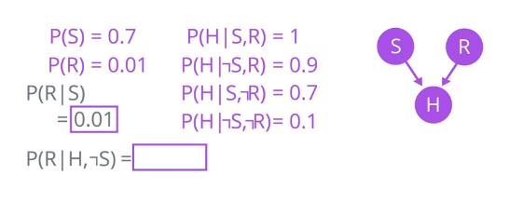

 |  |  | 0.000001197
 |  |  | 0.00016515072

Known Probabilities
P(S) | 0.7
P(R) | 0.01
P(H|S,R) | 1
P(H|~S, R) | 0.9
P(H|S, ~R) | 0.7
P(H|~S, ~R) | 0.1
P(S,R) | 0.007
P(~S, R) | 0.003
P(S, ~R) | 0.693
P(~S, ~R) | 0.297
P(H) | 0.5245
P(H | S) | 0.703
P(R | H, S) | 0.014224751067
P(H | R) | 0.97
P(R | H) | 0.018493803622
P(R | H, ~S) = P(H | ~S, R) * P(R | ~S) / P(H | ~S)
P(H | ~S) = P(H | ~S, R) * P(R ) + P(H | ~S, ~R) * P(~R)
P(H |~S) | 0.108
P(R | ~S) = P(R ) |  | Since S and R are independent
P(R |H, ~S) | 0.083333333333

