Features
Residency Information Source Aggregator (RISA)
Feature Wishlist
Updated: | 2016-10-20

Demographics | M1-2s: Discover your passion + measure your competitiveness
 | - Discover mode: very similar to medmaps.io, this should be an interactive search visualization allowing for AND|OR searchs of multiple specialties for couples matches
 |  | build program class + map
 |  | program class: how I've imagined this would work is twofold
 | - Competitve mode: deconstruct data sources like prior Charting Outcomes and Report on Residents to build a likelihood score of matching in a given speciality?
 |  | abstract data from trusted sources
 |  | clean data to be useable…
 |  | build likelihood model…
 |  | add interactivity features… …I should be able to put in my step scores and a given specialty and you should tell me what % of people who have matched that I am better than…

 | M3-4s - Perfect your Application + Manage your Rank List
 | - ERAS simulator: give access to all of the fields required by ERAS. In-App Purchase - proofread
 |  | take form of ERAS, convert t
 | - Personal Statement Coach. One revision included. In-app Purchase - multiple revisions

 | - Rank Mapper: Make a more objective ROL using formalized assessment profiles and custom-weighted scales
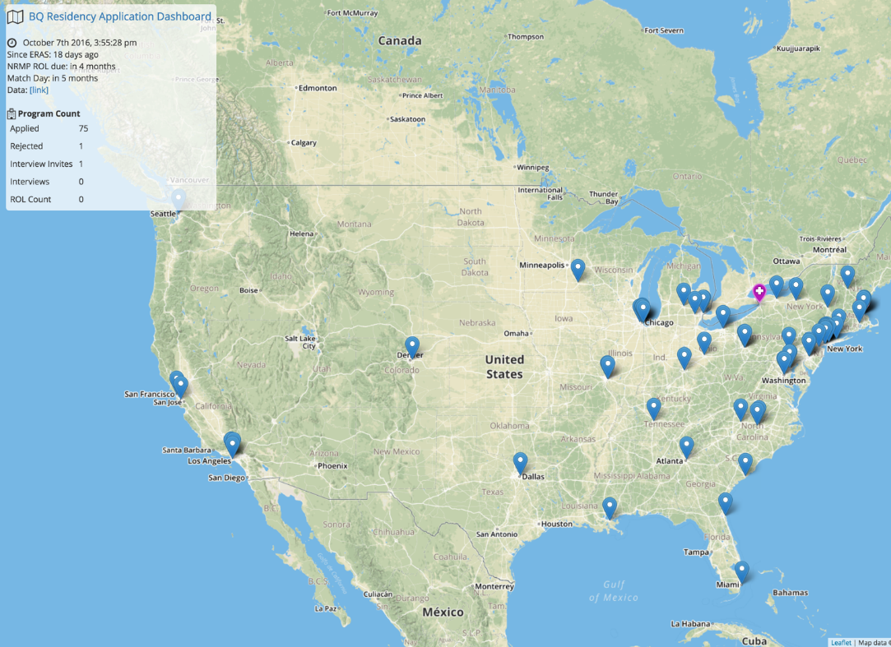
 | PGYs - Find the Fellowship…

 | Med Schools - Make your students ERAS gold

 | Program Directors - Learn more about who's interested in your program
 |  | I suppose they have all this information on ERAS, and perhaps mining past data from there would be more helpful.
 |  | API?

