BHVI
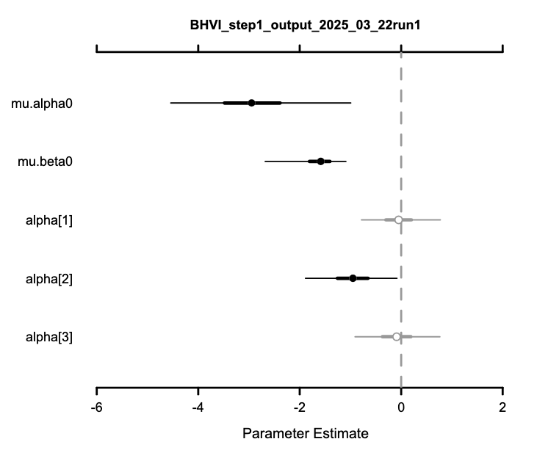
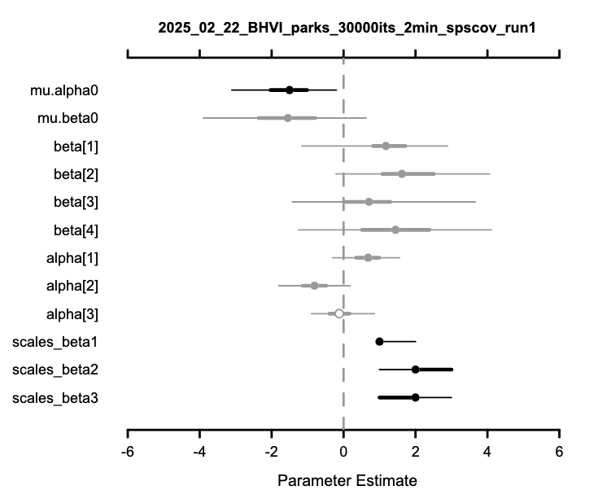
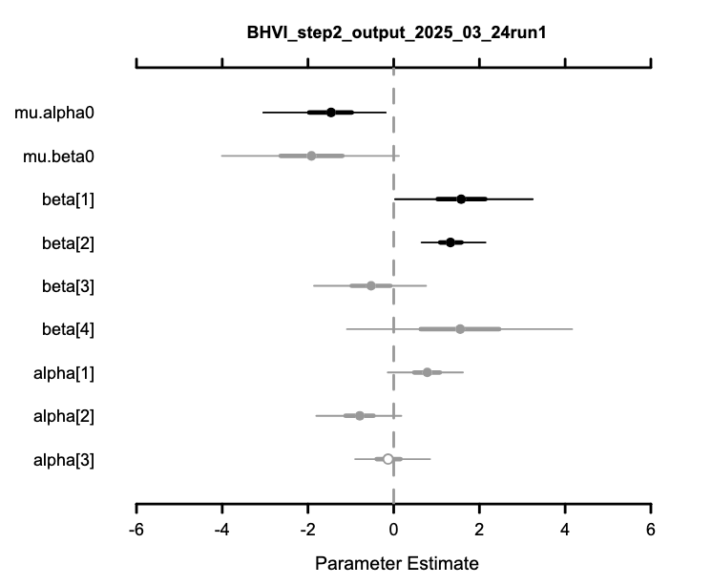

betas | scales | betas | scales |  | mean | sd | 2.50% | 50% | 97.50% | Rhat | n.eff
 |  |  |  | mu.alpha0 | -1.52 | 0.74 | -3.05 | -1.48 | -0.19 | 1 | 12420
 |  |  |  | mu.beta0 | -1.86 | 1.06 | -3.94 | -1.86 | 0.22 | 1 | 3437
BA | 1 | BA | 1 | beta[1] | 1.6 | 0.82 | 0.04 | 1.58 | 3.24 | 1 | 61284
SHR | 3 | SHR | 3 | beta[2] | 1.33 | 0.38 | 0.64 | 1.31 | 2.13 | 1 | 9051
LAT | 1 | LAT | 1 | beta[3] | -0.54 | 0.67 | -1.86 | -0.53 | 0.75 | 1 | 100000
 |  |  |  | beta[4] | 1.59 | 1.34 | -1.02 | 1.59 | 4.23 | 1 | 4185
 |  |  |  | alpha[1] | 0.77 | 0.44 | -0.14 | 0.78 | 1.62 | 1 | 42984
 |  |  |  | alpha[2] | -0.8 | 0.5 | -1.8 | -0.8 | 0.17 | 1 | 20736
 |  |  |  | alpha[3] | -0.1 | 0.44 | -0.9 | -0.12 | 0.85 | 1 | 14645

BRCR
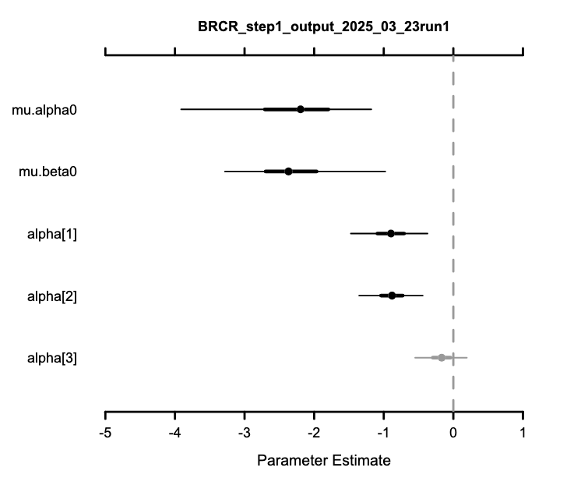
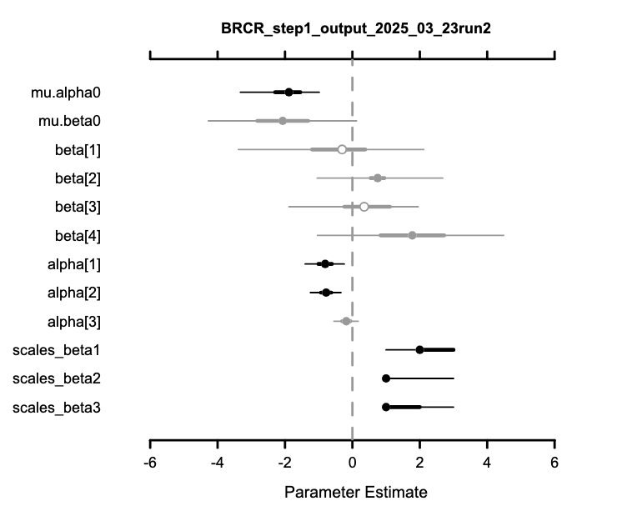
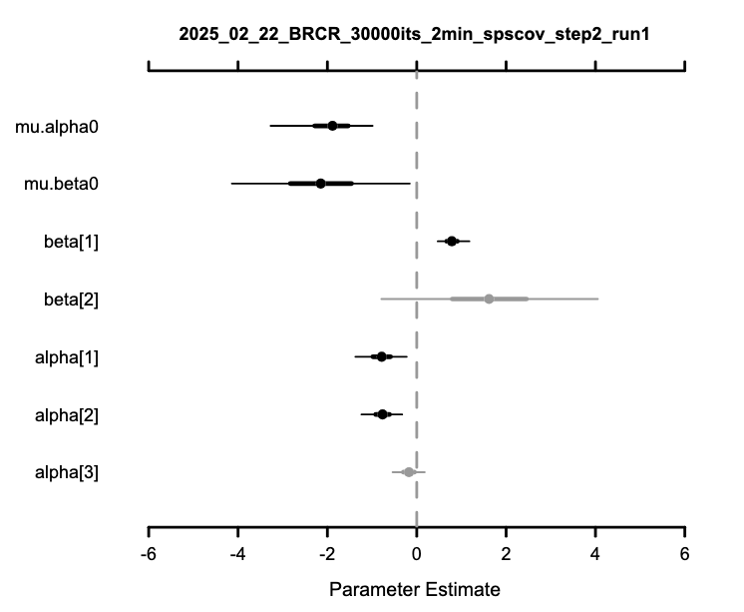

betas | scales | betas | scales |  | mean | sd | 2.50% | 50% | 97.50% | Rhat | n.eff
 |  |  |  | mu.alpha0 | -1.95 | 0.58 | -3.27 | -1.89 | -0.99 | 1.01 | 716
 |  |  |  | mu.beta0 | -2.14 | 1.01 | -4.14 | -2.15 | -0.16 | 1 | 3253
den | 2 | DIV | 1 | beta[1] | 0.79 | 0.18 | 0.47 | 0.79 | 1.18 | 1 | 2812
div | 1 |  |  | beta[2] | 1.63 | 1.24 | -0.79 | 1.62 | 4.05 | 1 | 4609
lat | 1 |  |  | alpha[1] | -0.79 | 0.29 | -1.37 | -0.78 | -0.23 | 1 | 4952
 |  |  |  | alpha[2] | -0.77 | 0.23 | -1.24 | -0.77 | -0.33 | 1 | 7057
 |  |  |  | alpha[3] | -0.18 | 0.18 | -0.54 | -0.17 | 0.18 | 1 | 2656

