HOW-IT-WORKS
 | Steps to source and buy goods from abroad or domestically - click any image to enlarge.
 | Buyer | Proxy Buyer | Carrier

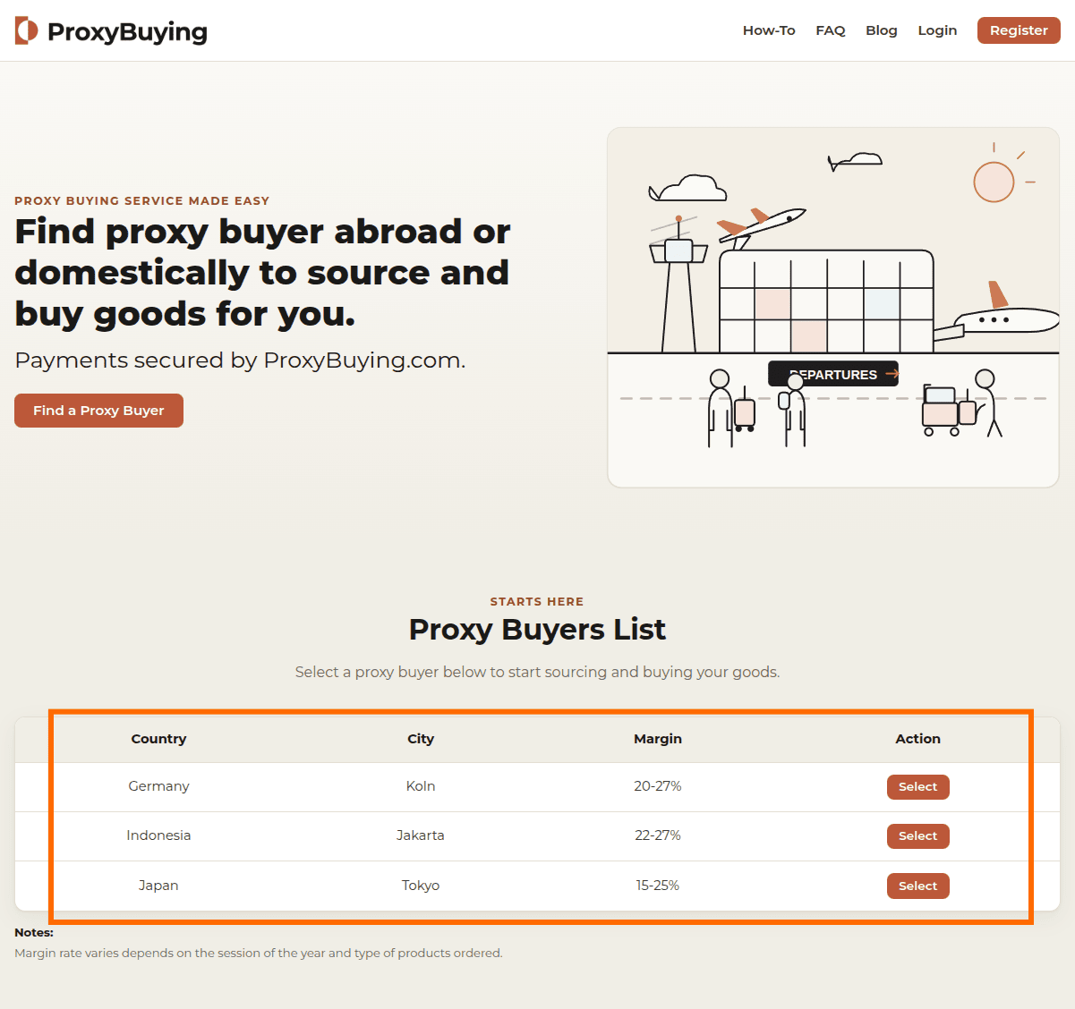

 | (1) | (2)
 | * Select from Proxy Buyers List and click Order, | Fill in Estimate Cost, Estimate Total Weight (kg) and Margin (%).
 | * Fill in Products Name (up to 10), Quantity, Deadline and select Shipment Term (Reship or Pick Up).

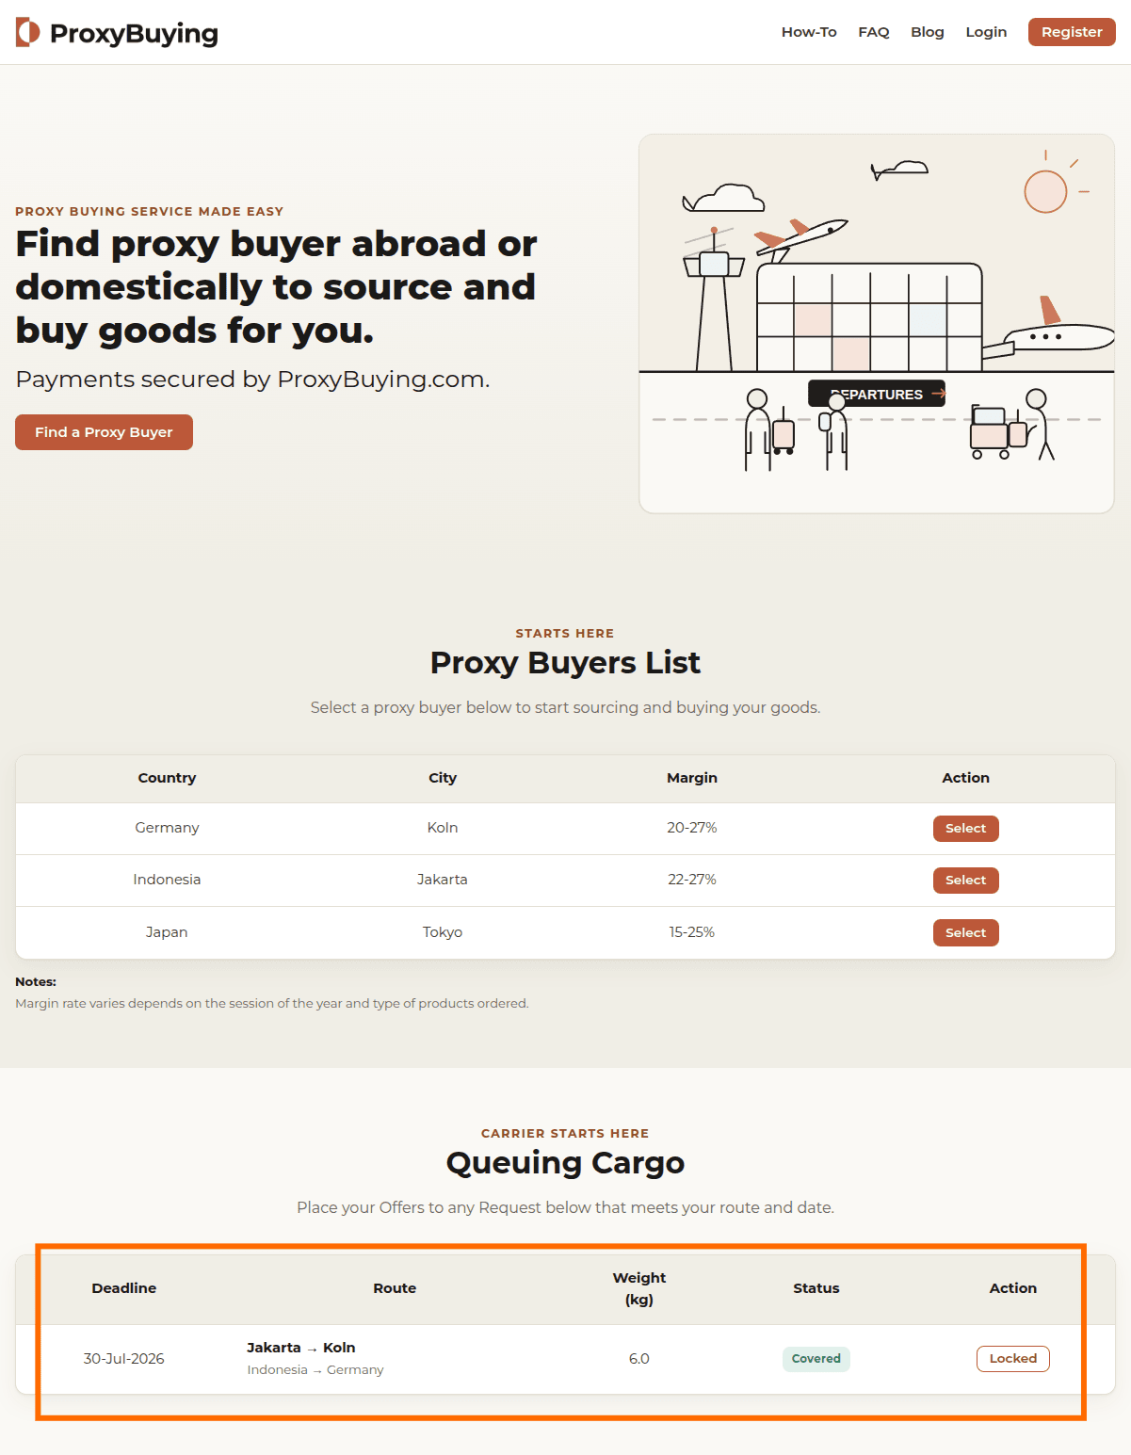
 | (3)
 | Buyer Accept the Estimate and Queuing Cargo table updated.

 |  |  | (4)
 |  |  | * Select the same route from Queuing Cargo table and click Offer,
 |  |  | *Fill in Offer Rate per kg and Travel Date.

 | (5) | (6) | (7)
 | * Accept or Reject Offer from Carrier, | * Start sourcing and buy the products, | Use Message with Proxy Buyer to confirm the time and location for hand over the packaged, then received the package from Proxy Buyer.
 | * If Accept, pay ProxyBuying for Total Estimated Product Cost, Margin and Total Estimate Shipment Cost. | * Chat with Buyer via internal Message on any sourcing issues (shortage, out-of-stock, price increase, substitution),

 |  | * When done, input Actual Cost, Actual Total Weight and upload Products and Box/Luggage Photos.

 | TRAVEL DATE

 | (9) |  | (8)
 | Pay ProxyBuying for Customs Duty, Products and Shipment Cost shortage (Actual minus Estimate), if any. |  | On arrival, send Customs Duty amount.

 | BUYER SELECTED: RESHIP THE PACKAGE

 | (11) |  | (10.1)
 | Fill in Prefered Courier name and type. |  | Pay and upload Customs Duty Proof.

 | (13) |  | (12)
 | Upload Bank Transfer Proof. |  | Fill in Reshipment Cost.

 | (15.1) |  | (14)
 | Receive the package, review it and click Confirm Received. |  | Send the Package and upload AWB Proof.

 | BUYER SELECTED: PICK UP THE PACKAGE

 | (15.2) |  | (10.2)
 | Visit Carrier location, review the package and click Confirm Received. |  | * Pay and upload Actual Customs Duty Proof.
 |  |  | * Inform Buyer via Chat Box for the time to visit collecting the package.

 | PROXYBUYING DISBURSE PROXY BUYER AND CARRIER PAYOUTS - TRANSACTION COMPLETED

