BOM
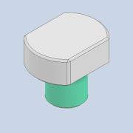
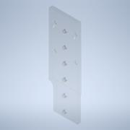
Item | Part Number | Thumbnail | BOM Structure | Unit QTY | QTY | Stock Number | Description | REV
1 | АНЦП.014.00.00.010 |  | Normal | Each | 4
2 | АНЦП.014.00.00.005 |  | Normal | Each | 1
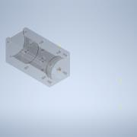
3 | АНЦП.014.00.00.003 |  | Normal | Each | 1
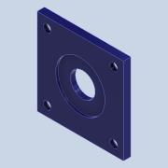
4 | АНЦП.014.00.00.004 |  | Normal | Each | 1
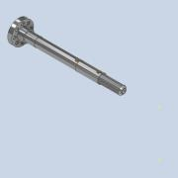
5 | АНЦП.014.00.00.002 |  | Normal | Each | 1
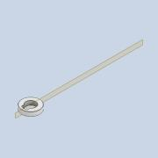
6 | АНЦП.014.00.00.007 |  | Normal | Each | 1
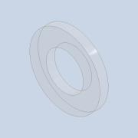
7 | АНЦП.014.00.00.006 |  | Normal | Each | 1
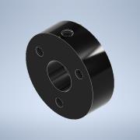
8 | АНЦП.014.00.00.008 |  | Normal | Each | 1
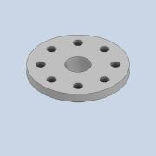
9 | АНЦП.014.00.00.009 |  | Normal | Each | 1
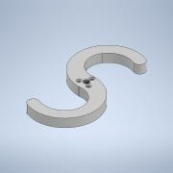
10 | АНЦП.014.00.00.011 |  | Normal | Each | 1
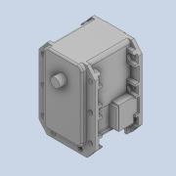
11 | MX-28T_R v1 |  | Normal | Each | 1
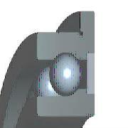
12 | АНЦП.014.00.00.012.000 |  | Purchased | Each | 2 |  | Rolling bearings Miniature radial ball bearings with flanged outer ring Boundary dimensions
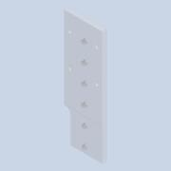
13 | АНЦП.014.00.00.005-01 |  | Normal | Each | 1
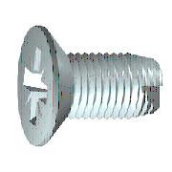
14 | ANSI B18.6.5M - M3x0,5 x 10 - T - IA |  | Purchased | Each | 1 |  | Cross Recessed Flat Countersunk Head Tapping Screw - Type T - Type IA - Metric
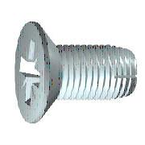
15 | ANSI B18.6.5M - M3x0,5 x 10 - D - IA |  | Purchased | Each | 8 |  | Cross Recessed Flat Countersunk Head Tapping Screw - Type D - Type IA - Metric
16 | ANSI B18.6.5M - M3x0,5 x 16 - T - IA |  | Purchased | Each | 3 |  | Cross Recessed Flat Countersunk Head Tapping Screw - Type T - Type IA - Metric
17 | ANSI B18.6.5M - M3x0,5 x 8 - T - IA |  | Purchased | Each | 4 |  | Cross Recessed Flat Countersunk Head Tapping Screw - Type T - Type IA - Metric
18 | ANSI B18.6.5M - M3x0,5 x 13 - T - IA | 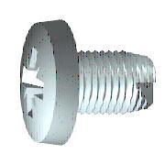 | Purchased | Each | 1 |  | Cross Recessed Pan Head Tapping Screw - Type T - Type IA - Metric

