Het1
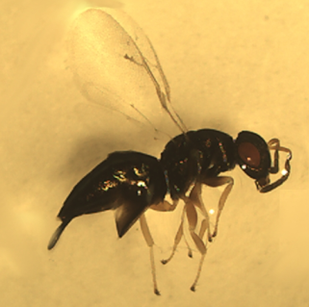
 | Heterandrium Species 1
 | Wasp 1 | Wasp 2 | Wasp 3 | Wasp 4 | Wasp 5 | Wasp 6
Head length (mm) | 0.566 | 0.505 | 0.511 | 0.479 | 0.545 | 0.525
Head width (mm) | 0.698 | 0.607 | 0.622 | 0.622 | 0.601 | 0.707
Thorax length (mm) | 0.767 | 0.784 | 0.769 | 0.766 | 0.828 | 0.852
Thorax width (mm) | 0.494 | 0.527 | 0.511 | 0.407 | 0.561 | 0.59
Abdomen length (mm) | 1.288 | 1.059 | 1.107 | 1.242 | 1.367 | 1.408
Abdomen width (mm) | 0.504 | 0.43 | 0.504 | 0.446 | 0.553 | 0.618

Het2
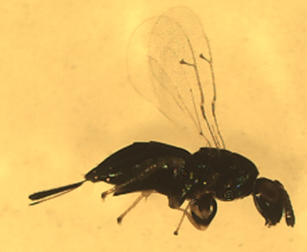
 | Heterandrium Species 2
 | Wasp 1 | Wasp 2 | Wasp 3 | Wasp 4 | Wasp 5
Head length (mm) | 0.497 | 0.45 | 0.557 | 0.519 | 0.43
Head width (mm) | 0.607 | 0.565 | 0.637 | 0.563 | 0.53
Thorax length (mm) | 0.781 | 0.696 | 0.792 | 0.814 | 0.621
Thorax width (mm) | 0.487 | 0.432 | 0.445 | 0.443 | 0.372
Abdomen length (mm) | 1.248 | 1.092 | 1.24 | 1.221 | 1.034
Abdomen width (mm) | 0.601 | 0.504 | 0.469 | 0.623 | 0.546

LO1
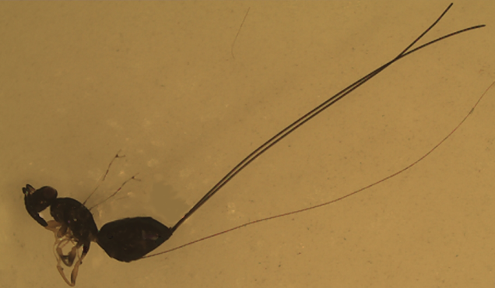
 | Idarnes Species Long-ovipositor 1
 | Wasp 1 | Wasp 2 | Wasp 3 | Wasp 4 | Wasp 5 | Wasp 6
Head length (mm) | 0.43 | 0.357 | 0.383 | 0.433 | 0.402 | 0.426
Head width (mm) | 0.517 | 0.469 | 0.488 | 0.562 | 0.527 | 0.508
Thorax length (mm) | 0.897 | 0.722 | 0.678 | 0.858 | 0.823 | 0.723
Thorax width (mm) | 0.394 | 0.326 | 0.468 | 0.456 | 0.438 | 0.377
Abdomen length (mm) | 1.176 | 0.875 | 1.097 | 1.061 | 1.266 | 1.097
Abdomen width (mm) | 0.71 | 0.435 | 0.609 | 0.521 | 0.777 | 0.654

SO1
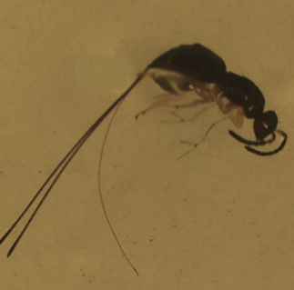
 | Idarnes Species Short-ovipositor 1
 | Wasp 1 | Wasp 2 | Wasp 3 | Wasp 4
Head length (mm) | 0.365 | 0.361 | 0.377 | 0.302
Head width (mm) | 0.513 | 0.483 | 0.508 | 0.379
Thorax length (mm) | 0.67 | 0.624 | 0.725 | 0.498
Thorax width (mm) | 0.4 | 0.385 | 0.391 | 0.279
Abdomen length (mm) | 1.124 | 1.095 | 0.973 | 0.682
Abdomen width (mm) | 0.575 | 0.55 | 0.389 | 0.358

SO2
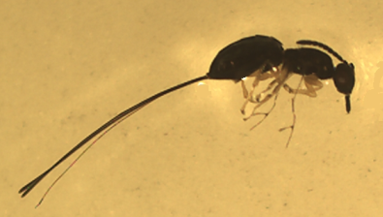
 | Idarnes Species Short-ovipositor 2
 | Wasp 1 | Wasp 2 | Wasp 3 | Wasp 4 | Wasp 5
Head length (mm) | 0.394 | 0.353 | 0.363 | 0.329 | 0.364
Head width (mm) | 0.538 | 0.423 | 0.513 | 0.432 | 0.511
Thorax length (mm) | 0.712 | 0.64 | 0.686 | 0.648 | 0.684
Thorax width (mm) | 0.406 | 0.35 | 0.457 | 0.388 | 0.367
Abdomen length (mm) | 1.006 | 0.963 | 1.025 | 0.975 | 0.972
Abdomen width (mm) | 0.655 | 0.541 | 0.523 | 0.414 | 0.505

