Green Water Treatment Options
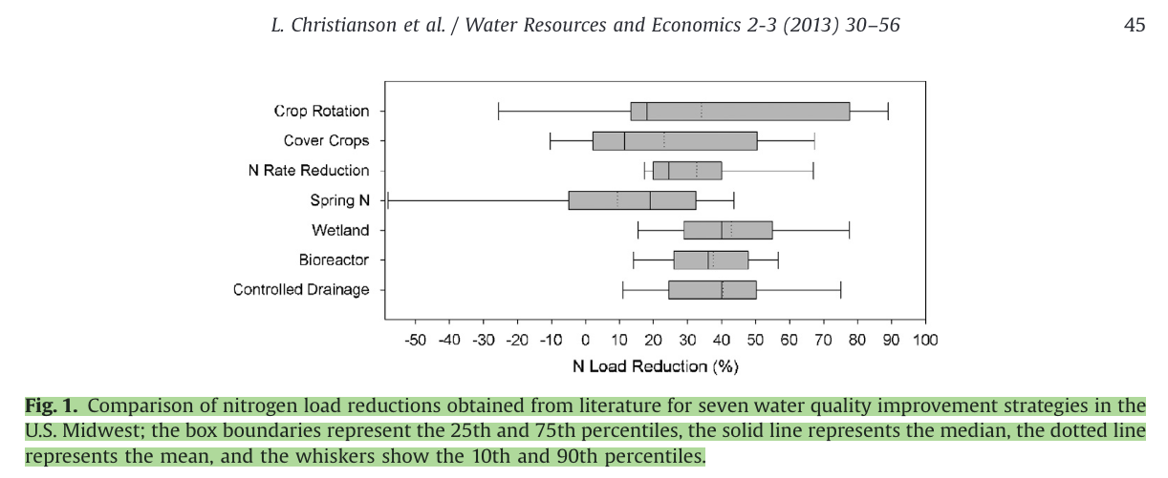
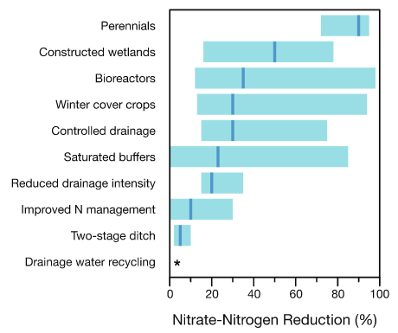
Treatment Name | Short Name | Level | Green/Gray | 2013Cost | 2022Cost kgN | 2022Cost kgP | GWP N | GWP P | GWP US Mix | GWP NPCC | N Removal | P Removal | Total Electricity Demand | Total Electrical Demand/Total P removed | Total Electrical Demand/Total N removed | eGrid Replace | Tile Drain | Buffer | Wetlands | Fertilizer | Source
Units |  |  |  | 2013$/kgN yr | 2022$/kgN yr | 2022$/kgP yr | kg-CO2eq/kgN yr | kg-CO2eq/kgP yr | kg-CO2eq/m3 | kg-CO2eq/m3 | % | % | kWh/m3 | kWh/g | kWh/g |  | Yes/No | Yes/No | Yes/No | Yes/No
Controlled Drainage | Controlled Drainage |  | Green | $1.70 | $2.14 | #DIV/0! | 0.10 | 2.65 | 0 |  | 40% | 0% | 0 |  |  | No | Yes | No | No | No | 2013 Christianson et al | 2016 Illinois Nutrient Loss
Bioreactors | Bioreactors |  | Green | $2.00 | $2.51 | $- | 0.70 | - | 0 |  | 38% | 0% | 0 |  |  | No | Yes | No | No | No | 2013 Christianson et al | 2016 Illinois Nutrient Loss
Wetland | Wetland |  | Green | $2.80 | $3.52 | $- | (3.58) | - | 0 |  | 43% | 0% | 0 |  |  | No | No | No | Yes | No | 2013 Christianson et al | 2016 Illinois Nutrient Loss
N Rate Reduction | N Rate Reduction |  | Green | $(1.60) | $(2.01) | $(0.44) | (9.21) | (2.01) | 0 |  | 32% | 7% | 0 |  |  | No | No | No | No | Yes | 2013 Christianson et al | 2016 Illinois Nutrient Loss
Spring N Application | Spring N Application |  | Green | $(12.00) | $(15.08) | $- | 11.10 | - | 0 |  | 9% | 0% | 0 |  |  | No | No | No | No | Yes | 2013 Christianson et al | 2016 Illinois Nutrient Loss
Cover Crop | Cover Crop |  | Green | $38.00 | $47.74 | $35.01 | 0.55 | 8.10 | 0 |  | 22% | 30% | 0 |  |  | No | No | No | No | No | 2013 Christianson et al | 2016 Illinois Nutrient Loss
Crop Rotation | Crop Rotation |  | Green | $39.00 | $48.99 | $- | - | - | 0 |  | 34% | 0% | 0 |  |  | No | No | No | No | No | 2013 Christianson et al | 2016 Illinois Nutrient Loss

Emissions Plot
Treatment | Method | kg-CO2eq/kgN yr | kg-CO2eq/kgP yr
Buffers | Green | 0.10 | 2.65
Bioreactors | Green | 0.70 | -
Wetland | Green | (3.90) | -
N Rate Reduction | Green | (9.21) | (105.72)
Split N Application | Green | 11.10 | -
Cover Crop | Green | 0.55 | 8.10
Level 2-1, A2O | Gray | 24.06 | 163.83
Level 2-2, AS3 | Gray | 28.75 | 230.00
Level 3-1, B5 | Gray | 29.41 | 208.33
Level 3-2, MUCT | Gray | 28.24 | 200.00
Level 4-1, B5/Denit | Gray | 29.73 | 224.49
Level 4-2, MBR | Gray | 29.73 | 224.49
Level 5-1, B5/RO | Gray | 46.15 | 360.00
Level 5-2, MBR/RO | Gray | 47.37 | 360.00

