Trees
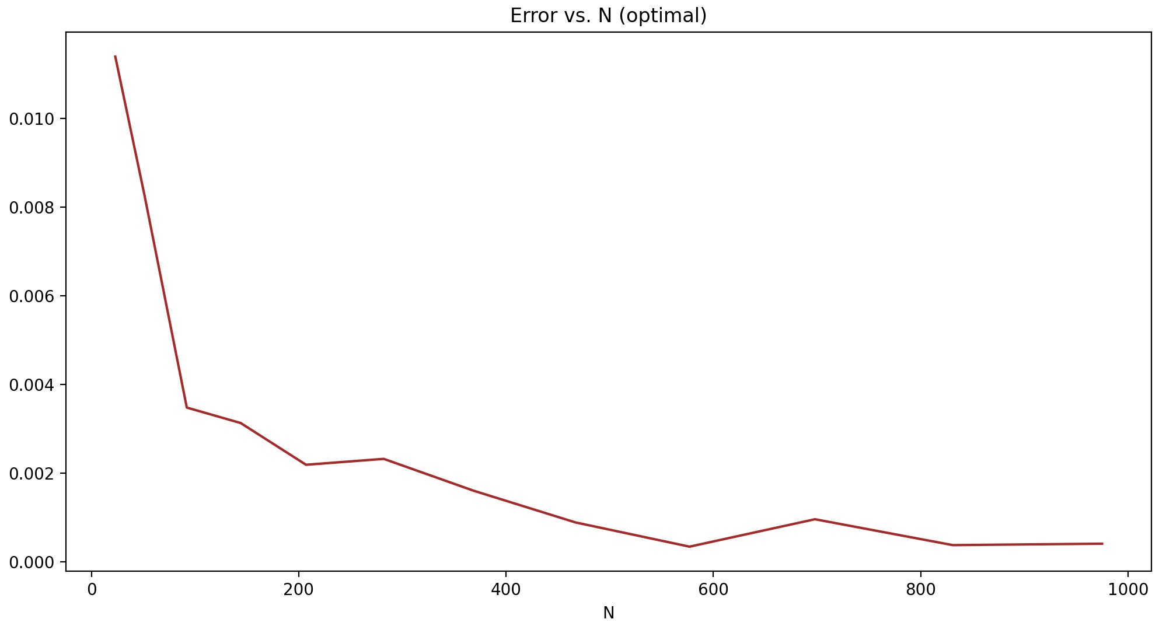
Pricing Down–and–Out European Barrier Options using trinomial trees

Barrier Option Value |  | 4.3756

Trinomial trees approximation error plot
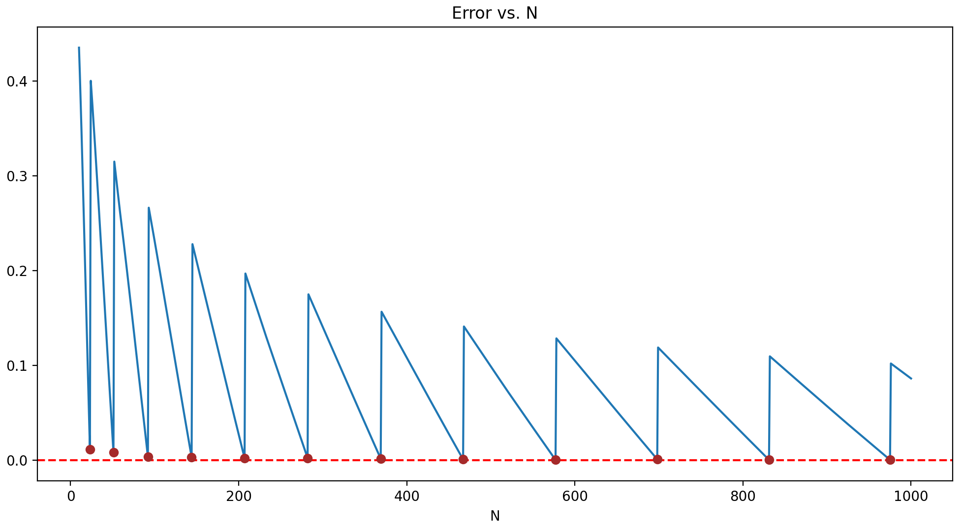

Optimal number of time steps

k | N_k
2 | 23
3 | 51
4 | 92
5 | 144
6 | 207
7 | 282
8 | 369
9 | 467
10 | 577
11 | 698
and so on

Optimal nodes Trinomial trees approximation error plot

