Japan
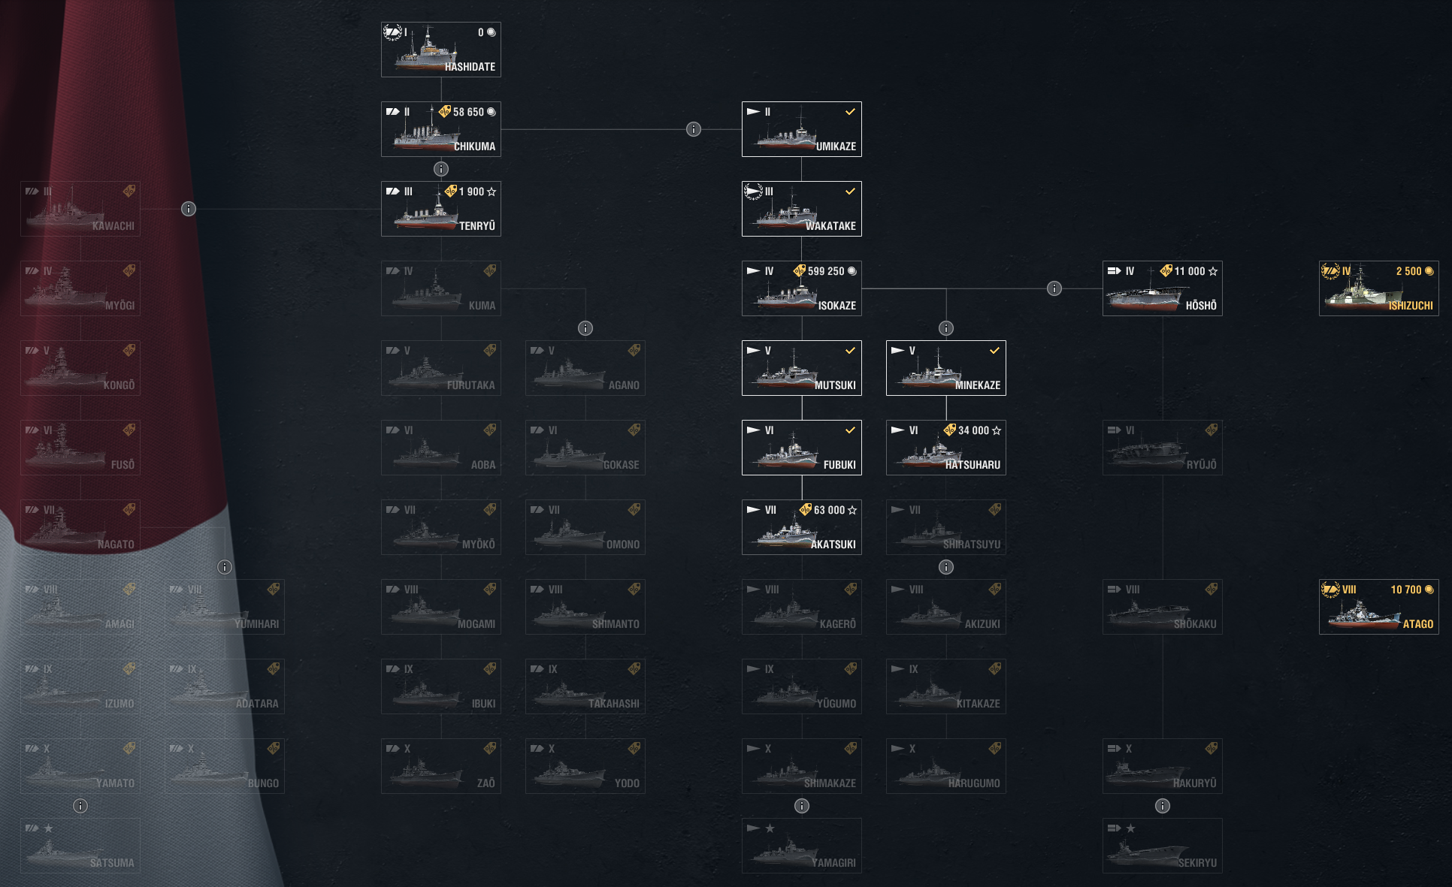

4-9
5-8

5-7

5-7
5-10
5-4

USA
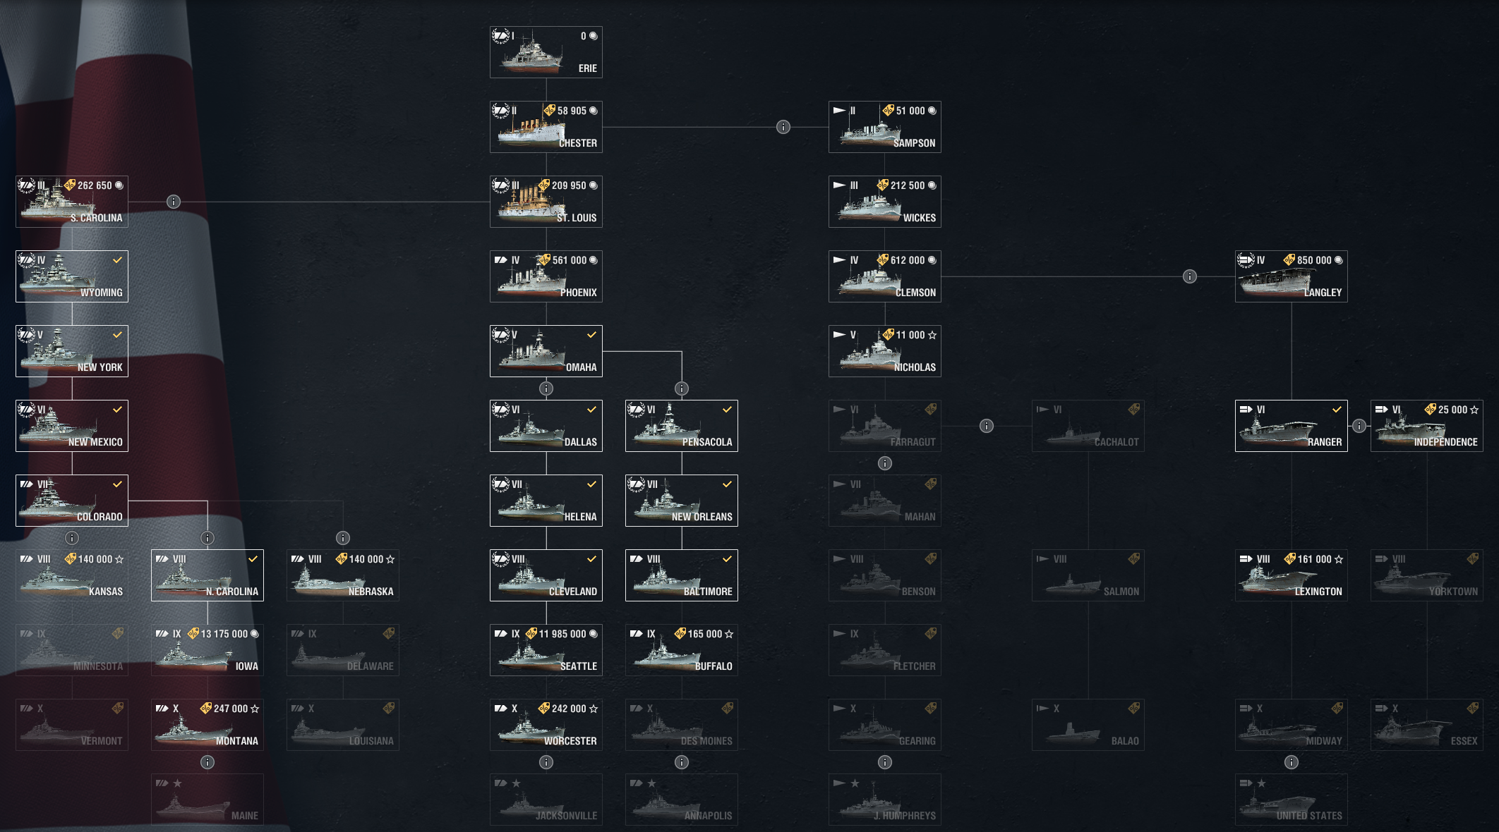



5-8
5-5

5-7
5-8
5-9

USSR
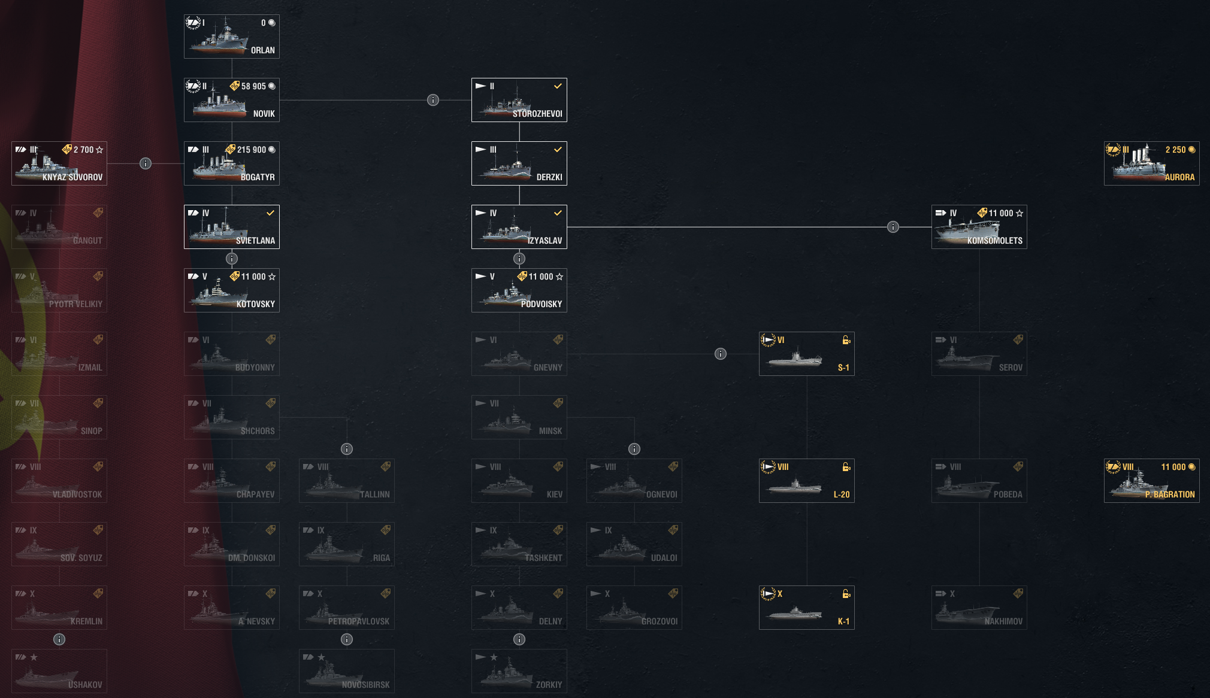

5-7

Germany
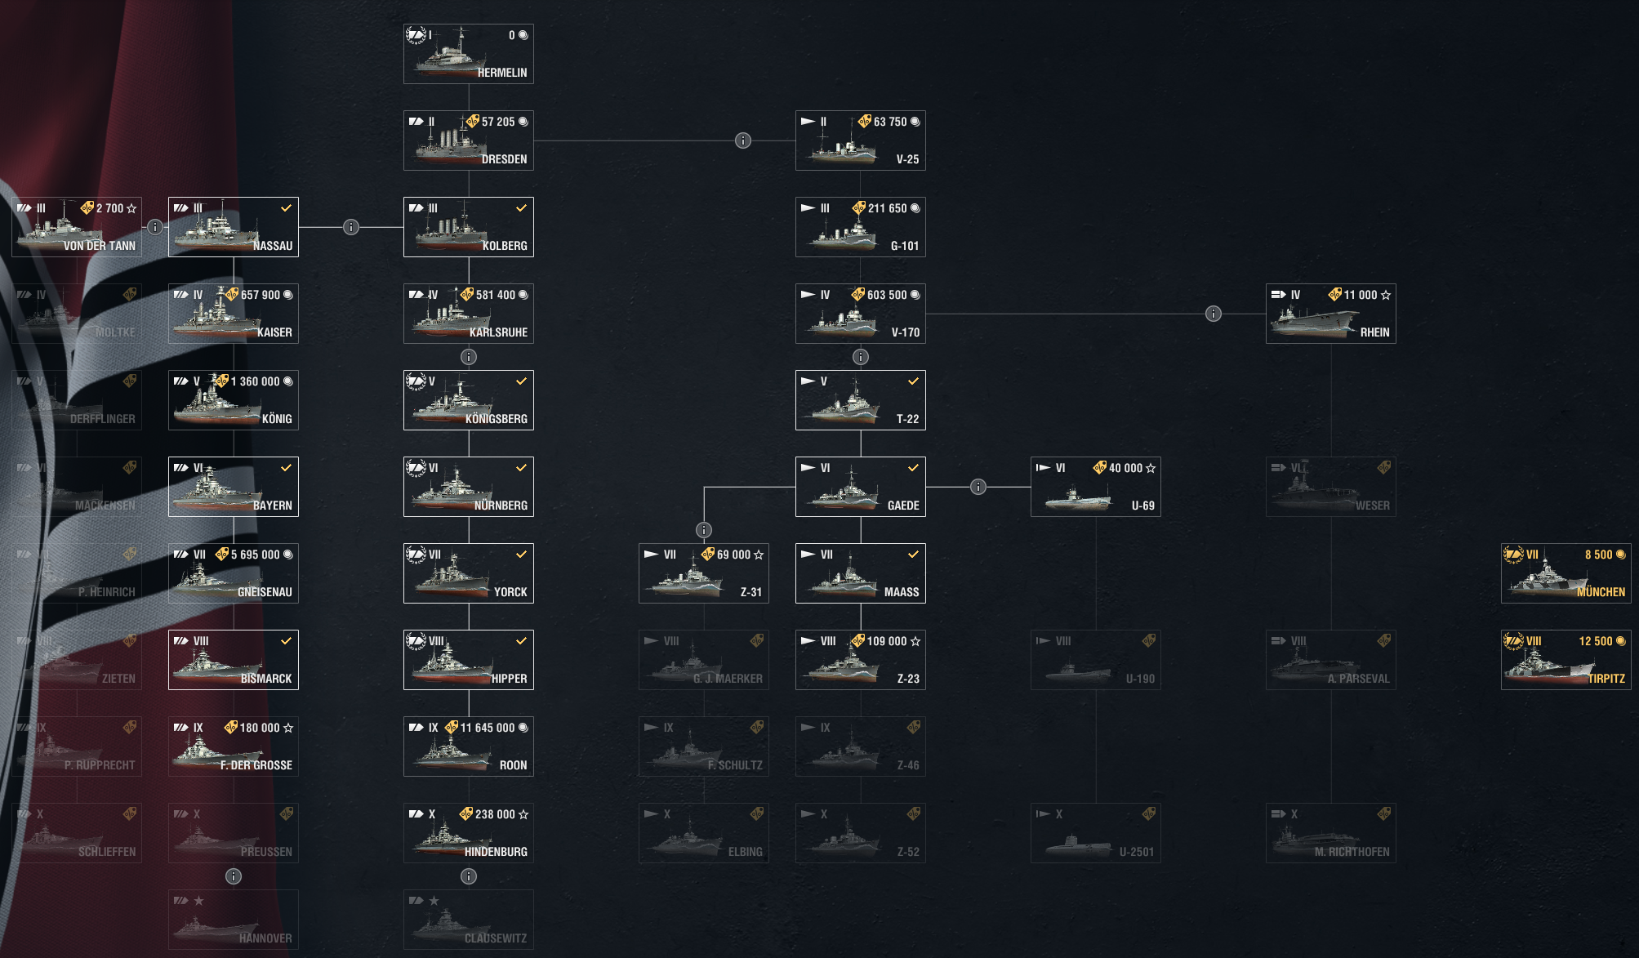

4-9

5-10

UK
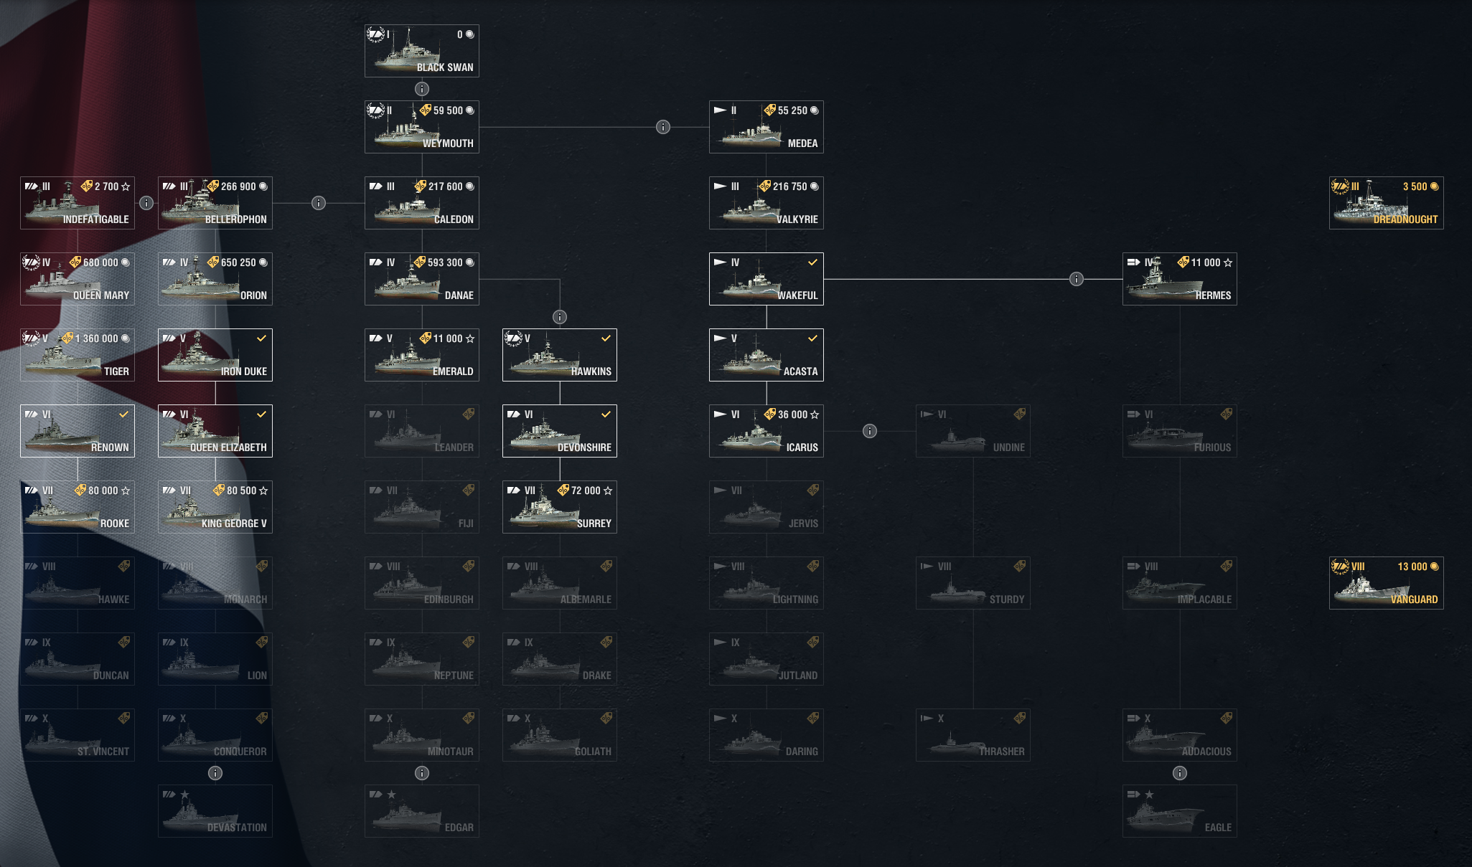

5-10

5-4

5-10
5-9

France
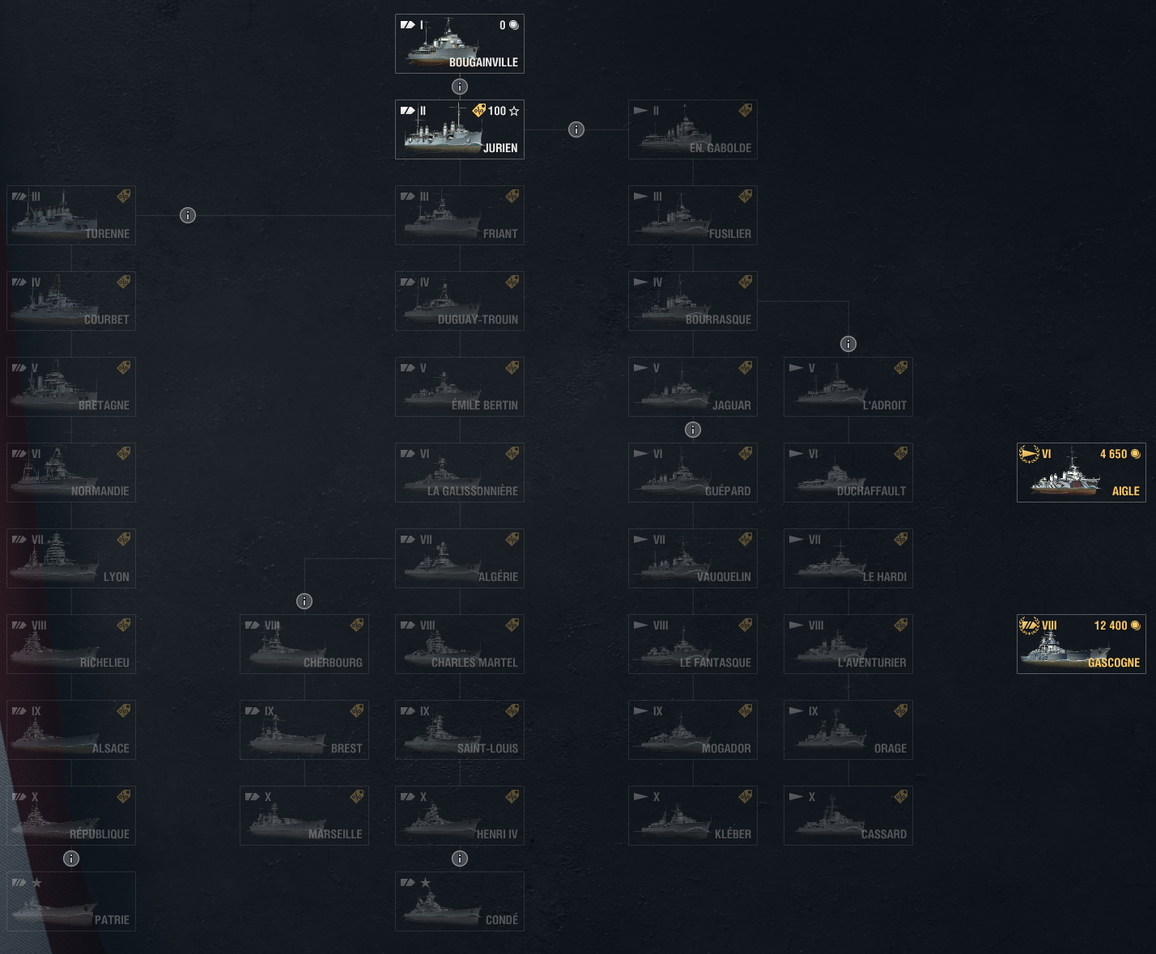

4-9

Campaign Tasks
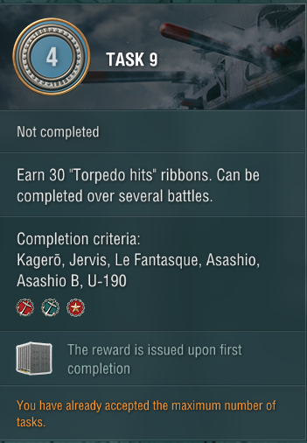
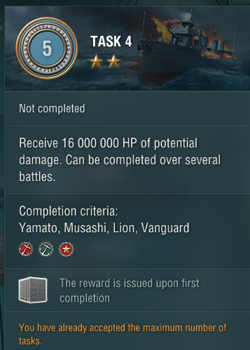
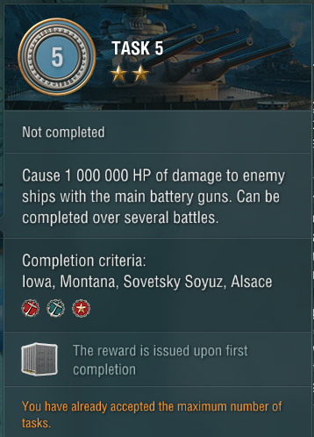
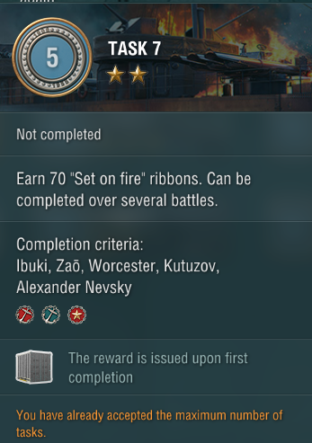
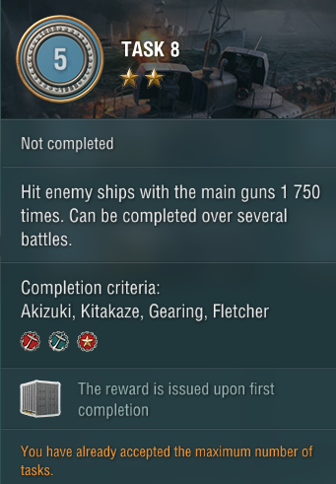
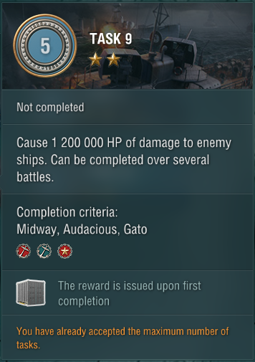
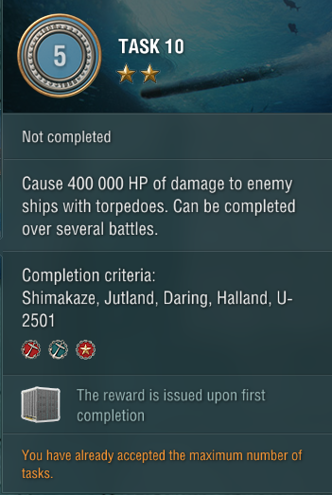

Kagero | jap | destryr | 4 | 9 | Lion | uk | btlshp | 5 | 4 | Iowa | usa | btlshp | 5 | 5 | Worcester | us | cruzr | 5 | 7 | Akizuki | jap | dstryr | 5 | 8 | Midway | usa | crrier | 5 | 9 | Shimakaze | jap | dstryr | 5 | 10

