Accuracy_Loss_Plots
Train and Validation Accuracy
 | Training Accuracy | Validation Accuracy
Train and Validation Loss
 | Training Loss | Validation Loss

Accuracy
Training and Validation Accuracy
 | 2023-01-04_16-03-45_training_data_CNNNetV2_2_EP_100 Training Accuracy | 2023-01-04_16-03-45_training_data_CNNNetV2_2_EP_100 Validation Accuracy | 2023-01-05_01-28-09_training_data_CNNNetV2_2_EP_50 Training Accuracy | 2023-01-05_01-28-09_training_data_CNNNetV2_2_EP_50 Validation Accuracy | 2023-01-08_02-04-08_model_CNNNetV2_4_EP_100 Training Accuracy | 2023-01-08_02-04-08_model_CNNNetV2_4_EP_100 Validation Accuracy

Loss
Training and Validation Loss
 | 2023-01-04_16-03-45_training_data_CNNNetV2_2_EP_100 Training Loss | 2023-01-04_16-03-45_training_data_CNNNetV2_2_EP_100 Validation Loss | 2023-01-05_01-28-09_training_data_CNNNetV2_2_EP_50 Training Loss | 2023-01-05_01-28-09_training_data_CNNNetV2_2_EP_50 Validation Loss | 2023-01-08_02-04-08_model_CNNNetV2_4_EP_100 Training Loss | 2023-01-08_02-04-08_model_CNNNetV2_4_EP_100 Validation Loss

ClassAccuracy_ConfusionMatrix
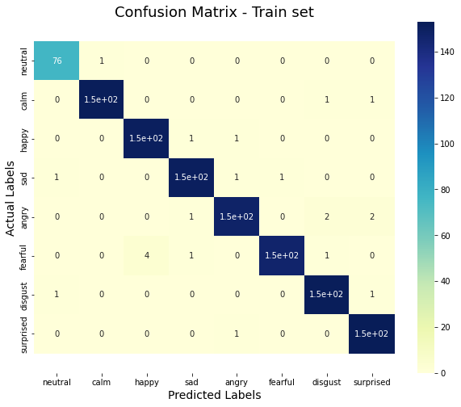
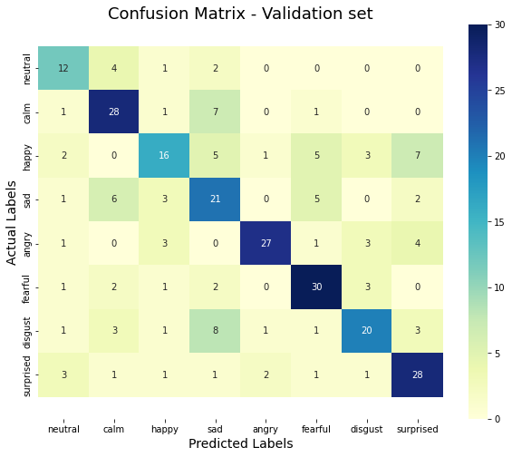
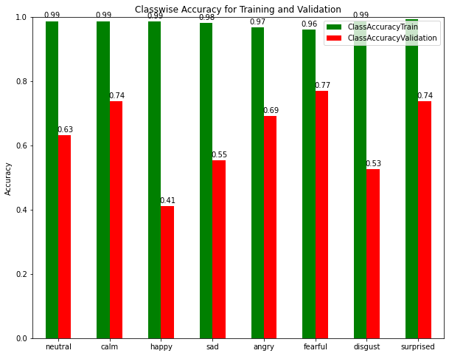
V0_CapstoneProject_EmotionRecognitionSpeech&Beyond_BaseCNNNetwork
2022-12-28_17-21-05_model_BaseCNNNetwork_EP_100
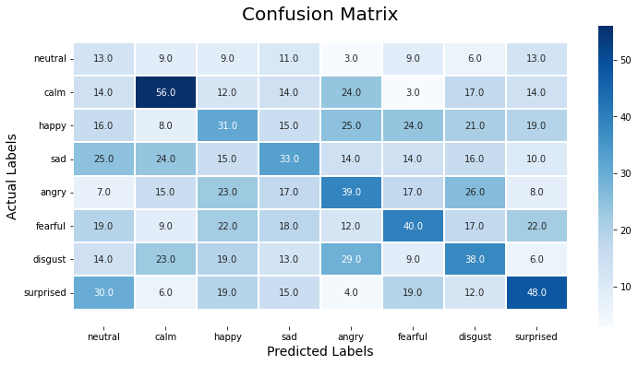
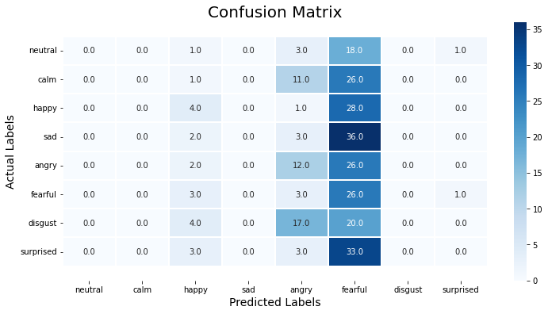
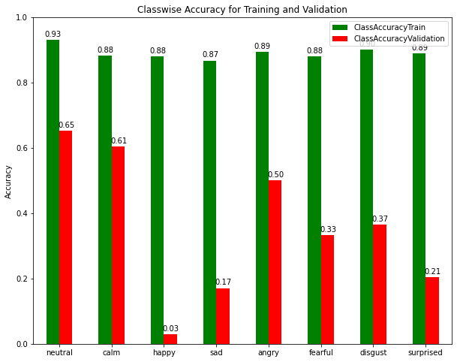

V1_CapstoneProject_EmotionRecognitionSpeech&Beyond_parallel_CNNTransformerNet
2022-12-31_15-21-36_model_CNNTransformerNet_EP_25
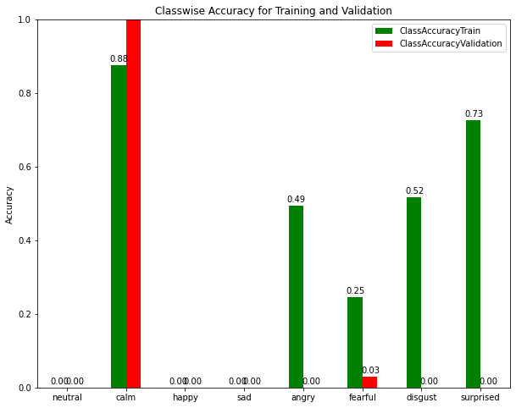
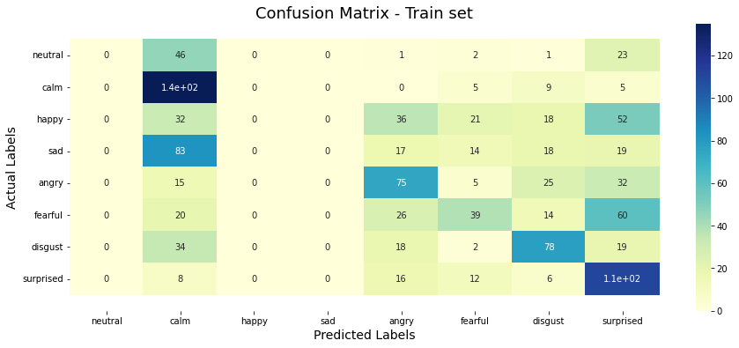
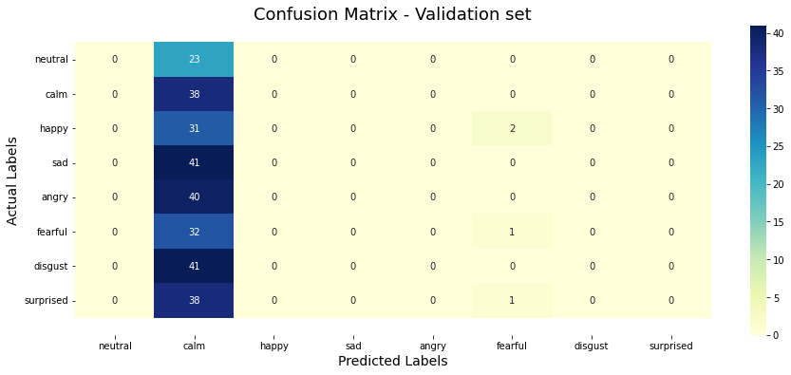

V2_CapstoneProject_EmotionRecognitionSpeech&Beyond_CNNNetwork
2023-01-01_19-22-01_model_CNNNetwork_EP_100
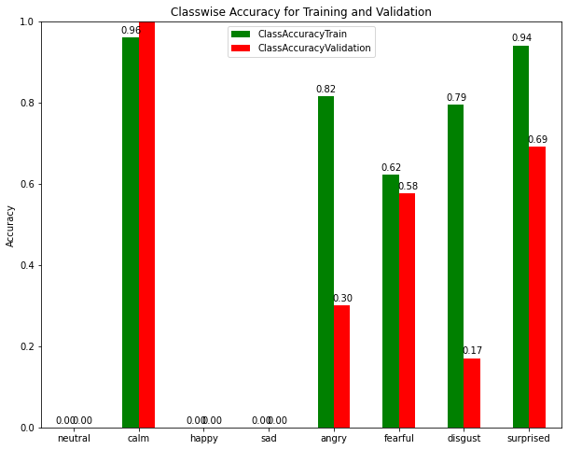
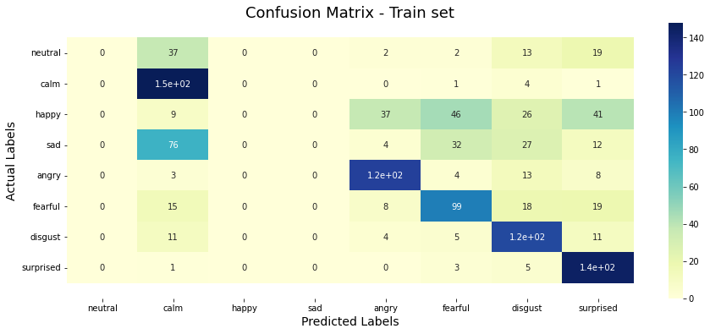
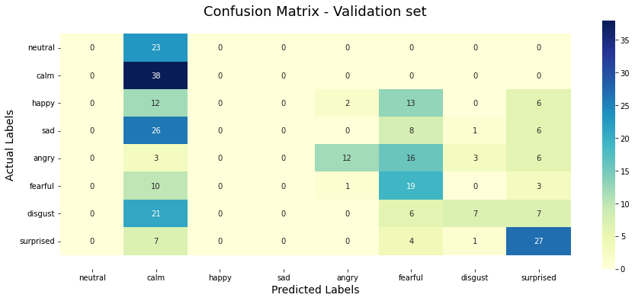

V3.1_CapstoneProject_EmotionRecognitionSpeech&Beyond_CNNNet_V2_1
2023-01-03_00-52-51_model_CNNNetV2_1_EP_20
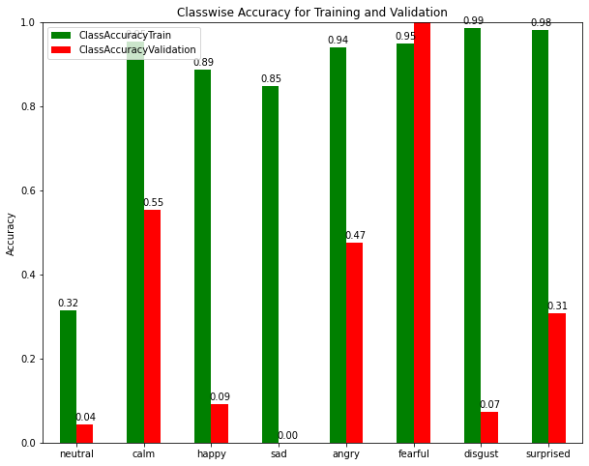
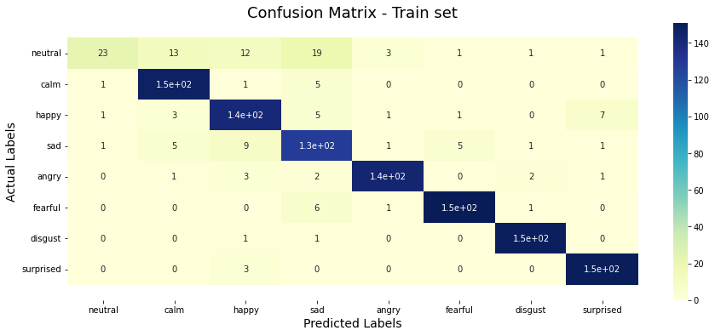
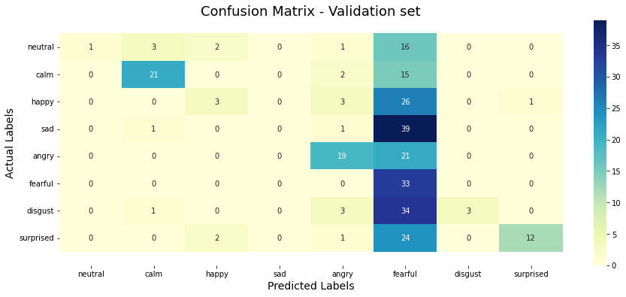

V4_CapstoneProject_EmotionRecognitionSpeech&Beyond_CNNAttentionNetV0
2023-01-04_00-46-36_model_CNNAttentionNetV0_EP_25
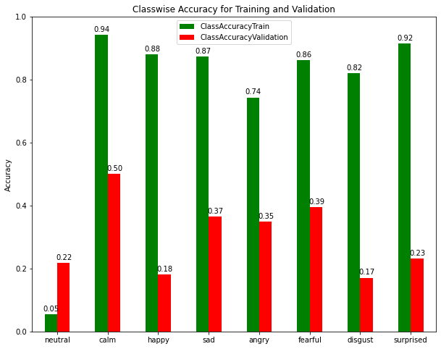
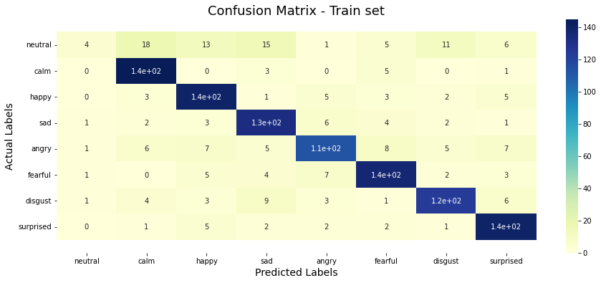
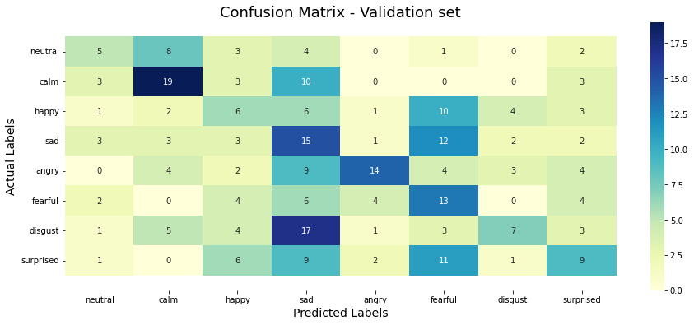

V3_CapstoneProject_EmotionRecognitionSpeech&Beyond_CNNNet_V2
2023-01-02_07-54-28_model_CNNNetV2_EP_100
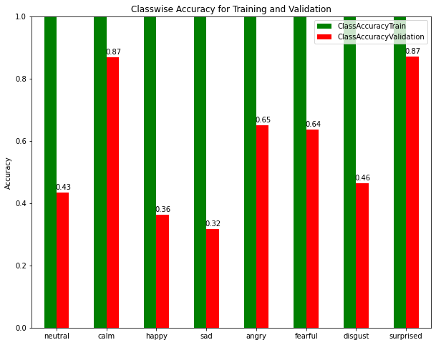
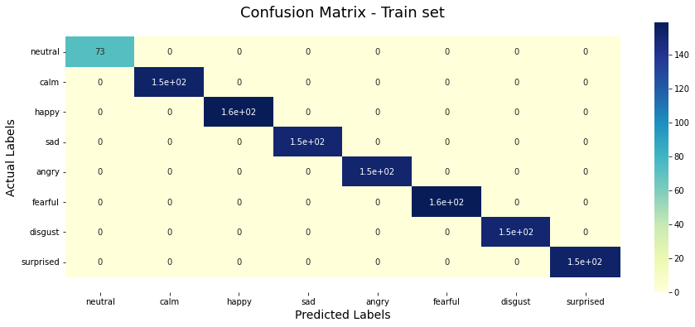
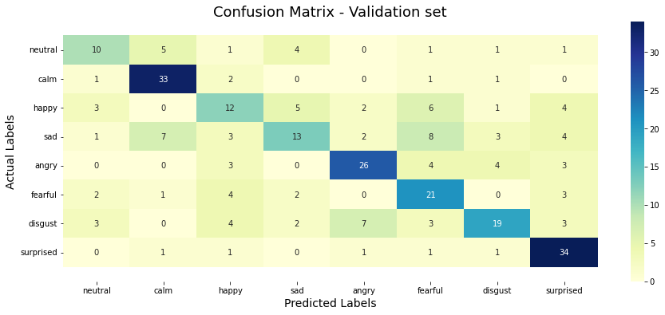

V3.2_CapstoneProject_EmotionRecognitionSpeech&Beyond_CNNNet_V2_2 | Epoch | Training Accuracy | Validation Accuracy | Training Loss | Validation Loss
2023-01-04_16-03-45_model_CNNNetV2_2_EP_100 | 99 | 0.99392360449 | 0.63541668653 | 1.2802437147 | 1.6415760517
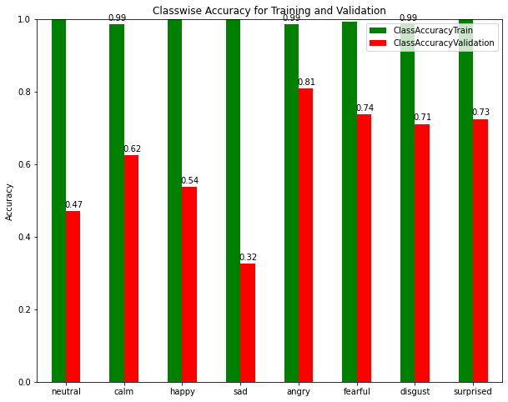
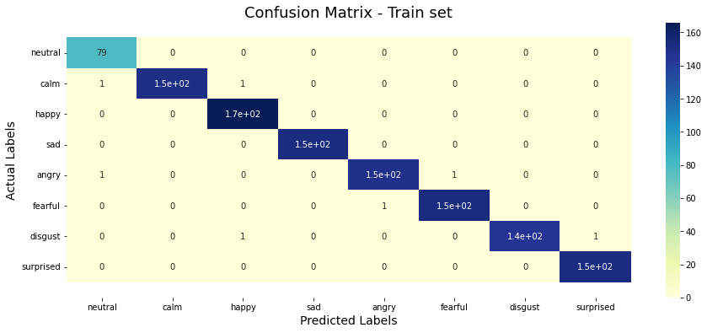
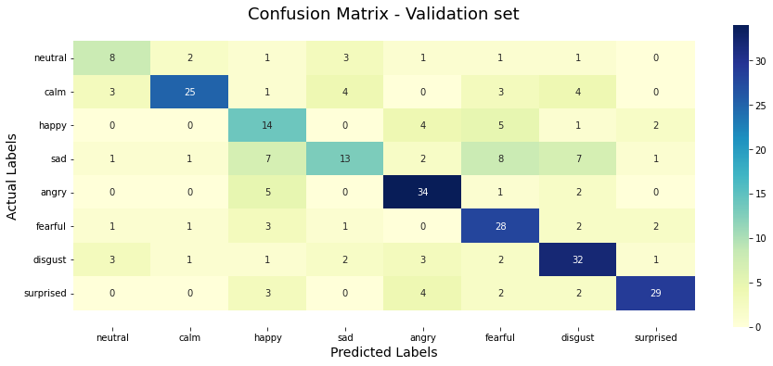

V3.3_CapstoneProject_EmotionRecognitionSpeech&Beyond_CNNNet_V2_2
2023-01-04_19-25-13_model_CNNNetV2_2_EP_25
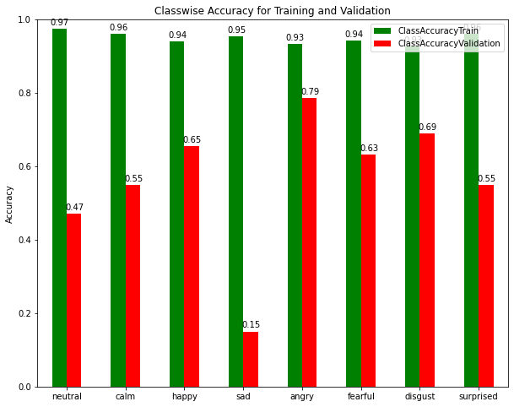
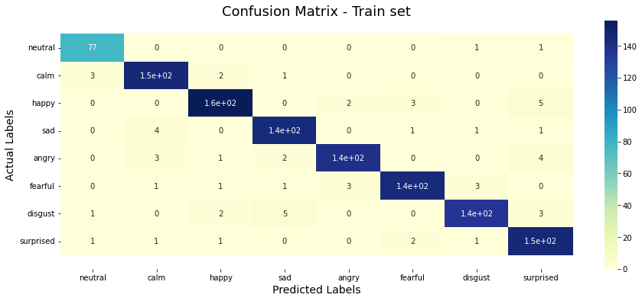
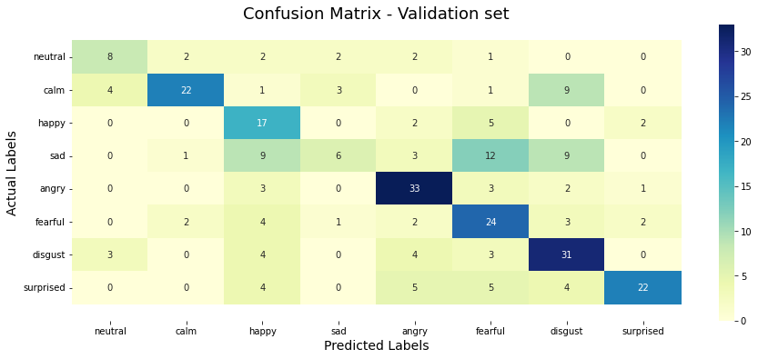

V3.4_CapstoneProject_EmotionRecognitionSpeech&Beyond_CNNNet_V2_2
2023-01-05_01-28-09_model_CNNNetV2_2_EP_50
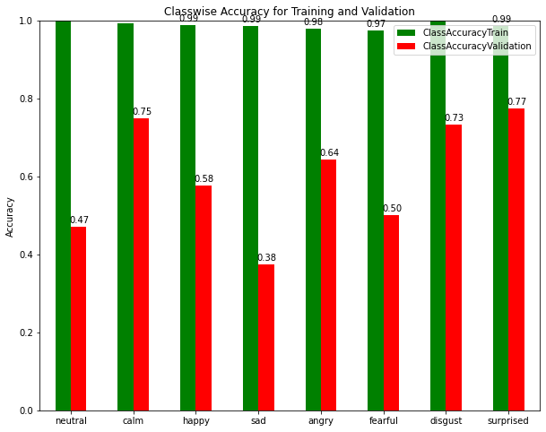

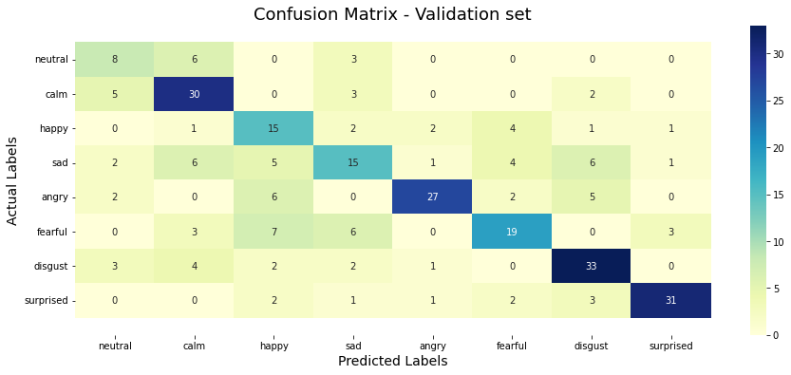

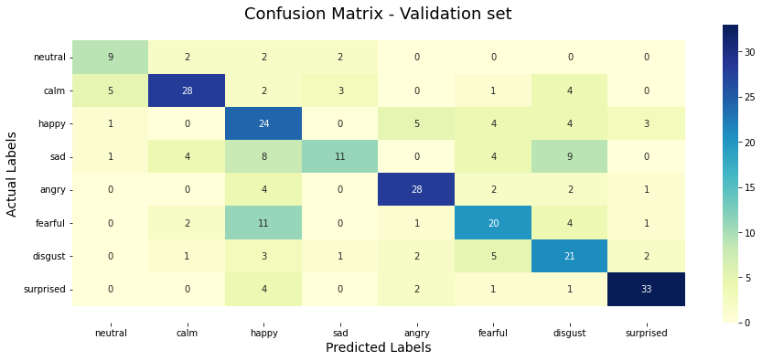
V3.5_CapstoneProject_EmotionRecognitionSpeech&Beyond_CNNNet_V2_3
2023-01-05_16-55-10_model_CNNNetV2_3_EP_100
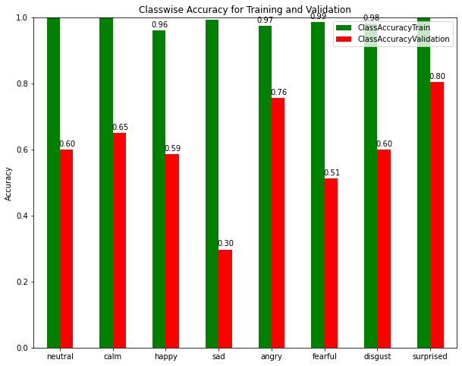
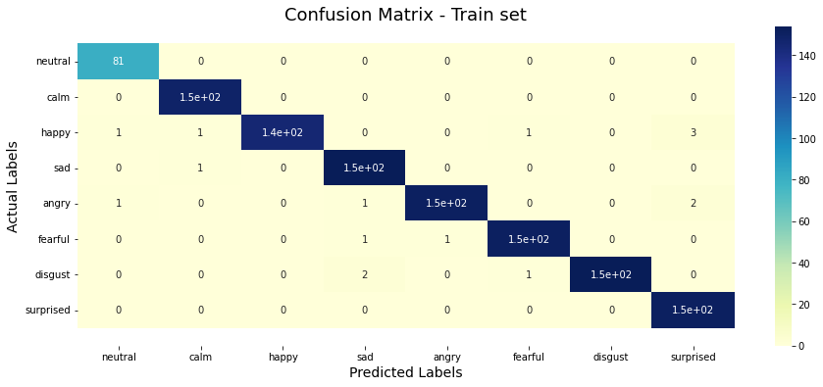

V5.0_CapstoneProject_EmotionRecognitionSpeech&Beyond_CNNNet_V2_4
2023-01-08_02-04-08_model_CNNNetV2_4_EP_100

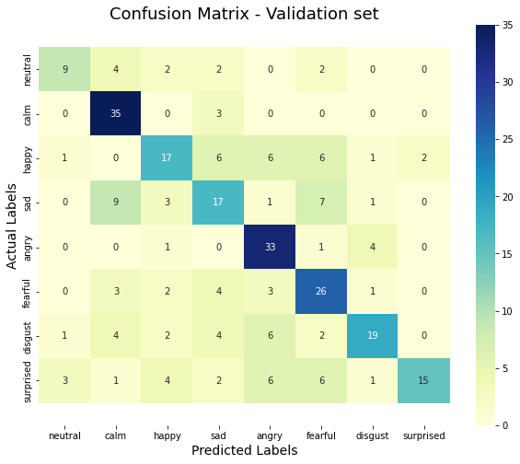
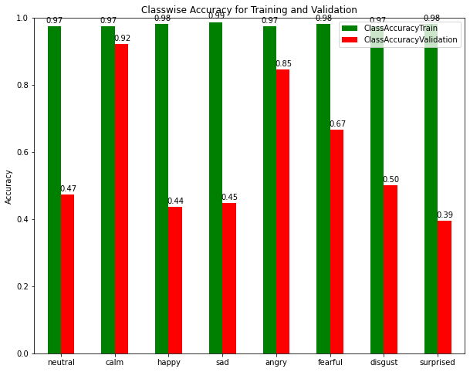

V5.0_CapstoneProject_EmotionRecognitionSpeech&Beyond_CNNNet_V2_4 | Epoch | Training Accuracy | Validation Accuracy | Training Loss | Validation Loss
2023-01-08_02-04-08_model_CNNNetV2_4_EP_100 | 88 | 0.98090279102 | 0.63194441795 | 1.2995367646 | 1.6544851542

