FID_ResultsKNN
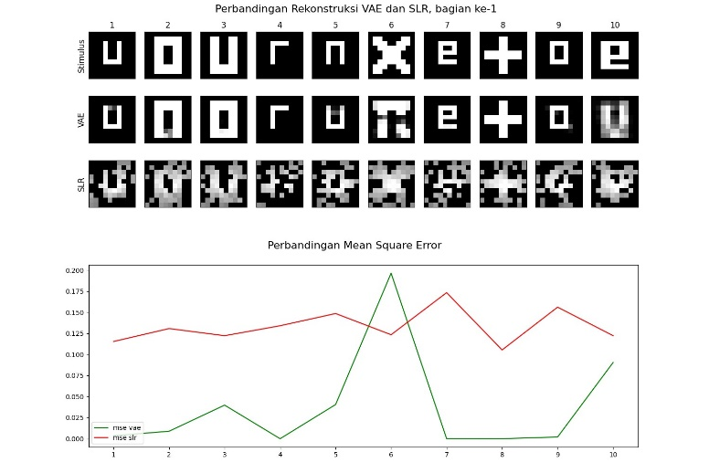
Z | IMD | Batch | Iter | FID
6 | 128 | 10 | 1500 | 83.010638452
6 | 512 | 30 | 1500 | 85.605538939
6 | 512 | 10 | 1500 | 86.999565603
18 | 128 | 20 | 1500 | 91.983341697
12 | 512 | 20 | 1000 | 92.949016935
6 | 128 | 30 | 1500 | 96.965173108
12 | 512 | 30 | 1000 | 97.281164232
6 | 256 | 30 | 1500 | 99.130349252
18 | 256 | 10 | 1500 | 100.90669621
18 | 512 | 20 | 1000 | 100.95896602
6 | 256 | 10 | 1500 | 102.44325652
12 | 256 | 10 | 1000 | 105.56070607
12 | 256 | 30 | 1000 | 106.16247733
12 | 128 | 50 | 1000 | 108.03521802
6 | 256 | 20 | 1500 | 108.99749282
12 | 256 | 20 | 1500 | 110.00531914
12 | 128 | 30 | 1500 | 111.52626328
12 | 512 | 20 | 1500 | 113.37455384
6 | 128 | 40 | 1500 | 113.63644761
6 | 512 | 30 | 500 | 113.9806734
6 | 256 | 30 | 500 | 114.04485596
6 | 256 | 10 | 1000 | 114.34685568
18 | 512 | 40 | 1500 | 115.8204268
6 | 128 | 20 | 1500 | 116.56227029
18 | 512 | 30 | 500 | 117.39187417
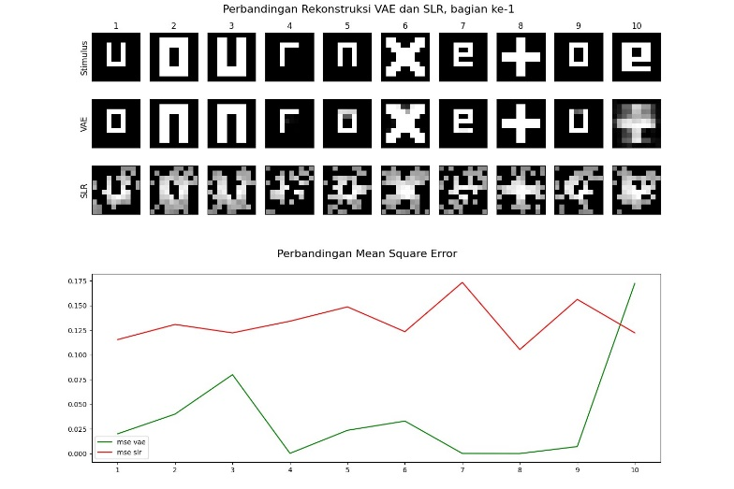
18 | 256 | 30 | 1000 | 117.79882232
18 | 256 | 30 | 1500 | 118.06995577
12 | 256 | 10 | 500 | 118.45652104
18 | 256 | 40 | 1500 | 119.16416063
18 | 256 | 30 | 500 | 119.52118332
6 | 128 | 10 | 1000 | 120.0632659
12 | 512 | 10 | 1000 | 120.66299324
12 | 512 | 50 | 1500 | 121.14097168
6 | 512 | 30 | 1000 | 121.57802993
6 | 512 | 10 | 500 | 122.88065529
6 | 256 | 40 | 1500 | 124.3260161
18 | 128 | 20 | 1000 | 125.04106589
12 | 128 | 10 | 1500 | 125.24443147
12 | 512 | 10 | 1500 | 125.46557537
6 | 256 | 30 | 1000 | 125.52617334
6 | 128 | 50 | 1500 | 126.50681011
18 | 512 | 10 | 1500 | 127.20509138
6 | 128 | 30 | 1000 | 127.55502018
6 | 256 | 50 | 500 | 128.50526318
12 | 128 | 20 | 500 | 129.11404407
12 | 128 | 40 | 500 | 129.21434695
12 | 512 | 40 | 1500 | 129.31897774
6 | 512 | 20 | 500 | 129.9927627
18 | 512 | 50 | 1500 | 130.23938971
18 | 128 | 30 | 1500 | 130.50281331
12 | 512 | 50 | 1000 | 130.58743442
6 | 256 | 40 | 500 | 131.77608582
12 | 128 | 20 | 1500 | 132.00620662
18 | 256 | 10 | 1000 | 132.20198139
6 | 512 | 20 | 1000 | 132.78289105
12 | 512 | 40 | 1000 | 132.93834257
12 | 256 | 10 | 1500 | 133.51657412
6 | 128 | 10 | 500 | 133.58449821
12 | 512 | 10 | 500 | 133.79104728
12 | 128 | 20 | 1000 | 134.23524764
6 | 512 | 40 | 1000 | 135.2866518
12 | 512 | 30 | 1500 | 135.3313176
12 | 256 | 20 | 1000 | 135.42046564
6 | 512 | 10 | 1000 | 135.50942172
12 | 512 | 20 | 500 | 135.53256813
18 | 512 | 20 | 1500 | 136.50115905
18 | 256 | 50 | 1500 | 137.48914775
12 | 256 | 20 | 500 | 137.70069432
6 | 256 | 10 | 500 | 137.84771534
6 | 512 | 50 | 500 | 137.86500714
18 | 128 | 50 | 500 | 138.98442903
18 | 128 | 10 | 500 | 139.73245177
12 | 128 | 40 | 1500 | 140.72602781
18 | 512 | 30 | 1500 | 140.82093092
6 | 256 | 50 | 1500 | 141.01320247
18 | 128 | 10 | 1000 | 141.14769562
12 | 128 | 50 | 500 | 141.5158463
18 | 512 | 40 | 500 | 141.78207011
6 | 128 | 20 | 1000 | 142.35758639
12 | 256 | 40 | 1000 | 143.34518843
18 | 512 | 50 | 500 | 143.36522478
12 | 128 | 30 | 500 | 144.61803233
6 | 512 | 40 | 1500 | 145.62949593
12 | 128 | 30 | 1000 | 145.77212553
18 | 256 | 40 | 1000 | 146.4923
18 | 128 | 40 | 500 | 146.57827475
6 | 128 | 20 | 500 | 147.05024643
6 | 256 | 20 | 500 | 147.29707763
6 | 512 | 20 | 1500 | 147.7085567
6 | 512 | 40 | 500 | 148.38186682
12 | 256 | 50 | 1500 | 148.48824924
6 | 128 | 40 | 500 | 149.38891731
18 | 256 | 20 | 500 | 150.06722214
18 | 256 | 20 | 1000 | 150.70409237
6 | 512 | 50 | 1500 | 150.78200605
18 | 128 | 40 | 1000 | 150.96211872
18 | 128 | 20 | 500 | 151.46588369
18 | 512 | 10 | 1000 | 152.71063203
12 | 256 | 30 | 1500 | 154.2986293
12 | 256 | 40 | 500 | 155.51756131
18 | 128 | 10 | 1500 | 156.30018891
12 | 512 | 40 | 500 | 158.01838784
6 | 128 | 30 | 500 | 158.2007939
12 | 256 | 50 | 1000 | 158.97562773
12 | 128 | 10 | 1000 | 159.16871568
18 | 256 | 10 | 500 | 159.84493046
18 | 128 | 40 | 1500 | 160.79697441
6 | 128 | 40 | 1000 | 160.8173123
18 | 512 | 50 | 1000 | 161.57151801
18 | 256 | 20 | 1500 | 164.24066118
6 | 128 | 50 | 1000 | 167.43907542
18 | 128 | 30 | 500 | 167.46934808
6 | 512 | 50 | 1000 | 169.02405111
18 | 128 | 50 | 1500 | 169.77467263
18 | 128 | 50 | 1000 | 173.07069003
12 | 512 | 30 | 500 | 173.25346123
18 | 512 | 40 | 1000 | 174.2668643
6 | 256 | 50 | 1000 | 174.72657973
18 | 256 | 40 | 500 | 175.62591456
12 | 128 | 50 | 1500 | 175.96215364
12 | 128 | 40 | 1000 | 177.41445425
12 | 256 | 30 | 500 | 177.454739
18 | 512 | 20 | 500 | 178.03709205
6 | 256 | 40 | 1000 | 178.46753817
18 | 512 | 30 | 1000 | 179.62033186
18 | 256 | 50 | 1000 | 181.11142737
18 | 256 | 50 | 500 | 181.88636056
18 | 128 | 30 | 1000 | 191.38509744
18 | 512 | 10 | 500 | 231.14653626
12 | 256 | 50 | 500 | 232.87167617
6 | 256 | 20 | 1000 | 241.5944471
12 | 256 | 40 | 1500 | 244.29160923
6 | 128 | 50 | 500 | 244.95456418
12 | 128 | 10 | 500 | 258.59184347
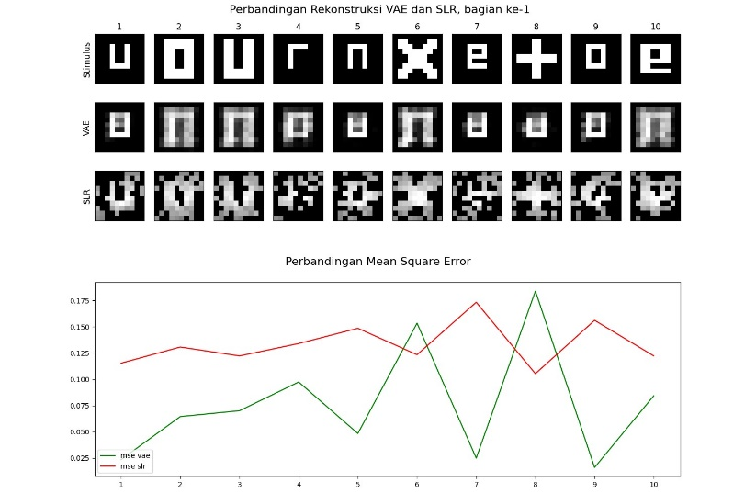
12 | 512 | 50 | 500 | 266.86774656

