FID_Results1500
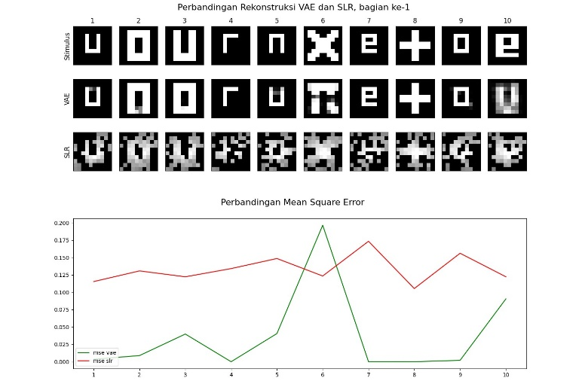
Z | IMD | Batch | Iter | FID
6 | 128 | 10 | 1500 | 83.010638452
6 | 512 | 30 | 1500 | 85.605538939
6 | 512 | 10 | 1500 | 86.999565603
18 | 128 | 20 | 1500 | 91.983341697
12 | 512 | 20 | 1000 | 92.949016935
6 | 128 | 30 | 1500 | 96.965173108
12 | 512 | 30 | 1000 | 97.281164232
6 | 256 | 30 | 1500 | 99.130349252
18 | 256 | 10 | 1500 | 100.90669621
18 | 512 | 20 | 1000 | 100.95896602
6 | 256 | 10 | 1500 | 102.44325652
12 | 256 | 10 | 1000 | 105.56070607
12 | 256 | 30 | 1000 | 106.16247733
12 | 128 | 50 | 1000 | 108.03521802
6 | 256 | 20 | 1500 | 108.99749282
12 | 256 | 20 | 1500 | 110.00531914
12 | 128 | 30 | 1500 | 111.52626328
12 | 512 | 20 | 1500 | 113.37455384
6 | 128 | 40 | 1500 | 113.63644761
6 | 512 | 30 | 500 | 113.9806734
6 | 256 | 30 | 500 | 114.04485596
6 | 256 | 10 | 1000 | 114.34685568
18 | 512 | 40 | 1500 | 115.8204268
6 | 128 | 20 | 1500 | 116.56227029
18 | 512 | 30 | 500 | 117.39187417
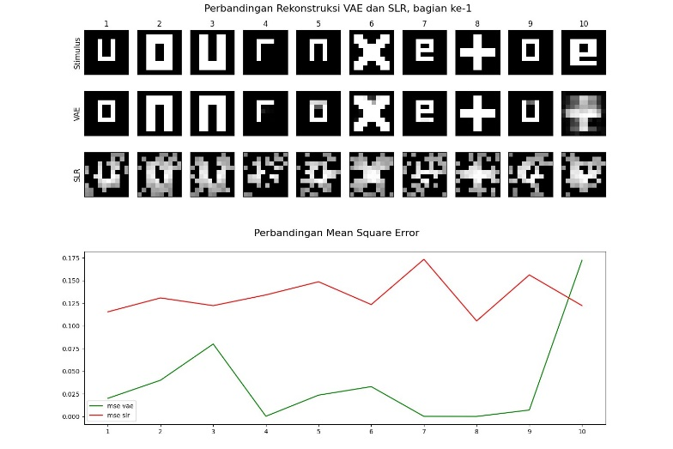
18 | 256 | 30 | 1000 | 117.79882232
18 | 256 | 30 | 1500 | 118.06995577
12 | 256 | 10 | 500 | 118.45652104
18 | 256 | 40 | 1500 | 119.16416063
18 | 256 | 30 | 500 | 119.52118332
6 | 128 | 10 | 1000 | 120.0632659
12 | 512 | 10 | 1000 | 120.66299324
12 | 512 | 50 | 1500 | 121.14097168
6 | 512 | 30 | 1000 | 121.57802993
6 | 512 | 10 | 500 | 122.88065529
6 | 256 | 40 | 1500 | 124.3260161
18 | 128 | 20 | 1000 | 125.04106589
12 | 128 | 10 | 1500 | 125.24443147
12 | 512 | 10 | 1500 | 125.46557537
6 | 256 | 30 | 1000 | 125.52617334
6 | 128 | 50 | 1500 | 126.50681011
18 | 512 | 10 | 1500 | 127.20509138
6 | 128 | 30 | 1000 | 127.55502018
6 | 256 | 50 | 500 | 128.50526318
12 | 128 | 20 | 500 | 129.11404407
12 | 128 | 40 | 500 | 129.21434695
12 | 512 | 40 | 1500 | 129.31897774
6 | 512 | 20 | 500 | 129.9927627
18 | 512 | 50 | 1500 | 130.23938971
18 | 128 | 30 | 1500 | 130.50281331
12 | 512 | 50 | 1000 | 130.58743442
6 | 256 | 40 | 500 | 131.77608582
12 | 128 | 20 | 1500 | 132.00620662
18 | 256 | 10 | 1000 | 132.20198139
6 | 512 | 20 | 1000 | 132.78289105
12 | 512 | 40 | 1000 | 132.93834257
12 | 256 | 10 | 1500 | 133.51657412
6 | 128 | 10 | 500 | 133.58449821
12 | 512 | 10 | 500 | 133.79104728
12 | 128 | 20 | 1000 | 134.23524764
6 | 512 | 40 | 1000 | 135.2866518
12 | 512 | 30 | 1500 | 135.3313176
12 | 256 | 20 | 1000 | 135.42046564
6 | 512 | 10 | 1000 | 135.50942172
12 | 512 | 20 | 500 | 135.53256813
18 | 512 | 20 | 1500 | 136.50115905
18 | 256 | 50 | 1500 | 137.48914775
12 | 256 | 20 | 500 | 137.70069432
6 | 256 | 10 | 500 | 137.84771534
6 | 512 | 50 | 500 | 137.86500714
18 | 128 | 50 | 500 | 138.98442903
18 | 128 | 10 | 500 | 139.73245177
12 | 128 | 40 | 1500 | 140.72602781
18 | 512 | 30 | 1500 | 140.82093092
6 | 256 | 50 | 1500 | 141.01320247
18 | 128 | 10 | 1000 | 141.14769562
12 | 128 | 50 | 500 | 141.5158463
18 | 512 | 40 | 500 | 141.78207011
6 | 128 | 20 | 1000 | 142.35758639
12 | 256 | 40 | 1000 | 143.34518843
18 | 512 | 50 | 500 | 143.36522478
12 | 128 | 30 | 500 | 144.61803233
6 | 512 | 40 | 1500 | 145.62949593
12 | 128 | 30 | 1000 | 145.77212553
18 | 256 | 40 | 1000 | 146.4923
18 | 128 | 40 | 500 | 146.57827475
6 | 128 | 20 | 500 | 147.05024643
6 | 256 | 20 | 500 | 147.29707763
6 | 512 | 20 | 1500 | 147.7085567
6 | 512 | 40 | 500 | 148.38186682
12 | 256 | 50 | 1500 | 148.48824924
6 | 128 | 40 | 500 | 149.38891731
18 | 256 | 20 | 500 | 150.06722214
18 | 256 | 20 | 1000 | 150.70409237
6 | 512 | 50 | 1500 | 150.78200605
18 | 128 | 40 | 1000 | 150.96211872
18 | 128 | 20 | 500 | 151.46588369
18 | 512 | 10 | 1000 | 152.71063203
12 | 256 | 30 | 1500 | 154.2986293
12 | 256 | 40 | 500 | 155.51756131
18 | 128 | 10 | 1500 | 156.30018891
12 | 512 | 40 | 500 | 158.01838784
6 | 128 | 30 | 500 | 158.2007939
12 | 256 | 50 | 1000 | 158.97562773
12 | 128 | 10 | 1000 | 159.16871568
18 | 256 | 10 | 500 | 159.84493046
18 | 128 | 40 | 1500 | 160.79697441
6 | 128 | 40 | 1000 | 160.8173123
18 | 512 | 50 | 1000 | 161.57151801
18 | 256 | 20 | 1500 | 164.24066118
6 | 128 | 50 | 1000 | 167.43907542
18 | 128 | 30 | 500 | 167.46934808
6 | 512 | 50 | 1000 | 169.02405111
18 | 128 | 50 | 1500 | 169.77467263
18 | 128 | 50 | 1000 | 173.07069003
12 | 512 | 30 | 500 | 173.25346123
18 | 512 | 40 | 1000 | 174.2668643
6 | 256 | 50 | 1000 | 174.72657973
18 | 256 | 40 | 500 | 175.62591456
12 | 128 | 50 | 1500 | 175.96215364
12 | 128 | 40 | 1000 | 177.41445425
12 | 256 | 30 | 500 | 177.454739
18 | 512 | 20 | 500 | 178.03709205
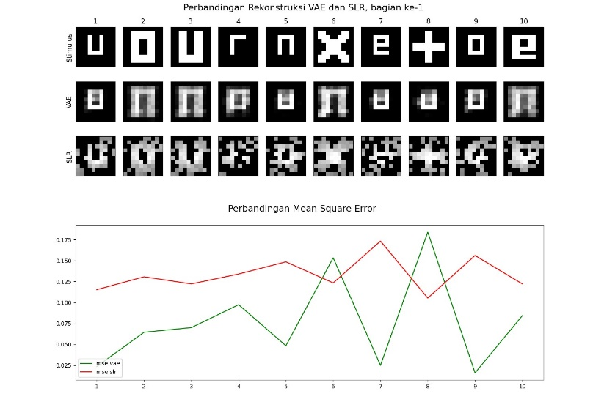
6 | 256 | 40 | 1000 | 178.46753817
18 | 512 | 30 | 1000 | 179.62033186
18 | 256 | 50 | 1000 | 181.11142737
18 | 256 | 50 | 500 | 181.88636056
18 | 128 | 30 | 1000 | 191.38509744
18 | 512 | 10 | 500 | 231.14653626
12 | 256 | 50 | 500 | 232.87167617
6 | 256 | 20 | 1000 | 241.5944471
12 | 256 | 40 | 1500 | 244.29160923
6 | 128 | 50 | 500 | 244.95456418
12 | 128 | 10 | 500 | 258.59184347
12 | 512 | 50 | 500 | 266.86774656

FID_Results4500
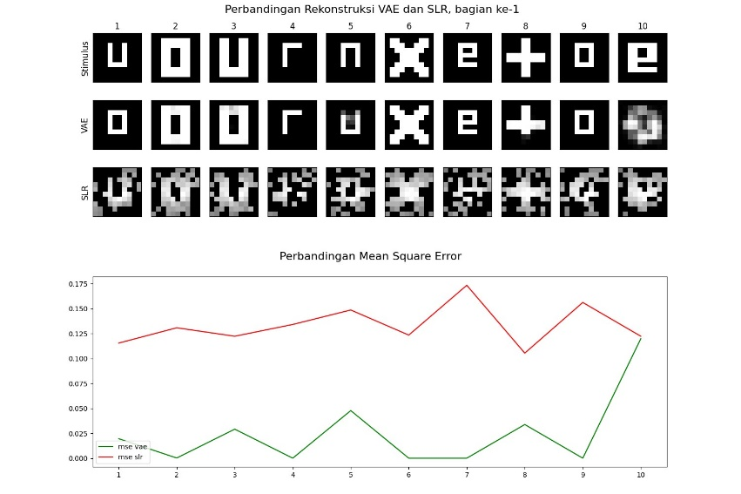
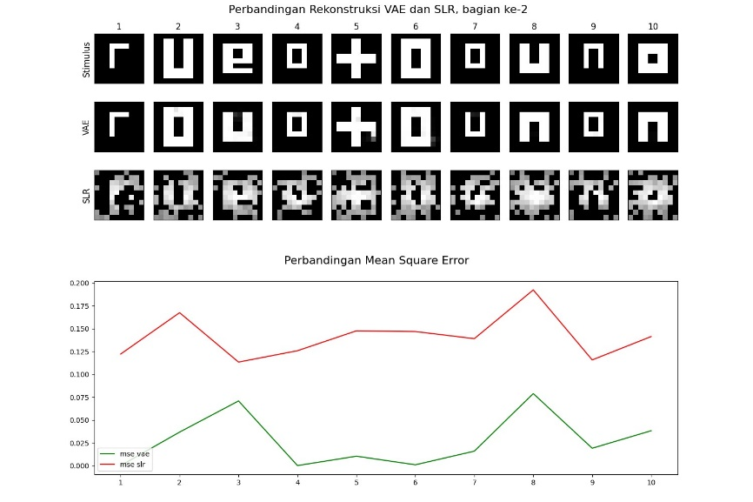
Z | DIM | Batch | Iter | FID
12 | 128 | 10 | 4000 | 77.332936619
12 | 128 | 10 | 2000 | 81.233905889
18 | 128 | 10 | 2500 | 84.047170327
12 | 128 | 20 | 1500 | 87.891934785
12 | 128 | 20 | 3500 | 88.658428494
18 | 128 | 20 | 3500 | 94.241288939
18 | 128 | 20 | 3000 | 95.657815078
3 | 512 | 30 | 1000 | 100.86536368
12 | 128 | 20 | 2500 | 101.14524676
12 | 128 | 10 | 3500 | 102.20765501
3 | 512 | 10 | 1500 | 103.08565148
3 | 256 | 20 | 1000 | 104.05705177
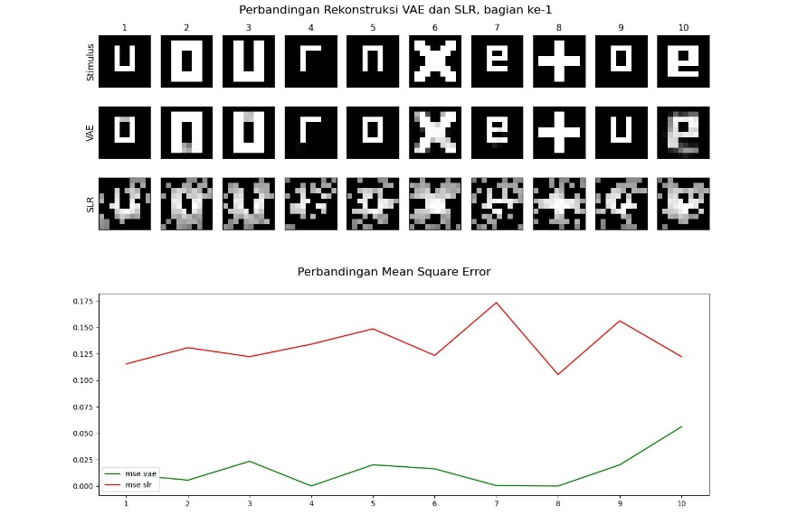
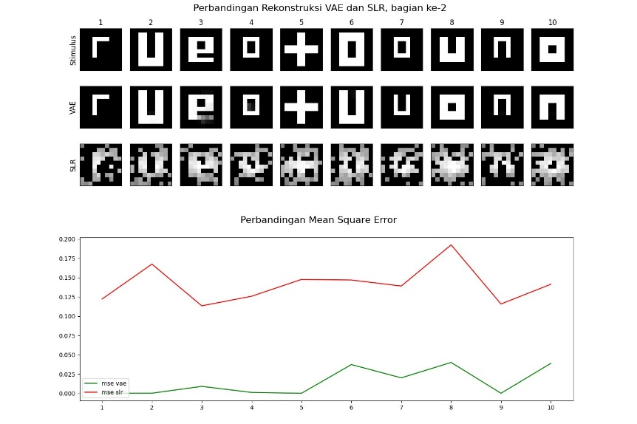
3 | 128 | 20 | 1500 | 105.16980551
3 | 256 | 20 | 1500 | 109.18314973
3 | 256 | 40 | 1500 | 110.42054407
3 | 128 | 10 | 1500 | 112.13025695
12 | 128 | 10 | 2500 | 116.26823181
12 | 128 | 10 | 1500 | 118.69703949
3 | 256 | 10 | 1000 | 119.34041603
12 | 128 | 10 | 3000 | 120.60414885
18 | 128 | 10 | 1500 | 122.76150982
3 | 256 | 10 | 500 | 124.48918253
12 | 128 | 20 | 2000 | 124.72592068
3 | 128 | 20 | 500 | 126.46468166
3 | 128 | 30 | 500 | 128.73742882
18 | 128 | 20 | 2000 | 129.54030064
3 | 128 | 50 | 1000 | 131.19187137
3 | 256 | 50 | 1000 | 131.5777392
3 | 512 | 20 | 1000 | 132.36911801
12 | 128 | 20 | 3000 | 133.2113186
3 | 512 | 20 | 500 | 134.78194356
3 | 128 | 10 | 1000 | 134.89064471
12 | 128 | 20 | 4000 | 135.23156172
3 | 512 | 40 | 1000 | 135.74755816
18 | 128 | 10 | 4500 | 138.28764346
3 | 128 | 20 | 1000 | 138.67110186
3 | 128 | 50 | 1500 | 139.07877325
3 | 512 | 40 | 1500 | 139.4467689
3 | 128 | 40 | 1500 | 139.5815508
3 | 256 | 30 | 1500 | 139.94582272
3 | 512 | 50 | 500 | 141.82598388
3 | 512 | 50 | 1500 | 144.73257278
3 | 128 | 30 | 1500 | 147.62867869
18 | 128 | 20 | 4500 | 148.59962056
18 | 128 | 20 | 4000 | 149.45405683
3 | 512 | 30 | 500 | 149.78749997
3 | 512 | 30 | 1500 | 151.31063758
3 | 256 | 50 | 500 | 153.70458886
18 | 128 | 20 | 1500 | 156.36189079
18 | 128 | 10 | 3500 | 157.40218454
18 | 128 | 10 | 2000 | 157.79118146
3 | 512 | 10 | 500 | 161.30959598
3 | 128 | 30 | 1000 | 163.41597051
3 | 256 | 50 | 1500 | 163.45146346
18 | 128 | 10 | 3000 | 171.04928918
3 | 256 | 30 | 1000 | 171.51899569
3 | 128 | 40 | 500 | 172.14211017
12 | 128 | 10 | 4500 | 172.29083292
3 | 256 | 40 | 1000 | 175.65918366
3 | 256 | 40 | 500 | 176.22333218
3 | 128 | 10 | 500 | 203.25501584
3 | 512 | 10 | 1000 | 217.40744334
3 | 128 | 40 | 1000 | 219.9847684
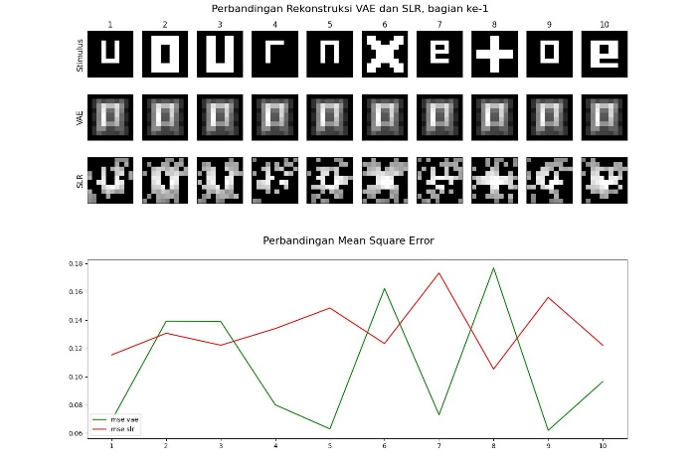
12 | 128 | 20 | 4500 | 237.93238593
18 | 128 | 10 | 4000 | 239.69007211
3 | 256 | 30 | 500 | 239.84427955
18 | 128 | 20 | 2500 | 240.35641911
3 | 256 | 10 | 1500 | 244.42641419
3 | 512 | 20 | 1500 | 246.61078651
3 | 256 | 20 | 500 | 247.80248579
3 | 512 | 50 | 1000 | 252.92209069
3 | 512 | 40 | 500 | 255.02209855
3 | 128 | 50 | 500 | 260.72554213

FID_Results3
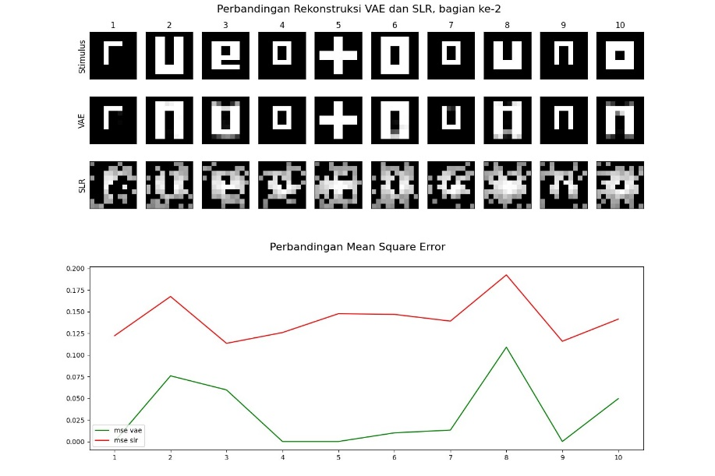
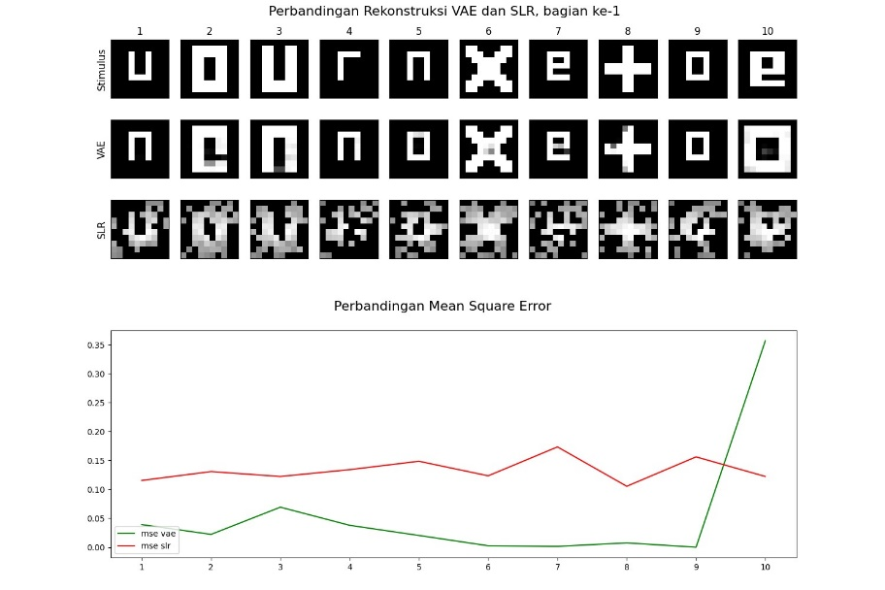
Z | DIM | Batch | Iter | FID
12 | 128 | 10 | 4000 | 77.332936619
12 | 128 | 10 | 2000 | 81.233905889
18 | 128 | 10 | 2500 | 84.047170327
12 | 128 | 20 | 1500 | 87.891934785
12 | 128 | 20 | 3500 | 88.658428494
18 | 128 | 20 | 3500 | 94.241288939
18 | 128 | 20 | 3000 | 95.657815078
3 | 512 | 30 | 1000 | 100.86536368
12 | 128 | 20 | 2500 | 101.14524676
12 | 128 | 10 | 3500 | 102.20765501
3 | 512 | 10 | 1500 | 103.08565148
3 | 256 | 20 | 1000 | 104.05705177
3 | 128 | 20 | 1500 | 105.16980551
3 | 256 | 20 | 1500 | 109.18314973
3 | 256 | 40 | 1500 | 110.42054407
3 | 128 | 10 | 1500 | 112.13025695
12 | 128 | 10 | 2500 | 116.26823181
12 | 128 | 10 | 1500 | 118.69703949
3 | 256 | 10 | 1000 | 119.34041603
12 | 128 | 10 | 3000 | 120.60414885
18 | 128 | 10 | 1500 | 122.76150982
3 | 256 | 10 | 500 | 124.48918253
12 | 128 | 20 | 2000 | 124.72592068
3 | 128 | 20 | 500 | 126.46468166
3 | 128 | 30 | 500 | 128.73742882
18 | 128 | 20 | 2000 | 129.54030064
3 | 128 | 50 | 1000 | 131.19187137
3 | 256 | 50 | 1000 | 131.5777392
3 | 512 | 20 | 1000 | 132.36911801
12 | 128 | 20 | 3000 | 133.2113186
3 | 512 | 20 | 500 | 134.78194356
3 | 128 | 10 | 1000 | 134.89064471
12 | 128 | 20 | 4000 | 135.23156172
3 | 512 | 40 | 1000 | 135.74755816
18 | 128 | 10 | 4500 | 138.28764346
3 | 128 | 20 | 1000 | 138.67110186
3 | 128 | 50 | 1500 | 139.07877325
3 | 512 | 40 | 1500 | 139.4467689
3 | 128 | 40 | 1500 | 139.5815508
3 | 256 | 30 | 1500 | 139.94582272
3 | 512 | 50 | 500 | 141.82598388
3 | 512 | 50 | 1500 | 144.73257278
3 | 128 | 30 | 1500 | 147.62867869
18 | 128 | 20 | 4500 | 148.59962056
18 | 128 | 20 | 4000 | 149.45405683
3 | 512 | 30 | 500 | 149.78749997
3 | 512 | 30 | 1500 | 151.31063758
3 | 256 | 50 | 500 | 153.70458886
18 | 128 | 20 | 1500 | 156.36189079
18 | 128 | 10 | 3500 | 157.40218454
18 | 128 | 10 | 2000 | 157.79118146
3 | 512 | 10 | 500 | 161.30959598
3 | 128 | 30 | 1000 | 163.41597051
3 | 256 | 50 | 1500 | 163.45146346
18 | 128 | 10 | 3000 | 171.04928918
3 | 256 | 30 | 1000 | 171.51899569
3 | 128 | 40 | 500 | 172.14211017
12 | 128 | 10 | 4500 | 172.29083292
3 | 256 | 40 | 1000 | 175.65918366
3 | 256 | 40 | 500 | 176.22333218
3 | 128 | 10 | 500 | 203.25501584
3 | 512 | 10 | 1000 | 217.40744334
3 | 128 | 40 | 1000 | 219.9847684
12 | 128 | 20 | 4500 | 237.93238593
18 | 128 | 10 | 4000 | 239.69007211
3 | 256 | 30 | 500 | 239.84427955
18 | 128 | 20 | 2500 | 240.35641911
3 | 256 | 10 | 1500 | 244.42641419
3 | 512 | 20 | 1500 | 246.61078651
3 | 256 | 20 | 500 | 247.80248579
3 | 512 | 50 | 1000 | 252.92209069
3 | 512 | 40 | 500 | 255.02209855
3 | 128 | 50 | 500 | 260.72554213

13000z18
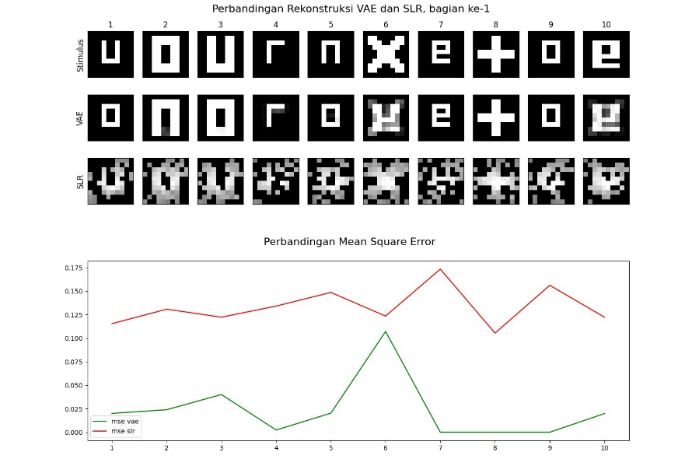
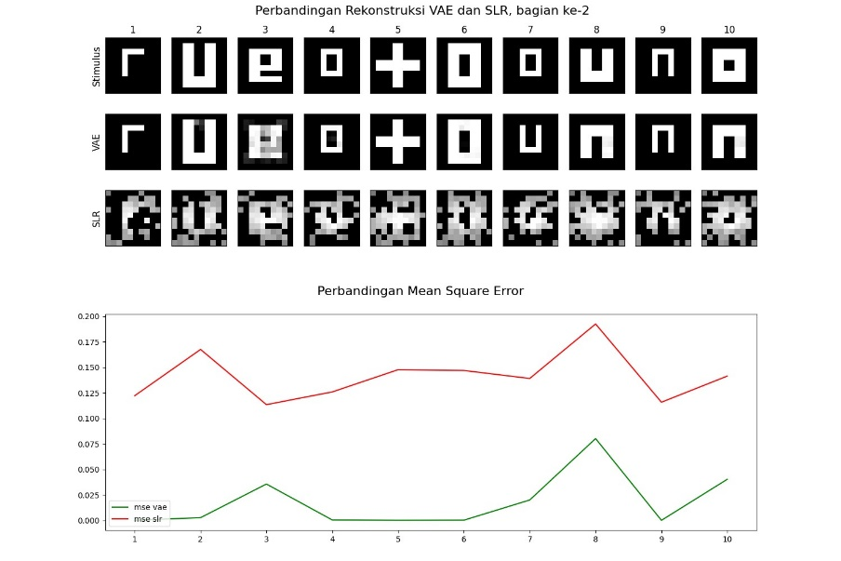
Z | DA | Batch | Iterasi | FID
18 | 128 | 10 | 3500 | 80.019148943
18 | 128 | 10 | 11000 | 80.180323096
18 | 128 | 10 | 7000 | 80.43760163
18 | 128 | 10 | 2500 | 90.849613058
18 | 128 | 10 | 12000 | 91.071130768
18 | 128 | 10 | 7500 | 107.71574455
18 | 128 | 10 | 2000 | 108.58200962
18 | 128 | 10 | 8000 | 109.03666116
18 | 128 | 10 | 4500 | 111.53884141
18 | 128 | 10 | 5000 | 111.71116259
18 | 128 | 10 | 11500 | 117.00528757
18 | 128 | 10 | 3000 | 117.28131444
18 | 128 | 10 | 6500 | 130.74970966
18 | 128 | 10 | 1500 | 137.64924227
18 | 128 | 10 | 10000 | 143.05676438
18 | 128 | 10 | 4000 | 150.16688687
18 | 128 | 10 | 10500 | 152.6424428
18 | 128 | 10 | 6000 | 152.8377775
18 | 128 | 10 | 8500 | 157.54143358
18 | 128 | 10 | 13000 | 158.34487528
18 | 128 | 10 | 9000 | 161.15289851
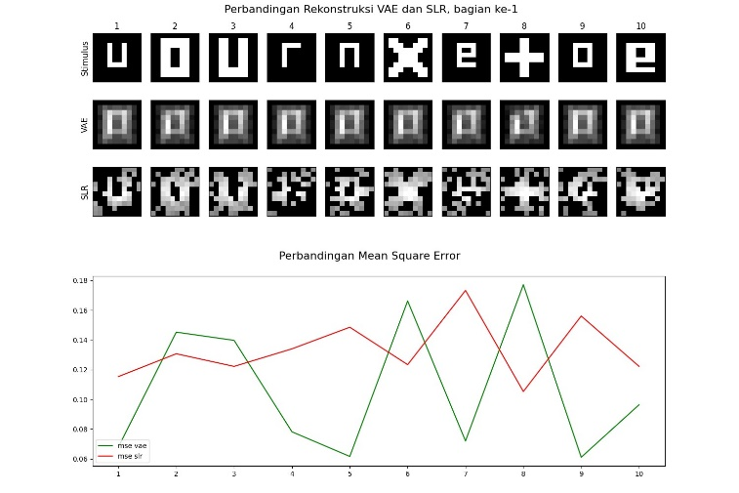
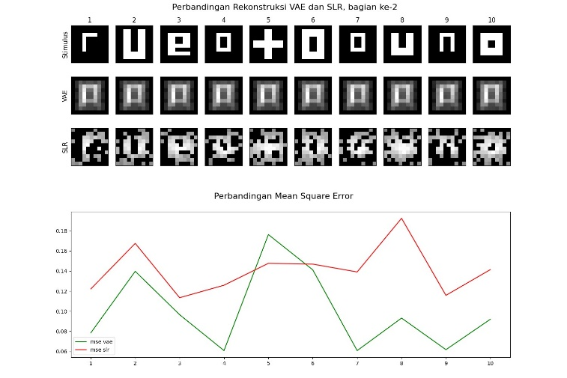
18 | 128 | 10 | 5500 | 249.81975267
18 | 128 | 10 | 12500 | 257.19194941

FID_Results256-13000
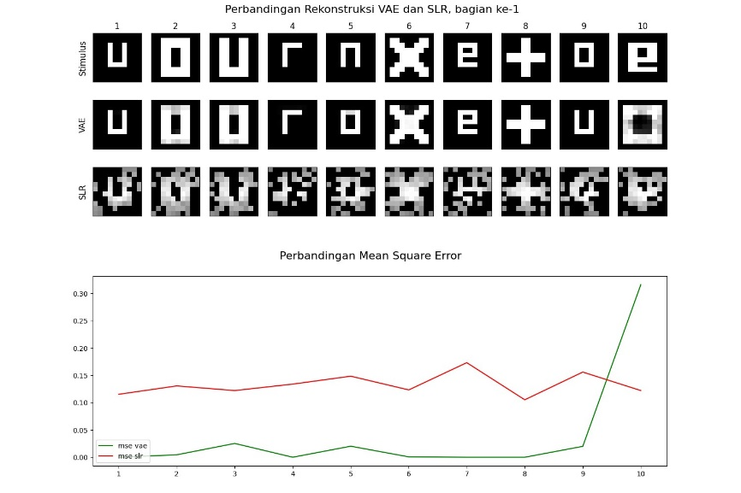
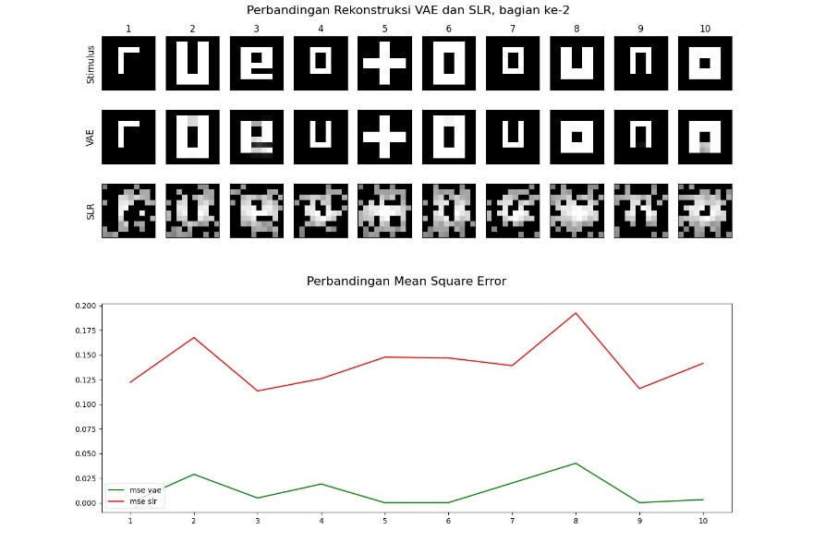
Z | IDM | batch | Iter | FID
18 | 256 | 10 | 2500 | 80.224009458
18 | 256 | 10 | 10000 | 101.99116296
18 | 256 | 10 | 4500 | 102.73279768
18 | 256 | 10 | 1500 | 111.90797471
18 | 256 | 10 | 2000 | 116.58684014
18 | 256 | 10 | 11500 | 116.87101275
18 | 256 | 10 | 4000 | 121.17649953
18 | 256 | 10 | 3500 | 122.83265978
18 | 256 | 10 | 6500 | 125.49991887
18 | 256 | 10 | 10500 | 126.0298507
18 | 256 | 10 | 5500 | 132.11101584
18 | 256 | 10 | 7000 | 133.5245622
18 | 256 | 10 | 7500 | 140.6469072
18 | 256 | 10 | 6000 | 141.17696772
18 | 256 | 10 | 9000 | 143.29447234
18 | 256 | 10 | 11000 | 152.2861189
18 | 256 | 10 | 12500 | 154.08845823
18 | 256 | 10 | 12000 | 162.25404241
18 | 256 | 10 | 8000 | 163.49799548
18 | 256 | 10 | 13000 | 165.53911832
18 | 256 | 10 | 3000 | 169.48155329
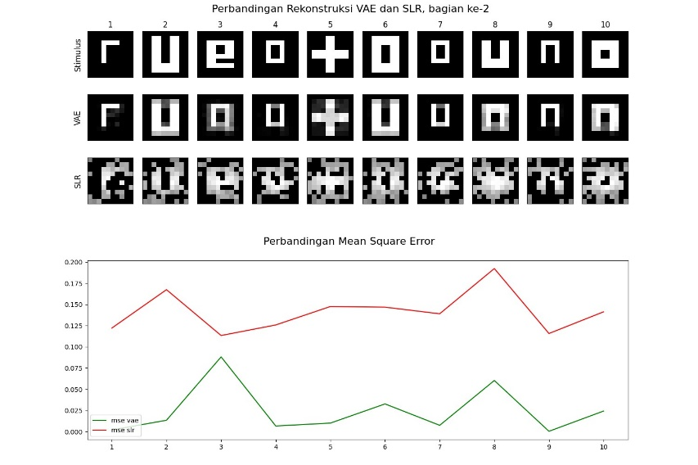
18 | 256 | 10 | 5000 | 176.55126515
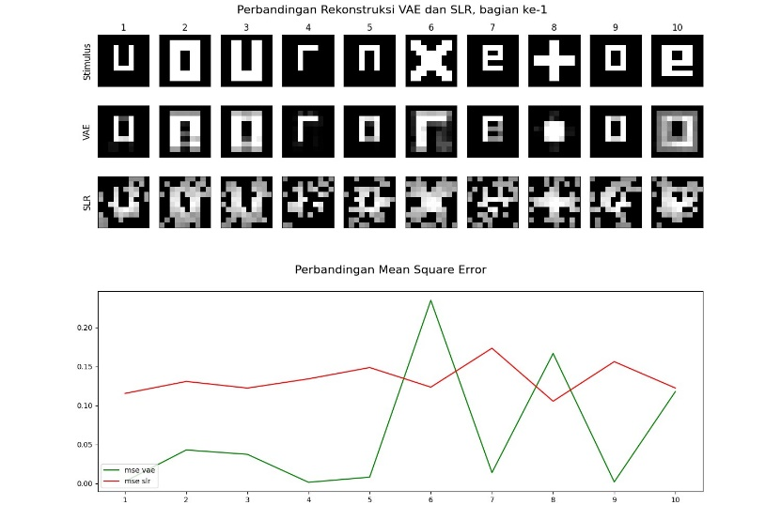
18 | 256 | 10 | 8500 | 190.67217203

13000idm512
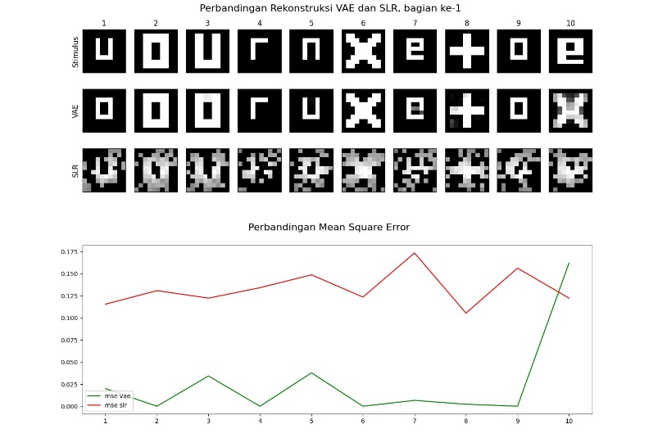
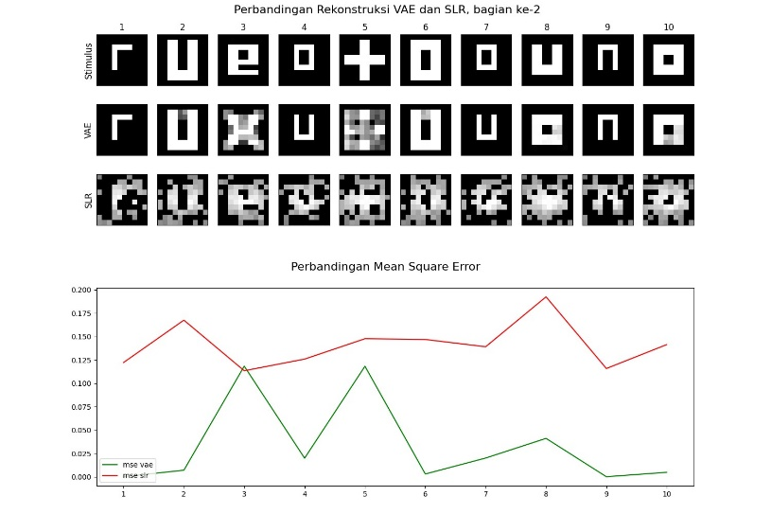
Z | IDM | Batch | Iteration | FID
18 | 512 | 10 | 4000 | 84.078114241
18 | 512 | 10 | 7000 | 92.419988224
18 | 512 | 10 | 1500 | 103.13725074
18 | 512 | 10 | 5000 | 108.5162973
18 | 512 | 10 | 3500 | 122.14299499
18 | 512 | 10 | 4500 | 125.60676052
18 | 512 | 10 | 2500 | 128.00071696
18 | 512 | 10 | 8500 | 130.63598435
18 | 512 | 10 | 6500 | 141.21089687
18 | 512 | 10 | 12000 | 146.01940503
18 | 512 | 10 | 11000 | 146.33608283
18 | 512 | 10 | 8000 | 146.36447975
18 | 512 | 10 | 10000 | 146.69343701
18 | 512 | 10 | 12500 | 152.82636994
18 | 512 | 10 | 2000 | 156.42436206
18 | 512 | 10 | 6000 | 157.81419958
18 | 512 | 10 | 3000 | 160.41624696
18 | 512 | 10 | 5500 | 169.29236451
18 | 512 | 10 | 9000 | 182.0471205
18 | 512 | 10 | 11500 | 202.71382356
18 | 512 | 10 | 10500 | 261.91479818
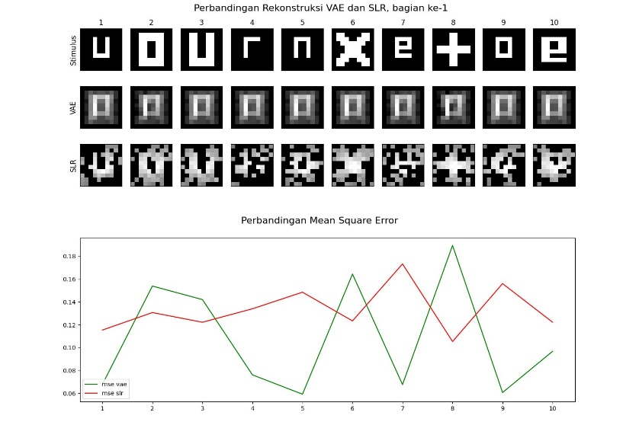
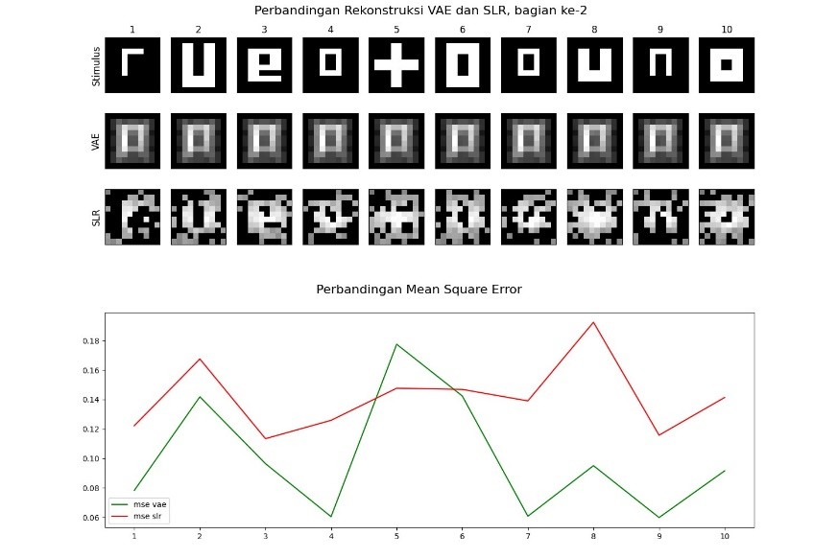
18 | 512 | 10 | 13000 | 263.64870766
18 | 512 | 10 | 7500 | 275.33581074

