vangerven
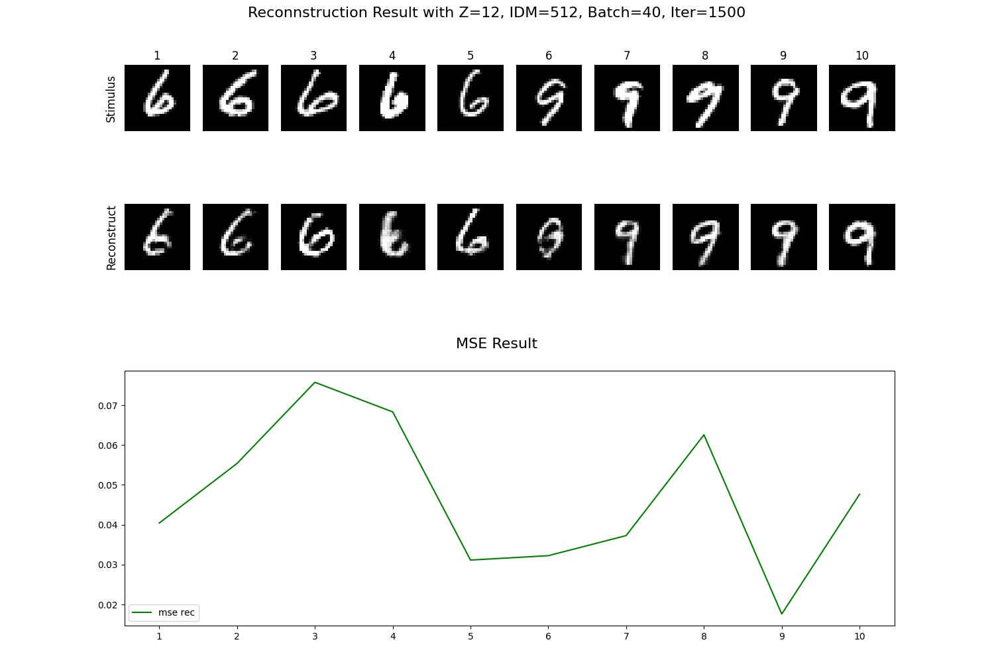
Z | IDM | BATCH | ITERASI | FID
12 | 512 | 40 | 1500 | 67.982618822
6 | 128 | 20 | 1500 | 69.234114123
12 | 512 | 20 | 1500 | 71.249104491
6 | 512 | 30 | 1500 | 71.380184803
12 | 512 | 30 | 1000 | 71.797205116
18 | 512 | 20 | 1500 | 72.08957843
6 | 512 | 20 | 1000 | 72.643426788
6 | 128 | 30 | 1500 | 74.607273671
6 | 256 | 20 | 1500 | 74.762984874
18 | 128 | 20 | 2500 | 74.764561137
6 | 512 | 20 | 1500 | 74.926391105
12 | 128 | 20 | 1500 | 75.04385251
6 | 256 | 20 | 1000 | 75.236058021
12 | 512 | 20 | 1000 | 75.830161853
12 | 128 | 10 | 2000 | 75.870949202
12 | 256 | 40 | 1500 | 76.288145412
12 | 512 | 10 | 1500 | 77.137683928
6 | 256 | 10 | 1000 | 77.140561576
18 | 256 | 20 | 1000 | 77.31140927
12 | 128 | 30 | 1500 | 77.396353294
18 | 128 | 10 | 8500 | 77.821512769
18 | 128 | 10 | 2500 | 77.958400044
6 | 128 | 40 | 1500 | 78.115435067
18 | 128 | 30 | 1500 | 78.237311346
18 | 128 | 20 | 1500 | 78.565183644
18 | 256 | 10 | 3500 | 78.599520207
6 | 128 | 30 | 1000 | 78.67218408
6 | 512 | 30 | 1000 | 78.750904996
6 | 512 | 10 | 1000 | 78.836688546
6 | 512 | 50 | 1000 | 78.882312073
12 | 512 | 50 | 1500 | 78.935700297
6 | 256 | 10 | 1500 | 78.981247611
18 | 128 | 10 | 1500 | 79.405788306
12 | 256 | 30 | 1500 | 79.614696661
18 | 128 | 20 | 3000 | 80.000154027
6 | 512 | 10 | 500 | 80.163165395
6 | 256 | 40 | 1500 | 80.292357236
3 | 128 | 10 | 1000 | 80.32388734
6 | 512 | 40 | 1000 | 80.636310625
6 | 128 | 10 | 1500 | 80.6507686
12 | 256 | 30 | 500 | 80.800394322
6 | 256 | 10 | 500 | 80.857363839
12 | 128 | 10 | 1500 | 80.869793357
18 | 256 | 10 | 4000 | 81.108220919
18 | 256 | 10 | 4000 | 81.127721744
12 | 128 | 40 | 1000 | 81.330898637
12 | 128 | 20 | 2000 | 81.527250138
18 | 256 | 40 | 1000 | 81.53698006
12 | 512 | 10 | 1000 | 81.576567435
12 | 256 | 10 | 500 | 81.587738098
18 | 512 | 30 | 1000 | 81.646139066
12 | 256 | 20 | 1000 | 81.744114289
18 | 256 | 10 | 2500 | 82.232153819
3 | 256 | 30 | 1500 | 82.473759458
12 | 128 | 10 | 4500 | 82.545515924
18 | 512 | 40 | 1500 | 82.560917449
18 | 512 | 50 | 1000 | 82.592796121
18 | 256 | 10 | 12000 | 82.775034519
18 | 256 | 10 | 3500 | 82.865496678
18 | 256 | 20 | 1500 | 82.894849046
18 | 256 | 10 | 1500 | 82.896056029
18 | 256 | 10 | 4500 | 82.99635219
12 | 512 | 30 | 500 | 83.022169394
18 | 512 | 30 | 500 | 83.097425892
18 | 512 | 20 | 500 | 83.545303788
6 | 128 | 50 | 1500 | 83.648367951
3 | 256 | 10 | 1000 | 83.771552759
3 | 128 | 50 | 1000 | 83.812428996
6 | 128 | 50 | 1000 | 84.126035602
18 | 256 | 10 | 4500 | 84.330792555
6 | 512 | 20 | 500 | 84.393863368
3 | 512 | 10 | 1500 | 84.486078423
3 | 512 | 10 | 500 | 84.705114332
6 | 256 | 30 | 1000 | 84.875863956
18 | 128 | 10 | 8500 | 84.891091086
18 | 256 | 30 | 1500 | 84.913738322
18 | 128 | 10 | 3000 | 85.006777181
18 | 128 | 10 | 4000 | 85.103106277
18 | 128 | 40 | 1500 | 85.200681007
3 | 128 | 10 | 1500 | 85.321591647
6 | 128 | 20 | 500 | 85.337269059
12 | 512 | 40 | 500 | 85.507475736
18 | 128 | 20 | 500 | 85.565569738
18 | 128 | 10 | 2500 | 85.946204566
12 | 256 | 10 | 1500 | 86.358172566
12 | 128 | 20 | 1500 | 86.490081947
12 | 128 | 40 | 1500 | 86.675695336
3 | 512 | 30 | 1500 | 86.767825013
18 | 256 | 10 | 5000 | 86.835162759
12 | 512 | 20 | 500 | 87.209750477
12 | 128 | 50 | 1500 | 87.304984969
12 | 128 | 10 | 2500 | 87.364978131
12 | 256 | 10 | 1000 | 87.36604291
18 | 128 | 20 | 2000 | 87.45308978
6 | 128 | 10 | 1000 | 87.569081532
18 | 512 | 10 | 1000 | 88.271258493
3 | 128 | 40 | 1500 | 88.313804799
18 | 256 | 10 | 1500 | 88.430099818
6 | 512 | 40 | 1500 | 88.535426107
3 | 128 | 20 | 1000 | 88.775772335
18 | 512 | 40 | 1000 | 88.788343553
12 | 256 | 20 | 1500 | 88.819072623
6 | 256 | 20 | 500 | 89.10773421
3 | 256 | 10 | 1500 | 89.253088762
18 | 256 | 10 | 11500 | 89.377130337
12 | 512 | 40 | 1000 | 89.478674933
3 | 256 | 30 | 1000 | 89.478852563
18 | 256 | 30 | 500 | 89.877720035
6 | 256 | 50 | 1000 | 89.884554126
6 | 128 | 10 | 500 | 89.897443642
12 | 128 | 20 | 4000 | 89.986978257
18 | 128 | 10 | 500 | 90.187435457
3 | 256 | 50 | 1500 | 90.261432002
12 | 128 | 10 | 1500 | 90.274608075
18 | 128 | 10 | 5000 | 90.303693233
18 | 256 | 30 | 1000 | 90.334819309
18 | 128 | 10 | 2000 | 90.367079657
3 | 256 | 50 | 500 | 90.491977453
3 | 512 | 50 | 1500 | 90.585418135
18 | 512 | 10 | 1500 | 90.710461307
6 | 256 | 40 | 500 | 90.725398455
18 | 256 | 40 | 1500 | 90.905538157
18 | 128 | 10 | 4500 | 91.016015092
18 | 128 | 10 | 4500 | 91.043808791
18 | 256 | 10 | 13000 | 91.143890978
6 | 128 | 20 | 1000 | 91.247802494
18 | 128 | 10 | 3500 | 91.267347949
3 | 512 | 10 | 1000 | 91.601411863
18 | 256 | 10 | 9000 | 91.714256118
6 | 256 | 50 | 1500 | 91.717498295
3 | 256 | 10 | 500 | 91.734458333
18 | 256 | 10 | 5000 | 92.105787038
12 | 256 | 50 | 1000 | 92.230005717
18 | 128 | 10 | 11500 | 92.238559936
6 | 512 | 40 | 500 | 92.328667846
18 | 256 | 50 | 1500 | 92.444500013
18 | 128 | 10 | 6500 | 92.530995087
3 | 512 | 20 | 1500 | 92.616047306
12 | 128 | 20 | 3500 | 92.617652734
12 | 256 | 20 | 500 | 92.699928321
18 | 128 | 40 | 500 | 92.735315233
3 | 512 | 30 | 1000 | 92.808460463
18 | 256 | 10 | 5500 | 92.832139793
18 | 128 | 30 | 1000 | 92.850707714
12 | 512 | 50 | 500 | 92.967257654
6 | 256 | 40 | 1000 | 93.190113281
6 | 256 | 30 | 500 | 93.302250216
18 | 256 | 10 | 2000 | 93.384732942
3 | 128 | 20 | 1500 | 93.463653628
18 | 512 | 30 | 1500 | 93.820957241
12 | 256 | 30 | 1000 | 93.859481861
12 | 128 | 10 | 3500 | 93.964725501
18 | 256 | 10 | 5500 | 94.214182655
3 | 128 | 20 | 500 | 94.245738186
12 | 128 | 20 | 3000 | 94.439338951
18 | 256 | 10 | 8000 | 94.525114334
18 | 512 | 10 | 500 | 94.85963686
18 | 128 | 10 | 8000 | 94.886181215
18 | 512 | 20 | 1000 | 94.927018565
3 | 128 | 50 | 500 | 95.211063532
12 | 128 | 20 | 2500 | 95.346777957
12 | 256 | 40 | 500 | 95.4967519
6 | 512 | 30 | 500 | 96.060543474
3 | 128 | 30 | 1500 | 96.265715571
18 | 256 | 10 | 12500 | 96.313767241
18 | 128 | 20 | 4000 | 96.456158126
18 | 256 | 10 | 7500 | 96.548624904
18 | 128 | 40 | 1000 | 96.720285363
12 | 256 | 50 | 500 | 96.803197038
12 | 128 | 10 | 3000 | 96.806321839
3 | 512 | 20 | 500 | 96.902432686
18 | 256 | 50 | 500 | 97.111039445
18 | 256 | 20 | 500 | 97.326899268
18 | 256 | 10 | 9000 | 97.542358664
3 | 512 | 50 | 1000 | 97.715536046
18 | 128 | 10 | 2000 | 97.723365542
18 | 256 | 10 | 3000 | 97.776452725
18 | 128 | 20 | 1500 | 97.810470174
18 | 512 | 40 | 500 | 98.115988853
12 | 128 | 30 | 1000 | 98.446678444
12 | 128 | 20 | 1000 | 98.628866036
12 | 128 | 10 | 500 | 98.888104804
12 | 128 | 20 | 500 | 99.200940588
6 | 128 | 40 | 500 | 99.324735308
18 | 128 | 10 | 11000 | 99.363125199
6 | 512 | 10 | 1500 | 99.368304915
18 | 256 | 10 | 1000 | 100.19677813
18 | 128 | 10 | 10500 | 100.49664899
18 | 128 | 10 | 11000 | 100.61849343
18 | 256 | 10 | 6500 | 100.76560992
18 | 256 | 10 | 10500 | 100.94644635
18 | 256 | 10 | 2500 | 100.95915515
18 | 256 | 10 | 6000 | 101.30568884
18 | 128 | 10 | 1500 | 101.32522659
18 | 128 | 10 | 13000 | 101.35975787
12 | 128 | 10 | 4000 | 101.39116031
12 | 128 | 20 | 4500 | 101.57130245
18 | 128 | 10 | 9000 | 101.57570655
3 | 512 | 40 | 1500 | 101.57735327
18 | 128 | 10 | 9000 | 101.62327
18 | 128 | 50 | 1500 | 101.83733747
18 | 512 | 50 | 500 | 102.04257873
18 | 128 | 10 | 5500 | 102.62321976
18 | 256 | 10 | 8500 | 102.88712543
18 | 128 | 20 | 4500 | 103.10395777
12 | 256 | 40 | 1000 | 103.45174103
18 | 256 | 10 | 7000 | 103.65591218
18 | 128 | 10 | 12500 | 103.97658073
18 | 128 | 50 | 1000 | 104.13095131
18 | 256 | 10 | 6500 | 104.14896935
18 | 256 | 10 | 6000 | 104.7024738
3 | 128 | 30 | 500 | 104.75814682
18 | 128 | 30 | 500 | 104.9036027
18 | 128 | 10 | 1000 | 105.09306612
12 | 128 | 10 | 1000 | 105.27495488
12 | 128 | 50 | 500 | 105.42706923
12 | 128 | 40 | 500 | 107.01127162
18 | 128 | 10 | 3000 | 107.04657589
18 | 128 | 10 | 10000 | 107.11202319
18 | 128 | 10 | 2500 | 107.64260272
18 | 256 | 10 | 10500 | 107.68611935
18 | 256 | 10 | 2000 | 107.78128691
6 | 256 | 10 | 1000 | 107.82783254
18 | 128 | 10 | 12000 | 107.8404502
18 | 128 | 10 | 4000 | 108.31478353
18 | 512 | 50 | 1500 | 108.43090213
3 | 512 | 40 | 1000 | 108.60230299
3 | 512 | 30 | 500 | 108.85110059
3 | 256 | 40 | 1000 | 109.7692109
18 | 128 | 10 | 6000 | 109.84786438
18 | 128 | 10 | 7500 | 109.94778258
18 | 128 | 10 | 1500 | 111.00528671
18 | 128 | 10 | 11500 | 111.16051402
18 | 256 | 10 | 8500 | 111.27019671
18 | 256 | 10 | 3000 | 111.91741631
18 | 128 | 10 | 8000 | 112.02576444
18 | 256 | 10 | 11500 | 112.62466665
3 | 128 | 40 | 500 | 112.8833168
6 | 256 | 10 | 1500 | 112.9500763
3 | 256 | 30 | 500 | 112.95809792
18 | 128 | 10 | 7500 | 113.06765539
18 | 256 | 10 | 10000 | 113.2167776
18 | 128 | 10 | 4000 | 113.3231331
12 | 128 | 50 | 1000 | 113.65349307
18 | 128 | 10 | 3000 | 113.75020157
3 | 256 | 20 | 500 | 113.8407836
3 | 128 | 50 | 1500 | 114.58286556
12 | 128 | 50 | 1500 | 114.70391476
18 | 256 | 10 | 7500 | 115.60421583
3 | 512 | 40 | 500 | 115.90996832
6 | 128 | 10 | 1500 | 116.03728815
18 | 256 | 10 | 11000 | 117.07143711
18 | 128 | 10 | 3500 | 117.17088303
18 | 128 | 50 | 500 | 117.36248452
18 | 128 | 20 | 3500 | 117.5925488
18 | 256 | 10 | 10000 | 118.24898778
18 | 256 | 10 | 12500 | 118.76520243
18 | 256 | 10 | 11000 | 118.76607697
18 | 256 | 10 | 12000 | 118.81648403
18 | 128 | 10 | 7000 | 119.82529648
6 | 128 | 10 | 1000 | 119.94240295
6 | 512 | 10 | 1000 | 120.29218791
3 | 128 | 40 | 1000 | 121.22033662
6 | 256 | 20 | 1000 | 121.37046442
18 | 128 | 10 | 10000 | 122.45655829
18 | 128 | 10 | 10500 | 122.97185139
18 | 256 | 10 | 13000 | 123.25766055
18 | 128 | 10 | 2000 | 123.3510205
6 | 128 | 30 | 1000 | 124.32649305
3 | 256 | 20 | 1000 | 124.97501553
12 | 512 | 10 | 500 | 125.26282203
6 | 512 | 20 | 1500 | 125.62113331
6 | 128 | 20 | 1500 | 126.93388707
3 | 256 | 40 | 500 | 127.79603118
18 | 256 | 40 | 500 | 128.57474467
12 | 256 | 20 | 1500 | 132.373277
18 | 128 | 20 | 1000 | 133.03093946
6 | 512 | 50 | 1500 | 133.94999457
6 | 512 | 30 | 1500 | 135.0887409
6 | 128 | 50 | 1500 | 135.35922695
6 | 512 | 20 | 1000 | 135.42487837
12 | 256 | 10 | 1500 | 135.64489584
3 | 512 | 50 | 500 | 135.66829597
18 | 128 | 10 | 4500 | 135.79713809
18 | 128 | 10 | 1000 | 138.04644188
12 | 128 | 20 | 1500 | 139.1268056
18 | 128 | 10 | 1500 | 141.01315159
12 | 512 | 20 | 1500 | 142.05912692
6 | 128 | 30 | 1500 | 143.19299803
12 | 128 | 30 | 500 | 145.9270958
6 | 512 | 50 | 1000 | 146.5815669
6 | 128 | 50 | 1000 | 147.23541084
6 | 128 | 20 | 1000 | 148.15573255
6 | 256 | 30 | 1500 | 149.07554729
12 | 512 | 30 | 1500 | 149.58312374
12 | 512 | 20 | 1000 | 149.97831985
12 | 256 | 10 | 1000 | 151.18425759
12 | 128 | 20 | 1000 | 151.65367416
12 | 256 | 30 | 1500 | 153.34356084
18 | 256 | 20 | 1500 | 153.93263192
6 | 256 | 30 | 1000 | 155.00952241
6 | 128 | 40 | 1000 | 156.6187024
6 | 256 | 50 | 1500 | 157.14293937
6 | 256 | 10 | 500 | 157.35052594
12 | 128 | 20 | 500 | 157.53683716
18 | 128 | 20 | 1500 | 158.54415594
6 | 512 | 10 | 500 | 159.36966953
6 | 256 | 40 | 1500 | 160.21221291
12 | 256 | 50 | 1500 | 161.37645891
18 | 128 | 20 | 1000 | 161.78779654
18 | 256 | 40 | 1500 | 162.82512384
18 | 128 | 30 | 1000 | 162.96991451
18 | 512 | 10 | 1500 | 163.98748839
12 | 512 | 50 | 1500 | 164.07179838
12 | 256 | 20 | 1000 | 164.13945358
12 | 128 | 30 | 1000 | 164.94099934
18 | 512 | 30 | 1500 | 166.31627966
6 | 128 | 40 | 1500 | 166.39769255
18 | 512 | 20 | 1500 | 166.40533145
12 | 512 | 10 | 1000 | 166.80784588
6 | 256 | 50 | 1000 | 166.81795701
12 | 512 | 50 | 1000 | 168.83772807
18 | 128 | 50 | 1000 | 169.51872093
12 | 128 | 10 | 1000 | 169.82623881
18 | 128 | 40 | 1000 | 171.25765649
12 | 256 | 30 | 1000 | 171.27042179
6 | 256 | 40 | 1000 | 171.94607479
12 | 128 | 30 | 1500 | 172.6474586
18 | 128 | 50 | 1500 | 173.39757443
6 | 256 | 20 | 500 | 173.73701815
6 | 128 | 20 | 500 | 173.79827271
6 | 512 | 30 | 1000 | 174.04581722
18 | 256 | 10 | 1500 | 174.2477858
12 | 256 | 10 | 500 | 175.16853607
18 | 512 | 40 | 1000 | 175.63065823
18 | 128 | 40 | 500 | 175.83874784
12 | 256 | 40 | 1500 | 176.5409041
6 | 512 | 40 | 1000 | 176.65567632
6 | 256 | 20 | 1500 | 177.64156372
6 | 128 | 40 | 500 | 177.69122172
12 | 512 | 30 | 1000 | 178.15823237
18 | 512 | 30 | 1000 | 179.28003394
18 | 128 | 40 | 1500 | 180.72133454
18 | 256 | 50 | 1500 | 181.01670908
12 | 256 | 40 | 1000 | 181.25578379
18 | 512 | 20 | 1000 | 181.27041512
12 | 128 | 10 | 500 | 181.71915944
18 | 128 | 10 | 500 | 181.86556473
6 | 512 | 30 | 500 | 182.4609339
18 | 512 | 40 | 1500 | 182.51850012
12 | 512 | 40 | 1500 | 182.92423706
6 | 128 | 50 | 500 | 183.69845765
12 | 512 | 10 | 1500 | 185.16419672
12 | 256 | 50 | 1000 | 187.10682942
18 | 128 | 10 | 3500 | 187.50109083
18 | 512 | 10 | 1000 | 188.45336031
12 | 512 | 40 | 1000 | 189.3187111
18 | 256 | 20 | 500 | 191.64883871
18 | 128 | 20 | 500 | 191.73047775
18 | 256 | 30 | 500 | 191.99132598
6 | 512 | 50 | 500 | 192.17059584
12 | 128 | 50 | 1000 | 193.69447887
18 | 128 | 30 | 1500 | 194.25386975
18 | 128 | 30 | 500 | 194.75928429
12 | 128 | 40 | 500 | 198.12903553
12 | 256 | 40 | 500 | 198.49027822
6 | 256 | 30 | 500 | 198.67241275
18 | 256 | 30 | 1000 | 199.13022349
18 | 512 | 50 | 1500 | 200.58676629
12 | 256 | 30 | 500 | 202.67206838
6 | 512 | 40 | 500 | 203.62758015
12 | 512 | 10 | 500 | 203.89213305
12 | 512 | 40 | 500 | 204.33353974
12 | 512 | 50 | 500 | 206.26394306
12 | 256 | 20 | 500 | 207.46636413
6 | 256 | 40 | 500 | 208.53452377
18 | 512 | 20 | 500 | 208.97050092
12 | 256 | 50 | 500 | 209.59418317
18 | 512 | 40 | 500 | 212.42867967
18 | 256 | 50 | 1000 | 212.91679765
18 | 512 | 50 | 1000 | 216.88284484
6 | 128 | 30 | 500 | 218.49024654
12 | 128 | 50 | 500 | 218.71518265
18 | 256 | 10 | 500 | 218.71756906
18 | 256 | 40 | 1000 | 220.05035911
18 | 512 | 30 | 500 | 221.01383152
18 | 256 | 50 | 500 | 238.26237667
3 | 128 | 10 | 500 | 253.18958737
18 | 128 | 10 | 13000 | 256.43668704
18 | 128 | 10 | 6000 | 258.66940302
18 | 256 | 10 | 1500 | 260.53082526
18 | 128 | 10 | 12000 | 263.5899263
6 | 128 | 40 | 1000 | 263.78321873
6 | 256 | 50 | 500 | 264.34594432
12 | 512 | 50 | 1000 | 264.35490476
6 | 128 | 10 | 500 | 265.67076821
3 | 512 | 20 | 1000 | 265.87320466
18 | 128 | 10 | 1500 | 266.64234654
18 | 128 | 10 | 5000 | 267.76295396
12 | 512 | 30 | 1500 | 268.46859167
6 | 512 | 10 | 1500 | 268.96255849
18 | 128 | 10 | 5500 | 269.47656981
6 | 128 | 30 | 500 | 269.64469545
18 | 256 | 10 | 500 | 269.80497682
18 | 256 | 10 | 7000 | 270.28575403
6 | 128 | 50 | 500 | 270.36784278
18 | 128 | 10 | 12500 | 270.48958214
18 | 512 | 10 | 500 | 270.54817518
18 | 256 | 20 | 1000 | 270.67985891
6 | 256 | 30 | 1500 | 271.1462893
18 | 128 | 10 | 6500 | 271.25430935
18 | 256 | 10 | 8000 | 271.40953599
18 | 128 | 10 | 7000 | 271.94498963
18 | 256 | 40 | 500 | 272.36377836
12 | 128 | 40 | 1000 | 272.38898994
6 | 512 | 50 | 1500 | 272.90422927
12 | 128 | 30 | 500 | 273.50831519
12 | 256 | 50 | 1500 | 274.17791389
6 | 512 | 40 | 1500 | 274.44185302
18 | 256 | 10 | 1000 | 274.52115294
18 | 256 | 30 | 1500 | 274.55830877
12 | 128 | 40 | 1500 | 274.64742886
12 | 128 | 10 | 1500 | 274.82665059
3 | 256 | 20 | 1500 | 275.6829633
18 | 128 | 50 | 500 | 275.69273136
12 | 512 | 20 | 500 | 275.82087769
18 | 256 | 50 | 1000 | 276.19184408
3 | 256 | 40 | 1500 | 276.19682853
3 | 256 | 50 | 1000 | 276.60140782
6 | 512 | 20 | 500 | 276.94416146
18 | 512 | 50 | 500 | 276.9828589
6 | 256 | 50 | 500 | 277.81527927
12 | 512 | 30 | 500 | 278.49897993
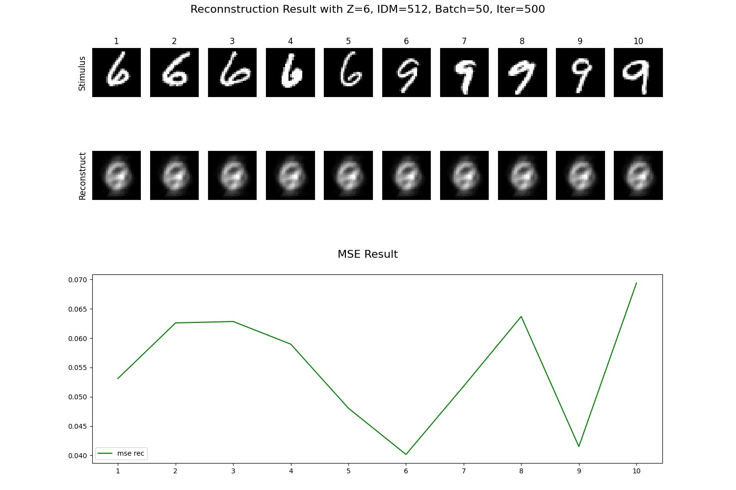
3 | 128 | 30 | 1000 | 278.99925566
6 | 512 | 50 | 500 | 280.0757994

