RES View
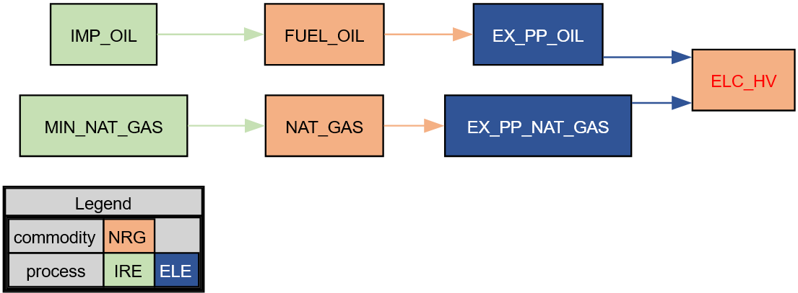

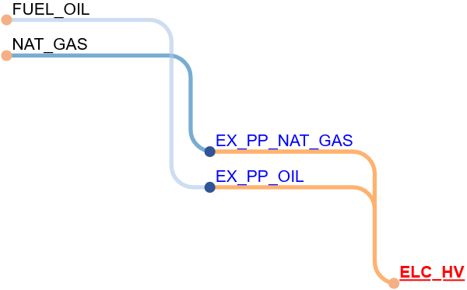

Power Plants
Power Plants

 |  |  | ~FI_T
TechName | \I: TechDesc | Comm-IN | Comm-OUT | STOCK | CAP2ACT | EFF | AFA | VAROM | FIXOM | Back of the envelope calculations
\I: Technology Name | Technology Description | Input Commodity | Commodity Output | Installed Capacity | Capacity to Activity Unit Conversion | Process Efficiency | Annual Availability Factor | Variable Costs | Fixed Costs | Maximum electricity production | Maximum fuel consumption
\I: Units |  |  |  | GW | PJ/y/GW | %/100 | %/100 | EUR/GJ | EUR/kW | PJ/y | PJ/y
EX_PP_COAL | Power Plant - Coal | FUEL_COAL | NAT_GAS | 4 | 31.536 | 0.4 | 0.8 | 1 | 1 | 100.92 | 252.29
EX_PP_OIL | Power Plant - Fuel Oil | FUEL_OIL | ELC_HV | 4 | 31.536 | 0.4 | 0.8 | 1 | 1 | 100.92 | 252.29
TRANS_HV_LV | Transmission from high voltage to low voltage | ELC_HV | ELC_LV |  | 1 | 0.84713375796
EX_PP_NAT_GAS | Power Plant - Natural Gas | NAT_GAS | ELC_HV | 2 | 31.536 | 0.6 | 0.5 | 1 | 1 | 31.54 | 52.56
 |  |  |  |  |  |  |  |  |  | 132.45

Why CAP2ACT = 31.536?
1 GW of power operating year-round would produce
$$1 GW×8760\frac{h}{year}=8760\frac{GWh}{year}$$
of energy.
Thus, 8760 GWh of energy can be produced in 1 year from 1 GW
which, after conversion, gives
$$8760\frac{GWh}{year×GW}×\frac{3,6 TJ}{1 GWh}×\frac{1 PJ}{1000 TJ}=31,536\frac{PJ}{year×GW}$$

