Ideas
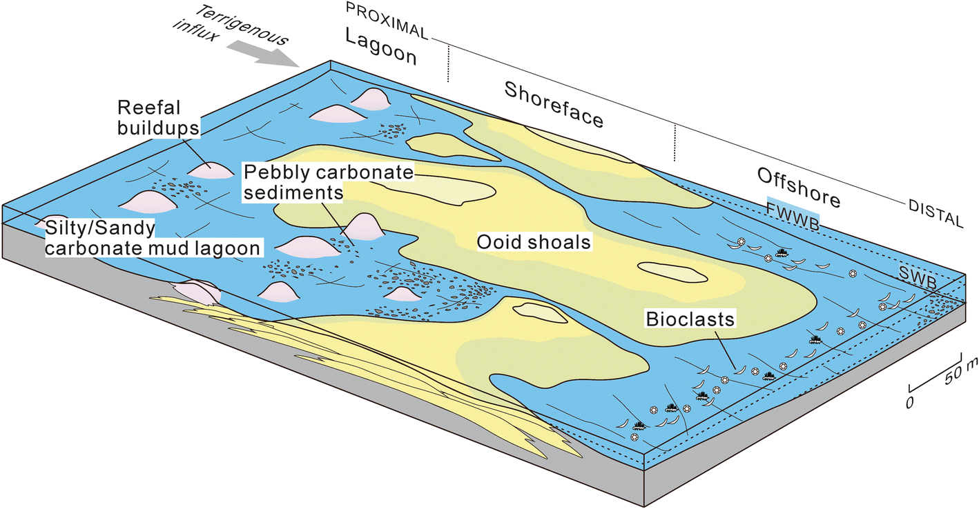
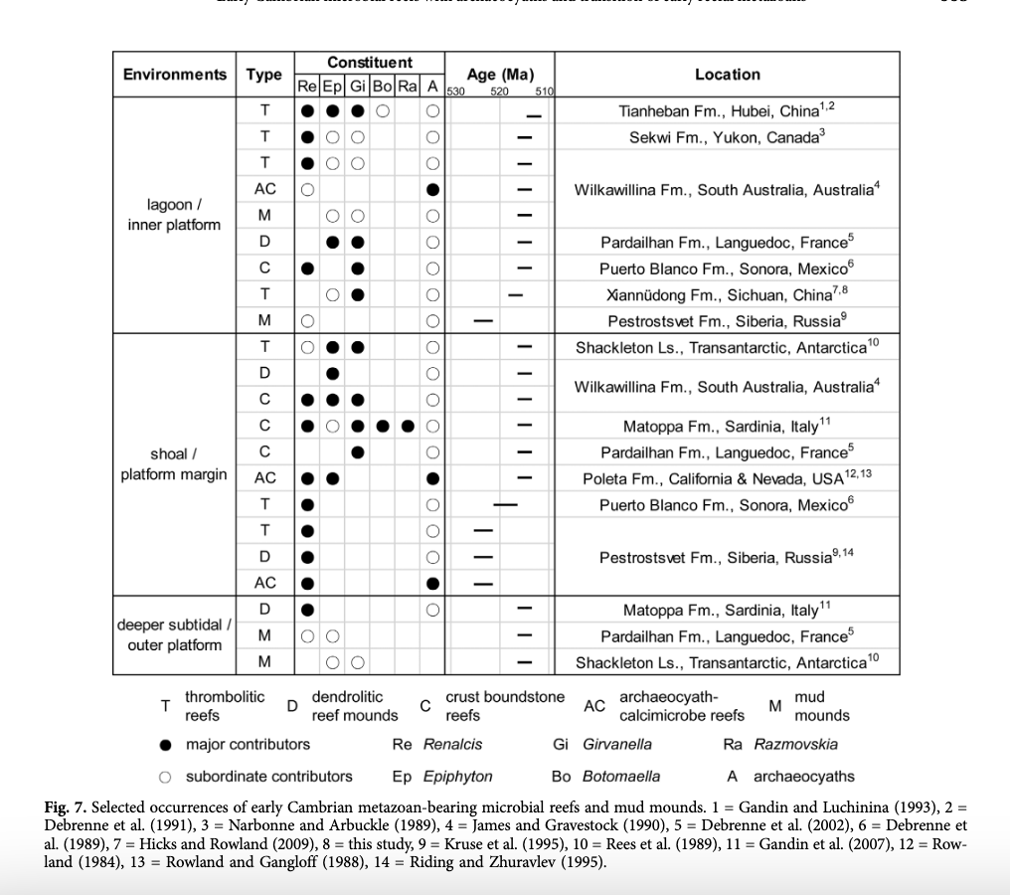

Reconstruction of the sedimentary environment of the Xiannüdong Formation reefs at Tangjiahe site. See details in text. FWWB Fair weather wave-base; SWB Storm wave-base
Tang et al., 2019

 | Zhang et al., 2017

