Sheet1
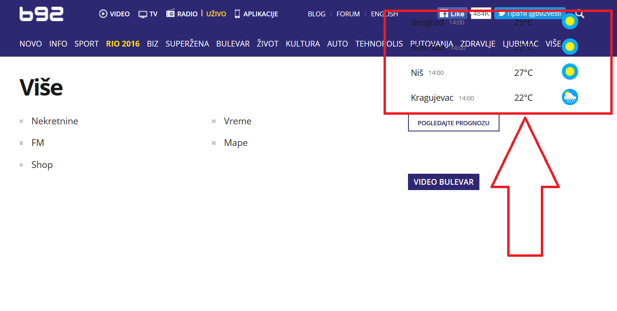
Bug Title | Priority | Severity | Software Version | Status | Customer Effect | Steps to reproduce | Expected results | Actual results
Weather widget malfunction | Required/Orange | Misleading | 1.5 | Awaiting Evaluation | Customer can not see weather and can not click some links | 1. Open web page b92 2.Click on menu link "VISE" | After step 2. successefully opened web page | After step 2. weather widget is not positioned correctly and widget is covering some of the menu links. Also menu links can not be clicked.

Please see our attachment:

