Sheet1
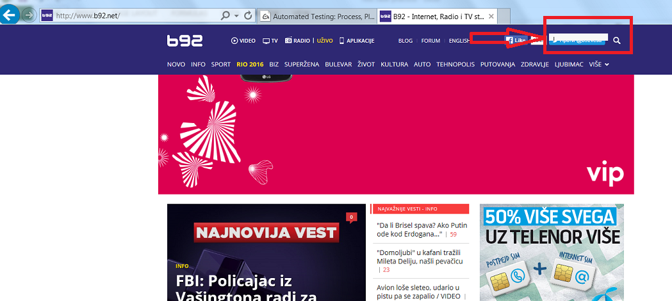
Bug Title | Priority | Severity | Software Version | Status | Customer Effect | Steps to reproduce | Expected results | Actual results
Weather widget bad positioning | Required/Orange | Misleading | 1.5 | Awaiting Evaluation | Customer can not see weather and can not click some links | 1. Open web page b92 2.Click on menu link "VISE" | After step 2. successefully opened web page | After step 2. weather widget is not positioned correctly and widget is covering some of the menu links. Also menu links can not be clicked.
Text "SORTIRAJ" | Desired/Yellow | Misleading | 1.5 | Awaiting Evaluation | Site vister could waste a bit of his time on figuring out what "SORTIRAJ" does | 1. Open web page b92 2. Click on one of the menus 3. Search "SVE VESTI" button and click it 4. Check "SORTIRAJ" | "SORTIRAJ" need to have ":" at the end of it or try something else to be more applying to "Najnovije" and "Najvaznije" | Text "SORTIRAJ" confused every tester in team for a short time. Everyone tried to click on it and was expecting to sort us news somehow.
Search Field Coverd by Social Link Icon | Desired/Yellow | Misleading | 1.5 | Awaiting Evaluation | Customers which want to use search bar can easily enter on Twitter instead | 1. Open web page b92 2. Click on the search icon | After step 2 search field pops where can be written desirable search terms | After step 2 search field pops but its cover by Twitter link

Please see our attachment:

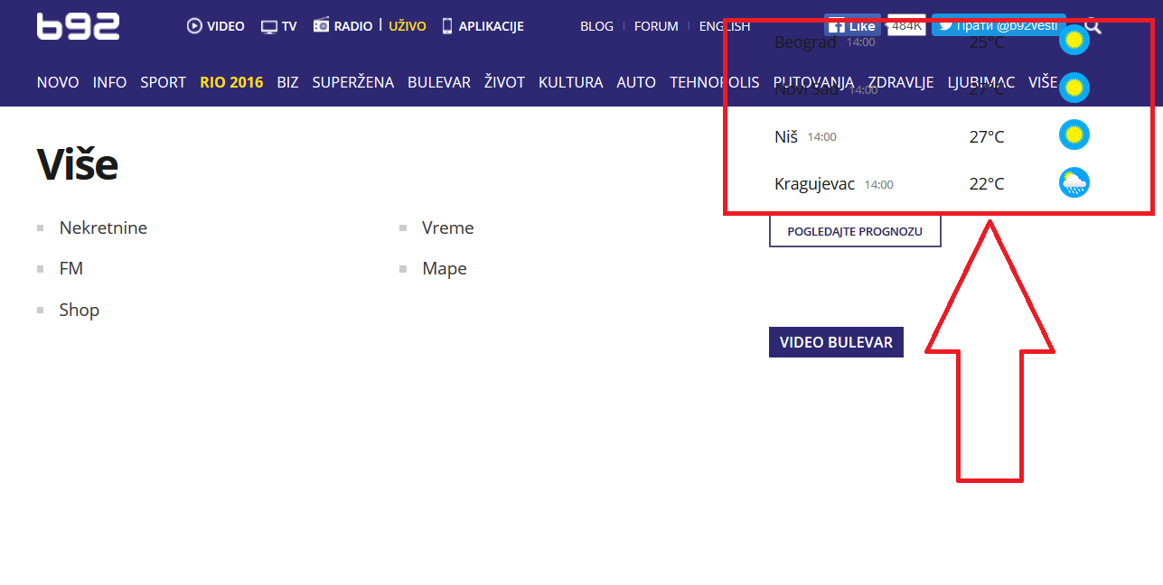
1. bug |  |  |  | 2. bug
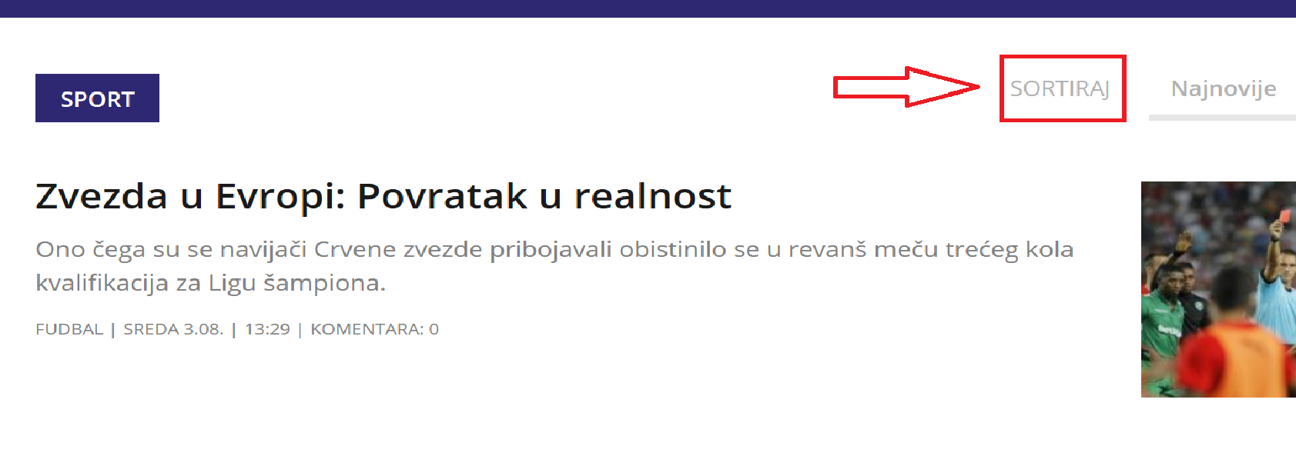

3. bug

