JC_template
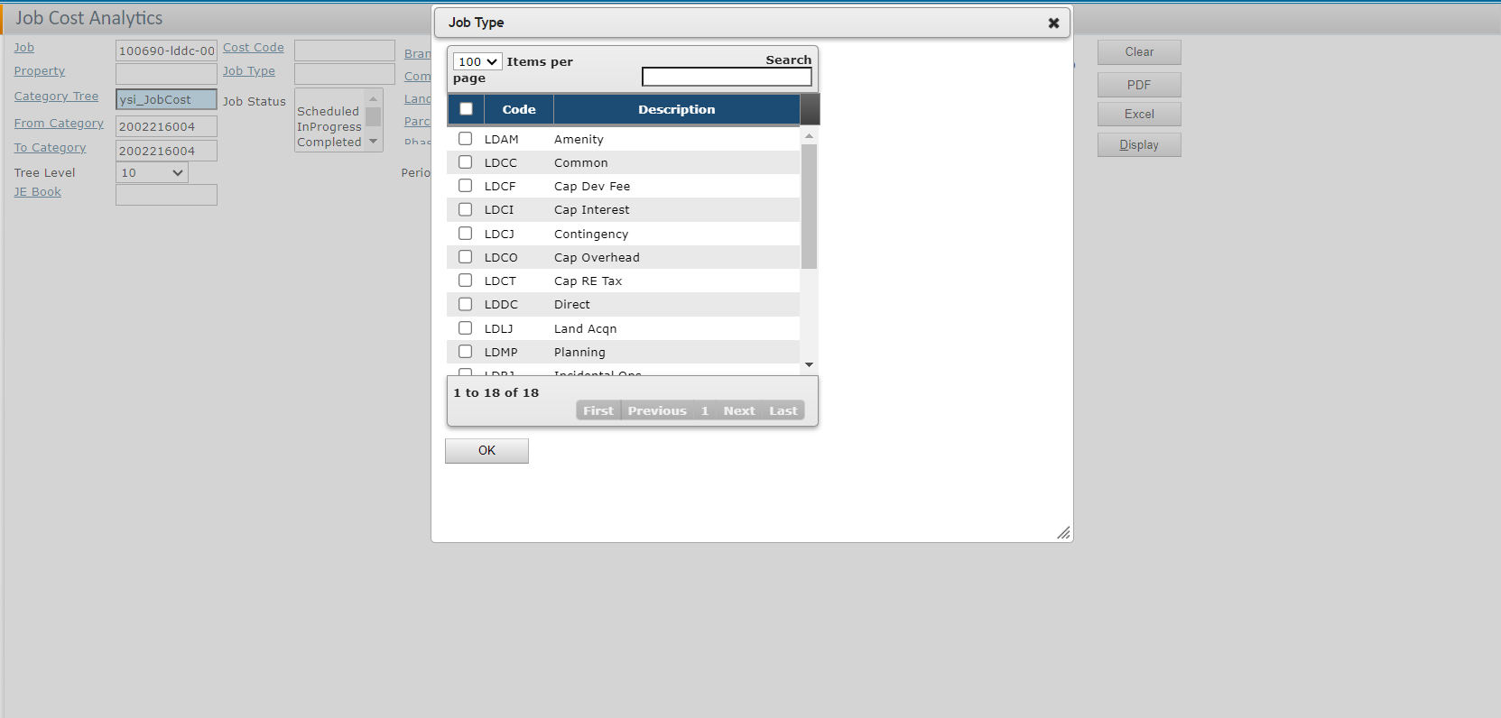
Property | Description | Job | Job Description | Job Type | Category Code | Category | Approved Budget | Revised Budget | Total Contract | Uncommitted Balance | Pending Contract Amount | Total Cash Paid to Date | Revised budget less cash paid to date | % Complete

 |  |  |  | Job Type Image
 |  |  |  | REFER TO JOB TYPE TABLE
 |  |  |  | JOBDETL
 |  |  |  | JOB

