FACT
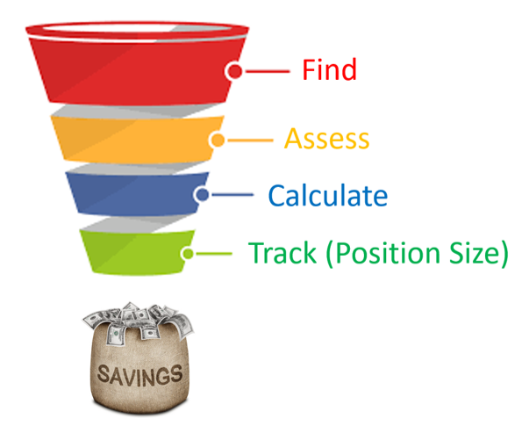
F.A.C.T.S System
 |  | Step 1 | Find
 |  | Step 2 | Assess
 |  | Step 3 | Calculate
 |  | Step 4 | Track
 |  | Step 5 | Savings

Step 1: Find | Find Stocks Using 5 Methods

 | 1. 街邊 Main Street
 | 2. 新聞 News
 | 3. 朋友 Friends
 | 4. 大師 Track Guru
 | 5. 篩選 Screener | ASK E FRIEND

Step 2: Assess
 | 10 Point Check List | Explanation |  |  |  | Remarks
E | Earnings Per Share Consistent for 10 Years | Earnings Per Share = Net Income/ No of Shares |  |  |  | EPS is important because it shows how much we earn
F | Free Cash Flow Positive for 10 Years | Free Cash Flow = Operating Cashflow - Capital Spending |  |  |  | We want to buy company with Free Cash Flow
R | Return on Equity > 15% consistently for 10 Years | Return on Equity = Net Income / Equity |  |  |  | We want company to make at least 15% using our money
I | Interest Coverage > 4 Times (Current Year) | Interest Coverage = Earnings Before Interest and Tax / Interest Exp |  |  |  | This tells us how many times company can pay for their interest.
E | Economic Moat | Intangible Assets | Low Cost Advantage | High Switching Cost | Network Effect | We must believe that company can profit for next 10 years
N | Net Margin > 10% recent years and increasing | Net Margin = Net Income / Revenue |  |  |  | If Net Margin is too small, it is very risky
D | Dividends paying company | Dividends are money that is distributed to investors |  |  |  | Companies that pay dividends have real money for investors
A | Authority Risk | Is it in an industry where there may be goverment policy risk? |  |  |  | It is risky if company is being controlled by government policies
S | Science and Tech Risk | Will Technology potentially change the industry? |  |  |  | Some companies can be wiped out because of technology
K | Key People Risk | Can company replace labour force easily? |  |  |  | If company depends on key people, it is very risky.
 |  | Does it depend on any key individuals

Step 3: Calculate

Growth | Growth Company must meet 2 criteria | Payout Ratio < 30% | ROE > 15%
 | Buy when PEG < 1
Dividend | Dividend Company must meet 2 criteria | Consistent Dividends | Payout Ratio < 90%
 | Buy when Dividend Yield > 5% | (If your bank rate is higher than 5%, then dividend yield should be at least 2% more than bank rates)
Asset | Asset Companies are companies with valuable tangible assets, for e.g: |  | Banks | Gold
 | Buy when P/B < 1 |  | Properties | Oil Rigs

Step 4: Track

Growth | Sell when PEG > 1.2
Dividend | Sell when stock price increase by 50%
Asset | Sell when Price hits Book Value Per Share

Step 5: Savings

Based on S&P PE Ratio, we set aside cash |  | PE | Cash %
 |  | 10 | 25%
 |  | 20 | 50%
 |  | 30 | 75%
 |  | 40 | 100%

