Data
INPUTS
Parameter | Value | Description |  | THIS BOX IS OUTPUT ONLY … DO NOT USE AS INPUTS
Tunnel_H | 90 | Valid Height per tunnel Max Height is 142.5" for 1 Reconnect High= Max sheet size |  | Thickness Outputs
Tunnel_W | 90 | Valid Width per tunnel <> Max. 120" Width for CUWA and CUWC |  | Corner_Brace_Thk | 12STL GALV | 0.09701
Reconnect_Type | STD | STD, CUL, CUWA, CUWC <> Standard (STD), Corridor Unit Length (CUL), Corridor Unit Width AHU(CUWA), Corridor Unit Width Corridor(CUWC) | STD, CUL, CUWA, CUWC | Reconnect_Thk | 12STL GALV | 0.09701
MaterialStyle | STL GALV | STL GALV <> Default, or SST304 | STL GALV, SST304 | Stiffener_Thk | 12STL GALV | 0.09701
BTM_Seam | NO | YES or NO = Default <> Used only for CUWA or CUWC, Bottom Seam Cover | YES, NO
Z_Location | 0 | 0 = Bolted Side to nearest split, Anything > than 0 = Bolted Side away split <> Bolted Side = Butts the adjacent skid
Construction | BASELINE | BASELINE = Default <> Changes the hole spacing | BASELINE
Reconnect_Array_HO | 1 | 1 = Default, 1 2 or 3 <> Works for Valid STD "Reconnect_Type" only | 1, 2, 3
Reconnect_Array_WO | 1 | 1 = Default, 1 2 3 or 4 <> Works for Valid STD "Reconnect_Type" only | 1, 2, 3, 4
Corner_BraceO | YES | YES or NO <> YES is Deafult | YES, NO
Corner_Brace_GAO | 0 | 0 = Default for 12GA, Any valid acceptable GA
Reconnect_GAO | 0 | 0 = Default for 12GA, Any valid acceptable GA
Stiffener_GAO | 0 | 0 = Default for 12GA, Any valid acceptable GA

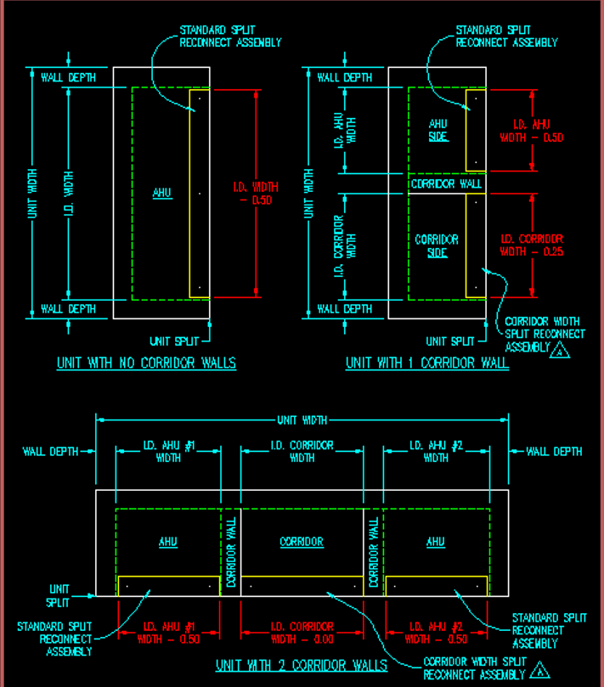
Errors on Sheet1 | 0
Negative Values on Sheet1 | 0

ASY RECONNECT 90X90 STD GLV | 28

