Fan Data
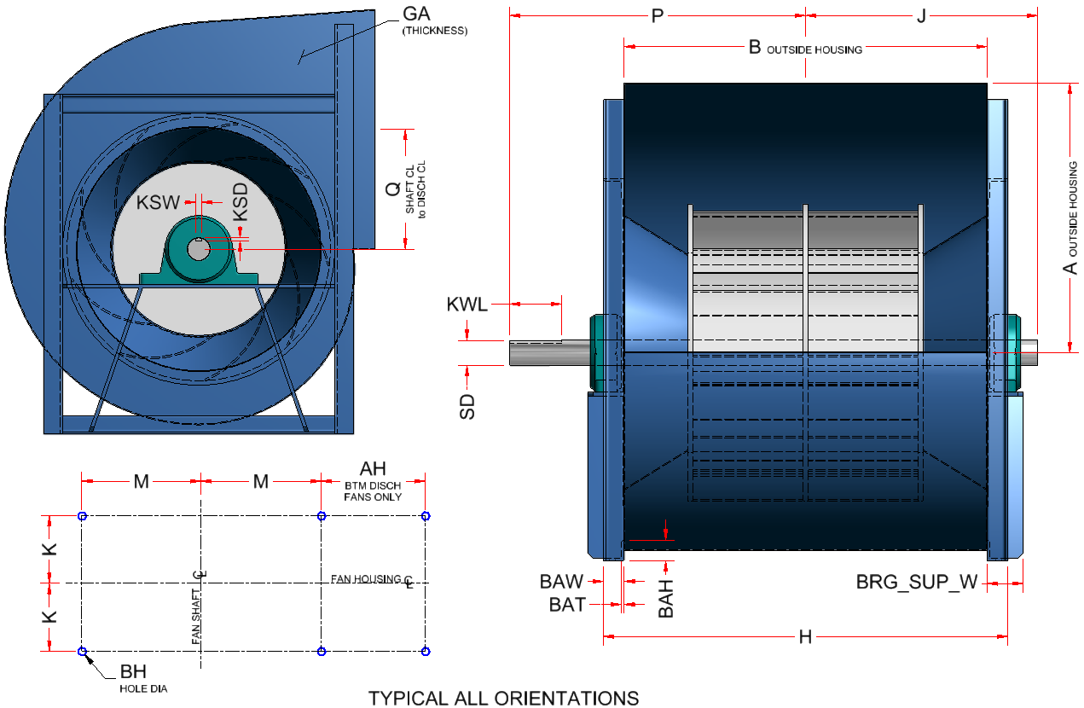
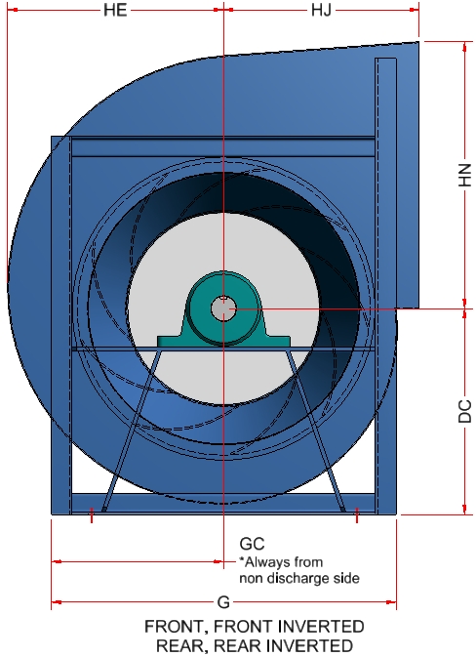
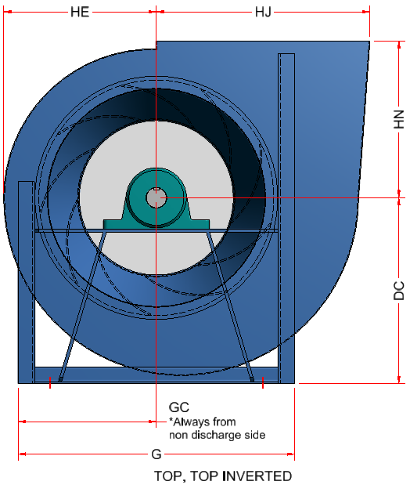
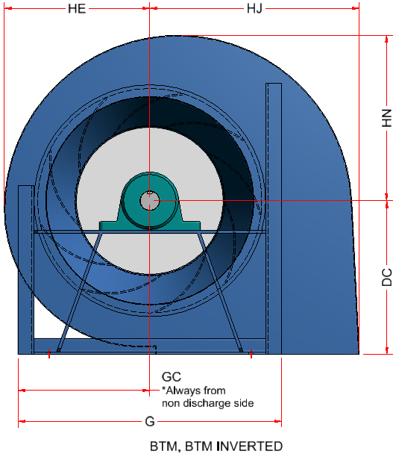
 | Twin City BAE DWDI Fan Data (Horizontal Discharge) |  |  |  |  |  |  |  |  |  |  |  |  |  |  |  |  |  |  |  |  |  |  |  |  |  |  | Key Slot Dimensions |  |  | Isolator Location Dimensions |  |  |  |  | Wheel Data Dimensions |  |  |  | Bearing Data Dimensions |  |  |  |  | Class 1 & 2 fans |  |  |  |  |  |  |  |  |  |  |  |  |  |  |  |  |  |  |  |  |  |  |  |  |  |  |  |  |  |  |  |  |  |  |  |  | Class 3 fans
 | FAN | WH_DIA_Nominal | MIN_T_FRAME | MAX_T_FRAME | FAN_A | FAN_B | FAN_BAH | FAN_BAW | FAN_BAT | FAN_BH | FAN_BH_NOM | FAN_DC | FAN_DD | FAN_DE | FAN_DX | FAN_G | FAN_GA | FAN_GB | FAN_GC | FAN_H | FAN_HE | FAN_HJ | FAN_HN | FAN_J | FAN_P | FAN_Q | FAN_SD | FAN_KSL | FAN_KSW | FAN_KSD | FAN_AH (DB Fans Only) | FAN_K | FAN_M | FAN_N | FAN_ND | FAN_WOD | FAN_WID | FAN_WW | FAN_INLET_FLG_W | FAN_BRG_SUP_W | FAN_BRG_SUP_T | FAN_BRG_DIA | FAN_BRG_W | FAN_BRG_H | FAN_MAX_T_FRAME_CL1 | FAN_MAX_T_FRAME_CL2 | FAN_A_CL1/CL2 | FAN_B_CL1/CL2 | FAN_BAH_CL1/CL2 | FAN_BAW_CL1/CL2 | FAN_BAT_CL1/CL2 | FAN_BH_CL1/CL2 | FAN_DC_T_CL1/CL2 | FAN_DC_B_CL1/CL2 | FAN_DX_CL1/CL2 | FAN_G_CL1/CL2 | FAN_GA_CL1/CL2 | FAN_GB_CL1/CL2 | FAN_GC_CL1/CL2 | FAN_H_CL1/CL2 | FAN_HE_CL1/CL2 | FAN_HJ_CL1/CL2 | FAN_HN_T_CL1/CL2 | FAN_HN_B_CL1/CL2 | FAN_J_CL1 | FAN_J_CL2 | FAN_K_CL1/CL2 | FAN_KSL_CL1/CL2 | FAN_KSW_CL1 | FAN_KSW_CL2 | FAN_KSD_CL1 | FAN_KSD_CL2 | FAN_M_CL1/CL2 | FAN_N_CL1/CL2 | FAN_P_CL1 | FAN_P_CL2 | FAN_Q_CL1/CL2 | FAN_SD_CL1 | FAN_SD_CL2 | FAN_BRG_SUP_W_CL1 | FAN_BRG_SUP_W_CL2 | FAN_MAX_T_FRAME_CL3 | FAN_A_CL3 | FAN_B_CL3 | FAN_BAH_CL3 | FAN_BAW_CL3 | FAN_BAT_CL3 | FAN_BH_CL3 | FAN_DC_T_CL3 | FAN_DC_B_CL3 | FAN_DX_CL3 | FAN_G_CL3 | FAN_GA_CL3 | FAN_GB_CL3 | FAN_GC_CL3 | FAN_H_CL3 | FAN_HE_CL3 | FAN_HJ_CL3 | FAN_HN_T_CL3 | FAN_HN_B_CL3 | FAN_J_CL3 | FAN_K_CL3 | FAN_KSL_CL3 | FAN_KSW_CL3 | FAN_KSD_CL3 | FAN_M_CL3 | FAN_N_CL3 | FAN_P_CL3 | FAN_Q_CL3 | FAN_SD_CL3 | FAN_BRG_SUP_W_CL3
TYPE A | 122H | 12.2 | 143T | 254T | 13.00 | 17.500 | 1.50 | 1.50 | 0.188 | 0.44 | 0.38 | 10.25 | 11.44 | 5.19 | 1.00 | 18.50 | 0.07 | 0.07 | 9.875 | 20.500 | 10.56 | 9.25 | 12.94 | 12.38 | 16.25 | 6.44 | 1.438 | 3.00 | 0.38 | 0.19 | n/a | 9.63 | 6.75 | 0.63 | 3.125 | 15.50 | 9.52 | 11.375 | 1.25 | 2.50 | 0.38 | 2.156 | 2.00 | 2.28 | 213T | 254T | 13.00 | 17.500 | 1.50 | 1.50 | 0.188 | 0.44 | 10.25 | 15.00 | 1.00 | 18.50 | 0.070 | 0.070 | 9.875 | 20.500 | 10.56 | 9.25 | 12.94 | 9.31 | 11.44 | 12.38 | 9.63 | 3.00 | 0.25 | 0.38 | 0.13 | 0.19 | 6.75 | 0.63 | 15.25 | 16.25 | 6.44 | 1.1875 | 1.4375 | 2.50 | 2.50 | 254T | 13.13 | 17.630 | 1.50 | 2.00 | 0.188 | 0.44 | 10.25 | 15.50 | 1.25 | 18.63 | 0.126 | 0.126 | 9.875 | 21.630 | 10.63 | 9.75 | 13.00 | 9.38 | 12.56 | 9.94 | 3.50 | 0.50 | 0.25 | 6.50 | 0.88 | 17.06 | 6.44 | 1.9375 | 3.00
 | 135H | 13.5 | 143T | 254T | 14.31 | 19.500 | 1.50 | 1.50 | 0.188 | 0.44 | 0.38 | 11.25 | 12.75 | 5.88 | 1.00 | 19.75 | 0.07 | 0.07 | 10.500 | 22.500 | 11.63 | 10.25 | 14.25 | 13.38 | 17.25 | 7.13 | 1.688 | 3.00 | 3.80 | 0.19 | n/a | 10.63 | 7.38 | 0.63 | 3.120 | 16.75 | 10.53 | 12.675 | 1.25 | 2.50 | 0.38 | 2.531 | 2.00 | 2.66 | 213T | 254T | 14.31 | 19.500 | 1.50 | 1.50 | 0.188 | 0.44 | 11.25 | 16.25 | 1.00 | 19.75 | 0.070 | 0.070 | 10.500 | 22.500 | 11.63 | 10.25 | 14.25 | 10.25 | 12.44 | 13.38 | 10.63 | 3.00 | 0.25 | 3.80 | 0.13 | 0.19 | 7.38 | 0.63 | 16.25 | 17.25 | 7.13 | 1.1875 | 1.6875 | 2.50 | 2.50 | 254T | 14.44 | 19.630 | 1.50 | 2.00 | 0.188 | 0.44 | 11.25 | 16.75 | 1.25 | 19.88 | 0.126 | 0.126 | 10.500 | 23.630 | 11.69 | 10.75 | 14.31 | 10.31 | 13.56 | 10.94 | 4.00 | 0.50 | 0.25 | 7.13 | 0.88 | 18.56 | 7.13 | 1.9375 | 3.00
 | 150H | 15.0 | 143T | 256T | 15.88 | 21.500 | 1.50 | 1.50 | 0.188 | 0.44 | 0.38 | 12.25 | 14.31 | 6.56 | 1.00 | 21.50 | 0.07 | 0.07 | 11.375 | 24.500 | 12.88 | 11.44 | 15.81 | 14.38 | 18.75 | 7.88 | 1.688 | 3.50 | 0.38 | 0.19 | n/a | 11.63 | 8.25 | 0.63 | 3.125 | 18.50 | 11.70 | 13.975 | 1.25 | 2.50 | 0.38 | 2.531 | 2.00 | 2.66 | 215T | 256T | 15.88 | 21.500 | 1.50 | 1.50 | 0.188 | 0.44 | 12.25 | 18.00 | 1.00 | 21.50 | 0.070 | 0.070 | 11.375 | 24.500 | 12.88 | 11.44 | 15.81 | 11.38 | 14.38 | 14.38 | 11.63 | 3.50 | 0.38 | 0.38 | 0.19 | 0.19 | 8.25 | 0.63 | 18.75 | 18.75 | 7.88 | 1.4375 | 1.6875 | 2.50 | 2.50 | 256T | 16.00 | 21.630 | 1.50 | 2.00 | 0.188 | 0.44 | 12.25 | 18.50 | 1.25 | 21.63 | 0.126 | 0.126 | 11.375 | 25.630 | 12.94 | 11.94 | 15.88 | 11.44 | 15.13 | 11.94 | 4.00 | 0.50 | 0.25 | 8.00 | 0.88 | 20.13 | 7.88 | 2.1875 | 3.50
 | 165H | 16.5 | 143T | 256T | 17.44 | 23.625 | 1.50 | 2.00 | 0.188 | 0.44 | 0.38 | 13.50 | 15.88 | 6.75 | 1.00 | 24.25 | 0.07 | 0.07 | 12.125 | 27.625 | 14.13 | 12.63 | 17.38 | 15.56 | 20.06 | 8.69 | 1.938 | 3.50 | 0.50 | 0.25 | n/a | 12.94 | 8.75 | 0.88 | 3.375 | 21.25 | 12.87 | 15.356 | 1.25 | 3.00 | 0.38 | 2.906 | 2.50 | 3.03 | 215T | 256T | 17.44 | 23.625 | 1.50 | 2.00 | 0.188 | 0.44 | 13.50 | 19.50 | 1.00 | 24.25 | 0.070 | 0.070 | 12.125 | 27.625 | 14.13 | 12.63 | 17.38 | 12.50 | 15.44 | 15.56 | 12.94 | 3.50 | 0.38 | 0.50 | 0.19 | 0.25 | 8.75 | 0.88 | 19.81 | 20.06 | 8.69 | 1.4375 | 1.9375 | 2.50 | 3.00 | 256T | 17.56 | 23.750 | 1.50 | 2.00 | 0.188 | 0.44 | 13.50 | 19.50 | 1.25 | 23.13 | 0.126 | 0.126 | 12.125 | 27.750 | 14.19 | 13.13 | 17.44 | 12.56 | 16.19 | 13.00 | 4.50 | 0.50 | 0.25 | 8.75 | 0.88 | 21.69 | 8.69 | 2.1875 | 3.50
 | 182H | 18.2 | 145T | 286T | 19.38 | 26.000 | 1.50 | 2.00 | 0.188 | 0.44 | 0.38 | 14.75 | 17.81 | 7.81 | 1.25 | 26.00 | 0.10 | 0.07 | 13.000 | 30.000 | 15.69 | 14.00 | 19.31 | 16.75 | 21.75 | 9.63 | 1.938 | 4.00 | 0.50 | 0.25 | n/a | 14.13 | 9.63 | 0.88 | 3.370 | 23.00 | 14.20 | 16.900 | 1.25 | 3.00 | 0.38 | 2.906 | 2.50 | 3.03 | 254T | 286T | 19.38 | 26.000 | 1.50 | 2.00 | 0.188 | 0.44 | 14.75 | 21.50 | 1.25 | 26.00 | 0.097 | 0.070 | 13.000 | 30.000 | 15.69 | 14.00 | 19.31 | 13.81 | 16.63 | 16.75 | 14.13 | 4.00 | 0.38 | 0.50 | 0.19 | 0.25 | 9.63 | 0.88 | 21.50 | 21.75 | 9.63 | 1.6875 | 1.9375 | 2.50 | 3.00 | 284T | 19.50 | 26.130 | 2.00 | 2.00 | 0.250 | 0.56 | 14.75 | 22.00 | 1.25 | 27.00 | 0.126 | 0.126 | 13.500 | 30.130 | 15.75 | 14.50 | 19.38 | 13.88 | 17.38 | 14.19 | 4.50 | 0.50 | 0.25 | 9.63 | 0.88 | 22.88 | 9.63 | 2.1875 | 3.50
 | 200H | 20.0 | 145T | 286T | 21.19 | 28.500 | 1.50 | 2.00 | 0.188 | 0.56 | 0.50 | 16.25 | 19.63 | 8.63 | 1.25 | 28.00 | 0.10 | 0.07 | 14.000 | 32.500 | 17.31 | 15.31 | 21.13 | 18.56 | 23.56 | 10.56 | 2.188 | 4.00 | 0.50 | 0.25 | n/a | 15.38 | 10.63 | 0.88 | 3.370 | 25.00 | 15.60 | 18.525 | 1.25 | 3.50 | 0.38 | 3.281 | 3.00 | 3.41 | 254T | 286T | 21.19 | 28.500 | 1.50 | 2.00 | 0.188 | 0.56 | 16.25 | 23.50 | 1.25 | 28.00 | 0.097 | 0.070 | 14.000 | 32.500 | 17.31 | 15.31 | 21.13 | 15.19 | 17.88 | 18.56 | 15.38 | 4.00 | 0.38 | 0.50 | 0.19 | 0.25 | 10.63 | 0.88 | 22.75 | 23.56 | 10.56 | 1.6875 | 2.1875 | 2.50 | 3.50 | 286T | 21.31 | 28.630 | 2.00 | 2.00 | 0.250 | 0.56 | 16.25 | 24.00 | 1.25 | 29.00 | 0.126 | 0.126 | 14.500 | 32.630 | 17.38 | 15.81 | 21.19 | 15.25 | 19.13 | 15.44 | 5.00 | 0.63 | 0.31 | 10.63 | 0.88 | 25.25 | 10.56 | 2.4375 | 3.50
 | 222H | 22.2 | 145T | 324T | 23.56 | 31.625 | 2.00 | 2.00 | 0.250 | 0.56 | 0.50 | 18.00 | 22.00 | 10.38 | 1.25 | 31.25 | 0.10 | 0.07 | 15.625 | 35.625 | 19.06 | 17.19 | 23.50 | 20.63 | 26.25 | 11.75 | 2.438 | 4.50 | 0.63 | 0.31 | n/a | 16.94 | 11.75 | 0.88 | 3.875 | 27.25 | 17.32 | 20.556 | 1.25 | 3.50 | 0.38 | 3.656 | 3.00 | 3.78 | 256T | 324T | 23.56 | 31.625 | 2.00 | 2.00 | 0.250 | 0.56 | 18.00 | 26.00 | 1.25 | 31.25 | 0.097 | 0.070 | 15.625 | 35.625 | 19.06 | 17.19 | 23.50 | 16.81 | 19.56 | 20.63 | 16.94 | 4.50 | 0.50 | 0.63 | 0.25 | 0.31 | 11.75 | 0.88 | 25.06 | 26.25 | 11.75 | 1.9375 | 2.4375 | 3.00 | 3.50 | 324T | 23.69 | 31.750 | 2.50 | 2.50 | 0.250 | 0.56 | 18.00 | 26.50 | 1.25 | 32.25 | 0.126 | 0.126 | 16.125 | 36.750 | 19.13 | 17.69 | 23.56 | 16.88 | 20.69 | 17.25 | 5.00 | 0.63 | 0.31 | 11.50 | 1.13 | 26.81 | 11.75 | 2.4375 | 3.50
TYPE B | 245H | 24.5 | 143T | 326T | 25.94 | 34.875 | 2.00 | 2.00 | 0.250 | 0.56 | 0.50 | 20.00 | 24.38 | 11.63 | 1.25 | 33.50 | 0.10 | 0.07 | 16.750 | 38.875 | 21.00 | 19.00 | 25.88 | 22.31 | 28.44 | 12.94 | 2.438 | 5.00 | 0.63 | 0.31 | n/a | 18.56 | 12.88 | 0.88 | 3.870 | 29.50 | 19.11 | 22.669 | 1.50 | 3.50 | 0.38 | 3.656 | 3.00 | 3.78 | 284T | 326T | 25.94 | 34.875 | 2.00 | 2.00 | 0.250 | 0.56 | 20.00 | 28.25 | 1.25 | 33.50 | 0.097 | 0.070 | 16.750 | 38.875 | 21.00 | 19.00 | 25.88 | 18.50 | 21.81 | 22.31 | 18.56 | 5.00 | 0.50 | 0.63 | 0.25 | 0.31 | 12.88 | 0.88 | 27.81 | 28.44 | 12.94 | 2.1875 | 2.4375 | 3.50 | 3.50 | 326T | 26.19 | 35.000 | 2.50 | 2.50 | 0.250 | 0.56 | 20.00 | 28.75 | 1.50 | 34.50 | 0.175 | 0.175 | 17.250 | 40.000 | 21.13 | 19.50 | 26.00 | 18.63 | 22.38 | 18.88 | 6.00 | 0.63 | 0.31 | 12.63 | 1.13 | 29.50 | 12.94 | 2.4375 | 3.50
 | 270H | 27.0 | 145T | 326T | 28.63 | 38.250 | 2.00 | 2.00 | 0.250 | 0.56 | 0.50 | 22.00 | 27.06 | 13.06 | 1.50 | 36.00 | 0.10 | 0.07 | 18.000 | 42.250 | 23.19 | 20.94 | 28.56 | 24.31 | 30.44 | 14.25 | 2.688 | 5.00 | 0.63 | 0.31 | n/a | 20.25 | 14.13 | 0.88 | 3.870 | 32.00 | 21.06 | 24.863 | 1.50 | 4.00 | 0.50 | 4.031 | 3.50 | 4.16 | 284T | 326T | 28.63 | 38.250 | 2.00 | 2.00 | 0.250 | 0.56 | 22.00 | 31.00 | 1.50 | 36.00 | 0.097 | 0.070 | 18.000 | 42.250 | 23.19 | 20.94 | 28.56 | 20.44 | 23.50 | 24.31 | 20.25 | 5.00 | 0.50 | 0.63 | 0.25 | 0.31 | 14.13 | 0.88 | 29.50 | 30.44 | 14.25 | 2.1875 | 2.6875 | 3.50 | 4.00 | 326T | 28.88 | 38.500 | 2.50 | 2.50 | 0.250 | 0.56 | 22.00 | 31.50 | 1.50 | 37.00 | 0.175 | 0.175 | 18.500 | 43.500 | 23.31 | 21.44 | 28.69 | 20.56 | 24.44 | 20.63 | 6.00 | 0.63 | 0.31 | 13.88 | 1.13 | 31.56 | 14.25 | 2.6875 | 4.00
 | 300H | 30.0 | 143T | 364T | 31.81 | 42.750 | 2.50 | 2.50 | 0.250 | 0.56 | 0.50 | 24.50 | 30.25 | 14.75 | 1.50 | 41.00 | 0.13 | 0.10 | 20.500 | 47.750 | 25.75 | 23.31 | 31.75 | 26.25 | 32.88 | 15.81 | 2.438 | 5.50 | 0.63 | 0.31 | n/a | 22.75 | 15.88 | 1.13 | 4.620 | 36.00 | 23.40 | 27.788 | 1.50 | 3.50 | 0.38 | 3.656 | 3.00 | 3.78 | 286T | 364T | 31.81 | 42.750 | 2.50 | 2.50 | 0.250 | 0.56 | 24.50 | 34.25 | 1.50 | 41.00 | 0.126 | 0.097 | 20.500 | 47.750 | 25.75 | 23.31 | 31.75 | 22.75 | 26.25 | 26.25 | 22.75 | 5.50 | 0.63 | 0.63 | 0.31 | 0.31 | 15.88 | 1.13 | 32.88 | 32.88 | 15.81 | 2.4375 | 2.4375 | 3.50 | 3.50 | 364T | 32.00 | 42.880 | 3.00 | 3.00 | 0.313 | 0.81 | 24.50 | 34.75 | 1.50 | 42.00 | 0.175 | 0.175 | 21.000 | 48.880 | 25.81 | 23.81 | 31.81 | 22.81 | 26.63 | 23.06 | 7.00 | 0.63 | 0.31 | 15.63 | 1.38 | 34.75 | 15.81 | 2.6875 | 4.00
 | 330H | 33.0 | 143T | 365T | 35.13 | 46.750 | 2.50 | 2.50 | 0.250 | 0.56 | 0.50 | 27.00 | 33.56 | 16.56 | 1.50 | 44.00 | 0.13 | 0.10 | 22.000 | 51.750 | 28.38 | 25.75 | 35.06 | 28.25 | 34.88 | 17.50 | 2.438 | 5.50 | 0.63 | 0.31 | n/a | 24.75 | 17.38 | 1.13 | 4.620 | 39.00 | 25.74 | 30.388 | 1.50 | 4.00 | 0.50 | 3.656 | 3.50 | 3.78 | 324T | 365T | 35.13 | 46.750 | 2.50 | 2.50 | 0.250 | 0.56 | 27.00 | 37.25 | 1.50 | 44.00 | 0.126 | 0.097 | 22.000 | 51.750 | 28.38 | 25.75 | 35.06 | 25.00 | 28.25 | 28.25 | 24.75 | 5.50 | 0.63 | 0.63 | 0.31 | 0.31 | 17.38 | 1.13 | 34.88 | 34.88 | 17.50 | 2.4375 | 2.4375 | 3.50 | 4.00 | 365T | 35.31 | 46.880 | 3.00 | 3.00 | 0.313 | 0.81 | 27.00 | 37.75 | 1.50 | 45.00 | 0.175 | 0.175 | 22.500 | 52.880 | 28.44 | 26.25 | 35.13 | 25.06 | 28.44 | 25.06 | 7.00 | 0.75 | 0.38 | 17.13 | 1.38 | 36.69 | 17.50 | 2.9375 | 4.00
 | 365H | 36.5 | 143T | 404T | 38.69 | 51.875 | 2.50 | 2.50 | 0.250 | 0.56 | 0.50 | 29.50 | 37.13 | 18.13 | 1.50 | 48.00 | 0.13 | 0.10 | 24.000 | 56.875 | 31.50 | 28.50 | 38.63 | 31.13 | 37.75 | 19.25 | 2.688 | 5.50 | 0.63 | 0.31 | n/a | 27.31 | 18.88 | 1.13 | 5.120 | 43.00 | 28.47 | 33.719 | 1.50 | 4.00 | 0.50 | 4.031 | 3.50 | 4.16 | 324T | 404T | 38.69 | 51.875 | 2.50 | 2.50 | 0.250 | 0.56 | 29.50 | 41.00 | 1.50 | 48.00 | 0.126 | 0.097 | 24.000 | 56.875 | 31.50 | 28.50 | 38.63 | 27.75 | 31.13 | 31.13 | 27.31 | 5.50 | 0.63 | 0.63 | 0.31 | 0.31 | 18.88 | 1.13 | 37.75 | 37.75 | 19.25 | 2.6875 | 2.6875 | 4.00 | 4.00 | 404T | 38.88 | 52.000 | 3.00 | 3.00 | 0.313 | 0.81 | 29.50 | 41.50 | 1.50 | 49.00 | 0.175 | 0.175 | 24.500 | 58.000 | 31.56 | 29.00 | 38.69 | 27.81 | 31.00 | 27.63 | 7.00 | 0.75 | 0.38 | 18.63 | 1.38 | 39.25 | 19.25 | 2.9375 | 5.00
TYPE C | 402H | 40.2 | 145T | 404T | 42.63 | 57.250 | 3.00 | 3.00 | 0.313 | 0.81 | 0.75 | 33.00 | 41.06 | 20.81 | 1.50 | 52.50 | 0.13 | 0.10 | 26.250 | 63.250 | 34.69 | 31.50 | 42.56 | 33.81 | 40.94 | 21.25 | 2.688 | 6.00 | 0.63 | 0.31 | n/a | 30.25 | 20.88 | 1.38 | 5.370 | 46.50 | 31.36 | 37.213 | 1.75 | 4.00 | 0.50 | 4.031 | 3.50 | 4.16 | 326T | 404T | 42.63 | 57.250 | 3.00 | 3.00 | 0.313 | 0.81 | 33.00 | 45.50 | 1.50 | 52.50 | 0.126 | 0.097 | 26.250 | 63.250 | 34.69 | 31.50 | 42.56 | 30.56 | 33.50 | 33.81 | 30.25 | 6.00 | 0.63 | 0.63 | 0.31 | 0.31 | 20.88 | 1.38 | 40.63 | 40.94 | 21.25 | 2.4375 | 2.6875 | 4.00 | 4.00 | 404T | 42.81 | 57.380 | 3.00 | 4.00 | 0.313 | 0.81 | 33.00 | 45.50 | 2.00 | 52.50 | 0.175 | 0.175 | 26.250 | 65.380 | 34.75 | 32.00 | 42.63 | 30.63 | 35.06 | 30.81 | 8.00 | 0.88 | 0.44 | 20.38 | 1.88 | 44.38 | 21.25 | 3.4375 | 5.00
 | 445H | 44.5 | 182T | 405T | 47.13 | 63.125 | 3.00 | 3.00 | 0.313 | 0.81 | 0.75 | 35.50 | 45.56 | 23.31 | 1.50 | 56.50 | 0.13 | 0.10 | 28.250 | 69.125 | 38.25 | 34.88 | 47.06 | 36.56 | 43.81 | 23.50 | 2.938 | 6.00 | 0.75 | 0.38 | n/a | 33.19 | 22.88 | 1.38 | 5.370 | 50.50 | 34.71 | 41.031 | 1.75 | 5.00 | 0.50 | 4.406 | 4.50 | 4.53 | 364T | 405T | 47.13 | 63.125 | 3.00 | 3.00 | 0.313 | 0.81 | 35.50 | 50.00 | 1.50 | 56.50 | 0.126 | 0.097 | 28.250 | 69.125 | 38.25 | 34.88 | 47.06 | 33.75 | 36.44 | 36.56 | 33.19 | 6.00 | 0.63 | 0.75 | 0.31 | 0.38 | 22.88 | 1.38 | 43.56 | 43.81 | 23.50 | 2.4375 | 2.9375 | 4.00 | 5.00 | 405T | 47.31 | 63.250 | 3.00 | 4.00 | 0.313 | 0.81 | 35.50 | 50.00 | 2.00 | 56.50 | 0.175 | 0.175 | 28.250 | 71.250 | 38.31 | 35.38 | 47.13 | 33.81 | 38.00 | 33.75 | 8.00 | 0.88 | 0.44 | 22.38 | 1.88 | 47.31 | 23.50 | 3.4375 | 5.00
 | 490H | 49.0 | 182T | 445T | 51.94 | 69.500 | 3.00 | 3.00 | 0.313 | 0.81 | 0.75 | 39.00 | 50.38 | 25.63 | 2.00 | 61.50 | 0.13 | 0.10 | 30.750 | 75.500 | 42.19 | 38.50 | 51.88 | 41.13 | 49.44 | 25.88 | 3.438 | 7.00 | 0.88 | 0.44 | n/a | 36.38 | 25.38 | 1.38 | 5.370 | 55.50 | 38.22 | 45.175 | 1.75 | 5.00 | 0.50 | 5.156 | 4.50 | 5.28 | 365T | 445T | 51.94 | 69.500 | 3.00 | 3.00 | 0.313 | 0.81 | 39.00 | 54.75 | 2.00 | 61.50 | 0.126 | 0.097 | 30.750 | 75.500 | 42.19 | 38.50 | 51.88 | 37.19 | 39.94 | 41.13 | 36.38 | 7.00 | 0.63 | 0.88 | 0.31 | 0.44 | 25.38 | 1.38 | 48.06 | 49.44 | 25.88 | 2.6875 | 3.4375 | 4.00 | 5.00 | 445T | 52.13 | 69.630 | 3.00 | 4.00 | 0.313 | 0.81 | 39.00 | 54.75 | 2.00 | 61.50 | 0.175 | 0.175 | 30.750 | 77.630 | 42.25 | 39.00 | 51.94 | 37.25 | 41.94 | 36.94 | 9.00 | 1.00 | 0.50 | 24.88 | 1.88 | 52.31 | 25.88 | 3.9375 | 6.00
 | 542H | 54.2 | 254T | 445T | 57.38 | 77.000 | 3.00 | 4.00 | 0.313 | 0.81 | 0.75 | 43.50 | 55.81 | 28.31 | 2.00 | 67.00 | 0.13 | 0.10 | 33.500 | 85.000 | 46.69 | 42.56 | 57.31 | 44.19 | 51.50 | 28.63 | 3.438 | 6.00 | 0.88 | 0.44 | n/a | 40.63 | 27.63 | 1.88 | 5.870 | 61.00 | 42.28 | 50.050 | 1.75 | 5.00 | 0.50 | 5.156 | 4.50 | 5.28 | 404T | 445T | 57.38 | 77.000 | 3.00 | 4.00 | 0.313 | 0.81 | 43.50 | 60.25 | 2.00 | 67.00 | 0.126 | 0.097 | 33.500 | 85.000 | 46.69 | 42.56 | 57.31 | 41.19 | 43.75 | 44.19 | 40.63 | 6.00 | 0.75 | 0.88 | 0.38 | 0.44 | 27.63 | 1.88 | 51.00 | 51.50 | 28.63 | 2.9375 | 3.4375 | 4.00 | 5.00 | 445T | 57.56 | 77.130 | 3.50 | 5.00 | 0.500 | 0.81 | 43.50 | 60.75 | 2.50 | 67.00 | 0.175 | 0.175 | 33.500 | 87.130 | 46.75 | 43.06 | 57.38 | 41.25 | 45.69 | 41.19 | 9.00 | 1.00 | 0.50 | 27.13 | 2.38 | 56.06 | 28.63 | 3.9375 | 6.00
 | 600H | 60.0 | 254T | 445T | 63.50 | 85.000 | 3.00 | 4.00 | 0.313 | 0.81 | 0.75 | 48.00 | 61.94 | 31.44 | 2.00 | 73.00 | 0.13 | 0.10 | 36.500 | 93.000 | 51.69 | 47.19 | 63.44 | 49.63 | 59.00 | 31.69 | 3.938 | 8.00 | 1.00 | 0.50 | n/a | 44.63 | 30.63 | 1.88 | 5.870 | 67.00 | 46.80 | 55.250 | 2.00 | 6.00 | 0.50 | 5.906 | 5.50 | 6.03 | 405T | 445T | 63.50 | 85.000 | 3.00 | 4.00 | 0.313 | 0.81 | 48.00 | 66.25 | 2.00 | 73.00 | 0.126 | 0.097 | 36.500 | 93.000 | 51.69 | 47.19 | 63.44 | 45.56 | 48.88 | 49.63 | 44.63 | 8.00 | 0.88 | 1.00 | 0.44 | 0.50 | 30.63 | 1.88 | 58.19 | 59.00 | 31.69 | 3.4375 | 3.9375 | 5.00 | 6.00 | 445T | 63.69 | 85.130 | 3.50 | 5.00 | 0.500 | 0.81 | 48.00 | 66.75 | 2.50 | 74.00 | 0.175 | 0.175 | 37.000 | 95.130 | 51.75 | 47.69 | 63.50 | 45.63 | 50.44 | 45.19 | 9.50 | 1.00 | 0.50 | 30.13 | 2.38 | 61.31 | 31.69 | 4.4375 | 7.00
 | 660H | 66.0 | 254T | 445T | 69.69 | 93.750 | 3.50 | 5.00 | 0.500 | 0.81 | 0.75 | 52.50 | 68.13 | 35.13 | 2.50 | 80.00 | 0.13 | 0.10 | 40.000 | 103.750 | 56.81 | 51.94 | 69.63 | 54.06 | 63.38 | 34.75 | 3.938 | 8.00 | 1.00 | 0.50 | n/a | 49.50 | 33.13 | 2.38 | 6.870 | 73.00 | 51.48 | 60.938 | 2.00 | 6.00 | 0.50 | 5.906 | 5.50 | 6.03 | 405T | 445T | 69.69 | 93.750 | 3.50 | 5.00 | 0.500 | 0.81 | 52.50 | 73.25 | 2.50 | 80.00 | 0.126 | 0.097 | 40.000 | 103.750 | 56.81 | 51.94 | 69.63 | 49.94 | 53.25 | 54.06 | 49.50 | 8.00 | 0.88 | 1.00 | 0.44 | 0.50 | 33.13 | 2.38 | 62.56 | 63.38 | 34.75 | 3.4375 | 3.9375 | 5.00 | 6.00 | 445T | 69.88 | 93.880 | 4.00 | 6.00 | 0.500 | 0.81 | 52.50 | 73.75 | 2.50 | 80.00 | 0.175 | 0.175 | 40.000 | 105.880 | 56.88 | 52.44 | 69.69 | 50.00 | 55.12 | 50.06 | 10.00 | 1.25 | 0.63 | 32.63 | 2.88 | 66.63 | 34.75 | 4.9375 | 7.00
 | 730H | 73.0 | 254T | 445T | 77.25 | 103.375 | 3.50 | 5.00 | 0.500 | 0.81 | 0.75 | 57.00 | 75.63 | 38.63 | 2.50 | 88.00 | 0.13 | 0.13 | 44.000 | 113.375 | 62.88 | 57.50 | 77.13 | 58.81 | 69.19 | 38.50 | 3.938 | 9.00 | 1.00 | 0.50 | n/a | 54.31 | 37.13 | 2.38 | 6.870 | 81.00 | 56.94 | 67.194 | 2.00 | 6.00 | 0.50 | 5.906 | 5.50 | 6.03 | 445T | 445T | 77.25 | 103.375 | 3.50 | 5.00 | 0.500 | 0.81 | 57.00 | 80.75 | 2.50 | 88.00 | 0.126 | 0.126 | 44.000 | 113.375 | 62.88 | 57.50 | 77.13 | 55.38 | 58.81 | 58.81 | 54.31 | 9.00 | 1.00 | 1.00 | 0.50 | 0.50 | 37.13 | 2.38 | 69.19 | 69.19 | 38.50 | 3.9375 | 3.9375 | 6.00 | 6.00 | 445T | 77.38 | 103.500 | 4.00 | 6.00 | 0.500 | 0.81 | 57.00 | 81.25 | 2.50 | 88.00 | 0.175 | 0.175 | 44.000 | 115.500 | 62.94 | 58.00 | 77.19 | 55.44 | 59.94 | 54.88 | 10.00 | 1.25 | 0.63 | 36.63 | 2.88 | 71.44 | 38.50 | 4.9375 | 7.00

 | Twin City BAE DWDI Fan Data (Up Discharge)
TYPE A | 122T | 12.2 | 143T | 254T | 13.00 | 17.500 | 1.50 | 1.50 | 0.188 | 0.44 | 0.38 | 11.50 | 7.75 | 0.88 | 1.00 | 19.75 | 0.07 | 0.07 | 9.875 | 20.500 | 9.31 | 12.94 | 9.25 | 12.38 | 16.25 | 6.44 | 1.438 | 3.00 | 0.38 | 0.19 | n/a | 9.63 | 6.75 | 0.63 | 3.125 | 16.75 | 9.52 | 11.375 | 1.25 | 2.50 | 0.38 | 2.156 | 2.00 | 2.28 | 213T | 254T | 13.00 | 17.500 | 1.50 | 1.50 | 0.188 | 0.44 | 11.50 | n/a | 1.00 | 19.75 | 0.070 | 0.070 | 9.875 | 20.500 | 9.31 | 12.94 | 9.25 | n/a | 11.44 | 12.38 | 9.63 | 3.00 | 0.25 | 0.38 | 0.13 | 0.19 | 6.75 | 0.63 | 15.25 | 16.25 | 6.44 | 1.1875 | 1.4375 | 2.50 | 2.50 | 254T | 13.13 | 17.630 | 1.50 | 2.00 | 0.188 | 0.44 | 11.50 | n/a | 1.25 | 19.75 | 0.126 | 0.126 | 9.875 | 21.630 | 9.38 | 13.00 | 9.75 | n/a | 12.56 | 9.94 | 3.50 | 0.50 | 0.25 | 6.50 | 0.88 | 17.06 | 6.44 | 1.9375 | 3.00
 | 135T | 13.5 | 143T | 254T | 14.31 | 19.500 | 1.50 | 1.50 | 0.188 | 0.44 | 0.38 | 12.75 | 8.75 | 1.25 | 1.00 | 21.00 | 0.07 | 0.07 | 10.500 | 22.500 | 10.25 | 14.25 | 10.25 | 13.38 | 17.25 | 7.13 | 1.688 | 3.00 | 3.80 | 0.19 | n/a | 10.63 | 7.38 | 0.63 | 3.120 | 18.00 | 10.53 | 12.675 | 1.25 | 2.50 | 0.38 | 2.531 | 2.00 | 2.66 | 213T | 254T | 14.31 | 19.500 | 1.50 | 1.50 | 0.188 | 0.44 | 12.75 | n/a | 1.00 | 21.00 | 0.070 | 0.070 | 10.500 | 22.500 | 10.25 | 14.25 | 10.25 | n/a | 12.44 | 13.38 | 10.63 | 3.00 | 0.25 | 3.80 | 0.13 | 0.19 | 7.38 | 0.63 | 16.25 | 17.25 | 7.13 | 1.1875 | 1.6875 | 2.50 | 2.50 | 254T | 14.44 | 19.630 | 1.50 | 2.00 | 0.188 | 0.44 | 12.75 | n/a | 1.25 | 21.00 | 0.126 | 0.126 | 10.500 | 23.630 | 10.31 | 14.31 | 10.75 | n/a | 13.56 | 10.94 | 4.00 | 0.50 | 0.25 | 7.13 | 0.88 | 18.56 | 7.13 | 1.9375 | 3.00
 | 150T | 15.0 | 143T | 256T | 15.88 | 21.500 | 1.50 | 1.50 | 0.188 | 0.44 | 0.38 | 14.00 | 9.94 | 1.56 | 1.00 | 22.75 | 0.07 | 0.07 | 11.375 | 24.500 | 11.38 | 15.81 | 11.44 | 14.38 | 18.75 | 7.88 | 1.688 | 3.50 | 0.38 | 0.19 | n/a | 11.63 | 8.25 | 0.63 | 3.125 | 19.75 | 11.70 | 13.975 | 1.25 | 2.50 | 0.38 | 2.531 | 2.00 | 2.66 | 215T | 256T | 15.88 | 21.500 | 1.50 | 1.50 | 0.188 | 0.44 | 14.00 | n/a | 1.00 | 22.75 | 0.070 | 0.070 | 11.375 | 24.500 | 11.38 | 15.81 | 11.44 | n/a | 14.38 | 14.38 | 11.63 | 3.50 | 0.38 | 0.38 | 0.19 | 0.19 | 8.25 | 0.63 | 18.75 | 18.75 | 7.88 | 1.4375 | 1.6875 | 2.50 | 2.50 | 256T | 16.00 | 21.630 | 1.50 | 2.00 | 0.188 | 0.44 | 14.00 | n/a | 1.25 | 22.75 | 0.126 | 0.126 | 11.375 | 25.630 | 11.44 | 15.88 | 11.94 | n/a | 15.13 | 11.94 | 4.00 | 0.50 | 0.25 | 8.00 | 0.88 | 20.13 | 7.88 | 2.1875 | 3.50
 | 165T | 16.5 | 143T | 256T | 17.44 | 23.625 | 1.50 | 2.00 | 0.188 | 0.44 | 0.38 | 15.25 | 11.13 | 2.01 | 1.00 | 24.25 | 0.07 | 0.07 | 12.125 | 27.625 | 12.50 | 17.38 | 12.63 | 15.56 | 20.06 | 8.69 | 1.938 | 3.50 | 0.50 | 0.25 | n/a | 12.94 | 8.75 | 0.88 | 3.375 | 21.25 | 12.87 | 15.356 | 1.25 | 3.00 | 0.38 | 2.906 | 2.50 | 3.03 | 215T | 256T | 17.44 | 23.625 | 1.50 | 2.00 | 0.188 | 0.44 | 15.25 | n/a | 1.00 | 24.25 | 0.070 | 0.070 | 12.125 | 27.625 | 12.50 | 17.38 | 12.63 | n/a | 15.44 | 15.56 | 12.94 | 3.50 | 0.38 | 0.50 | 0.19 | 0.25 | 8.75 | 0.88 | 19.81 | 20.06 | 8.69 | 1.4375 | 1.9375 | 2.50 | 3.00 | 256T | 17.56 | 23.750 | 1.50 | 2.00 | 0.188 | 0.44 | 15.25 | n/a | 1.25 | 24.25 | 0.126 | 0.126 | 12.125 | 27.750 | 12.56 | 17.44 | 13.13 | n/a | 16.19 | 13.00 | 4.50 | 0.50 | 0.25 | 8.75 | 0.88 | 21.69 | 8.69 | 2.1875 | 3.50
 | 182T | 18.2 | 145T | 284T | 19.38 | 26.000 | 1.50 | 2.00 | 0.188 | 0.44 | 0.38 | 16.75 | 12.50 | 2.50 | 1.25 | 26.00 | 0.10 | 0.07 | 13.000 | 30.000 | 13.81 | 19.31 | 14.00 | 16.75 | 21.75 | 9.63 | 1.938 | 4.00 | 0.50 | 0.25 | n/a | 14.13 | 9.63 | 0.88 | 3.370 | 23.00 | 14.20 | 16.900 | 1.25 | 3.00 | 0.38 | 2.906 | 2.50 | 3.03 | 254T | 284T | 19.38 | 26.000 | 1.50 | 2.00 | 0.188 | 0.44 | 16.75 | n/a | 1.25 | 26.00 | 0.097 | 0.070 | 13.000 | 30.000 | 13.81 | 19.31 | 14.00 | n/a | 16.63 | 16.75 | 14.13 | 4.00 | 0.38 | 0.50 | 0.19 | 0.25 | 9.63 | 0.88 | 21.50 | 21.75 | 9.63 | 1.6875 | 1.9375 | 2.50 | 3.00 | 284T | 19.50 | 26.130 | 2.00 | 2.00 | 0.250 | 0.56 | 16.75 | n/a | 1.25 | 27.00 | 0.126 | 0.126 | 13.500 | 30.130 | 13.88 | 19.38 | 14.50 | n/a | 17.38 | 14.19 | 4.50 | 0.50 | 0.25 | 9.63 | 0.88 | 22.88 | 9.63 | 2.1875 | 3.50
 | 200T | 20.0 | 145T | 286T | 21.19 | 28.500 | 1.50 | 2.00 | 0.188 | 0.56 | 0.50 | 18.25 | 13.81 | 2.81 | 1.25 | 28.00 | 0.10 | 0.07 | 14.000 | 32.500 | 15.19 | 21.13 | 15.31 | 18.56 | 23.56 | 10.56 | 2.188 | 4.00 | 0.50 | 0.25 | n/a | 15.38 | 10.63 | 0.88 | 3.370 | 25.00 | 15.60 | 18.525 | 1.25 | 3.50 | 0.38 | 3.281 | 3.00 | 3.41 | 254T | 286T | 21.19 | 28.500 | 1.50 | 2.00 | 0.188 | 0.56 | 18.25 | n/a | 1.25 | 28.00 | 0.097 | 0.070 | 14.000 | 32.500 | 15.19 | 21.13 | 15.31 | n/a | 17.88 | 18.56 | 15.38 | 4.00 | 0.38 | 0.50 | 0.19 | 0.25 | 10.63 | 0.88 | 22.75 | 23.56 | 10.56 | 1.6875 | 2.1875 | 2.50 | 3.50 | 286T | 21.31 | 28.630 | 2.00 | 2.00 | 0.250 | 0.56 | 18.25 | n/a | 1.25 | 29.00 | 0.126 | 0.126 | 14.500 | 32.630 | 15.25 | 21.19 | 15.81 | n/a | 19.13 | 15.44 | 5.00 | 0.63 | 0.31 | 10.63 | 0.88 | 25.25 | 10.56 | 2.4375 | 3.50
 | 222T | 22.2 | 145T | 324T | 23.56 | 31.625 | 2.00 | 2.00 | 0.250 | 0.56 | 0.50 | 20.50 | 15.69 | 4.07 | 1.25 | 31.25 | 0.10 | 0.07 | 15.625 | 35.625 | 16.81 | 23.50 | 17.19 | 20.63 | 26.25 | 11.75 | 2.438 | 4.50 | 0.63 | 0.31 | n/a | 16.94 | 11.75 | 0.88 | 3.875 | 27.25 | 17.32 | 20.556 | 1.25 | 3.50 | 0.38 | 3.656 | 3.00 | 3.78 | 256T | 324T | 23.56 | 31.625 | 2.00 | 2.00 | 0.250 | 0.56 | 20.50 | n/a | 1.25 | 31.25 | 0.097 | 0.070 | 15.625 | 35.625 | 16.81 | 23.50 | 17.19 | n/a | 19.56 | 20.63 | 16.94 | 4.50 | 0.50 | 0.63 | 0.25 | 0.31 | 11.75 | 0.88 | 25.06 | 26.25 | 11.75 | 1.9375 | 2.4375 | 3.00 | 3.50 | 324T | 23.69 | 31.750 | 2.50 | 2.50 | 0.250 | 0.56 | 20.50 | n/a | 1.25 | 32.25 | 0.126 | 0.126 | 16.125 | 36.750 | 16.88 | 23.56 | 17.69 | n/a | 20.69 | 17.25 | 5.00 | 0.63 | 0.31 | 11.50 | 1.13 | 26.81 | 11.75 | 2.4375 | 3.50
TYPE B | 245T | 24.5 | 143T | 326T | 25.94 | 34.875 | 2.00 | 2.00 | 0.250 | 0.56 | 0.50 | 22.50 | 17.50 | 4.75 | 1.25 | 33.50 | 0.10 | 0.07 | 16.750 | 38.875 | 18.50 | 25.88 | 19.00 | 22.31 | 28.44 | 12.94 | 2.438 | 5.00 | 0.63 | 0.31 | n/a | 18.56 | 12.88 | 0.88 | 3.870 | 29.50 | 19.11 | 22.669 | 1.50 | 3.50 | 0.38 | 3.656 | 3.00 | 3.78 | 284T | 326T | 25.94 | 34.875 | 2.00 | 2.00 | 0.250 | 0.56 | 22.50 | n/a | 1.25 | 33.50 | 0.097 | 0.070 | 16.750 | 38.875 | 18.50 | 25.88 | 19.00 | n/a | 21.81 | 22.31 | 18.56 | 5.00 | 0.50 | 0.63 | 0.25 | 0.31 | 12.88 | 0.88 | 27.81 | 28.44 | 12.94 | 2.1875 | 2.4375 | 3.50 | 3.50 | 326T | 26.19 | 35.000 | 2.50 | 2.50 | 0.250 | 0.56 | 22.50 | n/a | 1.50 | 34.50 | 0.175 | 0.175 | 17.250 | 40.000 | 18.63 | 26.00 | 19.50 | n/a | 22.38 | 18.88 | 6.00 | 0.63 | 0.31 | 12.63 | 1.13 | 29.50 | 12.94 | 2.4375 | 3.50
 | 270T | 27.0 | 145T | 326T | 28.63 | 38.250 | 2.00 | 2.00 | 0.250 | 0.56 | 0.50 | 24.75 | 19.44 | 5.44 | 1.50 | 36.00 | 0.10 | 0.07 | 18.000 | 42.250 | 20.44 | 28.56 | 20.94 | 24.31 | 30.44 | 14.25 | 2.688 | 5.00 | 0.63 | 0.31 | n/a | 20.25 | 14.13 | 0.88 | 3.870 | 32.00 | 21.06 | 24.863 | 1.50 | 4.00 | 0.50 | 4.031 | 3.50 | 4.16 | 284T | 326T | 28.63 | 38.250 | 2.00 | 2.00 | 0.250 | 0.56 | 24.75 | n/a | 1.50 | 36.00 | 0.097 | 0.070 | 18.000 | 42.250 | 20.44 | 28.56 | 20.94 | n/a | 23.50 | 24.31 | 20.25 | 5.00 | 0.50 | 0.63 | 0.25 | 0.31 | 14.13 | 0.88 | 29.50 | 30.44 | 14.25 | 2.1875 | 2.6875 | 3.50 | 4.00 | 326T | 28.88 | 38.500 | 2.50 | 2.50 | 0.250 | 0.56 | 24.75 | n/a | 1.50 | 37.00 | 0.175 | 0.175 | 18.500 | 43.500 | 20.56 | 28.69 | 21.44 | n/a | 24.44 | 20.63 | 6.00 | 0.63 | 0.31 | 13.88 | 1.13 | 31.56 | 14.25 | 2.6875 | 4.00
 | 300T | 30.0 | 143T | 364T | 31.81 | 42.750 | 2.50 | 2.50 | 0.250 | 0.56 | 0.50 | 28.50 | 21.81 | 6.31 | 1.50 | 41.00 | 0.13 | 0.10 | 20.500 | 47.750 | 22.75 | 31.75 | 23.31 | 26.25 | 32.88 | 15.81 | 2.438 | 5.50 | 0.63 | 0.31 | n/a | 22.75 | 15.88 | 1.13 | 4.620 | 36.00 | 23.40 | 27.788 | 1.50 | 3.50 | 0.38 | 3.656 | 3.00 | 3.78 | 286T | 364T | 31.81 | 42.750 | 2.50 | 2.50 | 0.250 | 0.56 | 28.50 | n/a | 1.50 | 41.00 | 0.126 | 0.097 | 20.500 | 47.750 | 22.75 | 31.75 | 23.31 | n/a | 26.25 | 26.25 | 22.75 | 5.50 | 0.63 | 0.63 | 0.31 | 0.31 | 15.88 | 1.13 | 32.88 | 32.88 | 15.81 | 2.4375 | 2.4375 | 3.50 | 3.50 | 364T | 32.00 | 42.880 | 3.00 | 3.00 | 0.313 | 0.81 | 27.50 | n/a | 1.50 | 42.00 | 0.175 | 0.175 | 21.000 | 48.880 | 22.81 | 31.81 | 23.81 | n/a | 26.63 | 23.06 | 7.00 | 0.63 | 0.31 | 15.63 | 1.38 | 34.75 | 15.81 | 2.6875 | 4.00
 | 330T | 33.0 | 143T | 365T | 35.13 | 46.750 | 2.50 | 2.50 | 0.250 | 0.56 | 0.50 | 31.00 | 24.25 | 7.25 | 1.50 | 44.00 | 0.13 | 0.10 | 22.000 | 51.750 | 25.00 | 35.06 | 25.75 | 28.25 | 34.88 | 17.50 | 2.438 | 5.50 | 0.63 | 0.31 | n/a | 24.75 | 17.38 | 1.13 | 4.620 | 39.00 | 25.74 | 30.388 | 1.50 | 4.00 | 0.50 | 3.656 | 3.50 | 3.78 | 324T | 365T | 35.13 | 46.750 | 2.50 | 2.50 | 0.250 | 0.56 | 31.00 | n/a | 1.50 | 44.00 | 0.126 | 0.097 | 22.000 | 51.750 | 25.00 | 35.06 | 25.75 | n/a | 28.25 | 28.25 | 24.75 | 5.50 | 0.63 | 0.63 | 0.31 | 0.31 | 17.38 | 1.13 | 34.88 | 34.88 | 17.50 | 2.4375 | 2.4375 | 3.50 | 4.00 | 365T | 35.31 | 46.880 | 3.00 | 3.00 | 0.313 | 0.81 | 30.00 | n/a | 1.50 | 45.00 | 0.175 | 0.175 | 22.500 | 52.880 | 25.06 | 35.13 | 26.25 | n/a | 28.44 | 25.06 | 7.00 | 0.75 | 0.38 | 17.13 | 1.38 | 36.69 | 17.50 | 2.9375 | 4.00
 | 365T | 36.5 | 143T | 404T | 38.69 | 51.875 | 2.50 | 2.50 | 0.250 | 0.56 | 0.50 | 33.50 | 27.00 | 8.00 | 1.50 | 48.00 | 0.13 | 0.10 | 24.000 | 56.875 | 27.75 | 38.63 | 28.50 | 31.13 | 37.75 | 19.25 | 2.688 | 5.50 | 0.63 | 0.31 | n/a | 27.31 | 18.88 | 1.13 | 5.120 | 43.00 | 28.47 | 33.719 | 1.50 | 4.00 | 0.50 | 4.031 | 3.50 | 4.16 | 324T | 404T | 38.69 | 51.875 | 2.50 | 2.50 | 0.250 | 0.56 | 33.50 | n/a | 1.50 | 48.00 | 0.126 | 0.097 | 24.000 | 56.875 | 27.75 | 38.63 | 28.50 | n/a | 31.13 | 31.13 | 27.31 | 5.50 | 0.63 | 0.63 | 0.31 | 0.31 | 18.88 | 1.13 | 37.75 | 37.75 | 19.25 | 2.6875 | 2.6875 | 4.00 | 4.00 | 404T | 38.88 | 52.000 | 3.00 | 3.00 | 0.313 | 0.81 | 33.50 | n/a | 1.50 | 49.00 | 0.175 | 0.175 | 24.500 | 58.000 | 27.81 | 38.69 | 29.00 | n/a | 31.00 | 27.63 | 7.00 | 0.75 | 0.38 | 18.63 | 1.38 | 39.25 | 19.25 | 2.9375 | 5.00
TYPE C | 402T | 40.2 | 145T | 404T | 42.63 | 57.250 | 3.00 | 3.00 | 0.313 | 0.81 | 0.75 | 37.00 | 30.00 | 9.75 | 1.50 | 52.50 | 0.13 | 0.10 | 26.250 | 63.250 | 30.56 | 42.56 | 31.50 | 33.81 | 40.94 | 21.25 | 2.688 | 6.00 | 0.63 | 0.31 | n/a | 30.25 | 20.88 | 1.38 | 5.370 | 46.50 | 31.36 | 37.213 | 1.75 | 4.00 | 0.50 | 4.031 | 3.50 | 4.16 | 326T | 404T | 42.63 | 57.250 | 3.00 | 3.00 | 0.313 | 0.81 | 37.00 | n/a | 1.50 | 52.50 | 0.126 | 0.097 | 26.250 | 63.250 | 30.56 | 42.56 | 31.50 | n/a | 33.50 | 33.81 | 30.25 | 6.00 | 0.63 | 0.63 | 0.31 | 0.31 | 20.88 | 1.38 | 40.63 | 40.94 | 21.25 | 2.4375 | 2.6875 | 4.00 | 4.00 | 404T | 42.81 | 57.380 | 3.00 | 4.00 | 0.313 | 0.81 | 37.00 | n/a | 2.00 | 52.50 | 0.175 | 0.175 | 26.250 | 65.380 | 30.63 | 42.63 | 32.00 | n/a | 35.06 | 30.81 | 8.00 | 0.88 | 0.44 | 20.38 | 1.88 | 44.38 | 21.25 | 3.4375 | 5.00
 | 445T | 44.5 | 182T | 405T | 47.13 | 63.125 | 3.00 | 3.00 | 0.313 | 0.81 | 0.75 | 40.00 | 33.38 | 11.13 | 1.50 | 56.50 | 0.13 | 0.10 | 28.250 | 69.125 | 33.75 | 47.06 | 34.88 | 36.56 | 43.81 | 23.50 | 2.938 | 6.00 | 0.75 | 0.38 | n/a | 33.19 | 22.88 | 1.38 | 5.370 | 50.50 | 34.71 | 41.031 | 1.75 | 5.00 | 0.50 | 4.406 | 4.50 | 4.53 | 364T | 405T | 47.13 | 63.125 | 3.00 | 3.00 | 0.313 | 0.81 | 40.00 | n/a | 1.50 | 56.50 | 0.126 | 0.097 | 28.250 | 69.125 | 33.75 | 47.06 | 34.88 | n/a | 36.44 | 36.56 | 33.19 | 6.00 | 0.63 | 0.75 | 0.31 | 0.38 | 22.88 | 1.38 | 43.56 | 43.81 | 23.50 | 2.4375 | 2.9375 | 4.00 | 5.00 | 405T | 47.31 | 63.250 | 3.00 | 4.00 | 0.313 | 0.81 | 40.00 | n/a | 2.00 | 56.50 | 0.175 | 0.175 | 28.250 | 71.250 | 33.81 | 47.13 | 35.38 | n/a | 38.00 | 33.75 | 8.00 | 0.88 | 0.44 | 22.38 | 1.88 | 47.31 | 23.50 | 3.4375 | 5.00
 | 490T | 49.0 | 182T | 445T | 51.94 | 69.500 | 3.00 | 3.00 | 0.313 | 0.81 | 0.75 | 44.00 | 37.00 | 12.25 | 2.00 | 61.50 | 0.13 | 0.10 | 30.750 | 75.500 | 37.19 | 51.88 | 38.50 | 41.13 | 49.44 | 25.88 | 3.438 | 7.00 | 0.88 | 0.44 | n/a | 36.38 | 25.38 | 1.38 | 5.370 | 55.50 | 38.22 | 45.175 | 1.75 | 5.00 | 0.50 | 5.156 | 4.50 | 5.28 | 365T | 445T | 51.94 | 69.500 | 3.00 | 3.00 | 0.313 | 0.81 | 44.00 | n/a | 2.00 | 61.50 | 0.126 | 0.097 | 30.750 | 75.500 | 37.19 | 51.88 | 38.50 | n/a | 39.94 | 41.13 | 36.38 | 7.00 | 0.63 | 0.88 | 0.31 | 0.44 | 25.38 | 1.38 | 48.06 | 49.44 | 25.88 | 2.6875 | 3.4375 | 4.00 | 5.00 | 445T | 52.13 | 69.630 | 3.00 | 4.00 | 0.313 | 0.81 | 44.00 | n/a | 2.00 | 61.50 | 0.175 | 0.175 | 30.750 | 77.630 | 37.25 | 51.94 | 39.00 | n/a | 41.94 | 36.94 | 9.00 | 1.00 | 0.50 | 24.88 | 1.88 | 52.31 | 25.88 | 3.9375 | 6.00
 | 542T | 54.2 | 254T | 445T | 57.38 | 77.000 | 3.00 | 4.00 | 0.313 | 0.81 | 0.75 | 49.00 | 41.06 | 13.56 | 2.00 | 67.00 | 0.13 | 0.10 | 33.500 | 85.000 | 41.19 | 57.31 | 42.56 | 44.19 | 51.50 | 28.63 | 3.438 | 6.00 | 0.88 | 0.44 | n/a | 40.63 | 27.63 | 1.88 | 5.870 | 61.00 | 42.28 | 50.050 | 1.75 | 5.00 | 0.50 | 5.156 | 4.50 | 5.28 | 404T | 445T | 57.38 | 77.000 | 3.00 | 4.00 | 0.313 | 0.81 | 49.00 | n/a | 2.00 | 67.00 | 0.126 | 0.097 | 33.500 | 85.000 | 41.19 | 57.31 | 42.56 | n/a | 43.75 | 44.19 | 40.63 | 6.00 | 0.75 | 0.88 | 0.38 | 0.44 | 27.63 | 1.88 | 51.00 | 51.50 | 28.63 | 2.9375 | 3.4375 | 4.00 | 5.00 | 445T | 57.56 | 77.130 | 3.50 | 5.00 | 0.500 | 0.81 | 49.00 | n/a | 2.50 | 67.00 | 0.175 | 0.175 | 33.500 | 87.130 | 41.25 | 57.38 | 43.06 | n/a | 45.69 | 41.19 | 9.00 | 1.00 | 0.50 | 27.13 | 2.38 | 56.06 | 28.63 | 3.9375 | 6.00
 | 600T | 60.0 | 254T | 445T | 63.50 | 85.000 | 3.00 | 4.00 | 0.313 | 0.81 | 0.75 | 54.00 | 45.69 | 15.19 | 2.00 | 73.00 | 0.13 | 0.10 | 36.500 | 93.000 | 45.56 | 63.44 | 47.19 | 49.63 | 59.00 | 31.69 | 3.938 | 8.00 | 1.00 | 0.50 | n/a | 44.63 | 30.63 | 1.88 | 5.870 | 67.00 | 46.80 | 55.250 | 2.00 | 6.00 | 0.50 | 5.906 | 5.50 | 6.03 | 405T | 445T | 63.50 | 85.000 | 3.00 | 4.00 | 0.313 | 0.81 | 54.00 | n/a | 2.00 | 73.00 | 0.126 | 0.097 | 36.500 | 93.000 | 45.56 | 63.44 | 47.19 | n/a | 48.88 | 49.63 | 44.63 | 8.00 | 0.88 | 1.00 | 0.44 | 0.50 | 30.63 | 1.88 | 58.19 | 59.00 | 31.69 | 3.4375 | 3.9375 | 5.00 | 6.00 | 445T | 63.69 | 85.130 | 3.50 | 5.00 | 0.500 | 0.81 | 54.00 | n/a | 2.50 | 74.00 | 0.175 | 0.175 | 37.000 | 95.130 | 45.63 | 63.50 | 47.69 | n/a | 50.44 | 45.19 | 9.50 | 1.00 | 0.50 | 30.13 | 2.38 | 61.31 | 31.69 | 4.4375 | 7.00
 | 660T | 66.0 | 254T | 445T | 69.69 | 93.750 | 3.50 | 5.00 | 0.500 | 0.81 | 0.75 | 59.00 | 50.44 | 17.44 | 2.50 | 80.00 | 0.13 | 0.10 | 40.000 | 103.750 | 49.94 | 69.63 | 51.94 | 54.06 | 63.38 | 34.75 | 3.938 | 8.00 | 1.00 | 0.50 | n/a | 49.50 | 33.13 | 2.38 | 6.870 | 73.00 | 51.48 | 60.938 | 2.00 | 6.00 | 0.50 | 5.906 | 5.50 | 6.03 | 405T | 445T | 69.69 | 93.750 | 3.50 | 5.00 | 0.500 | 0.81 | 59.00 | n/a | 2.50 | 80.00 | 0.126 | 0.097 | 40.000 | 103.750 | 49.94 | 69.63 | 51.94 | n/a | 53.25 | 54.06 | 49.50 | 8.00 | 0.88 | 1.00 | 0.44 | 0.50 | 33.13 | 2.38 | 62.56 | 63.38 | 34.75 | 3.4375 | 3.9375 | 5.00 | 6.00 | 445T | 69.88 | 93.880 | 4.00 | 6.00 | 0.500 | 0.81 | 59.00 | n/a | 2.50 | 80.00 | 0.175 | 0.175 | 40.000 | 105.880 | 50.00 | 69.69 | 52.44 | n/a | 55.12 | 50.06 | 10.00 | 1.25 | 0.63 | 32.63 | 2.88 | 66.63 | 34.75 | 4.9375 | 7.00
 | 730T | 73.0 | 254T | 445T | 77.25 | 103.375 | 3.50 | 5.00 | 0.500 | 0.81 | 0.75 | 64.50 | 56.00 | 19.00 | 2.50 | 88.00 | 0.13 | 0.13 | 44.000 | 113.375 | 55.38 | 77.13 | 57.50 | 58.81 | 69.19 | 38.50 | 3.938 | 9.00 | 1.00 | 0.50 | n/a | 54.31 | 37.13 | 2.38 | 6.870 | 81.00 | 56.94 | 67.194 | 2.00 | 6.00 | 0.50 | 5.906 | 5.50 | 6.03 | 445T | 445T | 77.25 | 103.375 | 3.50 | 5.00 | 0.500 | 0.81 | 64.50 | n/a | 2.50 | 88.00 | 0.126 | 0.126 | 44.000 | 113.375 | 55.38 | 77.13 | 57.50 | n/a | 58.81 | 58.81 | 54.31 | 9.00 | 1.00 | 1.00 | 0.50 | 0.50 | 37.13 | 2.38 | 69.19 | 69.19 | 38.50 | 3.9375 | 3.9375 | 6.00 | 6.00 | 445T | 77.38 | 103.500 | 4.00 | 6.00 | 0.500 | 0.81 | 64.50 | n/a | 2.50 | 88.00 | 0.175 | 0.175 | 44.000 | 115.500 | 55.44 | 77.19 | 58.00 | n/a | 59.94 | 54.88 | 10.00 | 1.25 | 0.63 | 36.63 | 2.88 | 71.44 | 38.50 | 4.9375 | 7.00

 | Twin City BAE DWDI Fan Data (Down Discharge)
TYPE A | 122B | 12.2 | 143T | 254T | 13.00 | 17.500 | 1.50 | 1.50 | 0.188 | 0.44 | 0.38 | 9.75 | 9.06 | 2.19 | 1.00 | 19.75 | 0.07 | 0.07 | 9.875 | 20.500 | 9.31 | 13.44 | 10.56 | 12.38 | 16.25 | 6.44 | 1.438 | 3.00 | 0.38 | 0.19 | n/a | 9.63 | 6.75 | 0.63 | 3.125 | 16.75 | 9.52 | 11.375 | 1.25 | 2.50 | 0.38 | 2.156 | 2.00 | 2.28 | 213T | 254T | 13.00 | 17.500 | 1.50 | 1.50 | 0.188 | 0.44 | n/a | 9.75 | 1.00 | 19.75 | 0.070 | 0.070 | 9.875 | 20.500 | 9.31 | 13.44 | n/a | 10.56 | 11.44 | 12.38 | 9.63 | 3.00 | 0.25 | 0.38 | 0.13 | 0.19 | 6.75 | 0.63 | 15.25 | 16.25 | 6.44 | 1.1875 | 1.4375 | 2.50 | 2.50 | 254T | 13.13 | 17.630 | 1.50 | 2.00 | 0.188 | 0.44 | n/a | 9.75 | 1.25 | 19.75 | 0.126 | 0.126 | 9.875 | 21.630 | 9.38 | 13.75 | n/a | 10.63 | 12.56 | 9.94 | 3.50 | 0.50 | 0.25 | 6.50 | 0.88 | 17.06 | 6.44 | 1.9375 | 3.00
 | 135B | 13.5 | 143T | 254T | 14.31 | 19.500 | 1.50 | 1.50 | 0.188 | 0.44 | 0.38 | 10.75 | 10.13 | 2.63 | 1.00 | 21.00 | 0.07 | 0.07 | 10.500 | 22.500 | 10.25 | 14.75 | 11.63 | 13.38 | 17.25 | 7.13 | 1.688 | 3.00 | 3.80 | 0.19 | n/a | 10.63 | 7.38 | 0.63 | 3.120 | 18.00 | 10.53 | 12.675 | 1.25 | 2.50 | 0.38 | 2.531 | 2.00 | 2.66 | 213T | 254T | 14.31 | 19.500 | 1.50 | 1.50 | 0.188 | 0.44 | n/a | 10.75 | 1.00 | 21.00 | 0.070 | 0.070 | 10.500 | 22.500 | 10.25 | 14.75 | n/a | 11.63 | 12.44 | 13.38 | 10.63 | 3.00 | 0.25 | 3.80 | 0.13 | 0.19 | 7.38 | 0.63 | 16.25 | 17.25 | 7.13 | 1.1875 | 1.6875 | 2.50 | 2.50 | 254T | 14.44 | 19.630 | 1.50 | 2.00 | 0.188 | 0.44 | n/a | 10.75 | 1.25 | 21.00 | 0.126 | 0.126 | 10.500 | 23.630 | 10.31 | 15.06 | n/a | 11.69 | 13.56 | 10.94 | 4.00 | 0.50 | 0.25 | 7.13 | 0.88 | 18.56 | 7.13 | 1.9375 | 3.00
 | 150B | 15.0 | 143T | 256T | 15.88 | 21.500 | 1.50 | 1.50 | 0.188 | 0.44 | 0.38 | 11.94 | 11.38 | 3.01 | 1.00 | 22.75 | 0.07 | 0.07 | 11.375 | 24.500 | 11.38 | 16.31 | 12.88 | 14.38 | 18.75 | 7.88 | 1.688 | 3.50 | 0.38 | 0.19 | n/a | 11.63 | 8.25 | 0.63 | 3.125 | 19.75 | 11.70 | 13.975 | 1.25 | 2.50 | 0.38 | 2.531 | 2.00 | 2.66 | 215T | 256T | 15.88 | 21.500 | 1.50 | 1.50 | 0.188 | 0.44 | n/a | 11.94 | 1.00 | 22.75 | 0.070 | 0.070 | 11.375 | 24.500 | 11.38 | 16.31 | n/a | 12.88 | 14.38 | 14.38 | 11.63 | 3.50 | 0.38 | 0.38 | 0.19 | 0.19 | 8.25 | 0.63 | 18.75 | 18.75 | 7.88 | 1.4375 | 1.6875 | 2.50 | 2.50 | 256T | 16.00 | 21.630 | 1.50 | 2.00 | 0.188 | 0.44 | n/a | 11.94 | 1.25 | 22.75 | 0.126 | 0.126 | 11.375 | 25.630 | 11.44 | 16.63 | n/a | 12.94 | 15.13 | 11.94 | 4.00 | 0.50 | 0.25 | 8.00 | 0.88 | 20.13 | 7.88 | 2.1875 | 3.50
 | 165B | 16.5 | 143T | 256T | 17.44 | 23.625 | 1.50 | 2.00 | 0.188 | 0.44 | 0.38 | 13.13 | 12.63 | 3.51 | 1.00 | 24.25 | 0.07 | 0.07 | 12.125 | 27.625 | 12.50 | 18.38 | 14.13 | 15.56 | 20.06 | 8.69 | 1.938 | 3.50 | 0.50 | 0.25 | n/a | 12.94 | 8.75 | 0.88 | 3.375 | 21.25 | 12.87 | 15.356 | 1.25 | 3.00 | 0.38 | 2.906 | 2.50 | 3.03 | 215T | 256T | 17.44 | 23.625 | 1.50 | 2.00 | 0.188 | 0.44 | n/a | 13.13 | 1.00 | 24.25 | 0.070 | 0.070 | 12.125 | 27.625 | 12.50 | 18.38 | n/a | 14.13 | 15.44 | 15.56 | 12.94 | 3.50 | 0.38 | 0.50 | 0.19 | 0.25 | 8.75 | 0.88 | 19.81 | 20.06 | 8.69 | 1.4375 | 1.9375 | 2.50 | 3.00 | 256T | 17.56 | 23.750 | 1.50 | 2.00 | 0.188 | 0.44 | n/a | 13.13 | 1.25 | 24.25 | 0.126 | 0.126 | 12.125 | 27.750 | 12.56 | 18.19 | n/a | 14.19 | 16.19 | 13.00 | 4.50 | 0.50 | 0.25 | 8.75 | 0.88 | 21.69 | 8.69 | 2.1875 | 3.50
 | 182B | 18.2 | 145T | 284T | 19.38 | 26.000 | 1.50 | 2.00 | 0.188 | 0.44 | 0.38 | 14.50 | 14.19 | 4.19 | 1.25 | 26.00 | 0.10 | 0.07 | 13.000 | 30.000 | 13.81 | 20.06 | 15.69 | 16.75 | 21.75 | 9.63 | 1.938 | 4.00 | 0.50 | 0.25 | n/a | 14.13 | 9.63 | 0.88 | 3.370 | 23.00 | 14.20 | 16.900 | 1.25 | 3.00 | 0.38 | 2.906 | 2.50 | 3.03 | 254T | 284T | 19.38 | 26.000 | 1.50 | 2.00 | 0.188 | 0.44 | n/a | 14.50 | 1.25 | 26.00 | 0.097 | 0.070 | 13.000 | 30.000 | 13.81 | 20.06 | n/a | 15.69 | 16.63 | 16.75 | 14.13 | 4.00 | 0.38 | 0.50 | 0.19 | 0.25 | 9.63 | 0.88 | 21.50 | 21.75 | 9.63 | 1.6875 | 1.9375 | 2.50 | 3.00 | 284T | 19.50 | 26.130 | 2.00 | 2.00 | 0.250 | 0.56 | n/a | 14.50 | 1.25 | 27.00 | 0.126 | 0.126 | 13.500 | 30.130 | 13.88 | 20.13 | n/a | 15.75 | 17.38 | 14.19 | 4.50 | 0.50 | 0.25 | 9.63 | 0.88 | 22.88 | 9.63 | 2.1875 | 3.50
 | 200B | 20.0 | 145T | 286T | 21.19 | 28.500 | 1.50 | 2.00 | 0.188 | 0.56 | 0.50 | 15.81 | 15.81 | 4.81 | 1.25 | 28.00 | 0.10 | 0.07 | 14.000 | 32.500 | 15.19 | 21.88 | 17.31 | 18.56 | 23.56 | 10.56 | 2.188 | 4.00 | 0.50 | 0.25 | n/a | 15.38 | 10.63 | 0.88 | 3.370 | 25.00 | 15.60 | 18.525 | 1.25 | 3.50 | 0.38 | 3.281 | 3.00 | 3.41 | 254T | 286T | 21.19 | 28.500 | 1.50 | 2.00 | 0.188 | 0.56 | n/a | 15.81 | 1.25 | 28.00 | 0.097 | 0.070 | 14.000 | 32.500 | 15.19 | 21.88 | n/a | 17.31 | 17.88 | 18.56 | 15.38 | 4.00 | 0.38 | 0.50 | 0.19 | 0.25 | 10.63 | 0.88 | 22.75 | 23.56 | 10.56 | 1.6875 | 2.1875 | 2.50 | 3.50 | 286T | 21.31 | 28.630 | 2.00 | 2.00 | 0.250 | 0.56 | n/a | 15.81 | 1.25 | 29.00 | 0.126 | 0.126 | 14.500 | 32.630 | 15.25 | 21.94 | n/a | 17.38 | 19.13 | 15.44 | 5.00 | 0.63 | 0.31 | 10.63 | 0.88 | 25.25 | 10.56 | 2.4375 | 3.50
 | 222B | 22.2 | 145T | 324T | 23.56 | 31.625 | 2.00 | 2.00 | 0.250 | 0.56 | 0.50 | 17.69 | 17.56 | 5.93 | 1.25 | 31.25 | 0.10 | 0.07 | 15.625 | 35.625 | 16.81 | 24.25 | 19.06 | 20.63 | 26.25 | 11.75 | 2.438 | 4.50 | 0.63 | 0.31 | n/a | 16.94 | 11.75 | 0.88 | 3.875 | 27.25 | 17.32 | 20.556 | 1.25 | 3.50 | 0.38 | 3.656 | 3.00 | 3.78 | 256T | 324T | 23.56 | 31.625 | 2.00 | 2.00 | 0.250 | 0.56 | n/a | 17.69 | 1.25 | 31.25 | 0.097 | 0.070 | 15.625 | 35.625 | 16.81 | 24.25 | n/a | 19.06 | 19.56 | 20.63 | 16.94 | 4.50 | 0.50 | 0.63 | 0.25 | 0.31 | 11.75 | 0.88 | 25.06 | 26.25 | 11.75 | 1.9375 | 2.4375 | 3.00 | 3.50 | 324T | 23.69 | 31.750 | 2.50 | 2.50 | 0.250 | 0.56 | n/a | 17.69 | 1.25 | 32.25 | 0.126 | 0.126 | 16.125 | 36.750 | 16.88 | 24.81 | n/a | 19.13 | 20.69 | 17.25 | 5.00 | 0.63 | 0.31 | 11.50 | 1.13 | 26.81 | 11.75 | 2.4375 | 3.50
TYPE B | 245B | 24.5 | 143T | 326T | 25.94 | 34.875 | 2.00 | 2.00 | 0.250 | 0.56 | 0.50 | 19.50 | 19.50 | 6.75 | 1.25 | 33.50 | 0.10 | 0.07 | 16.750 | 38.875 | 18.50 | 26.63 | 21.00 | 22.31 | 28.44 | 12.94 | 2.438 | 5.00 | 0.63 | 0.31 | n/a | 18.56 | 12.88 | 0.88 | 3.870 | 29.50 | 19.11 | 22.669 | 1.50 | 3.50 | 0.38 | 3.656 | 3.00 | 3.78 | 284T | 326T | 25.94 | 34.875 | 2.00 | 2.00 | 0.250 | 0.56 | n/a | 19.50 | 1.25 | 33.50 | 0.097 | 0.070 | 16.750 | 38.875 | 18.50 | 26.63 | n/a | 21.00 | 21.81 | 22.31 | 18.56 | 5.00 | 0.50 | 0.63 | 0.25 | 0.31 | 12.88 | 0.88 | 27.81 | 28.44 | 12.94 | 2.1875 | 2.4375 | 3.50 | 3.50 | 326T | 26.19 | 35.000 | 2.50 | 2.50 | 0.250 | 0.56 | n/a | 19.50 | 1.50 | 34.50 | 0.175 | 0.175 | 17.250 | 40.000 | 18.63 | 27.00 | n/a | 21.13 | 22.38 | 18.88 | 6.00 | 0.63 | 0.31 | 12.63 | 1.13 | 29.50 | 12.94 | 2.4375 | 3.50
 | 270B | 27.0 | 145T | 326T | 28.63 | 38.250 | 2.00 | 2.00 | 0.250 | 0.56 | 0.50 | 21.44 | 21.69 | 7.69 | 1.50 | 36.00 | 0.10 | 0.07 | 18.000 | 42.250 | 20.44 | 29.06 | 23.19 | 24.31 | 30.44 | 14.25 | 2.688 | 5.00 | 0.63 | 0.31 | n/a | 20.25 | 14.13 | 0.88 | 3.870 | 32.00 | 21.06 | 24.863 | 1.50 | 4.00 | 0.50 | 4.031 | 3.50 | 4.16 | 284T | 326T | 28.63 | 38.250 | 2.00 | 2.00 | 0.250 | 0.56 | n/a | 21.44 | 1.50 | 36.00 | 0.097 | 0.070 | 18.000 | 42.250 | 20.44 | 29.06 | n/a | 23.19 | 23.50 | 24.31 | 20.25 | 5.00 | 0.50 | 0.63 | 0.25 | 0.31 | 14.13 | 0.88 | 29.50 | 30.44 | 14.25 | 2.1875 | 2.6875 | 3.50 | 4.00 | 326T | 28.88 | 38.500 | 2.50 | 2.50 | 0.250 | 0.56 | n/a | 21.44 | 1.50 | 37.00 | 0.175 | 0.175 | 18.500 | 43.500 | 20.56 | 29.69 | n/a | 23.31 | 24.44 | 20.63 | 6.00 | 0.63 | 0.31 | 13.88 | 1.13 | 31.56 | 14.25 | 2.6875 | 4.00
 | 300B | 30.0 | 143T | 364T | 31.81 | 42.750 | 2.50 | 2.50 | 0.250 | 0.56 | 0.50 | 23.81 | 24.25 | 8.75 | 1.50 | 41.00 | 0.13 | 0.10 | 20.500 | 47.750 | 22.75 | 32.75 | 25.75 | 26.25 | 32.88 | 15.81 | 2.438 | 5.50 | 0.63 | 0.31 | n/a | 22.75 | 15.88 | 1.13 | 4.620 | 36.00 | 23.40 | 27.788 | 1.50 | 3.50 | 0.38 | 3.656 | 3.00 | 3.78 | 286T | 364T | 31.81 | 42.750 | 2.50 | 2.50 | 0.250 | 0.56 | n/a | 23.81 | 1.50 | 41.00 | 0.126 | 0.097 | 20.500 | 47.750 | 22.75 | 32.75 | n/a | 25.75 | 26.25 | 26.25 | 22.75 | 5.50 | 0.63 | 0.63 | 0.31 | 0.31 | 15.88 | 1.13 | 32.88 | 32.88 | 15.81 | 2.4375 | 2.4375 | 3.50 | 3.50 | 364T | 32.00 | 42.880 | 3.00 | 3.00 | 0.313 | 0.81 | n/a | 23.81 | 1.50 | 42.00 | 0.175 | 0.175 | 21.000 | 48.880 | 22.81 | 33.31 | n/a | 25.81 | 26.63 | 23.06 | 7.00 | 0.63 | 0.31 | 15.63 | 1.38 | 34.75 | 15.81 | 2.6875 | 4.00
 | 330B | 33.0 | 143T | 365T | 35.13 | 46.750 | 2.50 | 2.50 | 0.250 | 0.56 | 0.50 | 26.25 | 26.88 | 9.88 | 1.50 | 44.00 | 0.13 | 0.10 | 22.000 | 51.750 | 25.00 | 36.06 | 28.38 | 28.25 | 34.88 | 17.50 | 2.438 | 5.50 | 0.63 | 0.31 | n/a | 24.75 | 17.38 | 1.13 | 4.620 | 39.00 | 25.74 | 30.388 | 1.50 | 4.00 | 0.50 | 3.656 | 3.50 | 3.78 | 324T | 365T | 35.13 | 46.750 | 2.50 | 2.50 | 0.250 | 0.56 | n/a | 26.25 | 1.50 | 44.00 | 0.126 | 0.097 | 22.000 | 51.750 | 25.00 | 36.06 | n/a | 28.38 | 28.25 | 28.25 | 24.75 | 5.50 | 0.63 | 0.63 | 0.31 | 0.31 | 17.38 | 1.13 | 34.88 | 34.88 | 17.50 | 2.4375 | 2.4375 | 3.50 | 4.00 | 365T | 35.31 | 46.880 | 3.00 | 3.00 | 0.313 | 0.81 | n/a | 26.25 | 1.50 | 45.00 | 0.175 | 0.175 | 22.500 | 52.880 | 25.06 | 36.63 | n/a | 28.44 | 28.44 | 25.06 | 7.00 | 0.75 | 0.38 | 17.13 | 1.38 | 36.69 | 17.50 | 2.9375 | 4.00
 | 365B | 36.5 | 143T | 404T | 38.69 | 51.875 | 2.50 | 2.50 | 0.250 | 0.56 | 0.50 | 29.00 | 30.00 | 11.00 | 1.50 | 48.00 | 0.13 | 0.10 | 24.000 | 56.875 | 27.75 | 39.63 | 31.50 | 31.13 | 37.75 | 19.25 | 2.688 | 5.50 | 0.63 | 0.31 | n/a | 27.31 | 18.88 | 1.13 | 5.120 | 43.00 | 28.47 | 33.719 | 1.50 | 4.00 | 0.50 | 4.031 | 3.50 | 4.16 | 324T | 404T | 38.69 | 51.875 | 2.50 | 2.50 | 0.250 | 0.56 | n/a | 29.00 | 1.50 | 48.00 | 0.126 | 0.097 | 24.000 | 56.875 | 27.75 | 39.63 | n/a | 31.50 | 31.13 | 31.13 | 27.31 | 5.50 | 0.63 | 0.63 | 0.31 | 0.31 | 18.88 | 1.13 | 37.75 | 37.75 | 19.25 | 2.6875 | 2.6875 | 4.00 | 4.00 | 404T | 38.88 | 52.000 | 3.00 | 3.00 | 0.313 | 0.81 | n/a | 29.00 | 1.50 | 49.00 | 0.175 | 0.175 | 24.500 | 58.000 | 27.81 | 40.19 | n/a | 31.56 | 31.00 | 27.63 | 7.00 | 0.75 | 0.38 | 18.63 | 1.38 | 39.25 | 19.25 | 2.9375 | 5.00
TYPE C | 402B | 40.2 | 145T | 404T | 42.63 | 57.250 | 3.00 | 3.00 | 0.313 | 0.81 | 0.75 | 32.00 | 33.19 | 12.94 | 1.50 | 52.50 | 0.13 | 0.10 | 26.250 | 63.250 | 30.56 | 44.06 | 34.69 | 33.81 | 40.94 | 21.25 | 2.688 | 6.00 | 0.63 | 0.31 | n/a | 30.25 | 20.88 | 1.38 | 5.370 | 46.50 | 31.36 | 37.213 | 1.75 | 4.00 | 0.50 | 4.031 | 3.50 | 4.16 | 326T | 404T | 42.63 | 57.250 | 3.00 | 3.00 | 0.313 | 0.81 | n/a | 32.00 | 1.50 | 52.50 | 0.126 | 0.097 | 26.250 | 63.250 | 30.56 | 44.06 | n/a | 34.69 | 33.50 | 33.81 | 30.25 | 6.00 | 0.63 | 0.63 | 0.31 | 0.31 | 20.88 | 1.38 | 40.63 | 40.94 | 21.25 | 2.4375 | 2.6875 | 4.00 | 4.00 | 404T | 42.81 | 57.380 | 3.00 | 4.00 | 0.313 | 0.81 | n/a | 32.00 | 2.00 | 52.50 | 0.175 | 0.175 | 26.250 | 65.380 | 30.63 | 44.63 | n/a | 34.75 | 35.06 | 30.81 | 8.00 | 0.88 | 0.44 | 20.38 | 1.88 | 44.38 | 21.25 | 3.4375 | 5.00
 | 445B | 44.5 | 182T | 405T | 47.13 | 63.125 | 3.00 | 3.00 | 0.313 | 0.81 | 0.75 | 35.38 | 36.75 | 14.50 | 1.50 | 56.50 | 0.13 | 0.10 | 28.250 | 69.125 | 33.75 | 48.56 | 38.25 | 36.56 | 43.81 | 23.50 | 2.938 | 6.00 | 0.75 | 0.38 | n/a | 33.19 | 22.88 | 1.38 | 5.370 | 50.50 | 34.71 | 41.031 | 1.75 | 5.00 | 0.50 | 4.406 | 4.50 | 4.53 | 364T | 405T | 47.13 | 63.125 | 3.00 | 3.00 | 0.313 | 0.81 | n/a | 35.38 | 1.50 | 56.50 | 0.126 | 0.097 | 28.250 | 69.125 | 33.75 | 48.56 | n/a | 38.25 | 36.44 | 36.56 | 33.19 | 6.00 | 0.63 | 0.75 | 0.31 | 0.38 | 22.88 | 1.38 | 43.56 | 43.81 | 23.50 | 2.4375 | 2.9375 | 4.00 | 5.00 | 405T | 47.31 | 63.250 | 3.00 | 4.00 | 0.313 | 0.81 | n/a | 35.38 | 2.00 | 56.50 | 0.175 | 0.175 | 28.250 | 71.250 | 33.81 | 49.13 | n/a | 38.31 | 38.00 | 33.75 | 8.00 | 0.88 | 0.44 | 22.38 | 1.88 | 47.31 | 23.50 | 3.4375 | 5.00
 | 490B | 49.0 | 182T | 445T | 51.94 | 69.500 | 3.00 | 3.00 | 0.313 | 0.81 | 0.75 | 39.00 | 40.69 | 15.94 | 2.00 | 61.50 | 0.13 | 0.10 | 30.750 | 75.500 | 37.19 | 52.88 | 42.19 | 41.13 | 49.44 | 25.88 | 3.438 | 7.00 | 0.88 | 0.44 | n/a | 36.38 | 25.38 | 1.38 | 5.370 | 55.50 | 38.22 | 45.175 | 1.75 | 5.00 | 0.50 | 5.156 | 4.50 | 5.28 | 365T | 445T | 51.94 | 69.500 | 3.00 | 3.00 | 0.313 | 0.81 | n/a | 39.00 | 2.00 | 61.50 | 0.126 | 0.097 | 30.750 | 75.500 | 37.19 | 52.88 | n/a | 42.19 | 39.94 | 41.13 | 36.38 | 7.00 | 0.63 | 0.88 | 0.31 | 0.44 | 25.38 | 1.38 | 48.06 | 49.44 | 25.88 | 2.6875 | 3.4375 | 4.00 | 5.00 | 445T | 52.13 | 69.630 | 3.00 | 4.00 | 0.313 | 0.81 | n/a | 39.00 | 2.00 | 61.50 | 0.175 | 0.175 | 30.750 | 77.630 | 37.25 | 53.94 | n/a | 42.25 | 41.94 | 36.94 | 9.00 | 1.00 | 0.50 | 24.88 | 1.88 | 52.31 | 25.88 | 3.9375 | 6.00
 | 542B | 54.2 | 254T | 445T | 57.38 | 77.000 | 3.00 | 4.00 | 0.313 | 0.81 | 0.75 | 43.06 | 45.19 | 17.69 | 2.00 | 67.00 | 0.13 | 0.10 | 33.500 | 85.000 | 41.19 | 59.31 | 46.69 | 44.19 | 51.50 | 28.63 | 3.438 | 6.00 | 0.88 | 0.44 | n/a | 40.63 | 27.63 | 1.88 | 5.870 | 61.00 | 42.28 | 50.050 | 1.75 | 5.00 | 0.50 | 5.156 | 4.50 | 5.28 | 404T | 445T | 57.38 | 77.000 | 3.00 | 4.00 | 0.313 | 0.81 | n/a | 43.06 | 2.00 | 67.00 | 0.126 | 0.097 | 33.500 | 85.000 | 41.19 | 59.31 | n/a | 46.69 | 43.75 | 44.19 | 40.63 | 6.00 | 0.75 | 0.88 | 0.38 | 0.44 | 27.63 | 1.88 | 51.00 | 51.50 | 28.63 | 2.9375 | 3.4375 | 4.00 | 5.00 | 445T | 57.56 | 77.130 | 3.50 | 5.00 | 0.500 | 0.81 | n/a | 43.06 | 2.50 | 67.00 | 0.175 | 0.175 | 33.500 | 87.130 | 41.25 | 59.88 | n/a | 46.75 | 45.69 | 41.19 | 9.00 | 1.00 | 0.50 | 27.13 | 2.38 | 56.06 | 28.63 | 3.9375 | 6.00
 | 600B | 60.0 | 254T | 445T | 63.50 | 85.000 | 3.00 | 4.00 | 0.313 | 0.81 | 0.75 | 47.69 | 50.19 | 19.69 | 2.00 | 73.00 | 0.13 | 0.10 | 36.500 | 93.000 | 45.56 | 65.44 | 51.69 | 49.63 | 59.00 | 31.69 | 3.938 | 8.00 | 1.00 | 0.50 | n/a | 44.63 | 30.63 | 1.88 | 5.870 | 67.00 | 46.80 | 55.250 | 2.00 | 6.00 | 0.50 | 5.906 | 5.50 | 6.03 | 405T | 445T | 63.50 | 85.000 | 3.00 | 4.00 | 0.313 | 0.81 | n/a | 47.69 | 2.00 | 73.00 | 0.126 | 0.097 | 36.500 | 93.000 | 45.56 | 65.44 | n/a | 51.69 | 48.88 | 49.63 | 44.63 | 8.00 | 0.88 | 1.00 | 0.44 | 0.50 | 30.63 | 1.88 | 58.19 | 59.00 | 31.69 | 3.4375 | 3.9375 | 5.00 | 6.00 | 445T | 63.69 | 85.130 | 3.50 | 5.00 | 0.500 | 0.81 | n/a | 47.69 | 2.50 | 74.00 | 0.175 | 0.175 | 37.000 | 95.130 | 45.63 | 66.00 | n/a | 51.75 | 50.44 | 45.19 | 9.50 | 1.00 | 0.50 | 30.13 | 2.38 | 61.31 | 31.69 | 4.4375 | 7.00
 | 660B | 66.0 | 254T | 445T | 69.69 | 93.750 | 3.50 | 5.00 | 0.500 | 0.81 | 0.75 | 52.44 | 55.31 | 22.31 | 2.50 | 80.00 | 0.13 | 0.10 | 40.000 | 103.750 | 49.94 | 72.13 | 56.81 | 54.06 | 63.38 | 34.75 | 3.938 | 8.00 | 1.00 | 0.50 | n/a | 49.50 | 33.13 | 2.38 | 6.870 | 73.00 | 51.48 | 60.938 | 2.00 | 6.00 | 0.50 | 5.906 | 5.50 | 6.03 | 405T | 445T | 69.69 | 93.750 | 3.50 | 5.00 | 0.500 | 0.81 | n/a | 52.44 | 2.50 | 80.00 | 0.126 | 0.097 | 40.000 | 103.750 | 49.94 | 72.13 | n/a | 56.81 | 53.25 | 54.06 | 49.50 | 8.00 | 0.88 | 1.00 | 0.44 | 0.50 | 33.13 | 2.38 | 62.56 | 63.38 | 34.75 | 3.4375 | 3.9375 | 5.00 | 6.00 | 445T | 69.88 | 93.880 | 4.00 | 6.00 | 0.500 | 0.81 | n/a | 52.44 | 2.50 | 80.00 | 0.175 | 0.175 | 40.000 | 105.880 | 50.00 | 73.19 | n/a | 56.88 | 55.12 | 50.06 | 10.00 | 1.25 | 0.63 | 32.63 | 2.88 | 66.63 | 34.75 | 4.9375 | 7.00
 | 730B | 73.0 | 254T | 445T | 77.25 | 103.375 | 3.50 | 5.00 | 0.500 | 0.81 | 0.75 | 58.00 | 61.38 | 24.38 | 2.50 | 88.00 | 0.13 | 0.13 | 44.000 | 113.375 | 55.38 | 79.63 | 62.88 | 58.81 | 69.19 | 38.50 | 3.938 | 9.00 | 1.00 | 0.50 | n/a | 54.31 | 37.13 | 2.38 | 6.870 | 81.00 | 56.94 | 67.194 | 2.00 | 6.00 | 0.50 | 5.906 | 5.50 | 6.03 | 445T | 445T | 77.25 | 103.375 | 3.50 | 5.00 | 0.500 | 0.81 | n/a | 58.00 | 2.50 | 88.00 | 0.126 | 0.126 | 44.000 | 113.375 | 55.38 | 79.63 | n/a | 62.88 | 58.81 | 58.81 | 54.31 | 9.00 | 1.00 | 1.00 | 0.50 | 0.50 | 37.13 | 2.38 | 69.19 | 69.19 | 38.50 | 3.9375 | 3.9375 | 6.00 | 6.00 | 445T | 77.38 | 103.500 | 4.00 | 6.00 | 0.500 | 0.81 | n/a | 58.00 | 2.50 | 88.00 | 0.175 | 0.175 | 44.000 | 115.500 | 55.44 | 80.69 | n/a | 62.94 | 59.94 | 54.88 | 10.00 | 1.25 | 0.63 | 36.63 | 2.88 | 71.44 | 38.50 | 4.9375 | 7.00

Load Calculations
General assumptions used for calculations:
1. For all non bottom discharge fans, the Perimeter Steel, Inertia bottom plates, Inertia rebar, & Inertia concrete are all considered as a single unit with the COG the midplanes between the isolator holes. (Total weight is equally distributed to the 4 isolators) For all bottom discharge arrangements only Perimeter Steel is equally distributed, Inertia bottom plates, Inertia rebar, & Inertia concrete are seperated into 2 zones and weight is distributed accordingly. (See pictures tied to COG calculations to left for zone layouts)
2. COG of all Internal Rails is assumed to be the intersection of the midplane in length and centerline in flange direction.
3. COG of Motor Support Rails is assumed to be the intersection of the midplanes in length and height.
4. COG of Fan is assumed to be the intersection of the shaft centerline and the fan discharge centerline.
Fan sheave estimated weight is added to total fan weight.
5. COG of Motor is assumed to be the intersection of the shaft centerline and the midpoint between the mounting holes. Motor sheave estimated weight is added to total motor weight
6. COG of Motor Base is assumed to be the intersection of midplanes between mounting holes.
7. Weight calculations for sheaves are just a general estimate based on HP of motor. (Motor HP/2)
8. All dimensions (X1, X2, Z1, Z2) are to the assumed COG of the various components.
W = the weight of the component being calculated.
Total Load
 |  |  |  |  | COG Calculations
 | Total Load S1 | Total Load S2 | Total Load S3 | Total Load S4 | Base_Z | 43.610
 | 384 | 773 | 470 | 478 | Base_X | 87.031
 | Iso S1 | Iso S2 | Iso S3 | Iso S4 | Fan_Z1 | 19.810
 |  |  |  |  | Fan_Z2 | 23.800
 | 029 23800 111 | 029 23800 104 | 029 23800 103 | 029 23800 103 | Fan_X1 | 58.400
 | Iso Plate S1 | Iso Plate S2 | Iso Plate S3 | Iso Plate S4 | Fan_X2 | 28.630
 |  |  |  |  | Motor_Z1 | 35.690
 | 391 20112 103 | 391 20112 101 | 391 20112 103 | 391 20112 101 | Motor_Z2 | 7.920
QTY: | 1 | 1 | 1 | 1 | Motor_X1 | 12.895
 |  |  |  |  | Motor_X2 | 74.135
 |  |  |  |  | MotorBase_Z1 | 35.690
 |  |  |  |  | MotorBase_Z2 | 7.920
Individual Component Loads |  |  |  |  | MotorBase_X1 | 12.895
 | PERIMETER STEEL |  |  |  | MotorBase_X2 | 74.135
 | PerSteel S1 | PerSteel S2 | PerSteel S3 | PerSteel S4 | IntFanRail_DOA_Z1 | 21.805
 | 53.611038333 | 53.611038333 | 53.611038333 | 53.611038333 | IntFanRail_DOA_Z2 | 21.805
 | FAN |  |  |  | IntFanRail_DOA_X1 | 35.821
 | Fan S1 | Fan S2 | Fan S3 | Fan S4 | IntFanRail_DOA_X2 | 51.210
 | 188.33099315 | 156.75785606 | 384.15696833 | 319.75418246 | IntMtrRail_DOA_Z1 | 21.805
 | MOTOR |  |  |  | IntMtrRail_DOA_Z2 | 21.805
 | Motor S1 | Motor S2 | Motor S3 | Motor S4 | IntMtrRail_DOA_X1 | 20.856
 | 112.15812982 | 505.41965317 | 19.508919026 | 87.913297987 | IntMtrRail_DOA_X2 | 66.175
 | MOTOR BASE |  |  |  | IntRail_DOW_Z1 | 0.000
 | MtrBase S1 | MtrBase S2 | MtrBase S3 | MtrBase S4 | IntRail_DOW_Z2 | 0.000
 | 4.79572693 | 21.611047239 | 0.83417446872 | 3.7590513622 | IntRail_DOW_X1 | 0.000
 | INTERNAL FAN RAIL DIRECTION OF AIRFLOW |  |  |  | IntRail_DOW_X2 | 0.000
 | IntFanRail DOA S1 | IntFanRail DOA S2 | IntFanRail DOA S3 | IntFanRail DOA S4 | MotorSupRail1_Z1 | 43.690
 | 9.6037456653 | 9.6037456653 | 6.7176710013 | 6.7176710013 | MotorSupRail1_Z2 | -0.080
 | INTERNAL MTR RAIL DIRECTION OF AIRFLOW |  |  |  | MotorSupRail1_X1 | 12.895
 | IntMtrRail DOA S1 | IntMtrRail DOA S2 | IntMtrRail DOA S3 | IntMtrRail DOA S4 | MotorSupRail1_X2 | 74.135
 | 12.410229826 | 12.410229826 | 3.9111868404 | 3.9111868404 | MotorSupRail2_Z1 | 27.690
 | INTERNAL RAIL DIRECTION OF WIDTH |  |  |  | MotorSupRail2_Z2 | 15.920
 | IntRail DOW S1 | IntRail DOW S2 | IntRail DOW S3 | IntRail DOW S4 | MotorSupRail2_X1 | 12.895
 | 0 | 0 | 0 | 0 | MotorSupRail2_X2 | 74.135
 | MOTOR SUPPORT RAIL 1 |  |  |  | InertiaPlate_Zone1_Z1 | 21.805
 | MtrSup1 S1 | MtrSup1 S2 | MtrSup1 S3 | MtrSup1 S4 | InertiaPlate_Zone1_Z2 | 21.805
 | -0.014942697546 | 8.1605806973 | -0.002599150654 | 1.4194611509 | InertiaPlate_Zone1_X1 | 43.515
 | MOTOR SUPPORT RAIL 2 |  |  |  | InertiaPlate_Zone1_X2 | 43.515
 | MtrSup2 S1 | MtrSup2 S2 | MtrSup2 S3 | MtrSup2 S4 | InertiaPlate_Zone2_Z1 | 21.805
 | 2.9735968116 | 5.1720411881 | 0.51723098015 | 0.89963102012 | InertiaPlate_Zone2_Z2 | 21.805
 | INERTIA PLATE ZONE 1 WEIGHT ADD |  |  |  | InertiaPlate_Zone2_X1 | 69.781
 | Plate1 S1 | Plate1 S2 | Plate1 S3 | Plate1 S4 | InertiaPlate_Zone2_X2 | 17.250
 | 0 | 0 | 0 | 0 | InertiaRebar_Zone1_Z1 | 21.805
 | INERTIA PLATE ZONE 2 WEIGHT ADD |  |  |  | InertiaRebar_Zone1_Z2 | 21.805
 | Plate2 S1 | Plate2 S2 | Plate2 S3 | Plate2 S4 | InertiaRebar_Zone1_X1 | 43.515
 | 0 | 0 | 0 | 0 | InertiaRebar_Zone1_X2 | 43.515
 | INERTIA REBAR ZONE 1 WEIGHT ADD |  |  |  | InertiaRebar_Zone2_Z1 | 21.805
 | Rebar1 S1 | Rebar1 S2 | Rebar1 S3 | Rebar1 S4 | InertiaRebar_Zone2_Z2 | 21.805
 | 0 | 0 | 0 | 0 | InertiaRebar_Zone2_X1 | 43.515
 | INERTIA REBAR ZONE 2 WEIGHT ADD |  |  |  | InertiaRebar_Zone2_X2 | 43.515
 | Rebar2 S1 | Rebar2 S2 | Rebar2 S3 | Rebar2 S4 | InertiaConcrete_Zone1_Z1 | 21.805
 | 0 | 0 | 0 | 0 | InertiaConcrete_Zone1_Z2 | 21.805
 | INERTIA CONCRETE ZONE 1 WEIGHT ADD |  |  |  | InertiaConcrete_Zone1_X1 | 43.515
 | Concrete1 S1 | Concrete1 S2 | Concrete1 S3 | Concrete1 S4 | InertiaConcrete_Zone1_X2 | 43.515
 | 0 | 0 | 0 | 0 | InertiaConcrete_Zone2_Z1 | 21.805
 | INERTIA CONCRETE ZONE 2 WEIGHT ADD |  |  |  | InertiaConcrete_Zone2_Z2 | 21.805
 | Concrete2 S1 | Concrete2 S2 | Concrete2 S3 | Concrete2 S4 | InertiaConcrete_Zone2_X1 | 43.515
 | 0 | 0 | 0 | 0 | InertiaConcrete_Zone2_X2 | 43.515

 |  |  |  |  | Weight Values
 |  |  |  |  | Perimeter Steel | 214.444 | lb.
 |  |  |  |  | Fan | 1049 | lb.
 |  |  |  |  | Motor | 725 | lb.
 |  |  |  |  | Motor Base | 31 | lb.
 |  |  |  |  | Internal Fan Rail DOA | 32.643 | lb.
 |  |  |  |  | Internal Mtr Rail DOA | 32.643 | lb.
 |  |  |  |  | Internal Rail DOW | 0.000 | lb.
 |  |  |  |  | Motor Support Rail | 9.563 | lb.
 |  |  |  |  | Inertia Plate Weight Total Zone1 | 0.000 | lb.
 |  |  |  |  | Inertia Plate Weight Total Zone2 | 0.000 | lb.
 |  |  |  |  | Rebar Weight Total Zone1 | 0.000 | lb.
 |  |  |  |  | Rebar Weight Total Zone2 | 0.000 | lb.
 |  |  |  |  | Concrete Weight Total Zone1 | 0.000 | lb.
 |  |  |  |  | Concrete Weight Total Zone2 | 0.000 | lb.

Center Distance
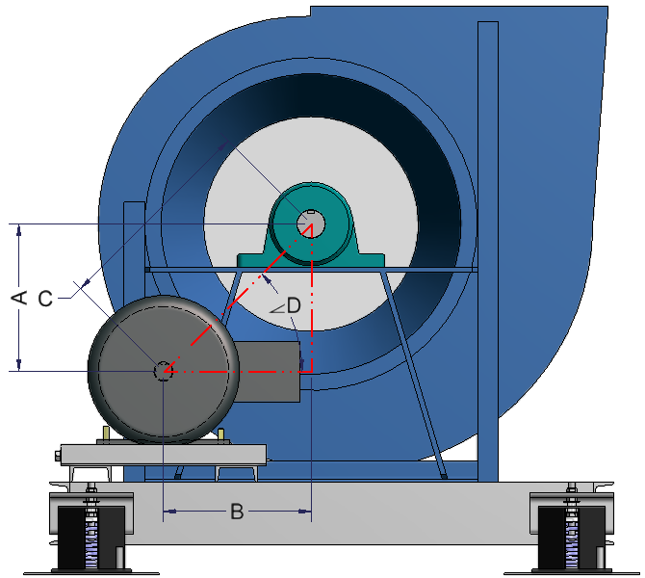
CENTER DISTANCE CALCULATIONS
A_MTR | 12.416
B_MTR_Default | 15.880
B_MTR_Over_Max_Angle | 15.880
C_MTR_MidPoint | 20.158
C_MTR_MIN | 18.888
C_MTR_MAX | 21.427
B_Total_Used_ADJ_Length | 2.000
C_Total_Used_ADJ_Length | 2.539
B_Total_MtrBase_ADJ_Length | 5.250
C_Total_MtrBase_ADJ_Length | 6.664
D_Calculated_Angle | 38.021
D_Max_Angle | 45.000

CENTER DISTANCE OUTPUTS
CENTER_DISTANCE_MIN | 18.888
CENTER_DISTANCE_MAX | 21.427

SHAFT DIAMETERS
MOTOR_SHAFT_DIAMETER | 2.125
FAN_SHAFT_DIAMETER | 2.4375

Channel Loc
CHANNEL LOCATION DIMENSIONS (Z_LOCATION) FROM PRIMARY_Z_PLANE (SEGMENT START)

Channel Name | Z_LOCATION | X_ARRAY_OFFSET | X_ARRAY_QTY | X_ARRAY_SPACING | FLOOR CHANNELS
FLOOR_CHAN_1 | 24.890 | 0.000 | 0.000 | 0.000 |  | FIA SPRING LOC | Z - Location information only used if steel is oriented across the width of the unit.
FLOOR_CHAN_2 | 68.500 | 0.000 | 0.000 | 0.000 |  | LIA SPRING LOC
FLOOR_CHAN_3 | 0.000 | 19.215 | 0.000 | 0.000 |  | RH SPRING LOC | X - Location information only used if steel is oriented in direction of airflow.
FLOOR_CHAN_4 | 0.000 | 106.245 | 0.000 | 0.000 |  | LH SPRING LOC
FLOOR_CHAN_5 | 0.000 | 0.000 | 0.000 | 0.000 |  | NOT USED
FLOOR_CHAN_6 | 0.000 | 0.000 | 0.000 | 0.000 |  | NOT USED
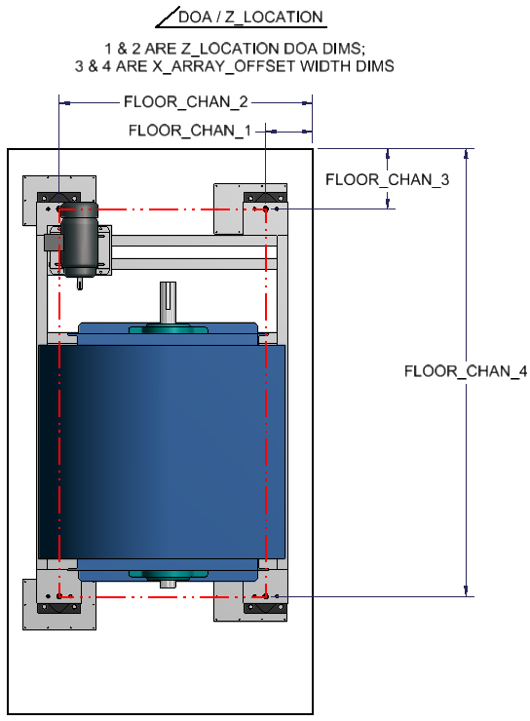
FLOOR_CHAN_7 | 0.000 | 0.000 | 0.000 | 0.000 |  | NOT USED
FLOOR_CHAN_8 | 0.000 | 0.000 | 0.000 | 0.000 |  | NOT USED
FLOOR_CHAN_9 | 0.000 | 0.000 | 0.000 | 0.000 |  | NOT USED
FLOOR_CHAN_10 | 0.000 | 0.000 | 0.000 | 0.000 |  | NOT USED
FLOOR_CHAN_11 | 0.000 | 0.000 | 0.000 | 0.000 |  | NOT USED
FLOOR_CHAN_12 | 0.000 | 0.000 | 0.000 | 0.000 |  | NOT USED
FLOOR_CHAN_13 | 0.000 | 0.000 | 0.000 | 0.000 |  | NOT USED
FLOOR_CHAN_14 | 0.000 | 0.000 | 0.000 | 0.000 |  | NOT USED
FLOOR_CHAN_15 | 0.000 | 0.000 | 0.000 | 0.000 |  | NOT USED
FLOOR_CHAN_16 | 0.000 | 0.000 | 0.000 | 0.000 |  | NOT USED
FLOOR_CHAN_17 | 0.000 | 0.000 | 0.000 | 0.000 |  | NOT USED
FLOOR_CHAN_18 | 0.000 | 0.000 | 0.000 | 0.000 |  | NOT USED
FLOOR_CHAN_19 | 0.000 | 0.000 | 0.000 | 0.000 |  | NOT USED
FLOOR_CHAN_20 | 0.000 | 0.000 | 0.000 | 0.000 |  | NOT USED

Channel Name | Z_LOCATION | X_ARRAY_OFFSET | X_ARRAY_QTY | X_ARRAY_SPACING | ROOF CHANNELS
ROOF_CHAN_1 | 0.000 | 0.000 | 0.000 | 0.000 |  | NOT USED
ROOF_CHAN_2 | 0.000 | 0.000 | 0.000 | 0.000 |  | NOT USED
ROOF_CHAN_3 | 0.000 | 0.000 | 0.000 | 0.000 |  | NOT USED
ROOF_CHAN_4 | 0.000 | 0.000 | 0.000 | 0.000 |  | NOT USED
ROOF_CHAN_5 | 0.000 | 0.000 | 0.000 | 0.000 |  | NOT USED
ROOF_CHAN_6 | 0.000 | 0.000 | 0.000 | 0.000 |  | NOT USED
ROOF_CHAN_7 | 0.000 | 0.000 | 0.000 | 0.000 |  | NOT USED
ROOF_CHAN_8 | 0.000 | 0.000 | 0.000 | 0.000 |  | NOT USED
ROOF_CHAN_9 | 0.000 | 0.000 | 0.000 | 0.000 |  | NOT USED
ROOF_CHAN_10 | 0.000 | 0.000 | 0.000 | 0.000 |  | NOT USED
ROOF_CHAN_11 | 0.000 | 0.000 | 0.000 | 0.000 |  | NOT USED
ROOF_CHAN_12 | 0.000 | 0.000 | 0.000 | 0.000 |  | NOT USED
ROOF_CHAN_13 | 0.000 | 0.000 | 0.000 | 0.000 |  | NOT USED
ROOF_CHAN_14 | 0.000 | 0.000 | 0.000 | 0.000 |  | NOT USED
ROOF_CHAN_15 | 0.000 | 0.000 | 0.000 | 0.000 |  | NOT USED

Channel Name | Z_LOCATION | Y_ARRAY_OFFSET | Y_ARRAY_QTY | Y_ARRAY_SPACING | NORTH WALL CHANNELS
RIGHT_HAND_CHAN_1 | 0.000 | 0.000 | 0.000 | 0.000 |  | NOT USED
RIGHT_HAND_CHAN_2 | 0.000 | 0.000 | 0.000 | 0.000 |  | NOT USED
RIGHT_HAND_CHAN_3 | 0.000 | 0.000 | 0.000 | 0.000 |  | NOT USED
RIGHT_HAND_CHAN_4 | 0.000 | 0.000 | 0.000 | 0.000 |  | NOT USED
RIGHT_HAND_CHAN_5 | 0.000 | 0.000 | 0.000 | 0.000 |  | NOT USED
RIGHT_HAND_CHAN_6 | 0.000 | 0.000 | 0.000 | 0.000 |  | NOT USED
RIGHT_HAND_CHAN_7 | 0.000 | 0.000 | 0.000 | 0.000 |  | NOT USED
RIGHT_HAND_CHAN_8 | 0.000 | 0.000 | 0.000 | 0.000 |  | NOT USED
RIGHT_HAND_CHAN_9 | 0.000 | 0.000 | 0.000 | 0.000 |  | NOT USED
RIGHT_HAND_CHAN_10 | 0.000 | 0.000 | 0.000 | 0.000 |  | NOT USED

Channel Name | Z_LOCATION | Y_ARRAY_OFFSET | Y_ARRAY_QTY | Y_ARRAY_SPACING | SOUTH WALL CHANNELS
LEFT_HAND_CHAN_1 | 0.000 | 0.000 | 0.000 | 0.000 |  | NOT USED
LEFT_HAND_CHAN_2 | 0.000 | 0.000 | 0.000 | 0.000 |  | NOT USED
LEFT_HAND_CHAN_3 | 0.000 | 0.000 | 0.000 | 0.000 |  | NOT USED
LEFT_HAND_CHAN_4 | 0.000 | 0.000 | 0.000 | 0.000 |  | NOT USED
LEFT_HAND_CHAN_5 | 0.000 | 0.000 | 0.000 | 0.000 |  | NOT USED
LEFT_HAND_CHAN_6 | 0.000 | 0.000 | 0.000 | 0.000 |  | NOT USED
LEFT_HAND_CHAN_7 | 0.000 | 0.000 | 0.000 | 0.000 |  | NOT USED
LEFT_HAND_CHAN_8 | 0.000 | 0.000 | 0.000 | 0.000 |  | NOT USED
LEFT_HAND_CHAN_9 | 0.000 | 0.000 | 0.000 | 0.000 |  | NOT USED
LEFT_HAND_CHAN_10 | 0.000 | 0.000 | 0.000 | 0.000 |  | NOT USED

Motor Base
MTRBS_FRAME | MTRBS_AL | MTRBS_AM | MTRBS_AX | MTRBS_BB | MTRBS_BT | MTRBS_E | MTRBS_F | MTRBS_AO | MTRBS_AR | MTRBS_AU | MTRBS_AT | MTRBS_XC | MTRBS_DBOLT_D | MTRBS_DBOLT_L | MTRBS_AYBOLT_D | MTRBS_AYBOLT_L | MTRBS_LB
56 | 10.625 | 6.500 | 1.125 | 4.500 | 3.000 | 2.438 | 1.500 | 3.813 | 2.875 | 0.375 | 0.078 | 0.875 | 0.313 | 1.000 | 0.375 | 4.000 | 3.000
143T | 10.500 | 7.500 | 1.125 | 5.500 | 3.000 | 2.750 | 2.000 | 3.750 | 3.375 | 0.375 | 0.119 | 0.813 | 0.313 | 1.000 | 0.375 | 4.000 | 5.000
145T | 10.500 | 8.500 | 1.125 | 6.500 | 3.000 | 2.750 | 2.500 | 3.750 | 3.875 | 0.375 | 0.119 | 0.813 | 0.313 | 1.000 | 0.375 | 4.000 | 6.000
182T | 12.750 | 9.500 | 1.500 | 6.500 | 3.000 | 3.750 | 2.250 | 4.500 | 4.250 | 0.500 | 0.134 | 1.500 | 0.375 | 1.750 | 0.500 | 6.000 | 9.000
184T | 12.750 | 10.500 | 1.500 | 7.500 | 3.000 | 3.750 | 2.750 | 4.500 | 4.750 | 0.500 | 0.134 | 1.500 | 0.375 | 1.750 | 0.500 | 6.000 | 9.500
213T | 15.000 | 11.000 | 1.750 | 7.500 | 3.500 | 4.250 | 2.750 | 5.250 | 4.750 | 0.500 | 0.164 | 1.500 | 0.375 | 1.750 | 0.500 | 6.000 | 13.500
215T | 15.000 | 12.500 | 1.750 | 9.000 | 3.500 | 4.250 | 3.500 | 5.250 | 5.500 | 0.500 | 0.164 | 1.500 | 0.375 | 1.750 | 0.500 | 6.000 | 15.500
254T | 17.750 | 15.125 | 2.000 | 10.750 | 4.000 | 5.000 | 4.125 | 6.250 | 6.625 | 0.625 | 0.188 | 1.375 | 0.500 | 1.750 | 0.625 | 9.000 | 17.000
256T | 17.750 | 16.875 | 2.000 | 12.500 | 4.000 | 5.000 | 5.000 | 6.250 | 7.500 | 0.625 | 0.188 | 1.375 | 0.500 | 1.750 | 0.625 | 9.000 | 18.000
284T | 19.750 | 16.875 | 2.000 | 12.500 | 4.500 | 5.500 | 4.750 | 7.000 | 7.500 | 0.625 | 0.188 | 1.625 | 0.500 | 2.000 | 0.625 | 9.000 | 21.000
286T | 19.750 | 18.375 | 2.000 | 14.000 | 4.500 | 5.500 | 5.500 | 7.000 | 8.250 | 0.625 | 0.188 | 1.625 | 0.500 | 2.000 | 0.625 | 9.000 | 22.000
324T | 22.750 | 19.250 | 2.500 | 14.000 | 5.250 | 6.250 | 5.250 | 8.000 | 8.500 | 0.750 | 0.188 | 2.125 | 0.625 | 2.500 | 0.750 | 9.000 | 30.000
326T | 22.750 | 20.750 | 2.500 | 15.500 | 5.250 | 6.250 | 6.000 | 8.000 | 9.250 | 0.750 | 0.188 | 2.125 | 0.625 | 2.500 | 0.750 | 9.000 | 31.000
364T | 25.500 | 20.500 | 2.500 | 15.500 | 6.000 | 7.000 | 5.625 | 9.000 | 9.125 | 0.750 | 0.250 | 2.000 | 0.625 | 2.500 | 0.750 | 11.000 | 45.000
365T | 25.500 | 21.500 | 2.500 | 16.500 | 6.000 | 7.000 | 6.125 | 9.000 | 9.625 | 0.750 | 0.250 | 2.000 | 0.625 | 2.500 | 0.750 | 11.000 | 46.000
404T | 28.750 | 22.375 | 3.000 | 16.500 | 7.000 | 8.000 | 6.125 | 10.000 | 9.875 | 0.875 | 0.250 | 2.563 | 0.750 | 3.000 | 0.750 | 14.000 | 55.000
405T | 28.750 | 23.875 | 3.000 | 18.000 | 7.000 | 8.000 | 6.875 | 10.000 | 10.625 | 0.875 | 0.250 | 2.563 | 0.750 | 3.000 | 0.750 | 14.000 | 56.000
444T | 31.250 | 24.625 | 3.000 | 19.250 | 7.500 | 9.000 | 7.250 | 11.000 | 11.000 | 0.875 | 0.313 | 2.500 | 0.750 | 3.000 | 0.750 | 14.000 | 74.000
445T | 31.250 | 26.625 | 3.000 | 21.250 | 7.500 | 9.000 | 8.250 | 11.000 | 12.000 | 0.875 | 0.313 | 2.500 | 0.750 | 3.000 | 0.750 | 14.000 | 75.000
447T | 31.250 | 30.125 | 3.000 | 24.750 | 7.500 | 9.000 | 10.000 | 11.000 | 13.750 | 0.875 | 0.313 | 2.500 | 0.750 | 3.000 | 0.750 | 14.000 | 89.000
449T | 31.250 | 35.125 | 3.000 | 29.750 | 7.500 | 9.000 | 12.500 | 11.000 | 16.250 | 0.875 | 0.313 | 2.500 | 0.750 | 3.000 | 0.750 | 14.000 | 95.000

 |  |  |  |  | 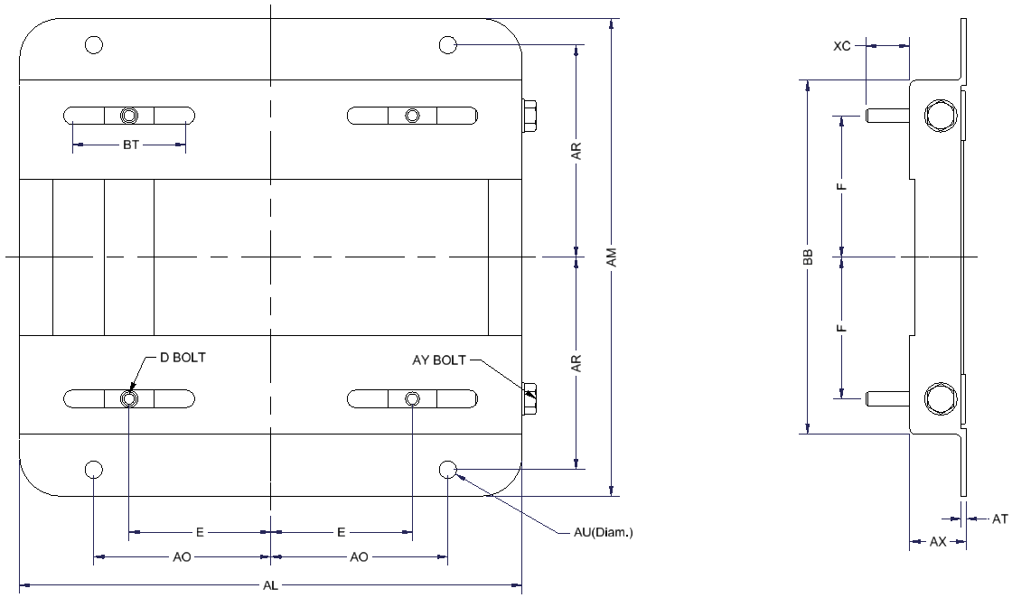

Hardware
Hardware Nominal Hole Dia | Hardware Description | Bolt Outside Diameter | Hex Nut Heavy Height/Thickness | Hex Nut Heavy Outside Diameter | Hex Nut Heavy Height/Thickness | Flat Washer (ANSI A Narrow) Outside Diameter | Helical Spring Lock Washer (ANSI Regular) Outside Diameter
HDWR_NHD |  | HDWR_BOD | HDWR_BH | HDWR_NOD | HDWR_NH | HDWR_FWOD | HDWR_LWOD
0.375 | 5/16-18 UNC | 0.578 | 0.235 | 0.651 | 0.297 | 0.688 | 0.586
0.500 | 3/8-16 UNC | 0.649 | 0.268 | 0.795 | 0.359 | 0.812 | 0.683
0.625 | 1/2-13 UNC | 0.866 | 0.364 | 1.010 | 0.484 | 1.062 | 0.873
0.750 | 5/8-11 UNC | 1.083 | 0.444 | 1.230 | 0.609 | 1.312 | 1.079
0.875 | 3/4-10 UNC | 1.299 | 0.524 | 1.440 | 0.734 | 1.469 | 1.271
 |  | 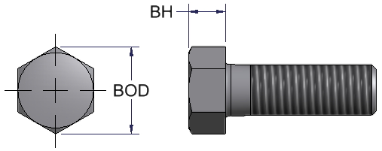 |  | 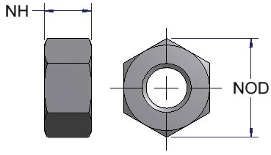 |  | 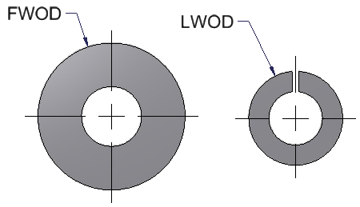

Motor
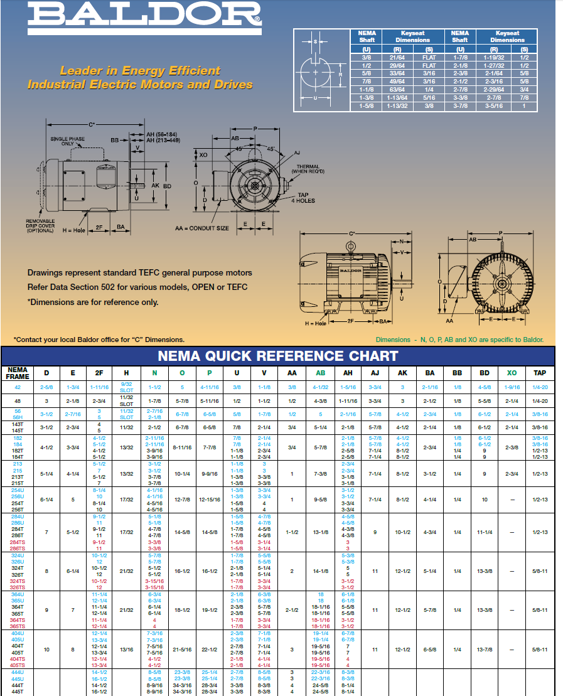
MTR_FRAME | MTR_C | MTR_D | MTR_E | MTR_2F | MTR_H | MTR_P | MTR_KWL | MTR_R | MTR_S | MTR_U | MTR_V | MTR_AB | MTR_BA | MTR_BL | MTR_BW | MTR_D1 | MTR_D2 | MTR_HP
56 | 15.480 | 3.500 | 2.440 | 3.000 | 0.344 | 6.625 | 1.375 | 0.516 | 0.188 | 0.625 | 1.875 | 5.720 | 2.750 | 4.500 | 6.500 | 0.750 | 0.190 | 1
143T | 15.560 | 3.500 | 2.750 | 4.000 | 0.344 | 6.625 | 1.375 | 0.766 | 0.188 | 0.875 | 2.250 | 6.380 | 2.250 | 5.940 | 6.500 | 0.500 | 0.190 | 1.5
145T | 15.560 | 3.500 | 2.750 | 5.000 | 0.344 | 6.625 | 1.375 | 0.766 | 0.188 | 0.875 | 2.250 | 6.380 | 2.250 | 5.940 | 6.500 | 0.500 | 0.190 | 2
182T | 18.050 | 4.500 | 3.750 | 4.500 | 0.410 | 7.875 | 1.750 | 0.984 | 0.250 | 1.125 | 2.750 | 7.180 | 2.750 | 6.500 | 8.630 | 0.500 | 0.560 | 3
184T | 18.050 | 4.500 | 3.750 | 5.500 | 0.410 | 7.875 | 1.750 | 0.984 | 0.250 | 1.125 | 2.750 | 7.180 | 2.750 | 6.500 | 8.630 | 0.500 | 0.560 | 5
213T | 20.510 | 5.250 | 4.250 | 5.500 | 0.410 | 9.563 | 2.375 | 1.203 | 0.313 | 1.375 | 3.375 | 9.210 | 3.500 | 8.000 | 9.500 | 0.500 | 0.465 | 7.5
215T | 20.510 | 5.250 | 4.250 | 7.000 | 0.410 | 9.563 | 2.375 | 1.203 | 0.313 | 1.375 | 3.375 | 9.210 | 3.500 | 8.000 | 9.500 | 0.500 | 0.465 | 10
254T | 23.280 | 6.250 | 5.000 | 8.250 | 0.531 | 12.938 | 2.875 | 1.406 | 0.375 | 1.625 | 4.000 | 10.040 | 4.250 | 11.500 | 11.500 | 0.750 | 0.380 | 15
256T | 23.280 | 6.250 | 5.000 | 10.000 | 0.531 | 12.938 | 2.875 | 1.406 | 0.375 | 1.625 | 4.000 | 10.040 | 4.250 | 11.500 | 11.500 | 0.750 | 0.380 | 20
284T | 27.760 | 7.000 | 5.500 | 9.500 | 0.531 | 14.625 | 3.250 | 1.594 | 0.500 | 1.875 | 4.625 | 13.110 | 4.750 | 12.840 | 12.750 | 0.920 | 0.390 | 25
286T | 27.760 | 7.000 | 5.500 | 11.000 | 0.531 | 14.625 | 3.250 | 1.594 | 0.500 | 1.875 | 4.625 | 13.110 | 4.750 | 12.840 | 12.750 | 0.920 | 0.390 | 30
324T | 30.280 | 8.000 | 6.250 | 10.500 | 0.656 | 16.500 | 3.875 | 1.844 | 0.500 | 2.125 | 5.250 | 14.610 | 5.250 | 14.000 | 14.500 | 1.000 | 0.440 | 40
326T | 30.280 | 8.000 | 6.250 | 12.000 | 0.656 | 16.500 | 3.875 | 1.844 | 0.500 | 2.125 | 5.250 | 14.610 | 5.250 | 14.000 | 14.500 | 1.000 | 0.440 | 50
364T | 33.480 | 9.000 | 7.000 | 11.250 | 0.656 | 19.500 | 4.250 | 2.016 | 0.625 | 2.375 | 5.875 | 18.100 | 5.875 | 15.000 | 17.000 | 1.375 | 0.000 | 60
365T | 33.480 | 9.000 | 7.000 | 12.250 | 0.656 | 19.500 | 4.250 | 2.016 | 0.625 | 2.375 | 5.875 | 18.100 | 5.875 | 15.000 | 17.000 | 1.375 | 0.000 | 75
404T | 38.200 | 10.000 | 8.000 | 12.250 | 0.813 | 22.500 | 5.625 | 2.453 | 0.750 | 2.875 | 7.250 | 19.350 | 6.625 | 16.000 | 19.000 | 1.125 | 0.000 | 100
405T | 38.200 | 10.000 | 8.000 | 13.750 | 0.813 | 22.500 | 5.625 | 2.453 | 0.750 | 2.875 | 7.250 | 19.350 | 6.625 | 16.000 | 19.000 | 1.125 | 0.000 | 125
444T | 44.750 | 11.000 | 9.000 | 14.500 | 0.813 | 28.750 | 6.875 | 2.875 | 0.875 | 3.375 | 8.375 | 22.680 | 7.500 | 23.375 | 22.000 | 3.438 | 0.000 | 200
445T | 44.750 | 11.000 | 9.000 | 16.500 | 0.813 | 28.750 | 6.875 | 2.875 | 0.875 | 3.375 | 8.375 | 22.680 | 7.500 | 23.375 | 22.000 | 3.438 | 0.000 | 250

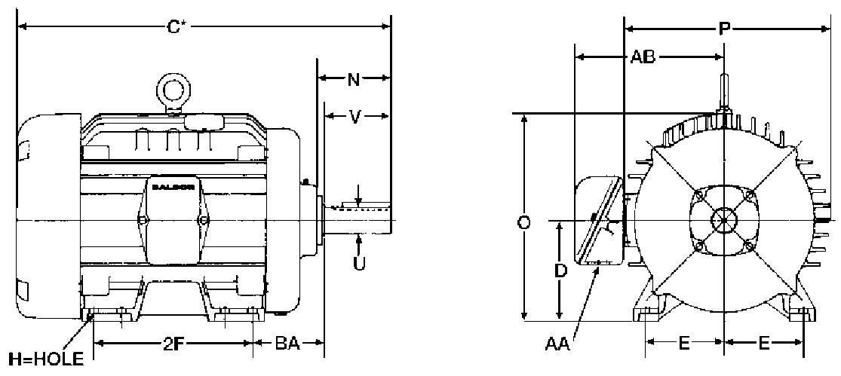
KWL
Keyway length
TEFC
BL
BW
D1
D2
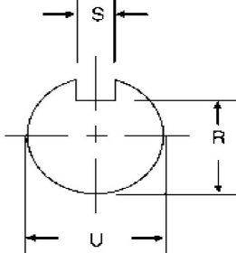

The "C" dimension on a TEFC motor is larger, than the "C" dimension on an ODP motor.
Table dimensions are based on TEFC as a worst case scenario

Isolator Plate
 |  | Plate Designation | Plate | Plate Part Numer | All Thread Part Number | Plate Asy Part Number (Plate & 3/4-10x3 All-Thread Stubs) | Plate Width | Plate Length | Plate Thickness | Plate Hole Dia | Spring Hole Dia | Offset Suppresion | Standard Suppresion | Spring CL Width Loc | Spring Width Loc 1 | Spring Width Loc 2 | Spring CL Length Loc | Spring Length Loc 1 | Spring Length Loc 2
 |  | PLT_D |  |  |  | PLT_PN | PLT_W | PLT_L | PLT_T | PLT_PH | PLT_SH | PLT_OS | PLT_SS | PLT_SWI | PLT_SW1 | PLT_SW2 | PLT_SLI | PLT_SL1 | PLT_SL2
BASELINE | STL GALV | 1 | AMSR-1C STANDARD | 391 25726 100 | 021-19602-000 | 391 20112 105 | 9.000 | 13.000 | 0.15601 | 0.250 | 0.500 | NO | YES | 3.000 | 2.250 | 3.750 | 6.500 | 4.250 | 8.750
BASELINE | STL GALV | 2 | AMSR-1C OFFSET | 391 25728 100 | 021-19602-000 | 391 20112 106 | 9.000 | 13.000 | 0.15601 | 0.250 | 0.500 | YES | NO | 4.500 | 3.750 | 5.250 | 3.813 | 1.563 | 6.063
BASELINE | STL GALV | 3 | AMSR-2D STANDARD | 391 25726 000 | 021-19601-000 | 391 20112 101 | 9.000 | 13.000 | 0.15601 | 0.250 | 0.750 | NO | YES | 3.000 | 1.125 | 4.875 | 6.500 | 3.813 | 9.188
BASELINE | STL GALV | 4 | AMSR-2D OFFSET | 391 25728 000 | 021-19601-000 | 391 20112 103 | 9.000 | 13.000 | 0.15601 | 0.250 | 0.750 | YES | NO | 4.500 | 2.625 | 6.375 | 3.813 | 1.125 | 6.500
BASELINE | STL GALV | 5 | AMSR-2E STANDARD | 391 25727 000 | 021-19601-000 | 391 20112 102 | 9.000 | 13.000 | 0.15601 | 0.250 | 0.750 | NO | YES | 3.000 | 1.125 | 4.875 | 6.500 | 3.125 | 9.875
BASELINE | STL GALV | 6 | AMSR-2E OFFSET | 391 25729 000 | 021-19601-000 | 391 20112 104 | 9.000 | 13.000 | 0.15601 | 0.250 | 0.750 | YES | NO | 4.500 | 2.625 | 6.375 | 4.500 | 1.125 | 7.875
BASELINE | STL GALV | 7 | AMSR-1C OFFSET SM | 391-25728-101 | 021-19602-000 | 391 20112 107 | 9.000 | 8.920 | 0.15601 | 0.250 | 0.500 | YES | NO | 4.500 | 3.750 | 5.250 | 3.813 | 1.563 | 6.063
Plate Assy Part Numbers can be found in Mapics and are connected to BOM_Map_30103_318 and BOM_Map_30103_143
BASELINE | STL GALV | 8 | AMSR-2D OFFSET SM | 391-25728-102 | 021-19601-000 | 391 20112 108 | 9.000 | 8.920 | 0.15601 | 0.250 | 0.750 | YES | NO | 4.500 | 2.625 | 6.375 | 3.813 | 1.125 | 6.500
BASELINE | SST304 | 1 | AMSR-1C STANDARD | 091-01110-001 | 021-37034-001 | 391-01106-001 | 9.000 | 13.000 | 0.16501 | 0.250 | 0.500 | NO | YES | 3.000 | 2.250 | 3.750 | 6.500 | 4.250 | 8.750
BASELINE | SST304 | 2 | AMSR-1C OFFSET | 091-01110-002 | 021-37034-001 | 391-01106-002 | 9.000 | 13.000 | 0.16501 | 0.250 | 0.500 | YES | NO | 4.500 | 3.750 | 5.250 | 3.813 | 1.563 | 6.063
BASELINE | SST304 | 3 | AMSR-2D STANDARD | 091-01110-003 | 021-37035-001 | 391-01106-003 | 9.000 | 13.000 | 0.16501 | 0.250 | 0.750 | NO | YES | 3.000 | 1.125 | 4.875 | 6.500 | 3.813 | 9.188
BASELINE | SST304 | 4 | AMSR-2D OFFSET | 091-01110-004 | 021-37034-001 | 391-01106-004 | 9.000 | 13.000 | 0.16501 | 0.250 | 0.500 | NO | YES | 3.000 | 1.125 | 4.875 | 6.500 | 3.125 | 9.875
BASELINE | SST304 | 5 | AMSR-2E STANDARD | 091-01110-005 | 021-37034-001 | 391-01106-005 | 9.000 | 13.000 | 0.16501 | 0.250 | 0.500 | YES | NO | 4.500 | 2.625 | 6.375 | 3.813 | 1.125 | 6.500
BASELINE | SST304 | 6 | AMSR-2E OFFSET | 091-01110-006 | 021-37035-001 | 391-01106-006 | 9.000 | 13.000 | 0.16501 | 0.250 | 0.750 | YES | NO | 4.500 | 2.625 | 6.375 | 4.500 | 1.125 | 7.875
BASELINE | SST304 | 7 | AMSR-1C OFFSET SM | 091-01110-007 | 021-37034-001 | 391-01106-007 | 9.000 | 8.920 | 0.16501 | 0.250 | 0.500 | YES | NO | 4.500 | 3.750 | 5.250 | 3.813 | 1.563 | 6.063
BASELINE | SST304 | 8 | AMSR-2D OFFSET SM | 091-01110-008 | 021-37035-001 | 391-01106-008 | 9.000 | 8.920 | 0.16501 | 0.250 | 0.750 | YES | NO | 4.500 | 2.625 | 6.375 | 3.813 | 1.125 | 6.500
SEISMIC | STL GALV | 1 | AMSR-1C STANDARD | 091-01095-001 | 021-19602-000 | 391-01094-001 | 9.000 | 13.000 | 0.25001 | 0.437 | 0.500 | NO | YES | 3.000 | 2.250 | 3.750 | 6.500 | 4.250 | 8.750
SEISMIC | STL GALV | 2 | AMSR-1C OFFSET | 091-01095-002 | 021-19602-000 | 391-01094-002 | 9.000 | 13.000 | 0.25001 | 0.437 | 0.500 | YES | NO | 4.500 | 3.750 | 5.250 | 3.813 | 1.563 | 6.063
SEISMIC | STL GALV | 3 | AMSR-2D STANDARD | 091-01095-003 | 021-19601-000 | 391-01094-003 | 9.000 | 13.000 | 0.25001 | 0.437 | 0.750 | NO | YES | 3.000 | 1.125 | 4.875 | 6.500 | 3.813 | 9.188
SEISMIC | STL GALV | 4 | AMSR-2D OFFSET | 091-01095-004 | 021-19601-000 | 391-01094-004 | 9.000 | 13.000 | 0.25001 | 0.437 | 0.750 | YES | NO | 4.500 | 2.625 | 6.375 | 3.813 | 1.125 | 6.500
SEISMIC | STL GALV | 5 | AMSR-2E STANDARD | 091-01095-005 | 021-19601-000 | 391-01094-005 | 9.000 | 13.000 | 0.25001 | 0.437 | 0.750 | NO | YES | 3.000 | 1.125 | 4.875 | 6.500 | 3.125 | 9.875
SEISMIC | STL GALV | 6 | AMSR-2E OFFSET | 091-01095-006 | 021-19601-000 | 391-01094-006 | 9.000 | 13.000 | 0.25001 | 0.437 | 0.750 | YES | NO | 4.500 | 2.625 | 6.375 | 4.500 | 1.125 | 7.875
SEISMIC | STL GALV | 7 | AMSR-1C OFFSET SM | 091-01095-007 | 021-19602-000 | 391-01094-007 | 9.000 | 8.920 | 0.25001 | 0.437 | 0.500 | YES | NO | 4.500 | 3.750 | 5.250 | 3.813 | 1.563 | 6.063
SEISMIC | STL GALV | 8 | AMSR-2D OFFSET SM | 091-01095-008 | 021-19601-000 | 391-01094-008 | 9.000 | 8.920 | 0.25001 | 0.437 | 0.750 | YES | NO | 4.500 | 2.625 | 6.375 | 3.813 | 1.125 | 6.500
SEISMIC | SST304 | 1 | AMSR-1C STANDARD | 091-01095-009 | 021-37034-001 | 391-01094-009 | 9.000 | 13.000 | 0.25002 | 0.437 | 0.500 | NO | YES | 3.000 | 2.250 | 3.750 | 6.500 | 4.250 | 8.750
SEISMIC | SST304 | 2 | AMSR-1C OFFSET | 091-01095-010 | 021-37034-001 | 391-01094-010 | 9.000 | 13.000 | 0.25002 | 0.437 | 0.500 | YES | NO | 4.500 | 3.750 | 5.250 | 3.813 | 1.563 | 6.063
SEISMIC | SST304 | 3 | AMSR-2D STANDARD | 091-01095-011 | 021-37035-001 | 391-01094-011 | 9.000 | 13.000 | 0.25002 | 0.437 | 0.750 | NO | YES | 3.000 | 1.125 | 4.875 | 6.500 | 3.813 | 9.188
SEISMIC | SST304 | 4 | AMSR-2D OFFSET | 091-01095-012 | 021-37035-001 | 391-01094-012 | 9.000 | 13.000 | 0.25002 | 0.437 | 0.750 | YES | NO | 4.500 | 2.625 | 6.375 | 3.813 | 1.125 | 6.500
SEISMIC | SST304 | 5 | AMSR-2E STANDARD | 091-01095-013 | 021-37035-001 | 391-01094-013 | 9.000 | 13.000 | 0.25002 | 0.437 | 0.750 | NO | YES | 3.000 | 1.125 | 4.875 | 6.500 | 3.125 | 9.875
SEISMIC | SST304 | 6 | AMSR-2E OFFSET | 091-01095-014 | 021-37035-001 | 391-01094-014 | 9.000 | 13.000 | 0.25002 | 0.437 | 0.750 | YES | NO | 4.500 | 2.625 | 6.375 | 4.500 | 1.125 | 7.875
SEISMIC | SST304 | 7 | AMSR-1C OFFSET SM | 091-01095-015 | 021-37034-001 | 391-01094-015 | 9.000 | 8.920 | 0.25002 | 0.437 | 0.500 | YES | NO | 4.500 | 3.750 | 5.250 | 3.813 | 1.563 | 6.063
SEISMIC | SST304 | 8 | AMSR-2D OFFSET SM | 091-01095-016 | 021-37035-001 | 391-01094-016 | 9.000 | 8.920 | 0.25002 | 0.437 | 0.750 | YES | NO | 4.500 | 2.625 | 6.375 | 3.813 | 1.125 | 6.500

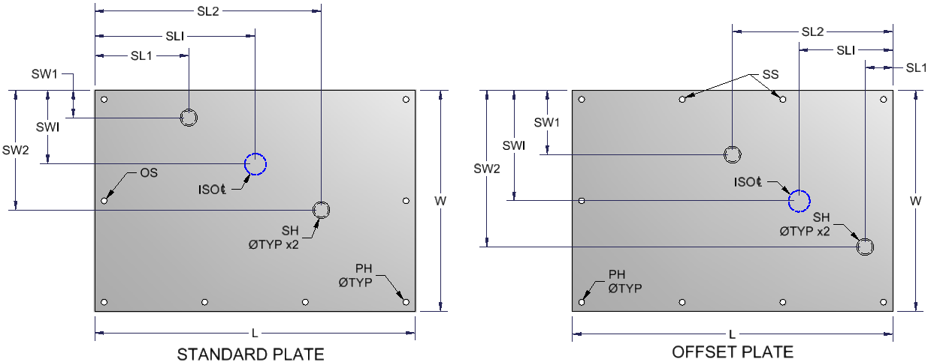

Any changes to isolator plate, all-thread or plate assembly part numbers must also include updates to Isolator Part Select document in TKO Edit Manual document: Fans-025

Isolators
 |  |  |  |  |  |  |  |  |  |  |  |  |  |  |  |  |  |  |  |  |  | 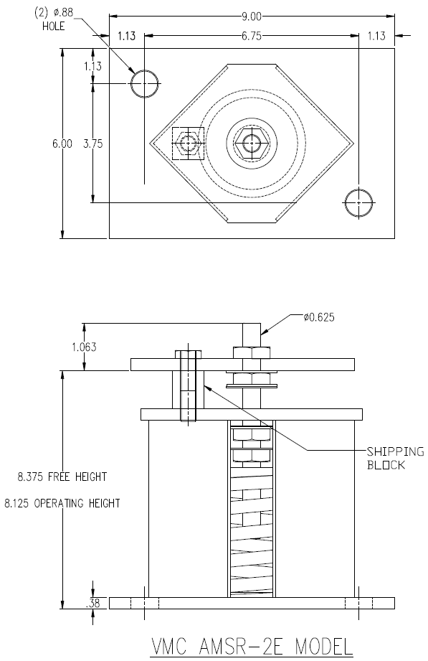 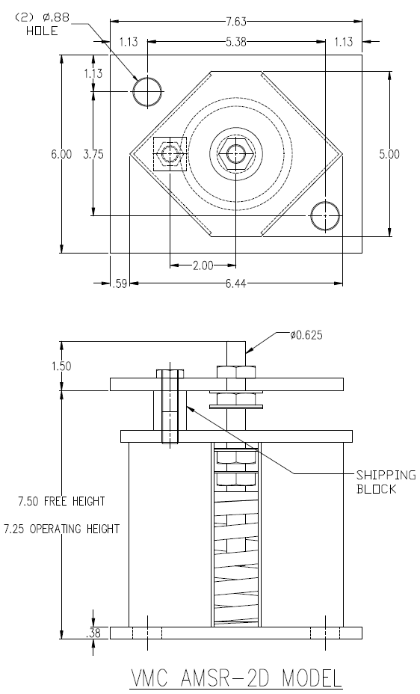 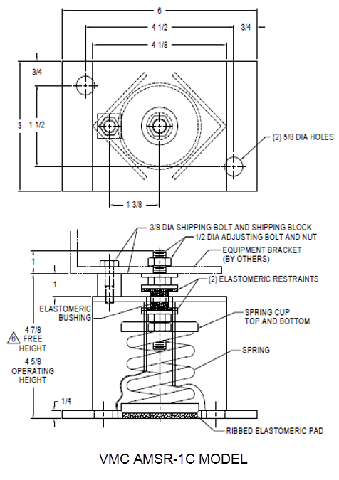
Isolator Designation | VMC SPRING DESIGNATION | VMC FINAL SPRING SIZE | NOMINAL DEFLECTION, INCHES | JCI MINIMUM LOAD RANGE | JCI MAXIMUM LOAD RANGE | JCI SPRING P/N | OUTER SPRING COLOR | INNER SPRING COLOR | SPRING RATE, LB/IN | OPERATING HEIGHT, INCHES | Bolt Above Operating Height | Base Width | Base Length | Base Thickness | Base Hole Diameter | Base Hole Loc Width | Base Hole Loc Length | Housing Length | Tie Down Bolt Loc | Tie Down Bolt Diameter | Adjustment Bolt Diameter
ISO_D |  |  |  |  |  | ISO_PN |  |  |  | ISO_OPHGT | ISO_BLT | ISO_BW | ISO_BL | ISO_BT | ISO_BHD | ISO_BHW | ISO_BHL | ISO_HL | ISO_TDBL | ISO_TDBD | ISO_ADJBD
1 | AMSR | 1c-50-Sb | 1 | 1 | 50 | 029 23800 115 | BLUE | NONE | 50 | 4.625 | 1.000 | 3.000 | 6.000 | 0.250 | 0.625 | 0.750 | 0.750 | 4.125 | 1.375 | 0.375 | 0.500
2 | AMSR | 1c-100-Sb | 1 | 51 | 100 | 029 23800 116 | TAN | NONE | 100 | 4.625 | 1.000 | 3.000 | 6.000 | 0.250 | 0.625 | 0.750 | 0.750 | 4.125 | 1.375 | 0.375 | 0.500
3 | AMSR | 1c-150-Sb | 1 | 101 | 150 | 029 23800 117 | RED | NONE | 150 | 4.625 | 1.000 | 3.000 | 6.000 | 0.250 | 0.625 | 0.750 | 0.750 | 4.125 | 1.375 | 0.375 | 0.500
4 | AMSR | 1c-250-Sb | 1 | 151 | 250 | 029 23800 118 | BLACK | NONE | 300 | 4.625 | 1.000 | 3.000 | 6.000 | 0.250 | 0.625 | 0.750 | 0.750 | 4.125 | 1.375 | 0.375 | 0.500
5 | AMSR | 1c-300-Sb | 1 | 251 | 300 | 029 23800 119 | DK YELLOW | NONE | 400 | 4.625 | 1.000 | 3.000 | 6.000 | 0.250 | 0.625 | 0.750 | 0.750 | 4.125 | 1.375 | 0.375 | 0.500
6 | AMSR | 1c-370-Sb | 1 | 301 | 370 | 029 23800 120 | YELLOW | NONE | 493 | 4.625 | 1.000 | 3.000 | 6.000 | 0.250 | 0.625 | 0.750 | 0.750 | 4.125 | 1.375 | 0.375 | 0.500
7 | AMSR | 1c-520n-Sb | 1 | 371 | 520 | 029 23800 121 | YELLOW | GREEN | 693 | 4.625 | 1.000 | 3.000 | 6.000 | 0.250 | 0.625 | 0.750 | 0.750 | 4.125 | 1.375 | 0.375 | 0.500
8 | AMSR | 2d-160-Sb | 2 | 0 | 160 | 029 23800 101 | YELLOW | NONE | 70 | 7.250 | 1.500 | 6.000 | 7.625 | 0.375 | 0.875 | 1.125 | 1.125 | 6.440 | 2.000 | 0.500 | 0.625
9 | AMSR | 2d-230-Sb | 2 | 161 | 230 | 029 23800 102 | GREEN | NONE | 100 | 7.250 | 1.500 | 6.000 | 7.625 | 0.375 | 0.875 | 1.125 | 1.125 | 6.440 | 2.000 | 0.500 | 0.625
10 | AMSR | 2d-355-Sb | 2 | 231 | 355 | 029 23800 110 | DK BROWN | NONE | 165 | 7.250 | 1.500 | 6.000 | 7.625 | 0.375 | 0.875 | 1.125 | 1.125 | 6.440 | 2.000 | 0.500 | 0.625
11 | AMSR | 2d-435-Sb | 2 | 356 | 435 | 029 23800 111 | RED | NONE | 230 | 7.250 | 1.500 | 6.000 | 7.625 | 0.375 | 0.875 | 1.125 | 1.125 | 6.440 | 2.000 | 0.500 | 0.625
12 | AMSR | 2d-600n-Sb | 2 | 436 | 600 | 029 23800 103 | RED | BLACK | 319 | 7.250 | 1.500 | 6.000 | 7.625 | 0.375 | 0.875 | 1.125 | 1.125 | 6.440 | 2.000 | 0.500 | 0.625
13 | AMSR | 2d-725-Sb | 2 | 601 | 725 | 029 23800 112 | TAN | NONE | 450 | 7.250 | 1.500 | 6.000 | 7.625 | 0.375 | 0.875 | 1.125 | 1.125 | 6.440 | 2.000 | 0.500 | 0.625
14 | AMSR | 2d-845-Sb | 2 | 726 | 845 | 029 23800 104 | PINK | NONE | 570 | 7.250 | 1.500 | 6.000 | 7.625 | 0.375 | 0.875 | 1.125 | 1.125 | 6.440 | 2.000 | 0.500 | 0.625
15 | AMSR | 2d-1000n-Sb | 2 | 846 | 1000 | 029 23800 105 | PINK | BLACK | 650 | 7.250 | 1.500 | 6.000 | 7.625 | 0.375 | 0.875 | 1.125 | 1.125 | 6.440 | 2.000 | 0.500 | 0.625
16 | AMSR | 2d-1320n-Sb | 2 | 1001 | 1320 | 029 23800 106 | PINK | GRAY | 927 | 7.250 | 1.500 | 6.000 | 7.625 | 0.375 | 0.875 | 1.125 | 1.125 | 6.440 | 2.000 | 0.500 | 0.625
17 | AMSR | 2d-1435n-Sb | 2 | 1321 | 1435 | 029 23800 107 | PINK | GRAY/ORANGE | 1002 | 7.250 | 1.500 | 6.000 | 7.625 | 0.375 | 0.875 | 1.125 | 1.125 | 6.440 | 2.000 | 0.500 | 0.625
18 | AMSR | 2d-1640n-Sb | 2 | 1436 | 1640 | 029 23800 108 | PINK | GRAY/DK BROWN | 1067 | 7.250 | 1.500 | 6.000 | 7.625 | 0.375 | 0.875 | 1.125 | 1.125 | 6.440 | 2.000 | 0.500 | 0.625
19 | AMSR | 2e-2050-Sb | 2 | 1641 | 2050 | 029 23800 109 | DK BLUE | NONE | 1250 | 8.125 | 1.063 | 6.000 | 9.000 | 0.375 | 0.875 | 1.125 | 1.125 | 6.440 | 2.000 | 0.500 | 0.625

This specific ID number is used in isolator Plate Designation calcs in Excel Calcs tab. If this number changes values in cells H11, H18, H23 & H30 must also change accordingly
 |  |  |  |  |  | 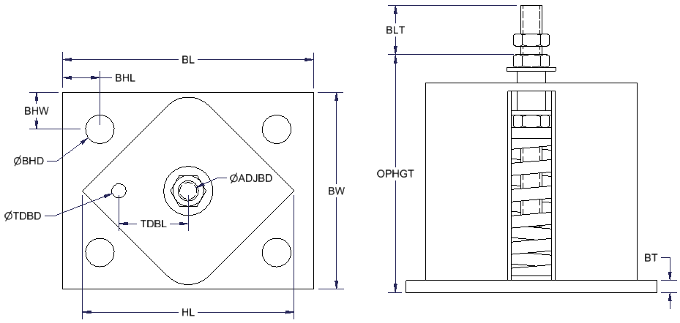

Iso Sup Angle
Isolator Designation | SPRING DESIGNATION | MAXIMUM LOAD | ISO SUPPORT ANGLE P/N | OPERATING HEIGHT | Angle Height | Angle Depth | Angle Length | Angle Thickness | Flange Thickness/ Radius | Hole Spacing | Hole Location | Hole Diameter 1 | Hole Diameter 2 | Weight
SUPANG_DESG |  |  | SUPANG_PN |  | SUPANG_H | SUPANG_D | SUPANG_L | SUPANG_WT | SUPANG_FTR | SUPANG_HS | SUPANG_HL | SUPANG_HD1 | SUPANG_HD2 | SUPANG_LB
1 | AMSR-1C T1 | 1300 | 091 20019 014 | 4.625 | 4.000 | 6.000 | 8.000 | 0.500 | 0.500 | 1.375 | 1.250 | 0.500 | 0.750 | 10.800
2 | AMSR-2D T1 | 1300 | 091 20019 010 | 7.250 | 4.000 | 6.000 | 8.000 | 0.500 | 0.500 | 2.000 | 1.250 | 0.625 | 0.875 | 10.800
3 | AMSR-2D T2 | 2500 | 091 20019 011 | 7.250 | 4.000 | 6.000 | 8.000 | 0.500 | 0.500 | 2.000 | 1.250 | 0.625 | 0.875 | 12.200
4 | AMSR-2E T1 | 1300 | 091 20019 012 | 8.125 | 4.000 | 6.000 | 8.000 | 0.500 | 0.500 | 2.500 | 1.250 | 0.625 | 0.875 | 10.800
5 | AMSR-2E T2 | 2500 | 091 20019 013 | 8.125 | 4.000 | 6.000 | 8.000 | 0.500 | 0.500 | 2.500 | 1.250 | 0.625 | 0.875 | 12.200

These specific values used in calcs in support angle offset calculations in Excel Calcs tab. If modified values in cells K103-K106 must be checked to verify desired output is maintained

 |  |  |  | 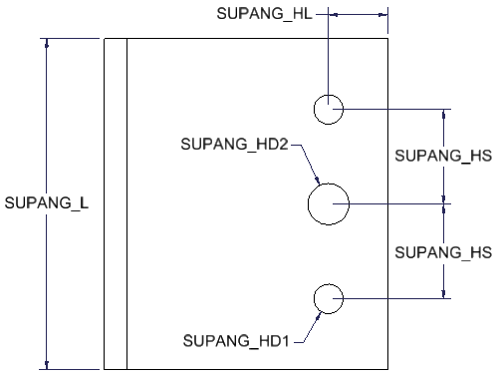 |  |  |  |  |  | 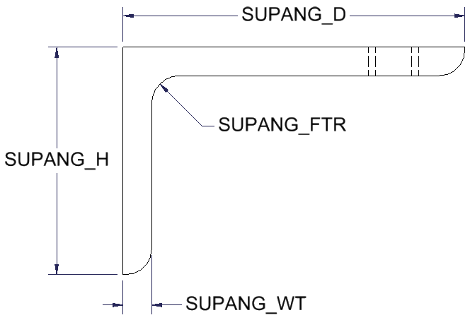

Hole Sizes
Standard hole sizes used in the project. Any special hole size needs to be listed below the special hole size heading. Hole sizes used in models should be referenced back to the hole size chart on this tab. Any changes to hole sizes must be done on the holes sizes tab.
Standard Hole Sizes
Clearance |  |  | Engagement
1/8 Rivet | 0.152 |  | 1/8 Rivet | 0.140
3/16 Rivet | 0.218 |  | 3/16 Rivet | 0.208
#6 Hardware | 0.188 |  | 28-20 ga. (<.04 thickness)
#8 Hardware | 0.218 |  | #6 Hardware | 0.109
#10 Hardware | 0.218 |  | #8 Hardware | 0.109
1/4 Hardware | 0.312 |  | #10 Hardware | 0.109
5/16 Hardware | 0.375 |  | 1/4 Hardware - galv material | 0.109
3/8 Hardware | 0.437 |  | 1/4 Hardware - sst | 0.188 | Engagement holes per part
1/2 Hardware | 0.562 |  | 5/16 Hardware | 0.109 | InertiaPlateEngHole | 0.152
 |  |  | 3/8 Hardware | 0.109
 |  |  | 18-14 ga. (>=.04 and <=.09 thickness)
 |  |  | #6 Hardware | 0.109
 |  |  | #8 Hardware AB, B | 0.136
 |  |  | #8 Hardware D,F,G &T | 0.140
 |  |  | #10 Hardware | 0.152
 |  |  | 1/4 Hardware AB, B | 0.188
 |  |  | 1/4 Hardware D,F,G&T | 0.203
 |  |  | 5/16 Hardware | 0.218
 |  |  | 3/8 Hardware AB,B | 0.281
 |  |  | 3/8 Hardware D,F,G&T | 0.312
 |  |  | 12 ga and up (>.09 thickness)
 |  |  | #8 Hardware | 0.152
 |  |  | #10 Hardware | 0.152
 |  |  | 1/4 Hardware AB, B | 0.203
 |  |  | 1/4 Hardware D,F,G&T | 0.218
 |  |  | 5/16 Hardware AB,B | 0.250
 |  |  | 5/16 Hardware D,F,G&T | 0.281
 |  |  | 3/8 Hardware AB,B | 0.312
 |  |  | 3/8 Hardware D,F,G&T | 0.344
SPECIAL HOLE SIZES
 | Indicator holes
Ga | dia | spacing
28 ga - 14 ga (<=.09 thickness) | 0.125 | 0.125
12 ga - 10 ga (>.09 and < .14) | 0.188 | 0.188
8 ga. (>= .14 thickness) | 0.25 | 0.25

