Fan Data
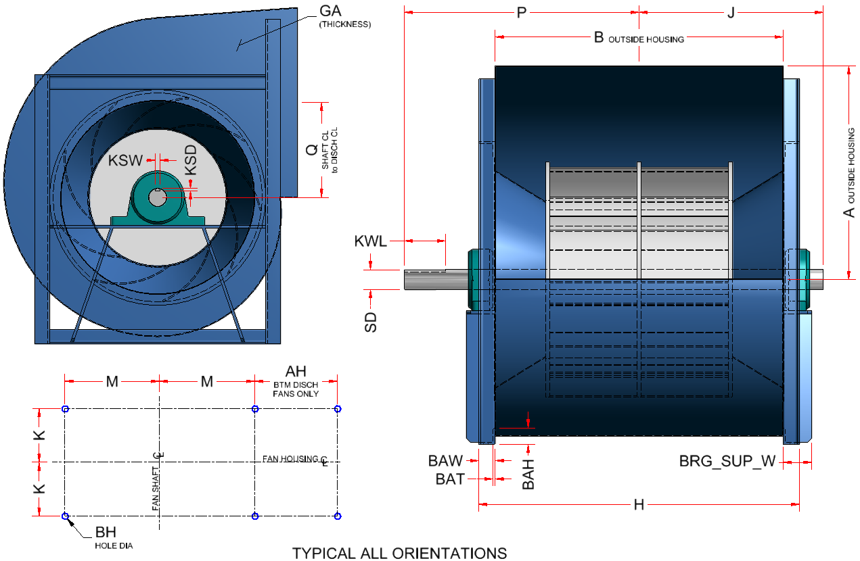
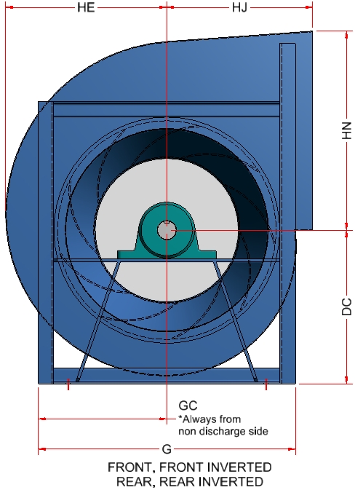
 | Twin City BAE DWDI Fan Discharge Data
 | FAN | FAN_A | FAN_B | FAN_DC | FAN_Q
TYPE A | 122 | 13.00 | 17.440 | 10.250 | 6.440
 | 135 | 14.31 | 19.440 | 11.250 | 7.130
 | 150 | 15.88 | 21.440 | 12.250 | 7.880
 | 165 | 17.44 | 23.560 | 13.500 | 8.690
 | 182 | 19.38 | 26.000 | 14.750 | 9.630
 | 200 | 21.19 | 28.500 | 16.250 | 10.560
 | 222 | 23.56 | 31.630 | 18.000 | 11.750
TYPE B | 245 | 25.94 | 34.810 | 20.000 | 12.940
 | 270 | 28.63 | 38.250 | 22.000 | 14.250
 | 300 | 31.81 | 42.690 | 24.500 | 15.810
 | 330 | 35.13 | 46.690 | 27.000 | 17.500
 | 365 | 38.69 | 51.810 | 29.500 | 19.250
TYPE C | 402 | 42.63 | 57.190 | 33.000 | 21.250
 | 445 | 47.13 | 63.130 | 35.500 | 23.500
 | 490 | 51.94 | 69.440 | 39.000 | 25.880
 | 542 | 57.38 | 76.940 | 43.500 | 28.630
 | 600 | 63.50 | 85.000 | 48.000 | 31.690
 | 660 | 69.69 | 93.690 | 52.500 | 34.750
 | 730 | 77.25 | 103.380 | 57.000 | 38.500

Hole Sizes
Standard hole sizes used in the project. Any special hole size needs to be listed below the special hole size heading. Hole sizes used in models should be referenced back to the hole size chart on this tab. Any changes to hole sizes must be done on the holes sizes tab.
Standard Hole Sizes
Clearance |  |  | Engagement
1/8 Rivet | 0.152 |  | 1/8 Rivet | 0.140
3/16 Rivet | 0.218 |  | 3/16 Rivet | 0.208
#6 Hardware | 0.188 |  | 28-20 ga. (<.04 thickness)
#8 Hardware | 0.218 |  | #6 Hardware | 0.109
#10 Hardware | 0.218 |  | #8 Hardware | 0.109
1/4 Hardware | 0.312 |  | #10 Hardware | 0.109
5/16 Hardware | 0.375 |  | 1/4 Hardware - galv material | 0.109
3/8 Hardware | 0.437 |  | 1/4 Hardware - sst | 0.188 | Engagement holes per part
1/2 Hardware | 0.562 |  | 5/16 Hardware | 0.109 | SupFrameVertChanEngHole | 0.152
 |  |  | 3/8 Hardware | 0.109 | SupFrameHorzChanEngHole | 0.152
 |  |  | 18-14 ga. (>=.04 and <=.09 thickness) |  | SupFrameVertStfnrEngHole | 0.152
 |  |  | #6 Hardware | 0.109
 |  |  | #8 Hardware AB, B | 0.136
 |  |  | #8 Hardware D,F,G &T | 0.140
 |  |  | #10 Hardware | 0.152
 |  |  | 1/4 Hardware AB, B | 0.188
 |  |  | 1/4 Hardware D,F,G&T | 0.203
 |  |  | 5/16 Hardware | 0.218
 |  |  | 3/8 Hardware AB,B | 0.281
 |  |  | 3/8 Hardware D,F,G&T | 0.312
 |  |  | 12 ga and up (>.09 thickness)
 |  |  | #8 Hardware | 0.152
 |  |  | #10 Hardware | 0.152
 |  |  | 1/4 Hardware AB, B | 0.203
 |  |  | 1/4 Hardware D,F,G&T | 0.218
 |  |  | 5/16 Hardware AB,B | 0.250
 |  |  | 5/16 Hardware D,F,G&T | 0.281
 |  |  | 3/8 Hardware AB,B | 0.312
 |  |  | 3/8 Hardware D,F,G&T | 0.344
SPECIAL HOLE SIZES
 | Indicator holes
Ga | dia | spacing
28 ga - 14 ga (<=.09 thickness) | 0.125 | 0.125
12 ga - 10 ga (>.09 and < .14) | 0.188 | 0.188
8 ga. (>= .14 thickness) | 0.25 | 0.25

