situation notes
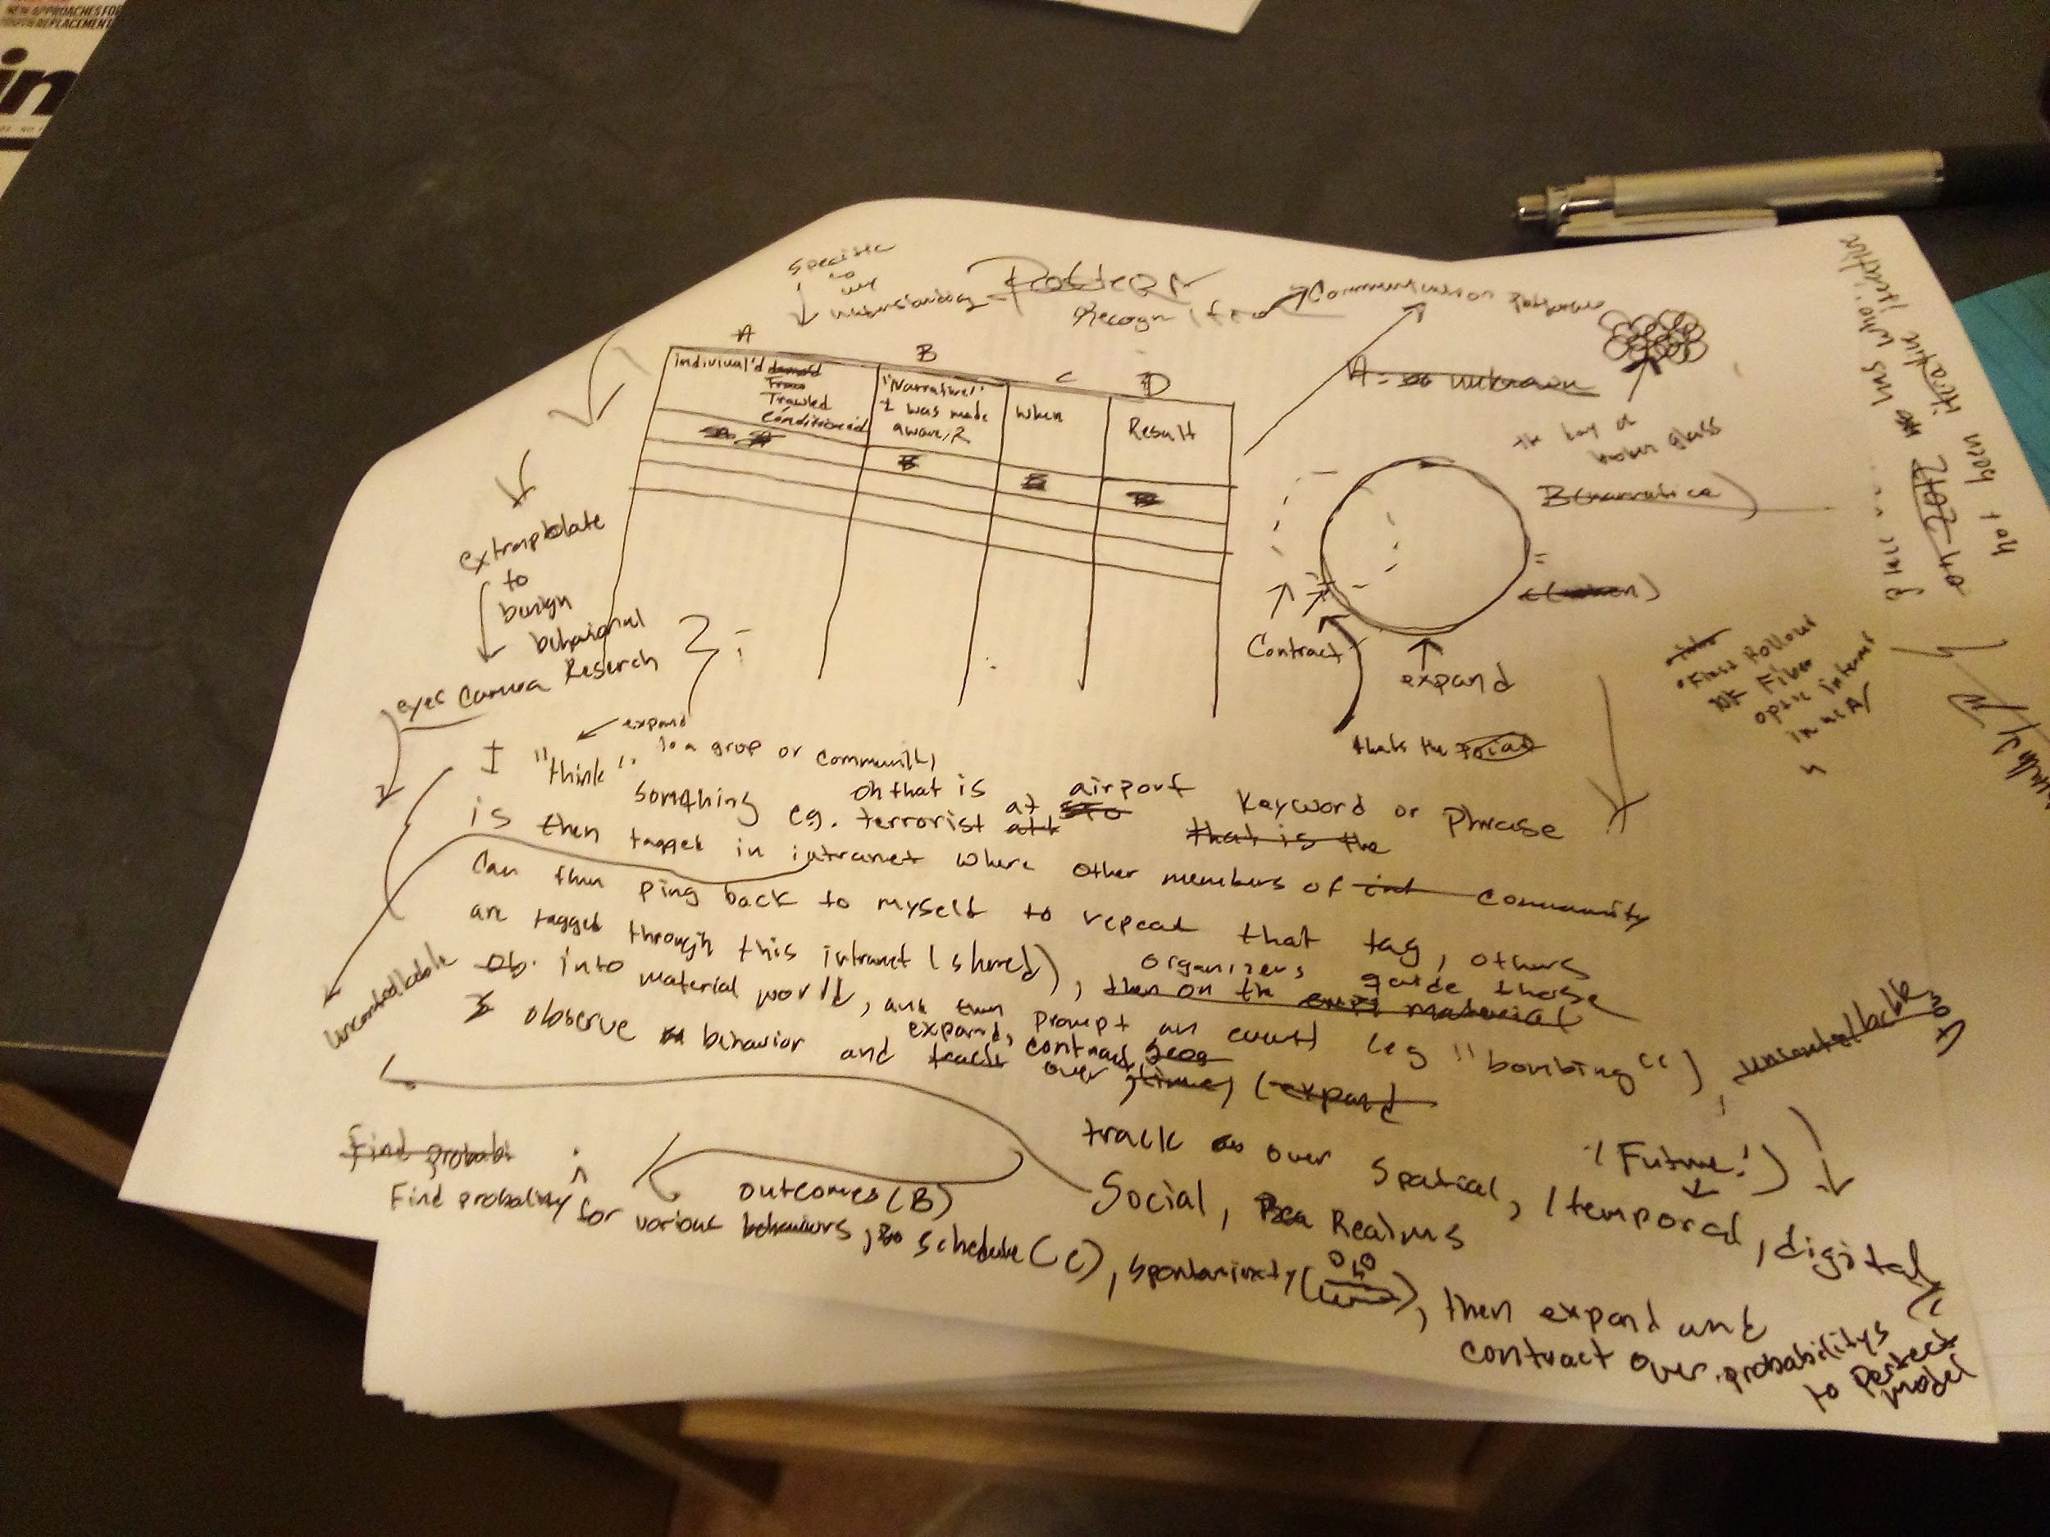
STOP AND LISTEN TO MUSIC WITHOUT THIS/GO TO A MUSEUM OR LOOK AT/MAKE ART. Its bigger than you.
next steps | notes
Thanks Obama/Panetta | https://www.whitehouse.gov/briefing-room/presidential-actions/2022/05/04/executive-order-on-enhancing-the-national-quantum-initiative-advisory-committee/ | https://www.presidency.ucsb.edu/documents/executive-order-13885-establishing-the-national-quantum-initiative-advisory-committee
Request Data from Outlook | skype data/onedrive/teams data requested-check back on security dashboard
review govt sites/foais to see if i can find project name | https://publicaccess.dtic.mil/search/#/pubdefense/simpleSearch | Even if unclassified embargo of 1 year....
set up dedicated email | aol? hotmail? hmmm????
get a po box
How to word FOIA's | FOIA.gov - Freedom of Information Act: How to Make a FOIA Request
Setup Dedicated Contact List | do not import other vcfs/csvs
Consolidate all Data on cloud | Grindr,Textnow, google, Amazon, Tmobile, ATT,Dropbox, Box
Data Requests to be made | Tmobile/Spectrum
Get into old gmail accounts
box accounts
Dropbox account
Tmobile Data Reqiuest | Request ID: J3J8SL53HG (request Wyoming)/Request ID: GNZAPRSWZB (request California) /Request ID: Z89MCLJASY (New York-sent via electronic method all rest snail mail)
attorneys | via justia.com `
Instagram | Requested data information/impersonation accounts that might be associated with brandonlowder1@gmail.com. Future comms to be sent to lowderb16@gmail.com
Friends/Family/Previous LL's/Ex-Collegues | dont be jumpy with others. This is last step
Metropolis Document
Ethics around the research of the human subconcious
Down the line canvas or do "something" around the 864 neighborhood
Nord Vpn
 | https://research.unc.edu/human-research-ethics/resources/ccm3_019064/#:~:text=The%20Nuremberg%20Military%20Tribunal%27s%20decision,medical%20experimentation%20on%20human%20subjects.
Public Spaces | https://www.lexology.com/library/detail.aspx?g=d04b0a48-5d03-42a7-9a04-9808de659a4d
Cooperative Research Agreements | https://www.doi.gov/techtransfer/crada#:~:text=A%20Cooperative%20Research%20and%20Development,intellectual%20property%2C%20or%20other%20resources.
Penguin Random House FOIA.
Get HVAC Unit Serial Number
 | https://www.iarpa.gov/research-programs/haystac
Open List of Grant Numbers for DOD Research
Can Undergrads access list of proposals? | Anyone with a CalNet ID may log in to Phoebe and have an account automatically created with limited permissions. If the account can't be created for any reason, a page with instructions to contact phoebe-help@lists.berkeley.edu will come up.

