Drivers & Assumptons
Category | Item | Value | Notes / Units
Model Timeline | Model Start Year | 2022 | First year in model
Model Timeline | Model Start Date | 2022-01-31 | For monthly builds
Model Timeline | Forecast End Year | 2032 | Last year in projection
USDC Metrics | USDC Circulation Growth (Base) | 8.00% | YoY growth rate assumption: Historical growth: 2022 = 5.04%, 2023 = –44.69%, 2024 = 77.98%, 2025 (annualized) = 95.57%. Base case assumes normalized adoption rate between historical median (5%) and trimmed recovery (~37%).
USDC Metrics | Avg Float % of Circulation | 100.00% | Portion of circulation invested in reserves - Based on 3-year historical average (2022–2024) of 100.5%.
USDC Metrics | Daily Weighted-Average % of USDC on Platform | -
USDC Metrics | Revenue Sharing Rate (on off platform USDC) | -
Circle Metrics | Circle Platform % of Circulation | 8.00%
Coinbase Metrics | Coinbase Platform % of Circulation | 24.00%
Outside Rate | Outside Platforms % of Circulation | 70.00%
Coinbase Metrics | Coinbase Retained % | 100.00%
Other Platorms | Other Platforms Retained % | 100.00%
Reserve Yields | 3M T-Bill Yield (Base) | 4.97% | Used for Treasuries portion - Average of Circle provided quarterly rates
Reserve Yields | SOFR Rate (Base) | 5.15% | Used for repo portion - Average of Circle provided quarterly rates
Reserve Yields | Cash Yield (Base) | 0.10% | Used for cash portion
Rates | Forecasted Weighted Yield Rate | 4.10% | Short-term rates will gradually decline in H2 2025 (based on macro expectations for rate cuts) - within the 3.75 - 3.97% range
Rates | Effective Tax Rate | 21.00% | Based on FY2024 effective tax rate per Circle disclosure; 2025 rate excluded due to IPO-related discrete items. 35% historical rate -> phased down to avoid understating profitability
Transaction Assumptions | Transaction Volume Growth (Base) | 12.00% | YoY growth - Base set via weighted geometric mean of YoY factors: 2023 (w=0.20), 2024 (w=0.40), 2025 annualized (w=0.40). Result ≈ 11.24%; rounded to 12%. 2025 uses H1×2.
Transaction Assumptions | Take Rate | 0.02% | % of transaction value captured as fee revenue (on/off-ramp fee take rate)
Expense Drivers | Partner Payout Rate (on Reserve Income) | 50.00% | Paid to partners from float income
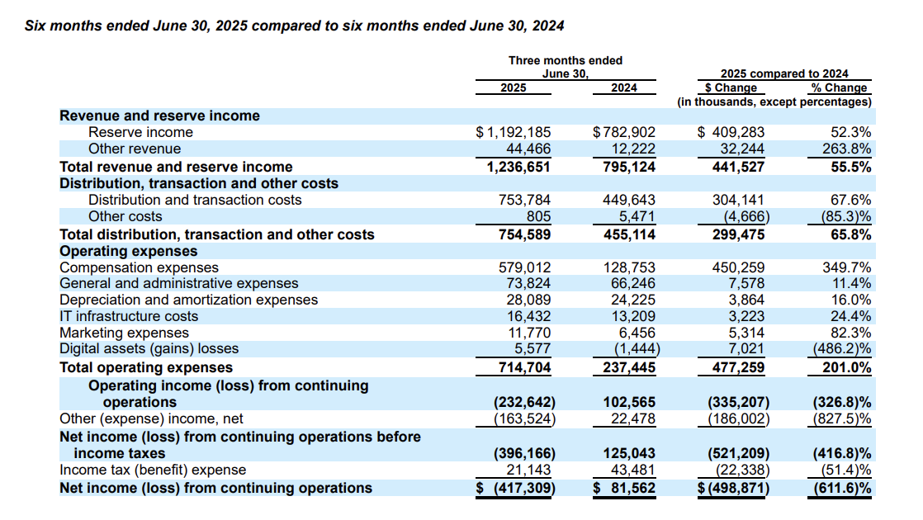
Expense Drivers | Cost of Revenue % of Total Revenue | 61.02% | Payment processing & network costs
Expense Drivers | Compensation Expense % of Total Revenue | 19.07% | Compensation Expenses - Internal costs
Expense Drivers | Sales & Marketing % of Revenue | 1.00% | Opex driver
Expense Drivers | R&D % of Total Revenue | 1.50% | Opex driver
Expense Drivers | G&A % of Total Revenue | 6.00% | Opex driver
Expense Drivers | D&A % of Total Revenue | 2.26% | Opex driver
Expense Drivers | IT & Infrastructure % Total Revenue | 1.33% | Opex driver
Scenario Toggles | Interest Rate Delta (bps) | 0 | Adjusts rates in scenarios
Scenario Toggles | Circulation Growth Delta (%) | 0 | Adjusts growth in scenarios
Scenario Toggles | Take Rate Delta (%) | 0 | Adjusts transaction fees

Cash & CE | Corporate Supply | 15.00%
Cash & CE | USDC for holders | 8.00%
DSO | AR % of Total Revenue | 0.73%
AP | AP % Total Costs | 19.98%
AP | AP % of Opex | 49.87%
Prepaid Exp & Other Current Exp | % of Opex | 33.60%
Fixed Assets | % of Opex | 2.57%
Fixed Assets 2025E | Fixed Percentage assumed at 20% | 20.00%
Other Assets/Liabilities | % of Total Revenue
Deferred Revenue | % of Transaction Revenue | 0.55%
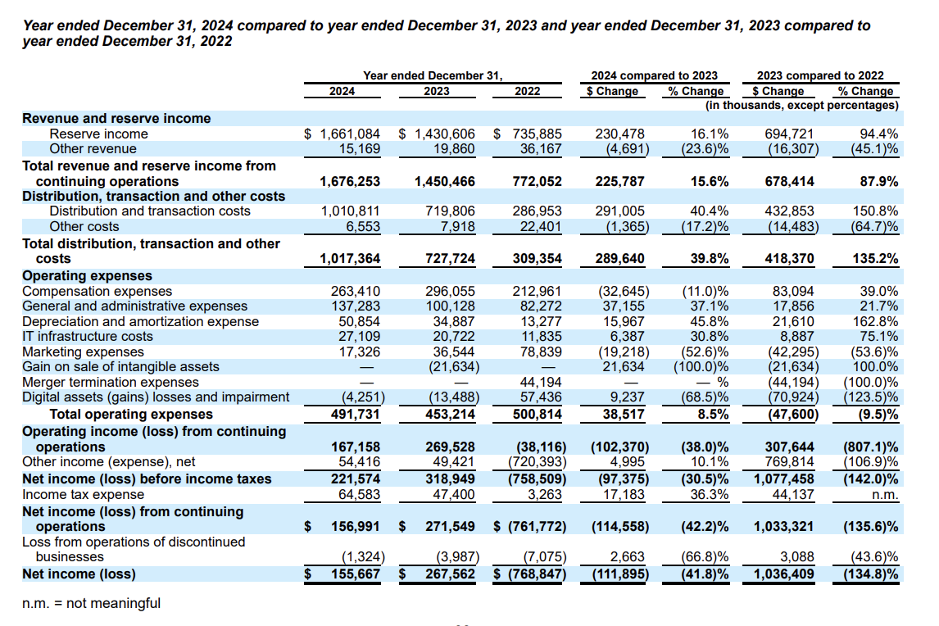
Stock Compensation | % of Total Compensation Expense | 29.35%
AFS Maturity Rate | Average historical ratio of AFS (available-for-sale) | 95.00%
IPO Costs | Underwriting & related IPO fees | 5.90%

Perpetuity Growth Rate | Terminal Growth Rate | 2.50% | Believe in growth of stablecoins over GDP - Added an inflation adjustment
Exit Multiple | Comparable Exit Multiple Assumption | 8.0 | – Fintech & exchange comps (Coinbase, PayPal, Robinhood, etc.) usually trade in the 6×–12× forward EBITDA range depending on cycle and profitability.
 |  |  | – Given Circle is USDC-driven, likely lower end than PayPal but maybe higher than COIN (which is very volatile). Something like 7×–9× could be reasonable.
Hiring Rate | Driver for Headcount Growth | 8.00% | 2025E = 8% tapered down to 5% by 2032E.

P&L
(in millions) | 2022A | 2023A | 2024A | 2025 6M Actual | 2025E | 2026E | 2027E | 2028E | 2029E | 2030E | 2031E | 2032E
Total Revenue | $772 | $1,450 | $1,676 | $1,237 | $2,496 | $2,262 | $2,195 | $2,220 | $2,235 | $2,373 | $2,568 | $2,884

Cost of Revenue
Distribution & Transaction Costs | $287 | $720 | $1,011 | $754 | $1,521 | $1,378 | $1,338 | $1,353 | $1,362 | $1,446 | $1,565 | $1,758
Other Costs | $22 | $8 | $7 | $0.81 | $2 | $1 | $1 | $1 | $1 | $2 | $2 | $2
Total Costs of Revenue | $309 | $728 | $1,017 | $755 | $1,523 | $1,380 | $1,340 | $1,355 | $1,364 | $1,448 | $1,567 | $1,760

Gross Profit
Gross Profit | $463 | $723 | $659 | $482 | $973 | $882 | $856 | $865 | $871 | $925 | $1,001 | $1,124
Gross Margin % | 59.93% | 49.83% | 39.31% | 38.98% | 38.98% | 38.98% | 38.98% | 38.98% | 38.98% | 38.98% | 38.98% | 38.98%

Opex
Compensation Expenses | $213 | $296 | $263 | $579 | $476 | $431 | $419 | $423 | $426 | $452 | $490 | $550
G&A Expenses | $82 | $100 | $137 | $74 | $150 | $136 | $132 | $133 | $134 | $142 | $154 | $173
Depreciation & Amortization | $13 | $35 | $51 | $28 | $56 | $51 | $50 | $50 | $51 | $54 | $58 | $65
IT Infrastructure Costs | $12 | $21 | $27 | $16 | $33 | $30 | $29 | $30 | $30 | $32 | $34 | $38
Marketing Expenses | $79 | $37 | $17 | $12 | $25 | $23 | $22 | $22 | $22 | $24 | $26 | $29
Digital Assets (Gains) / Losses | $57 | $(13) | $(4) | $6 | $11 | $11 | $11 | $11 | $11 | $11 | $11 | $11
Gain on Sale of Intangible Assets | $- | $(22) | $- | $- | $- | $- | $- | $- | $- | $- | $- | $-
Merger Termination Expenses | $44 | $- | $- | $- | $- | $- | $- | $- | $- | $- | $- | $-
Total Operating Expenses | $501 | $453 | $492 | $715 | $751 | $682 | $662 | $670 | $674 | $715 | $773 | $866

Operating Income (EBIT)
Implied EBIT | $(38) | $270 | $167 | $(233) | $221 | $200 | $193 | $196 | $197 | $210 | $228 | $258
EBIT | $(38) | $270 | $167 | $(233) | $221 | $200 | $193 | $196 | $197 | $210 | $228 | $258
EBIT Margin % | -4.94% | 18.58% | 9.97% | -18.81% | 8.87% | 8.83% | 8.81% | 8.82% | 8.82% | 8.85% | 8.89% | 8.93%

Non-Operating
True Interest Income | $(183) | $13 | $34 | $18 | $36 | $36 | $36 | $36 | $36 | $36 | $36 | $36
Interest Expense | $12 | $(1) | $(2) | $(1) | $(1) | $(1) | $(1) | $(1) | $(1) | $(1) | $(1) | $(1)
Other Non-Operating Gains/(Losses) | $(549) | $38 | $23 | $(181) | $(90) | $(90) | $(90) | $(90) | $(90) | $(90) | $(90) | $(90)
Total Other Non-Operating (Expense)/Income | $(720) | $49 | $54 | $(164) | $(56) | $(56) | $(56) | $(56) | $(56) | $(56) | $(56) | $(56)

Pre-Tax Income
Implied EBT | $(759) | $319 | $222 | $(396) | $166 | $144 | $138 | $140 | $141 | $154 | $172 | $202
EBT | $(759) | $319 | $222 | $(396) | $166 | $144 | $138 | $140 | $141 | $154 | $172 | $202

Taxes
Income Tax Expense | $3 | $47 | $65 | $21 | $42 | $42 | $42 | $42 | $42 | $42 | $42 | $42

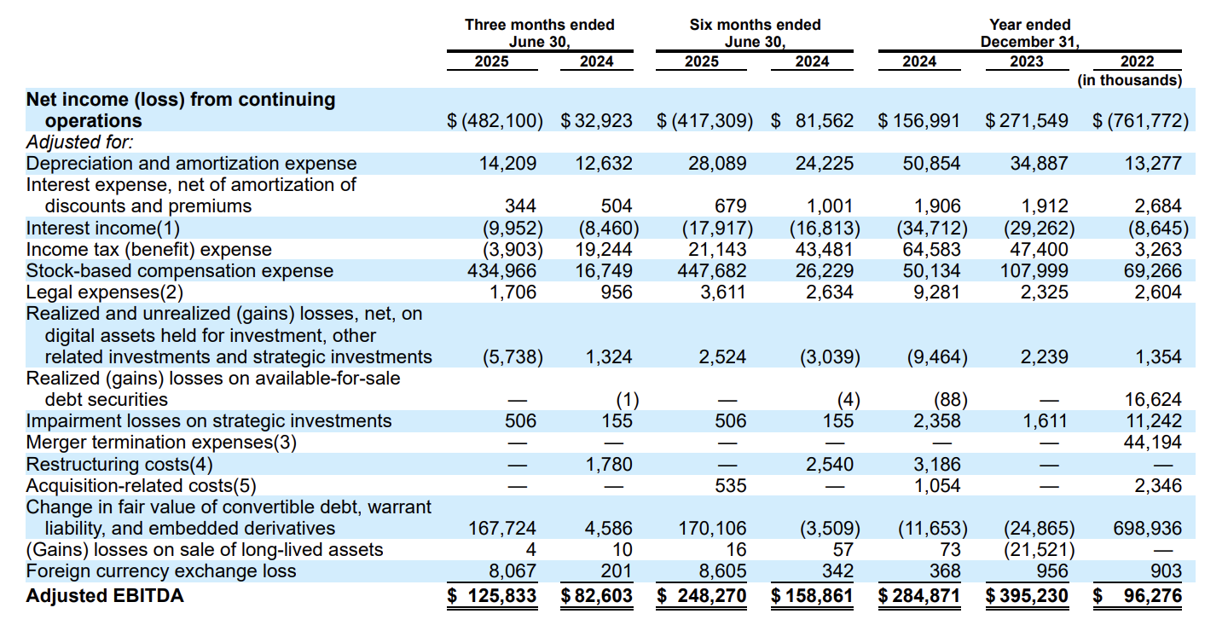
NOPAT
NOPAT | $(30) | $213 | $132 | $(184) | $175 | $158 | $153 | $155 | $156 | $166 | $180 | $204
Loss from Discontinued Operations | $(7) | $(4) | $(1) | $- | $- | $- | $- | $- | $- | $- | $- | $-

Net Income
Implied Net Income | $(769) | $268 | $156 | $(417) | $123 | $101 | $95 | $98 | $99 | $112 | $130 | $159
Net Income | $(769) | $268 | $156 | $(417) | $123 | $101 | $95 | $98 | $99 | $112 | $130 | $159
Net Income Margin % | -99.58% | 18.45% | 9.29% | -33.75% | 4.94% | 4.48% | 4.34% | 4.39% | 4.43% | 4.71% | 5.06% | 5.53%

Adjusted EBITDA | $96 | $395 | $285 | $248 | $501 | $476 | $484 | $512 | $538 | $593 | $642 | $721
Adjusted Margin % | 12.43% | 27.23% | 17.00% | 20.05% | 20.05% | 21.05% | 22.05% | 23.05% | 24.05% | 25.00% | 25.00% | 25.00%

Balance Sheet
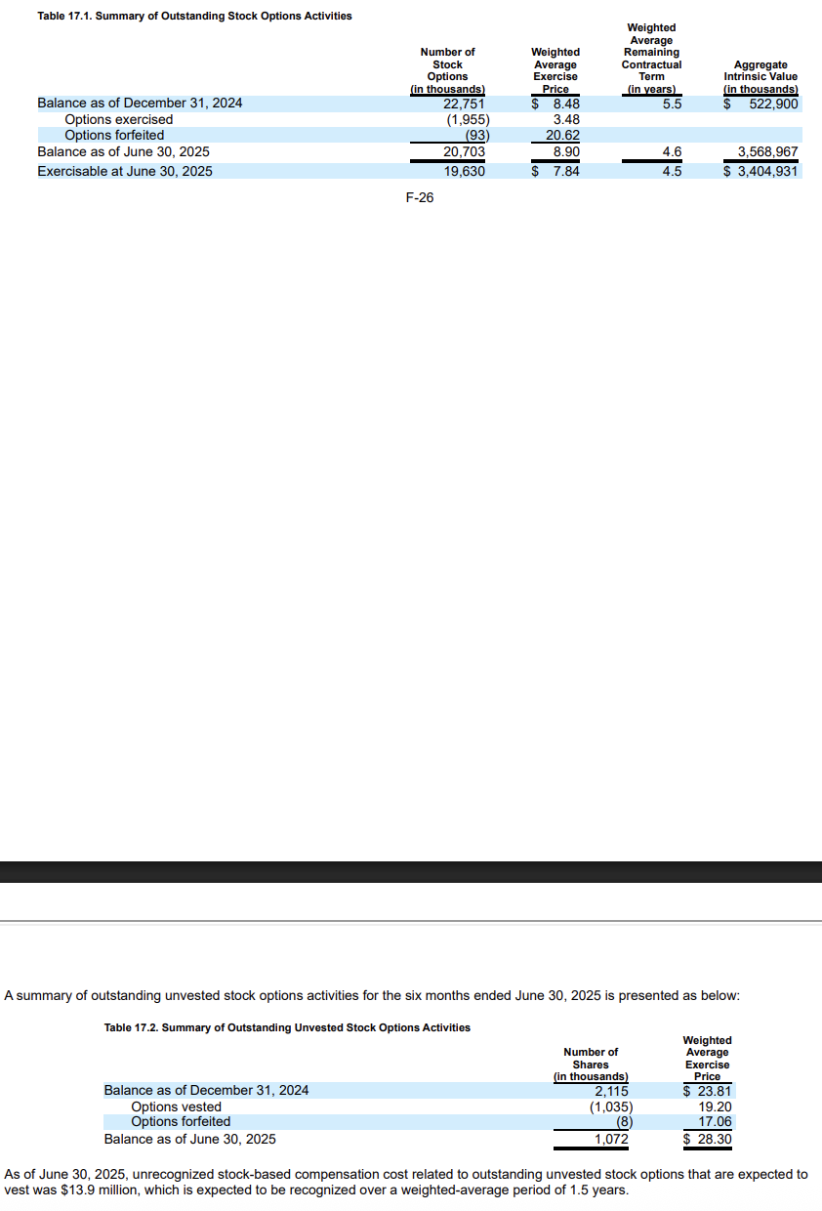

(in millions) | 2023A | 2024A | 2025 6M Actual | 2025E | 2026E | 2027E | 2028E | 2029E | 2030E | 2031E | 2032E
Assets
Current Assets
Cash & Cash Equivalents (including cash and cash equivalents segregated for corporate-held stablecoins) | $644 | $1,045 | $1,706 | $1,886 | $2,004 | $2,129 | $2,264 | $2,408 | $2,565 | $2,734 | $2,917
Cash & Cash Equivalents (segregated for the benefit of stablecoin holders) | $24,346 | $43,919 | $61,366 | $63,821 | $68,926 | $74,440 | $80,396 | $86,827 | $93,773 | $101,275 | $109,377
Other/Reconciliation to Total Cash | $- | $- | $- | $17,565 | $17,520 | $17,411 | $17,266 | $17,088 | $16,887 | $16,679 | $16,479
Implied Total Cash & CE from CFS | $24,991 | $44,964 | $63,072 | $83,272 | $88,449 | $93,981 | $99,925 | $106,324 | $113,225 | $120,688 | $128,773
Total Cash & CE | $24,991 | $44,964 | $63,072 | $65,707 | $70,930 | $76,569 | $82,659 | $89,236 | $96,338 | $104,009 | $112,294
Available-for-sale debt securities, at fair value | $152 | $- | $- | $- | $- | $- | $- | $- | $- | $- | $-
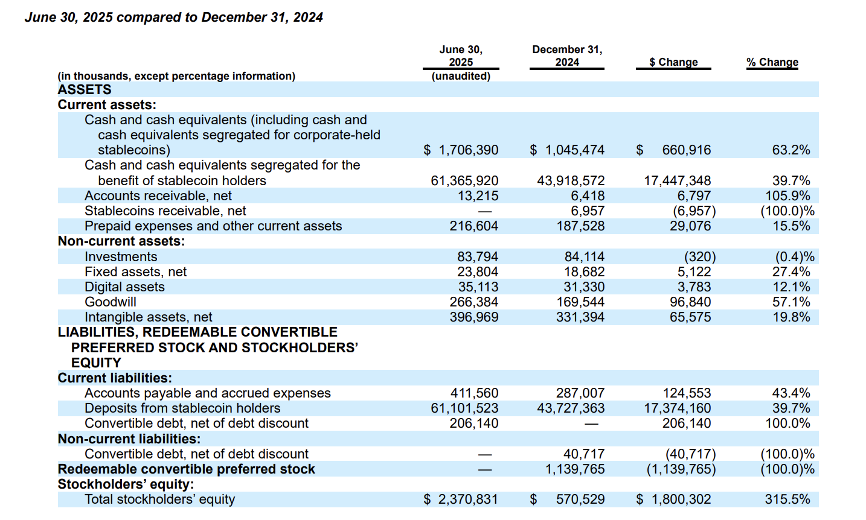
Accounts receivable, net | $2 | $6 | $13 | $18 | $16 | $16 | $16 | $16 | $17 | $19 | $21
Stablecoins receivable, net | $23 | $7 | $- | $- | $- | $- | $- | $- | $- | $- | $-
Prepaid expenses and other current assets | $147 | $188 | $217 | $252 | $229 | $223 | $225 | $226 | $240 | $260 | $291
Total Operating Current Assets | $171 | $201 | $230 | $271 | $246 | $238 | $241 | $243 | $257 | $278 | $312
Non-Current Assets
Available-for-sale debt securities, at fair value | $88 | $- | $- | $- | $- | $- | $- | $- | $- | $- | $-
Investments | $76 | $84 | $84 | $84 | $84 | $84 | $84 | $84 | $84 | $84 | $84
Fixed assets, net | $3 | $19 | $24 | $29 | $29 | $30 | $31 | $32 | $32 | $33 | $34
Digital assets | $11 | $31 | $35 | $35 | $35 | $35 | $35 | $35 | $35 | $35 | $35
Goodwill | $- | $170 | $266 | $266 | $266 | $266 | $266 | $266 | $266 | $266 | $266
Intangible Assets, net | $- | $331 | $397 | $397 | $397 | $397 | $397 | $397 | $397 | $397 | $397
Deferred tax assets, net | $- | $10 | $- | $- | $- | $- | $- | $- | $- | $- | $-
Other non-current assets | $4 | $21 | $- | $- | $- | $- | $- | $- | $- | $- | $-
Other Assets/ Rounding Adjustment Plug | $(630) | $15 | $(10) | $(130) | $(218) | $(524) | $(587) | $(661) | $(736) | $(806) | $(863)
Total Assets | $24,866 | $45,846 | $64,099 | $66,659 | $71,769 | $77,096 | $83,126 | $89,631 | $96,675 | $104,297 | $112,559

Liabilities, Redeemable Convertible Preferred Stock and Stockholders' Equity
Current Liabilities
Deferred Revenue | $2 | $13 | $9 | $9 | $13 | $12 | $12 | $12 | $13 | $14 | $16
Accounts payable and accrued expenses | $153 | $287 | $412 | $375 | $296 | $244 | $247 | $249 | $264 | $285 | $319
Obligations to return digital asset collateral | $5 | $0.57 | $- | $- | $- | $- | $- | $- | $- | $- | $-
Deposits from stablecoin holders | $24,276 | $43,727 | $61,102 | $63,546 | $68,629 | $74,120 | $80,049 | $86,453 | $93,369 | $100,839 | $108,906
Convertible debt, net of debt discount | $- | $- | $206 | $206 | $206 | $- | $- | $- | $- | $- | $-
Other current liabilities | $4 | $16 | $- | $- | $- | $- | $- | $- | $- | $- | $-
Total Operating Current Liabilities | $159 | $316 | $420 | $383 | $308 | $256 | $259 | $261 | $277 | $299 | $335
Non-Current Liabilities
Convertible debt, net of debt discount | $58 | $41 | $- | $- | $- | $- | $- | $- | $- | $- | $-
Deferred tax liabilities, net | $20 | $30 | $- | $30 | $30 | $30 | $30 | $30 | $30 | $30 | $30
Other non-current liabilities | $9 | $21 | $- | $- | $- | $- | $- | $- | $- | $- | $-
Redeemable convertible preferred stock | $- | $1,140 | $- | $- | $- | $- | $- | $- | $- | $- | $-
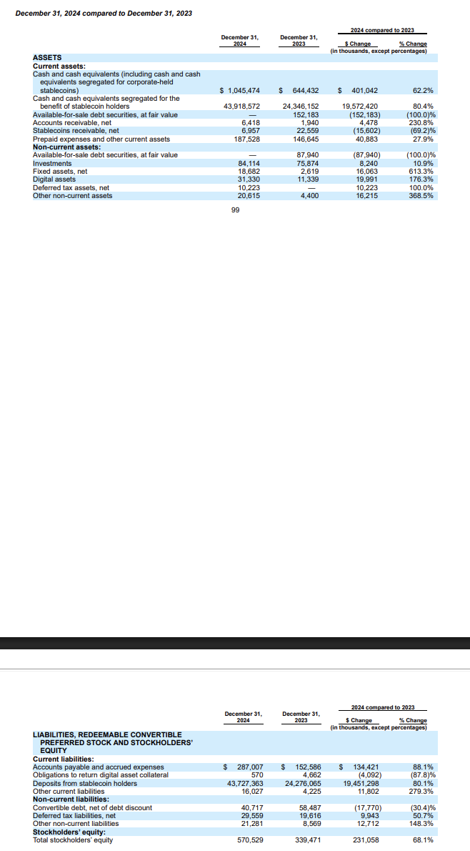
Stockholders' Equity
Total stockholders' equity | $339 | $571 | $2,371 | $2,494 | $2,596 | $2,691 | $2,788 | $2,887 | $2,999 | $3,129 | $3,289
Total Liabilities and Stockholders' Equity | $24,866 | $45,846 | $64,099 | $66,659 | $71,769 | $77,096 | $83,126 | $89,631 | $96,675 | $104,297 | $112,559

Scenarios
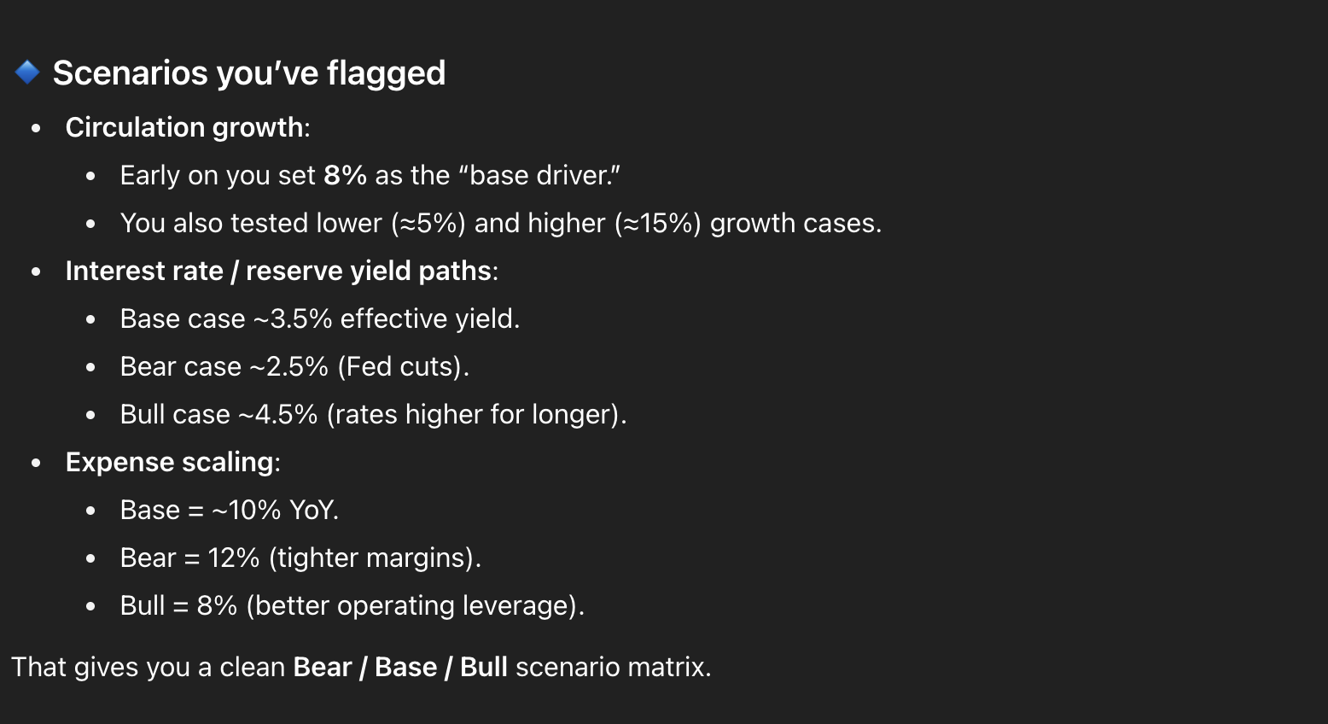
Drivers/Outputs | Base | Bear | Bull | Flat/Stagnation
Circulation Growth % | 8.00% | 5.00% | 15.00% | 2.00%
Reserve Yield % | 4.10% | 2.50% | 4.50% | 3.00%
Expense Growth %
Adjusted EBITDA Margin % | 20.00% | 15.00% | 30.00% | 20.00%
Equity Beta | 2.0 | 1.8 | 2.5
Equity Risk Premium | 5.50% | 4.50% | 6.50%
Perpetuity Growth Rate | 2.50% | 2.00% | 3.00%

Sensitivities
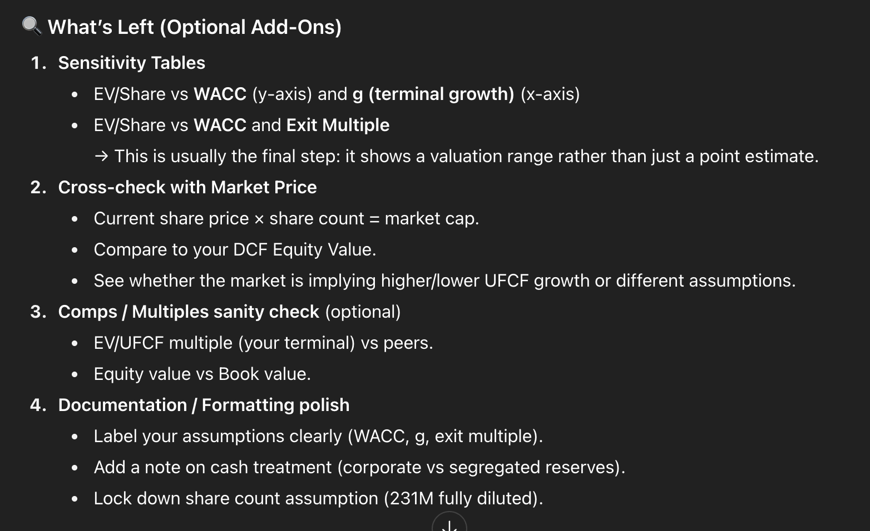
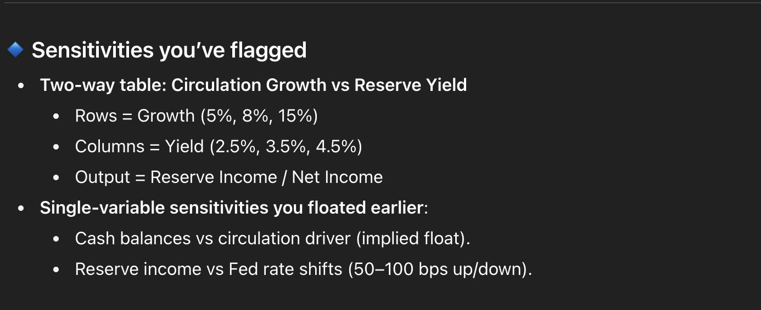
$14.21 | 2% | 3% | 4% | 5%
12% | 14.21 | 14.21 | 14.21 | 14.21
13% | 14.21 | 14.21 | 14.21 | 14.21
14% | 14.21 | 14.21 | 14.21 | 14.21
15% | 14.21 | 14.21 | 14.21 | 14.21

Valuation
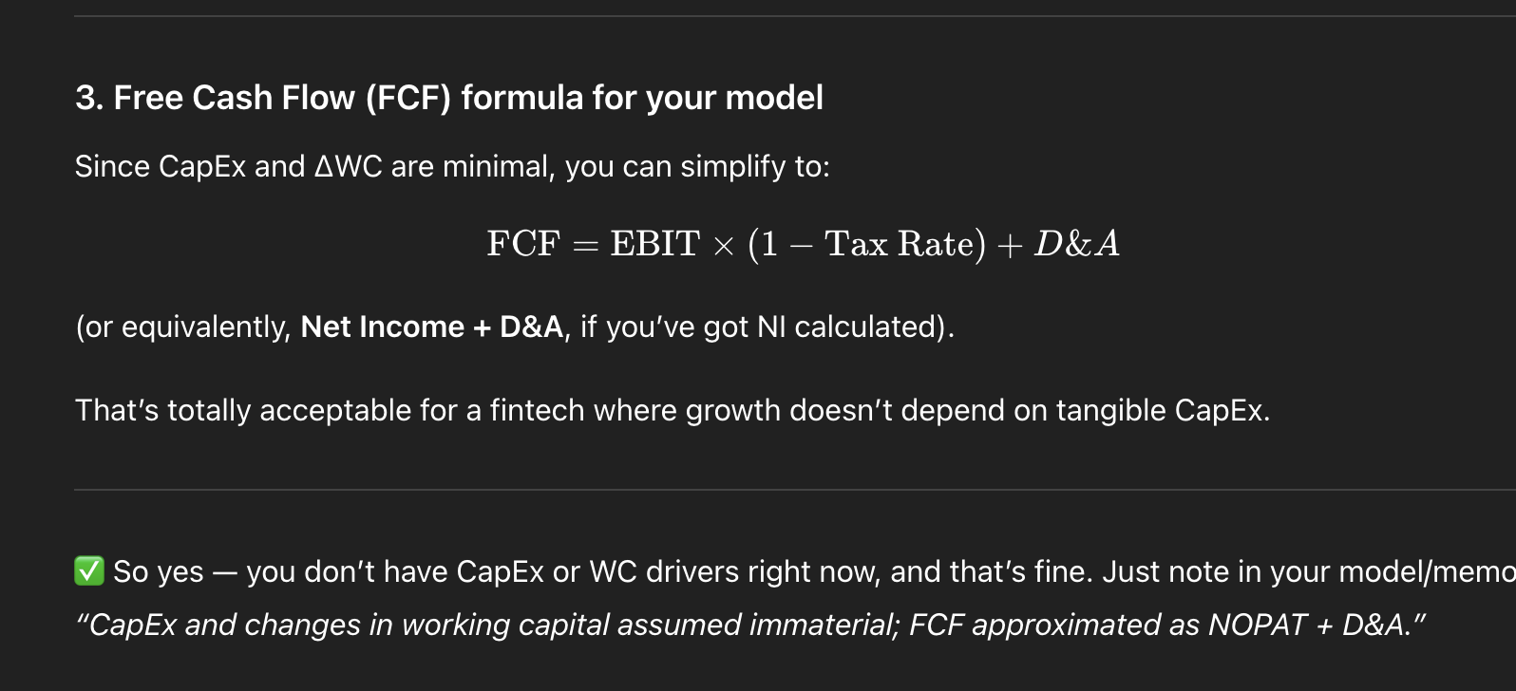
(in millions) | 2024A | 2025E | 2026E | 2027E | 2028E | 2029E | 2030E | 2031E | 2032E |  | Implied Terminal Value (Perp) (in millions) | Implied Terminal Value (Exit Multiple Method) (in millions)
Net Working Capital | $(116) | $(113) | $(63) | $(18) | $(18) | $(18) | $(19) | $(21) | $(23) |  | $29,080.55 | $48,818.46
Change in NWC |  | $3 | $50 | $45 | $(0) | $(0) | $(1) | $(1) | $(2) |  | Implied PV Terminal Value (Perp) (in millions) | Implied PV Terminal Value (Exit Multiple Method) (in millions)
UFCF |  | $229 | $159 | $158 | $205 | $206 | $221 | $240 | $271 |  | $9,620 | $16,148.67
Implied Market UFCF Perpetuity Method |  | $2,950 | $2,051 | $2,035 | $2,646 | $2,663 | $2,847 | $3,094 | $3,498
Implied Market UFCF Exit Multiple Method |  | $1,934 | $1,345 | $1,335 | $1,735 | $1,747 | $1,867 | $2,029 | $2,294 |  | Sum of Implied Market PV UFCF Perp (in millions) | Sum of Implied Market PV UFCF Exit Multiple (in millions)
 |  |  |  |  |  |  |  |  |  |  | $18,970 | $12,441
PV (UFCF) |  | $199 | $138 | $137 | $179 | $180 | $192 | $209 | $236
PV (Implied Market UFCF Perpetuity Method) |  | $2,569 | $1,786 | $1,772 | $2,304 | $2,319 | $2,479 | $2,695 | $3,046 |  | Difference from EV Market vs EV Perp | Difference from EV Market vs EV Exit Multiple
PV (Implied Market UFCF Exit Multiple Method) |  | $1,685 | $1,171 | $1,162 | $1,511 | $1,521 | $1,626 | $1,767 | $1,998 |  | 12.91x | 8.46x

Year |  | 2025 6M Actual
Convertible Debt |  | $206 |  |  |  |  |  |  |  | Terminal Value (Perpetuity + Inflation) (in millions) | Terminal Value (Exit Multiple Method) (in millions)
Cash & CE |  | $1,118 |  |  |  |  |  |  |  | $2,253.13 | $5,767.37
Net Debt |  | $(912) |  |  |  |  |  |  |  | PV Terminal Value (in millions) | PV Terminal Value (in millions)
 |  |  |  |  |  |  |  |  |  | $745.31 | $1,907.79

 |  |  |  |  |  |  |  |  |  | Sum of PV UFCF (in millions)
 |  |  |  |  |  |  |  |  |  | $1,470

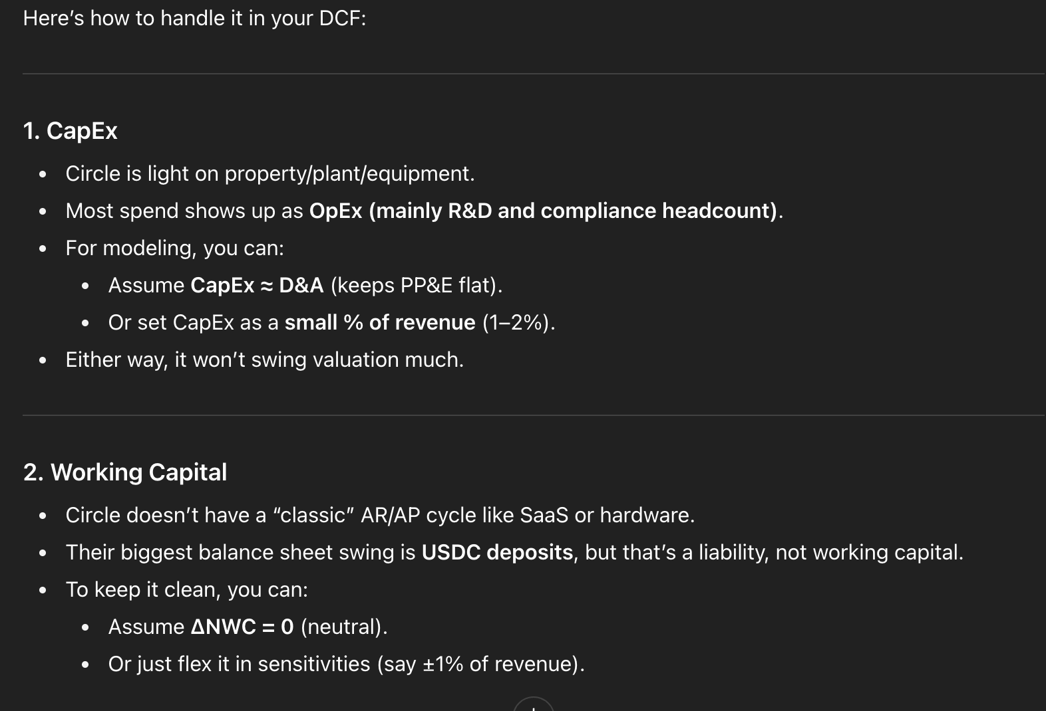
 |  |  |  |  |  |  |  |  |  | Enterprise Value (in millions) | Enterprise Value (in millions) | Enterprise Value Market
 |  |  |  |  |  |  |  |  |  | $2,215 | $3,378 | $28,590,021,000

 |  |  |  |  |  |  |  |  |  | Equity Value (in millions) | Equity Value (in millions) | Equity Value Market
 |  |  |  |  |  |  |  |  |  | $3,127 | $4,290 | $29,502,000,000

 |  |  |  |  |  |  |  |  |  | Implied Share Price | Implied Share Price | Market Share Price
 |  |  |  |  |  |  |  |  |  | $14.21 | $19.50 | $134.10
Company | EV ($B) | EV/Revenue | EV/EBITDA | EV/UFCF (LTM) | EV/UFCF (Forward)
PayPal | 72 | 2.24x | 10.03x | 61.00x | 20.00x |  |  |  |  | EV/Revenue | EV/Revenue | Implied EV/Revenue
Block | 54 | 2.80x | 20.00x | 25.00x | 18.00x |  |  |  |  | 1.79x | 2.73x | 23.12x
Coinbase | 56 | 11.00x | 21.00x | 41.00x | 30.00x
Adyen | 31 | 14.40x | 32.00x | 9.00x | 22.00x |  |  |  |  | EV/EBITDA | EV/EBITDA | Implied EV/EBITDA
Wise | 10 | 6.00x | 21.00x | - | 28.00x |  |  |  |  | 8.93x | 13.62x | 115.28x
Robinhood | 15 | 6.50x | - | 40.00x | 35.00x
CME Group | 78 | 12.00x | 20.00x | 25.00x | 22.00x |  |  |  |  | EV/UFCF | EV/UFCF | Implied EV/UFCF
 |  |  |  |  |  |  |  |  |  | 8.17x | 12.46x | 105.48x
Median |  | 7.85x | 20.67x | 33.50x | 25.00x
Mean |  | 6.50x | 20.50x | 32.50x | 22.00x |  |  |  |  |  |  | Implied UFCF Peer Median
 |  |  |  |  |  |  |  |  |  |  |  | $1,144

 |  |  |  |  |  |  |  |  |  |  |  | Implied UFCF Upper Peer Range
 |  |  |  |  |  |  |  |  |  |  |  | $879.69

 |  |  |  |  |  |  |  |  |  |  |  | Multiple of Difference between forecasted UFCF and Implied Market UFCF
 |  |  |  |  |  |  |  |  |  |  |  | 3.73x

