Metrics
Date

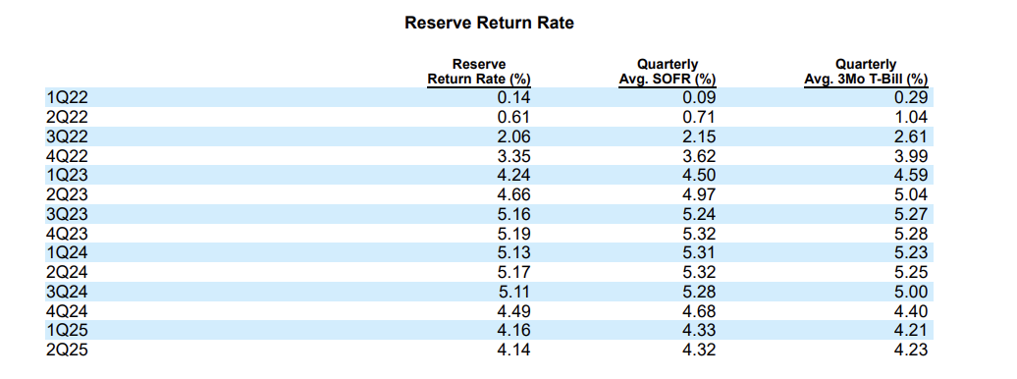
Reserve Yield Drivers
 | Average Annual SOFR % | Average Annual 3Mo T-Bill | Average Reserve Return Rate
2022 | 1.64% | 1.98% | 1.54%
2023 | 5.01% | 5.04% | 4.81%
2024 | 5.15% | 4.97% | 4.98%
2025 | 4.33% | 4.22% | 4.15%
2026E | 3.70% | 3.55% | 3.30%
2027E | 3.30% | 3.20% | 2.95%
2028E | 3.10% | 3.00% | 2.75%
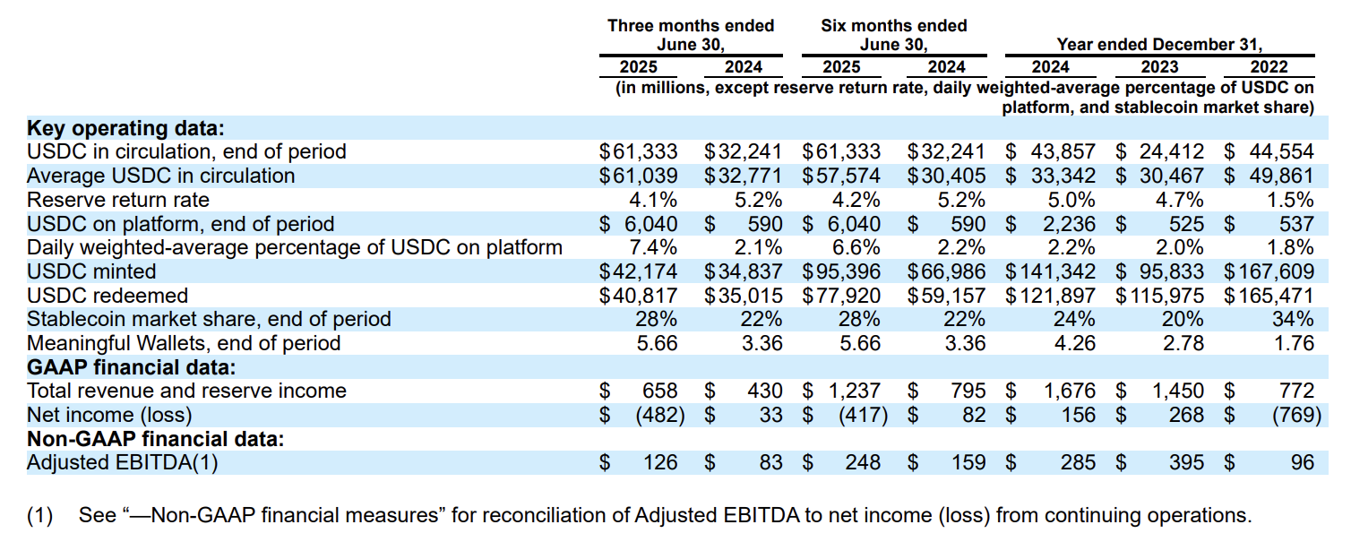
2029E | 2.90% | 2.80% | 2.55%
2030E | 2.80% | 2.75% | 2.50%
2031E | 2.80% | 2.75% | 2.50%
2032E | 2.90% | 2.85% | 2.60%

Transaction Volume Driver |  |  |  |  |  |  |  | For Drivers & Assumptions
 | Transaction Volume ($) Minted + Redeemed | YoY Growth Rate | Growth Factor | Weights | Multiplied Factor | nth Root | Geometric Mean | Weighted Geometric Mean of Factors (lowering weight of 2023)
2022 | $333,080
2023 | $211,808 | -36.409% | 0.636 | 0.200
2024 6 - month end | $126,143 | -40.445% | 0.596 | 0.400 | 0.37871682479 | 0.61539972765 | -38.460%
2024 | $263,239
2025 6 - month end | $173,316

2025 Annualized (x 2) | $346,632 | 174.793% | 2.748 | 0.400 | 1.0406869221 | 1.0133824193 | 1.338% | 11.237%

Partner Payout % of Reserve Income Driver |  |  | For Drivers & Assumptions
 | Distrubtion and Transaction Costs | Reserve Income | Partner Payout Rate (%) | 3-year Average
2022 | $286,953 | $735,885 | 38.994%
2023 | $719,806 | $1,430,606 | 50.315%
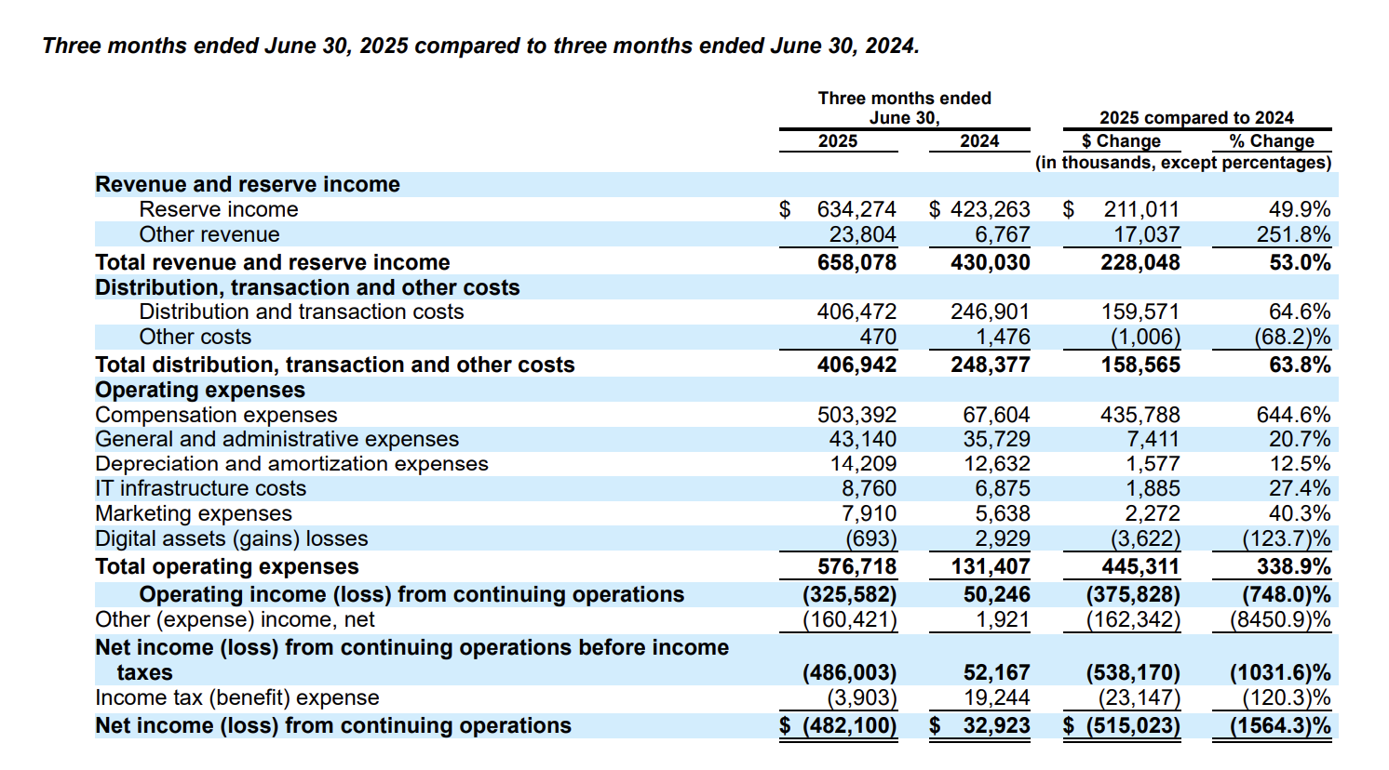
2024 | $1,010,811 | $1,661,084 | 60.852% | 50.054%
2025 6 - month end | $753,784 | $1,192,185 | 63.227%

2025 Annualized (x 2) | $1,507,568 | $2,384,370 | 63.227%

Take Rate Driver |  |  |  |  |  |  | For Drivers & Assumptions
 | Transaction Volume ($) Minted + Redeemed (millions) | Transaction Fee Revenue (in thousands) | Annualized Transaction Fee Revenue | Annualized Transaction Volume | Take Rate | Weights | Weighted Geometric Mean | Arithmetic Mean
2025 3 - month end | $81,991 | $23,804 | $95,216 | $327,964 | 0.029% | 0.60
2025 6-month end | $173,316 | $44,466 | $88,932 | $346,632 | 0.026%
2024 3 - month end | $69,852 | $6,767 | $27,068 | $279,408 | 0.010% | 0.40 | 0.01872% | 0.021%
2024 | $263,239 | $15,169 |  |  | 0.006%
2023 | $211,808 | $19,860 |  |  | 0.009%
2022 | $333,080 | $36,167 |  |  | 0.011%

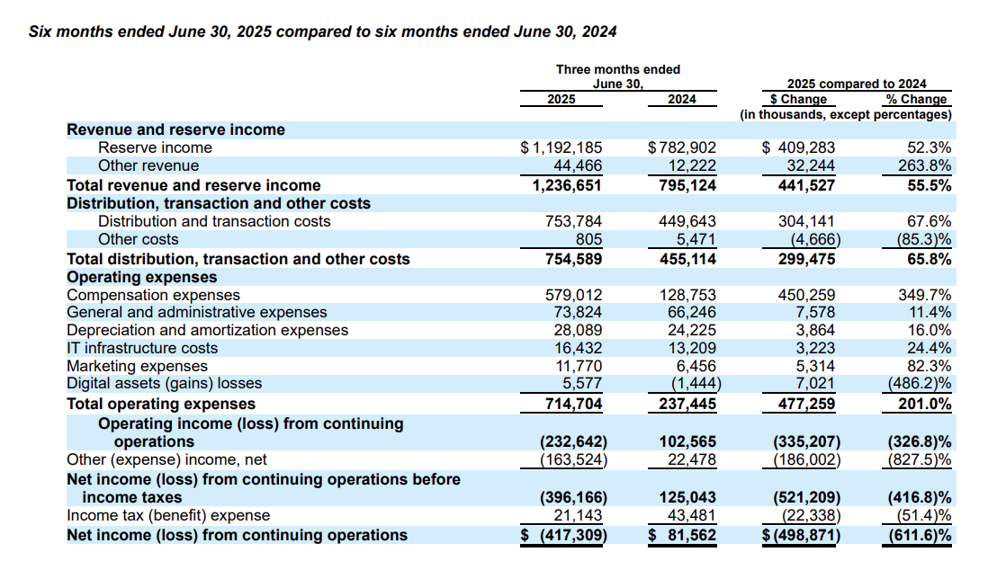
Cost of Revenue % of Total Revenue Driver |  |  | For Drivers & Assumptions
 | Total Distribution, Transaction, and Other Costs | Total Revenue | Cost of Revenue % of Total Revenue
2022 | $309,354 | $772,052 | 40.069%
2023 | $727,724 | $1,450,466 | 50.172%
2024 | $1,017,364 | $1,676,253 | 60.693%
2025 6-month end | $754,589 | $1,236,651 | 61.019%

2025 Annualized (x 2) | $1,509,178 | $2,473,302 | 61.019%

Sales & Marketing % of Total Revenue Driver |  |  | For Drivers & Assumptions
 | Marketing Expenses | Total Revenue | Sales & Marketing % Total Revenue
2022 | $78,839 | $772,052 | 10.212%
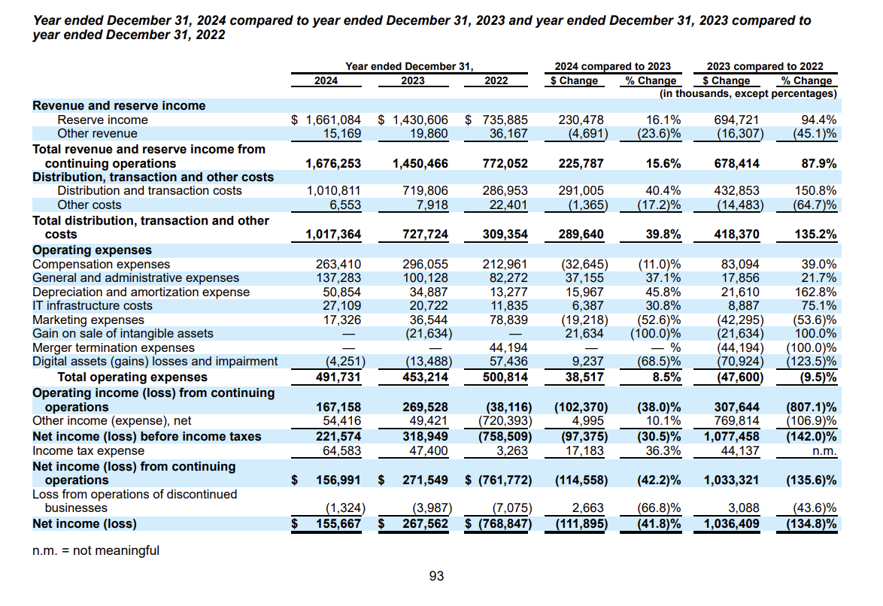
2023 | $36,544 | $1,450,466 | 2.519%
2024 | $17,326 | $1,676,253 | 1.034%
2025 6-month end | $11,770 | $1,236,651 | 0.952%

2025 Annualized (x 2) | $23,540 | $2,473,302 | 0.952%

R&D/IT Infrastructure % of Total Revenue Driver |  |  | For Drivers & Assumptions
 | IT Infrastructure Costs | Total Revenue | R&D/IT Infrastructure % of Total Revenue
2022 | $11,835 | $772,052 | 1.533%
2023 | $20,722 | $1,450,466 | 1.429%
2024 | $27,109 | $1,676,253 | 1.617%
2025 6-month end | $16,432 | $1,236,651 | 1.329%

2025 Annualized (x 2) | $32,864 | $2,473,302 | 1.329%

G&A % of Total Revenue Driver |  |  | For Drivers & Assumptions
 | G&A Expenses | Total Revenue | G&A Expenses % of Total Revenue
2022 | $82,272 | $772,052 | 10.656%
2023 | $100,128 | $1,450,466 | 6.903%
2024 | $137,283 | $1,676,253 | 8.190%
2025 6-month end | $73,824 | $1,236,651 | 5.970%

2025 Annualized (x 2) | $147,648 | $2,473,302 | 5.970%

Compensation Expense % of Total Revenue Driver
 | Compensation Expenses | Total Revenue | Compensation Expenses % of Total Revenue | Simple Average | Weighted Average(More Recent Emphasis) | Ignore 2025 as Outlier | Adjusted Average
2022 | $212,961 | $772,052 | 27.584%
2023 | $296,055 | $1,450,466 | 20.411%
2024 | $263,410 | $1,676,253 | 15.714%
2025 6-month end | $579,012 | $1,236,651 | 46.821%
2025 6-month end adjusted for IPO RSU | $155,212 |  | 12.551% | 27.632% | 30.283% | 21.236% | 19.065%

 |  |  | Annualized 2025 (x 2)
2025 Annualized (x 2) | $310,424 | $2,473,302 | 12.551%

Effective Tax Rate
 | Net Income Before Taxes | Income Tax Expense | Effective Tax Rate | Average Effective Tax Rate
2022 | $(759) | $3 | -0.43%
2023 | $319 | $47 | 14.86%
2024 | $222 | $65 | 29.15% | 22.00%
2025 6-month end | $(396) | $21 | -5.34%

2025 Annualized (x 2) | $(792.33) | $42.29 | -5.34%

