Bug report
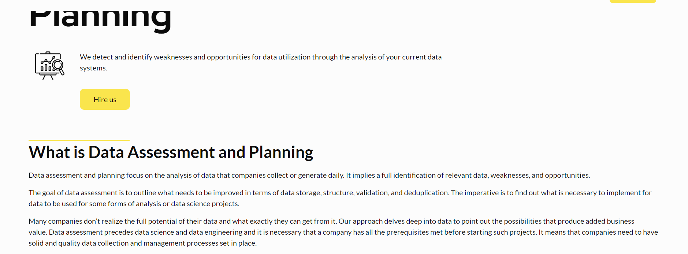
BUG ID | BUG TITLE | PRIORITY | ENVIRONMENT | DESCRIPTION | STEPS TO REPRODUCE | EXPECTED RESULTS | ACTUAL RESULTS | SCREENSHOT
BUG _001 | Missing punctuation mark (?) | Low | Browser: Chrome version 104.0.5112.81 OS: Windows 11 | Title in the field Data assessment and planning ( What is data assessment and planning ) missing punctuation mark (?) | 1. Click top navigation bar Service 2. Click on Data assessment and planning 3. Read title What is Data and Assessment planing | Web page content should be correct without any writing or grammar errors | In title missing punctuation mark ( ? )

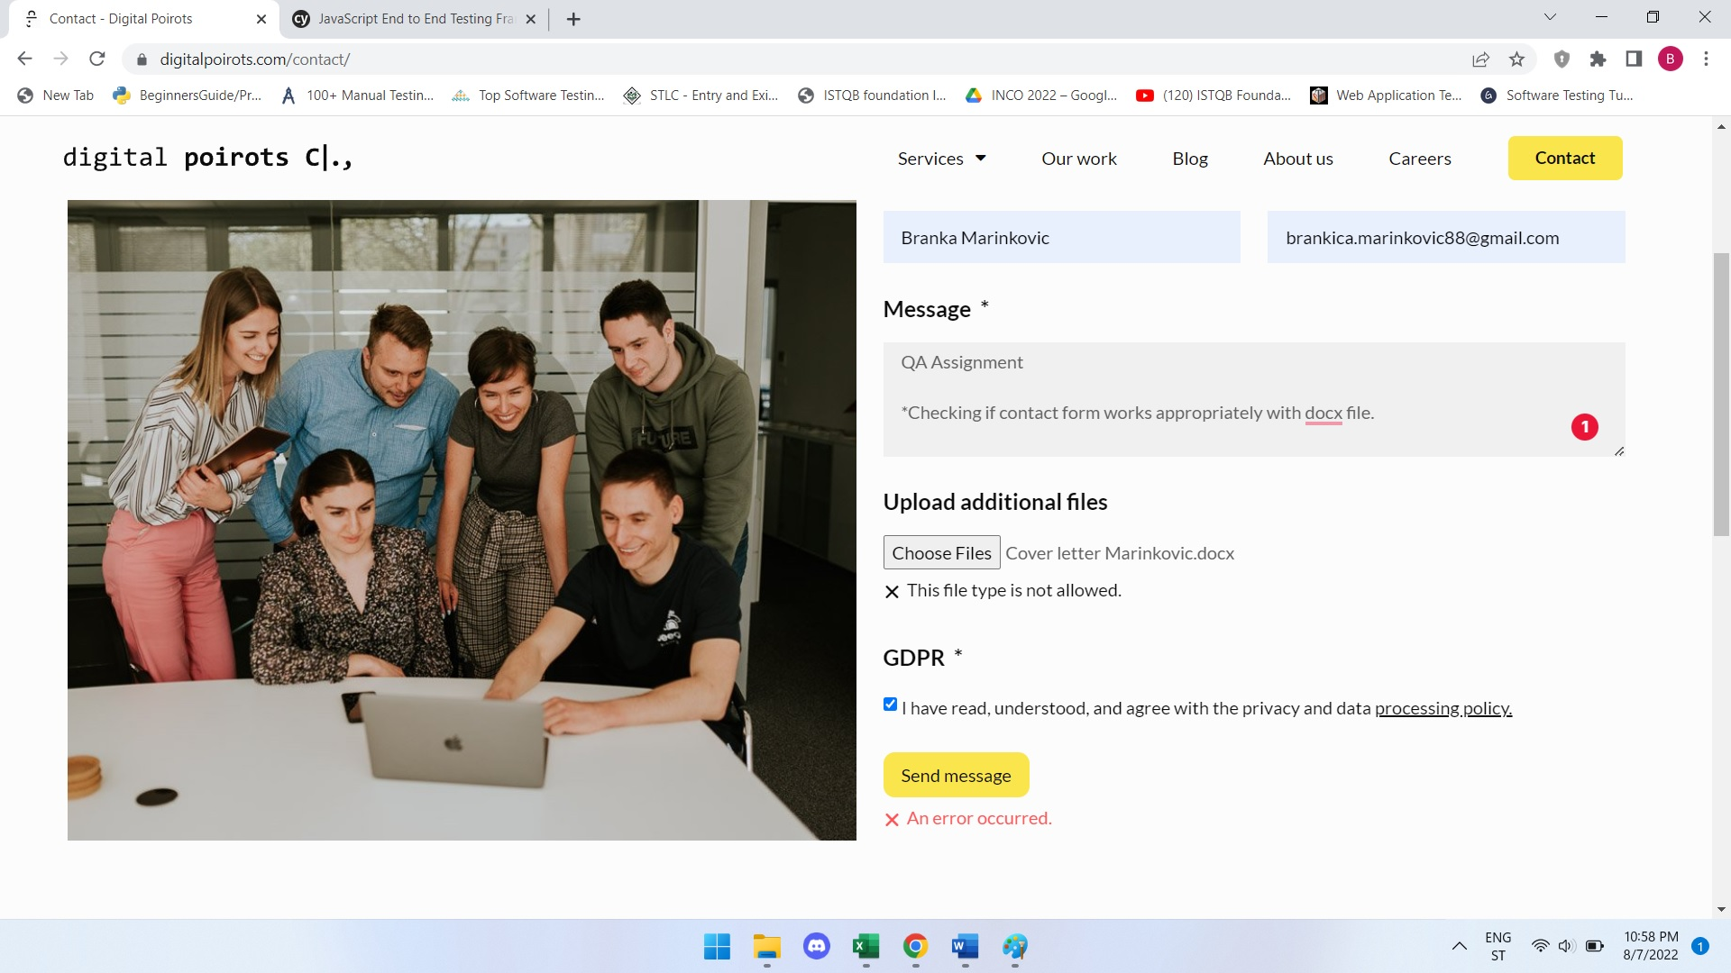
BUG_002 | Contact form doesn't accept docx , xlsx and png files | High | Browser: Chrome version 104.0.5112.81 OS: Windows 11 | The contact form wasn't submitted successfully because an error message occurred that file types docx, xslx, and png are not allowed | 1. Click top navigation bar Contact 2. Fill all required fields 3. Upload additional files ( docx, xslx, png ) 4. Click send message | The contact form should be submitted successfully | An error message occurred that file types docx, xlsx and png are not allowed

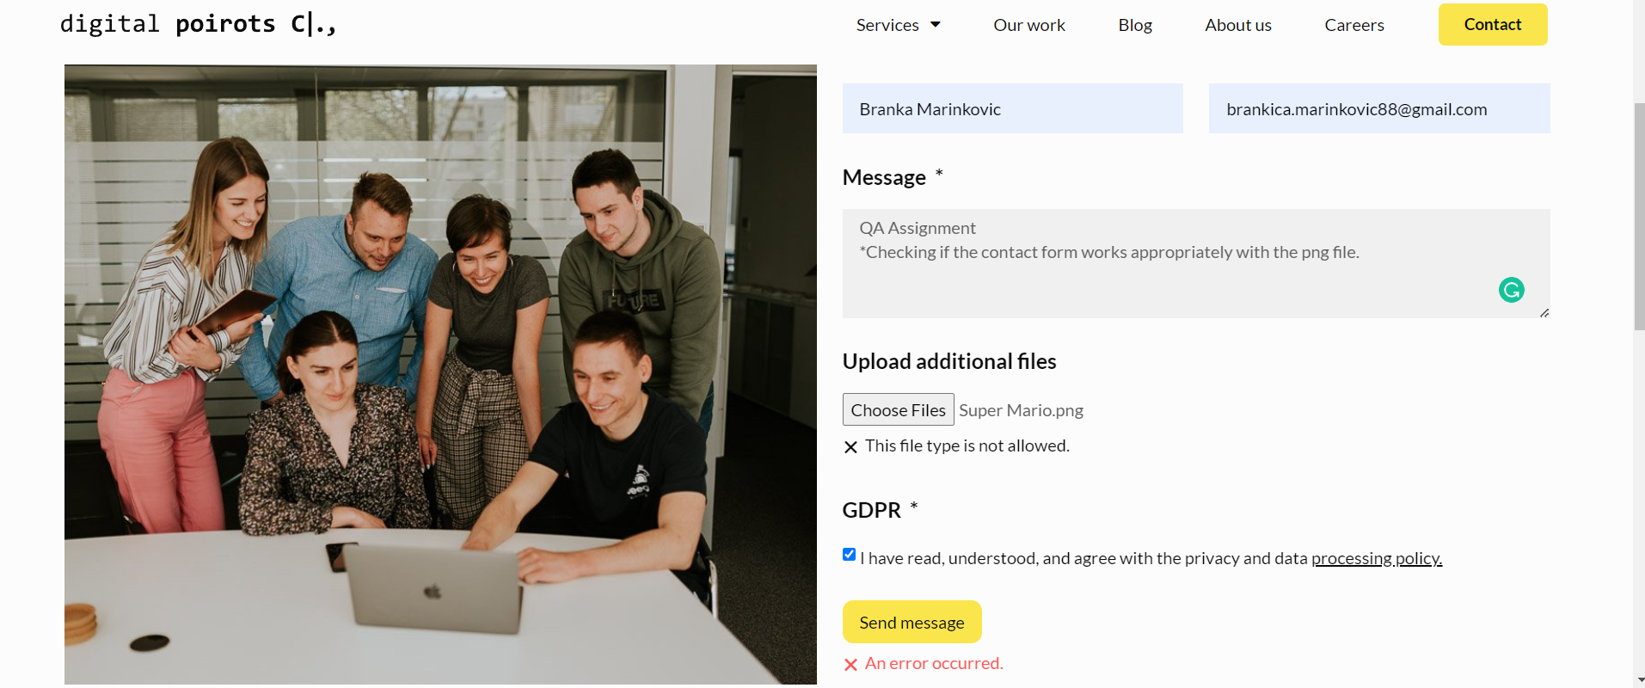

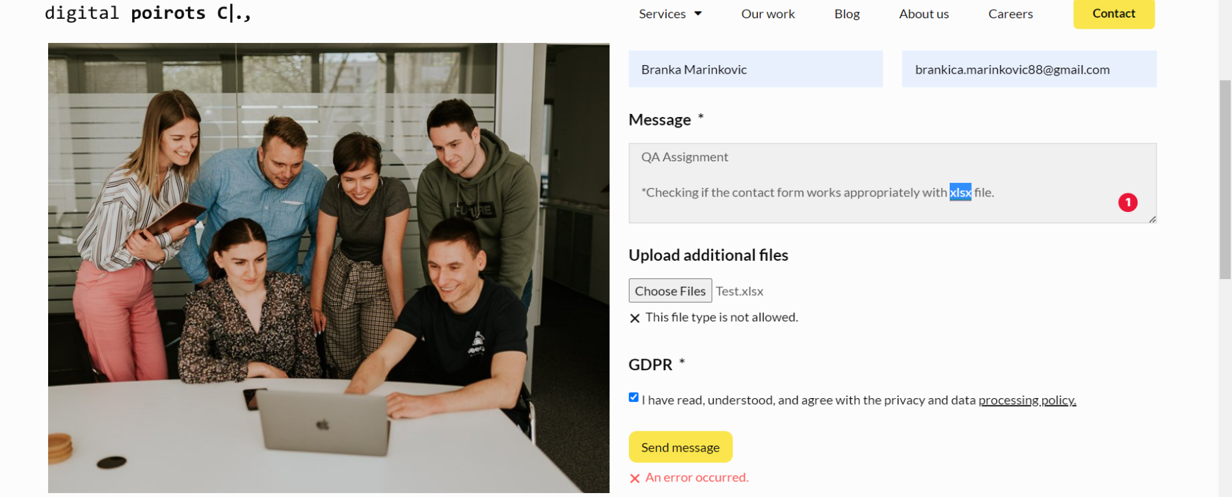

BUG_003 | Wrong button leads | Medium | Browser: Chrome version 104.0.5112.81 OS: Windows 11 | Instagram button on the bottom of the page leads to Facebook, instead to Instagram. | 1. Click Careers on the top navigation bar 2. Click apply on Sales manager position 3. Scroll down and click icon for instagram 1. Click our work on the top navigation bar and click discover more in operations monitoring platform, visualization and reporting solution, output forecasting solution, Input forecasting solution, market segmentation and market movement solutions, data analytics and metrics optimization in wearable electronics | Instagram button should lead to Instagram | Instagram button on the bottom of the page leads to Facebook

BUG_004 | Wrong address on the page | Medium | Browser: Chrome version 104.0.5112.81 OS: Windows 11 | On the bottom of the page there is wrong address, right address is Zadarska 80 | 1. Click Our work on the top navigation bar 2.Click discover more in operations monitoring platform, Visualization and reporting solution, Output forecasting solution, Input forecasting solution, Market segmentation and market movement solutions, Data analytics and metrics optimization in wearable electronics 3. Scroll down to the bottom of page 4. Read address | On the bottom of the page there should be address Zadarska 80 | On the bottom of the page there is wrong address Zadarska 77

BUG_005 | Button find out more leads to the wrong destination | High | Browser: Chrome version 104.0.5112.81 OS: Windows 11 | Section data engineering Find out more button leads to the wrong destination | 1. On the hompe page scroll down to the Service section 2. Click button find out more on section Data engineering | Button find out more on section Data engineering should lead to destination Data engineering | Button find out more leads to the wrong destination Data-driven Software Solutions

BUG_006 | Inconsistency in VAT ID and info email page layout | Low | Browser: Chrome version 104.0.5112.81 OS: Windows 11 | Inconsistency in VAT ID and info email page layout | 1. Click service on the top navigation bar 2. Click on Data science 3. Scroll down to the bottom of page | VAT ID and info mail should be on left side of bottom page under logo | Inconsistency in VAT ID and info email page layout

BUG_007 | Button next should not be visible | Medium | Browser: Chrome version 104.0.5112.81 OS: Windows 11 | Next » should not be visible since there is no next page | 1. Click Blog on the top navigation bar 2. Click two times on button next | Next » should not be visible since there is no next page | Next » is visible

BUG_008 | On the home page there is redundant whitespace character in heading | Low | Browser: Chrome version 104.0.5112.81 OS: Windows 11 | “ Only data, results & expertise” -> on the home page there is redundant whitespace character in heading | 1. Scroll down od the home page and read sentence “ Only data, results & expertise” | There should not be a redundant whitespace character in heading | There is white space character in heading

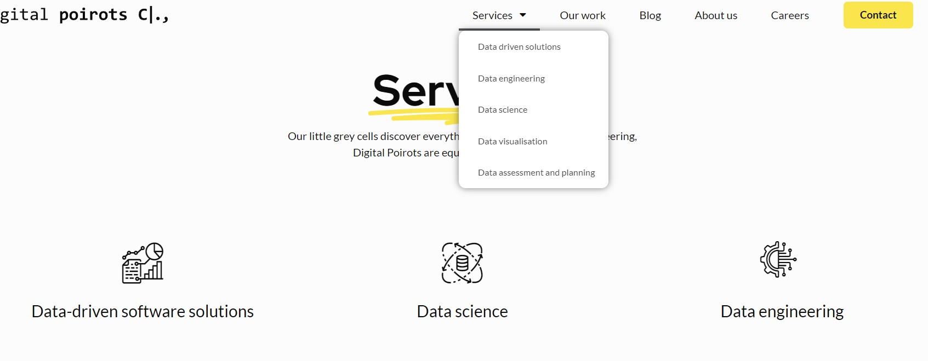
BUG_009 | Inconsistency between services | Low | Browser: Chrome version 104.0.5112.81 OS: Windows 11 | Inconsistency between services count in top navigation bar dropdown menu and services section on the home page | 1. Click services in top navigation bar 2. Scroll on home page to the services section | There should not be inconsistency between services count in top navigation bar dropdown menu and services section on the home page | There is inconsistency between services count in top navigation bar dropdown menu and services section on the home page

Optimization
At the bottom of the web page should be floating back to top arrow.
Consider introducing newsletter feature on your website.
In the section applying for a job Sales manager, there should be a field where people can add an additional link like a portfolio or LinkedIn profile.
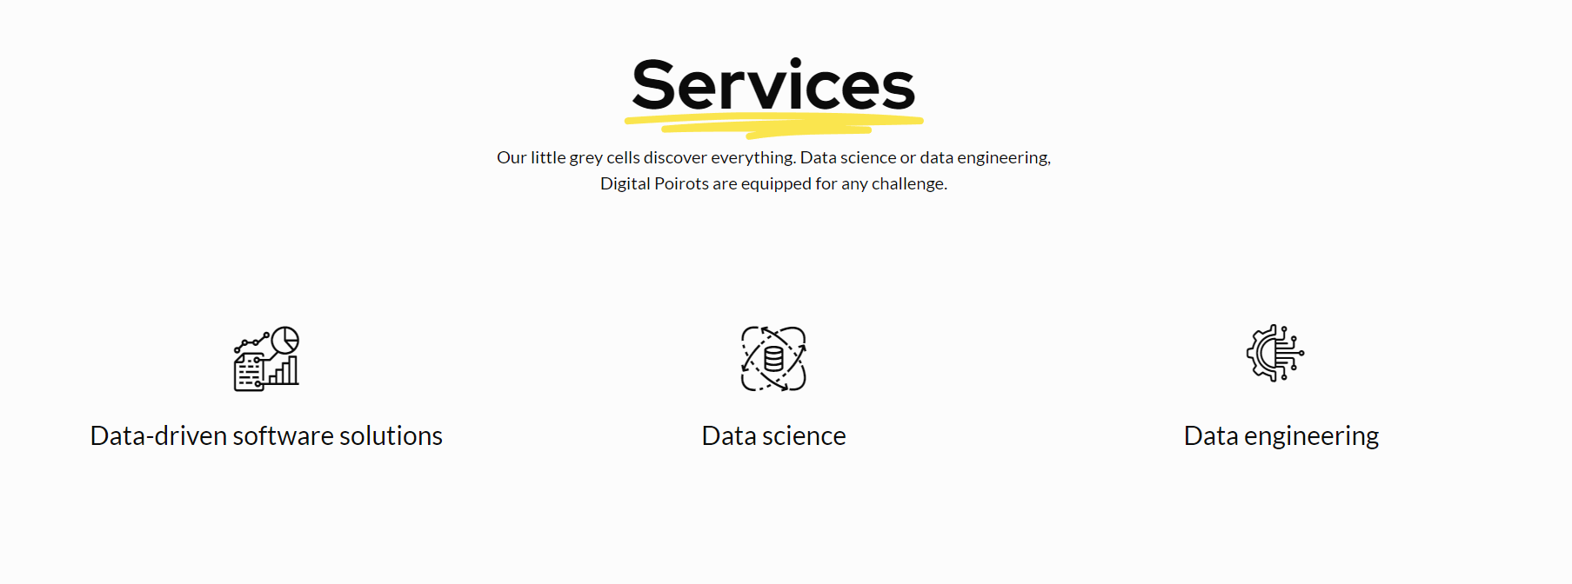 At the top navigation is the button service, below the title on the main page there is a button our service and when you scroll down the main page there is a section service. I think one service should be removed from the main page because it is inconsistent.

