shipment
 | Please grouping buyer
 |  |  |  |  | Please check the shipment q'ty. It's too many
 |  | Please change the text "Style" to "Style Q'ty" |  | Please show zero(0) for the null value
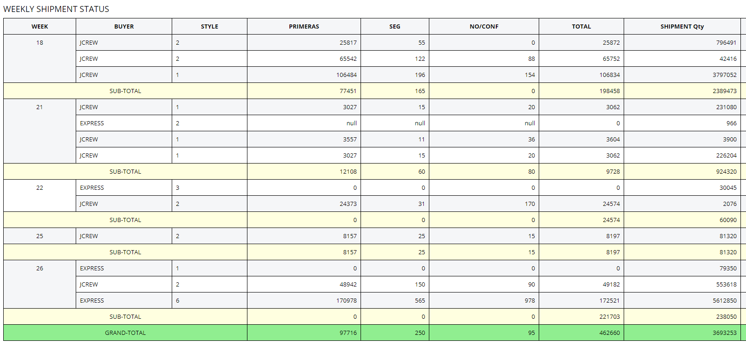

Please Week/Month/Year font more bigger and Bold |  |  | Please check the total.

Please align right for the every number value

If the value is minus value, pleaseshow Red color

Please modify the same width for the every number columns

