Sheet1
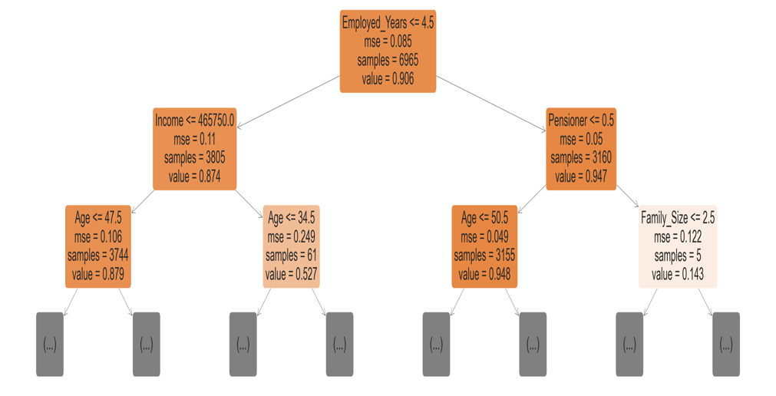
Model Name | AUC Score | Accuracy Score | F1 Score | Confusion Matrix Image

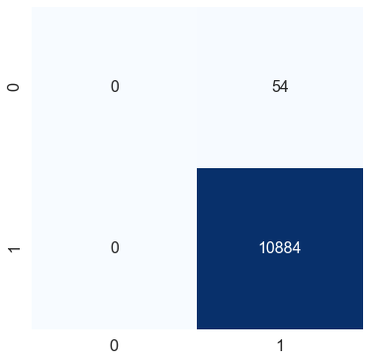
Logistic Regression | 0.64 | 99.51% | 0.99

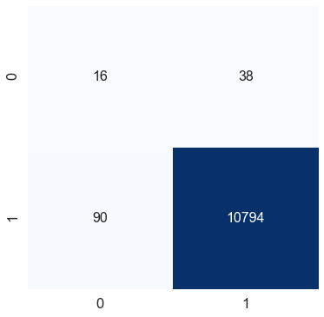
Random Forest | 0.87 | 0.98 | 0.99

