Sheet2
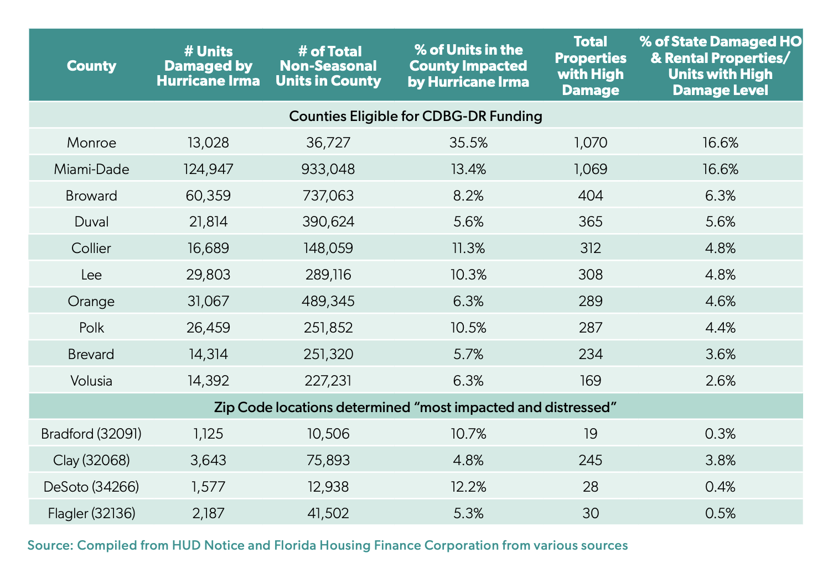
Source | Columns Drawn
https://flhousing.org/wp-content/uploads/2018/06/Hurricane-Irma-and-Housing-What-Happened-and-Whats-Happening.pdf | number_units_damaged
 | share_units_impacted
 | number_units_highdamage

